MIX_Avg
Average response time (ms)
 | DB_1000_img_posts | 1000_img_posts |  | DB_5000_txt_posts | 5000_txt_posts |  | DB_2000_txt_posts | 2000_txt_posts |  | DB_1000_txt_posts | 1000_txt_posts
 | 812 | 2120 |  | 2280 | 5340 |  | 800 | 2250 |  | 657 | 1380
 | 420 | 1700 |  | 917 | 3510 |  | 361 | 1660 |  | 348 | 994
 | 188 | 585 |  | 1470 | 2380 |  | 189 | 902 |  | 129 | 539
 | 214 | 711 |  | 389 | 1660 |  | 93 | 506 |  | 79 | 292
 | 205 | 2720 |  | 832 | 3190 |  | 334 | 1080 |  | 312 | 628
 | 358 | 546 |  | 588 | 1650 |  | 233 | 549 |  | 181 | 290
 | 185 | 589 |  | 844 | 2010 |  | 227 | 779 |  | 160 | 407
 | 63 | 582 |  | 366 | 1760 |  | 172 | 702 |  | 168 | 247
 |  | ' | 3 | 'Average' response time (ms) for posts in file vs DB modes
 | transaction | Average | Average | Average | Average | Average | Average | Average | Average | Average | Average
 |  | 100_txt_posts | DB_100_txt_posts | 1000_txt_posts | DB_1000_txt_posts | 2000_txt_posts | DB_2000_txt_posts | 5000_txt_posts | DB_5000_txt_posts | 1000_img_posts | DB_1000_img_posts
 | TC_Ed_Editpost | 497 | 528 | 1380 | 657 | 2250 | 800 | 5340 | 2280 | 2120 | 812
 | TC_Ad_Add user | 411 | 287 | 994 | 348 | 1660 | 361 | 3510 | 917 | 1700 | 420
 | leave a comment | 315 | 115 | 539 | 129 | 902 | 189 | 2380 | 1470 | 585 | 188
 | TC_Ad_Login | 159 | 70 | 292 | 79 | 506 | 93 | 1660 | 389 | 711 | 214
 | TC_Ad_Delete user | 472 | 213 | 628 | 312 | 1080 | 334 | 3190 | 832 | 2720 | 205
 | TC_Ed_Open editpost page | 194 | 136 | 290 | 181 | 549 | 233 | 1650 | 588 | 546 | 358
 | TC_Search by Name | 171 | 75 | 407 | 160 | 779 | 227 | 2010 | 844 | 589 | 185
 | TC_Ad_LogOff | 146 | 212 | 247 | 168 | 702 | 172 | 1760 | 366 | 582 | 63
 | TC_Ad_Open login page | 259 | 168 | 467 | 234 | 742 | 183 | 2250 | 528 | 1040 | 271
 | TC_Open Random page =1 | 95 | 73 | 180 | 466 | 411 | 36 | 1160 | 0 | 426 | 180
 | TC_Ad_Open Users page | 301 | 232 | 466 | 276 | 771 | 265 | 2110 | 655 | 733 | 304
 | TC_Ed_Open login page | 124 | 107 | 224 | 132 | 595 | 104 | 1000 | 325 | 247 | 158
 | TC_Ad_Open Home page | 90 | 63 | 146 | 136 | 298 | 94 | 939 | 164 | 282 | 45
 | Open Random post | 158 | 67 | 294 | 90 | 519 | 116 | 1530 | 378 | 445 | 99
 | Open first post | 172 | 116 | 296 | 96 | 505 | 114 | 1490 | 347 | 425 | 126
 | TC_start_Open Home page | 111 | 96 | 220 | 105 | 427 | 84 | 959 | 453 | 453 | 136
 | TC_Ed_Open Random post | 120 | 76 | 174 | 133 | 342 | 128 | 979 | 268 | 336 | 75
 | TC_Open Home page | 162 | 108 | 290 | 87 | 452 | 114 | 1310 | 238 | 407 | 102
 | TC_Ed_Open Predefined Date | 107 | 120 | 204 | 80 | 336 | 93 | 876 | 385 | 341 | 84
 | TC_Open Large Calendar | 146 | 99 | 270 | 105 | 433 | 104 | 1260 | 226 | 428 | 114
 | TC_Open Contacts | 112 | 106 | 234 | 103 | 464 | 144 | 1140 | 225 | 423 | 75
 | TC_Open Random page >1 | 141 | 82 | 287 | 82 | 445 | 116 | 1300 | 256 | 409 | 74
 | TC_Open Predefined Date | 151 | 86 | 268 | 94 | 440 | 107 | 1310 | 230 | 407 | 105
 | TC_Open Random Date | 137 | 75 | 263 | 84 | 416 | 111 | 1150 | 305 | 420 | 150
 | TC_Ad_Open Admin Page | 106 | 107 | 177 | 89 | 356 | 110 | 911 | 294 | 387 | 105
 | TC_Ad_Open USERS menu | 96 | 31 | 220 | 99 | 411 | 116 | 990 | 328 | 387 | 141
 | TC_Ed_Login | 53 | 19 | 149 | 51 | 306 | 40 | 795 | 149 | 212 | 83
 | TC_Ed_Open Home page | 37 | 13 | 51 | 42 | 265 | 25 | 234 | 114 | 151 | 73

 | Performance Indicators | 100_txt_posts | DB_100_txt_posts | 1000_txt_posts | DB_1000_txt_posts | 2000_txt_posts | DB_2000_txt_posts | 5000_txt_posts | DB_5000_txt_posts | 1000_img_posts | DB_1000_img_posts
 | Throughput max (rps) | 46 | 40 | 42 | 37 | 38 | 35 | 25 | 33 | 40 | 37
 | Throughput avg (rps) | 33 | 31 | 28 | 30 | 22 | 29 | 11 | 20 | 24 | 29
 | CPU usage max (%) | 100 | 100 | 100 | 100 | 100 | 100 | 100 | 100 | 100 | 100
 | CPU usage avg (%) | 93 | 73 | 98 | 82 | 97 | 82 | 99 | 97 | 99 | 82
 | Memory usage max (%) | 90 | 88 | 90 | 88 | 89 | 90 | 85 | 90 | 90 | 89
 | Memory usage avg (%) | 84 | 82 | 85 | 84 | 84 | 83 | 81 | 83 | 83 | 83
 | IIS stopped during the test | N | N | N | N | N | N | N | N | N | N
 | An effective duration of test (sec) | 908 | 907 | 909 | 905 | 908 | 905 | 908 | 906 | 907 | 906
 | Transactions count | 30099 | 28015 | 25255 | 27381 | 19773 | 26074 | 10374 | 18009 | 21555 | 26387
 | Error count | 28 | 10 | 86 | 79 | 120 | 133 | 68 | 144 | 69 | 73
 | Averge error rate (%) | 0.1 | 0.0 | 0.3 | 0.3 | 0.6 | 0.5 | 0.7 | 0.8 | 0.3 | 0.3

 |  | 100_txt_posts | DB_100_txt_posts | 1000_txt_posts | DB_1000_txt_posts | 2000_txt_posts | DB_2000_txt_posts | 5000_txt_posts | DB_5000_txt_posts | 1000_img_posts | DB_1000_img_posts
TC_Ed_Editpost | Error rate TC_Ed_Editpost | 8% | 2% | 31% | 15% | 47% | 32% | 34% | 46% | 26% | 15%
leave a comment | Error rate leave a comment | 0% | - | 0% | 1% | 1% | 1% | 2% | 2% | 1% | 0%
Open Random post | Error rate Open Random post | - | 0% | 0% | 0% | - | 0% | 0% | 0% | - | 0%
TC_Ad_Add user | Error rate TC_Ad_Add user | 2% | 1% | 4% | - | 6% | - | 6% | 1% | 5% | 1%
TC_Open Home page | Error rate TC_Open Home page | - | - | - | - | 0% | - | 0% | - | 0% | -
Open first post | Error rate Open first post | - | - | - | 0% | - | 0% | 0% | 0% | - | 0%
TC_start_Open Home page | Error rate TC_start_Open Home page | - | - | - | - | - | - | 1% | - | - | -
TC_Search by Name | Error rate TC_Search by Name | - | - | - | - | 0% | - | 0% | - | - | -
TC_Open Random Date | Error rate TC_Open Random Date | - | - | - | - | 0% | - | 0% | - | - | -
TC_Open Predefined Date | Error rate TC_Open Predefined Date | - | - | 0% | - | - | - | 0% | - | - | -

MIX_Pct90
Pct90 response time (ms)
 | DB_1000_img_posts | 1000_img_posts |  | DB_5000_txt_posts | 5000_txt_posts |  | DB_2000_txt_posts | 2000_txt_posts |  | DB_1000_txt_posts | 1000_txt_posts
 | 5230 | 3930 |  | 7240 | 9420 |  | 3230 | 4400 |  | 3520 | 4060
 | 2620 | 4330 |  | 2040 | 6800 |  | 2040 | 3340 |  | 2500 | 2480
 | 1230 | 2000 |  | 4840 | 7040 |  | 1000 | 2700 |  | 705 | 1890
 | 1750 | 2430 |  | 2090 | 4150 |  | 556 | 2110 |  | 358 | 906
 | 471 | 3000 |  | 2870 | 8080 |  | 1530 | 2260 |  | 1540 | 1750
 | 4050 | 1500 |  | 2000 | 3510 |  | 1510 | 1410 |  | 1460 | 933
 | 749 | 2130 |  | 2200 | 4070 |  | 807 | 1750 |  | 796 | 1440
 | 201 | 1400 |  | 1240 | 4550 |  | 876 | 1530 |  | 495 | 639
 | ' | 4 |  | 'pct90' response time (ms) for posts in file vs DB modes
transaction | pct90 | pct90 |  | pct90 | pct90 | pct90 | pct90 | pct90 | pct90 | pct90 | pct90
 | 100_txt_posts | DB_100_txt_posts |  | 1000_txt_posts | DB_1000_txt_posts | 2000_txt_posts | DB_2000_txt_posts | 5000_txt_posts | DB_5000_txt_posts | 1000_img_posts | DB_1000_img_posts
TC_Ed_Editpost | 2550 | 3720 |  | 4060 | 3520 | 4400 | 3230 | 9420 | 7240 | 3930 | 5230
TC_Ad_Add user | 1400 | 1680 |  | 2480 | 2500 | 3340 | 2040 | 6800 | 2040 | 4330 | 2620
leave a comment | 1080 | 571 |  | 1890 | 705 | 2700 | 1000 | 7040 | 4840 | 2000 | 1230
TC_Ad_Login | 793 | 678 |  | 906 | 358 | 2110 | 556 | 4150 | 2090 | 2430 | 1750
TC_Ad_Delete user | 1150 | 1370 |  | 1750 | 1540 | 2260 | 1530 | 8080 | 2870 | 3000 | 471
TC_Ed_Open editpost page | 964 | 595 |  | 933 | 1460 | 1410 | 1510 | 3510 | 2000 | 1500 | 4050
TC_Search by Name | 898 | 392 |  | 1440 | 796 | 1750 | 807 | 4070 | 2200 | 2130 | 749
TC_Ad_LogOff | 787 | 2400 |  | 639 | 495 | 1530 | 876 | 4550 | 1240 | 1400 | 201
TC_Ad_Open login page | 1250 | 1460 |  | 1020 | 2010 | 2040 | 849 | 7220 | 1670 | 4140 | 1930
TC_Open Random page =1 | 398 | 1040 |  | 524 | 794 | 846 | 53 | 3140 | 0 | 969 | 797
TC_Ad_Open Users page | 1550 | 1560 |  | 2490 | 2200 | 1900 | 2360 | 5580 | 4370 | 2150 | 2650
TC_Ed_Open login page | 206 | 427 |  | 443 | 278 | 2490 | 174 | 3910 | 1500 | 828 | 303
TC_Ad_Open Home page | 449 | 561 |  | 424 | 1240 | 1490 | 889 | 2330 | 896 | 791 | 111
Open Random post | 880 | 315 |  | 1590 | 677 | 1640 | 660 | 4050 | 1740 | 1950 | 453
Open first post | 731 | 1020 |  | 1130 | 582 | 1610 | 929 | 3640 | 1350 | 1760 | 554
TC_start_Open Home page | 396 | 1190 |  | 1130 | 793 | 1520 | 215 | 2370 | 3610 | 1230 | 1450
TC_Ed_Open Random post | 423 | 622 |  | 492 | 774 | 879 | 757 | 2130 | 1130 | 1030 | 193
TC_Open Home page | 1020 | 458 |  | 1850 | 558 | 1490 | 897 | 3160 | 826 | 1270 | 472
TC_Ed_Open Predefined Date | 357 | 810 |  | 630 | 579 | 882 | 860 | 2280 | 1460 | 855 | 232
TC_Open Large Calendar | 890 | 506 |  | 1470 | 734 | 1090 | 655 | 3130 | 764 | 1320 | 730
TC_Open Contacts | 353 | 580 |  | 1090 | 772 | 1500 | 1540 | 2860 | 548 | 1210 | 429
TC_Open Random page >1 | 552 | 597 |  | 1510 | 545 | 1060 | 686 | 3050 | 994 | 1450 | 203
TC_Open Predefined Date | 807 | 430 |  | 1230 | 719 | 1200 | 558 | 3270 | 826 | 1670 | 535
TC_Open Random Date | 669 | 267 |  | 1290 | 315 | 1030 | 782 | 2560 | 1000 | 1360 | 2270
TC_Ad_Open Admin Page | 397 | 253 |  | 720 | 262 | 1000 | 927 | 2700 | 1000 | 1130 | 697
TC_Ad_Open USERS menu | 403 | 85 |  | 685 | 806 | 1010 | 575 | 2390 | 1080 | 1090 | 289
TC_Ed_Login | 155 | 63 |  | 479 | 130 | 1490 | 44 | 2960 | 856 | 975 | 347
TC_Ed_Open Home page | 122 | 59 |  | 370 | 143 | 856 | 166 | 622 | 238 | 582 | 228

Performance Indicators | 100_txt_posts | DB_100_txt_posts |  | 1000_txt_posts | DB_1000_txt_posts | 2000_txt_posts | DB_2000_txt_posts | 5000_txt_posts | DB_5000_txt_posts | 1000_img_posts | DB_1000_img_posts
Throughput avg (rps) | 33 | 31 | 0 | 28 | 30 | 22 | 29 | 11 | 20 | 24 | 29
CPU usage avg (%) | 93 | 73 | 0 | 98 | 82 | 97 | 82 | 99 | 97 | 99 | 82
Memory usage avg (%) | 84 | 82 | 0 | 85 | 84 | 84 | 83 | 81 | 83 | 83 | 83
Averge error rate (%) | 0.1 | 0.0 | 0.0 | 0.3 | 0.3 | 0.6 | 0.5 | 0.7 | 0.8 | 0.3 | 0.3

100_txt_posts
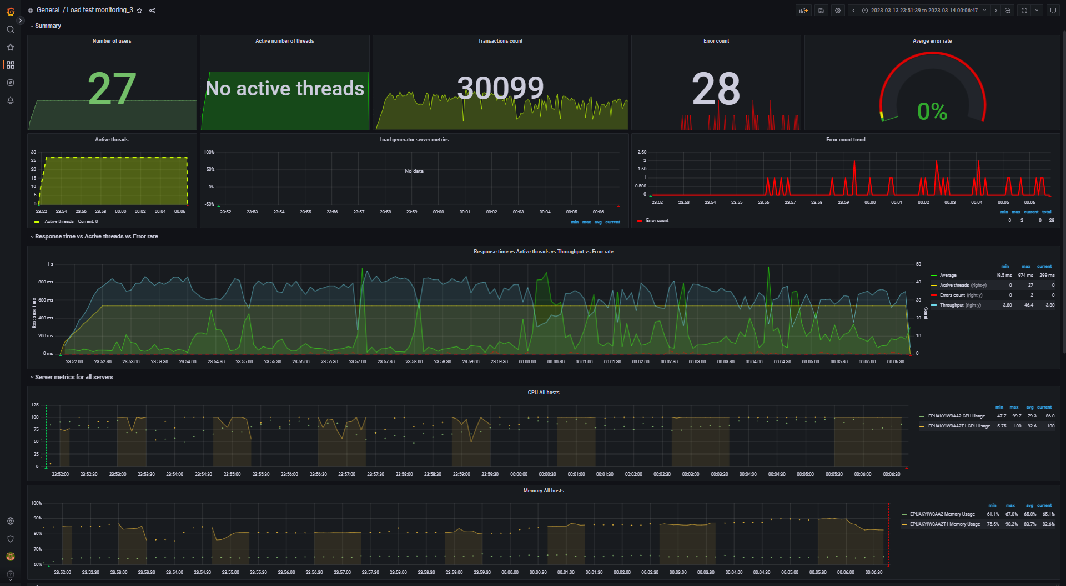
Aggregate report data for 100_txt_posts (file mode) |  |  |  |  |  |  |  |  | Data converted to digital format
transaction | NumberOfSamples | Average | pct90 | pct95 | pct99 | Min | Max | Error Count | transaction | NumberOfSamples | Average | pct90 | pct95 | pct99 | Min | Max | Error Count
TC_start_Open Home page | 312 | 111.06 | 396.4 | 751.45 | 2.13 K | 7 | 2.13 K | - | TC_start_Open Home page | 312 | 111.06 | 396.4 | 751.45 | 2130 | 7 | 2130 | -
TC_Search by Name | 4.53 K | 170.79 | 898 | 2.26 K | 2.68 K | 0 | 2.68 K | - | TC_Search by Name | 4530 | 170.79 | 898 | 2260 | 2680 | 0 | 2680 | -
TC_Open Random page >1 | 1.01 K | 140.88 | 552 | 2.41 K | 2.68 K | 0 | 2.68 K | - | TC_Open Random page >1 | 1010 | 140.88 | 552 | 2410 | 2680 | 0 | 2680 | -
TC_Open Random page =1 | 139 | 94.59 | 398.4 | 943.3 | 2.48 K | 8 | 2.48 K | - | TC_Open Random page =1 | 139 | 94.59 | 398.4 | 943.3 | 2480 | 8 | 2480 | -
TC_Open Random Date | 1.53 K | 137.43 | 668.7 | 1.96 K | 2.59 K | 5 | 2.60 K | - | TC_Open Random Date | 1530 | 137.43 | 668.7 | 1960 | 2590 | 5 | 2600 | -
TC_Open Predefined Date | 4.55 K | 150.85 | 807 | 2.04 K | 2.70 K | 6 | 2.72 K | - | TC_Open Predefined Date | 4550 | 150.85 | 807 | 2040 | 2700 | 6 | 2720 | -
TC_Open Large Calendar | 1.47 K | 146.28 | 889.8 | 2.13 K | 2.61 K | 0 | 2.62 K | - | TC_Open Large Calendar | 1470 | 146.28 | 889.8 | 2130 | 2610 | 0 | 2620 | -
TC_Open Home page | 2.25 K | 162.38 | 1.02 K | 2.41 K | 2.73 K | 7 | 2.73 K | - | TC_Open Home page | 2250 | 162.38 | 1020 | 2410 | 2730 | 7 | 2730 | -
TC_Open Contacts | 581 | 111.56 | 353.2 | 551.1 | 2.53 K | 0 | 2.54 K | - | TC_Open Contacts | 581 | 111.56 | 353.2 | 551.1 | 2530 | 0 | 2540 | -
TC_Ed_Open login page | 6 | 123.89 | 206 | 206 | 206 | 104 | 206 | - | TC_Ed_Open login page | 6 | 123.89 | 206 | 206 | 206 | 104 | 206 | -
TC_Ed_Open editpost page | 263 | 193.52 | 963.5 | 1.70 K | 2.59 K | 7 | 2.59 K | - | TC_Ed_Open editpost page | 263 | 193.52 | 963.5 | 1700 | 2590 | 7 | 2590 | -
TC_Ed_Open Random post | 263 | 120.19 | 423.1 | 812.85 | 2.22 K | 11 | 2.22 K | - | TC_Ed_Open Random post | 263 | 120.19 | 423.1 | 812.85 | 2220 | 11 | 2220 | -
TC_Ed_Open Predefined Date | 263 | 107.08 | 356.8 | 890.3 | 2.52 K | 7 | 2.53 K | - | TC_Ed_Open Predefined Date | 263 | 107.08 | 356.8 | 890.3 | 2520 | 7 | 2530 | -
TC_Ed_Open Home page | 6 | 37.38 | 122 | 122 | 122 | 15 | 122 | - | TC_Ed_Open Home page | 6 | 37.38 | 122 | 122 | 122 | 15 | 122 | -
TC_Ed_Login | 6 | 53.12 | 155 | 155 | 155 | 28 | 155 | - | TC_Ed_Login | 6 | 53.12 | 155 | 155 | 155 | 28 | 155 | -
TC_Ed_LogOff | 4 | 97.67 | 168 | 168 | 168 | 13 | 168 | - | TC_Ed_LogOff | 4 | 97.67 | 168 | 168 | 168 | 13 | 168 | -
TC_Ad_Open login page | 40 | 259.14 | 1.25 K | 1.45 K | 2.92 K | 68 | 2.92 K | - | TC_Ad_Open login page | 40 | 259.14 | 1250 | 1450 | 2920 | 68 | 2920 | -
TC_Ad_Open Users page | 385 | 300.68 | 1.55 K | 2.51 K | 3.00 K | 22 | 3.01 K | - | TC_Ad_Open Users page | 385 | 300.68 | 1550 | 2510 | 3000 | 22 | 3010 | -
TC_Ad_Open USERS menu | 385 | 96.38 | 403.4 | 536.85 | 2.21 K | 3 | 2.21 K | - | TC_Ad_Open USERS menu | 385 | 96.38 | 403.4 | 536.85 | 2210 | 3 | 2210 | -
TC_Ad_Open Home page | 40 | 90.41 | 449.4 | 1.54 K | 2.33 K | 10 | 2.33 K | - | TC_Ad_Open Home page | 40 | 90.41 | 449.4 | 1540 | 2330 | 10 | 2330 | -
TC_Ad_Open Admin Page | 385 | 106.49 | 397.3 | 1.21 K | 2.21 K | 2 | 2.21 K | - | TC_Ad_Open Admin Page | 385 | 106.49 | 397.3 | 1210 | 2210 | 2 | 2210 | -
TC_Ad_Login | 40 | 159.45 | 793.1 | 1.39 K | 2.13 K | 15 | 2.13 K | - | TC_Ad_Login | 40 | 159.45 | 793.1 | 1390 | 2130 | 15 | 2130 | -
TC_Ad_LogOff | 38 | 145.54 | 787.1 | 1.28 K | 1.56 K | 14 | 1.56 K | - | TC_Ad_LogOff | 38 | 145.54 | 787.1 | 1280 | 1560 | 14 | 1560 | -
TC_Ad_Delete user | 194 | 471.57 | 1.15 K | 2.46 K | 22.29 K | 11 | 22.29 K | - | TC_Ad_Delete user | 194 | 471.57 | 1150 | 2460 | 22290 | 11 | 22290 | -
Open first post | 3.18 K | 172.01 | 731 | 2.55 K | 2.79 K | 6 | 2.79 K | - | Open first post | 3180 | 172.01 | 731 | 2550 | 2790 | 6 | 2790 | -
Open Random post | 5.97 K | 158.12 | 879.8 | 2.10 K | 2.69 K | 6 | 2.69 K | - | Open Random post | 5970 | 158.12 | 879.8 | 2100 | 2690 | 6 | 2690 | -
TC_Ed_Editpost | 262 | 497.28 | 2.55 K | 2.97 K | 4.14 K | 49 | 4.14 K | 21 | TC_Ed_Editpost | 262 | 497.28 | 2550 | 2970 | 4140 | 49 | 4140 | 21
TC_Ad_Add user | 190 | 410.65 | 1.40 K | 2.46 K | 3.52 K | 28 | 3.52 K | 4 | TC_Ad_Add user | 190 | 410.65 | 1400 | 2460 | 3520 | 28 | 3520 | 4
leave a comment | 1.83 K | 314.86 | 1.08 K | 2.16 K | 96.02 K | 7 | 96.97 K | 3 | leave a comment | 1830 | 314.86 | 1080 | 2160 | 96020 | 7 | 96970 | 3

 |  |  |  |  |  |  |  |  | -- Performance Ind. -- | -- Data --
 |  |  |  |  |  |  |  |  | Throughput max (rps) | 46.4
 |  |  |  |  |  |  |  |  | Throughput avg (rps) | 33.3
 |  |  |  |  |  |  |  |  | CPU usage max (%) | 100
 |  |  |  |  |  |  |  |  | CPU usage avg (%) | 92.6
 |  |  |  |  |  |  |  |  | Memory usage max (%) | 90.2
 |  |  |  |  |  |  |  |  | Memory usage avg (%) | 83.7
 |  |  |  |  |  |  |  |  | IIS stopped during the test | N | http://localhost:3000/d/rxKcwpFmk_3/load-test-monitoring_3?orgId=1&from=1678744299569&to=1678745207301&var-group_time=5s&var-metric=All&var-scenario=All&var-transactions=All&var-server_measurements=All&var-host=All&var-measurement=jmeter
 |  |  |  |  |  |  |  |  | An effective duration of test (sec) | 908 | 1678744299569 | 1678745207301

 |  |  |  |  |  |  |  |  | Transactions count | 30099
 |  |  |  |  |  |  |  |  | Error count | 28
 |  |  |  |  |  |  |  |  | Averge error rate (%) | 0.1

1000_txt_posts
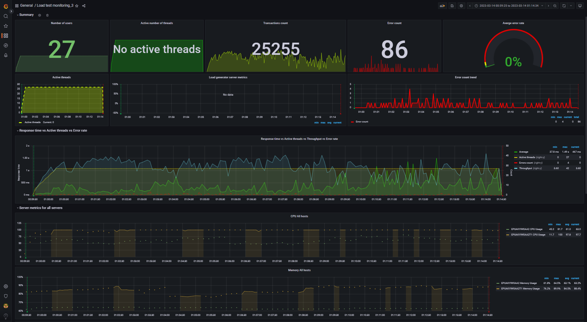
Aggregate report data for 1000_txt_posts (file mode) |  |  |  |  |  |  |  |  | Data converted to digital format
transaction | NumberOfSamples | Average | pct90 | pct95 | pct99 | Min | Max | Error Count | transaction | NumberOfSamples | Average | pct90 | pct95 | pct99 | Min | Max | Error Count
TC_start_Open Home page | 250 | 219.97 | 1.13 K | 1.86 K | 2.34 K | 11 | 2.34 K | - | TC_start_Open Home page | 250 | 219.97 | 1130 | 1860 | 2340 | 11 | 2340 | -
TC_Search by Name | 3.70 K | 406.92 | 1.44 K | 2.63 K | 5.06 K | 8 | 5.06 K | - | TC_Search by Name | 3700 | 406.92 | 1440 | 2630 | 5060 | 8 | 5060 | -
TC_Open Random page >1 | 992 | 287 | 1.51 K | 3.00 K | 4.96 K | 0 | 4.97 K | - | TC_Open Random page >1 | 992 | 287 | 1510 | 3000 | 4960 | 0 | 4970 | -
TC_Open Random page =1 | 117 | 179.77 | 523.8 | 928 | 2.97 K | 8 | 2.97 K | - | TC_Open Random page =1 | 117 | 179.77 | 523.8 | 928 | 2970 | 8 | 2970 | -
TC_Open Random Date | 1.22 K | 263.33 | 1.29 K | 2.77 K | 3.29 K | 0 | 3.29 K | - | TC_Open Random Date | 1220 | 263.33 | 1290 | 2770 | 3290 | 0 | 3290 | -
TC_Open Home page | 1.79 K | 290.13 | 1.85 K | 3.07 K | 5.02 K | 10 | 5.04 K | - | TC_Open Home page | 1790 | 290.13 | 1850 | 3070 | 5020 | 10 | 5040 | -
TC_Open Contacts | 459 | 233.75 | 1.09 K | 2.40 K | 3.07 K | 0 | 3.07 K | - | TC_Open Contacts | 459 | 233.75 | 1090 | 2400 | 3070 | 0 | 3070 | -
TC_Ed_Open login page | 6 | 224.18 | 443 | 527 | 527 | 156 | 527 | - | TC_Ed_Open login page | 6 | 224.18 | 443 | 527 | 527 | 156 | 527 | -
TC_Ed_Open editpost page | 222 | 290.41 | 933.2 | 1.19 K | 2.55 K | 9 | 2.56 K | - | TC_Ed_Open editpost page | 222 | 290.41 | 933.2 | 1190 | 2550 | 9 | 2560 | -
TC_Ed_Open Random post | 222 | 174.11 | 492 | 669.15 | 2.22 K | 11 | 2.22 K | - | TC_Ed_Open Random post | 222 | 174.11 | 492 | 669.15 | 2220 | 11 | 2220 | -
TC_Ed_Open Predefined Date | 222 | 203.51 | 630.2 | 2.07 K | 2.93 K | 9 | 2.94 K | - | TC_Ed_Open Predefined Date | 222 | 203.51 | 630.2 | 2070 | 2930 | 9 | 2940 | -
TC_Ed_Open Home page | 6 | 51.44 | 370 | 370 | 370 | 15 | 370 | - | TC_Ed_Open Home page | 6 | 51.44 | 370 | 370 | 370 | 15 | 370 | -
TC_Ed_Login | 6 | 149.13 | 479 | 479 | 479 | 33 | 479 | - | TC_Ed_Login | 6 | 149.13 | 479 | 479 | 479 | 33 | 479 | -
TC_Ed_LogOff | 4 | 200.44 | 907 | 907 | 907 | 23 | 907 | - | TC_Ed_LogOff | 4 | 200.44 | 907 | 907 | 907 | 23 | 907 | -
TC_Ad_Open login page | 33 | 466.61 | 1.02 K | 2.17 K | 3.01 K | 109 | 3.01 K | - | TC_Ad_Open login page | 33 | 466.61 | 1020 | 2170 | 3010 | 109 | 3010 | -
TC_Ad_Open Home page | 33 | 145.75 | 424.4 | 591.2 | 608 | 15 | 608 | - | TC_Ad_Open Home page | 33 | 145.75 | 424.4 | 591.2 | 608 | 15 | 608 | -
TC_Ad_Open Admin Page | 323 | 177.33 | 720.4 | 1.68 K | 2.81 K | 2 | 2.82 K | - | TC_Ad_Open Admin Page | 323 | 177.33 | 720.4 | 1680 | 2810 | 2 | 2820 | -
TC_Ad_Login | 33 | 291.68 | 906.1 | 1.66 K | 1.85 K | 28 | 1.85 K | - | TC_Ad_Login | 33 | 291.68 | 906.1 | 1660 | 1850 | 28 | 1850 | -
TC_Ad_LogOff | 31 | 246.9 | 639 | 861.75 | 928 | 19 | 928 | - | TC_Ad_LogOff | 31 | 246.9 | 639 | 861.75 | 928 | 19 | 928 | -
Open first post | 2.70 K | 295.84 | 1.13 K | 2.78 K | 5.11 K | 9 | 5.11 K | - | Open first post | 2700 | 295.84 | 1130 | 2780 | 5110 | 9 | 5110 | -
TC_Ed_Editpost | 221 | 1.38 K | 4.06 K | 5.03 K | 35.21 K | 0 | 35.21 K | 69 | TC_Ed_Editpost | 221 | 1380 | 4060 | 5030 | 35210 | 0 | 35210 | 69
TC_Ad_Add user | 158 | 993.77 | 2.48 K | 4.20 K | 5.80 K | 73 | 5.80 K | 7 | TC_Ad_Add user | 158 | 993.77 | 2480 | 4200 | 5800 | 73 | 5800 | 7
leave a comment | 1.67 K | 539.03 | 1.89 K | 4.45 K | 92.20 K | 8 | 93.12 K | 3 | leave a comment | 1670 | 539.03 | 1890 | 4450 | 92200 | 8 | 93120 | 3
TC_Ad_Delete user | 165 | 628.48 | 1.75 K | 2.52 K | 3.83 K | 11 | 3.83 K | 2 | TC_Ad_Delete user | 165 | 628.48 | 1750 | 2520 | 3830 | 11 | 3830 | 2
TC_Open Predefined Date | 3.53 K | 267.61 | 1.23 K | 2.74 K | 3.52 K | 0 | 3.52 K | 1 | TC_Open Predefined Date | 3530 | 267.61 | 1230 | 2740 | 3520 | 0 | 3520 | 1
TC_Open Large Calendar | 1.17 K | 270.23 | 1.47 K | 2.52 K | 3.44 K | 0 | 3.45 K | 1 | TC_Open Large Calendar | 1170 | 270.23 | 1470 | 2520 | 3440 | 0 | 3450 | 1
TC_Ad_Open Users page | 323 | 466.47 | 2.49 K | 3.03 K | 4.03 K | 24 | 4.04 K | 1 | TC_Ad_Open Users page | 323 | 466.47 | 2490 | 3030 | 4030 | 24 | 4040 | 1
TC_Ad_Open USERS menu | 323 | 220.07 | 685 | 2.71 K | 3.38 K | 3 | 3.38 K | 1 | TC_Ad_Open USERS menu | 323 | 220.07 | 685 | 2710 | 3380 | 3 | 3380 | 1
Open Random post | 5.33 K | 294.1 | 1.59 K | 3.09 K | 5.19 K | 9 | 5.19 K | 1 | Open Random post | 5330 | 294.1 | 1590 | 3090 | 5190 | 9 | 5190 | 1

 |  |  |  |  |  |  |  |  | -- Performance Ind. -- | -- Data --
 |  |  |  |  |  |  |  |  | Throughput max (rps) | 42
 |  |  |  |  |  |  |  |  | Throughput avg (rps) | 27.9
 |  |  |  |  |  |  |  |  | CPU usage max (%) | 100
 |  |  |  |  |  |  |  |  | CPU usage avg (%) | 97.8
 |  |  |  |  |  |  |  |  | Memory usage max (%) | 89.9
 |  |  |  |  |  |  |  |  | Memory usage avg (%) | 84.5
 |  |  |  |  |  |  |  |  | IIS stopped during the test | N | http://localhost:3000/d/rxKcwpFmk_3/load-test-monitoring_3?orgId=1&from=1678748365307&to=1678749274343&var-group_time=5s&var-metric=All&var-scenario=All&var-transactions=All&var-server_measurements=All&var-host=All&var-measurement=jmeter
 |  |  |  |  |  |  |  |  | An effective duration of test (sec) | 909 | 1678748365307 | 1678749274343

 |  |  |  |  |  |  |  |  | Transactions count | 25255
 |  |  |  |  |  |  |  |  | Error count | 86
 |  |  |  |  |  |  |  |  | Averge error rate (%) | 0.3

2000_txt_posts
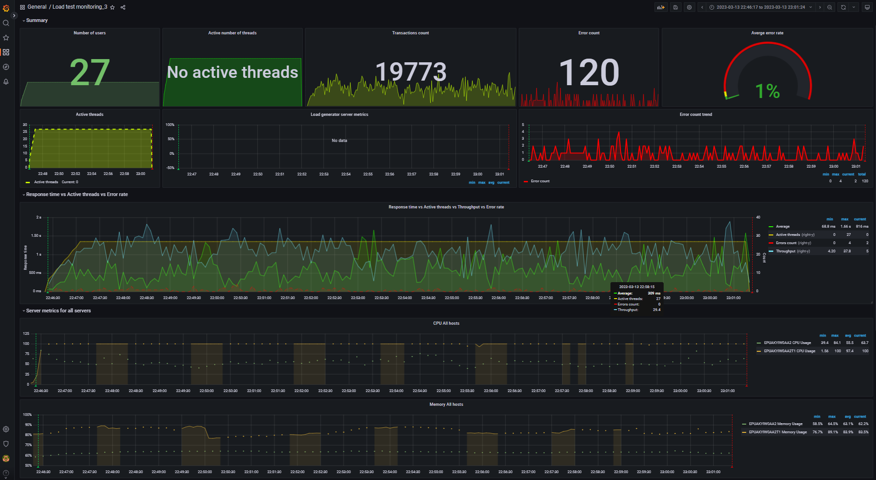
Aggregate report data for 2000_txt_posts (file mode) |  |  |  |  |  |  |  |  | Data converted to digital format
transaction | NumberOfSamples | Average | pct90 | pct95 | pct99 | Min | Max | Error Count | transaction | NumberOfSamples | Average | pct90 | pct95 | pct99 | Min | Max | Error Count
TC_start_Open Home page | 194 | 426.96 | 1.52 K | 3.13 K | 3.80 K | 16 | 3.81 K | - | TC_start_Open Home page | 194 | 426.96 | 1520 | 3130 | 3800 | 16 | 3810 | -
TC_Open Random page >1 | 914 | 445.34 | 1.06 K | 2.27 K | 4.81 K | 14 | 4.82 K | - | TC_Open Random page >1 | 914 | 445.34 | 1060 | 2270 | 4810 | 14 | 4820 | -
TC_Open Random page =1 | 146 | 411.15 | 846.1 | 1.10 K | 1.61 K | 20 | 1.61 K | - | TC_Open Random page =1 | 146 | 411.15 | 846.1 | 1100 | 1610 | 20 | 1610 | -
TC_Open Predefined Date | 2.76 K | 440 | 1.20 K | 2.88 K | 4.90 K | 0 | 4.90 K | - | TC_Open Predefined Date | 2760 | 440 | 1200 | 2880 | 4900 | 0 | 4900 | -
TC_Open Large Calendar | 882 | 432.64 | 1.09 K | 2.73 K | 3.83 K | 0 | 3.85 K | - | TC_Open Large Calendar | 882 | 432.64 | 1090 | 2730 | 3830 | 0 | 3850 | -
TC_Open Contacts | 376 | 464.27 | 1.50 K | 3.35 K | 4.73 K | 11 | 4.73 K | - | TC_Open Contacts | 376 | 464.27 | 1500 | 3350 | 4730 | 11 | 4730 | -
TC_Ed_Open login page | 4 | 594.65 | 2.49 K | 2.49 K | 2.49 K | 122 | 2.49 K | - | TC_Ed_Open login page | 4 | 594.65 | 2490 | 2490 | 2490 | 122 | 2490 | -
TC_Ed_Open editpost page | 191 | 548.96 | 1.41 K | 1.58 K | 1.79 K | 27 | 1.79 K | - | TC_Ed_Open editpost page | 191 | 548.96 | 1410 | 1580 | 1790 | 27 | 1790 | -
TC_Ed_Open Random post | 191 | 342.09 | 879 | 1.30 K | 1.80 K | 15 | 1.81 K | - | TC_Ed_Open Random post | 191 | 342.09 | 879 | 1300 | 1800 | 15 | 1810 | -
TC_Ed_Open Predefined Date | 191 | 336.17 | 882 | 1.20 K | 2.75 K | 16 | 2.76 K | - | TC_Ed_Open Predefined Date | 191 | 336.17 | 882 | 1200 | 2750 | 16 | 2760 | -
TC_Ed_Open Home page | 4 | 265.47 | 856 | 856 | 856 | 52 | 856 | - | TC_Ed_Open Home page | 4 | 265.47 | 856 | 856 | 856 | 52 | 856 | -
TC_Ed_Login | 4 | 306.42 | 1.49 K | 1.49 K | 1.49 K | 36 | 1.49 K | - | TC_Ed_Login | 4 | 306.42 | 1490 | 1490 | 1490 | 36 | 1490 | -
TC_Ed_LogOff | 2 | 1.13 K | 1.77 K | 1.77 K | 1.77 K | 911 | 1.77 K | - | TC_Ed_LogOff | 2 | 1130 | 1770 | 1770 | 1770 | 911 | 1770 | -
TC_Ad_Open login page | 26 | 741.82 | 2.04 K | 3.05 K | 3.59 K | 217 | 3.59 K | - | TC_Ad_Open login page | 26 | 741.82 | 2040 | 3050 | 3590 | 217 | 3590 | -
TC_Ad_Open Users page | 257 | 771.41 | 1.90 K | 2.76 K | 4.69 K | 52 | 4.69 K | - | TC_Ad_Open Users page | 257 | 771.41 | 1900 | 2760 | 4690 | 52 | 4690 | -
TC_Ad_Open Home page | 26 | 298.42 | 1.49 K | 2.67 K | 2.85 K | 52 | 2.85 K | - | TC_Ad_Open Home page | 26 | 298.42 | 1490 | 2670 | 2850 | 52 | 2850 | -
TC_Ad_Open Admin Page | 258 | 355.81 | 999.7 | 1.42 K | 3.30 K | 2 | 3.31 K | - | TC_Ad_Open Admin Page | 258 | 355.81 | 999.7 | 1420 | 3300 | 2 | 3310 | -
TC_Ad_Login | 26 | 505.71 | 2.11 K | 2.55 K | 2.55 K | 33 | 2.55 K | - | TC_Ad_Login | 26 | 505.71 | 2110 | 2550 | 2550 | 33 | 2550 | -
TC_Ad_LogOff | 24 | 702.02 | 1.53 K | 4.83 K | 4.83 K | 47 | 4.83 K | - | TC_Ad_LogOff | 24 | 702.02 | 1530 | 4830 | 4830 | 47 | 4830 | -
Open first post | 2.12 K | 505.47 | 1.61 K | 2.68 K | 4.92 K | 13 | 4.92 K | - | Open first post | 2120 | 505.47 | 1610 | 2680 | 4920 | 13 | 4920 | -
Open Random post | 4.08 K | 519.45 | 1.64 K | 3.25 K | 4.93 K | 13 | 4.93 K | - | Open Random post | 4080 | 519.45 | 1640 | 3250 | 4930 | 13 | 4930 | -
TC_Ed_Editpost | 191 | 2.25 K | 4.40 K | 5.30 K | 6.21 K | 230 | 6.21 K | 90 | TC_Ed_Editpost | 191 | 2250 | 4400 | 5300 | 6210 | 230 | 6210 | 90
leave a comment | 1.28 K | 901.54 | 2.70 K | 4.99 K | 11.30 K | 10 | 11.37 K | 16 | leave a comment | 1280 | 901.54 | 2700 | 4990 | 11300 | 10 | 11370 | 16
TC_Ad_Add user | 123 | 1.66 K | 3.34 K | 4.33 K | 5.78 K | 31 | 5.78 K | 7 | TC_Ad_Add user | 123 | 1660 | 3340 | 4330 | 5780 | 31 | 5780 | 7
TC_Search by Name | 2.78 K | 779.33 | 1.75 K | 2.75 K | 5.07 K | 12 | 5.07 K | 2 | TC_Search by Name | 2780 | 779.33 | 1750 | 2750 | 5070 | 12 | 5070 | 2
TC_Ad_Open USERS menu | 258 | 410.61 | 1.01 K | 2.32 K | 4.76 K | 3 | 4.76 K | 2 | TC_Ad_Open USERS menu | 258 | 410.61 | 1010 | 2320 | 4760 | 3 | 4760 | 2
TC_Open Random Date | 882 | 416.03 | 1.03 K | 1.90 K | 4.76 K | 12 | 4.79 K | 1 | TC_Open Random Date | 882 | 416.03 | 1030 | 1900 | 4760 | 12 | 4790 | 1
TC_Open Home page | 1.45 K | 452.47 | 1.49 K | 2.10 K | 4.78 K | 16 | 4.78 K | 1 | TC_Open Home page | 1450 | 452.47 | 1490 | 2100 | 4780 | 16 | 4780 | 1
TC_Ad_Delete user | 133 | 1.08 K | 2.26 K | 2.78 K | 3.63 K | 37 | 3.63 K | 1 | TC_Ad_Delete user | 133 | 1080 | 2260 | 2780 | 3630 | 37 | 3630 | 1

 |  |  |  |  |  |  |  |  | -- Performance Ind. -- | -- Data --
 |  |  |  |  |  |  |  |  | Throughput max (rps) | 37.8
 |  |  |  |  |  |  |  |  | Throughput avg (rps) | 21.9
 |  |  |  |  |  |  |  |  | CPU usage max (%) | 100
 |  |  |  |  |  |  |  |  | CPU usage avg (%) | 97.4
 |  |  |  |  |  |  |  |  | Memory usage max (%) | 89.1
 |  |  |  |  |  |  |  |  | Memory usage avg (%) | 83.9
 |  |  |  |  |  |  |  |  | IIS stopped during the test | N | http://localhost:3000/d/rxKcwpFmk_3/load-test-monitoring_3?orgId=1&from=1678740377059&to=1678741284761&var-group_time=5s&var-metric=All&var-scenario=All&var-transactions=All&var-server_measurements=All&var-host=All&var-measurement=jmeter
 |  |  |  |  |  |  |  |  | An effective duration of test (sec) | 908 | 1678740377059 | 1678741284761

 |  |  |  |  |  |  |  |  | Transactions count | 19773
 |  |  |  |  |  |  |  |  | Error count | 120
 |  |  |  |  |  |  |  |  | Averge error rate (%) | 0.6

5000_txt_posts
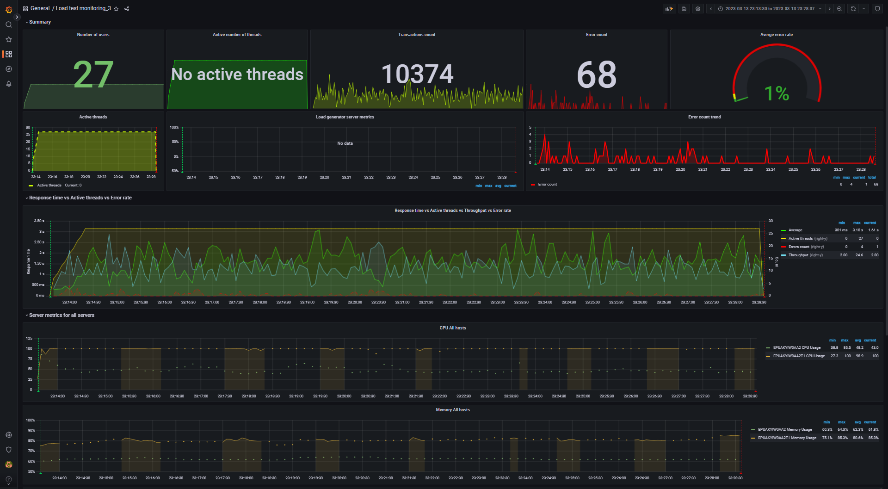
Aggregate report data for 5000_txt_posts (file mode) |  |  |  |  |  |  |  |  | Data converted to digital format
transaction | NumberOfSamples | Average | pct90 | pct95 | pct99 | Min | Max | Error Count | transaction | NumberOfSamples | Average | pct90 | pct95 | pct99 | Min | Max | Error Count
TC_Open Random page >1 | 531 | 1.30 K | 3.05 K | 3.60 K | 6.27 K | 0 | 6.28 K | - | TC_Open Random page >1 | 531 | 1300 | 3050 | 3600 | 6270 | 0 | 6280 | -
TC_Open Random page =1 | 28 | 1.16 K | 3.14 K | 5.65 K | 6.25 K | 112 | 6.25 K | - | TC_Open Random page =1 | 28 | 1160 | 3140 | 5650 | 6250 | 112 | 6250 | -
TC_Open Large Calendar | 481 | 1.26 K | 3.13 K | 5.53 K | 6.85 K | 43 | 6.85 K | - | TC_Open Large Calendar | 481 | 1260 | 3130 | 5530 | 6850 | 43 | 6850 | -
TC_Open Contacts | 211 | 1.14 K | 2.86 K | 4.23 K | 6.00 K | 23 | 6.00 K | - | TC_Open Contacts | 211 | 1140 | 2860 | 4230 | 6000 | 23 | 6000 | -
TC_Ed_Open login page | 4 | 1.00 K | 3.91 K | 3.91 K | 3.91 K | 478 | 3.91 K | - | TC_Ed_Open login page | 4 | 1000 | 3910 | 3910 | 3910 | 478 | 3910 | -
TC_Ed_Open editpost page | 112 | 1.65 K | 3.51 K | 4.27 K | 5.49 K | 17 | 5.50 K | - | TC_Ed_Open editpost page | 112 | 1650 | 3510 | 4270 | 5490 | 17 | 5500 | -
TC_Ed_Open Random post | 112 | 978.69 | 2.13 K | 2.36 K | 2.58 K | 63 | 2.58 K | - | TC_Ed_Open Random post | 112 | 978.69 | 2130 | 2360 | 2580 | 63 | 2580 | -
TC_Ed_Open Predefined Date | 112 | 876.24 | 2.28 K | 2.97 K | 3.47 K | 41 | 3.47 K | - | TC_Ed_Open Predefined Date | 112 | 876.24 | 2280 | 2970 | 3470 | 41 | 3470 | -
TC_Ed_Open Home page | 4 | 233.63 | 622 | 622 | 622 | 88 | 622 | - | TC_Ed_Open Home page | 4 | 233.63 | 622 | 622 | 622 | 88 | 622 | -
TC_Ed_Login | 4 | 794.52 | 2.96 K | 2.96 K | 2.96 K | 37 | 2.96 K | - | TC_Ed_Login | 4 | 794.52 | 2960 | 2960 | 2960 | 37 | 2960 | -
TC_Ed_LogOff | 2 | 1.40 K | 1.42 K | 1.42 K | 1.42 K | 1.39 K | 1.42 K | - | TC_Ed_LogOff | 2 | 1400 | 1420 | 1420 | 1420 | 1390 | 1420 | -
TC_Ad_Open login page | 14 | 2.25 K | 7.22 K | 7.22 K | 7.22 K | 118 | 7.22 K | - | TC_Ad_Open login page | 14 | 2250 | 7220 | 7220 | 7220 | 118 | 7220 | -
TC_Ad_Open Users page | 136 | 2.11 K | 5.58 K | 7.10 K | 8.83 K | 100 | 8.84 K | - | TC_Ad_Open Users page | 136 | 2110 | 5580 | 7100 | 8830 | 100 | 8840 | -
TC_Ad_Open USERS menu | 137 | 989.78 | 2.39 K | 3.75 K | 5.25 K | 0 | 5.25 K | - | TC_Ad_Open USERS menu | 137 | 989.78 | 2390 | 3750 | 5250 | 0 | 5250 | -
TC_Ad_Open Home page | 14 | 939.43 | 2.33 K | 2.44 K | 2.44 K | 244 | 2.44 K | - | TC_Ad_Open Home page | 14 | 939.43 | 2330 | 2440 | 2440 | 244 | 2440 | -
TC_Ad_Open Admin Page | 137 | 911.39 | 2.70 K | 3.70 K | 6.08 K | 6 | 6.08 K | - | TC_Ad_Open Admin Page | 137 | 911.39 | 2700 | 3700 | 6080 | 6 | 6080 | -
TC_Ad_Login | 14 | 1.66 K | 4.15 K | 4.15 K | 4.15 K | 154 | 4.15 K | - | TC_Ad_Login | 14 | 1660 | 4150 | 4150 | 4150 | 154 | 4150 | -
TC_Ad_LogOff | 12 | 1.76 K | 4.55 K | 4.57 K | 4.57 K | 316 | 4.57 K | - | TC_Ad_LogOff | 12 | 1760 | 4550 | 4570 | 4570 | 316 | 4570 | -
TC_Ad_Delete user | 68 | 3.19 K | 8.08 K | 8.38 K | 9.39 K | 283 | 9.39 K | - | TC_Ad_Delete user | 68 | 3190 | 8080 | 8380 | 9390 | 283 | 9390 | -
TC_Ed_Editpost | 112 | 5.34 K | 9.42 K | 10.85 K | 11.25 K | 748 | 11.25 K | 38 | TC_Ed_Editpost | 112 | 5340 | 9420 | 10850 | 11250 | 748 | 11250 | 38
leave a comment | 648 | 2.38 K | 7.04 K | 8.60 K | 11.84 K | 111 | 11.85 K | 12 | leave a comment | 648 | 2380 | 7040 | 8600 | 11840 | 111 | 11850 | 12
Open Random post | 2.13 K | 1.53 K | 4.05 K | 5.90 K | 7.30 K | 36 | 7.30 K | 5 | Open Random post | 2130 | 1530 | 4050 | 5900 | 7300 | 36 | 7300 | 5
TC_Ad_Add user | 68 | 3.51 K | 6.80 K | 9.25 K | 9.57 K | 291 | 9.57 K | 4 | TC_Ad_Add user | 68 | 3510 | 6800 | 9250 | 9570 | 291 | 9570 | 4
TC_Open Home page | 714 | 1.31 K | 3.16 K | 4.31 K | 6.48 K | 0 | 6.48 K | 3 | TC_Open Home page | 714 | 1310 | 3160 | 4310 | 6480 | 0 | 6480 | 3
Open first post | 1.09 K | 1.49 K | 3.64 K | 5.93 K | 7.36 K | 51 | 7.36 K | 2 | Open first post | 1090 | 1490 | 3640 | 5930 | 7360 | 51 | 7360 | 2
TC_start_Open Home page | 112 | 958.87 | 2.37 K | 2.96 K | 5.59 K | 55 | 5.59 K | 1 | TC_start_Open Home page | 112 | 958.87 | 2370 | 2960 | 5590 | 55 | 5590 | 1
TC_Search by Name | 1.41 K | 2.01 K | 4.07 K | 6.40 K | 7.42 K | 0 | 7.42 K | 1 | TC_Search by Name | 1410 | 2010 | 4070 | 6400 | 7420 | 0 | 7420 | 1
TC_Open Random Date | 480 | 1.15 K | 2.56 K | 3.15 K | 5.70 K | 0 | 5.72 K | 1 | TC_Open Random Date | 480 | 1150 | 2560 | 3150 | 5700 | 0 | 5720 | 1
TC_Open Predefined Date | 1.48 K | 1.31 K | 3.27 K | 5.08 K | 7.19 K | 0 | 7.20 K | 1 | TC_Open Predefined Date | 1480 | 1310 | 3270 | 5080 | 7190 | 0 | 7200 | 1

 |  |  |  |  |  |  |  |  | -- Performance Ind. -- | -- Data --
 |  |  |  |  |  |  |  |  | Throughput max (rps) | 24.6
 |  |  |  |  |  |  |  |  | Throughput avg (rps) | 11.4
 |  |  |  |  |  |  |  |  | CPU usage max (%) | 100
 |  |  |  |  |  |  |  |  | CPU usage avg (%) | 98.9
 |  |  |  |  |  |  |  |  | Memory usage max (%) | 85.3
 |  |  |  |  |  |  |  |  | Memory usage avg (%) | 80.6
 |  |  |  |  |  |  |  |  | IIS stopped during the test | N | http://localhost:3000/d/rxKcwpFmk_3/load-test-monitoring_3?orgId=1&from=1678742010189&to=1678742917819&var-group_time=5s&var-metric=All&var-scenario=All&var-transactions=All&var-server_measurements=All&var-host=All&var-measurement=jmeter
 |  |  |  |  |  |  |  |  | An effective duration of test (sec) | 908 | 1678742010189 | 1678742917819

 |  |  |  |  |  |  |  |  | Transactions count | 10374
 |  |  |  |  |  |  |  |  | Error count | 68
 |  |  |  |  |  |  |  |  | Averge error rate (%) | 0.7

1000_img_posts
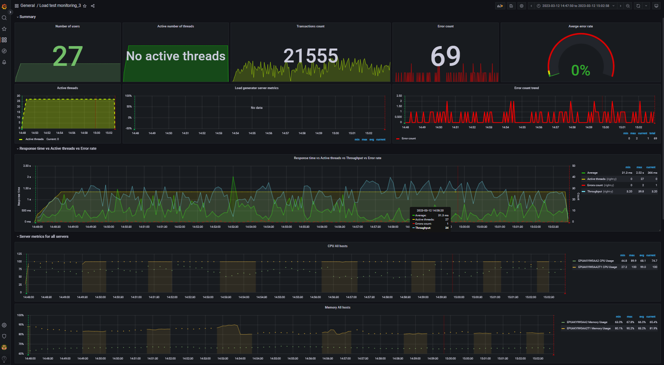
Aggregate report data for 1000_img_posts (file mode) |  |  |  |  |  |  |  |  | Data converted to digital format
transaction | NumberOfSamples | Average | pct90 | pct95 | pct99 | Min | Max | Error Count | transaction | NumberOfSamples | Average | pct90 | pct95 | pct99 | Min | Max | Error Count
TC_start_Open Home page | 216 | 453.45 | 1.23 K | 2.61 K | 4.99 K | 11 | 4.99 K | - | TC_start_Open Home page | 216 | 453.45 | 1230 | 2610 | 4990 | 11 | 4990 | -
TC_Search by Name | 3.10 K | 588.61 | 2.13 K | 3.02 K | 5.25 K | 11 | 5.25 K | - | TC_Search by Name | 3100 | 588.61 | 2130 | 3020 | 5250 | 11 | 5250 | -
TC_Open Random page >1 | 882 | 409.45 | 1.45 K | 2.61 K | 4.40 K | 0 | 4.42 K | - | TC_Open Random page >1 | 882 | 409.45 | 1450 | 2610 | 4400 | 0 | 4420 | -
TC_Open Random page =1 | 89 | 425.74 | 969.2 | 2.32 K | 2.75 K | 14 | 2.75 K | - | TC_Open Random page =1 | 89 | 425.74 | 969.2 | 2320 | 2750 | 14 | 2750 | -
TC_Open Random Date | 1.04 K | 420.31 | 1.36 K | 2.53 K | 5.03 K | 0 | 5.03 K | - | TC_Open Random Date | 1040 | 420.31 | 1360 | 2530 | 5030 | 0 | 5030 | -
TC_Open Predefined Date | 3.03 K | 406.75 | 1.67 K | 2.46 K | 5.06 K | 0 | 5.06 K | - | TC_Open Predefined Date | 3030 | 406.75 | 1670 | 2460 | 5060 | 0 | 5060 | -
TC_Open Large Calendar | 1.06 K | 427.81 | 1.32 K | 2.42 K | 2.96 K | 0 | 2.97 K | - | TC_Open Large Calendar | 1060 | 427.81 | 1320 | 2420 | 2960 | 0 | 2970 | -
TC_Open Contacts | 422 | 422.68 | 1.21 K | 2.76 K | 3.05 K | 0 | 3.06 K | - | TC_Open Contacts | 422 | 422.68 | 1210 | 2760 | 3050 | 0 | 3060 | -
TC_Ed_Open login page | 4 | 247.03 | 828 | 828 | 828 | 70 | 828 | - | TC_Ed_Open login page | 4 | 247.03 | 828 | 828 | 828 | 70 | 828 | -
TC_Ed_Open editpost page | 200 | 545.53 | 1.50 K | 2.99 K | 3.06 K | 10 | 3.06 K | - | TC_Ed_Open editpost page | 200 | 545.53 | 1500 | 2990 | 3060 | 10 | 3060 | -
TC_Ed_Open Random post | 200 | 336.22 | 1.03 K | 1.14 K | 2.01 K | 17 | 2.02 K | - | TC_Ed_Open Random post | 200 | 336.22 | 1030 | 1140 | 2010 | 17 | 2020 | -
TC_Ed_Open Predefined Date | 200 | 341.25 | 854.8 | 1.70 K | 1.99 K | 11 | 1.99 K | - | TC_Ed_Open Predefined Date | 200 | 341.25 | 854.8 | 1700 | 1990 | 11 | 1990 | -
TC_Ed_Open Home page | 4 | 151.14 | 582 | 582 | 582 | 38 | 582 | - | TC_Ed_Open Home page | 4 | 151.14 | 582 | 582 | 582 | 38 | 582 | -
TC_Ed_Login | 4 | 212.04 | 975 | 975 | 975 | 28 | 975 | - | TC_Ed_Login | 4 | 212.04 | 975 | 975 | 975 | 28 | 975 | -
TC_Ed_LogOff | 2 | 905 | 956 | 956 | 956 | 888 | 956 | - | TC_Ed_LogOff | 2 | 905 | 956 | 956 | 956 | 888 | 956 | -
TC_Ad_Open login page | 27 | 1.04 K | 4.14 K | 4.14 K | 4.14 K | 44 | 4.14 K | - | TC_Ad_Open login page | 27 | 1040 | 4140 | 4140 | 4140 | 44 | 4140 | -
TC_Ad_Open USERS menu | 259 | 387.23 | 1.09 K | 2.64 K | 3.21 K | 3 | 3.21 K | - | TC_Ad_Open USERS menu | 259 | 387.23 | 1090 | 2640 | 3210 | 3 | 3210 | -
TC_Ad_Open Home page | 27 | 282.35 | 791 | 936.6 | 999 | 15 | 999 | - | TC_Ad_Open Home page | 27 | 282.35 | 791 | 936.6 | 999 | 15 | 999 | -
TC_Ad_Open Admin Page | 259 | 386.97 | 1.13 K | 2.52 K | 3.40 K | 2 | 3.40 K | - | TC_Ad_Open Admin Page | 259 | 386.97 | 1130 | 2520 | 3400 | 2 | 3400 | -
TC_Ad_Login | 27 | 711.32 | 2.43 K | 2.61 K | 2.61 K | 31 | 2.61 K | - | TC_Ad_Login | 27 | 711.32 | 2430 | 2610 | 2610 | 31 | 2610 | -
TC_Ad_LogOff | 25 | 582.39 | 1.40 K | 2.53 K | 2.81 K | 42 | 2.81 K | - | TC_Ad_LogOff | 25 | 582.39 | 1400 | 2530 | 2810 | 42 | 2810 | -
TC_Ad_Delete user | 128 | 2.72 K | 3.00 K | 96.49 K | 96.49 K | 0 | 96.49 K | - | TC_Ad_Delete user | 128 | 2720 | 3000 | 96490 | 96490 | 0 | 96490 | -
Open first post | 2.33 K | 424.73 | 1.76 K | 2.77 K | 4.61 K | 10 | 4.64 K | - | Open first post | 2330 | 424.73 | 1760 | 2770 | 4610 | 10 | 4640 | -
Open Random post | 4.53 K | 444.98 | 1.95 K | 3.07 K | 5.27 K | 10 | 5.27 K | - | Open Random post | 4530 | 444.98 | 1950 | 3070 | 5270 | 10 | 5270 | -
TC_Ed_Editpost | 199 | 2.12 K | 3.93 K | 4.81 K | 7.41 K | 0 | 7.41 K | 51 | TC_Ed_Editpost | 199 | 2120 | 3930 | 4810 | 7410 | 0 | 7410 | 51
leave a comment | 1.36 K | 584.8 | 2.00 K | 2.70 K | 5.97 K | 9 | 5.98 K | 10 | leave a comment | 1360 | 584.8 | 2000 | 2700 | 5970 | 9 | 5980 | 10
TC_Ad_Add user | 131 | 1.70 K | 4.33 K | 5.08 K | 5.67 K | 28 | 5.67 K | 6 | TC_Ad_Add user | 131 | 1700 | 4330 | 5080 | 5670 | 28 | 5670 | 6
TC_Open Home page | 1.55 K | 407.42 | 1.27 K | 2.53 K | 4.45 K | 11 | 4.47 K | 1 | TC_Open Home page | 1550 | 407.42 | 1270 | 2530 | 4450 | 11 | 4470 | 1
TC_Ad_Open Users page | 259 | 733.14 | 2.15 K | 3.26 K | 5.88 K | 38 | 5.88 K | 1 | TC_Ad_Open Users page | 259 | 733.14 | 2150 | 3260 | 5880 | 38 | 5880 | 1

 |  |  |  |  |  |  |  |  | -- Performance Ind. -- | -- Data --
 |  |  |  |  |  |  |  |  | Throughput max (rps) | 39.8
 |  |  |  |  |  |  |  |  | Throughput avg (rps) | 23.8
 |  |  |  |  |  |  |  |  | CPU usage max (%) | 100
 |  |  |  |  |  |  |  |  | CPU usage avg (%) | 99
 |  |  |  |  |  |  |  |  | Memory usage max (%) | 90.2
 |  |  |  |  |  |  |  |  | Memory usage avg (%) | 83.2
 |  |  |  |  |  |  |  |  | IIS stopped during the test | N | http://localhost:3000/d/rxKcwpFmk_3/load-test-monitoring_3?orgId=1&from=1678625270804&to=1678626178052&var-group_time=5s&var-metric=All&var-scenario=All&var-transactions=All&var-server_measurements=All&var-host=All&var-measurement=jmeter
 |  |  |  |  |  |  |  |  | An effective duration of test (sec) | 907 | 1678625270804 | 1678626178052

 |  |  |  |  |  |  |  |  | Transactions count | 21555
 |  |  |  |  |  |  |  |  | Error count | 69
 |  |  |  |  |  |  |  |  | Averge error rate (%) | 0.3

DB_100_txt_posts
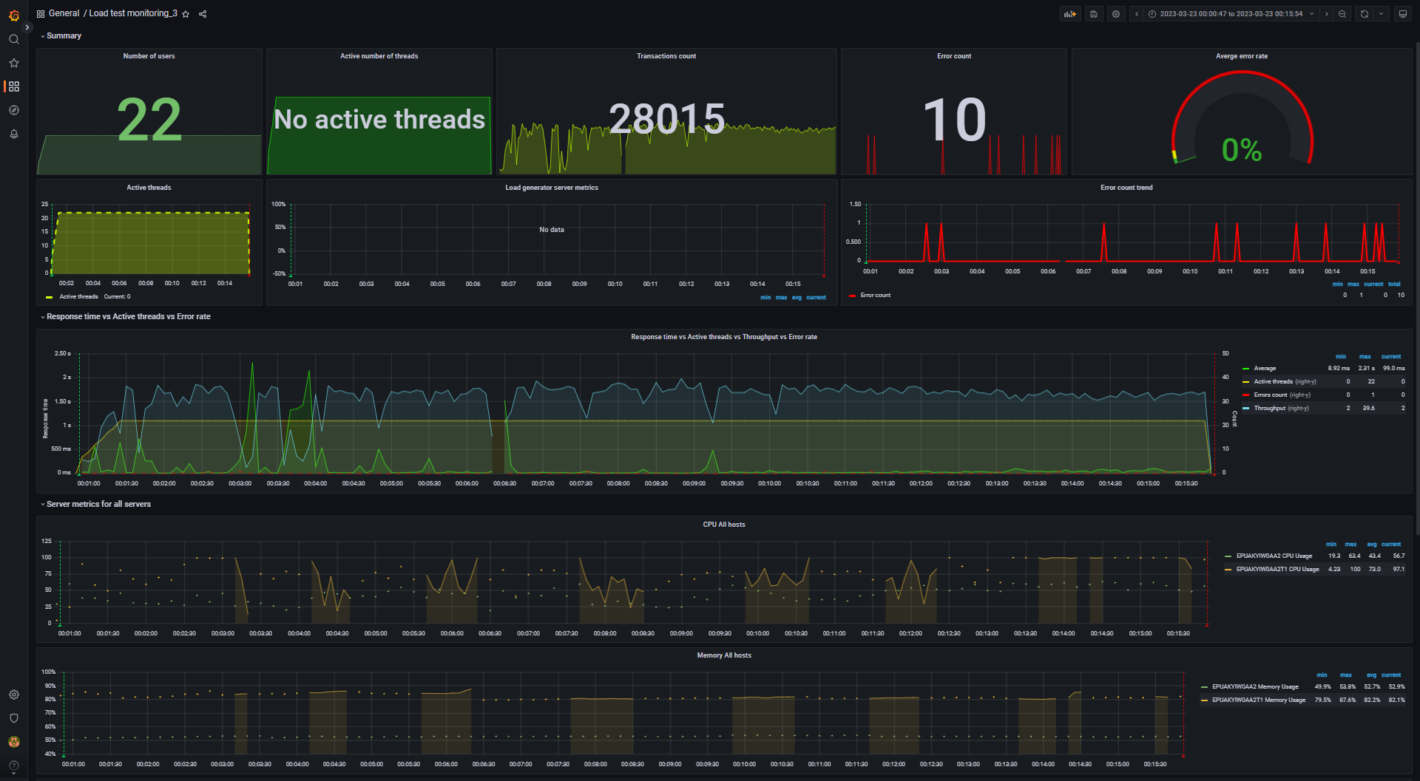
Aggregate report data for 100_txt_posts (DB mode) |  |  |  |  |  |  |  |  | Data converted to digital format
transaction | NumberOfSamples | Average | pct90 | pct95 | pct99 | Min | Max | Error Count | transaction | NumberOfSamples | Average | pct90 | pct95 | pct99 | Min | Max | Error Count
leave a comment | 1.68 K | 115.25 | 571 | 3.91 K | 8.61 K | 9 | 8.61 K | - | leave a comment | 1680 | 115.25 | 571 | 3910 | 8610 | 9 | 8610 | -
TC_start_Open Home page | 283 | 95.83 | 1.19 K | 2.28 K | 2.42 K | 4 | 2.42 K | - | TC_start_Open Home page | 283 | 95.83 | 1190 | 2280 | 2420 | 4 | 2420 | -
TC_Search by Name | 4.19 K | 74.96 | 392.4 | 3.67 K | 11.69 K | 0 | 11.74 K | - | TC_Search by Name | 4190 | 74.96 | 392.4 | 3670 | 11690 | 0 | 11740 | -
TC_Open Random page >1 | 911 | 82.37 | 596.9 | 4.31 K | 7.21 K | 4 | 7.21 K | - | TC_Open Random page >1 | 911 | 82.37 | 596.9 | 4310 | 7210 | 4 | 7210 | -
TC_Open Random page =1 | 84 | 73.15 | 1.04 K | 1.25 K | 1.25 K | 4 | 1.25 K | - | TC_Open Random page =1 | 84 | 73.15 | 1040 | 1250 | 1250 | 4 | 1250 | -
TC_Open Random Date | 1.31 K | 74.85 | 266.5 | 1.52 K | 9.07 K | 2 | 9.15 K | - | TC_Open Random Date | 1310 | 74.85 | 266.5 | 1520 | 9070 | 2 | 9150 | -
TC_Open Predefined Date | 4.16 K | 85.65 | 430.2 | 3.78 K | 11.66 K | 0 | 11.74 K | - | TC_Open Predefined Date | 4160 | 85.65 | 430.2 | 3780 | 11660 | 0 | 11740 | -
TC_Open Large Calendar | 1.31 K | 98.91 | 505.7 | 2.58 K | 11.69 K | 0 | 11.77 K | - | TC_Open Large Calendar | 1310 | 98.91 | 505.7 | 2580 | 11690 | 0 | 11770 | -
TC_Open Home page | 2.07 K | 107.91 | 458 | 4.68 K | 11.28 K | 4 | 11.32 K | - | TC_Open Home page | 2070 | 107.91 | 458 | 4680 | 11280 | 4 | 11320 | -
TC_Open Contacts | 524 | 106.1 | 579.9 | 1.56 K | 9.09 K | 3 | 9.12 K | - | TC_Open Contacts | 524 | 106.1 | 579.9 | 1560 | 9090 | 3 | 9120 | -
TC_Ed_Open login page | 6 | 106.63 | 427 | 427 | 427 | 59 | 427 | - | TC_Ed_Open login page | 6 | 106.63 | 427 | 427 | 427 | 59 | 427 | -
TC_Ed_Open editpost page | 287 | 136.4 | 594.8 | 3.10 K | 6.54 K | 0 | 6.54 K | - | TC_Ed_Open editpost page | 287 | 136.4 | 594.8 | 3100 | 6540 | 0 | 6540 | -
TC_Ed_Open Random post | 287 | 76.25 | 622 | 902.6 | 3.99 K | 5 | 3.99 K | - | TC_Ed_Open Random post | 287 | 76.25 | 622 | 902.6 | 3990 | 5 | 3990 | -
TC_Ed_Open Predefined Date | 287 | 119.97 | 810.1 | 3.65 K | 3.94 K | 4 | 3.94 K | - | TC_Ed_Open Predefined Date | 287 | 119.97 | 810.1 | 3650 | 3940 | 4 | 3940 | -
TC_Ed_Open Home page | 6 | 12.71 | 59 | 59 | 59 | 7 | 59 | - | TC_Ed_Open Home page | 6 | 12.71 | 59 | 59 | 59 | 7 | 59 | -
TC_Ed_Login | 6 | 19.43 | 63 | 63 | 63 | 11 | 63 | - | TC_Ed_Login | 6 | 19.43 | 63 | 63 | 63 | 11 | 63 | -
TC_Ed_LogOff | 4 | 11.54 | 14 | 14 | 14 | 8 | 14 | - | TC_Ed_LogOff | 4 | 11.54 | 14 | 14 | 14 | 8 | 14 | -
TC_Ad_Open login page | 47 | 168.39 | 1.46 K | 1.46 K | 1.46 K | 43 | 1.46 K | - | TC_Ad_Open login page | 47 | 168.39 | 1460 | 1460 | 1460 | 43 | 1460 | -
TC_Ad_Open Users page | 454 | 231.99 | 1.56 K | 3.51 K | 9.43 K | 10 | 9.46 K | - | TC_Ad_Open Users page | 454 | 231.99 | 1560 | 3510 | 9430 | 10 | 9460 | -
TC_Ad_Open USERS menu | 454 | 30.92 | 85.1 | 565.5 | 1.33 K | 2 | 1.33 K | - | TC_Ad_Open USERS menu | 454 | 30.92 | 85.1 | 565.5 | 1330 | 2 | 1330 | -
TC_Ad_Open Home page | 47 | 62.87 | 560.6 | 648 | 648 | 4 | 648 | - | TC_Ad_Open Home page | 47 | 62.87 | 560.6 | 648 | 648 | 4 | 648 | -
TC_Ad_Open Admin Page | 455 | 106.8 | 253.4 | 3.21 K | 11.68 K | 0 | 11.68 K | - | TC_Ad_Open Admin Page | 455 | 106.8 | 253.4 | 3210 | 11680 | 0 | 11680 | -
TC_Ad_Login | 47 | 69.63 | 678 | 678 | 678 | 10 | 678 | - | TC_Ad_Login | 47 | 69.63 | 678 | 678 | 678 | 10 | 678 | -
TC_Ad_LogOff | 45 | 212.47 | 2.40 K | 2.65 K | 2.65 K | 6 | 2.65 K | - | TC_Ad_LogOff | 45 | 212.47 | 2400 | 2650 | 2650 | 6 | 2650 | -
TC_Ad_Delete user | 225 | 212.9 | 1.37 K | 1.91 K | 9.18 K | 8 | 9.18 K | - | TC_Ad_Delete user | 225 | 212.9 | 1370 | 1910 | 9180 | 8 | 9180 | -
Open first post | 2.83 K | 115.61 | 1.02 K | 4.41 K | 11.74 K | 4 | 11.74 K | - | Open first post | 2830 | 115.61 | 1020 | 4410 | 11740 | 4 | 11740 | -
TC_Ed_Editpost | 286 | 527.69 | 3.72 K | 6.24 K | 10.99 K | 25 | 10.99 K | 7 | TC_Ed_Editpost | 286 | 527.69 | 3720 | 6240 | 10990 | 25 | 10990 | 7
TC_Ad_Add user | 229 | 286.72 | 1.68 K | 4.28 K | 7.00 K | 9 | 7.00 K | 2 | TC_Ad_Add user | 229 | 286.72 | 1680 | 4280 | 7000 | 9 | 7000 | 2
Open Random post | 5.49 K | 66.95 | 314.9 | 1.91 K | 11.65 K | 4 | 11.70 K | 1 | Open Random post | 5490 | 66.95 | 314.9 | 1910 | 11650 | 4 | 11700 | 1

 |  |  |  |  |  |  |  |  | -- Performance Ind. -- | -- Data --
 |  |  |  |  |  |  |  |  | Throughput max (rps) | 39.6
 |  |  |  |  |  |  |  |  | Throughput avg (rps) | 31.1
 |  |  |  |  |  |  |  |  | CPU usage max (%) | 100
 |  |  |  |  |  |  |  |  | CPU usage avg (%) | 73
 |  |  |  |  |  |  |  |  | Memory usage max (%) | 87.6
 |  |  |  |  |  |  |  |  | Memory usage avg (%) | 82.2
 |  |  |  |  |  |  |  |  | IIS stopped during the test | N | http://localhost:3000/d/rxKcwpFmk_3/load-test-monitoring_3?orgId=1&from=1679522447857&to=1679523354401&var-group_time=5s&var-metric=All&var-scenario=All&var-transactions=All&var-server_measurements=All&var-host=All&var-measurement=jmeter
 |  |  |  |  |  |  |  |  | An effective duration of test (sec) | 907 | 1679522447857 | 1679523354401

 |  |  |  |  |  |  |  |  | Transactions count | 28015
 |  |  |  |  |  |  |  |  | Error count | 10
 |  |  |  |  |  |  |  |  | Averge error rate (%) | 0.0

DB_1000_txt_posts
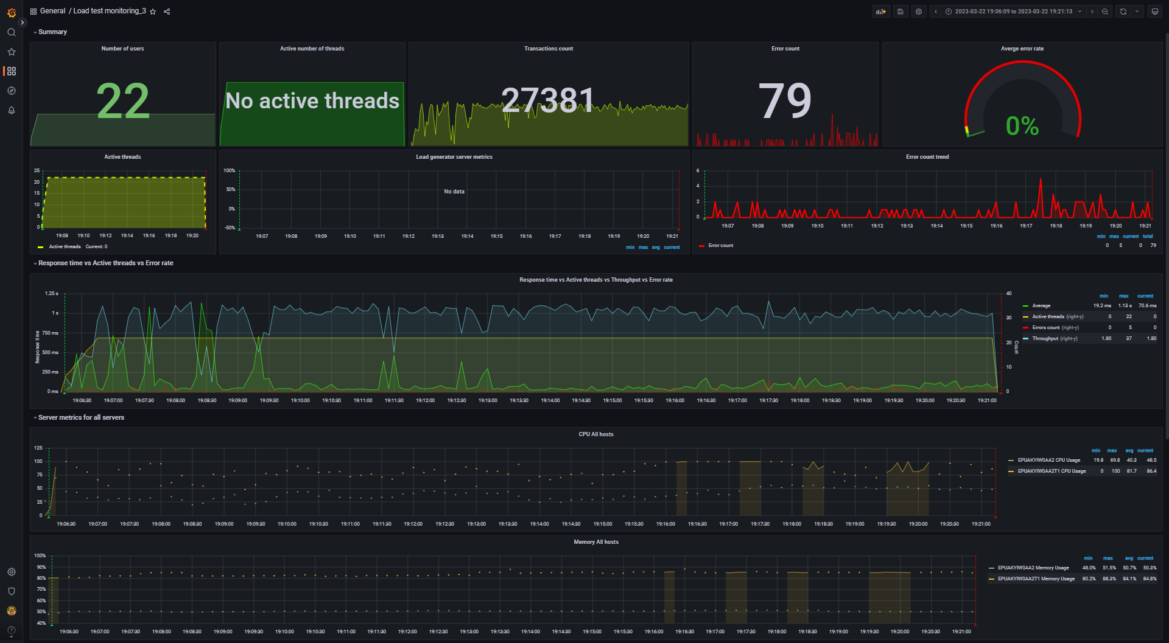
Aggregate report data for 1000_txt_posts (DB mode) |  |  |  |  |  |  |  |  | Data converted to digital format
transaction | NumberOfSamples | Average | pct90 | pct95 | pct99 | Min | Max | Error Count | transaction | NumberOfSamples | Average | pct90 | pct95 | pct99 | Min | Max | Error Count
TC_start_Open Home page | 267 | 104.77 | 793 | 2.48 K | 2.59 K | 5 | 2.59 K | - | TC_start_Open Home page | 267 | 104.77 | 793 | 2480 | 2590 | 5 | 2590 | -
TC_Search by Name | 3.83 K | 160.45 | 795.5 | 1.57 K | 4.38 K | 0 | 4.38 K | - | TC_Search by Name | 3830 | 160.45 | 795.5 | 1570 | 4380 | 0 | 4380 | -
TC_Open Random page >1 | 1.02 K | 81.88 | 545.1 | 1.43 K | 1.91 K | 5 | 1.91 K | - | TC_Open Random page >1 | 1020 | 81.88 | 545.1 | 1430 | 1910 | 5 | 1910 | -
TC_Open Random page =1 | 4 | 466.38 | 794 | 794 | 794 | 6 | 794 | - | TC_Open Random page =1 | 4 | 466.38 | 794 | 794 | 794 | 6 | 794 | -
TC_Open Random Date | 1.33 K | 83.74 | 314.6 | 1.57 K | 4.39 K | 3 | 4.39 K | - | TC_Open Random Date | 1330 | 83.74 | 314.6 | 1570 | 4390 | 3 | 4390 | -
TC_Open Predefined Date | 3.81 K | 94.02 | 718.7 | 3.24 K | 4.42 K | 0 | 4.42 K | - | TC_Open Predefined Date | 3810 | 94.02 | 718.7 | 3240 | 4420 | 0 | 4420 | -
TC_Open Large Calendar | 1.28 K | 105.26 | 733.6 | 1.77 K | 3.83 K | 0 | 3.83 K | - | TC_Open Large Calendar | 1280 | 105.26 | 733.6 | 1770 | 3830 | 0 | 3830 | -
TC_Open Home page | 1.95 K | 86.94 | 558.2 | 1.55 K | 4.25 K | 0 | 4.25 K | - | TC_Open Home page | 1950 | 86.94 | 558.2 | 1550 | 4250 | 0 | 4250 | -
TC_Open Contacts | 496 | 102.96 | 772.3 | 1.56 K | 3.89 K | 4 | 3.89 K | - | TC_Open Contacts | 496 | 102.96 | 772.3 | 1560 | 3890 | 4 | 3890 | -
TC_Ed_Open login page | 6 | 132.15 | 278 | 278 | 278 | 59 | 278 | - | TC_Ed_Open login page | 6 | 132.15 | 278 | 278 | 278 | 59 | 278 | -
TC_Ed_Open editpost page | 283 | 180.82 | 1.46 K | 3.16 K | 5.76 K | 3 | 5.76 K | - | TC_Ed_Open editpost page | 283 | 180.82 | 1460 | 3160 | 5760 | 3 | 5760 | -
TC_Ed_Open Random post | 283 | 133.09 | 774.3 | 4.26 K | 4.30 K | 6 | 4.30 K | - | TC_Ed_Open Random post | 283 | 133.09 | 774.3 | 4260 | 4300 | 6 | 4300 | -
TC_Ed_Open Predefined Date | 283 | 80.3 | 579.3 | 658.65 | 946 | 5 | 946 | - | TC_Ed_Open Predefined Date | 283 | 80.3 | 579.3 | 658.65 | 946 | 5 | 946 | -
TC_Ed_Open Home page | 6 | 41.96 | 143 | 143 | 143 | 7 | 143 | - | TC_Ed_Open Home page | 6 | 41.96 | 143 | 143 | 143 | 7 | 143 | -
TC_Ed_Login | 6 | 51.44 | 130 | 130 | 130 | 20 | 130 | - | TC_Ed_Login | 6 | 51.44 | 130 | 130 | 130 | 20 | 130 | -
TC_Ed_LogOff | 4 | 111.1 | 205 | 205 | 205 | 7 | 205 | - | TC_Ed_LogOff | 4 | 111.1 | 205 | 205 | 205 | 7 | 205 | -
TC_Ad_Open login page | 44 | 233.57 | 2.01 K | 2.01 K | 2.01 K | 42 | 2.01 K | - | TC_Ad_Open login page | 44 | 233.57 | 2010 | 2010 | 2010 | 42 | 2010 | -
TC_Ad_Open Users page | 438 | 276.27 | 2.20 K | 4.32 K | 6.06 K | 11 | 6.06 K | - | TC_Ad_Open Users page | 438 | 276.27 | 2200 | 4320 | 6060 | 11 | 6060 | -
TC_Ad_Open USERS menu | 438 | 99.48 | 805.8 | 1.43 K | 2.08 K | 2 | 2.08 K | - | TC_Ad_Open USERS menu | 438 | 99.48 | 805.8 | 1430 | 2080 | 2 | 2080 | -
TC_Ad_Open Home page | 44 | 135.68 | 1.24 K | 1.24 K | 1.24 K | 5 | 1.24 K | - | TC_Ad_Open Home page | 44 | 135.68 | 1240 | 1240 | 1240 | 5 | 1240 | -
TC_Ad_Open Admin Page | 438 | 88.57 | 261.8 | 1.12 K | 4.25 K | 1 | 4.25 K | - | TC_Ad_Open Admin Page | 438 | 88.57 | 261.8 | 1120 | 4250 | 1 | 4250 | -
TC_Ad_Login | 44 | 79.01 | 358.2 | 475 | 475 | 11 | 475 | - | TC_Ad_Login | 44 | 79.01 | 358.2 | 475 | 475 | 11 | 475 | -
TC_Ad_LogOff | 42 | 168.29 | 495 | 1.94 K | 1.94 K | 8 | 1.94 K | - | TC_Ad_LogOff | 42 | 168.29 | 495 | 1940 | 1940 | 8 | 1940 | -
TC_Ad_Delete user | 217 | 311.74 | 1.54 K | 3.58 K | 3.58 K | 9 | 3.58 K | - | TC_Ad_Delete user | 217 | 311.74 | 1540 | 3580 | 3580 | 9 | 3580 | -
TC_Ad_Add user | 220 | 348.14 | 2.50 K | 3.73 K | 3.73 K | 9 | 3.73 K | - | TC_Ad_Add user | 220 | 348.14 | 2500 | 3730 | 3730 | 9 | 3730 | -
TC_Ed_Editpost | 283 | 657.06 | 3.52 K | 4.31 K | 6.00 K | 0 | 6.00 K | 43 | TC_Ed_Editpost | 283 | 657.06 | 3520 | 4310 | 6000 | 0 | 6000 | 43
Open Random post | 5.66 K | 89.97 | 676.8 | 1.91 K | 4.57 K | 1 | 4.57 K | 18 | Open Random post | 5660 | 89.97 | 676.8 | 1910 | 4570 | 1 | 4570 | 18
leave a comment | 1.71 K | 128.78 | 704.7 | 1.13 K | 4.43 K | 0 | 4.43 K | 11 | leave a comment | 1710 | 128.78 | 704.7 | 1130 | 4430 | 0 | 4430 | 11
Open first post | 2.95 K | 95.89 | 582.3 | 1.43 K | 4.57 K | 0 | 4.58 K | 7 | Open first post | 2950 | 95.89 | 582.3 | 1430 | 4570 | 0 | 4580 | 7

 |  |  |  |  |  |  |  |  | -- Performance Ind. -- | -- Data --
 |  |  |  |  |  |  |  |  | Throughput max (rps) | 37
 |  |  |  |  |  |  |  |  | Throughput avg (rps) | 30.2
 |  |  |  |  |  |  |  |  | CPU usage max (%) | 100
 |  |  |  |  |  |  |  |  | CPU usage avg (%) | 81.7
 |  |  |  |  |  |  |  |  | Memory usage max (%) | 88.3
 |  |  |  |  |  |  |  |  | Memory usage avg (%) | 84.1
 |  |  |  |  |  |  |  |  | IIS stopped during the test | N | http://localhost:3000/d/rxKcwpFmk_3/load-test-monitoring_3?orgId=1&from=1679504769356&to=1679505673931&var-group_time=5s&var-metric=All&var-scenario=All&var-transactions=All&var-server_measurements=All&var-host=All&var-measurement=jmeter
 |  |  |  |  |  |  |  |  | An effective duration of test (sec) | 905 | 1679504769356 | 1679505673931

 |  |  |  |  |  |  |  |  | Transactions count | 27381
 |  |  |  |  |  |  |  |  | Error count | 79
 |  |  |  |  |  |  |  |  | Averge error rate (%) | 0.3

DB_2000_txt_posts
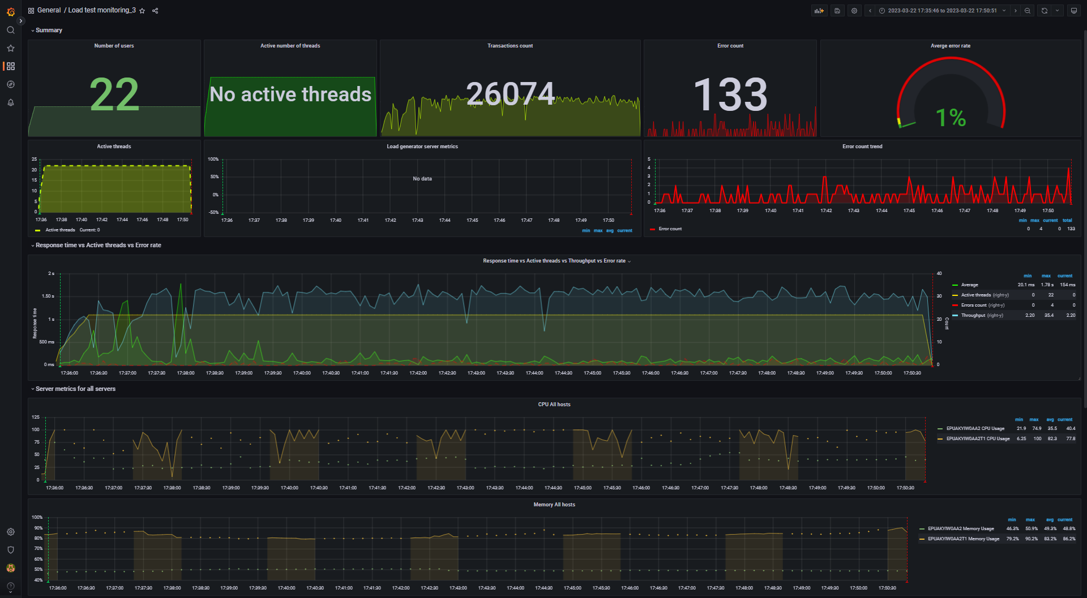
Aggregate report data for 2000_txt_posts (DB mode) |  |  |  |  |  |  |  |  | Data converted to digital format
transaction | NumberOfSamples | Average | pct90 | pct95 | pct99 | Min | Max | Error Count | transaction | NumberOfSamples | Average | pct90 | pct95 | pct99 | Min | Max | Error Count
TC_start_Open Home page | 253 | 84.12 | 215 | 1.11 K | 1.65 K | 5 | 1.65 K | - | TC_start_Open Home page | 253 | 84.12 | 215 | 1110 | 1650 | 5 | 1650 | -
TC_Search by Name | 3.65 K | 226.69 | 807 | 1.72 K | 4.15 K | 5 | 4.16 K | - | TC_Search by Name | 3650 | 226.69 | 807 | 1720 | 4150 | 5 | 4160 | -
TC_Open Random page >1 | 922 | 115.73 | 686.4 | 1.77 K | 5.34 K | 6 | 5.34 K | - | TC_Open Random page >1 | 922 | 115.73 | 686.4 | 1770 | 5340 | 6 | 5340 | -
TC_Open Random page =1 | 6 | 35.64 | 53 | 80 | 80 | 10 | 80 | - | TC_Open Random page =1 | 6 | 35.64 | 53 | 80 | 80 | 10 | 80 | -
TC_Open Random Date | 1.23 K | 110.54 | 782.4 | 1.95 K | 5.30 K | 3 | 5.31 K | - | TC_Open Random Date | 1230 | 110.54 | 782.4 | 1950 | 5300 | 3 | 5310 | -
TC_Open Predefined Date | 3.70 K | 107.03 | 557.7 | 1.98 K | 5.27 K | 0 | 5.27 K | - | TC_Open Predefined Date | 3700 | 107.03 | 557.7 | 1980 | 5270 | 0 | 5270 | -
TC_Open Large Calendar | 1.29 K | 103.63 | 654.5 | 1.89 K | 3.06 K | 5 | 3.06 K | - | TC_Open Large Calendar | 1290 | 103.63 | 654.5 | 1890 | 3060 | 5 | 3060 | -
TC_Open Home page | 1.79 K | 113.52 | 897 | 1.89 K | 5.18 K | 5 | 5.21 K | - | TC_Open Home page | 1790 | 113.52 | 897 | 1890 | 5180 | 5 | 5210 | -
TC_Open Contacts | 505 | 143.5 | 1.54 K | 1.71 K | 2.01 K | 0 | 2.01 K | - | TC_Open Contacts | 505 | 143.5 | 1540 | 1710 | 2010 | 0 | 2010 | -
TC_Ed_Open login page | 6 | 103.52 | 174 | 174 | 174 | 56 | 174 | - | TC_Ed_Open login page | 6 | 103.52 | 174 | 174 | 174 | 56 | 174 | -
TC_Ed_Open Random post | 272 | 128.25 | 757.3 | 1.48 K | 2.74 K | 0 | 2.76 K | - | TC_Ed_Open Random post | 272 | 128.25 | 757.3 | 1480 | 2740 | 0 | 2760 | -
TC_Ed_Open Predefined Date | 272 | 93.16 | 860.2 | 956.45 | 1.05 K | 4 | 1.05 K | - | TC_Ed_Open Predefined Date | 272 | 93.16 | 860.2 | 956.45 | 1050 | 4 | 1050 | -
TC_Ed_Open Home page | 6 | 25.21 | 166 | 166 | 166 | 8 | 166 | - | TC_Ed_Open Home page | 6 | 25.21 | 166 | 166 | 166 | 8 | 166 | -
TC_Ed_Login | 6 | 40.07 | 44 | 418 | 418 | 16 | 418 | - | TC_Ed_Login | 6 | 40.07 | 44 | 418 | 418 | 16 | 418 | -
TC_Ed_LogOff | 4 | 172.94 | 297 | 297 | 297 | 11 | 297 | - | TC_Ed_LogOff | 4 | 172.94 | 297 | 297 | 297 | 11 | 297 | -
TC_Ad_Open login page | 44 | 183.26 | 849.2 | 1.24 K | 1.24 K | 43 | 1.24 K | - | TC_Ad_Open login page | 44 | 183.26 | 849.2 | 1240 | 1240 | 43 | 1240 | -
TC_Ad_Open Users page | 427 | 265.07 | 2.36 K | 3.90 K | 4.78 K | 0 | 4.78 K | - | TC_Ad_Open Users page | 427 | 265.07 | 2360 | 3900 | 4780 | 0 | 4780 | -
TC_Ad_Open USERS menu | 427 | 115.53 | 575.4 | 1.59 K | 5.25 K | 2 | 5.25 K | - | TC_Ad_Open USERS menu | 427 | 115.53 | 575.4 | 1590 | 5250 | 2 | 5250 | -
TC_Ad_Open Home page | 44 | 94.46 | 889 | 889 | 889 | 6 | 889 | - | TC_Ad_Open Home page | 44 | 94.46 | 889 | 889 | 889 | 6 | 889 | -
TC_Ad_Open Admin Page | 428 | 110.17 | 926.9 | 1.48 K | 2.71 K | 0 | 2.71 K | - | TC_Ad_Open Admin Page | 428 | 110.17 | 926.9 | 1480 | 2710 | 0 | 2710 | -
TC_Ad_Login | 44 | 93.06 | 556.2 | 761 | 761 | 10 | 761 | - | TC_Ad_Login | 44 | 93.06 | 556.2 | 761 | 761 | 10 | 761 | -
TC_Ad_LogOff | 42 | 172.24 | 876 | 876 | 876 | 7 | 876 | - | TC_Ad_LogOff | 42 | 172.24 | 876 | 876 | 876 | 7 | 876 | -
TC_Ad_Delete user | 213 | 333.53 | 1.53 K | 3.71 K | 7.03 K | 7 | 7.03 K | - | TC_Ad_Delete user | 213 | 333.53 | 1530 | 3710 | 7030 | 7 | 7030 | -
TC_Ad_Add user | 213 | 360.83 | 2.04 K | 3.00 K | 3.06 K | 8 | 3.06 K | - | TC_Ad_Add user | 213 | 360.83 | 2040 | 3000 | 3060 | 8 | 3060 | -
TC_Ed_Editpost | 271 | 800.41 | 3.23 K | 7.71 K | 7.78 K | 0 | 7.78 K | 86 | TC_Ed_Editpost | 271 | 800.41 | 3230 | 7710 | 7780 | 0 | 7780 | 86
Open Random post | 5.28 K | 115.73 | 660.2 | 2.41 K | 5.29 K | 1 | 5.29 K | 26 | Open Random post | 5280 | 115.73 | 660.2 | 2410 | 5290 | 1 | 5290 | 26
leave a comment | 1.66 K | 189.45 | 1.00 K | 2.14 K | 5.90 K | 0 | 5.90 K | 13 | leave a comment | 1660 | 189.45 | 1000 | 2140 | 5900 | 0 | 5900 | 13
Open first post | 2.80 K | 114.24 | 929.3 | 1.69 K | 5.20 K | 0 | 5.20 K | 7 | Open first post | 2800 | 114.24 | 929.3 | 1690 | 5200 | 0 | 5200 | 7
TC_Ed_Open editpost page | 271 | 233.14 | 1.51 K | 3.60 K | 7.19 K | 2 | 7.19 K | 1 | TC_Ed_Open editpost page | 271 | 233.14 | 1510 | 3600 | 7190 | 2 | 7190 | 1

 |  |  |  |  |  |  |  |  | -- Performance Ind. -- | -- Data --
 |  |  |  |  |  |  |  |  | Throughput max (rps) | 35.4
 |  |  |  |  |  |  |  |  | Throughput avg (rps) | 28.8
 |  |  |  |  |  |  |  |  | CPU usage max (%) | 100
 |  |  |  |  |  |  |  |  | CPU usage avg (%) | 82.3
 |  |  |  |  |  |  |  |  | Memory usage max (%) | 90.2
 |  |  |  |  |  |  |  |  | Memory usage avg (%) | 83.2
 |  |  |  |  |  |  |  |  | IIS stopped during the test | N | http://localhost:3000/d/rxKcwpFmk_3/load-test-monitoring_3?orgId=1&from=1679499346301&to=1679500251026&var-group_time=5s&var-metric=All&var-scenario=All&var-transactions=All&var-server_measurements=All&var-host=All&var-measurement=jmeter
 |  |  |  |  |  |  |  |  | An effective duration of test (sec) | 905 | 1679499346301 | 1679500251026

 |  |  |  |  |  |  |  |  | Transactions count | 26074
 |  |  |  |  |  |  |  |  | Error count | 133
 |  |  |  |  |  |  |  |  | Averge error rate (%) | 0.5

DB_5000_txt_posts
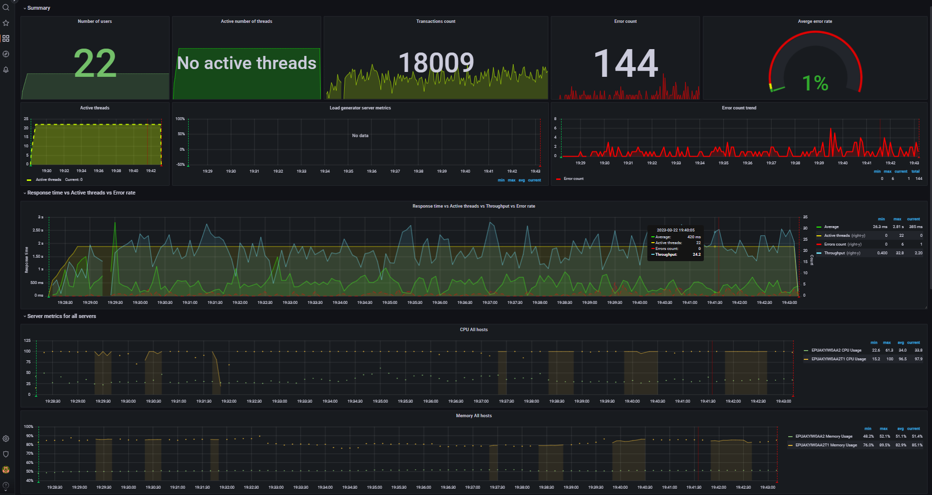
Aggregate report data for 5000_txt_posts (DB mode) |  |  |  |  |  |  |  |  | Data converted to digital format
transaction | NumberOfSamples | Average | pct90 | pct95 | pct99 | Min | Max | Error Count | transaction | NumberOfSamples | Average | pct90 | pct95 | pct99 | Min | Max | Error Count
TC_start_Open Home page | 176 | 453.07 | 3.61 K | 5.52 K | 5.56 K | 10 | 5.56 K | - | TC_start_Open Home page | 176 | 453.07 | 3610 | 5520 | 5560 | 10 | 5560 | -
TC_Search by Name | 2.52 K | 843.89 | 2.20 K | 4.28 K | 11.75 K | 0 | 11.75 K | - | TC_Search by Name | 2520 | 843.89 | 2200 | 4280 | 11750 | 0 | 11750 | -
TC_Open Random page >1 | 602 | 256.49 | 993.5 | 3.21 K | 11.50 K | 9 | 11.50 K | - | TC_Open Random page >1 | 602 | 256.49 | 993.5 | 3210 | 11500 | 9 | 11500 | -
TC_Open Random Date | 806 | 304.58 | 1.00 K | 6.59 K | 11.37 K | 4 | 11.37 K | - | TC_Open Random Date | 806 | 304.58 | 1000 | 6590 | 11370 | 4 | 11370 | -
TC_Open Predefined Date | 2.55 K | 230.23 | 826.4 | 4.01 K | 11.55 K | 0 | 11.56 K | - | TC_Open Predefined Date | 2550 | 230.23 | 826.4 | 4010 | 11550 | 0 | 11560 | -
TC_Open Large Calendar | 817 | 226.33 | 764.2 | 1.06 K | 11.36 K | 10 | 11.36 K | - | TC_Open Large Calendar | 817 | 226.33 | 764.2 | 1060 | 11360 | 10 | 11360 | -
TC_Open Home page | 1.24 K | 237.79 | 826.3 | 3.18 K | 11.55 K | 9 | 11.55 K | - | TC_Open Home page | 1240 | 237.79 | 826.3 | 3180 | 11550 | 9 | 11550 | -
TC_Open Contacts | 280 | 225.03 | 547.8 | 1.86 K | 2.79 K | 4 | 2.79 K | - | TC_Open Contacts | 280 | 225.03 | 547.8 | 1860 | 2790 | 4 | 2790 | -
TC_Ed_Open login page | 6 | 325.33 | 1.50 K | 1.50 K | 1.50 K | 58 | 1.50 K | - | TC_Ed_Open login page | 6 | 325.33 | 1500 | 1500 | 1500 | 58 | 1500 | -
TC_Ed_Open Random post | 210 | 267.76 | 1.13 K | 1.34 K | 2.53 K | 8 | 2.53 K | - | TC_Ed_Open Random post | 210 | 267.76 | 1130 | 1340 | 2530 | 8 | 2530 | -
TC_Ed_Open Predefined Date | 212 | 384.77 | 1.46 K | 9.90 K | 11.33 K | 5 | 11.33 K | - | TC_Ed_Open Predefined Date | 212 | 384.77 | 1460 | 9900 | 11330 | 5 | 11330 | -
TC_Ed_Open Home page | 6 | 114.49 | 238 | 238 | 238 | 25 | 238 | - | TC_Ed_Open Home page | 6 | 114.49 | 238 | 238 | 238 | 25 | 238 | -
TC_Ed_Login | 6 | 149.01 | 856 | 856 | 856 | 20 | 856 | - | TC_Ed_Login | 6 | 149.01 | 856 | 856 | 856 | 20 | 856 | -
TC_Ed_LogOff | 4 | 444.17 | 635 | 635 | 635 | 348 | 635 | - | TC_Ed_LogOff | 4 | 444.17 | 635 | 635 | 635 | 348 | 635 | -
TC_Ad_Open login page | 34 | 527.81 | 1.67 K | 1.84 K | 1.84 K | 41 | 1.84 K | - | TC_Ad_Open login page | 34 | 527.81 | 1670 | 1840 | 1840 | 41 | 1840 | -
TC_Ad_Open Users page | 336 | 654.75 | 4.37 K | 6.85 K | 11.37 K | 12 | 11.37 K | - | TC_Ad_Open Users page | 336 | 654.75 | 4370 | 6850 | 11370 | 12 | 11370 | -
TC_Ad_Open USERS menu | 336 | 327.77 | 1.08 K | 4.55 K | 4.55 K | 2 | 4.55 K | - | TC_Ad_Open USERS menu | 336 | 327.77 | 1080 | 4550 | 4550 | 2 | 4550 | -
TC_Ad_Open Home page | 34 | 164.14 | 896 | 896 | 896 | 11 | 896 | - | TC_Ad_Open Home page | 34 | 164.14 | 896 | 896 | 896 | 11 | 896 | -
TC_Ad_Open Admin Page | 336 | 294.43 | 1.00 K | 3.94 K | 3.94 K | 2 | 3.94 K | - | TC_Ad_Open Admin Page | 336 | 294.43 | 1000 | 3940 | 3940 | 2 | 3940 | -
TC_Ad_Login | 34 | 388.79 | 2.09 K | 2.47 K | 2.47 K | 16 | 2.47 K | - | TC_Ad_Login | 34 | 388.79 | 2090 | 2470 | 2470 | 16 | 2470 | -
TC_Ad_LogOff | 32 | 365.59 | 1.24 K | 1.24 K | 1.24 K | 14 | 1.24 K | - | TC_Ad_LogOff | 32 | 365.59 | 1240 | 1240 | 1240 | 14 | 1240 | -
TC_Ad_Delete user | 172 | 832.44 | 2.87 K | 12.23 K | 12.23 K | 12 | 12.23 K | - | TC_Ad_Delete user | 172 | 832.44 | 2870 | 12230 | 12230 | 12 | 12230 | -
TC_Ed_Editpost | 211 | 2.28 K | 7.24 K | 8.67 K | 8.67 K | 258 | 8.67 K | 98 | TC_Ed_Editpost | 211 | 2280 | 7240 | 8670 | 8670 | 258 | 8670 | 98
leave a comment | 1.07 K | 1.47 K | 4.84 K | 6.48 K | 11.66 K | 0 | 11.66 K | 19 | leave a comment | 1070 | 1470 | 4840 | 6480 | 11660 | 0 | 11660 | 19
Open Random post | 3.72 K | 377.86 | 1.74 K | 3.72 K | 11.55 K | 0 | 11.55 K | 13 | Open Random post | 3720 | 377.86 | 1740 | 3720 | 11550 | 0 | 11550 | 13
Open first post | 1.89 K | 346.86 | 1.35 K | 4.09 K | 8.56 K | 0 | 8.56 K | 9 | Open first post | 1890 | 346.86 | 1350 | 4090 | 8560 | 0 | 8560 | 9
TC_Ed_Open editpost page | 212 | 587.67 | 2.00 K | 13.23 K | 14.24 K | 0 | 14.24 K | 4 | TC_Ed_Open editpost page | 212 | 587.67 | 2000 | 13230 | 14240 | 0 | 14240 | 4
TC_Ad_Add user | 162 | 917.48 | 2.04 K | 3.18 K | 4.15 K | 26 | 4.15 K | 1 | TC_Ad_Add user | 162 | 917.48 | 2040 | 3180 | 4150 | 26 | 4150 | 1
TC_Open Random page =1 |  |  |  |  |  |  |  |  | TC_Open Random page =1 | 0 | 0 | 0 | 0 | 0 | 0 | 0 | 0

 |  |  |  |  |  |  |  |  | -- Performance Ind. -- | -- Data --
 |  |  |  |  |  |  |  |  | Throughput max (rps) | 32.8
 |  |  |  |  |  |  |  |  | Throughput avg (rps) | 20
 |  |  |  |  |  |  |  |  | CPU usage max (%) | 100
 |  |  |  |  |  |  |  |  | CPU usage avg (%) | 96.5
 |  |  |  |  |  |  |  |  | Memory usage max (%) | 89.5
 |  |  |  |  |  |  |  |  | Memory usage avg (%) | 82.9
 |  |  |  |  |  |  |  |  | IIS stopped during the test | N | http://localhost:3000/d/rxKcwpFmk_3/load-test-monitoring_3?orgId=1&from=1679506085780&to=1679506992175&var-group_time=5s&var-metric=All&var-scenario=All&var-transactions=All&var-server_measurements=All&var-host=All&var-measurement=jmeter
 |  |  |  |  |  |  |  |  | An effective duration of test (sec) | 906 | 1679506085780 | 1679506992175

 |  |  |  |  |  |  |  |  | Transactions count | 18009
 |  |  |  |  |  |  |  |  | Error count | 144
 |  |  |  |  |  |  |  |  | Averge error rate (%) | 0.8

DB_1000_img_posts
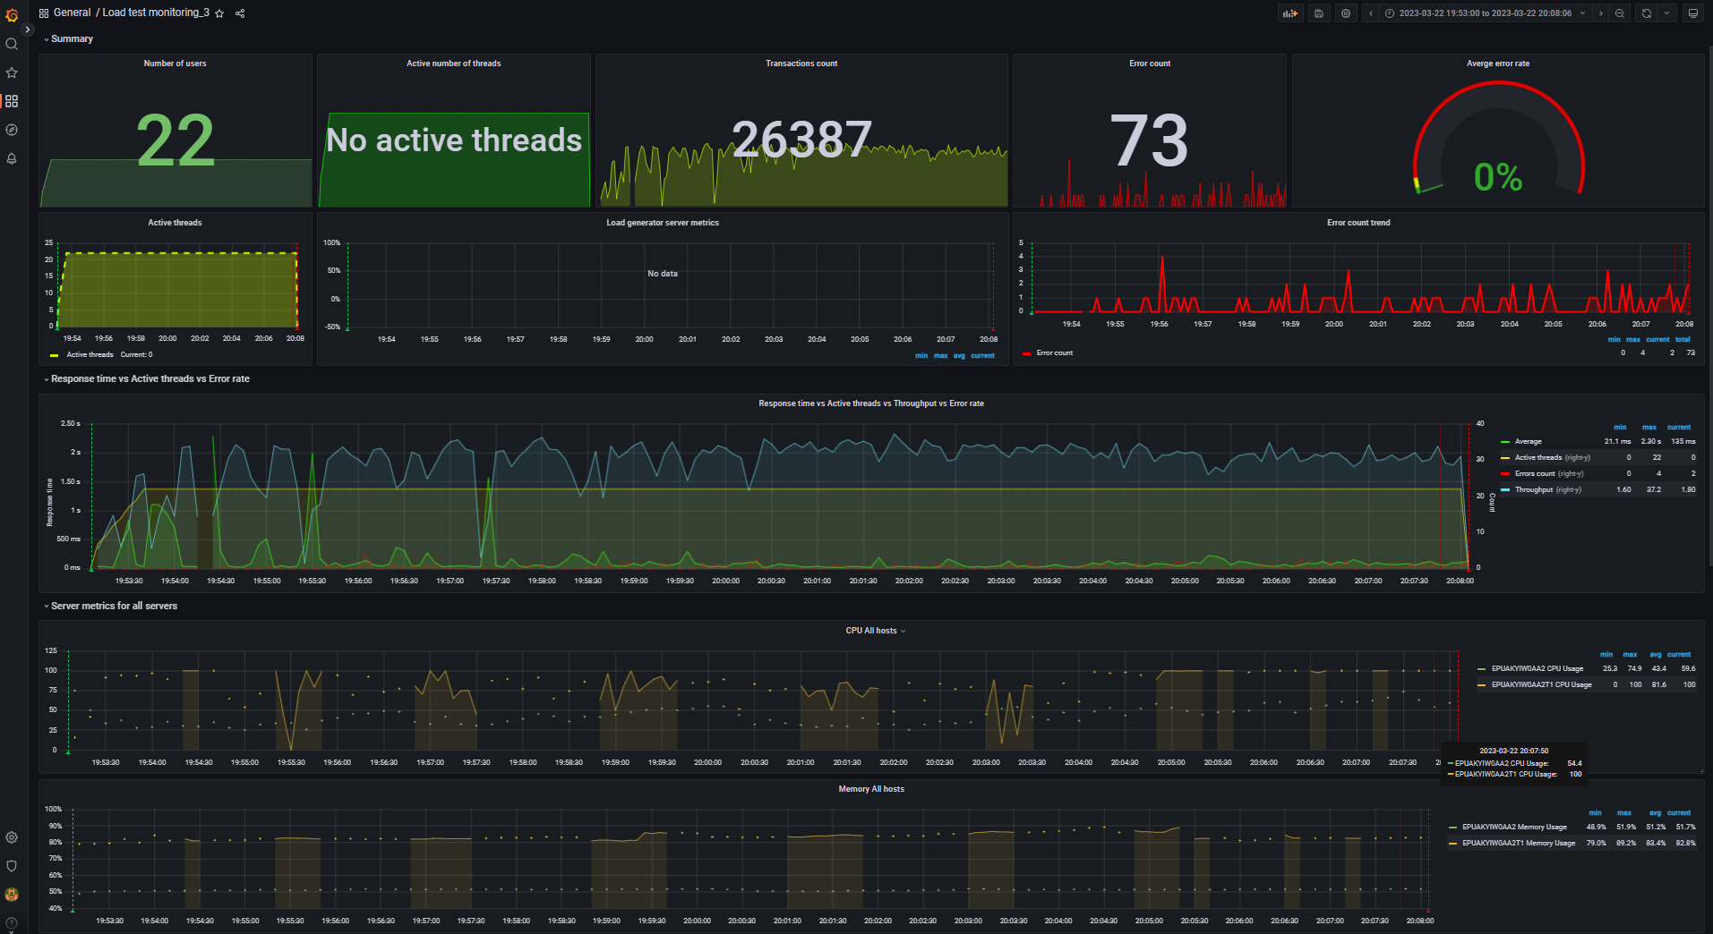
Aggregate report data for 1000_img_posts (DB mode) |  |  |  |  |  |  |  |  | Data converted to digital format
transaction | NumberOfSamples | Average | pct90 | pct95 | pct99 | Min | Max | Error Count | transaction | NumberOfSamples | Average | pct90 | pct95 | pct99 | Min | Max | Error Count
TC_start_Open Home page | 258 | 135.71 | 1.45 K | 3.49 K | 4.74 K | 5 | 4.74 K | - | TC_start_Open Home page | 258 | 135.71 | 1450 | 3490 | 4740 | 5 | 4740 | -
TC_Search by Name | 3.70 K | 184.8 | 748.5 | 3.22 K | 10.29 K | 0 | 10.30 K | - | TC_Search by Name | 3700 | 184.8 | 748.5 | 3220 | 10290 | 0 | 10300 | -
TC_Open Random page >1 | 895 | 73.84 | 202.9 | 784.45 | 6.48 K | 0 | 6.52 K | - | TC_Open Random page >1 | 895 | 73.84 | 202.9 | 784.45 | 6480 | 0 | 6520 | -
TC_Open Random page =1 | 11 | 179.69 | 797 | 797 | 797 | 7 | 797 | - | TC_Open Random page =1 | 11 | 179.69 | 797 | 797 | 797 | 7 | 797 | -
TC_Open Random Date | 1.24 K | 150.45 | 2.27 K | 4.21 K | 6.47 K | 3 | 6.52 K | - | TC_Open Random Date | 1240 | 150.45 | 2270 | 4210 | 6470 | 3 | 6520 | -
TC_Open Predefined Date | 3.70 K | 104.91 | 535.2 | 2.78 K | 9.49 K | 0 | 9.49 K | - | TC_Open Predefined Date | 3700 | 104.91 | 535.2 | 2780 | 9490 | 0 | 9490 | -
TC_Open Large Calendar | 1.29 K | 114.37 | 729.9 | 1.61 K | 9.17 K | 5 | 9.17 K | - | TC_Open Large Calendar | 1290 | 114.37 | 729.9 | 1610 | 9170 | 5 | 9170 | -
TC_Open Home page | 1.83 K | 101.97 | 472.4 | 2.75 K | 8.06 K | 0 | 8.09 K | - | TC_Open Home page | 1830 | 101.97 | 472.4 | 2750 | 8060 | 0 | 8090 | -
TC_Open Contacts | 490 | 75.06 | 428.8 | 1.01 K | 1.46 K | 4 | 1.46 K | - | TC_Open Contacts | 490 | 75.06 | 428.8 | 1010 | 1460 | 4 | 1460 | -
TC_Ed_Open login page | 6 | 157.83 | 303 | 303 | 303 | 57 | 303 | - | TC_Ed_Open login page | 6 | 157.83 | 303 | 303 | 303 | 57 | 303 | -
TC_Ed_Open editpost page | 275 | 357.6 | 4.05 K | 7.62 K | 9.73 K | 3 | 9.73 K | - | TC_Ed_Open editpost page | 275 | 357.6 | 4050 | 7620 | 9730 | 3 | 9730 | -
TC_Ed_Open Random post | 275 | 75.18 | 192.8 | 717 | 2.02 K | 6 | 2.02 K | - | TC_Ed_Open Random post | 275 | 75.18 | 192.8 | 717 | 2020 | 6 | 2020 | -
TC_Ed_Open Predefined Date | 276 | 84.26 | 232 | 2.83 K | 2.83 K | 0 | 2.83 K | - | TC_Ed_Open Predefined Date | 276 | 84.26 | 232 | 2830 | 2830 | 0 | 2830 | -
TC_Ed_Open Home page | 6 | 72.73 | 228 | 228 | 228 | 8 | 228 | - | TC_Ed_Open Home page | 6 | 72.73 | 228 | 228 | 228 | 8 | 228 | -
TC_Ed_Login | 6 | 83.02 | 347 | 347 | 347 | 23 | 347 | - | TC_Ed_Login | 6 | 83.02 | 347 | 347 | 347 | 23 | 347 | -
TC_Ed_LogOff | 4 | 61.33 | 207 | 207 | 207 | 11 | 207 | - | TC_Ed_LogOff | 4 | 61.33 | 207 | 207 | 207 | 11 | 207 | -
TC_Ad_Open login page | 44 | 270.55 | 1.93 K | 2.28 K | 2.28 K | 42 | 2.28 K | - | TC_Ad_Open login page | 44 | 270.55 | 1930 | 2280 | 2280 | 42 | 2280 | -
TC_Ad_Open Users page | 431 | 304.29 | 2.65 K | 3.99 K | 8.71 K | 2 | 8.71 K | - | TC_Ad_Open Users page | 431 | 304.29 | 2650 | 3990 | 8710 | 2 | 8710 | -
TC_Ad_Open USERS menu | 431 | 141 | 288.8 | 5.06 K | 9.16 K | 2 | 9.16 K | - | TC_Ad_Open USERS menu | 431 | 141 | 288.8 | 5060 | 9160 | 2 | 9160 | -
TC_Ad_Open Home page | 44 | 45.04 | 110.6 | 628 | 628 | 5 | 628 | - | TC_Ad_Open Home page | 44 | 45.04 | 110.6 | 628 | 628 | 5 | 628 | -
TC_Ad_Open Admin Page | 431 | 105.33 | 697.4 | 2.79 K | 4.39 K | 1 | 4.39 K | - | TC_Ad_Open Admin Page | 431 | 105.33 | 697.4 | 2790 | 4390 | 1 | 4390 | -
TC_Ad_Login | 44 | 214.35 | 1.75 K | 2.00 K | 2.00 K | 12 | 2.00 K | - | TC_Ad_Login | 44 | 214.35 | 1750 | 2000 | 2000 | 12 | 2000 | -
TC_Ad_LogOff | 42 | 62.57 | 200.5 | 248.7 | 550 | 8 | 550 | - | TC_Ad_LogOff | 42 | 62.57 | 200.5 | 248.7 | 550 | 8 | 550 | -
TC_Ad_Delete user | 217 | 205.12 | 470.9 | 2.66 K | 9.05 K | 0 | 9.05 K | - | TC_Ad_Delete user | 217 | 205.12 | 470.9 | 2660 | 9050 | 0 | 9050 | -
TC_Ed_Editpost | 275 | 811.64 | 5.23 K | 8.62 K | 9.61 K | 19 | 9.61 K | 40 | TC_Ed_Editpost | 275 | 811.64 | 5230 | 8620 | 9610 | 19 | 9610 | 40
Open Random post | 5.45 K | 99.07 | 453.2 | 2.42 K | 9.52 K | 2 | 9.52 K | 13 | Open Random post | 5450 | 99.07 | 453.2 | 2420 | 9520 | 2 | 9520 | 13
Open first post | 2.87 K | 126.34 | 554.3 | 4.20 K | 9.51 K | 0 | 9.52 K | 11 | Open first post | 2870 | 126.34 | 554.3 | 4200 | 9510 | 0 | 9520 | 11
leave a comment | 1.64 K | 187.79 | 1.23 K | 4.64 K | 9.59 K | 1 | 9.59 K | 7 | leave a comment | 1640 | 187.79 | 1230 | 4640 | 9590 | 1 | 9590 | 7
TC_Ad_Add user | 213 | 420.4 | 2.62 K | 7.98 K | 9.21 K | 9 | 9.21 K | 2 | TC_Ad_Add user | 213 | 420.4 | 2620 | 7980 | 9210 | 9 | 9210 | 2

 |  |  |  |  |  |  |  |  | -- Performance Ind. -- | -- Data --
 |  |  |  |  |  |  |  |  | Throughput max (rps) | 37.2
 |  |  |  |  |  |  |  |  | Throughput avg (rps) | 29.3
 |  |  |  |  |  |  |  |  | CPU usage max (%) | 100
 |  |  |  |  |  |  |  |  | CPU usage avg (%) | 81.6
 |  |  |  |  |  |  |  |  | Memory usage max (%) | 89.2
 |  |  |  |  |  |  |  |  | Memory usage avg (%) | 83.4
 |  |  |  |  |  |  |  |  | IIS stopped during the test | N | http://localhost:3000/d/rxKcwpFmk_3/load-test-monitoring_3?orgId=1&from=1679507580405&to=1679508486414&var-group_time=5s&var-metric=All&var-scenario=All&var-transactions=All&var-server_measurements=All&var-host=All&var-measurement=jmeter
 |  |  |  |  |  |  |  |  | An effective duration of test (sec) | 906 | 1679507580405 | 1679508486414

 |  |  |  |  |  |  |  |  | Transactions count | 26387
 |  |  |  |  |  |  |  |  | Error count | 73
 |  |  |  |  |  |  |  |  | Averge error rate (%) | 0.3

