MIX_Avg
Average response time (ms)
' | 3 | 'Average' response time (ms) for long-time test
 | transaction | Average | Average
 |  | file_mode | DB_mode
 | TC_Ed_Editpost | 1220 | 580
 | TC_Ad_Add user | 550 | 165
 | leave a comment | 291 | 158
 | TC_Ad_Login | 205 | 80
 | TC_Ad_Delete user | 485 | 130
 | TC_Ed_Open editpost page | 193 | 73
 | TC_Search by Name | 268 | 109
 | TC_Ad_LogOff | 162 | 48
 | TC_Ad_Open login page | 317 | 120
 | TC_Open Random page =1 | 137 | 17
 | TC_Ad_Open Users page | 313 | 111
 | TC_Ed_Open login page | 280 | 113
 | TC_Ad_Open Home page | 119 | 46
 | Open Random post | 187 | 65
 | Open first post | 355 | 132
 | TC_start_Open Home page | 150 | 54
 | TC_Ed_Open Random post | 151 | 56
 | TC_Open Home page | 155 | 51
 | TC_Ed_Open Predefined Date | 130 | 48
 | TC_Open Large Calendar | 151 | 54
 | TC_Open Contacts | 147 | 48
 | TC_Open Random page >1 | 145 | 44
 | TC_Open Predefined Date | 156 | 51
 | TC_Open Random Date | 151 | 50
 | TC_Ad_Open Admin Page | 137 | 48
 | TC_Ad_Open USERS menu | 141 | 47
 | TC_Ed_Login | 125 | 42
 | TC_Ed_Open Home page | 97 | 22

 | Performance Indicators | file_mode | DB_mode
 | Throughput max (rps) | 18 | 15
 | Throughput avg (rps) | 12 | 12
 | CPU usage max (%) | 100 | 100
 | CPU usage avg (%) | 86 | 71
 | Memory usage max (%) | 92 | 89
 | Memory usage avg (%) | 81 | 82
 | IIS stopped during the test | N | N
 | An effective duration of test (sec) | 28807 | 28807
 | Transactions count | 350492 | 330784
 | Error count | 2110 | 1475
 | Averge error rate (%) | 0.6 | 0.4

 |  | file_mode | DB_mode
TC_Ed_Editpost | Error rate TC_Ed_Editpost | 24% | 15%
leave a comment | Error rate leave a comment | 0% | 0%
Open Random post | Error rate Open Random post | - | -
TC_Ad_Add user | Error rate TC_Ad_Add user | 2% | 0%
TC_Open Home page | Error rate TC_Open Home page | - | -
Open first post | Error rate Open first post | 0% | 0%
TC_start_Open Home page | Error rate TC_start_Open Home page | - | -
TC_Search by Name | Error rate TC_Search by Name | 0% | -
TC_Open Random Date | Error rate TC_Open Random Date | - | -
TC_Open Predefined Date | Error rate TC_Open Predefined Date | 0% | -

MIX_Pct90
Pct90 response time (ms)
' | 4 | 'pct90' response time (ms) for long-time test
 | transaction | pct90 | pct90
 |  | file_mode | DB_mode
 | TC_Ed_Editpost | 3520 | 1640
 | TC_Ad_Add user | 2220 | 644
 | leave a comment | 1180 | 606
 | TC_Ad_Login | 940 | 344
 | TC_Ad_Delete user | 1820 | 503
 | TC_Ed_Open editpost page | 881 | 297
 | TC_Search by Name | 1190 | 495
 | TC_Ad_LogOff | 826 | 247
 | TC_Ad_Open login page | 1250 | 479
 | TC_Open Random page =1 | 595 | 47
 | TC_Ad_Open Users page | 1360 | 395
 | TC_Ed_Open login page | 1050 | 333
 | TC_Ad_Open Home page | 635 | 200
 | Open Random post | 966 | 262
 | Open first post | 1720 | 611
 | TC_start_Open Home page | 723 | 203
 | TC_Ed_Open Random post | 737 | 239
 | TC_Open Home page | 760 | 211
 | TC_Ed_Open Predefined Date | 657 | 215
 | TC_Open Large Calendar | 787 | 205
 | TC_Open Contacts | 711 | 198
 | TC_Open Random page >1 | 659 | 172
 | TC_Open Predefined Date | 824 | 212
 | TC_Open Random Date | 747 | 189
 | TC_Ad_Open Admin Page | 718 | 203
 | TC_Ad_Open USERS menu | 723 | 209
 | TC_Ed_Login | 560 | 287
 | TC_Ed_Open Home page | 584 | 117

 | Performance Indicators | file_mode | DB_mode
 | Throughput avg (rps) | 12 | 12
 | CPU usage avg (%) | 86 | 71
 | Memory usage avg (%) | 81 | 82
 | Averge error rate (%) | 0.6 | 0.4

file_mode
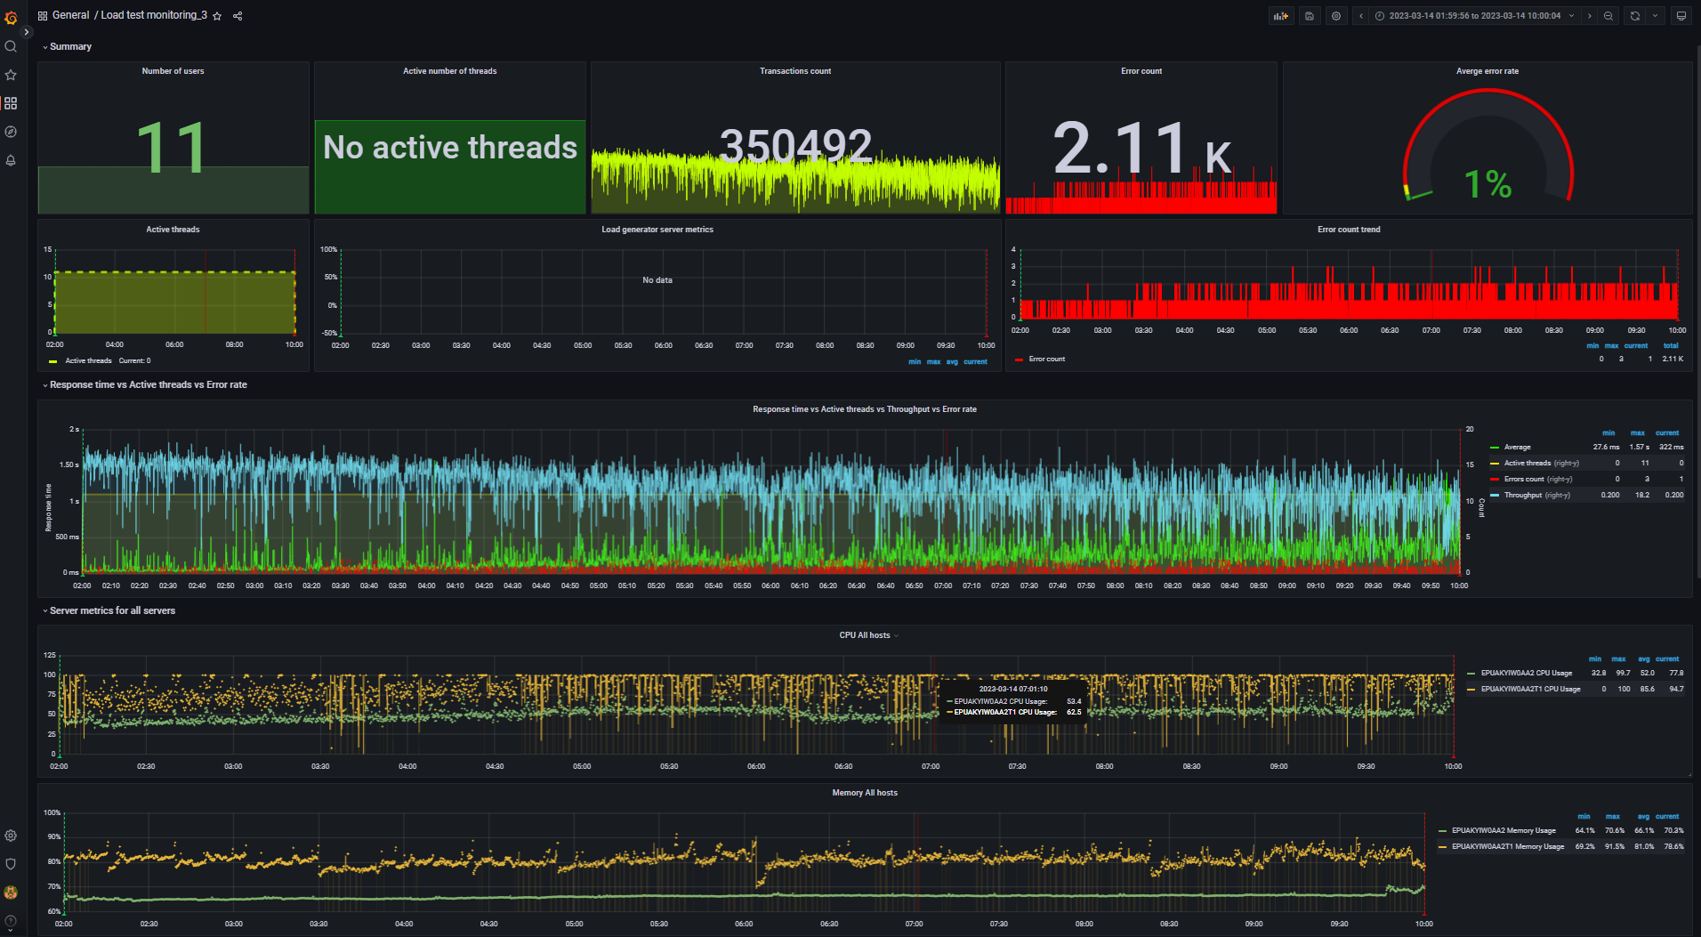
Aggregate report data for long-time test file_mode |  |  |  |  |  |  |  |  | Data converted to digital format
transaction | NumberOfSamples | Average | pct90 | pct95 | pct99 | Min | Max | Error Count | transaction | NumberOfSamples | Average | pct90 | pct95 | pct99 | Min | Max | Error Count
TC_start_Open Home page | 2.76 K | 150.05 | 723.2 | 1.27 K | 4.90 K | 8 | 4.93 K | - | TC_start_Open Home page | 2760 | 150.05 | 723.2 | 1270 | 4900 | 8 | 4930 | -
TC_Open Random page >1 | 11.45 K | 144.58 | 658.7 | 1.39 K | 5.15 K | 0 | 5.19 K | - | TC_Open Random page >1 | 11450 | 144.58 | 658.7 | 1390 | 5150 | 0 | 5190 | -
TC_Open Random page =1 | 1.20 K | 136.78 | 595.3 | 1.41 K | 2.79 K | 7 | 2.79 K | - | TC_Open Random page =1 | 1200 | 136.78 | 595.3 | 1410 | 2790 | 7 | 2790 | -
TC_Open Random Date | 13.91 K | 151.38 | 747 | 1.54 K | 5.05 K | 0 | 5.37 K | - | TC_Open Random Date | 13910 | 151.38 | 747 | 1540 | 5050 | 0 | 5370 | -
TC_Open Large Calendar | 13.76 K | 150.65 | 787 | 1.49 K | 5.27 K | 8 | 5.33 K | - | TC_Open Large Calendar | 13760 | 150.65 | 787 | 1490 | 5270 | 8 | 5330 | -
TC_Open Home page | 20.76 K | 155.46 | 760.2 | 1.64 K | 5.56 K | 0 | 5.85 K | - | TC_Open Home page | 20760 | 155.46 | 760.2 | 1640 | 5560 | 0 | 5850 | -
TC_Open Contacts | 5.55 K | 147.24 | 711 | 1.39 K | 5.96 K | 6 | 6.00 K | - | TC_Open Contacts | 5550 | 147.24 | 711 | 1390 | 5960 | 6 | 6000 | -
TC_Ed_Open login page | 160 | 280.2 | 1.05 K | 1.92 K | 2.22 K | 97 | 2.57 K | - | TC_Ed_Open login page | 160 | 280.2 | 1050 | 1920 | 2220 | 97 | 2570 | -
TC_Ed_Open editpost page | 7.92 K | 193.44 | 880.7 | 1.45 K | 5.38 K | 3 | 5.42 K | - | TC_Ed_Open editpost page | 7920 | 193.44 | 880.7 | 1450 | 5380 | 3 | 5420 | -
TC_Ed_Open Random post | 7.92 K | 151.37 | 736.5 | 1.31 K | 3.07 K | 0 | 3.09 K | - | TC_Ed_Open Random post | 7920 | 151.37 | 736.5 | 1310 | 3070 | 0 | 3090 | -
TC_Ed_Open Predefined Date | 7.92 K | 130.48 | 656.8 | 1.20 K | 3.46 K | 8 | 3.48 K | - | TC_Ed_Open Predefined Date | 7920 | 130.48 | 656.8 | 1200 | 3460 | 8 | 3480 | -
TC_Ed_Open Home page | 160 | 97.33 | 583.5 | 898.05 | 2.23 K | 10 | 2.23 K | - | TC_Ed_Open Home page | 160 | 97.33 | 583.5 | 898.05 | 2230 | 10 | 2230 | -
TC_Ed_Login | 160 | 124.82 | 559.7 | 686.5 | 1.61 K | 14 | 1.61 K | - | TC_Ed_Login | 160 | 124.82 | 559.7 | 686.5 | 1610 | 14 | 1610 | -
TC_Ed_LogOff | 158 | 85.15 | 417.6 | 870 | 2.52 K | 11 | 2.52 K | - | TC_Ed_LogOff | 158 | 85.15 | 417.6 | 870 | 2520 | 11 | 2520 | -
TC_Ad_Open login page | 1.25 K | 317.25 | 1.25 K | 2.00 K | 5.14 K | 61 | 5.15 K | - | TC_Ad_Open login page | 1250 | 317.25 | 1250 | 2000 | 5140 | 61 | 5150 | -
TC_Ad_Open Home page | 1.25 K | 119.01 | 634.8 | 1.54 K | 3.11 K | 8 | 3.12 K | - | TC_Ad_Open Home page | 1250 | 119.01 | 634.8 | 1540 | 3110 | 8 | 3120 | -
TC_Ad_Open Admin Page | 12.54 K | 136.6 | 718.1 | 1.42 K | 4.34 K | 2 | 5.99 K | - | TC_Ad_Open Admin Page | 12540 | 136.6 | 718.1 | 1420 | 4340 | 2 | 5990 | -
TC_Ad_Login | 1.25 K | 205.35 | 940 | 1.47 K | 5.48 K | 15 | 5.50 K | - | TC_Ad_Login | 1250 | 205.35 | 940 | 1470 | 5480 | 15 | 5500 | -
TC_Ad_LogOff | 1.25 K | 161.97 | 826.2 | 1.87 K | 4.64 K | 10 | 5.21 K | - | TC_Ad_LogOff | 1250 | 161.97 | 826.2 | 1870 | 4640 | 10 | 5210 | -
Open Random post | 60.79 K | 186.91 | 966.4 | 1.90 K | 4.96 K | 8 | 6.03 K | - | Open Random post | 60790 | 186.91 | 966.4 | 1900 | 4960 | 8 | 6030 | -
TC_Ed_Editpost | 7.92 K | 1.22 K | 3.52 K | 4.69 K | 91.54 K | 0 | 92.41 K | 1.90 K | TC_Ed_Editpost | 7920 | 1220 | 3520 | 4690 | 91540 | 0 | 92410 | 1900
TC_Ad_Add user | 6.21 K | 550.14 | 2.22 K | 3.18 K | 23.92 K | 9 | 24.13 K | 119 | TC_Ad_Add user | 6210 | 550.14 | 2220 | 3180 | 23920 | 9 | 24130 | 119
leave a comment | 18.49 K | 290.55 | 1.18 K | 2.20 K | 87.15 K | 4 | 95.45 K | 29 | leave a comment | 18490 | 290.55 | 1180 | 2200 | 87150 | 4 | 95450 | 29
TC_Ad_Open USERS menu | 12.54 K | 141.1 | 722.6 | 1.42 K | 5.59 K | 2 | 5.67 K | 27 | TC_Ad_Open USERS menu | 12540 | 141.1 | 722.6 | 1420 | 5590 | 2 | 5670 | 27
TC_Ad_Open Users page | 12.54 K | 313.1 | 1.36 K | 2.53 K | 5.61 K | 11 | 6.04 K | 20 | TC_Ad_Open Users page | 12540 | 313.1 | 1360 | 2530 | 5610 | 11 | 6040 | 20
TC_Ad_Delete user | 6.33 K | 485.36 | 1.82 K | 2.74 K | 94.89 K | 0 | 95.83 K | 11 | TC_Ad_Delete user | 6330 | 485.36 | 1820 | 2740 | 94890 | 0 | 95830 | 11
TC_Search by Name | 41.28 K | 268.38 | 1.19 K | 2.14 K | 5.18 K | 0 | 5.87 K | 2 | TC_Search by Name | 41280 | 268.38 | 1190 | 2140 | 5180 | 0 | 5870 | 2
TC_Open Predefined Date | 41.44 K | 155.65 | 824.2 | 1.81 K | 4.58 K | 6 | 5.59 K | 1 | TC_Open Predefined Date | 41440 | 155.65 | 824.2 | 1810 | 4580 | 6 | 5590 | 1
Open first post | 31.60 K | 354.64 | 1.72 K | 2.66 K | 7.61 K | 8 | 9.04 K | 1 | Open first post | 31600 | 354.64 | 1720 | 2660 | 7610 | 8 | 9040 | 1

 |  |  |  |  |  |  |  |  | -- Performance Ind. -- | -- Data --
 |  |  |  |  |  |  |  |  | Throughput max (rps) | 18.2
 |  |  |  |  |  |  |  |  | Throughput avg (rps) | 12.2
 |  |  |  |  |  |  |  |  | CPU usage max (%) | 100
 |  |  |  |  |  |  |  |  | CPU usage avg (%) | 85.6
 |  |  |  |  |  |  |  |  | Memory usage max (%) | 91.5
 |  |  |  |  |  |  |  |  | Memory usage avg (%) | 81
 |  |  |  |  |  |  |  |  | IIS stopped during the test | N | http://localhost:3000/d/rxKcwpFmk_3/load-test-monitoring_3?orgId=1&from=1678751996856&to=1678780804112&var-group_time=5s&var-metric=All&var-scenario=All&var-transactions=All&var-server_measurements=All&var-host=All&var-measurement=jmeter
 |  |  |  |  |  |  |  |  | An effective duration of test (sec) | 28807 | 1678751996856 | 1678780804112

 |  |  |  |  |  |  |  |  | Transactions count | 350492
 |  |  |  |  |  |  |  |  | Error count | 2110
 |  |  |  |  |  |  |  |  | Averge error rate (%) | 0.6

DB_mode
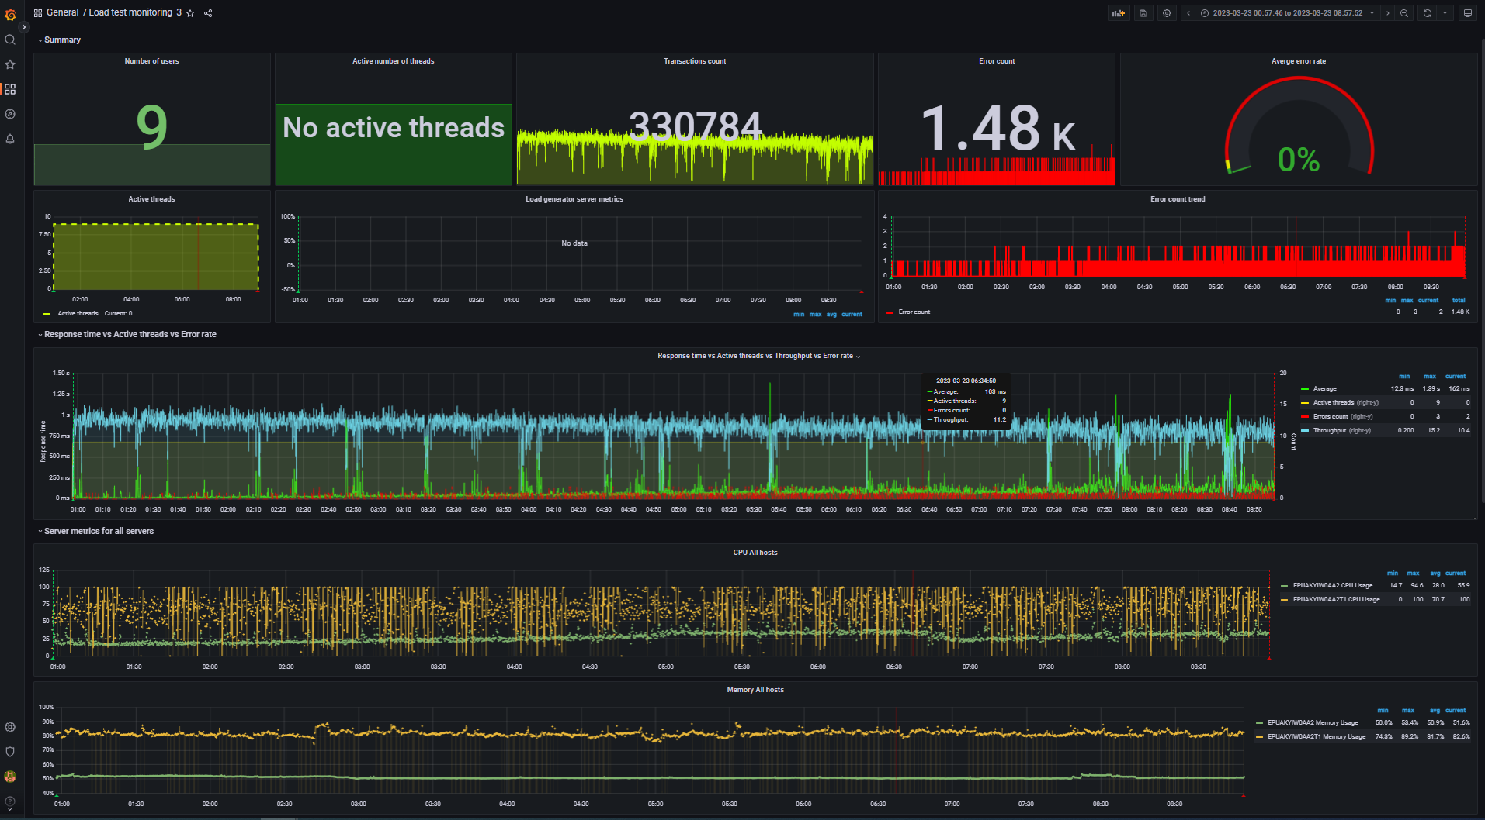
Aggregate report data for long-time test DB_mode |  |  |  |  |  |  |  |  | Data converted to digital format
transaction | NumberOfSamples | Average | pct90 | pct95 | pct99 | Min | Max | Error Count | transaction | NumberOfSamples | Average | pct90 | pct95 | pct99 | Min | Max | Error Count
TC_start_Open Home page | 2.40 K | 54.35 | 203 | 629.75 | 5.86 K | 4 | 5.86 K | - | TC_start_Open Home page | 2400 | 54.35 | 203 | 629.75 | 5860 | 4 | 5860 | -
TC_Search by Name | 35.89 K | 109.26 | 495.1 | 1.10 K | 5.92 K | 3 | 7.18 K | - | TC_Search by Name | 35890 | 109.26 | 495.1 | 1100 | 5920 | 3 | 7180 | -
TC_Open Random page >1 | 9.03 K | 43.81 | 171.9 | 438.3 | 5.91 K | 4 | 5.95 K | - | TC_Open Random page >1 | 9030 | 43.81 | 171.9 | 438.3 | 5910 | 4 | 5950 | -
TC_Open Random page =1 | 103 | 16.68 | 47 | 142 | 656 | 5 | 656 | - | TC_Open Random page =1 | 103 | 16.68 | 47 | 142 | 656 | 5 | 656 | -
TC_Open Random Date | 11.93 K | 50.27 | 188.6 | 905.6 | 7.14 K | 2 | 7.18 K | - | TC_Open Random Date | 11930 | 50.27 | 188.6 | 905.6 | 7140 | 2 | 7180 | -
TC_Open Predefined Date | 36.04 K | 51.05 | 211.7 | 764.15 | 6.01 K | 0 | 7.20 K | - | TC_Open Predefined Date | 36040 | 51.05 | 211.7 | 764.15 | 6010 | 0 | 7200 | -
TC_Open Large Calendar | 12.07 K | 53.68 | 204.5 | 751.15 | 8.99 K | 3 | 9.07 K | - | TC_Open Large Calendar | 12070 | 53.68 | 204.5 | 751.15 | 8990 | 3 | 9070 | -
TC_Open Home page | 18.20 K | 51 | 211 | 733 | 4.90 K | 4 | 7.16 K | - | TC_Open Home page | 18200 | 51 | 211 | 733 | 4900 | 4 | 7160 | -
TC_Open Contacts | 4.74 K | 48.1 | 198.1 | 443.85 | 5.47 K | 3 | 5.52 K | - | TC_Open Contacts | 4740 | 48.1 | 198.1 | 443.85 | 5470 | 3 | 5520 | -
TC_Ed_Open login page | 184 | 113.22 | 332.9 | 470.9 | 3.12 K | 54 | 3.12 K | - | TC_Ed_Open login page | 184 | 113.22 | 332.9 | 470.9 | 3120 | 54 | 3120 | -
TC_Ed_Open Predefined Date | 9.14 K | 47.7 | 214.7 | 519.05 | 7.09 K | 0 | 7.15 K | - | TC_Ed_Open Predefined Date | 9140 | 47.7 | 214.7 | 519.05 | 7090 | 0 | 7150 | -
TC_Ed_Open Home page | 184 | 22.16 | 117.1 | 171.65 | 687 | 5 | 690 | - | TC_Ed_Open Home page | 184 | 22.16 | 117.1 | 171.65 | 687 | 5 | 690 | -
TC_Ed_Login | 184 | 41.74 | 286.9 | 385.85 | 795.3 | 7 | 799 | - | TC_Ed_Login | 184 | 41.74 | 286.9 | 385.85 | 795.3 | 7 | 799 | -
TC_Ed_LogOff | 182 | 24.06 | 127.4 | 346.95 | 547 | 5 | 547 | - | TC_Ed_LogOff | 182 | 24.06 | 127.4 | 346.95 | 547 | 5 | 547 | -
TC_Ad_Open login page | 1.52 K | 120.28 | 479.2 | 1.07 K | 4.79 K | 39 | 4.82 K | - | TC_Ad_Open login page | 1520 | 120.28 | 479.2 | 1070 | 4790 | 39 | 4820 | -
TC_Ad_Open Users page | 15.15 K | 111.28 | 395.3 | 1.18 K | 6.12 K | 8 | 7.22 K | - | TC_Ad_Open Users page | 15150 | 111.28 | 395.3 | 1180 | 6120 | 8 | 7220 | -
TC_Ad_Open USERS menu | 15.15 K | 47.06 | 208.5 | 599.95 | 6.18 K | 2 | 6.67 K | - | TC_Ad_Open USERS menu | 15150 | 47.06 | 208.5 | 599.95 | 6180 | 2 | 6670 | -
TC_Ad_Open Home page | 1.52 K | 46.06 | 199.6 | 280.95 | 7.01 K | 4 | 7.01 K | - | TC_Ad_Open Home page | 1520 | 46.06 | 199.6 | 280.95 | 7010 | 4 | 7010 | -
TC_Ad_Open Admin Page | 15.15 K | 48.49 | 202.8 | 872.65 | 5.92 K | 1 | 6.32 K | - | TC_Ad_Open Admin Page | 15150 | 48.49 | 202.8 | 872.65 | 5920 | 1 | 6320 | -
TC_Ad_Login | 1.52 K | 79.59 | 343.6 | 554.55 | 9.82 K | 8 | 9.90 K | - | TC_Ad_Login | 1520 | 79.59 | 343.6 | 554.55 | 9820 | 8 | 9900 | -
TC_Ad_LogOff | 1.51 K | 47.95 | 246.5 | 423.15 | 7.51 K | 6 | 7.55 K | - | TC_Ad_LogOff | 1510 | 47.95 | 246.5 | 423.15 | 7510 | 6 | 7550 | -
TC_Ad_Delete user | 7.63 K | 129.95 | 503 | 1.45 K | 8.17 K | 4 | 8.17 K | - | TC_Ad_Delete user | 7630 | 129.95 | 503 | 1450 | 8170 | 4 | 8170 | -
Open Random post | 52.56 K | 64.94 | 262.4 | 866.35 | 6.24 K | 3 | 7.16 K | - | Open Random post | 52560 | 64.94 | 262.4 | 866.35 | 6240 | 3 | 7160 | -
TC_Ed_Editpost | 9.14 K | 579.64 | 1.64 K | 3.80 K | 8.87 K | 4 | 8.88 K | 1.34 K | TC_Ed_Editpost | 9140 | 579.64 | 1640 | 3800 | 8870 | 4 | 8880 | 1340
leave a comment | 16.17 K | 157.87 | 606.3 | 1.21 K | 5.90 K | 1 | 7.15 K | 71 | leave a comment | 16170 | 157.87 | 606.3 | 1210 | 5900 | 1 | 7150 | 71
TC_Ed_Open editpost page | 9.14 K | 72.83 | 296.9 | 889.4 | 5.90 K | 0 | 5.90 K | 37 | TC_Ed_Open editpost page | 9140 | 72.83 | 296.9 | 889.4 | 5900 | 0 | 5900 | 37
TC_Ad_Add user | 7.52 K | 164.67 | 644 | 1.92 K | 8.82 K | 0 | 8.88 K | 25 | TC_Ad_Add user | 7520 | 164.67 | 644 | 1920 | 8820 | 0 | 8880 | 25
TC_Ed_Open Random post | 9.11 K | 56.04 | 238.5 | 459.2 | 8.85 K | 5 | 8.92 K | 1 | TC_Ed_Open Random post | 9110 | 56.04 | 238.5 | 459.2 | 8850 | 5 | 8920 | 1
Open first post | 27.71 K | 131.86 | 610.8 | 1.02 K | 5.96 K | 3 | 7.14 K | 1 | Open first post | 27710 | 131.86 | 610.8 | 1020 | 5960 | 3 | 7140 | 1

 |  |  |  |  |  |  |  |  | -- Performance Ind. -- | -- Data --
 |  |  |  |  |  |  |  |  | Throughput max (rps) | 15.2
 |  |  |  |  |  |  |  |  | Throughput avg (rps) | 11.5
 |  |  |  |  |  |  |  |  | CPU usage max (%) | 100
 |  |  |  |  |  |  |  |  | CPU usage avg (%) | 70.7
 |  |  |  |  |  |  |  |  | Memory usage max (%) | 89.2
 |  |  |  |  |  |  |  |  | Memory usage avg (%) | 81.7
 |  |  |  |  |  |  |  |  | IIS stopped during the test | N | http://localhost:3000/d/rxKcwpFmk_3/load-test-monitoring_3?orgId=1&from=1679525866211&to=1679554672737&var-group_time=5s&var-metric=All&var-scenario=All&var-transactions=All&var-server_measurements=All&var-host=All&var-measurement=jmeter
 |  |  |  |  |  |  |  |  | An effective duration of test (sec) | 28807 | 1679525866211 | 1679554672737

 |  |  |  |  |  |  |  |  | Transactions count | 330784
 |  |  |  |  |  |  |  |  | Error count | 1475
 |  |  |  |  |  |  |  |  | Averge error rate (%) | 0.4

