Graphs
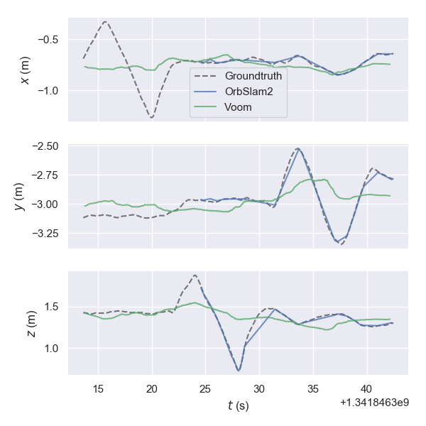
GPU load
 | ORB-SLAM2 | VOOM
 | 0 | 0
 | 0 | 0
 | 5.8 | 0
 | 0 | 0
 | 0 | 0
 | 0 | 0
 | 0 | 0
 | 0 | 0
 | 0 | 0
 | 0 | 0
 | 0 | 0
 | 0 | 0
 | 0 | 0
 | 0 | 0
 | 0 | 0
 | 0 | 0
 | 0 | 0
 | 0 | 0
 | 11.5 | 0
 | 55.4 | 49.4
 | 45.9 | 28.7
 | 47.9 | 49.3
 | 14.4 | 23.4
 | 48.6 | 54.7
 | 21 | 22.8
 | 40.7 | 33.2
 | 28.2 | 61.5
 | 55.5 | 45.2
 | 47.4 | 16.7
 | 13.5 | 47.4
 | 14.2 | 17.7
 | 48.2 | 41.1
 | 50.9 | 8
 | 24.7 | 29.6
 | 19.8 | 0
 | 24.6 | 45.7
 | 46 | 45.8
 | 41.7 | 7.1
 | 29.6 | 0
 | 24.7 | 16.7
 | 29.2 | 0
 | 18.9 | 16
 | 13.6 | 63.2
 | 53.9 | 34.9
 | 48.4 | 33.9
 | 19.6 | 55.5
 | 44.7 | 6.7
 | 60.2 | 6.9
 | 35.7 | 46.4
 | 53.9 | 49.7
...
GPU load
 | Crowd-SLAM | CUDAORB3 | ORB-SLAM2 | ORB-SLAM3 | VOOM
 | 0 | 0 | 0 | 0 | 0
 | 0 | 8.8 | 0 | 0 | 0
 | 0 | 0 | 5.8 | 36.1 | 0
 | 0 | 0 | 0 | 0 | 0
 | 0 | 0 | 0 | 0 | 0
 | 0 | 7 | 0 | 0 | 0
 | 0 | 0 | 0 | 0 | 0
 | 0 | 0 | 0 | 0 | 0
 | 0 | 9.9 | 0 | 0 | 0
 | 0 | 0 | 0 | 0 | 0
 | 0 | 0 | 0 | 0 | 0
 | 0 | 0 | 0 | 0 | 0
 | 0 | 0 | 0 | 0 | 0
 | 0 | 0 | 0 | 0 | 0
 | 0 | 0 | 0 | 0 | 0
 | 0 | 0 | 0 | 0 | 0
 | 0 | 0 | 0 | 0 | 0
 | 0 | 0 | 0 | 0 | 0
 | 0 | 0 | 11.5 | 0 | 0
 | 0 | 0 | 55.4 | 17.2 | 49.4
 | 0 | 29.9 | 45.9 | 48.2 | 28.7
 | 43.1 | 15.7 | 47.9 | 37.1 | 49.3
 | 28.5 | 30 | 14.4 | 42.2 | 23.4
 | 28.9 | 37.3 | 48.6 | 54.7 | 54.7
 | 43.8 | 6.1 | 21 | 44 | 22.8
 | 38.7 | 19.1 | 40.7 | 24 | 33.2
 | 47 | 42.1 | 28.2 | 16.3 | 61.5
 | 18.6 | 18.8 | 55.5 | 34 | 45.2
 | 41.7 | 20.7 | 47.4 | 13.7 | 16.7
 | 23.8 | 32.3 | 13.5 | 34.3 | 47.4
 | 26.9 | 33.9 | 14.2 | 7.2 | 17.7
 | 28.7 | 62.7 | 48.2 | 26.1 | 41.1
 | 16.5 | 19.1 | 50.9 | 49.4 | 8
 | 49.6 | 54 | 24.7 | 36.3 | 29.6
 | 52.1 | 44.1 | 19.8 | 49.8 | 0
 | 40.7 | 27.5 | 24.6 | 6.9 | 45.7
 | 7.7 | 57.5 | 46 | 48.7 | 45.8
 | 28.1 | 34.1 | 41.7 | 28.2 | 7.1
 | 22 | 6.2 | 29.6 | 16 | 0
 | 22.9 | 29.1 | 24.7 | 65.1 | 16.7
 | 48.4 | 20.2 | 29.2 | 45.5 | 0
 | 49.8 | 15.4 | 18.9 | 29.7 | 16
 | 25.6 | 9.3 | 13.6 | 41.2 | 63.2
 | 22.9 | 15.7 | 53.9 | 20 | 34.9
 | 45.3 | 90 | 48.4 | 39.1 | 33.9
 | 44.4 | 18.9 | 19.6 | 31.7 | 55.5
 | 22 | 35.7 | 44.7 | 40.8 | 6.7
 | 37.7 | 67.2 | 60.2 | 41.2 | 6.9
 | 15 | 22 | 35.7 | 57.9 | 46.4
 | 8.4 | 25.4 | 53.9 | 27.6 | 49.7
...

Memory used
 | ORB-SLAM2 | VOOM
 | 1475048 | 1506028
 | 1489268 | 1515932
 | 1512308 | 1519316
 | 1519644 | 1480196
 | 1501584 | 1517400
 | 1527672 | 1550860
 | 1527024 | 1583512
 | 1560344 | 1593196
 | 1588544 | 1609756
 | 1594792 | 1633420
 | 1627924 | 1658540
 | 1651652 | 1680040
 | 1673264 | 1708168
 | 1701496 | 1736588
 | 1733340 | 1766284
 | 1766704 | 1799392
 | 1797592 | 1830504
 | 1825448 | 1858236
 | 1854712 | 1921492
 | 1971276 | 1998580
 | 1973180 | 2001808
 | 1972252 | 2001424
 | 1972896 | 2003684
 | 1974492 | 2006168
 | 1974548 | 2009120
 | 1975076 | 2013488
 | 1976256 | 2015104
 | 1976140 | 2016780
 | 1973676 | 2018460
 | 1974888 | 2019288
 | 1974664 | 2021268
 | 1974580 | 2023500
 | 1974248 | 2025700
 | 1972876 | 2027552
 | 1975268 | 2028916
 | 1976760 | 2030204
 | 1976044 | 2033668
 | 1974312 | 2034328
 | 1974108 | 2032396
 | 1973720 | 2035416
 | 1973564 | 2036896
 | 1974228 | 2041452
 | 1974392 | 2040908
 | 1973736 | 2041156
 | 1975264 | 2044936
 | 1974252 | 2048516
 | 1979452 | 2049136
 | 1978608 | 2053956
 | 1989560 | 2069184
 | 1999764 | 2083460
...
Memory used
 | Crowd-SLAM | CUDAORB3 | ORB-SLAM2 | ORB-SLAM3 | VOOM
 | 1451056 | 1494248 | 1475048 | 1481268 | 1506028
 | 1464992 | 1501304 | 1489268 | 1493904 | 1515932
 | 1499096 | 1503216 | 1512308 | 1527456 | 1519316
 | 1510672 | 1508324 | 1519644 | 1520952 | 1480196
 | 1502548 | 1530424 | 1501584 | 1531080 | 1517400
 | 1523748 | 1558840 | 1527672 | 1535756 | 1550860
 | 1504536 | 1580736 | 1527024 | 1546144 | 1583512
 | 1530760 | 1610288 | 1560344 | 1581744 | 1593196
 | 1542912 | 1632880 | 1588544 | 1553932 | 1609756
 | 1577272 | 1655792 | 1594792 | 1597332 | 1633420
 | 1601768 | 1678508 | 1627924 | 1658696 | 1658540
 | 1624224 | 1705384 | 1651652 | 1705700 | 1680040
 | 1652996 | 1731520 | 1673264 | 1743416 | 1708168
 | 1682656 | 1763212 | 1701496 | 1731496 | 1736588
 | 1705312 | 1794600 | 1733340 | 1768132 | 1766284
 | 1730224 | 1826640 | 1766704 | 1802432 | 1799392
 | 1732200 | 1858696 | 1797592 | 1823308 | 1830504
 | 1762712 | 1890452 | 1825448 | 1848348 | 1858236
 | 1792624 | 1920884 | 1854712 | 1880808 | 1921492
 | 1822804 | 3069920 | 1971276 | 1999136 | 1998580
 | 1854376 | 3148416 | 1973180 | 2007324 | 2001808
 | 2043056 | 3150744 | 1972252 | 2008536 | 2001424
 | 2048936 | 3156528 | 1972896 | 2009804 | 2003684
 | 2049636 | 3162104 | 1974492 | 2010464 | 2006168
 | 2050836 | 3166288 | 1974548 | 2018684 | 2009120
 | 2053032 | 3170128 | 1975076 | 2024360 | 2013488
 | 2053172 | 3173216 | 1976256 | 2028672 | 2015104
 | 2053660 | 3175896 | 1976140 | 2031188 | 2016780
 | 2056996 | 3176248 | 1973676 | 2033436 | 2018460
 | 2057676 | 3177852 | 1974888 | 2035052 | 2019288
 | 2058256 | 3178864 | 1974664 | 2035944 | 2021268
 | 2059820 | 3178604 | 1974580 | 2037244 | 2023500
 | 2060704 | 3180536 | 1974248 | 2036928 | 2025700
 | 2062704 | 3183196 | 1972876 | 2036032 | 2027552
 | 2062940 | 3183584 | 1975268 | 2037436 | 2028916
 | 2063460 | 3182404 | 1976760 | 2038436 | 2030204
 | 2065200 | 3184088 | 1976044 | 2039872 | 2033668
 | 2064996 | 3184108 | 1974312 | 2041380 | 2034328
 | 2064948 | 3186900 | 1974108 | 2042340 | 2032396
 | 2064648 | 3189096 | 1973720 | 2039996 | 2035416
 | 2067048 | 3190532 | 1973564 | 2042376 | 2036896
 | 2066928 | 3192764 | 1974228 | 2043844 | 2041452
 | 2066900 | 3194232 | 1974392 | 2045556 | 2040908
 | 2067516 | 3200344 | 1973736 | 2048400 | 2041156
 | 2069380 | 3202080 | 1975264 | 2049528 | 2044936
 | 2070492 | 3202792 | 1974252 | 2048664 | 2048516
 | 2069356 | 3204380 | 1979452 | 2049796 | 2049136
 | 2070460 | 3206140 | 1978608 | 2050836 | 2053956
 | 2073472 | 3206848 | 1989560 | 2063968 | 2069184
 | 2087624 | 3209540 | 1999764 | 2074592 | 2083460
...

CPU usage
 | ORB-SLAM2 | VOOM
 | 249.8 | 247.1
 | 80.6 | 90.3
 | 89.5 | 144.4
 | 88.5 | 127.5
 | 211.9 | 399.3
 | 581.4 | 590.3
 | 577.7 | 604.9
 | 590.3 | 573.6
 | 601.2 | 577.9
 | 577.2 | 586.2
 | 576.5 | 590.3
 | 582.2 | 581.5
 | 588.2 | 473.1
 | 228.1 | 172.8
 | 181.5 | 171.5
 | 179.4 | 176.6
 | 171.6 | 184.4
 | 185.4 | 145
 | 183.5 | 215
 | 248 | 121.7
 | 180.5 | 89.5
 | 184.5 | 185.4
 | 185.3 | 213
 | 179.7 | 213.8
 | 182.4 | 218.6
 | 193.4 | 228.6
 | 180.5 | 242.1
 | 198.2 | 232.3
 | 184.5 | 237.4
 | 189.4 | 261.7
 | 183.5 | 260.8
 | 183.5 | 244.3
 | 191.2 | 267.8
 | 172.8 | 254
 | 92.5 | 237.2
 | 165.8 | 245.4
 | 186.5 | 244.1
 | 184.5 | 236.9
 | 187.4 | 239.4
 | 192.3 | 277.6
 | 189.3 | 275.6
 | 184.5 | 286.4
 | 187.5 | 273.8
 | 195.2 | 287.1
 | 187.5 | 282.4
 | 181.5 | 280.6
 | 189.5 | 282.6
 | 225.7 | 324.6
 | 213.9 | 337.2
 | 196.2 | 274.7
...
CPU load
 | Crowd-SLAM | CUDAORB3 | ORB-SLAM2 | ORB-SLAM3 | VOOM
 | 229.5 | 118.6 | 249.8 | 235.4 | 247.1
 | 141.4 | 60.8 | 80.6 | 82.5 | 90.3
 | 113.6 | 42.4 | 89.5 | 102.2 | 144.4
 | 70.8 | 25.6 | 88.5 | 74.6 | 127.5
 | 71.8 | 254.9 | 211.9 | 82.4 | 399.3
 | 132.6 | 590.1 | 581.4 | 142.4 | 590.3
 | 501 | 595.2 | 577.7 | 218.7 | 604.9
 | 579.7 | 587.3 | 590.3 | 190.2 | 573.6
 | 591.2 | 582.3 | 601.2 | 225.5 | 577.9
 | 590.2 | 588.9 | 577.2 | 266 | 586.2
 | 593.2 | 602 | 576.5 | 277.3 | 590.3
 | 578.6 | 578.2 | 582.2 | 287.3 | 581.5
 | 587.6 | 577.4 | 588.2 | 264.8 | 473.1
 | 584.3 | 161.8 | 228.1 | 197.1 | 172.8
 | 437.2 | 156.7 | 181.5 | 118.6 | 171.5
 | 118 | 155.8 | 179.4 | 126.6 | 176.6
 | 36.3 | 157.6 | 171.6 | 260.7 | 184.4
 | 145 | 160.7 | 185.4 | 219.5 | 145
 | 181.4 | 162.3 | 183.5 | 182.3 | 215
 | 174.7 | 159.6 | 248 | 227.3 | 121.7
 | 176.6 | 179.6 | 180.5 | 159.9 | 89.5
 | 239.3 | 153.9 | 184.5 | 155.9 | 185.4
 | 231.3 | 187.6 | 185.3 | 151 | 213
 | 248.3 | 216.1 | 179.7 | 174.5 | 213.8
 | 255 | 198.6 | 182.4 | 224.4 | 218.6
 | 256.8 | 232.4 | 193.4 | 244.7 | 228.6
 | 259 | 202.1 | 180.5 | 244.3 | 242.1
 | 269.6 | 184.8 | 198.2 | 215.8 | 232.3
 | 292.2 | 176.6 | 184.5 | 173 | 237.4
 | 278.6 | 188.2 | 189.4 | 236.4 | 261.7
 | 261 | 190.4 | 183.5 | 222.7 | 260.8
 | 267.8 | 172.8 | 183.5 | 223.7 | 244.3
 | 277.5 | 154 | 191.2 | 208.8 | 267.8
 | 258 | 182.6 | 172.8 | 204 | 254
 | 306.1 | 150.9 | 92.5 | 204.9 | 237.2
 | 242.3 | 211.7 | 165.8 | 186.4 | 245.4
 | 242.2 | 200.1 | 186.5 | 191.1 | 244.1
 | 285.5 | 222.6 | 184.5 | 202.1 | 236.9
 | 253.6 | 193.3 | 187.4 | 236.2 | 239.4
 | 283.8 | 196.9 | 192.3 | 241.3 | 277.6
 | 297.2 | 207 | 189.3 | 230.5 | 275.6
 | 241.2 | 192.2 | 184.5 | 233.4 | 286.4
 | 257.9 | 220.9 | 187.5 | 267.8 | 273.8
 | 306.9 | 221.6 | 195.2 | 150.2 | 287.1
 | 252.1 | 198.5 | 187.5 | 119.6 | 282.4
 | 263.7 | 215.8 | 181.5 | 250 | 280.6
 | 257.9 | 206.1 | 189.5 | 249 | 282.6
 | 307 | 229.5 | 225.7 | 282.5 | 324.6
 | 365.8 | 228.8 | 213.9 | 263.8 | 337.2
 | 365.7 | 235.3 | 196.2 | 246.2 | 274.7
...

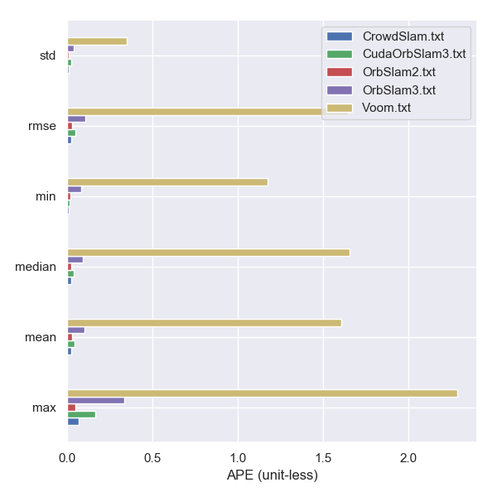
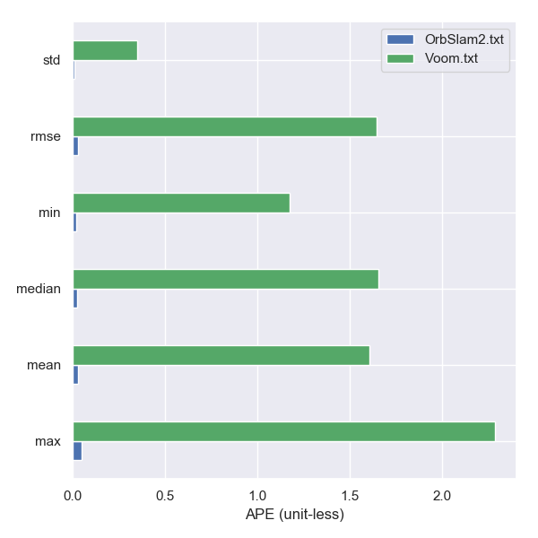
Median FPS
 | Crowd-SLAM | CUDAORB3 | ORB-SLAM2 | ORB-SLAM3 | VOOM
 | 15.95 | 41.65 | 28.84 | 24.12 | 3.52
Median FPS
 | ORB-SLAM2 | VOOM
 | 28.84 | 3.52

