Abhees
TEST CASE ID | MODULE | TEST CASE DESCRIPTION | TEST CASE STEPS | PRE-CONDITIONS | TEST DATA | EXCEPTED RESULT | ACTUAL RESULT | STATUS | ATTACHMENT
TC_AB_001 | Home page | Checking whether the logo of the website is readable and eyecatchy | 1.open Abhees website in a browser 2.access the homepage | 1.Internet connecion 2.Device Laptop/phone | NIL | The logo is eyecachy and readable | The logo need to be more upsized because it not that much readable and eyecatchy | FAIL | 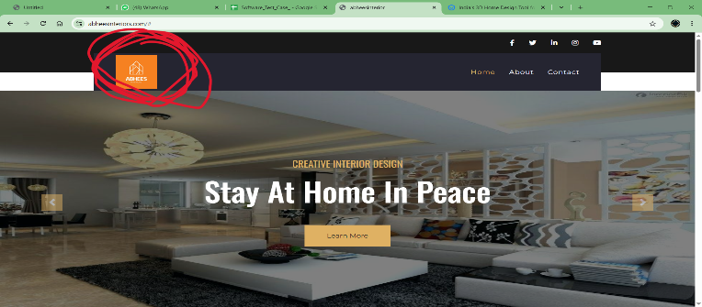
TC_AB_002 | Home page | Checking whether the website has their other social media platforms mentioned | 1.open Abhees website in a browser 2.access the homepage | 1.Internet connecion 2.Device Laptop/phone | NIL | They have mentioned other social media platforms in the website homepage | They should have mentioned their oher social media platforms like facebook,instagram,twitter,linkedin and youtube in their websie homepage | PASS | 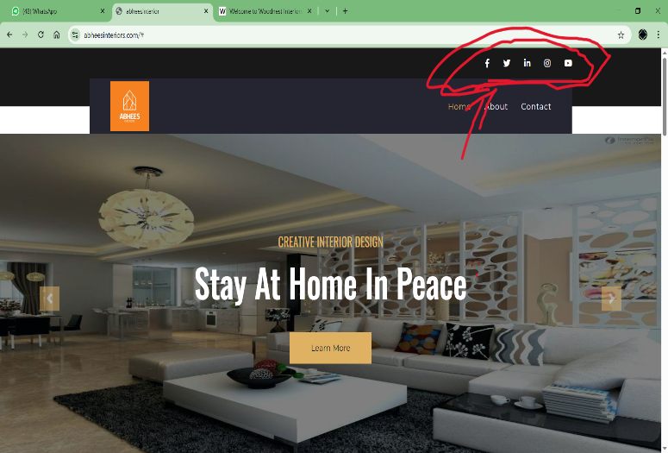
TC_AB_003 | Home page | Checking if a user can access into the other social media platforms using the links(icons) provided in website's homepage | 1.open Abhees website in a browser 2.access the homepage 3.click thesocial media icons in the homepage | 1.Internet connecion 2.Device Laptop/phone | NIL | The user should get access into the social media platform which the user clicked on | The icons are not responsive and the user can't get access into the desired social media platform | FAIL | 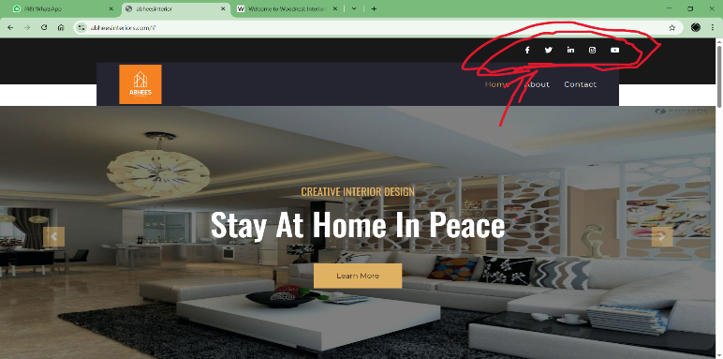
TC_AB_004 | Home page | Checking the website is responsive | 1.open Abhees website in a browser 2.access the homepage | 1.Internet connecion 2.Device Laptop/phone | NIL | The website should be responsive in across different devices | The website is responsive in across different devices smartphones and pc etc | PASS
TC_AB_005 | Home page | checking the option buttons like about,contact,home in the webpage is responsive and directed to the desired funtionality properly when clicked | 1.open Abhees website in a browser 2.access the homepage 3.click the option buttons which is at the top right of he home page | 1.Internet connecion 2.Device Laptop/phone | NIL | The buttons should be responsive and directed to the desired funtionality | The button are clickable but not responsive and it is not directin to its assigned funtionality | FAIL | 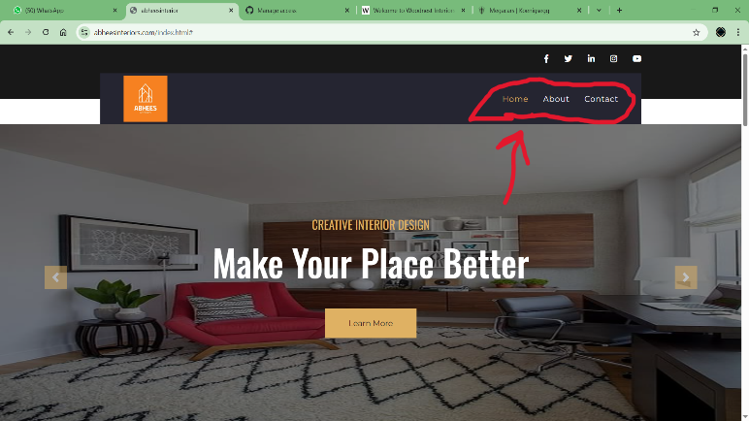
TC_AB_006 | Home page | Check the option button "learn more" is responsive,Clickable and directing to a webpage which conains detailed description about he firm "Abhees" | 1.open Abhees website in a browser 2.access the homepage 3.click the option button "learn more" which is at centre of the home page | 1.Internet connecion 2.Device Laptop/phone | NIL | The buttons should be responsive and directed to the desired funtionality | The buttons are clickable but it is not responding while clicked also not directing to its functionality | FAIL | 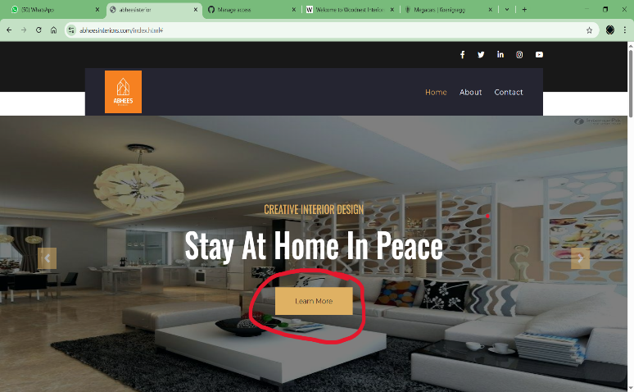
TC_AB_007 | Home page | Check whether the website contains a gallery to showcase their design models | 1.open Abhees website in a browser 2.access the homepage 3.check for the gallery in the home page | 1.Internet connecion 2.Device Laptop/phone | NIL | The website should contain a gallery to showcase the design models | The website have a gallery which contain the design model photos | PASS
TC_AB_008 | Home page | check the user can zoom in to the photos of the design model in the gallery | 1.open Abhees website in a browser 2.access the homepage 3.check the image in the gallery is enlarged (zoom in) | 1.Internet connecion 2.Device Laptop/phone | NIL | The websiite should provide the user a clear view(zoomed in view) of the design models in the gallery | The websiite does not provide the user a clear view(zoomed in view) of the design models in the gallery | FAIL | 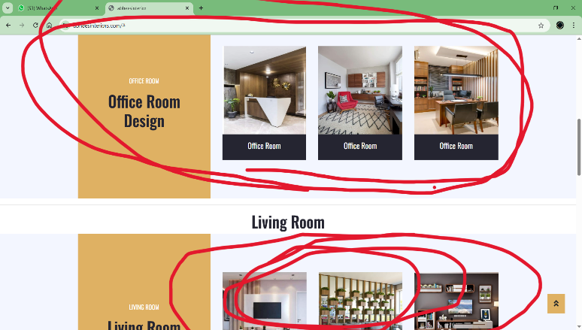
TC_AB_009 | Homepage | check if there is any opion to showcase the previous works,projects done by the company | 1.open Abhees website in a browser 2.access the homepage 3.check for option to see the previous works of the company | 1.Internet connecion 2.Device Laptop/phone | NIL | The website should have an option for the user to see the previous projects done by the company | The website dosen't have an option for viewong previous projects | FAIL
TC_AB_010 | Homepage | check if he address details in the homepage is valid and every deails are given | 1.open Abhees website in a browser 2.access the homepage | 1.Internet connecion 2.Device Laptop/phone | NIL | The website should give every fields in the address like place,company name,district,state and postal code | The website provides a detailed address including every fields of the address except postal code | FAIL | 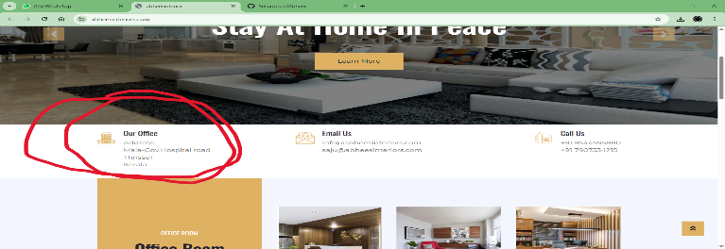
TC_AB_011 | Homepage | Check if the user gets a whatsapp contact directly from the website | 1.open Abhees website in a browser 2.access the homepage 3.look for whatsapp in the socials | 1.Internet connecion 2.Device Laptop/phone | NIL | The website should add an option for the user to directly access whatsapp from the website | The website does not have an option for direct access to the whatsapp of the company | FAIL | 

