Sheet1
TEST CASE ID | MODULE | TEST CASE DESCRIPTION | TEST CASE STEPS | PRE-CONDITIONS | TEST DATA | EXCEPTED RESULT | ACTUAL RESULT | STATUS | ATTACHMENT
TC_AB_001 | Home page | Checking whether the logo of the website is readable and eyecatchy | 1.open Abhees website in a browser 2.access the homepage | 1.Internet connecion 2.Device Laptop/phone | NIL | The logo is eyecachy and readable | The logo need to be more upsized because it not that much readable and eyecatchy | FAIL | 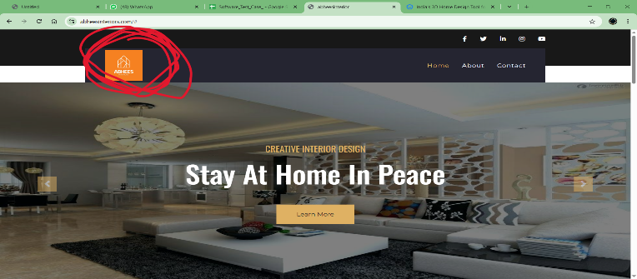
TC_AB_002 | Home page | Checking whether the website has their other social media platforms mentioned | 1.open Abhees website in a browser 2.access the homepage | 1.Internet connecion 2.Device Laptop/phone | NIL | They have mentioned other social media platforms in the website homepage | They should have mentioned their oher social media platforms like facebook,instagram,twitter,linkedin and youtube in their websie homepage | PASS | 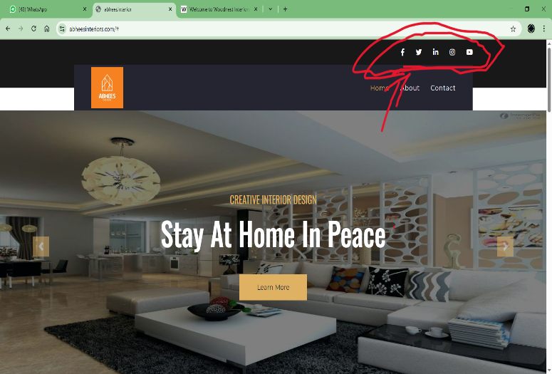
TC_AB_003 | Home page | Checking if a user can access into the other social media platforms using the links(icons) provided in website's homepage | 1.open Abhees website in a browser 2.access the homepage 3.click thesocial media icons in the homepage | 1.Internet connecion 2.Device Laptop/phone | NIL | The user should get access into the social media platform which the user clicked on | The icons are not responsive and the user can't get access into the desired social media platform | FAIL
TC_AB_004 | Home page | Checking the website is resposive | 1.open Abhees website in a browser 2.access the homepage | 1.Internet connecion 2.Device Laptop/phone | NIL | The website should be responsive in across different devices | The website is responsive in across different devices smartphones and pc etc | PASS

