GenerateToken
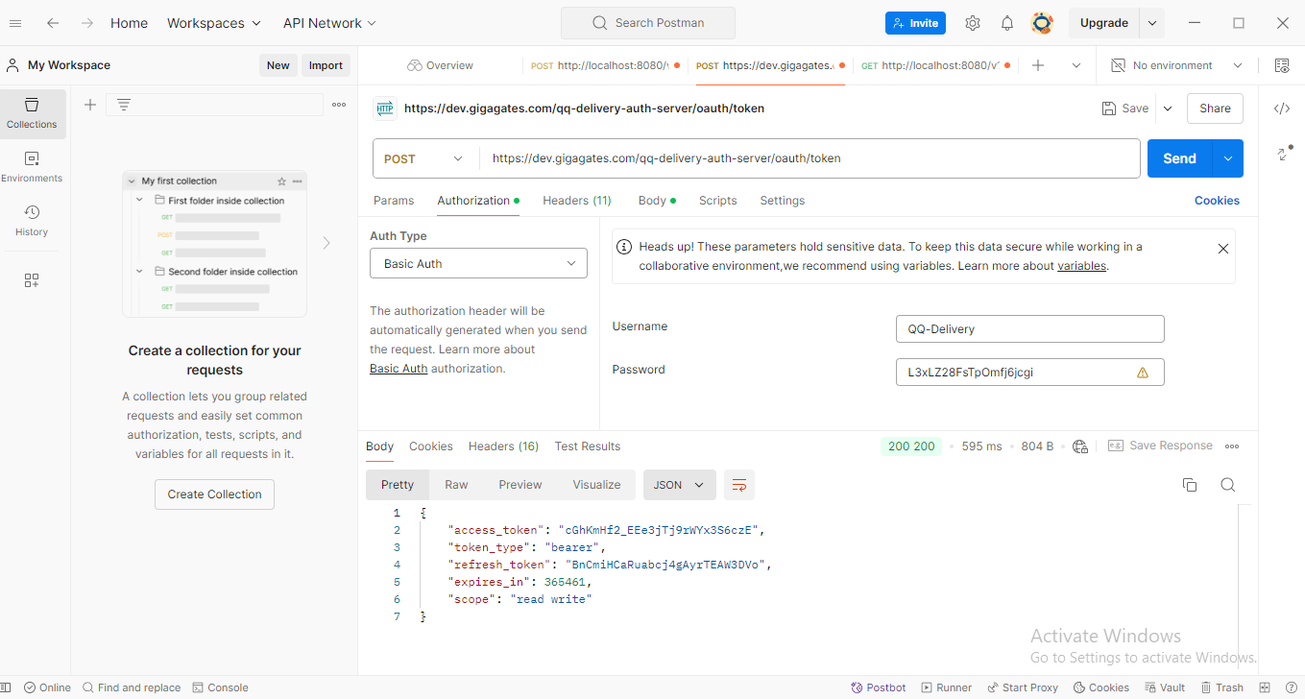
Fill the following data and click "Send" Button.

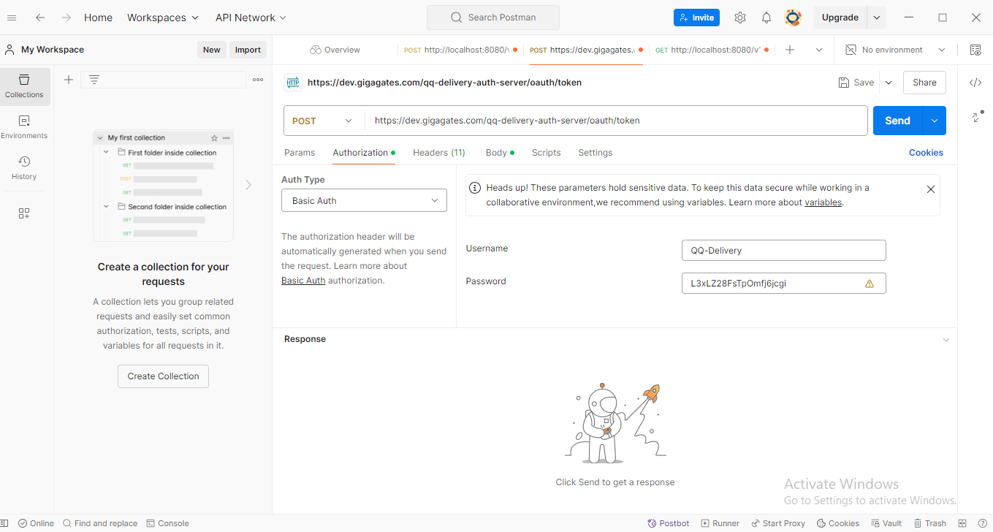

Result

LocalTest
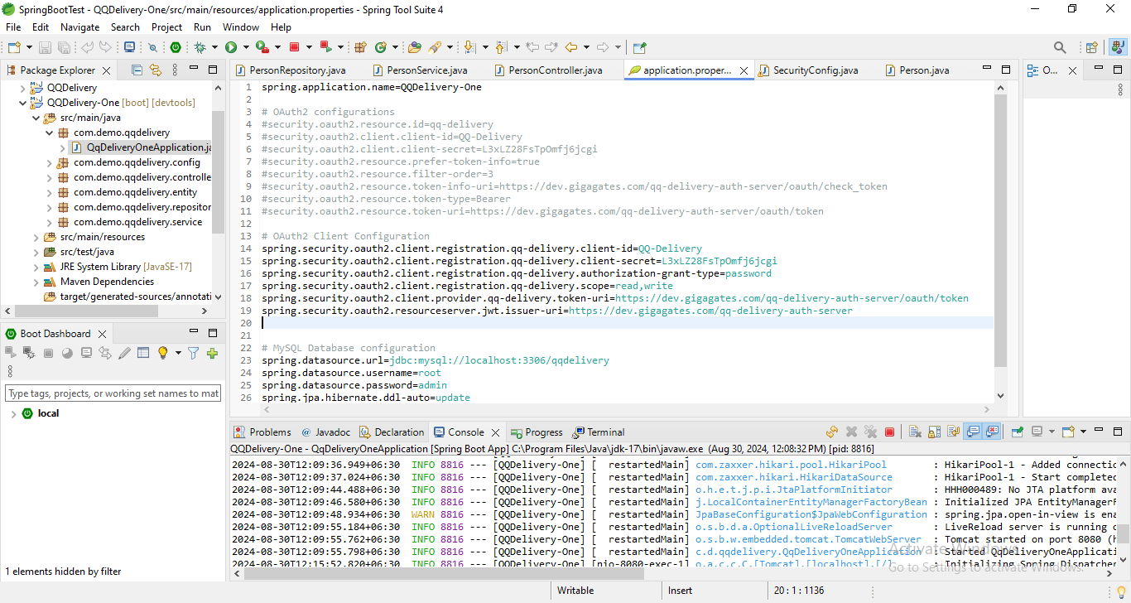
Firstly, run the springboot application.

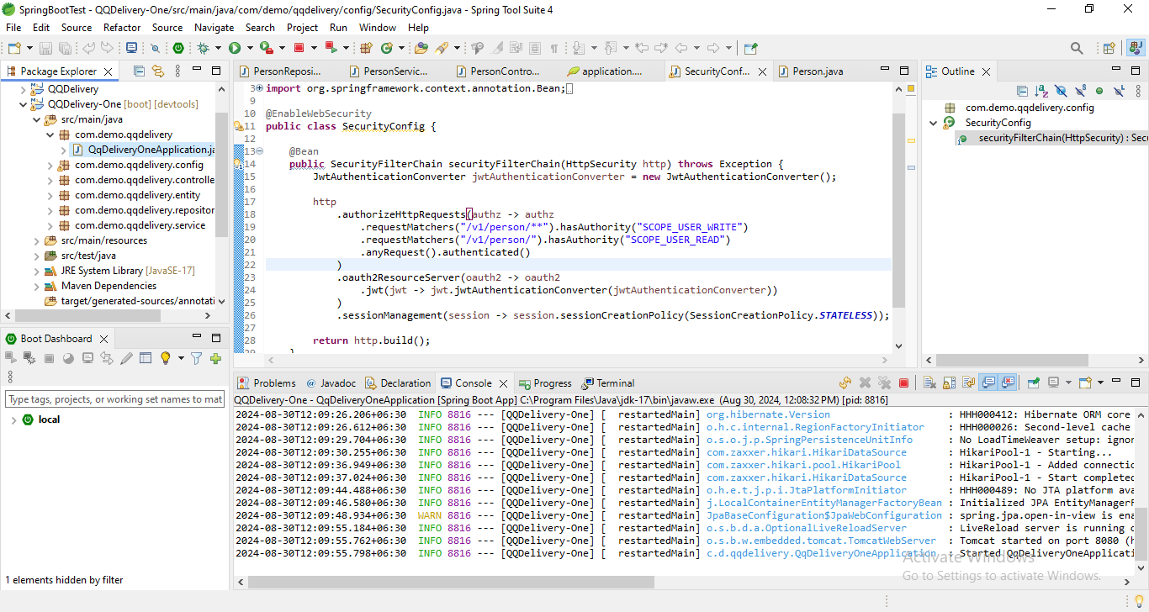

Next, please the following input data and click "Send" Button.

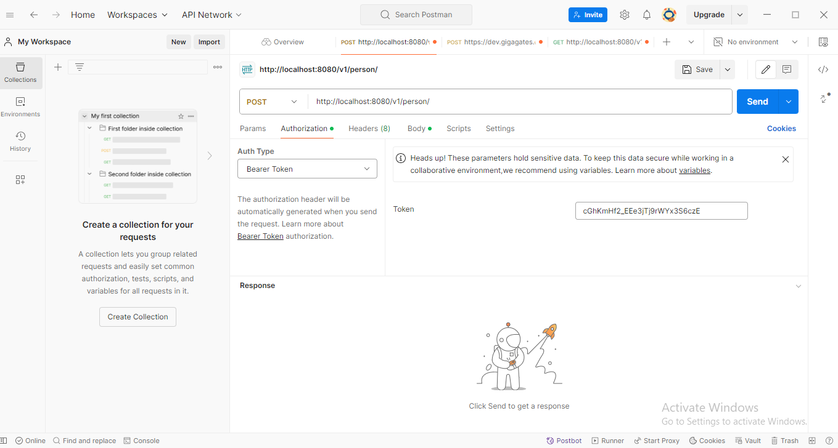

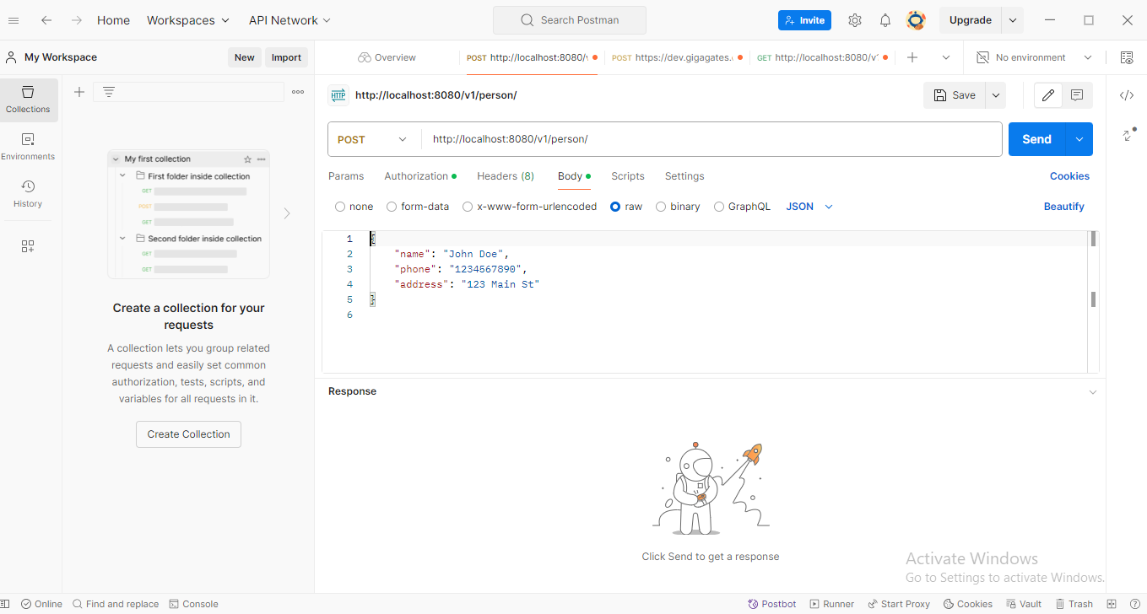

Result

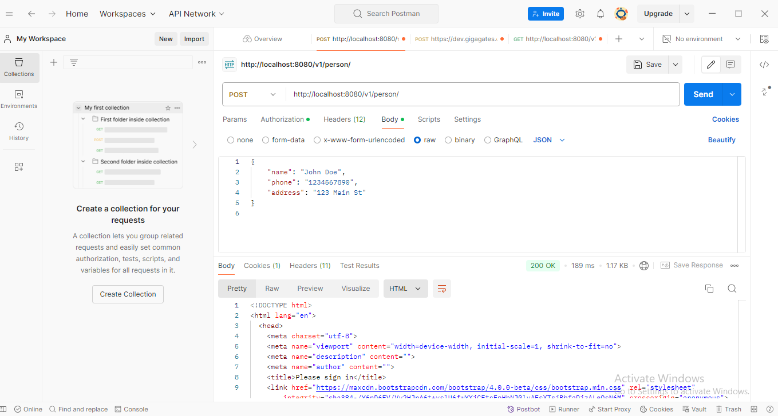

Mysql Result

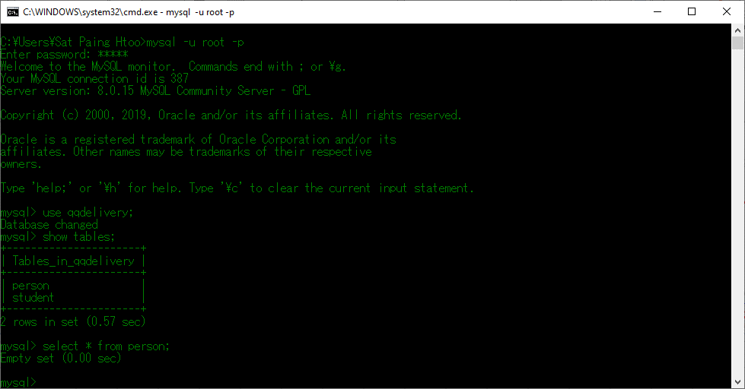

** I think the error is occurred at "SecurityConfig.java".
** The provided config info by you is older version and not working in later spring version.
** So, I changed config info as the following figures. But some method is not working for authenticated for your authority server.
** May be my "SecurityConfig.java" code file is a little bit missing for some authentication.
** The deadline is today and I send the code file for you. Thanks for giving knowledge and support me.

