Sheet
Bone Predictor |  |  | 2021-11-13 00:53:51

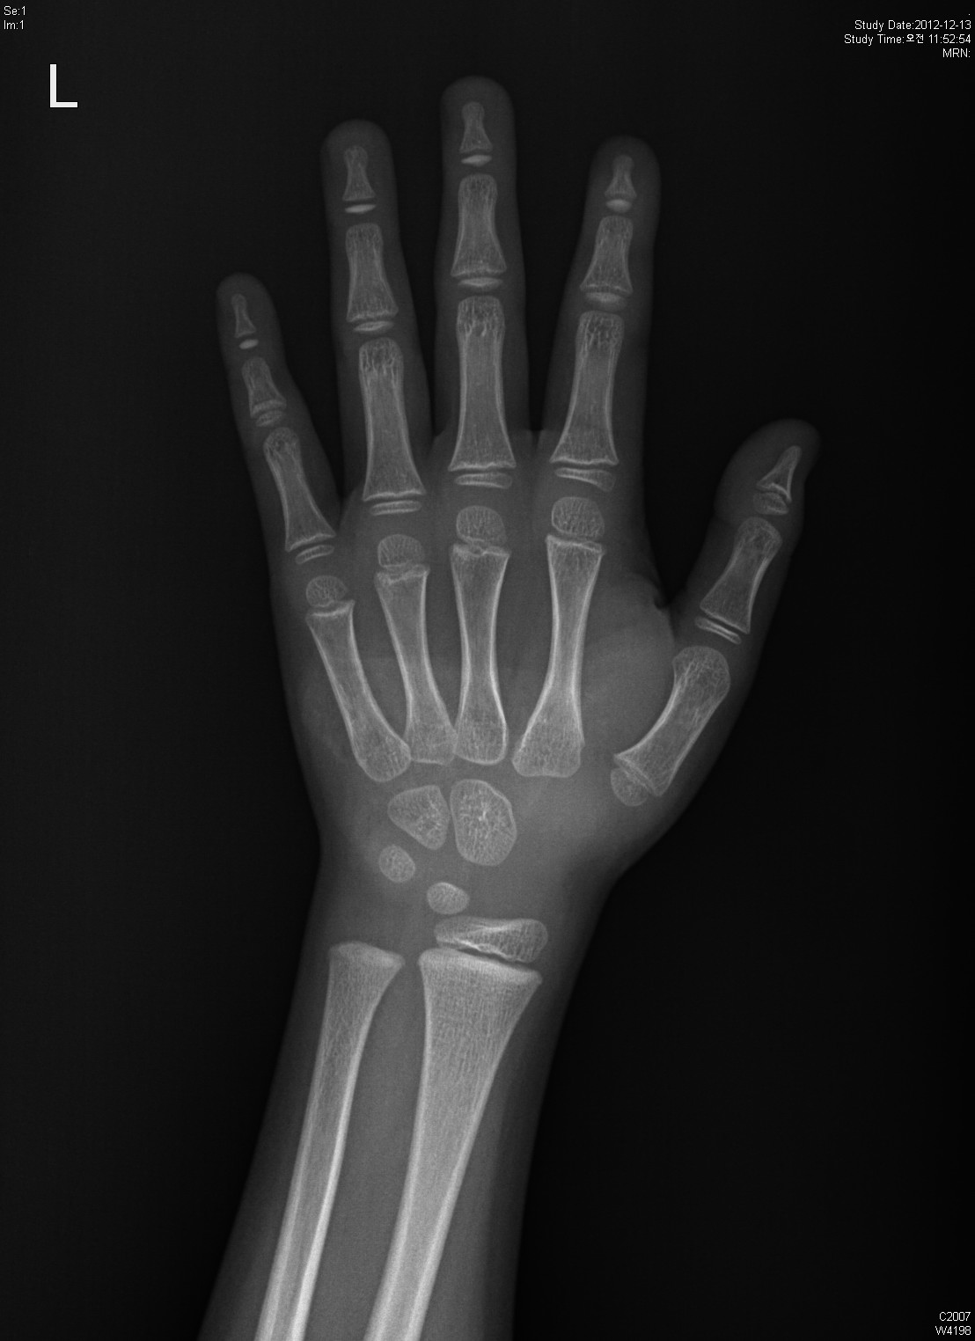
Information

Name : | Test

Gender : | Male

Age : | 6.0

Height : | 112.0

Diagnosis Bone Age

Bone Age : | 6.15

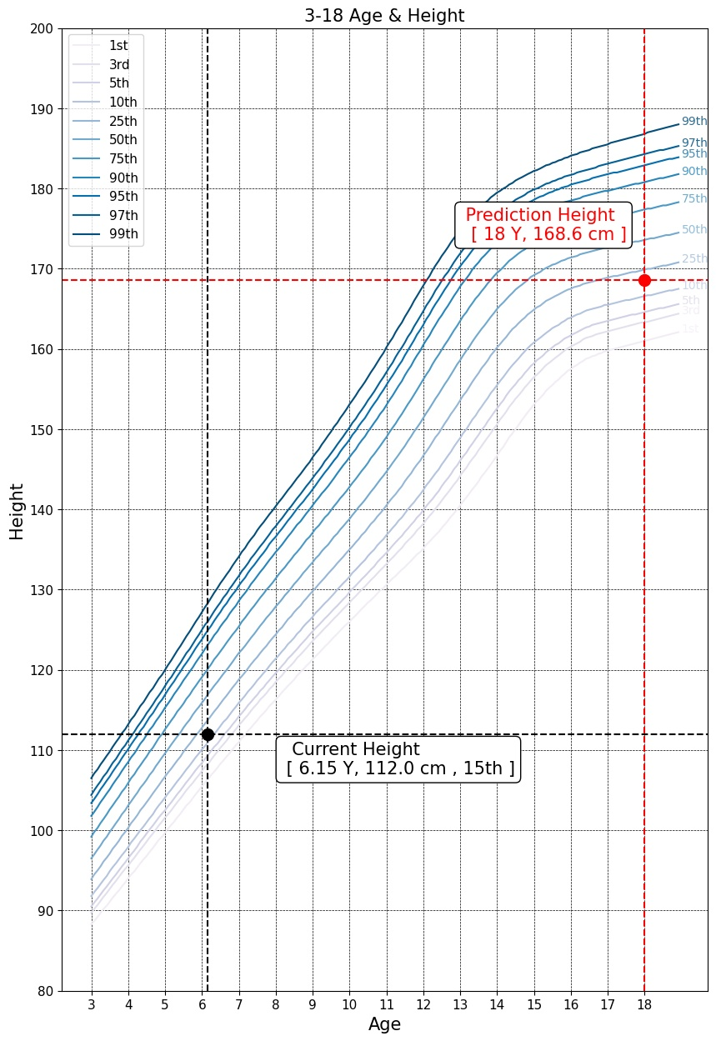

Predicted Height Growth

Current height percentile : |  | 15th

Predicted Height Growth : |  | 168.6
(based on 18 years old)

