Sheet
Bone Predictor |  |  | 2021-11-10 18:18:57

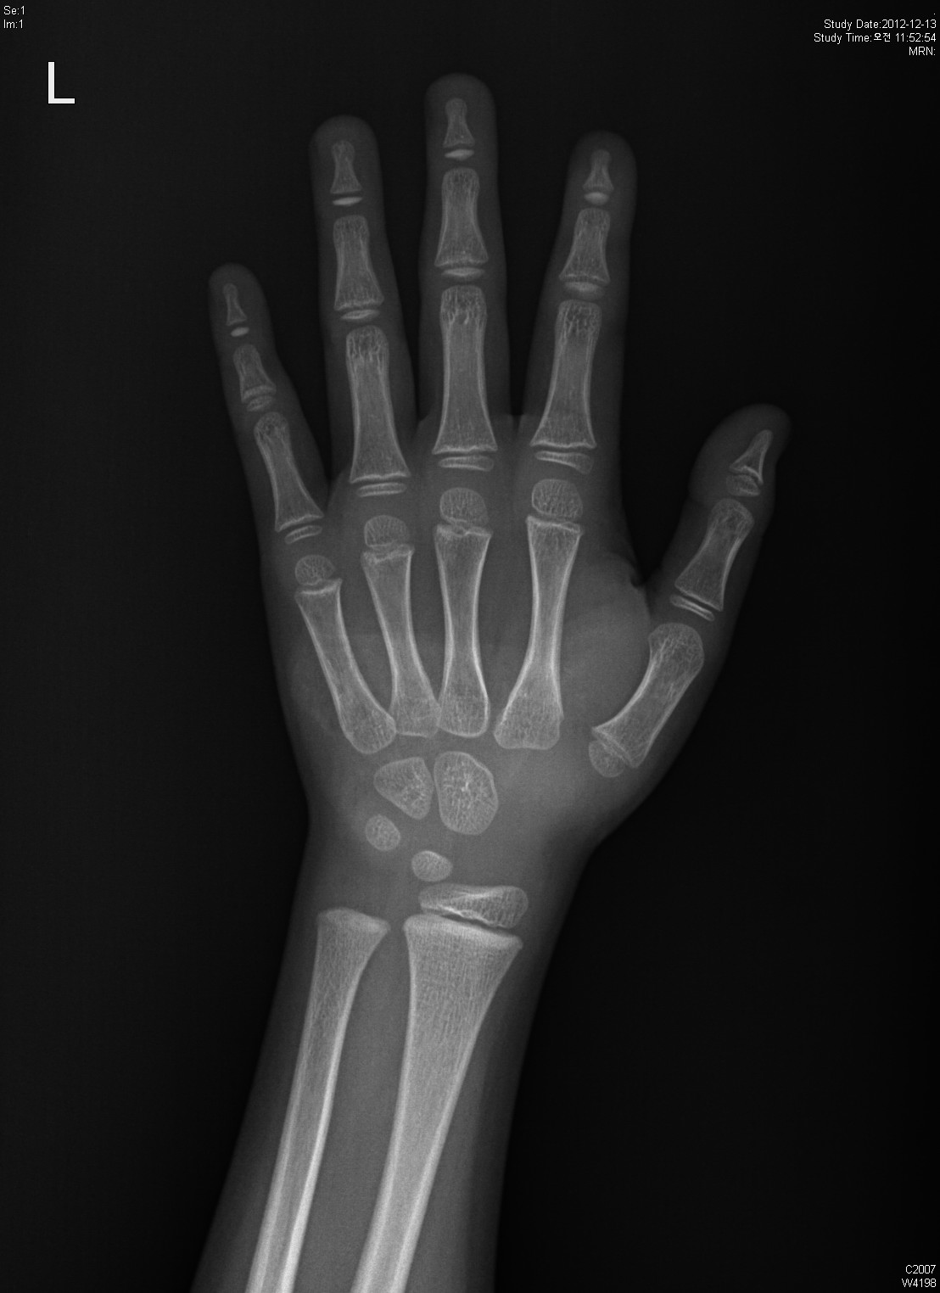
Information

Name : | ddd

Gender : | Male

Age : | 6.0

Height : | 115.0

Diagnosis Bone Age

Bone Age : | 6.15

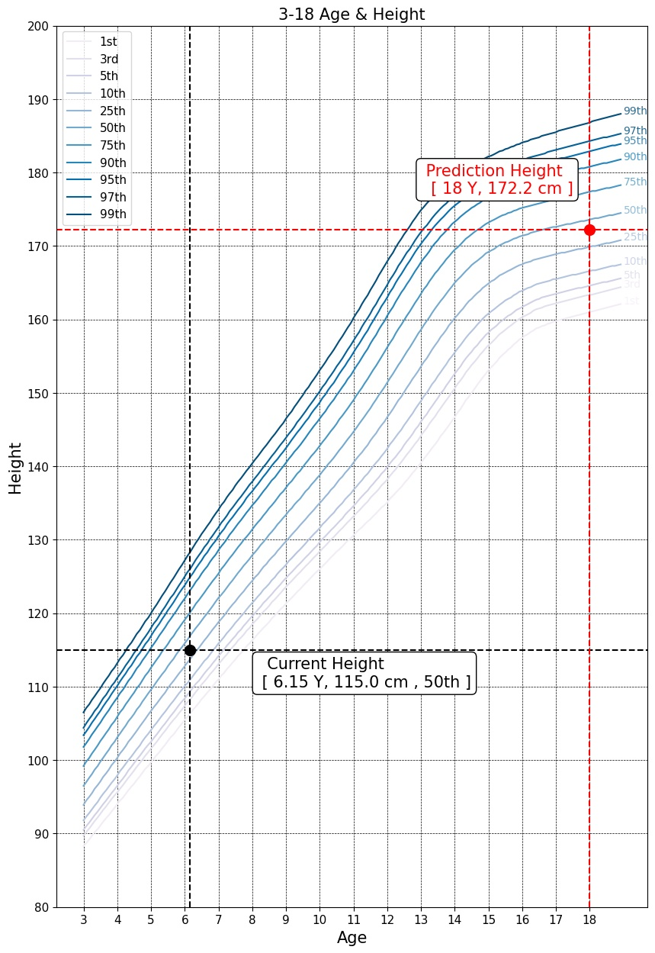

Predicted Height Growth

Current height percentile : |  | 50th

Predicted Height Growth : |  | 172.2
(based on 18 years old)

