Sheet
Bone Predictor |  |  | 2021-11-10 18:36:09

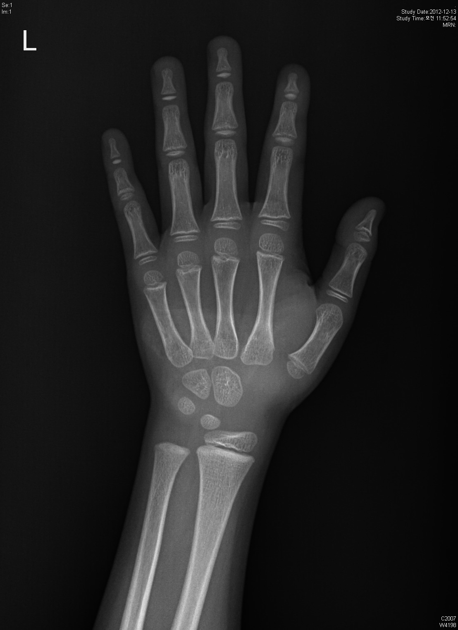
Information

Name : | sample

Gender : | Female

Age : | 6.0

Height : | 121.1

Diagnosis Bone Age

Bone Age : | 5.18

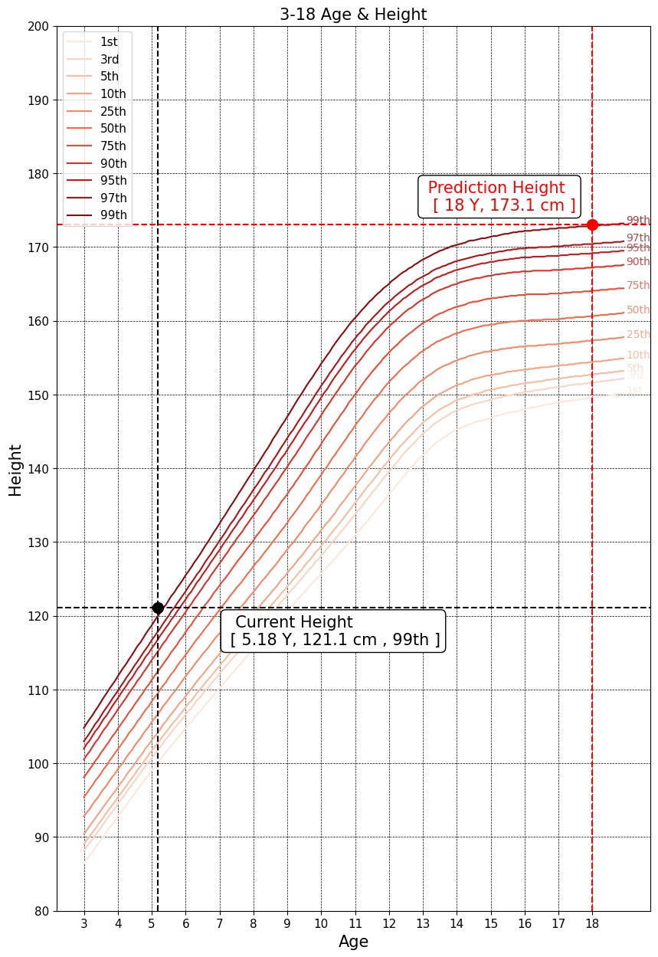

Predicted Height Growth

Current height percentile : |  | 99th

Predicted Height Growth : |  | 173.1
(based on 18 years old)

