Sheet
Bone Predictor

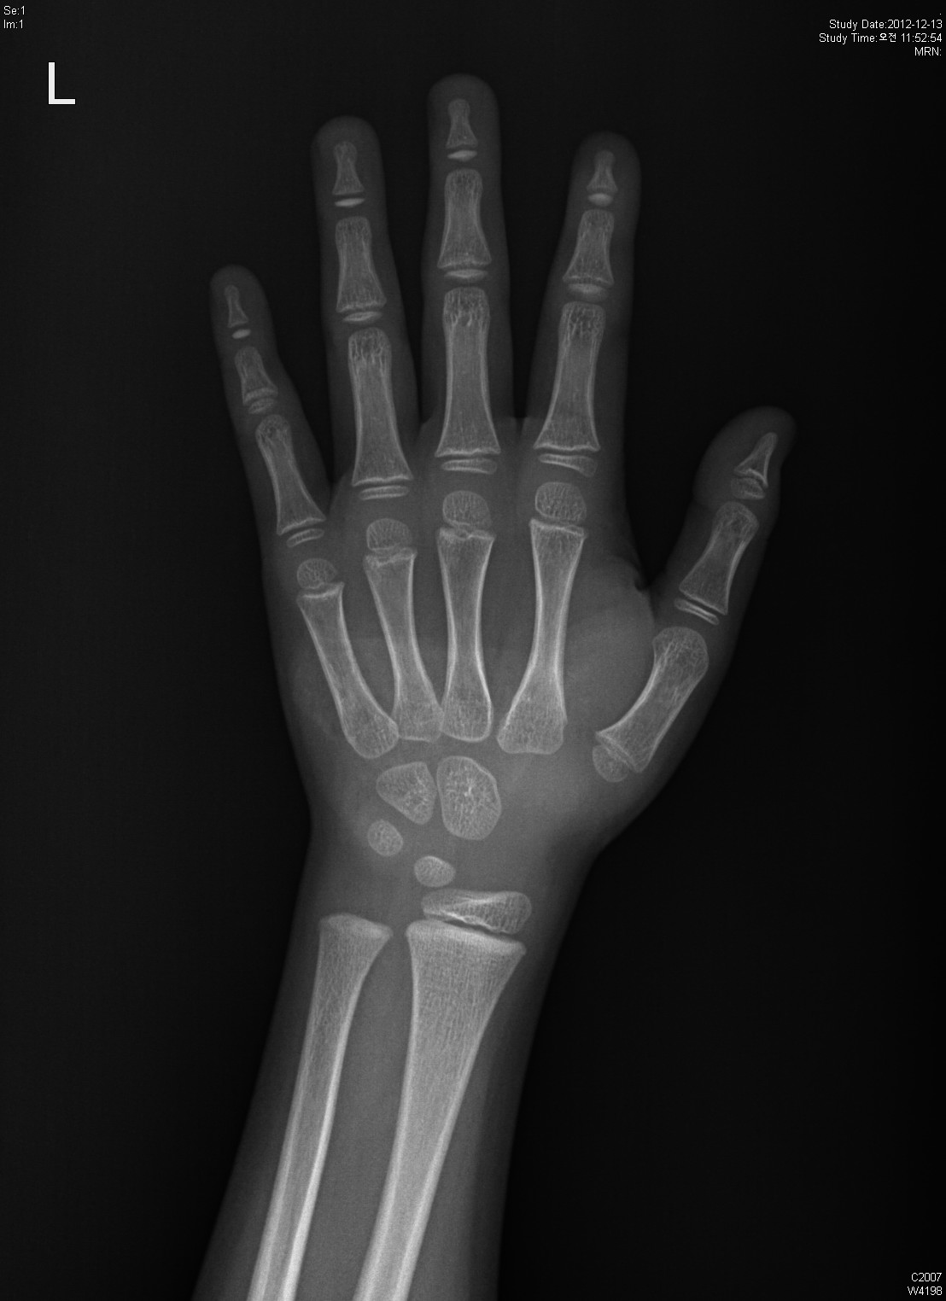
Information

Name : 몰라

Gender : Male

Age : 6.0

Height : 110.0

Diagnosis Bone Age

Bone Age : 6.15

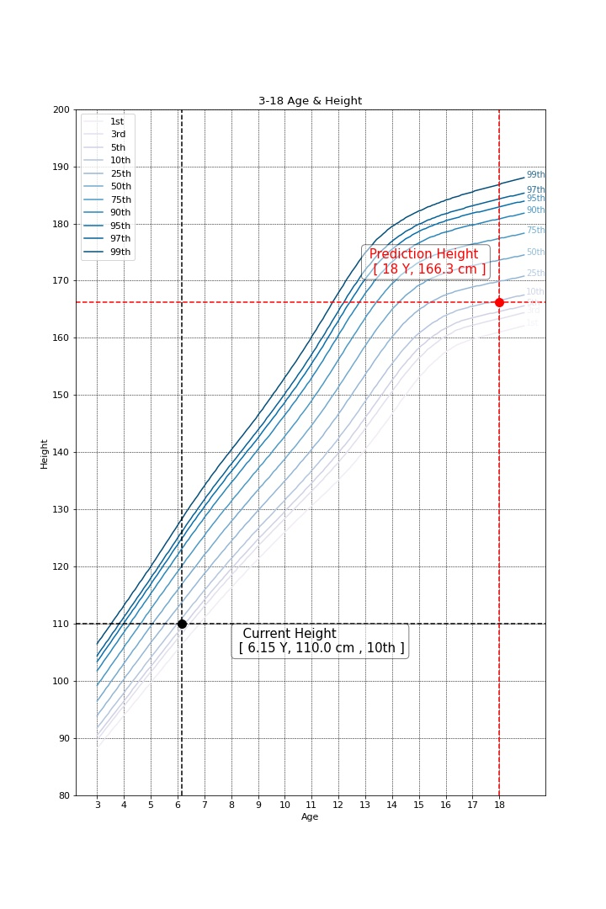

Predicted Height Growth

Current height percentile : 10th

Predicted Height Growth : 166.3
(based on 18 years old)

