Sheet
Bone Predictor |  |  | 2021-11-10 20:29:21

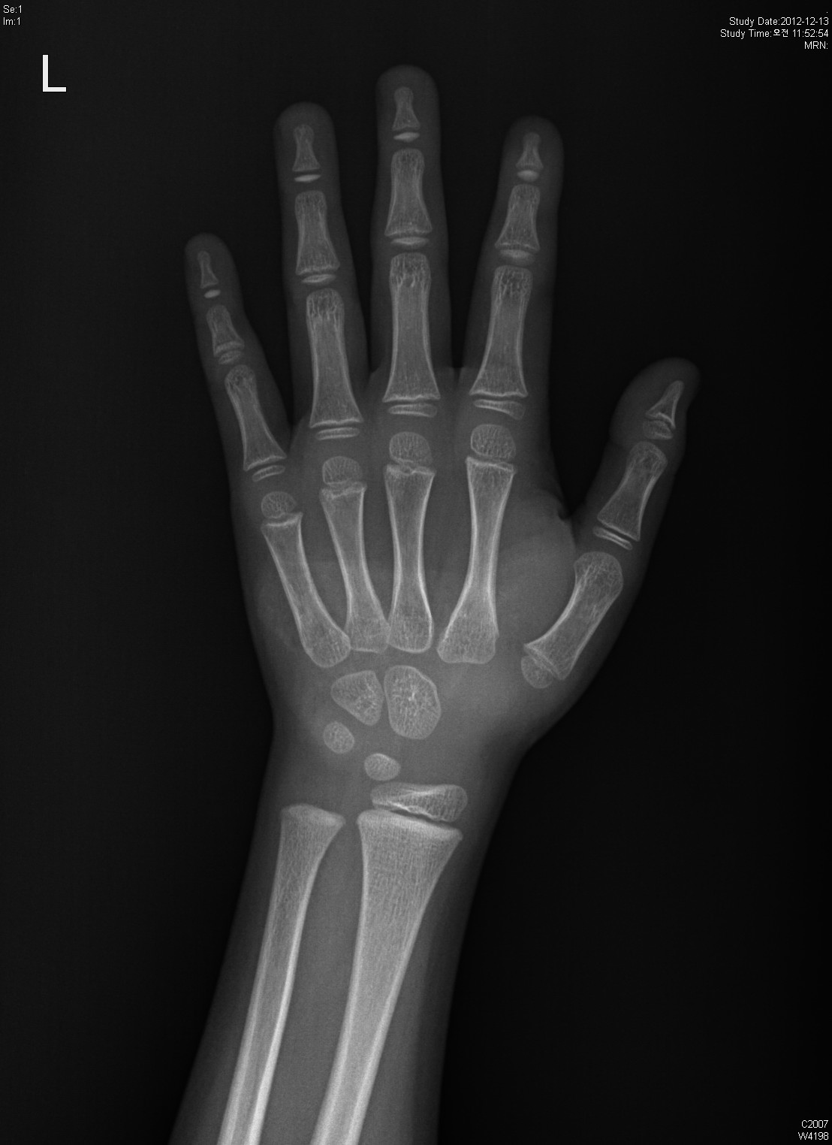
Information

Name : | 홍길동

Gender : | Male

Age : | 6.0

Height : | 120.0

Diagnosis Bone Age

Bone Age : | 6.15

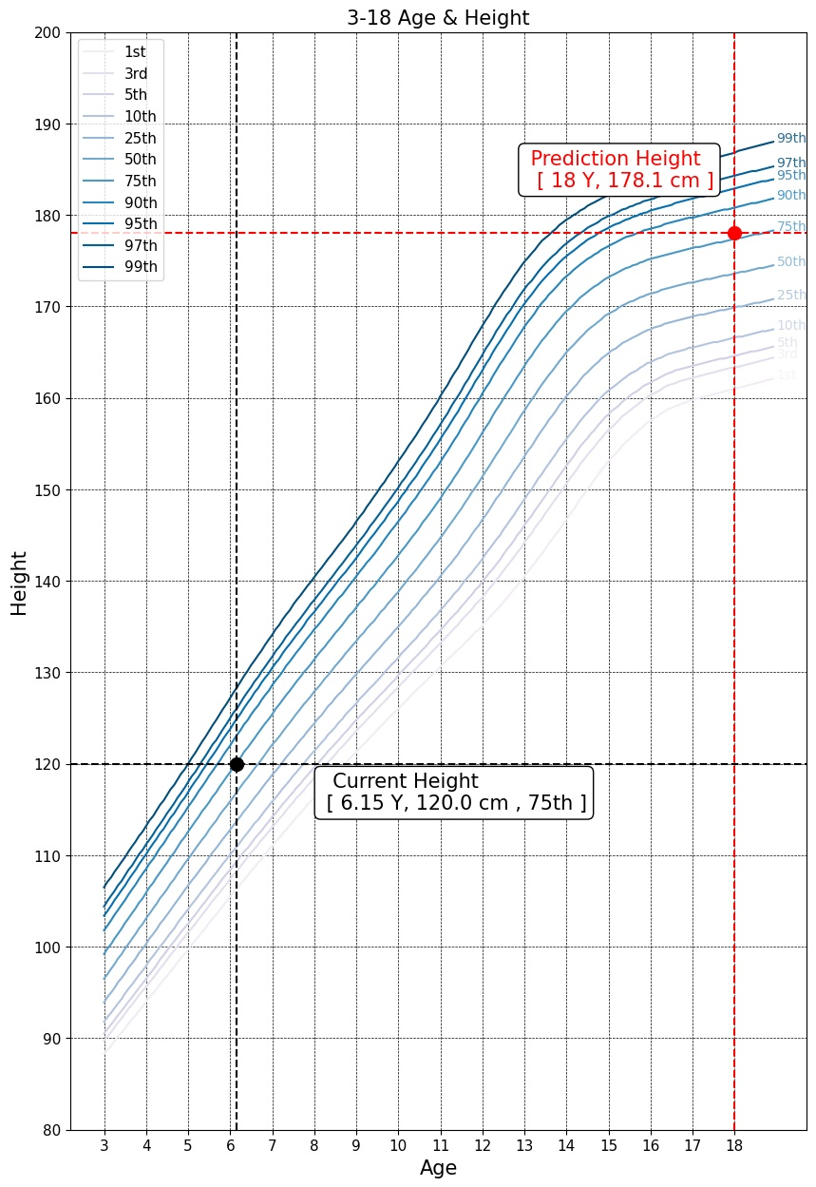

Predicted Height Growth

Current height percentile : |  | 75th

Predicted Height Growth : |  | 178.1
(based on 18 years old)

