AMDC
Group | Designator | Description | Type | Specification | Connector | Pin | Mating Connector | Wire Gauge | Component P/N | Notes
Power | Vin | +24Vdc AMDC Logic Power | Power_In | 20-34Vdc, 0.5A | 1x2 screw terminal | 1 | N/A | 12-26AWG
Power | Gnd_In | Ground | Power | Ground, isolated |  | 2

Vdrive | Vdrive | PWM voltage source positive | Power_In | 5-18Vdc | 1x2 screw terminal | 1 | N/A | 12-26AWG
Vdrive | Gnd_drive | PWM voltage source gnd | Power | Ground |  | 2

Vps | Vps | Gate Driver PS Positive- Pass through | Power_In | 2A max | 1x2 screw terminal | 1 | N/A | 12-26AWG
Vps | Gnd_ps | Gate Driver PS Ground - pass through | Power | Ground |  | 2

Estop | Estop_out | E-stop sense line out | Output | closed ckt, drive enabled | 1x2 screw terminal | 1 | N/A | 12-26AWG
Estop | Estop_in | E-stop sense line In | Input |  |  | 2

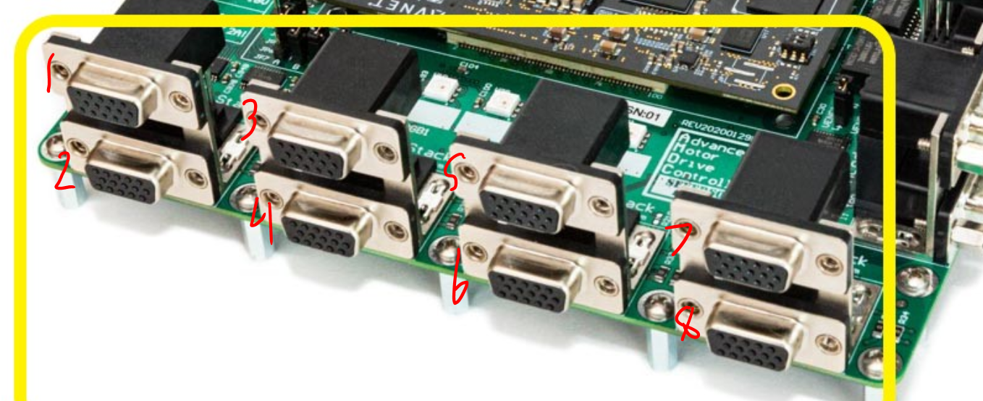
InverterCntrl1 | INV1_PWM1 | Inverter 1 PWM output 1 | Output | PWM bridge signal, level determined by Vdrive | 3 Row DB-15 - Female | 1 | 3 Row DB-15 Male | 24-28 AWG |  | Rinse Repeat x8
InverterCntrl1 | INV1_PWM2 | Inverter 1 PWM output 2 | Output | PWM bridge signal, level determined by Vdrive |  | 2 |  |  |  | Top is odd, Bottom is Even on stacked DB-15
InverterCntrl1 | INV1_PWM3 | Inverter 1 PWM output 3 | Output | PWM bridge signal, level determined by Vdrive |  | 3
InverterCntrl1 | INV1_PWM4 | Inverter 1 PWM output 4 | Output | PWM bridge signal, level determined by Vdrive |  | 4
InverterCntrl1 | INV1_PWM5 | Inverter 1 PWM output 5 | Output | PWM bridge signal, level determined by Vdrive |  | 5
InverterCntrl1 | INV1_PWM6 | Inverter 1 PWM output 6 | Output | PWM bridge signal, level determined by Vdrive |  | 6
InverterCntrl1 | Gnd | Inverter PWM ground reference | Power_Out | Vdrive ground |  | 7
InverterCntrl1 | STS_A_1 | Inverter Status A | I/O | 3.3 or 5v Vdd ref, can be set as Input or Output |  | 8 |  |  |  | Single jumper det'ns I or O for A-D
InverterCntrl1 | STS_B_1 | Inverter Status B | I/O | 3.3 or 5v Vdd ref, can be set as Input or Output |  | 9
InverterCntrl1 | STS_C_1 | Inverter Status C | I/O | 3.3 or 5v Vdd ref, can be set as Input or Output |  | 10
InverterCntrl1 | STS_D_1 | Inverter Status D | I/O | 3.3 or 5v Vdd ref, can be set as Input or Output |  | 11
InverterCntrl1 | Vps | Gate driver PS positive | Power_In | 2A max |  | 12
InverterCntrl1 | Vdd | Status reference V output | Power_Out | Set either 3.3 or 5V via jumper |  | 13
InverterCntrl1 | Gnd_ps | Gate driver PS Ground | Power_In | Ground |  | 14
InverterCntrl1 | Gnd | Status reference V output Gnd | Power_Out | Status ref ground |  | 15
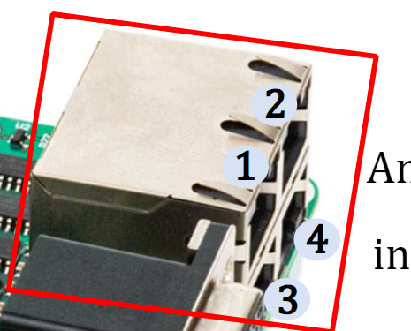
Analog1 | Analog_P1 | Differential Analog ADC Positive input 1 | Input | +/-10V differential signal | RJ-45 - Female | 1 | RJ45 - Male | 22-24 AWG |  | Rinse Repeat x4
Analog1 | Analog_N1 | Differential Analog ADC Negative input 1 | Input |  |  | 2
Analog1 | Vanalog_P | +15V analog measurement positive voltage | Power_Out | +15Vdc reference signal from AMDC |  | 3
Analog1 | Gnd | Ground | Power_Out | analog measurement power ground |  | 4
Analog1 | Vanalog_N | -15V analog measurement negative voltage | Power_Out | -15Vdc reference signal from AMDC |  | 5
Analog1 | Gnd | Ground | Power_Out | analog measurement power ground |  | 6
Analog1 | Analog_P2 | Differential Analog ADC Positive input 2 | Input | +/-10V differential signal |  | 7
Analog1 | Analog_N2 | Differential Analog ADC Negative input 2 | Input |  |  | 8

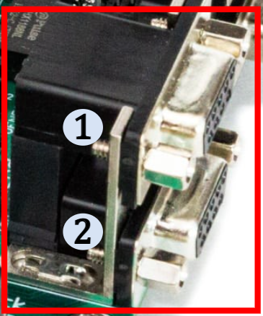
Encoder1 | A | Differential encoder A positive | Input | 0-5V unipolar | DB9 - Female | 1 | DB9 - Male | 24-28 AWG |  | Rinse Repeat x2
Encoder1 | !A | Differential encoder A negative | Input |  |  | 2
Encoder1 | B | Differential encoder B positive | Input | 0-5V unipolar |  | 3
Encoder1 | !B | Differential encoder B negative | Input |  |  | 4
Encoder1 | Z | Differential encoder Z positive | Input | 0-5V unipolar |  | 5
Encoder1 | !Z | Differential encoder Z negative | Input |  |  | 6
Encoder1 | 5V | Optional +5V encoder power | Power_Out | Short JP2/JP3 to enable power to Encoder1 or 2 |  | 7
Encoder1 | GND | encoder ground | Power_Out |  |  | 8
Encoder1 | GND | encoder ground | Power_Out |  |  | 9

GPIO1 | +5V |  | Power_Out | +5Vdc output | 3 Row DB-15 - Female | 1 | 3 Row DB-15 Male | 24-28 AWG |  | Rinse Repeat x4
GPIO1 | GPIO1_IN1_P | Differential GPIO In1 positive | Input | 0-5V unipolar |  | 2
GPIO1 | GPIO1_IN1_N | Differential GPIO In1 negative | Input |  |  | 3
GPIO1 | GPIO1_IN2_P | Differential GPIO In2 positive | Input | 0-5V unipolar |  | 4
GPIO1 | GPIO1_IN2_N | Differential GPIO In2 negative | Input |  |  | 5
GPIO1 | +24V |  | Power_Out | +24Vdc output |  | 6
GPIO1 | GPIO1_IN3_P | Differential GPIO In3 positive | Input | 0-5V unipolar |  | 7
GPIO1 | GPIO1_IN3_N | Differential GPIO In3 negative | Input |  |  | 8
GPIO1 | GPIO1_OUT3_P | Differential GPIO Out3 positive | Output | 0-5V unipolar |  | 9
GPIO1 | GPIO1_OUT3_N | Differential GPIO Out3 negative | Output |  |  | 10
GPIO1 | Gnd |  | Power_Out |  |  | 11
GPIO1 | GPIO1_OUT1_P | Differential GPIO Out1 positive | Output | 0-5V unipolar |  | 12
GPIO1 | GPIO1_OUT1_N | Differential GPIO Out1 negative | Output |  |  | 13
GPIO1 | GPIO1_OUT2_P | Differential GPIO Out2 positive | Output | 0-5V unipolar |  | 14
GPIO1 | GPIO1_OUT2_N | Differential GPIO Out2 negative | Output |  |  | 15

JTAG/UART | JTAG_UART | JTAG & UART combo interface | I/O | USB | USB-B | - | USB

Ethernet | ETHERNET | Ethernet expansion | I/O | Ethernet | RJ45 - Female | - | RJ-45 - Male

