1. Title Page
[Instacard Grocery Basket Analysis]

Project Name: Instacard Grocery Basket Analysis
Date:8/16/2022
Analyst Name: Emine Seyda Tatlicioglu

Contents:
Population Flow
Consistency checks
Wrangling steps
Column derivations
Visualizations
Recommendations

2. Population Flow
Title page

Population flow

Exclusion flag
Condition: max_order < 5
Obervations to be removed: 1,441,548
Final total count of order_products_all: 30,964,564

Orders_products_combined
Orders_products_merged
Orders_products_all

Total: 32,404,859
Total: 32,434,489
Total: 30,964,564

1.) The grey boxes in the first row of the population flow represent the original data sets as they were when you downloaded them. In the Total fields you need to add the count of the rows when you imported the data set into Jupyter.
2.) The second row of boxes (coloured) represents the data sets after you manipulated them, e.g., removed missing values and duplicates. In the Total fields you need to add the count of the rows after conducting these operations. This offers a visual oveview of how the data flows throughout the data consistency checks.
3.) The third row, where also the arrows are coloured, represents the merges you performed between the datasets. In the Total fields you need to add the count of the rows in the merged datasets, so that you end up with the final dataset (in the red box). Keep in mind the final dataset should be without exclusions (based on the exclusion flag).

3. Consistency checks
 |  |  |  | Title page
Consistency checks

Dataset | Missing values | Missing values treatment | Duplicates
orders | 206209 Nan - days_since_prior_orders | Nan indicates first orders since there is no prior order for these customers. I wrote '0' day for days_since_prior_orders
products | 16 Nan - product_name | removed | 5 duplicates
 | 2 prices are described as outliers | rename as Nan
orders_products_prior
customers | 11259 Nan - First name column | nothing

4. Wrangling steps
 |  |  |  | Title page
Wrangling steps

Orders
Columns dropped | Columns renamed | Columns' type changed | Comment/Reason
eval_set | order_dow column name is changed in order data set to "order_day_of_week". | order_id data type is changed from integer to string. | data type has been changed from integer to string

Customers
Columns dropped | Columns renamed | Columns' type changed | Comment/Reason
first_name | First_name > first_name | user_id | data type had been changed to string
last_name | Last_name > last_name
 | STATE > state
 | Gender > gender
 | Age > age

5. Column derivations
 |  |  |  | Title page

Column derivations and aggregations

In this tab you should add tables below that the frequences of flags/label variables that you produced after deriving them. NB: don't do this for continuous variables, only for flags.
Dataset | New column | Column/s it was derived from | Conditions
orders_products_merged_periods | price_range | prices | > $15 is 'high-range' between $5 and $15 is 'mid-range product' <= $5 is 'low-range product'
orders_products_merged_periods | max_order | order_number | when grouping by user, find the order number they have made
orders_products_merged_periods | busiest_days | order_day_of_week | [0,1] days are 'busiest days, [3,4] days are 'slowest days', [2,5,6] days are 'regularly busy' .
orders_products_merged_periods | busiest_period_of_day | order_hour_of_day | >= 9 and <=16 is 'most orders, <= 6 is 'fewest orders', else 'average orders'
orders_products_merged_flags | loyalty_flag | max_order | > 40 orders is 'loyal customer' between 10 and 40 orders is 'regular customer' <= 10 orders is 'new customer'
orders_products_merged_flags | avg_price | prices | when grouping by user, find the mean of the prices they spend
orders_products_merged_flags | spender_flag | avg_price | <10 is 'low spender', >= 10 is 'high spender'
orders_products_merged_flags | median_order_frequency | days_since_prior_order | when grouping by user_id, find the median of their days_since_prior_order
orders_products_merged_flags | customer_behavior | median_order_frequency | >20 is 'non_frequent customer', >10 and <= 20 is 'regular customer', <=10 'frequent customer'
final_dataset | region | state | locate state within region group and apply it to a new variable
final_dataset | exclusion | max_order | Less than 5 orders = excluded
orders_products_merged | age_group | age | <= 24 'young adult' , >24 and <= 64 'adult' , >=65 'senior,
orders_products_merged | dependent_flag | number_of_dependents | number_of_dependents= 0 is 'no dependent' >0 is 'parent'
orders_products_merged | income_flag | income | Income Breakdown Below 52,000 = Low Income Between 52,000 & 156,000 = Middle Income Above 156,000 = Upper Income
final_dataset | department_flag | department_id | deparment_id = 8 is 'pet_owner

6. Visualizations
 |  | Title page

Visualisations

In this tab you should include all the visualtions from Exercises 4.9 and 4.10, alongside the questions from the project brief that they answer. Include any commentary on the relationship between different variables.

Question #1: The sales team needs to know what the busiest days of the week and hours of the day are (i.e., the days and times with the most orders) in order to schedule ads at times when there are fewer orders.


Busiest hours of the day
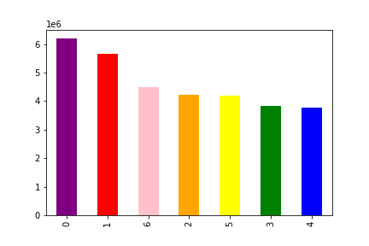
Busiest days of the week

0 = Saturday
1 = Sunday
2 = Monday
3 = Tuesday
4 = Wednesday
5 = Thursday
6 = Friday

hours of the day
days

Question #2: They also want to know whether there are particular times of the day when people spend the most money, as this might inform the type of products they advertise at these times.

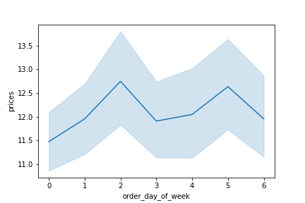
Spendings by day

0 = Saturday
1 = Sunday
2 = Monday
3 = Tuesday
4 = Wednesday
5 = Thursday
6 = Friday

Question #3: Instacart has a lot of products with different price tags. Marketing and sales want to use simpler price range groupings to help direct their efforts.

Prices of products purchased

Prices

Question #4: Are there certain types of products that are more popular than others? The marketing and sales teams want to know which departments have the highest frequency of product orders.

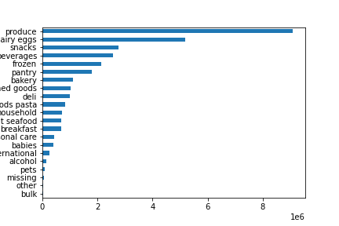
Popularity of products

orders frequency

Question #5: The marketing and sales teams are particularly interested in the different types of customers in their system and how their ordering behaviors differ.

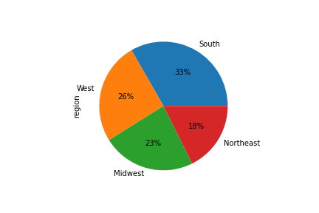
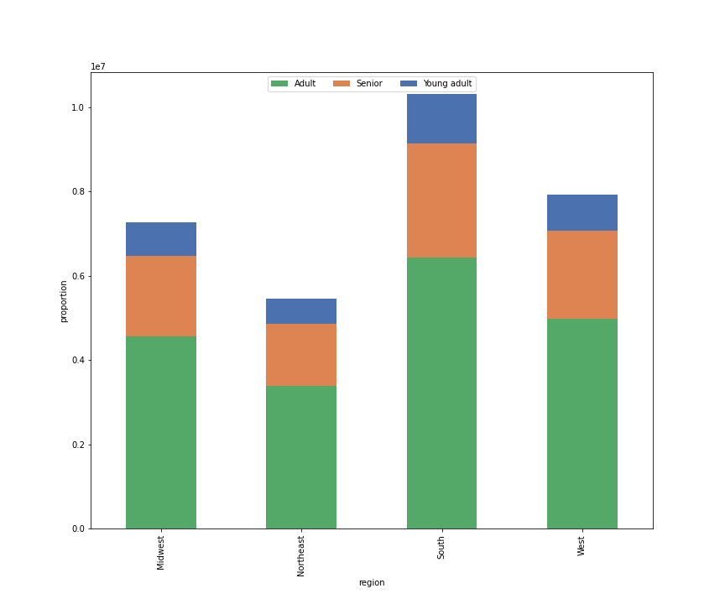
Customer age distribution by region
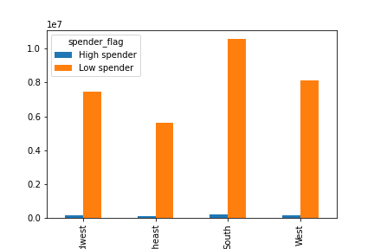
Spending behavior by region
 | * Customer distribution by region

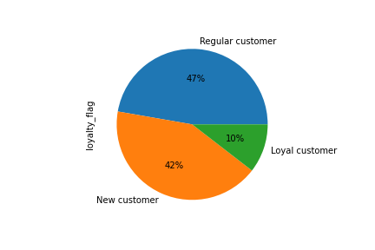
Customer loyalty distribution in Instacart

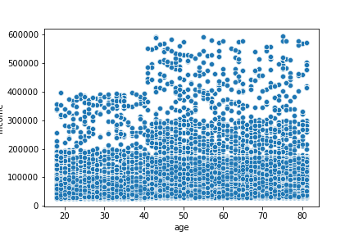
Customers' age by income
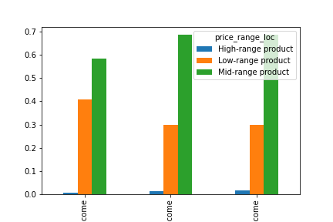
Price range purchased by income
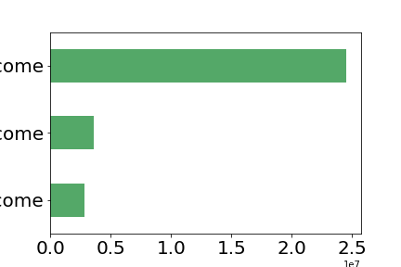
Income distribution of Instacart customers

Middle income

Lower income

Upper income

middle income
upper income
low income

7. Recommendations
 |  |  | Title page

Recommendations

In this tab you should include any recommendations you would made to Instcart in terms of their marketing strategy based on the questions posed in the brief. Every key question has been covered in the Tasks of the Exercises - here you need to add an item - a visualisation or table/crosstable that is showing the answer in the data, acompanied by a comment from you. Please, list the questions below and add the answer underneath.

Questions | Answers | Recommendation
#1: The sales team needs to know what the busiest days of the week and hours of the day are (i.e., the days and times with the most orders) in order to schedule ads at times when there are fewer orders. | The busiest days of the week are Saturday, Sunday, Friday, Monday, Thursday, Tuesday and Wednesday, respectively. Busiest hours are from 10am to 15pm. | In order to increase sales in least busy times, I would recommend to schedule ads and discounts at non-busy times.
#2: They also want to know whether there are particular times of the day when people spend the most money, as this might inform the type of products they advertise at these times. | People spend more money on Mondays and Thursdays | It would be better to advertise on the days when people spend more money.
#3: Instacart has a lot of products with different price tags. Marketing and sales want to use simpler price range groupings to help direct their efforts. | The products that are less than $15 are sold more. | Keep the price at this range.
#4: Are there certain types of products that are more popular than others? The marketing and sales teams want to know which departments have the highest frequency of product orders. | Produce departments has the highest frequency of product orders. | I would recommend to keep more products on produce departments.
#5: The marketing and sales teams are particularly interested in the different types of customers in their system and how their ordering behaviors differ.
##5a: Examining customer behaviors in different regions | South has the most number of customers. Then West, Midwest and Northeast follow this order. | I would recommend to focus on least popular regions.
##5b: Customer age distribution by region | Adult customers are more active than other age groups in all regions. Seniors and young customers come after it. | In order to increase the number of young customers, I would recommend ads based on products that they are inclined to buy.
## 5c: Customers' income distribution by age | Customers who are more than 40 years old earn more money than others.
##5d: Products' price range purchased by income range | Mid_range price products are purchased more among all the customers who have different range of incomes. | I would recommend to keep enough stock of mid-range price product.
##5e: Customer loyalty distribution | Regular customers are the largest portion of instacart customers. Then new customers, and last loyal customers. | In order to increase loyal customers, I would suggest to send ads about daily-weekly discounts.

