Comps
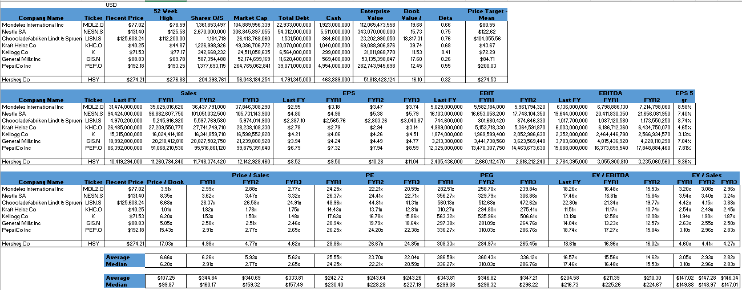
 |  | USD
 |  | Recent Price | 52 Week High | Shares O/S | Market Cap | Total Debt | Cash | Enterprise Value | Book Value / Share |  | Price Target - Mean |  |  |  |  |  |  |  | If plug-in doesn't work ->
Company Name | Ticker |  |  |  |  |  |  |  |  | Beta |  |  |  |  |  |  |  |  | (screenshot)
Mondelez International Inc | MDLZ.O | $77.02 | $78.59 | 1,361,853,497 | 104,889,956,339 | 22,933,000,000 | 1,923,000,000 | 112,065,473,558 | 19.68 | 0.66 | $80.55
Nestle SA | NESN.S | $131.40 | $125.58 | 2,670,000,000 | 306,845,897,055 | 54,312,000,000 | 5,511,000,000 | 343,070,000,000 | 15.73 | 0.75 | $122.67
Chocoladefabriken Lindt & Spruengli AG | LISN.S | $125,608.24 | $112,200.00 | 1,184,719 | 26,413,768,060 | 1,531,500,000 | 864,600,000 | 23,202,990,050 | 18,817.31 | 0.76 | $104,055.56
Kraft Heinz Co | KHC.O | $40.25 | $44.87 | 1,226,998,926 | 49,386,706,772 | 20,070,000,000 | 1,040,000,000 | 69,088,906,976 | 39.74 | 0.68 | $45.11
Kellogg Co | K | $71.53 | $77.17 | 342,668,232 | 24,511,058,635 | 6,564,000,000 | 299,000,000 | 31,011,868,770 | 11.53 | 0.41 | $72.29
General Mills Inc | GIS.N | $88.83 | $89.78 | 587,354,488 | 52,174,699,169 | 11,620,400,000 | 569,400,000 | 53,135,398,847 | 17.60 | 0.26 | $84.71
PepsiCo Inc | PEP.O | $192.18 | $193.25 | 1,377,693,115 | 264,765,062,841 | 39,071,000,000 | 4,954,000,000 | 282,743,945,698 | 12.45 | 0.55 | $200.03

Hershey Co | HSY | $274.21 | $276.88 | 204,398,761 | 56,048,184,254 | 4,791,345,000 | 463,889,000 | 51,818,428,124 | 16.10 | 0.32 | $274.53

 |  | Sales |  |  |  | EPS |  |  |  | EBIT |  |  | EBITDA |  |  | EPS 5 yr Growth %
Company Name | Ticker | Last FY | FYR1 | FYR2 | FYR3 | Last FY | FYR1 | FYR2 | FYR3 | Last FY | FYR1 | FYR2 | Last FY | FYR1 | FYR2
Mondelez International Inc | MDLZ.O | 31,474,000,000 | 35,025,016,620 | 36,437,791,000 | 37,846,308,290 | $2.95 | $3.18 | $3.47 | $3.74 | 5,029,000,000 | 5,582,184,000 | 5,961,794,320 | 6,136,000,000 | 6,798,886,130 | 7,214,798,060 | 8.58%
Nestle SA | NESN.S | 94,424,000,000 | 96,839,498,850 | 100,991,252,350 | 105,661,036,950 | $4.80 | $4.98 | $5.38 | $5.78 | 16,103,000,000 | 16,646,643,800 | 17,737,537,800 | 19,644,000,000 | 20,405,415,950 | 21,645,515,400 | 7.40%
Chocoladefabriken Lindt & Spruengli AG | LISN.S | 4,970,200,000 | 5,245,916,920 | 5,597,769,580 | 5,974,014,900 | $2,387.10 | $2,565.76 | $2,803.26 | $3,040.87 | 744,600,000 | 801,680,420 | 874,646,330 | 1,017,700,000 | 1,087,120,580 | 1,173,550,250 | 8.74%
Kraft Heinz Co | KHC.O | 26,485,000,000 | 27,267,206,650 | 27,814,548,530 | 28,308,895,830 | $2.78 | $2.86 | $2.99 | $3.19 | 4,989,000,000 | 5,201,921,000 | 5,433,289,870 | 6,003,000,000 | 6,238,053,790 | 6,507,772,210 | 4.65%
Kellogg Co | K | 15,315,000,000 | 16,024,414,180 | 16,341,859,710 | 16,598,552,820 | $4.21 | $4.06 | $4.26 | $4.51 | 1,874,000,000 | 1,969,599,400 | 2,052,986,630 | 2,352,000,000 | 2,464,446,790 | 2,566,934,570 | 3.13%
General Mills Inc | GIS.N | 18,992,800,000 | 20,218,412,810 | 20,827,502,750 | 21,239,800,920 | $3.94 | $4.24 | $4.49 | $4.77 | 3,213,300,000 | 3,441,738,560 | 3,623,569,440 | 3,783,600,000 | 4,015,436,920 | 4,228,110,290 | 7.04%
PepsiCo Inc | PEP.O | 86,392,000,000 | 91,068,210,530 | 95,516,861,120 | 99,875,391,640 | $6.79 | $7.32 | $7.94 | $8.59 | 12,325,000,000 | 13,470,307,750 | 14,463,673,630 | 15,088,000,000 | 16,373,899,540 | 17,848,884,460 | 7.81%

Hershey Co | HSY | 10,419,294,000 | 11,260,784,840 | 11,748,374,420 | 12,142,928,460 | $8.52 | $9.50 | $10.28 | $11.04 | 2,405,436,000 | 2,660,112,470 | 2,816,212,240 | 2,784,395,000 | 3,055,900,810 | 3,235,060,560 | 9.36%

 |  | Recent Price | Price / Book | Price / Sales |  |  | PE |  |  | PEG |  |  | EV / EBITDA |  |  | EV / Sales
Company Name | Ticker |  |  | FYR1 | FYR2 | FYR3 | FYR1 | FYR2 | FYR3 | FYR1 | FYR2 | FYR3 | Last FY | FYR1 | FYR2 | FYR1 | FYR2 | FYR3
Mondelez International Inc | MDLZ.O | $77.02 | 3.91x | 2.99x | 2.88x | 2.77x | 24.25x | 22.21x | 20.59x | 282.51x | 258.70x | 239.84x | 18.26x | 16.48x | 15.53x | 3.20x | 3.08x | 2.96x
Nestle SA | NESN.S | $131.40 | 8.35x | 3.62x | 3.47x | 3.32x | 26.38x | 24.43x | 22.73x | 356.41x | 330.01x | 307.07x | 17.46x | 16.81x | 15.85x | 3.54x | 3.40x | 3.25x
Chocoladefabriken Lindt & Spruengli AG | LISN.S | $125,608.24 | 6.68x | 28.37x | 26.58x | 24.91x | 48.96x | 44.81x | 41.31x | 560.13x | 512.68x | 472.62x | 22.80x | 21.34x | 19.77x | 4.42x | 4.15x | 3.88x
Kraft Heinz Co | KHC.O | $40.25 | 1.01x | 1.81x | 1.78x | 1.74x | 14.10x | 13.46x | 12.62x | 303.12x | 289.52x | 271.33x | 11.51x | 11.08x | 10.62x | 2.53x | 2.48x | 2.44x
Kellogg Co | K | $71.53 | 6.20x | 1.53x | 1.50x | 1.48x | 17.63x | 16.78x | 15.86x | 563.32x | 535.96x | 506.61x | 13.19x | 12.58x | 12.08x | 1.94x | 1.90x | 1.87x
General Mills Inc | GIS.N | $88.83 | 5.05x | 2.58x | 2.51x | 2.46x | 20.94x | 19.79x | 18.64x | 297.38x | 281.09x | 264.76x | 14.04x | 13.23x | 12.57x | 2.63x | 2.55x | 2.50x
PepsiCo Inc | PEP.O | $192.18 | 15.43x | 2.91x | 2.77x | 2.65x | 26.25x | 24.20x | 22.38x | 336.27x | 310.03x | 286.76x | 18.74x | 17.27x | 15.84x | 3.10x | 2.96x | 2.83x

Hershey Co | HSY | $274.21 | 17.03x | 4.98x | 4.77x | 4.62x | 28.86x | 26.67x | 24.85x | 308.33x | 284.97x | 265.45x | 18.61x | 16.96x | 16.02x | 4.60x | 4.41x | 4.27x

 |  | Average | 6.66x | 6.26x | 5.93x | 5.62x | 25.50x | 23.67x | 22.02x | 385.59x | 359.71x | 335.57x | 16.57x | 15.54x | 14.61x | 3.05x | 2.93x | 2.82x
 |  | Median | 6.20x | 2.91x | 2.77x | 2.65x | 24.25x | 22.21x | 20.59x | 336.27x | 310.03x | 286.76x | 17.46x | 16.48x | 15.53x | 3.10x | 2.96x | 2.83x

 |  | Average | $107.25 | $344.82 | $340.67 | $333.79 | $242.28 | $243.30 | $242.98 | $342.92 | $346.13 | $346.64 | $204.58 | $211.20 | $210.04 | $146.99 | $147.24 | $146.30
 |  | Median | $99.87 | $160.17 | $159.32 | $157.49 | $230.40 | $228.28 | $227.19 | $299.06 | $298.32 | $296.22 | $216.73 | $225.26 | $224.67 | $149.88 | $148.97 | $147.01

Ratio
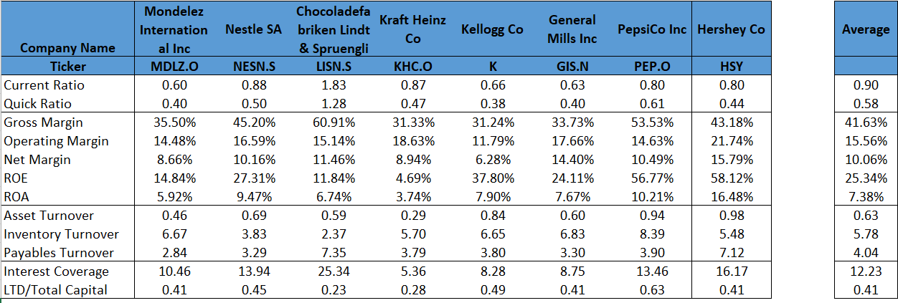
Company Name | Mondelez International Inc | Nestle SA | Chocoladefabriken Lindt & Spruengli AG | Kraft Heinz Co | Kellogg Co | General Mills Inc | PepsiCo Inc | Hershey Co | Average
Ticker | MDLZ.O | NESN.S | LISN.S | KHC.O | K | GIS.N | PEP.O | HSY
Current Ratio | 0.60 | 0.88 | 1.83 | 0.87 | 0.66 | 0.63 | 0.80 | 0.80 | 0.90 | If plug-in doesn't work ->
Quick Ratio | 0.40 | 0.50 | 1.28 | 0.47 | 0.38 | 0.40 | 0.61 | 0.44 | 0.58 | (screenshot)
Gross Margin | 35.50% | 45.20% | 60.91% | 31.33% | 31.24% | 33.73% | 53.53% | 43.18% | 41.63%
Operating Margin | 14.48% | 16.59% | 15.14% | 18.63% | 11.79% | 17.66% | 14.63% | 21.74% | 15.56%
Net Margin | 8.66% | 10.16% | 11.46% | 8.94% | 6.28% | 14.40% | 10.49% | 15.79% | 10.06%
ROE | 14.84% | 27.31% | 11.84% | 4.69% | 37.80% | 24.11% | 56.77% | 58.12% | 25.34%
ROA | 5.92% | 9.47% | 6.74% | 3.74% | 7.90% | 7.67% | 10.21% | 16.48% | 7.38%
Asset Turnover | 0.46 | 0.69 | 0.59 | 0.29 | 0.84 | 0.60 | 0.94 | 0.98 | 0.63
Inventory Turnover | 6.67 | 3.83 | 2.37 | 5.70 | 6.65 | 6.83 | 8.39 | 5.48 | 5.78
Payables Turnover | 2.84 | 3.29 | 7.35 | 3.79 | 3.80 | 3.30 | 3.90 | 7.12 | 4.04
Interest Coverage | 10.46 | 13.94 | 25.34 | 5.36 | 8.28 | 8.75 | 13.46 | 16.17 | 12.23
LTD/Total Capital | 0.41 | 0.45 | 0.23 | 0.28 | 0.49 | 0.41 | 0.63 | 0.41 | 0.41

