Sheet1
x | f(x)
-2 | 0
-1.99 | 0
-1.98 | 0
-1.97 | 0
-1.96 | 0
-1.95 | 0
-1.94 | 0
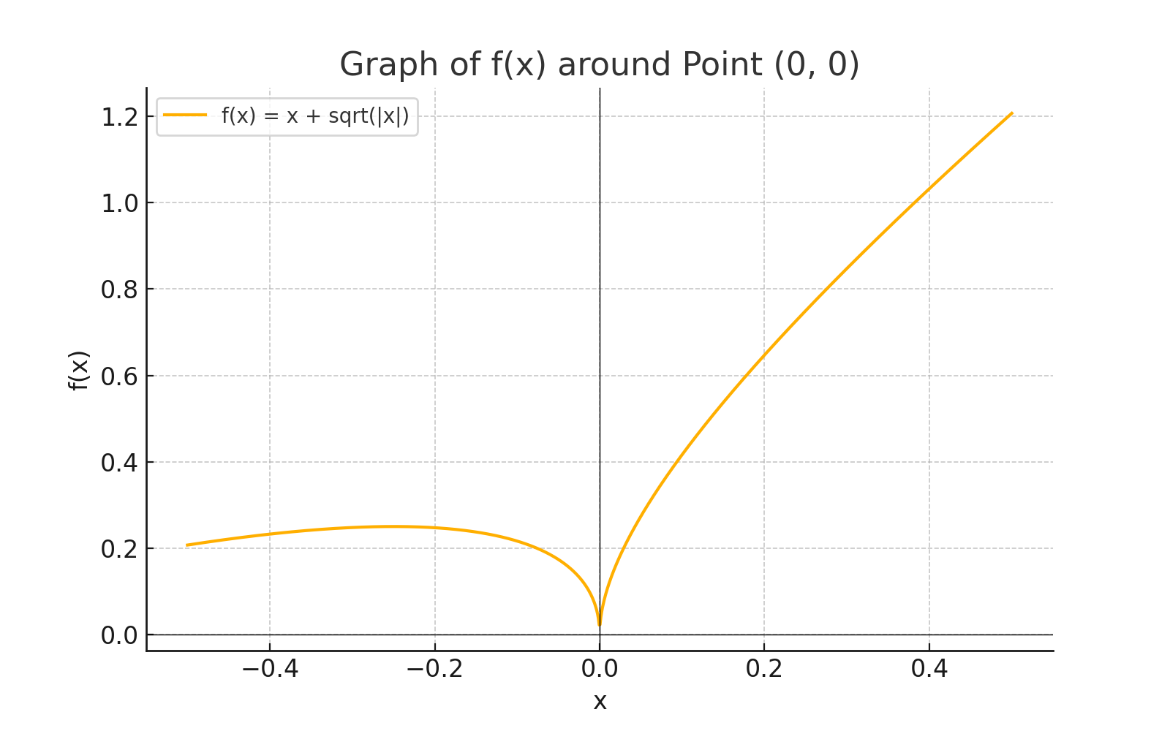
-1.93 | 0
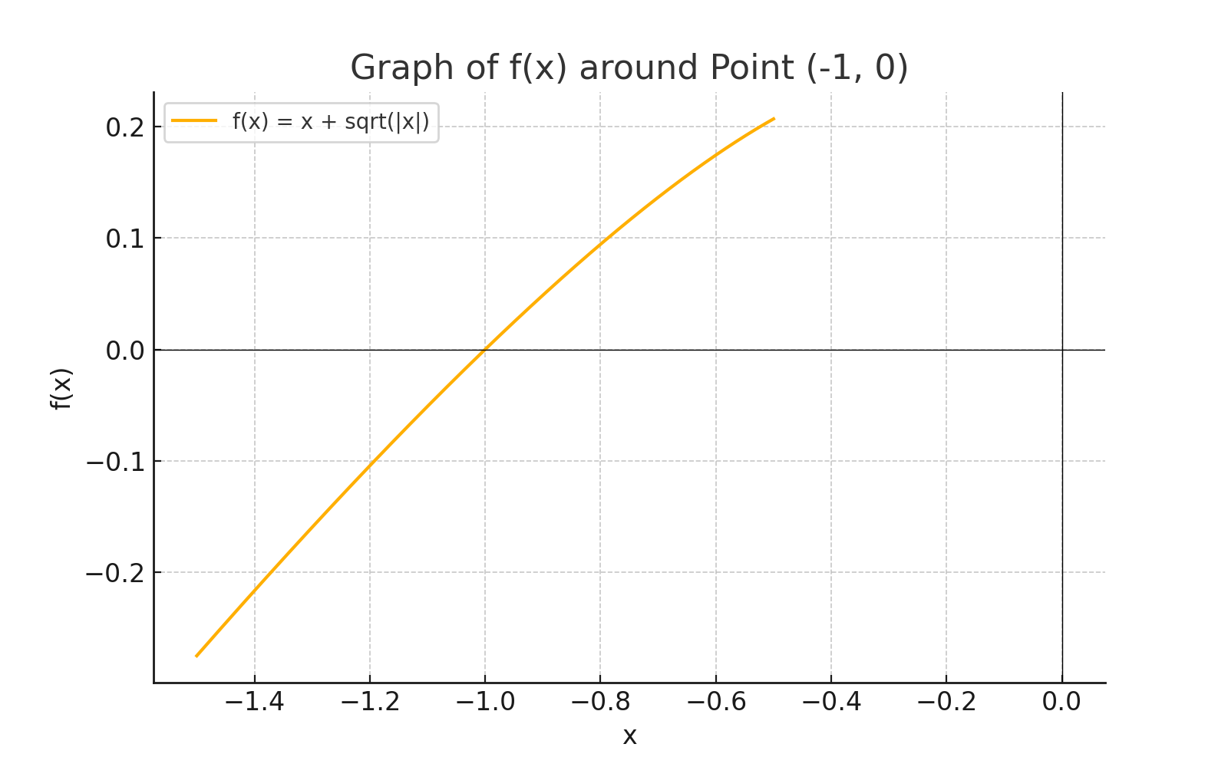
-1.92 | 0
-1.91 | 0
-1.9 | 0
-1.89 | 0
-1.88 | 0
-1.87 | 0
-1.86 | 0
-1.85 | 0
-1.84 | 0
-1.83 | 0
-1.82 | 0
-1.81 | 0
-1.8 | 0
-1.79 | 0
-1.78 | 0
-1.77 | 0
-1.76 | 0
-1.75 | 0
-1.74 | 0
-1.73 | 0
-1.72 | 0
-1.71 | 0
-1.7 | 0
-1.69 | 0
-1.68 | 0
-1.67 | 0
-1.66 | 0
-1.65 | 0
-1.64 | 0
-1.63 | 0
-1.62 | 0
-1.61 | 0
-1.6 | 0
-1.59 | 0
-1.58 | 0
-1.57 | 0
-1.56 | 0
-1.55 | 0
-1.54 | 0
-1.53 | 0
-1.52 | 0
-1.51 | 0
-1.5 | 0
-1.49 | 0
-1.48 | 0
-1.47 | 0
-1.46 | 0
-1.45 | 0
-1.44 | 0
-1.43 | 0
-1.42 | 0
-1.41 | 0
-1.4 | 0
-1.39 | 0
-1.38 | 0
-1.37 | 0
-1.36 | 0
-1.35 | 0
-1.34 | 0
-1.33 | 0
-1.32 | 0
-1.31 | 0
-1.3 | 0
-1.29 | 0
-1.28 | 0
-1.27 | 0
-1.26 | 0
-1.25 | 0
-1.24 | 0
-1.23 | 0
-1.22 | 0
-1.21 | 0
-1.2 | 0
-1.19 | 0
-1.18 | 0
-1.17 | 0
-1.16 | 0
-1.15 | 0
-1.14 | 0
-1.13 | 0
-1.12 | 0
-1.11 | 0
-1.1 | 0
-1.09 | 0
-1.08 | 0
-1.07 | 0
-1.06 | 0
-1.05 | 0
-1.04 | 0
-1.03 | 0
-1.02 | 0
-1.01 | 0
-1 | 0
-0.99 | 0
-0.98 | 0
-0.97 | 0
-0.96 | 0
-0.95 | 0
-0.94 | 0
-0.93 | 0
-0.92 | 0
-0.91 | 0
-0.9 | 0
-0.89 | 0
-0.88 | 0
-0.87 | 0
-0.86 | 0
-0.85 | 0
-0.84 | 0
-0.83 | 0
-0.82 | 0
-0.81 | 0
-0.8 | 0
-0.79 | 0
-0.78 | 0
-0.77 | 0
-0.76 | 0
-0.75 | 0
-0.74 | 0
-0.73 | 0
-0.72 | 0
-0.71 | 0
-0.7 | 0
-0.69 | 0
-0.68 | 0
-0.67 | 0
-0.66 | 0
-0.65 | 0
-0.64 | 0
-0.63 | 0
-0.62 | 0
-0.61 | 0
-0.6 | 0
-0.59 | 0
-0.58 | 0
-0.57 | 0
-0.56 | 0
-0.55 | 0
-0.54 | 0
-0.53 | 0
-0.52 | 0
-0.51 | 0
-0.5 | 0
-0.49 | 0
-0.48 | 0
-0.47 | 0
-0.46 | 0
-0.45 | 0
-0.44 | 0
-0.43 | 0
-0.42 | 0
-0.41 | 0
-0.4 | 0
-0.39 | 0
-0.38 | 0
-0.37 | 0
-0.36 | 0
-0.35 | 0
-0.34 | 0
-0.33 | 0
-0.32 | 0
-0.31 | 0
-0.3 | 0
-0.29 | 0
-0.28 | 0
-0.27 | 0
-0.26 | 0
-0.25 | 0
-0.24 | 0
-0.23 | 0
-0.22 | 0
-0.21 | 0
-0.2 | 0
-0.19 | 0
-0.18 | 0
-0.17 | 0
-0.16 | 0
-0.15 | 0
-0.14 | 0
-0.13 | 0
-0.12 | 0
-0.11 | 0
-0.1 | 0
-0.09 | 0
-0.08 | 0
-0.07 | 0
-0.06 | 0
-0.05 | 0
-0.04 | 0
-0.03 | 0
-0.02 | 0
-0.01 | 0
0 | 0
0.01 | 0.02
0.02 | 0.04
0.03 | 0.06
0.04 | 0.08
0.05 | 0.1
0.06 | 0.12
0.07 | 0.14
0.08 | 0.16
0.09 | 0.18
0.1 | 0.2
0.11 | 0.22
0.12 | 0.24
0.13 | 0.26
0.14 | 0.28
0.15 | 0.3
0.16 | 0.32
0.17 | 0.34
0.18 | 0.36
0.19 | 0.38
0.2 | 0.4
0.21 | 0.42
0.22 | 0.44
0.23 | 0.46
0.24 | 0.48
0.25 | 0.5
0.26 | 0.52
0.27 | 0.54
0.28 | 0.56
0.29 | 0.58
0.3 | 0.6
0.31 | 0.62
0.32 | 0.64
0.33 | 0.66
0.34 | 0.68
0.35 | 0.7
0.36 | 0.72
0.37 | 0.74
0.38 | 0.76
0.39 | 0.78
0.4 | 0.8
0.41 | 0.82
0.42 | 0.84
0.43 | 0.86
0.44 | 0.88
0.45 | 0.9
0.46 | 0.92
0.47 | 0.94
0.48 | 0.96
0.49 | 0.98
0.5 | 1
0.51 | 1.02
0.52 | 1.04
0.53 | 1.06
0.54 | 1.08
0.55 | 1.1
0.56 | 1.12
0.57 | 1.14
0.58 | 1.16
0.59 | 1.18
0.6 | 1.2
0.61 | 1.22
0.62 | 1.24
0.63 | 1.26
0.64 | 1.28
0.65 | 1.3
0.66 | 1.32
0.67 | 1.34
0.68 | 1.36
0.69 | 1.38
0.7 | 1.4
0.71 | 1.42
0.72 | 1.44
0.73 | 1.46
0.74 | 1.48
0.75 | 1.5
0.76 | 1.52
0.77 | 1.54
0.78 | 1.56
0.79 | 1.58
0.8 | 1.6
0.81 | 1.62
0.82 | 1.64
0.83 | 1.66
0.84 | 1.68
0.85 | 1.7
0.86 | 1.72
0.87 | 1.74
0.88 | 1.76
0.89 | 1.78
0.9 | 1.8
0.91 | 1.82
0.92 | 1.84
0.93 | 1.86
0.94 | 1.88
0.95 | 1.9
0.96 | 1.92
0.97 | 1.94
0.98 | 1.96
0.99 | 1.98
1 | 2
1.01 | 2.02
1.02 | 2.04
1.03 | 2.06
1.04 | 2.08
1.05 | 2.1
1.06 | 2.12
1.07 | 2.14
1.08 | 2.16
1.09 | 2.18
1.1 | 2.2
1.11 | 2.22
1.12 | 2.24
1.13 | 2.26
1.14 | 2.28
1.15 | 2.3
1.16 | 2.32
1.17 | 2.34
1.18 | 2.36
1.19 | 2.38
1.2 | 2.4
1.21 | 2.42
1.22 | 2.44
1.23 | 2.46
1.24 | 2.48
1.25 | 2.5
1.26 | 2.52
1.27 | 2.54
1.28 | 2.56
1.29 | 2.58
1.3 | 2.6
1.31 | 2.62
1.32 | 2.64
1.33 | 2.66
1.34 | 2.68
1.35 | 2.7
1.36 | 2.72
1.37 | 2.74
1.38 | 2.76
1.39 | 2.78
1.4 | 2.8
1.41 | 2.82
1.42 | 2.84
1.43 | 2.86
1.44 | 2.88
1.45 | 2.9
1.46 | 2.92
1.47 | 2.94
1.48 | 2.96
1.49 | 2.98
1.5 | 3
1.51 | 3.02
1.52 | 3.04
1.53 | 3.06
1.54 | 3.08
1.55 | 3.1
1.56 | 3.12
1.57 | 3.14
1.58 | 3.16
1.59 | 3.18
1.6 | 3.2
1.61 | 3.22
1.62 | 3.24
1.63 | 3.26
1.64 | 3.28
1.65 | 3.3
1.66 | 3.32
1.67 | 3.34
1.68 | 3.36
1.69 | 3.38
1.7 | 3.4
1.71 | 3.42
1.72 | 3.44
1.73 | 3.46
1.74 | 3.48
1.75 | 3.5
1.76 | 3.52
1.77 | 3.54
1.78 | 3.56
1.79 | 3.58
1.8 | 3.6
1.81 | 3.62
1.82 | 3.64
1.83 | 3.66
1.84 | 3.68
1.85 | 3.7
1.86 | 3.72
1.87 | 3.74
1.88 | 3.76
1.89 | 3.78
1.9 | 3.8
1.91 | 3.82
1.92 | 3.84
1.93 | 3.86
1.94 | 3.88
1.95 | 3.9
1.96 | 3.92
1.97 | 3.94
1.98 | 3.96
1.99 | 3.98
2 | 4

