ket. variabel
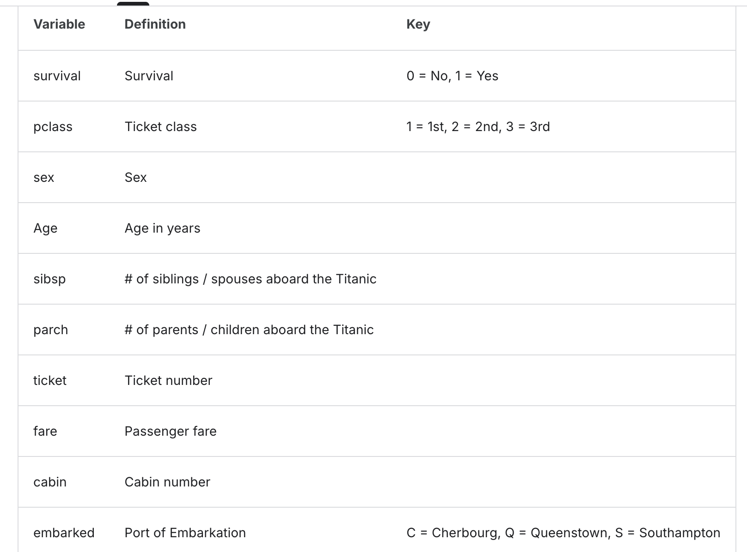

Dataset Titanic berasal dari data penumpang kapal RMS Titanic yang tenggelam pada tahun 1912. Tujuan dari dataset ini adalah memprediksi apakah seorang penumpang selamat atau tidak, berdasarkan karakteristik mereka.

 | PENGUMPULAN TUGAS BERUPA WORD
 | SETIDAKNYA MEMUAT:
 | LATAR BELAKANG (TUJUAN, BAHAS TENTANG METODENYA)
 | METODE (VARIABEL-VARIABELNYA, TAHAPAN ANALISIS)
 | PEMBAHASAN (EDA, PEMODELAN, DLL)
 | KESIMPULAN
 | DAFTAR PUSTAKA

 | MAKSIMAL 15 HALAMAN
 | DEADLINE : 22 DESEMBER 2025, PUKUL 13.00
 | PROJECT INDIVIDU

