Sheet1
Scenario ID | Test Scenario Description | Steps | Expected Results | Actual Behavior | Notes | Status | Not Passed Classification | Tested By | Date | Test Type

UTC_01 | Validate Request | Step1: Goto Postman Tool Step2: enter API URL=> step3: Prepare Request Header and Request Body(Valid Request) Step4: click on "Send" Button | Request should sent to API and return StatusCode '200' (OK) | API returning statuscode 'OK' as expected | 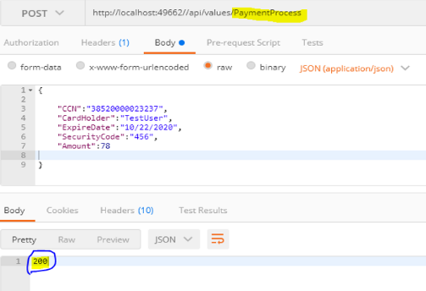 | P |  | Shadab,Shaikh | 2020-10-22 | Unit Test
UTC_02 | Invalid requestn(missing required field "Amount") in request body | Step1: Goto Postman Tool Step2: enter API URL=> step3: Prepare Request Header and Request Body(Invalid Request) Step4: click on "Send" Button | Request should sent to API and return StatusCode '400' (Bad Request) | API returning statuscode '400' as expected | 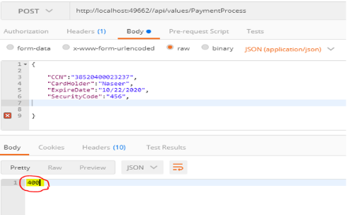 | P |  | Shadab,Shaikh | 2020-10-22 | Unit Test
UTC_03 | Invalid request (Security Code length greater than 3) | Step1: Goto Postman Tool Step2: enter API URL=> step3: Prepare Request Header and Request Body(Invalid Request) Step4: click on "Send" Button | Request should sent to API and return StatusCode '400' (Bad Request) | API returning statuscode '400' as expected | 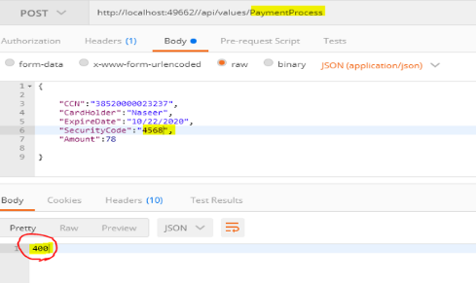 | P |  | Shadab,Shaikh | 2020-10-22 | Unit Test
UTC_04 | Validate DB records | Validate DB records if records are updated or not | Records/transaction should be updated into DB if transaction is successful and return 200 status code | Records are updated into DB | 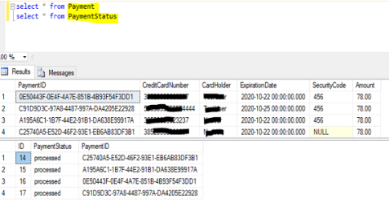 | P |  | Shadab,Shaikh | 2020-10-22 | Unit Test

