Pivots
Top Countries by Number of Titles
Row Labels | Count of show_id
United States | 1003
Unknown Country | 219
United States, Canada | 30
United Kingdom | 23
United States, United Kingdom | 22
Canada, United States | 17
United Kingdom, United States | 14
United States, Australia | 8
Canada | 5
United States, France | 4
Grand Total | 1345

Unknown vs Known Country Data
Row Labels | Count of show_id |  |  | 16%
United States | 1003 |  |  |  |  |  |  |  |  |  |  | Unknown Country | 219
Unknown Country | 219 |  |  |  |  |  |  |  |  |  |  | Known Countries | 1126
United States, Canada | 30
United Kingdom | 23
United States, United Kingdom | 22
Canada, United States | 17
United Kingdom, United States | 14
United States, Australia | 8
Canada | 5
United States, France | 4
Grand Total | 1345

Top 10 Directors
Row Labels | Count of show_id
Unknown Director | 470
Jack Hannah | 17
Paul Hoen | 16
John Lasseter | 16
Wilfred Jackson | 14
Charles Nichols | 12
Robert Stevenson | 12
Bob Peterson | 10
Vincent McEveety | 10
Jack Kinney | 9
Grand Total | 586

Top 15 Cast Members
Row Labels | Count of show_id
Unknown Cast | 190
Jim Cummings | 24
Walt Disney | 15
Corey Burton | 15
Tress MacNeille | 14
Bill Farmer | 14
Jeff Bennett | 14
Keith Ferguson | 14
Wallace Shawn | 13
Larry the Cable Guy | 13
Bob Peterson | 12
Russi Taylor | 12
Tony Hale | 11
Trevor Devall | 10
Anthony Daniels | 10
Grand Total | 381

Count of show_id | Column Labels
Row Labels | Action-Adventure | Animals & Nature | Animation | Anthology | Biographical | Buddy | Comedy | Coming of Age | Concert Film | Crime | Dance | Documentary | Docuseries | Drama | Family | Fantasy | Game Show / Competition | Historical | Kids | Lifestyle | Movies | Music | Musical | Reality | Science Fiction | Series | Sports | Talk Show | Variety | Grand Total
Canada |  |  | 1 |  |  | 1 |  |  |  |  |  | 1 |  | 1 |  | 1 |  |  |  |  |  |  |  |  |  |  |  |  |  | 5
Canada, United States | 5 |  | 1 |  | 2 |  | 5 | 1 |  | 1 |  |  |  | 2 |  |  |  |  |  |  |  |  |  |  |  |  |  |  |  | 17
United Kingdom | 3 | 5 | 1 |  |  | 1 |  | 1 |  |  |  | 7 | 5 |  |  |  |  |  |  |  |  |  |  |  |  |  |  |  |  | 23
United Kingdom, United States | 9 |  |  |  |  |  | 3 | 1 |  |  |  |  |  | 1 |  |  |  |  |  |  |  |  |  |  |  |  |  |  |  | 14
United States | 310 | 92 | 253 | 7 | 24 | 15 | 152 | 41 | 5 | 1 | 1 | 39 | 18 | 20 | 12 | 3 |  | 2 | 1 |  | 1 | 1 | 1 | 2 |  | 1 | 1 |  |  | 1003
United States, Australia | 7 |  | 1 |  |  |  |  |  |  |  |  |  |  |  |  |  |  |  |  |  |  |  |  |  |  |  |  |  |  | 8
United States, Canada | 11 | 1 | 3 |  | 1 |  | 10 | 4 |  |  |  |  |  |  |  |  |  |  |  |  |  |  |  |  |  |  |  |  |  | 30
United States, France | 2 |  |  |  |  | 1 | 1 |  |  |  |  |  |  |  |  |  |  |  |  |  |  |  |  |  |  |  |  |  |  | 4
United States, United Kingdom | 11 | 2 | 2 |  |  |  | 5 |  |  | 1 |  |  |  |  | 1 |  |  |  |  |  |  |  |  |  |  |  |  |  |  | 22
Unknown Country | 42 | 60 | 40 | 5 | 4 | 1 | 13 | 3 | 2 |  |  | 14 | 8 | 3 | 7 | 3 | 1 |  | 1 | 1 | 2 |  | 1 | 2 | 2 | 2 |  | 1 | 1 | 219
Grand Total | 400 | 160 | 302 | 12 | 31 | 19 | 189 | 51 | 7 | 3 | 1 | 61 | 31 | 27 | 20 | 7 | 1 | 2 | 2 | 1 | 3 | 1 | 2 | 4 | 2 | 3 | 1 | 1 | 1 | 1345

 | Action-Adventure | Animals & Nature | Animation | Anthology | Biographical | Buddy | Comedy | Coming of Age | Concert Film | Crime | Dance | Documentary
Canada |  |  | 1 |  |  | 1 |  |  |  |  |  | 1
Canada, United States | 5 |  | 1 |  | 2 |  | 5 | 1 |  | 1
United Kingdom | 3 | 5 | 1 |  |  | 1 |  | 1 |  |  |  | 7
United Kingdom, United States | 9 |  |  |  |  |  | 3 | 1
United States | 310 | 92 | 253 | 7 | 24 | 15 | 152 | 41 | 5 | 1 | 1 | 39
United States, Australia | 7 |  | 1
United States, Canada | 11 | 1 | 3 |  | 1 |  | 10 | 4
United States, France | 2 |  |  |  |  | 1 | 1
United States, United Kingdom | 11 | 2 | 2 |  |  |  | 5 |  |  | 1
Unknown Country | 42 | 60 | 40 | 5 | 4 | 1 | 13 | 3 | 2 |  |  | 14

Row Labels | Count of show_id
Unknown Director | 470
Jack Hannah | 17
Paul Hoen | 16
John Lasseter | 16
Wilfred Jackson | 14
Charles Nichols | 12
Robert Stevenson | 12
Bob Peterson | 10
Vincent McEveety | 10
Jack Kinney | 9
Grand Total | 586

Countries Diversity Over Years
Row Labels | Unique_Countries
2019 | 49
2020 | 28
2021 | 34
Grand Total | 89

Dashboard
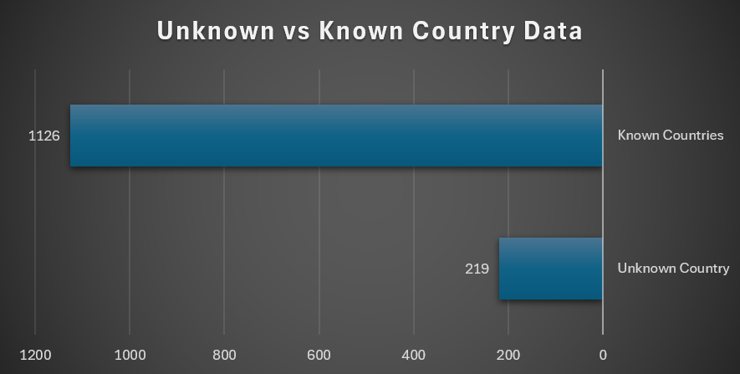
Disney+ Content — Geographic & Content Creators Analysis
Unique Countries | US Production % | Unknown Country % | Unique Directors | Avg Titles per Director | Most Frequent Actor
89 | 81.60% | 15.10% | 674 | 2.36 | Jim Cummings (24)

