BUG REPORT
SA HOMES
VERSION: |  |  |  | DATE:29/11/2023
VERIFIED BY: |  |  |  | TESTED BY:SHAHUL.RASHEED
HOME PAGE
Bug Id | Test Id | Bug Description | Steps to Reproduce | Screenshot | Severity | Priority | Status
DEF_SH_H_01 | SH_HP_07 | The link is not viewed | 1.Open sa homes page https://www.sahomes.com 2.Click the link in home page |  | Minor |  | New
DEF_SH_H_02 | SH_HP_11 | The link is not viewed | 1.Open sa homes https://www.sahomes.com 2.Click the homes solution |  | Minor |  | New
PROJECTS
DEF_SH_P_01 | SH_P_07 | The link is not viewed | 1.Open the Project page https://www.sahomes.com 2.Click the Sold out project link |  | Major |  | New
DEF_SH_P_02 | SH_P_09 | The Pictures is not viewed | 1.Open the Project page https://www.sahomes.com 2.Click the Gallery link of CHARIOT project |  | Major |  | New
DEF_SH_P_03 | SH_P_11 | Not containing Customer Reviews | 1.Open the Project page https://www.sahomes.com 2.Click the Sold out button |  | Major |  | New
BLOG
DEF_SH_B_01 | SH_B_07 | The Previous Blog is not viewed | 1.Open the Blog page https://www.sahomes.com 2.2.Click the Previous Link |  | Minor |  | New
DEF_SH_B_02 | SH_B_08 | The Next Blog is not viewed | 1.Open the Blog page https://www.sahomes.com 2.Click the Next Link |  | Minor |  | New
CONTACT US
DEF_SH_CU_01 | SH_CU_05 | Submitted the contact form | 1.Open Contactus page https://www.sahomes.com 2.Fill the contact form with invalid details 3.Click send message | 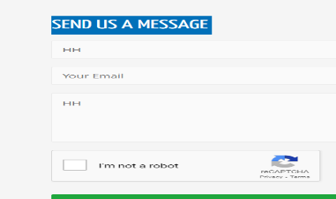 | Major |  | New
DEF_SH_CU_02 | SH_CU_06 | Submitted the contact form | 1.Open Contactus page https://www.sahomes.com 2.Fill the namein contact form 3.Click send message |  | Major |  | New
DEF_SH_CU_03 | SH_CU_08 | Submitted the contact form | 1.Open Contactus page https://www.sahomes.com 2.Fill the description in contact form 3.Click send message |  | Major |  | New

DEFECT DISTRIBUTION GRAPH
DEFECT DISTRIBUTION GRAPH
Module Name | Defect Distribution
Home | 2
Projects | 3
Blog | 2
About us | 0
Contact us | 3
DEFECT DISTRIBUTION GRAPH

