Unfinished test case
TEST CASE ID | TEST SCENARIO | TEST CASE | PRE-CONDITONS | TEST STEPS | TEST DATA | EXPECTED RESULT | POST CONDITON | ACTUAL RESULT | STATUS | SCREENSHOT
TC_COOKIES_001 | validate cookies functionality of app decision 168 | checks about us page works or not | need valid url | 1.enter url into browser and login 2.click cookies policy button and it opens cookies policy in new window 3.click about us | https://app.decision168.com/ , test@oxcytech.com,Work@123@ | user cant able to click the about us button | about us page should be visible to user | user cant able to click the about us button | fail
TC_COOKIES_002 | validate cookies functionality of app decision 168 | checks careers page works or not | need valid url | 1.enter url into browser and login 2.click cookies policy button and it opens cookies policy in new window 3.click careers | https://app.decision168.com/ , test@oxcytech.com,Work@123@ | user cant able to click the careers button | careers page should be visible to user | user cant able to click careers button | fail
TC_COOKIES_003 | validate cookies functionality of app decision 168 | checks brand page works or not | need valid url | 1.enter url into browser and login 2.click cookies policy button and it opens cookies policy in new window 3.click brand | https://app.decision168.com/ , test@oxcytech.com,Work@123@ | user cant able to click the brand button | brand page should be visible to user | user cant able to click brand button | fail
TC_COOKIES_004 | validate cookies functionality of app decision 168 | checks why decision 168 ? page works or not | need valid url | 1.enter url into browser and login 2.click cookies policy button and it opens cookies policy in new window 3.click why decision 168 ? | https://app.decision168.com/ , test@oxcytech.com,Work@123@ | user cant able to click why decision 168 ? button | why decision 168 ? page should be visible to user | user cant able to click why decision 168 ? button | fail
TC_COOKIES_005 | validate cookies functionality of app decision 168 | checks use case page works or not | need valid url | 1.enter url into browser and login 2.click cookies policy button and it opens cookies policy in new window 3.click use case | https://app.decision168.com/ , test@oxcytech.com,Work@123@ | user cant able to click use case button | use case page should be visible to user | user cant able to click use case button | fail
TC_COOKIES_006 | validate cookies functionality of app decision 168 | checks motivator page works or not | need valid url | 1.enter url into browser and login 2.click cookies policy button and it opens cookies policy in new window 3.click motivator button | https://app.decision168.com/ , test@oxcytech.com,Work@123@ | user cant able to click motivator button | motivator page should be visible to user | user cant able to click motivator button | fail
TC_COOKIES_007 | validate cookies functionality of app decision 168 | checks editorial policy page works or not | need valid url | 1.enter url into browser and login 2.click cookies policy button and it opens cookies policy in new window 3.click editorial policy button | https://app.decision168.com/ , test@oxcytech.com,Work@123@ | user cant able to click editorial policy button | editorial policy page should be visible to user | user cant able to click editorial policy button | fail
TC_PORTFOLIO_001 | validate portfolio functionality with valid credentials | enter invalid phone number and valid details for first name, last name, middle name. about individual, email address, designation, company, gender, street , city, country, state, add profile pic, cover photo | need valid url | 1.enters url into the webrowser & login anc click portfolio and select individual 2.enter first name 3.enter last name 4.enter middle name 5.enter about individual 6.without phone numner 7.enter email address 8.enter designation 9.enter company name 10.select gender 11.enter street 12.enter city 13.enter state 14.select country 15.click save button | https://app.decision168.com/ , test@oxcytech.com,Work@123@ vijay murugan n fresher empty phone number vijay@gmail.com tester vijay it firm male chennai chennai tamilnadu india | portfolio should not be saved because phone number empty and it is highlited as * | portfolio should not be saved because phone number empty and it is highlited as * | sucessfully saved portfolio | fail | 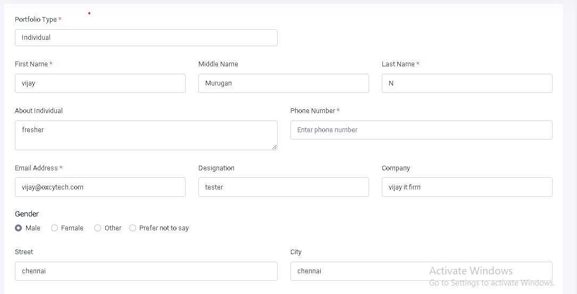
TC_PORTFOLIO_002 | validate portfolio functionality with valid credentials | enter invalid phone number and valid details for first name, last name, middle name. about individual, email address, designation, company, gender, street , city, country, state, add profile pic, cover photo | need valid url | 1.enters url into the webrowser & login anc click portfolio and select individual 2.enter first name 3.enter last name 4.enter middle name 5.enter about individual 6.enter phone numner 7.enter email address 8.enter designation 9.enter company name 10.select gender 11.enter street 12.enter city 13.enter state 14.select country 15.click save button | https://app.decision168.com/ , test@oxcytech.com,Work@123@ vijay murugan n fresher 1234 vijay@gmail.com tester vijay it firm male chennai chennai tamilnadu india | portfolio should not be saved because phone number is less than 10 digits | portfolio should not be saved because phone number is less than 10 digits | sucessfully saved portfolio | fail | 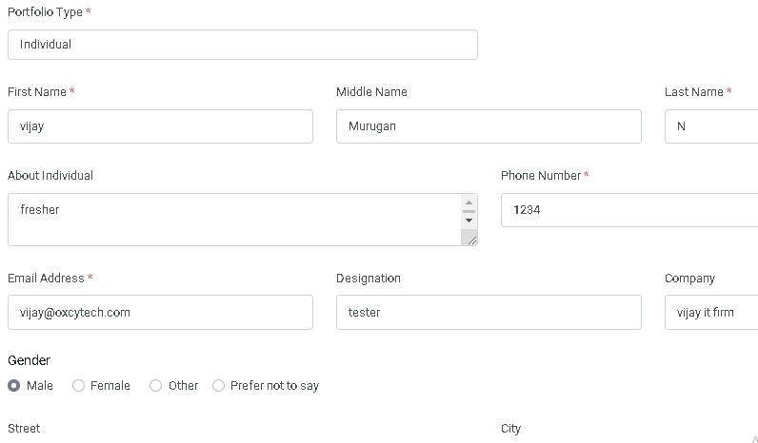
TC_PORTFOLIO_003 | validate portfolio functionality with valid credentials | enter invalid phone number and valid details for first name, last name, middle name. about individual, email address, designation, company, gender, street , city, country, state, add profile pic, cover photo | need valid url | 1.enters url into the webrowser & login anc click portfolio and select individual 2.enter first name 3.enter last name 4.enter middle name 5.enter about individual 6.enter phone numner 7.enter email address 8.enter designation 9.enter company name 10.select gender 11.enter street 12.enter city 13.enter state 14.select country 15.click save button | https://app.decision168.com/ , test@oxcytech.com,Work@123@ vijay murugan n fresher 123434434343333 vijay@gmail.com tester vijay it firm male chennai chennai tamilnadu india | phone number is more than 10 digits it should accept | it accepts more than 10 digits | it accepts more than 10 digits | fail
TC_CALENDER_EVENT_001 | validate calender event creation with invalid credentials | enter invalid select date and valid title, choose colour, add note, select event repeat , select time | need valid url | 1.enter url into browser and login 2.click event button 3.enter title 4.choose colour 5.add note 6.select date 7.enter meeting type 8.enter start time 9.enter end time 10.select remainder 11.click save | https://app.decision168.com/ , test@oxcytech.com,Work@123@ vijay skyblue sports events 12/1/2022 Does not repeat 6:00 AM 6:30 AM 5 mins before | event should not be saved because date selected is in past | event should not be saved because date selected is in past | sucessfully saved event | fail
TC_CALENDER_EVENT_002 | validate calender event creation with invalid credentials | enter invalid select from & to date and valid title, choose colour, add note, select event repeat , select time | need valid url | 1.enter url into browser and login 2.click event button 3.enter title 4.choose colour 5.add note 6.select date 7.enter meeting type 8.enter start time 9.enter end time 10.select remainder 11.click save | https://app.decision168.com/ , test@oxcytech.com,Work@123@ vijay skyblue sports events 12/1/2022 12/12/2022 daily 6:00 AM 6:30 AM 5 mins before | event should not be saved because date selected is in past | event should not be saved because date selected is in past | sucessfully saved event | fail
TC_CALENDER_T0_D0_001 | validate calender to do creation with invalid credentials | enter invalid select from and to date and valid title, choose colour, add note, select event repeat , select time from and to time, select remainder and select priority | need valid url | 1.enter url into browser and login 2.click event button 3.enter title 4.choose colour 5.add note 6.select date 7.enter meeting type 8.enter start time 9.enter end time 10.select remainder 11.select priority 12.click save | https://app.decision168.com/ , test@oxcytech.com,Work@123@ vijay skyblue sports events 12/1/2022 12/10/2022 daily 6:00 AM 6:30 AM 5 mins before High priority | to do work should not be saved because from and to date selected is in past | to do work should not be saved because from and to date selected is in past | sucessfully saved to do | fail
TC_CALENDER_CREATE_DRAGGABLE_EVENT_002 | validate calender create dragger event creation with invalid credentials | enter valid title , choose colour, add note, invalid start time and end time |  | 1.enter url into browser and login 2.click create dragger event button 3.enter title 4.choose colour 5.add note 6.select start time 7.select end time 8.select remainder 9.select all day 10.click save button | https://app.decision168.com/ , test@oxcytech.com,Work@123@ vijay skyblue sports events 6:45 AM 6:30 AM 5 mins before | create dragger event should not be saved because start time selected is greater than the end time | create dragger event should not be saved because start time selected is greater than the end time | Sucessfully saved dragger event | fail | 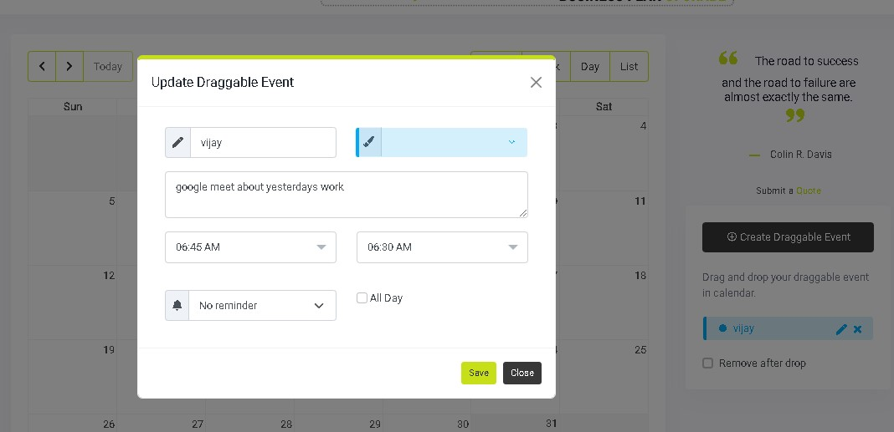
TC_PORTFOLIO_004 | validate portfolio functionality with invalid credentials | enter invalid url and valid details for first name, last name, middle name. about individual, phone number email address, designation, company, gender, street , city, country, state, add profile pic, cover photo |  | 1.enters url into the webrowser & login anc click portfolio and select individual 2.enter first name 3.enter last name 4.enter middle name 5.enter about individual 6.enter phone numner 7.enter email address 8.enter designation 9.enter company name 10.select gender 11.enter street 12.enter city 13.enter state 14.select country 15.select social media link 16.enter url 17.click save button | https://app.decision168.com/ , test@oxcytech.com,Work@123@ vijay murugan n fresher 1234567891 vijay@gmail.com tester vijay it firm male chennai chennai tamilnadu india linkedIn linkedIn | url should contain domain names | an error message should be visible to the user | sucessfully saved profile | fail | 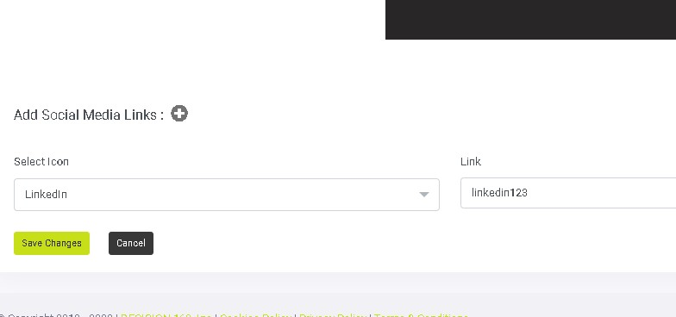
TC_PROJECT_001 | validate project functionality with invalid credentials | enter invalid project name, valid description, select identity department, assign portfolio, add team members and enter links & comments | need valid url | 1.enters url into the webrowser & login 2.click project 3.enter project name 4.enter project description 5.select department 6.assign portfolio 7.add team member 8.enter links 9.choose file 10.click save changes | https://app.decision168.com/ , test@oxcytech.com,Work@123@ to test and verify project functionality with invalid credentials in app decision 168 software applications valid details human resource vijay murugan n vijay@gmail.com www.linkedin.com alogo.pdf | project name more than 200 letters but it allows only limited letters | a message should display only n number of letters are allowed | sucessfully saved project name from "to test and verify project functionality with invalid credentials in app decision 168 software appli" | fail | `
TC_PROJECT_002 | validate project functionality with invalid credentials | to test whether the uploaded file is deleteable or not! |  | 1.enters url into the webrowser & login 2.click project 3.enter project name 4.enter project description 5.select department 6.assign portfolio 7.add team member 8.enter links 9.choose file and search for delete option 10.click save changes | https://app.decision168.com/ , test@oxcytech.com,Work@123@ app decision valid details human resource vijay murugan n vijay@gmail.com www.linkedin.com alogo.pdf | delete option should be present | uploaded file must be deleted from the pade | user cant able to see delete option but you can replace it with other file | fail | 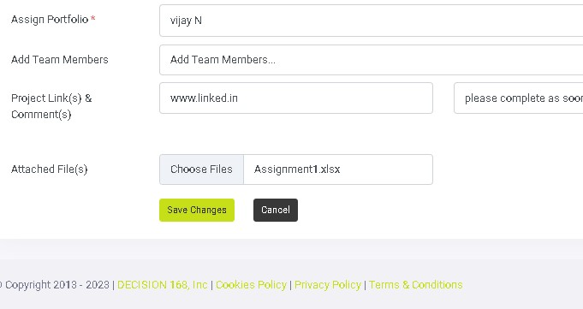

Failed test case
TEST CASE ID | TEST SCENARIO | TEST CASE | PRE-CONDITONS | TEST STEPS | TEST DATA | EXPECTED RESULT | POST CONDITON | ACTUAL RESULT | STATUS | SCREENSHOT
TC_PORTFOLIO_COMPANY_001 | validate portfolio functionality of app decision 168 | enter invalid contact person phone number& invalid company phone number and valid company name, about company, contact person first name, middle name, last name, & company email & website, street, city, state, country. add social media link and comments | need valid url | 1.enter url into browser and login 2.enter company name 3.enter about company 4.enter contact person first name 5.enter contact person last name 6.enter contact person middle name 7.enter contact person phone number 8.enter company email 9.enter company phone number 10.enter company website 11.enter street 12.enter city 13.enter state 14.select country 15.add socila media 16.add link 17.click save | https://app.decision168.com/ , test@oxcytech.com,Work@123@ vijay start up vijay murugan n 1234567891234567 vijay@gmail.com 9223372036854775807 www.vijayfirmit.com chennai chennai tamilnadu india youtube www.youtube.com | phone number is more than 10 digits it should accept | it accepts more than 10 digits | it accepts more than 10 digits | fail | 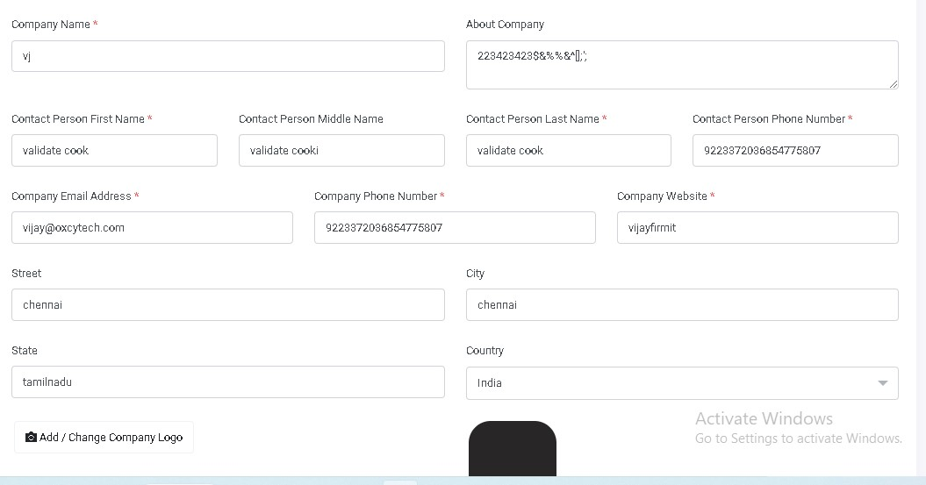
TC_PORTFOLIO_COMPANY_002 | validate portfolio functionality of app decision 168 | enter invalid website and valid company name, about company, contact person first name, middle name, last name contact person phone number, & company email,phone, street, city, state, country. add social media link and comments | need valid url | 1.enter url into browser and login 2.enter company name 3.enter about company 4.enter contact person first name 5.enter contact person last name 6.enter contact person middle name 7.enter contact person phone number 8.enter company email 9.enter company phone number 10.enter company website 11.enter street 12.enter city 13.enter state 14.select country 15.add socila media 16.add link 17.click save | https://app.decision168.com/ , test@oxcytech.com,Work@123@ vijay start up vijay murugan n 1234567891 vijay@gmail.com 9223375807 vijayfirmit chennai chennai tamilnadu india youtube www.youtube.com | website doesnot contain domain name so it should not accept | it accepts url without domain name | it accepts url without domain name | fail
TC_PORTFOLIO_COMPANY_003 | validate portfolio functionality of app decision 168 | enter invalid Link and valid company name, about company, contact person first name, middle name, last name contact person phone number, & company email,phone & website, street, city, state, country and comments | need valid url | 1.enter url into browser and login 2.enter company name 3.enter about company 4.enter contact person first name 5.enter contact person last name 6.enter contact person middle name 7.enter contact person phone number 8.enter company email 9.enter company phone number 10.enter company website 11.enter street 12.enter city 13.enter state 14.select country 15.add socila media 16.add link 17.click save | https://app.decision168.com/ , test@oxcytech.com,Work@123@ vijay start up vijay murugan n 1234567891 vijay@gmail.com 9223375807 www.vijayfirmit.com chennai chennai tamilnadu india youtube youtbe | website doesnot contain domain name so it should not accept | it accepts url without domain name | it accepts url without domain name | fail
TC_PORTFOLIO_COMPANY_004 | validate portfolio functionality of app decision 168 | enter invalid first name and valid company name, about company, contact person middle name, last name contact person phone number, & company email,phone & website, street, city, state, country links and comments | need valid url | 1.enter url into browser and login 2.enter company name 3.enter about company 4.enter contact person first name 5.enter contact person last name 6.enter contact person middle name 7.enter contact person phone number 8.enter company email 9.enter company phone number 10.enter company website 11.enter street 12.enter city 13.enter state 14.select country 15.add socila media 16.add link 17.click save | https://app.decision168.com/ , test@oxcytech.com,Work@123@ vijay start up 123456 murugan n 1234567891 vijay@gmail.com 9223375807 www.vijayfirmit.com chennai chennai tamilnadu india youtube www.youtbe.com | it should not accept numberical words for contact personfirst name | it should not accept numberical words for contact personfirst name | it accepts numerics for contact person first name | fail
TC_PORTFOLIO_COMPANY_005 | validate portfolio functionality of app decision 168 | enter invalid first name and valid company name, about company, contact person middle name, last name contact person phone number, & company email,phone & website, street, city, state, country links and comments | need valid url | 1.enter url into browser and login 2.enter company name 3.enter about company 4.enter contact person first name 5.enter contact person last name 6.enter contact person middle name 7.enter contact person phone number 8.enter company email 9.enter company phone number 10.enter company website 11.enter street 12.enter city 13.enter state 14.select country 15.add socila media 16.add link 17.click save | https://app.decision168.com/ , test@oxcytech.com,Work@123@ vijay start up !@#$%^&*()_+= murugan n 1234567891 vijay@gmail.com 9223375807 www.vijayfirmit.com chennai chennai tamilnadu india youtube www.youtbe.com | it should not accept special character words for contact person first name | it should not accept special character words for contact person first name | it accepts special character for contact person first name | fail
TC_PORTFOLIO_COMPANY_006 | validate portfolio functionality of app decision 168 | enter invalid website and valid company name, about company, contact person first name, middle name, last name contact person phone number, & company email,phone, street, city, state, country. add social media link and comments | need valid url | 1.enter url into browser and login 2.enter company name 3.enter about company 4.enter contact person first name 5.enter contact person last name 6.enter contact person middle name 7.enter contact person phone number 8.enter company email 9.enter company phone number 10.enter company website 11.enter street 12.enter city 13.enter state 14.select country 15.add socila media 16.add link 17.click save | https://app.decision168.com/ , test@oxcytech.com,Work@123@ vijay start up vijay murugan n 1234567891 vijay@gmail.com 9223375807 !@#$%^&*()_)_+ chennai chennai tamilnadu india youtube www.youtube.com | website doesnot contain domain name so it should not accept | website doesnot contain domain name so it should not accept | it accepts url without domain name | fail
TC_COOKIES_001 | validate cookies functionality of app decision 168 | checks about us page works or not | need valid url | 1.enter url into browser and login 2.click cookies policy button and it opens cookies policy in new window 3.click about us | https://app.decision168.com/ , test@oxcytech.com,Work@123@ | user cant able to click the about us button | about us page should be visible to user | user cant able to click the about us button | fail
TC_COOKIES_002 | validate cookies functionality of app decision 168 | checks careers page works or not | need valid url | 1.enter url into browser and login 2.click cookies policy button and it opens cookies policy in new window 3.click careers | https://app.decision168.com/ , test@oxcytech.com,Work@123@ | user cant able to click the careers button | careers page should be visible to user | user cant able to click careers button | fail
TC_COOKIES_003 | validate cookies functionality of app decision 168 | checks brand page works or not | need valid url | 1.enter url into browser and login 2.click cookies policy button and it opens cookies policy in new window 3.click brand | https://app.decision168.com/ , test@oxcytech.com,Work@123@ | user cant able to click the brand button | brand page should be visible to user | user cant able to click brand button | fail
TC_COOKIES_004 | validate cookies functionality of app decision 168 | checks why decision 168 ? page works or not | need valid url | 1.enter url into browser and login 2.click cookies policy button and it opens cookies policy in new window 3.click why decision 168 ? | https://app.decision168.com/ , test@oxcytech.com,Work@123@ | user cant able to click why decision 168 ? button | why decision 168 ? page should be visible to user | user cant able to click why decision 168 ? button | fail
TC_COOKIES_005 | validate cookies functionality of app decision 168 | checks use case page works or not | need valid url | 1.enter url into browser and login 2.click cookies policy button and it opens cookies policy in new window 3.click use case | https://app.decision168.com/ , test@oxcytech.com,Work@123@ | user cant able to click use case button | use case page should be visible to user | user cant able to click use case button | fail
TC_COOKIES_006 | validate cookies functionality of app decision 168 | checks motivator page works or not | need valid url | 1.enter url into browser and login 2.click cookies policy button and it opens cookies policy in new window 3.click motivator button | https://app.decision168.com/ , test@oxcytech.com,Work@123@ | user cant able to click motivator button | motivator page should be visible to user | user cant able to click motivator button | fail
TC_COOKIES_007 | validate cookies functionality of app decision 168 | checks editorial policy page works or not | need valid url | 1.enter url into browser and login 2.click cookies policy button and it opens cookies policy in new window 3.click editorial policy button | https://app.decision168.com/ , test@oxcytech.com,Work@123@ | user cant able to click editorial policy button | editorial policy page should be visible to user | user cant able to click editorial policy button | fail
TC_PORTFOLIO_INDIVIDUAL_001 | validate portfolio functionality with valid credentials | enter invalid phone number and valid details for first name, last name, middle name. about individual, email address, designation, company, gender, street , city, country, state, add profile pic, cover photo | need valid url | 1.enters url into the webrowser & login anc click portfolio and select individual 2.enter first name 3.enter last name 4.enter middle name 5.enter about individual 6.without phone numner 7.enter email address 8.enter designation 9.enter company name 10.select gender 11.enter street 12.enter city 13.enter state 14.select country 15.click save button | https://app.decision168.com/ , test@oxcytech.com,Work@123@ vijay murugan n fresher empty phone number vijay@gmail.com tester vijay it firm male chennai chennai tamilnadu india | portfolio should not be saved because phone number empty and it is highlited as * | portfolio should not be saved because phone number empty and it is highlited as * | sucessfully saved portfolio | fail
TC_PORTFOLIO_INDIVIDUAL_002 | validate portfolio functionality with valid credentials | enter invalid phone number and valid details for first name, last name, middle name. about individual, email address, designation, company, gender, street , city, country, state, add profile pic, cover photo | need valid url | 1.enters url into the webrowser & login anc click portfolio and select individual 2.enter first name 3.enter last name 4.enter middle name 5.enter about individual 6.enter phone numner 7.enter email address 8.enter designation 9.enter company name 10.select gender 11.enter street 12.enter city 13.enter state 14.select country 15.click save button | https://app.decision168.com/ , test@oxcytech.com,Work@123@ vijay murugan n fresher 1234 vijay@gmail.com tester vijay it firm male chennai chennai tamilnadu india | portfolio should not be saved because phone number is less than 10 digits | portfolio should not be saved because phone number is less than 10 digits | sucessfully saved portfolio | fail
TC_PORTFOLIO_INDIVIDUAL_003 | validate portfolio functionality with valid credentials | enter invalid phone number and valid details for first name, last name, middle name. about individual, email address, designation, company, gender, street , city, country, state, add profile pic, cover photo | need valid url | 1.enters url into the webrowser & login anc click portfolio and select individual 2.enter first name 3.enter last name 4.enter middle name 5.enter about individual 6.enter phone numner 7.enter email address 8.enter designation 9.enter company name 10.select gender 11.enter street 12.enter city 13.enter state 14.select country 15.click save button | https://app.decision168.com/ , test@oxcytech.com,Work@123@ vijay murugan n fresher 123434434343333 vijay@gmail.com tester vijay it firm male chennai chennai tamilnadu india | phone number is more than 10 digits it should accept | it accepts more than 10 digits | it accepts more than 10 digits | fail
TC_PORTFOLIO_INDIVIDUAL_004 | validate portfolio functionality with invalid credentials | enter invalid url and valid details for first name, last name, middle name. about individual, phone number email address, designation, company, gender, street , city, country, state, add profile pic, cover photo |  | 1.enters url into the webrowser & login anc click portfolio and select individual 2.enter first name 3.enter last name 4.enter middle name 5.enter about individual 6.enter phone numner 7.enter email address 8.enter designation 9.enter company name 10.select gender 11.enter street 12.enter city 13.enter state 14.select country 15.select social media link 16.enter url 17.click save button | https://app.decision168.com/ , test@oxcytech.com,Work@123@ vijay murugan n fresher 1234567891 vijay@gmail.com tester vijay it firm male chennai chennai tamilnadu india linkedIn linkedIn | url should contain domain names | an error message should be visible to the user | sucessfully saved profile | fail
TC_CALENDER_EVENT_001 | validate calender event creation with invalid credentials | enter invalid select date and valid title, choose colour, add note, select event repeat , select time | need valid url | 1.enter url into browser and login 2.click event button 3.enter title 4.choose colour 5.add note 6.select date 7.enter meeting type 8.enter start time 9.enter end time 10.select remainder 11.click save | https://app.decision168.com/ , test@oxcytech.com,Work@123@ vijay skyblue sports events 12/1/2022 Does not repeat 6:00 AM 6:30 AM 5 mins before | event should not be saved because date selected is in past | event should not be saved because date selected is in past | sucessfully saved event | fail
TC_CALENDER_EVENT_002 | validate calender event creation with invalid credentials | enter invalid select from & to date and valid title, choose colour, add note, select event repeat , select time | need valid url | 1.enter url into browser and login 2.click event button 3.enter title 4.choose colour 5.add note 6.select date 7.enter meeting type 8.enter start time 9.enter end time 10.select remainder 11.click save | https://app.decision168.com/ , test@oxcytech.com,Work@123@ vijay skyblue sports events 12/1/2022 12/12/2022 daily 6:00 AM 6:30 AM 5 mins before | event should not be saved because date selected is in past | event should not be saved because date selected is in past | sucessfully saved event | fail
TC_CALENDER_EVENT_003 | validate calender event creation with invalid credentials | enter invalid select start time and valid title, choose colour, add note, select event repeat , select from and to date | need valid url | 1.enter url into browser and login 2.click event button 3.enter title 4.choose colour 5.add note 6.select date 7.enter meeting type 8.enter start time 9.enter end time 10.select remainder 11.click save | https://app.decision168.com/ , test@oxcytech.com,Work@123@ vijay skyblue sports events 12/1/2022 12/12/2022 daily 6:45 AM 6:30 AM 5 mins before | event should not be saved because selected end time is earlier than the start time | event should not be saved because selected end time is earlier than the start time | sucessfully saved event | fail
TC_CALENDER_TODO_001 | validate calender to do creation with invalid credentials | enter invalid select from & to date and valid title, choose colour, add note, select event repeat , select time |  | 1.enter url into browser and login 2.click to do button 3.enter title 4.choose colour 5.add note 6.select date 7.enter meeting type 8.enter start time 9.enter end time 10.select remainder 11.click save | https://app.decision168.com/ , test@oxcytech.com,Work@123@ vijay skyblue sports events 12/1/2022 12/12/2022 daily 6:00 AM 6:30 AM 5 mins before | to do should not be saved because date selected is in past | to do should not be saved because date selected is in past | sucessfully saved to do | fail
TC_CALENDER_TODO_002 | validate calender todo functionality with invalid credentials | enter invalid start time and valid title, choose colour, add note, select event repeat , select date from and to date, select end time, select remainder | need valid url | 1.enter url into browser and login 2.click to do button 3.enter title 4.choose colour 5.add note 6.select date 7.enter meeting type 8.enter start time 9.enter end time 10.select remainder 11.click save | https://app.decision168.com/ , test@oxcytech.com,Work@123@ culturals skyblue culturals event 12/1/2022 12/10/2022 daily 6:45 AM 6:30 AM No remainder | to do work should not be saved because from and to date selected is in past | to do work should not be saved because from and to date selected is in past | sucessfully saved to do | fail | 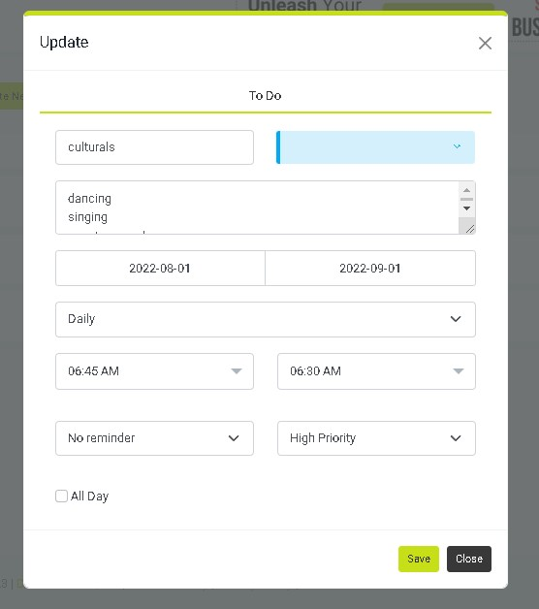
TC_CALENDER_CREATE_DRAGGABLE_EVENT_002 | validate calender create dragger event creation with invalid credentials | enter valid title , choose colour, add note, invalid start time and end time |  | 1.enter url into browser and login 2.click create dragger event button 3.enter title 4.choose colour 5.add note 6.select start time 7.select end time 8.select remainder 9.select all day 10.click save button | https://app.decision168.com/ , test@oxcytech.com,Work@123@ vijay skyblue sports events 6:45 AM 6:30 AM 5 mins before | create dragger event should not be saved because start time selected is greater than the end time | create dragger event should not be saved because start time selected is greater than the end time | Sucessfully saved dragger event | fail
TC_PROJECT_001 | validate project functionality with invalid credentials | enter invalid project name, valid description, select identity department, assign portfolio, add team members and enter links & comments | need valid url | 1.enters url into the webrowser & login 2.click project 3.enter project name 4.enter project description 5.select department 6.assign portfolio 7.add team member 8.enter links 9.choose file 10.click save changes | https://app.decision168.com/ , test@oxcytech.com,Work@123@ to test and verify project functionality with invalid credentials in app decision 168 software applications valid details human resource vijay murugan n vijay@gmail.com www.linkedin.com alogo.pdf | project name more than 200 letters but it allows only limited letters | a message should display only n number of letters are allowed | sucessfully saved project name from "to test and verify project functionality with invalid credentials in app decision 168 software appli" | fail
TC_PROJECT_002 | validate project functionality with invalid credentials | to test whether the uploaded file is deleteable or not! |  | 1.enters url into the webrowser & login 2.click project 3.enter project name 4.enter project description 5.select department 6.assign portfolio 7.add team member 8.enter links 9.choose file and search for delete option 10.click save changes | https://app.decision168.com/ , test@oxcytech.com,Work@123@ app decision valid details human resource vijay murugan n vijay@gmail.com www.linkedin.com alogo.pdf | delete option should be present | uploaded file must be deleted from the pade | user cant able to see delete option but you can replace it with other file | fail
TC_CALENDER_REMAINDER_001 | validate calender remainder functionality with invalid credentials | enter invalid from & to date and valid title, choose colour, add note, select event repeat , select start & end time, select remainder | need valid url | 1.enter url into browser and login 2.click calender and click remainder button 3.enter title 4.choose colour 5.add note 6.select date 7.enter meeting type 8.enter start time 9.enter end time 10.select remainder 11.click save | https://app.decision168.com/ , test@oxcytech.com,Work@123@ culturals skyblue culturals event 12/1/2022 12/10/2022 daily 6:00 AM 6:30 AM No remainder | remainder should not be saved because from and to date selected is in past | remainder should not be saved because from and to date selected is in past | sucessfully saved remainder | fail
TC_CALENDER_REMAINDER_002 | validate calender remainder functionality with invalid credentials | enter invalid start time and valid title, choose colour, add note, select event repeat , select date from and to date, select end time, select remainder | need valid url | 1.enter url into browser and login 2.click calender and click remainder button 3.enter title 4.choose colour 5.add note 6.select date 7.enter meeting type 8.enter start time 9.enter end time 10.select remainder 11.click save | https://app.decision168.com/ , test@oxcytech.com,Work@123@ culturals skyblue culturals event 12/1/2022 12/10/2022 daily 6:45 AM 6:30 AM No remainder | remainder should not be saved because end time is before start time | remainder should not be saved because end time is before start time | sucessfully saved remainder | fail
TC_CONTENT_PLANNER_001 | validate content planner url link with invalid credentials | Select valid publish date,enter content name, description,department, portfolio choose file and invalid link url | need valid url | 1.enter url into browser and login 2.click content planner 3.select publish date 4.enter content name 5.enter content description 6.enter department 7.enter portfolio 8.enter link and comments 9.choose file 10.click save | https://app.decision168.com/ , test@oxcytech.com,Work@123@ 30-04-2023 Maruthi car launch Marthi swift 2023 model research and development vijay itfirm vijayitfirm file size: 1 mb | it should accept link url without domain name, but it accepts | it should accept link url without domain name, but it accepts | sucessfully saved content planner | fail | 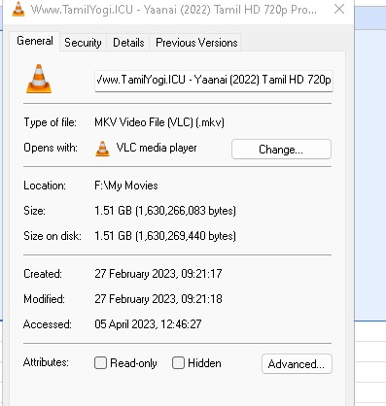
TC_CONTENT_PLANNER_002 | validate content planner add new content option with invalid credentials | select platform, enter valid link and choose valid file & enter invalid content | need valid url | 1.enter url into browser and login 2.click content planner 3.click existing content planner 4.click add new content 5.select the platform 6.enter content 7.enter link 8.enter comments 9.choose file 10.click save | https://app.decision168.com/ , test@oxcytech.com,Work@123@ <existing project name> Automation twitter more than 280 letters ww.automationation.com launching soon file size: 1 mb | it should not accept content more than 280 letters but it accepts more than 280 letters | it should not accept content more than 280 letters but it accepts more than 280 letters | sucessfully saved content planner with new content | fail | 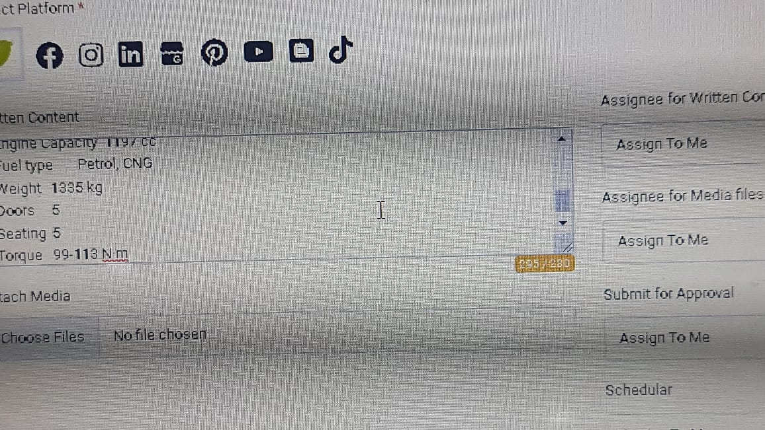
TC_CONTENT_PLANNER_003 | validate content planner add new content option with invalid credentials | select platform, enter valid link and choose valid file & enter invalid content | need valid url | 1.enter url into browser and login 2.click content planner 3.click existing content planner 4.click add new content 5.select the platform 6.enter content 7.enter link 8.enter comments 9.choose file 10.click save | https://app.decision168.com/ , test@oxcytech.com,Work@123@ <existing project name> Automation pinterest more than 280 letters ww.automationation.com launching soon file size: 1 mb | it should not accept content more than 280 letters but it accepts more than 280 letters | it should not accept content more than 280 letters but it accepts more than 280 letters | sucessfully saved content planner with new content | fail

