0 Cover & Index
ThermalSense - Computer Graphics Lab Documentation
Graphics Lab 04: procedural primitives (cube, sphere, cylinder), indexed rendering, hierarchical modelling with M = T x R x S, lighting and shading. Generated from the program's own exports.
 |  |  |  |  |  |  | Hero shot: report/figures/scene_visible.png (captured by ThermalSense.exe --capture)
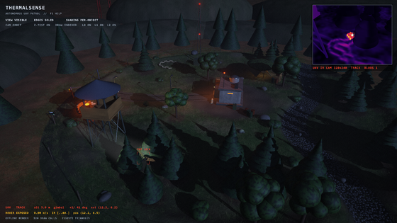
Author | Md. Shakhoyat Rahman Shujon
Roll | 2107104
Generated | 2026-10-09
Regenerate | mingw32-make docs (build/export_docs.exe -> tools/build_workbook.py)
Verify | python tools/verify_workbook.py (recalculates every formula, checks for errors)

Scene parts | GPU meshes | Triangles / frame | Tests passed | Pass rate | Best FPS | max |Excel - code|

leaf nodes (sheet 3) | shared by all parts (sheet 1) | scene geometry (sheet 6) | sheet 10 | sheet 10 | measured (sheet 11) | matrices, sheets 4 + 5
Possessable objects | Practical lights | Walk floors / walls | Particle types | Audit verified | Audit pending | Sheets
 |  |  |  |  |  | 33
sheet 14 | sheet 15 | walk space, sheet 15 | measured, sheet 16 | sheet 17 | sheet 17 | this workbook
UAVs in the squad | Vision tests | Rounds to kill | Breaches = base lost | Synthesised sounds | HUD elements | Game event types

sheet 19 | T130-T137, sheet 18 | at centre, sheet 19 | sheet 19 | sheet 20 | sheet 20 | sheet 20
Ray-tracing modes | BVH primitives | SAH vs median cost | Explorer stages | POV sources | v7 tests passed | Camera jump blend (s)

sheet 24 | SAH BVH, sheet 24 | x cheaper, sheet 24 | sheet 25 | jump-in cameras, sheet 26 | T240-T309, sheet 27 | spring, sheet 26

Index (click a sheet name)
0 | 0 Cover & Index |  | This page: author, KPIs, index
1 | 1 Primitive Inventory |  | The GPU meshes (cube, sphere, cylinder, frustum, terrain...) with counts, instances and thumbnails
2 | 2 Primitive Vertex Data |  | Cube's 24 vertices + 36 indices, sphere/cylinder samples, CCW test, Technique 1 vs 2 (formulas)
3 | 3 Object Construction |  | Every component: primitive, parent, S / R / T, shading, material; COUNTIFS per object
4 | 4 Transform Matrices |  | M1, M2, ... for every component: T, R = Ry Rx Rz, S -> M = T R S by formulas; equals the code's matrix
5 | 5 Hierarchy |  | Parent -> child tree; world = parent_world x M rebuilt in Excel; searchlight chain highlighted
6 | 6 Geometry Statistics |  | Memory indexed vs non-indexed per mesh (formulas) + charts
7 | 7 Lighting |  | Moon, beacon, searchlight parameters; attenuation and cone fall-off curves + charts
8 | 8 Shading |  | Flat / Gouraud / Phong / PBR: where used, how, why + screenshots
9 | 9 Render Pipeline |  | Per-feature frame cost by ablation + approximate GPU pass times (pending until measured)
10 | 10 Testing |  | All tests with pass-rate KPI, conditional formatting and evidence links
11 | 11 Performance |  | Measured FPS / frame time / submitted geometry + charts
12 | 12 Behaviour |  | UAV tracking vs hiding rover: detection %, tracking error, hide events + time series
13 | 13 Traceability |  | Requirement -> file -> sheet -> test -> report section (R01-R26 + V4-01..14)
14 | 14 Controllable Objects
15 | 15 Bunker & Base |  | Underground bunker and base apron: sections, site plan, walk-space floors / walls / indoor volumes, practical lights
16 | 16 Combat & Effects |  | Weapons, guidance, fuse, damage radius, measured particle census, wreck / respawn timings, IFF + keep-out rules
17 | 17 Audit |  | Requirement-by-requirement checklist: lab sheet, proposal, user v2-v5 requests, course checklist
18 | 18 Computer Vision |  | v5 vision: CV pipeline stages, parameters, tracker (Kalman / Hungarian / triangulation), tests T130-T137
19 | 19 Squad & Mission |  | Two-UAV squad roles and strike rules, time-on-target formula, mission waves / scoring, armour, measured runs
20 | 20 Audio & HUD |  | Procedural synths, mixer, game events, HUD elements, tests T160-T178
21 | 21 Day Cycle & Lighting |  | v6 day cycle: sun, key light, ambient, fog, exposure, solar, beams, waves, cloud shadow; sun elevation recomputed by formula + chart
22 | 22 Soldiers & Routes |  | v6 garrison: soldier roster (day / night duty), primitives, joints, gait constants, route lengths
23 | 23 CV Noise & Seeds |  | v6 sensor noise config, noise sweep, derived seeds, tests T190-T239 (status from sheet 10)
24 | 24 Ray Tracing |  | v7 ray tracing: 5 modes, measured GPU timings, ray tree, Russian roulette, NEE lights, a-trous kernel, SAH BVH
25 | 25 Frame Explorer |  | v7 Frame Explorer: the 16 stages + Excel-recomputed raster, kernel, Halton and tone-curve examples
26 | 26 Game Camera & Controls |  | v7 game camera: key bindings, every POV source (possessable / ride-along), spring blend recomputed
27 | 27 v7 Tests |  | v7 tests T240-T309 by work package (status from sheet 10)
28 | 28 v8 Daylight & Barracks |  | v8: daylight sky / ambient / grade, click-to-control, first / third person, barracks hall + residents, natural rover motion; tests T320-T327
29 | 29 v9 Audit & Budget |  | v9 audit: fixed-shot benchmark (5 shots x day / night, CPU phases, GPU passes), the vsync stall in the real exe, frame budget
30 | 30 v9 Fixed Tick & Interp |  | v9 M1: fixed 60 Hz tick + render interpolation, frame limiter, UAV vision worker (deterministic join), grass LOD; before / after per shot
31 | 31 v9 Controls & Interaction |  | v9 M2: input mapping as data (no conflicts), context interaction E with view-cone + line-of-sight pick, Tab units, pause menu (field guide), settings in ThermalSense.ini; tests T340-T349
32 | 32 v9 Character Motor & Camera |  | v9 M3: critically damped character motor (speed springs, coyote time / jump buffer, step-up, slope limit), spring-arm camera, distance-driven gait phase (no foot sliding); exe speed curves recomputed by formula; tests T350-T359

Colour key
Imported value | copied from the program's export (JSON / CSV)
Formula | computed by Excel from imported values
Cube | primitive colour code (same as the renderer's primitive diagnostic view)
Sphere
Cylinder
Cylinder (frustum)
Cone
Terrain disc

Input files (last modified)
build/scene_export.json: 2026-10-08 21:30
build/test_results.json: 2026-10-09 12:04
build/benchmark.json: 2026-09-29 20:19
build/trace.csv: 2026-09-29 20:19
docs/visual_tests.json: 2026-09-29 20:19

1 Primitive Inventory
1 Primitive Inventory
The GPU meshes generated by the program (src/primitives, src/objects/Terrain.cpp). Each mesh is uploaded once (one VAO + VBO + EBO) and reused by every component that references it. Counts come from build/scene_export.json; triangles and shares are Excel formulas.

ID | Primitive | Generator function | Unique vertices | Indices | Triangles (= indices / 3) | Normals | Instances in scene | Share of scene parts | Used for (component names, most frequent first) | Thumbnail
P01 | Cube | createCube() | 24 | 36 |  | Per vertex (nx, ny, nz), unit length | 2,231 |  | Camo net panel, HESCO cell, Spoke, Tyre track, HESCO cell (upper), Flag cloth, Round fin, Circle mark (+498 more) | 
P02 | Sphere | createSphere(36, 18) | 614 | 3,672 |  | Per vertex (nx, ny, nz), unit length | 816 |  | Bush, Canopy clump, Rock, IR sensor, Cut branch foliage, Brush clump, Hub L, Hub R (+108 more) | 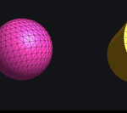
P03 | Cylinder | createCylinder(36) | 146 | 432 |  | Per vertex (nx, ny, nz), unit length | 2,068 |  | Wire coil turn, Revetment sandbag, Sandbag, Fence wire, Net pole, Tyre, Hub, Razor strand (+219 more) | 
P04 | Cylinder (frustum) | createCylinder(36, 0.03, 0.5, false) | 72 | 216 |  | Per vertex (nx, ny, nz), unit length | 3 |  | Light cone, Searchlight cone | (no separate capture; see Hierarchy / scene figures)
P05 | Terrain disc | createTerrainDisc(130, 384, 36) | 49,921 | 292,320 |  | Per vertex (nx, ny, nz), unit length | 1 |  | Ground disc | (no separate capture; see Hierarchy / scene figures)
P06 | Cone | createCylinder(36, 0.5, 0, true) | 109 | 216 |  | Per vertex (nx, ny, nz), unit length | 295 |  | Pine crown, Cut branch tip, Round nose, Roof cone, Tail boom, Feed horn | (no separate capture; see Hierarchy / scene figures)
Total

Check | Leaf nodes exported by the program |  | 5,414

6 Geometry Statistics
6 Geometry Statistics
Memory of every GPU mesh with and without an index buffer (Lab-04 Technique 1 vs Technique 2). Only V, I, instances and the exporter's byte counts are imported; every other column is an Excel formula, and the last column proves that the formulas reproduce the program's own numbers.
 |  |  |  |  |  |  |  |  |  |  |  |  |  |  |  | Parameters
ID | Primitive | Generator | Unique vertices (V) | Indices (I) | Triangles = I/3 | Instances | Bytes per vertex | Memory non-indexed = I x 24 B | Memory indexed = V x 24 + I x 4 B | Saving | Vertex reuse = I / V | Triangles per frame = tris x instances | Exporter: indexed bytes | Exporter: non-indexed bytes | Formula vs exporter | Index size (bytes), derived from the cube's exporter bytes
P01 | Cube | createCube() | 24 | 36 |  | 2,231 | 24 |  |  |  |  |  | 720 | 864 |  | GL_UNSIGNED_INT index
P02 | Sphere | createSphere(36, 18) | 614 | 3,672 |  | 816 | 24 |  |  |  |  |  | 29,424 | 88,128
P03 | Cylinder | createCylinder(36) | 146 | 432 |  | 2,068 | 24 |  |  |  |  |  | 5,232 | 10,368
P04 | Cylinder (frustum) | createCylinder(36, 0.03, 0.5, false) | 72 | 216 |  | 3 | 24 |  |  |  |  |  | 2,592 | 5,184
P05 | Terrain disc | createTerrainDisc(130, 384, 36) | 49,921 | 292,320 |  | 1 | 24 |  |  |  |  |  | 2,367,384 | 7,015,680
P06 | Cone | createCylinder(36, 0.5, 0, true) | 109 | 216 |  | 295 | 24 |  |  |  |  |  | 3,480 | 5,184
All | All GPU meshes

GPU memory per mesh: non-indexed vs indexed (bytes, log scale)
Triangles submitted per frame, by primitive

7 Lighting
7 Lighting
The three simultaneous lights of the proposal, exported from the program's LightRig at t = 0. The attenuation curves use the shader's own formulas: point/spot attenuation 1 / (1 + kl d + kq d^2); spot cone factor c = clamp((cos theta - cos outer) / (cos inner - cos outer), 0, 1), applied as c^2.

ID | Type | Pos x | Pos y | Pos z | Dir x | Dir y | Dir z | Colour r | Colour g | Colour b | Intensity | Intensity max (pulse) | k linear | k quadratic | Inner cone (deg) | Outer cone (deg) | Role
L0 | Directional (moonlight) | - | - | - | -0.560 | -0.387 | 0.733 | 0.550 | 0.620 | 0.800 | 0.950 | - | - | - | - | - | Cool key light for every surface; direction also drives the cascaded shadow map
L1 | Point (bunker beacon) | -3.600 | 4.299 | 1.600 | - | - | - | 1.000 | 0.250 | 0.100 | 1.300 | 2.000 | 0.350 | 0.450 | - | - | Warm pulsing local light; shows distance attenuation
L2 | Spot (UAV searchlight) | 0.000 | 7.356 | 12.370 | 0.000 | -0.766 | -0.643 | 1.000 | 0.950 | 0.820 | 5.000 | - | 0.050 | 0.030 | 9.000 | 14.000 | Hierarchical light: position/direction = gimbal pitch node at t = 0 (moves with the UAV)
AMB | Ambient term | - | - | - | - | - | - | 0.060 | 0.065 | 0.085 | - | - | - | - | - | - | Keeps unlit sides from pure black

Curve settings
Max distance d (m) = terrain radius |  |  | 36.000
Samples (chart resolution) |  |  | 40

Attenuation vs distance
Distance attenuation (formula) |  |  |  |  |  |  | Spotlight cone fall-off (formula)
d (m) | Beacon 1/(1+kl d+kq d^2) | Spot 1/(1+kl d+kq d^2) | Beacon radiance at max pulse | Spot radiance x intensity |  |  | theta (deg) | cos theta | cone c | intensity factor c^2
0.000 |  |  |  |  |  |  | 0.00

Spot cone fall-off vs angle from axis

8 Shading
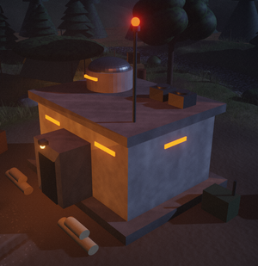
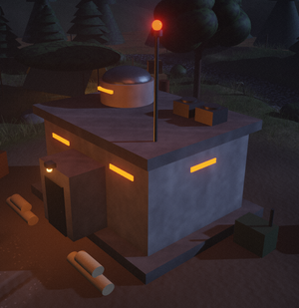
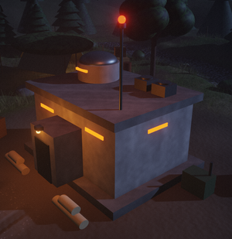
8 Shading models
Which shading model each part uses (counted with COUNTIF / COUNTIFS over sheet 3) and what it does. The screenshots are crops of the program's own captures in report/figures (same camera, shading overridden).

Shading model | Parts using it | Objects using it (parts) | Normal used | Lighting evaluated | Cost | Visual effect | Why used here
Gouraud |  |  | Vertex normal | Per vertex, colour interpolated across the triangle | Low | Smooth, matte; highlights and the spotlight edge are blurred between vertices | Large terrain and background props: cheap and smooth
Flat |  |  | One face normal per triangle (geometry shader: cross product of two edges) | Once per triangle | Lowest | Faceted look; every triangle has one constant colour | Blocky concrete architecture of the command bunker (proposal: flat shading)
Phong |  |  | Vertex normal interpolated per fragment | Per fragment (Blinn-Phong) | Medium | Sharp moving specular highlights; crisp spotlight edge on small parts | UAV and rover: small metallic parts that the searchlight sweeps over
Additive beam |  |  | None (unlit) | Per fragment, additive blending, no depth writes | Low | Visible searchlight cone that fades along its axis and at its silhouette | Makes the hierarchical searchlight readable at night
PBR (GGX / Cook-Torrance) |  | Parts with metalness > 0 are shown in column B; all lit parts can use the PBR path | Interpolated normal + material roughness / metalness | Per fragment: D (GGX) x G (Smith-Schlick) x F (Schlick) / (4 N.V N.L) | Highest | Energy-conserving highlights whose size follows roughness; metals tint reflections | Optional lighting path of the fragment shader (uniform uPbr); uses the roughness / metalness columns of sheet 3
Total lit parts

Same bunker, same camera: flat vs Gouraud vs Phong (crops of the program's captures)
Flat (bunker) |  |  | Gouraud override (bunker) |  |  | Phong override (bunker)

9 Render Pipeline
9 Render Pipeline
Primary: the cost of each rendering feature measured by ablation (ThermalSense.exe --benchmark renders the same flight with the feature switched off; cost = frame_ms(HIGH) - frame_ms(HIGH without X)). Secondary: GPU timer-query time per pass, labelled approximate. All values come from build/benchmark.json; baselines, costs and shares are formulas.

Frame-time cost of each feature (ms, ablation)
A. Per-feature cost by ablation: cost(X) = |frame_ms(group) - frame_ms(group with/without X)|
Configuration | Group | Change | frame_ms (median) | fps | Baseline frame_ms (same group) | Feature cost (ms) | Share of baseline frame | Noise: interquartile range of rounds (ms) | Resolved above noise? | Round 1 (ms) | Round 2 (ms) | Round 3 (ms) | Round 4 (ms) | Round 5 (ms)
v1 look (no post), indexed | V1 | - | 31.01 | 32.2 | baseline | - | - |  |  | 31.01 | 31.34 | 27.86 | 30.10 | 31.59
LOW, indexed | LOW | - | 55.02 | 18.2 | baseline | - | - |  |  | 56.34 | 56.44 | 53.66 | 54.06 | 55.02
HIGH, indexed (glDrawElements) | HIGH | - | 67.92 | 14.7 | baseline | - | - |  |  | 72.71 | 75.45 | 67.53 | 67.43 | 67.92
HIGH, non-indexed (glDrawArrays) | HIGH non-indexed | - | 70.11 | 14.3 | baseline | - | - |  |  | 74.05 | 75.07 | 68.70 | 70.11 | 70.00
ULTRA, indexed | ULTRA | - | 202.65 | 4.9 | baseline | - | - |  |  | 231.70 | 229.07 | 202.65 | 200.77 | 187.70
HIGH without shadow maps | HIGH | without shadows | 51.75 | 19.3 |  |  |  |  |  | 55.06 | 59.51 | 51.75 | 51.08 | 51.69
HIGH without SSAO | HIGH | without ssao | 66.57 | 15.0 |  |  |  |  |  | 68.04 | 89.56 | 66.57 | 65.93 | 65.44
HIGH without volumetric fog | HIGH | without fog | 64.98 | 15.4 |  |  |  |  |  | 68.52 | 66.31 | 64.98 | 64.98 | 63.42
HIGH without bloom | HIGH | without bloom | 67.15 | 14.9 |  |  |  |  |  | 70.14 | 67.95 | 67.15 | 65.59 | 66.49
HIGH without MSAA | HIGH | without msaa | 58.61 | 17.1 |  |  |  |  |  | 61.02 | 58.61 | 59.08 | 58.46 | 57.72
HIGH without searchlight shadow | HIGH | without spotshadow | 65.25 | 15.3 |  |  |  |  |  | 69.53 | 65.26 | 63.93 | 64.63 | 65.25
HIGH, raining (soaked ground) | HIGH | with rain | 74.96 | 13.3 |  |  |  |  |  | 78.58 | 73.97 | 76.35 | 74.19 | 74.96

GPU time per pass (ms, approximate)
B. GPU pass timings, HIGH preset (timer queries) - APPROXIMATE: passes overlap on this integrated GPU, so they do not add up exactly to the frame time
Pass | GPU time (ms, approx.) | Share of summed pass time | Cumulative (ms)
uav camera (CV) | 3.57
shadow maps | 7.47
pre-pass | 1.38
ssao | 1.38
volumetric fog | 6.12
scene | 42.22
resolve + bloom | 2.35
composite | 0.77
Sum of passes

11 Performance
11 Performance
Measured by ThermalSense.exe --benchmark (build/benchmark.json). Frame time and speed-up columns are formulas. Test setup: renderer = AMD Radeon(TM) Graphics, gl_version = 3.3.0 Core Profile Context 24.8.1.240813, resolution = 1280x720, uav_camera = 320x240 per frame

Configuration | quality | without | rain | indexed | frames | fps | frame_ms | avg_draw_calls_main | avg_draw_calls_shadow | avg_draw_calls_uav_camera | avg_triangles_main | avg_vertices_main | draw_calls_main | draw_calls_shadow | draw_calls_prepass | draw_calls_uav_camera | triangles_main | triangles_uav_camera | vertices_main | primitive_instances | scene_parts | grass_blades | rain_drops | 1000 / FPS (ms) | FPS relative to first row
v1 look (no post), indexed | V1 |  | FALSE | TRUE | 666 | 32.25 | 31.01 | 861 | 0 | 87.50 | 819,308 | 234,310 | 861 | 0 | 0 | 87 | 819,308 | 64,844 | 234,310 | 770 | 805 | 35,000 | 0
LOW, indexed | LOW |  | FALSE | TRUE | 369 | 18.18 | 55.02 | 861 | 75 | 81.91 | 567,308 | 234,310 | 861 | 75 | 0 | 85 | 567,308 | 64,688 | 234,310 | 770 | 805 | 14,000 | 0
HIGH, indexed (glDrawElements) | HIGH |  | FALSE | TRUE | 292 | 14.72 | 67.92 | 860 | 202.67 | 89.32 | 819,236 | 234,310 | 860 | 198 | 765 | 85 | 819,236 | 64,616 | 234,310 | 769 | 805 | 35,000 | 0
HIGH, non-indexed (glDrawArrays) | HIGH |  | FALSE | FALSE | 287 | 14.26 | 70.11 | 860 | 203.98 | 93.50 | 819,236 | 1195980.00 | 860 | 200 | 765 | 90 | 819,236 | 70,736 | 1,195,980 | 769 | 805 | 35,000 | 0
ULTRA, indexed | ULTRA |  | FALSE | TRUE | 103 | 4.93 | 202.65 | 860 | 281.33 | 97.03 | 2079240.00 | 234,310 | 860 | 305 | 765 | 94 | 2,079,236 | 74,480 | 234,310 | 769 | 805 | 140,000 | 0
HIGH without shadow maps | HIGH | shadows | FALSE | TRUE | 381 | 19.33 | 51.75 | 860 | 0 | 99.91 | 819,236 | 234,310 | 860 | 0 | 765 | 97 | 819,236 | 78,152 | 234,310 | 769 | 805 | 35,000 | 0
HIGH without SSAO | HIGH | ssao | FALSE | TRUE | 291 | 15.02 | 66.57 | 860 | 196.23 | 92.11 | 819,236 | 234,310 | 860 | 196 | 765 | 92 | 819,236 | 73,184 | 234,310 | 769 | 805 | 35,000 | 0
HIGH without volumetric fog | HIGH | fog | FALSE | TRUE | 312 | 15.39 | 64.98 | 861 | 194.83 | 89.78 | 819,308 | 234,310 | 861 | 195 | 765 | 92 | 819,308 | 73,184 | 234,310 | 770 | 805 | 35,000 | 0
HIGH without bloom | HIGH | bloom | FALSE | TRUE | 303 | 14.89 | 67.15 | 860 | 195.06 | 88.56 | 819,236 | 234,310 | 860 | 186 | 765 | 83 | 819,236 | 67,316 | 234,310 | 769 | 805 | 35,000 | 0
HIGH without MSAA | HIGH | msaa | FALSE | TRUE | 347 | 17.06 | 58.61 | 860 | 196.74 | 87.43 | 819,236 | 234,310 | 860 | 180 | 765 | 73 | 819,236 | 65,216 | 234,310 | 769 | 805 | 35,000 | 0
HIGH without searchlight shadow | HIGH | spotshadow | FALSE | TRUE | 312 | 15.32 | 65.25 | 860 | 144.39 | 91.87 | 819,236 | 234,310 | 860 | 165 | 765 | 78 | 819,236 | 68,888 | 234,310 | 769 | 805 | 35,000 | 0
HIGH, raining (soaked ground) | HIGH |  | TRUE | TRUE | 272 | 13.34 | 74.96 | 861 | 202.68 | 95.68 | 987,236 | 234,310 | 861 | 219 | 765 | 90 | 987,236 | 68,924 | 234,310 | 769 | 805 | 35,000 | 14,000

Freshness check

fps
frame ms

vertices main
draw calls main

12 Behaviour
12 Behaviour (UAV tracking vs hiding rover)
Raw samples of ThermalSense.exe --trace (build/trace.csv) are imported from column J. Every KPI is an Excel formula over those columns; the last column repeats the value computed independently by tools/summarize_trace.py as a cross-check.

Metric | Excel formula | summarize_trace.py | t | uav_mode | detected | blobs | rover_hidden | uav_x | uav_y | uav_z | rover_x | rover_z | est_x | est_z | est_error | gimbal_yaw | gimbal_pitch | rover_speed | rover_in_view | rover_u | rover_v | range | image_peak | valid error (m) | hide starts | REACQUIRE starts
Samples |  | 719 | 0.25 | SEARCH | 0 | 0 | 0 | -0.016 | 5.593 | 10.97 | 6 | 7.5 | 0 | 0 | -1 | 39.7 | 50.8 | 0 | 0 | 5.459 | -5.71 | 8.52 | 111
Duration (s) |  | 179.75 | 0.5 | SEARCH | 0 | 0 | 0 | -0.132 | 5.832 | 10.904 | 6 | 7.511 | 0 | 0 | -1 | 57.3 | 46.2 | 0.179 | 0 | 10.103 | -23.602 | 8.75 | 69
Sample interval (s) |  | - | 0.75 | SEARCH | 0 | 0 | 0 | -0.421 | 6.112 | 10.843 | 6.007 | 7.588 | 0 | 0 | -1 | 63 | 39.5 | 0.396 | 0 | 9 | 9 | 9.1 | 77
Detection rate (share of samples with a detection) |  | 50.9% | 1 | SEARCH | 0 | 0 | 0 | -0.864 | 6.324 | 10.811 | 6.054 | 7.698 | 0 | 0 | -1 | 61.6 | 33.5 | 0.525 | 0 | 9 | 9 | 9.56 | 69
Rover hidden (share of samples) |  | 31.2% | 1.25 | SEARCH | 0 | 0 | 0 | -1.362 | 6.478 | 10.786 | 6.146 | 7.788 | 0 | 0 | -1 | 55.9 | 30.4 | 0.502 | 0 | 9 | 9 | 10.08 | 69
Tracking error median (m, while detected) |  | 0.447 | 1.5 | SEARCH | 0 | 0 | 0 | -1.889 | 6.592 | 10.755 | 6.27 | 7.844 | 0 | 0 | -1 | 47.3 | 28.3 | 0.638 | 0 | 9 | 9 | 10.63 | 69
Tracking error p90 (m) |  | 0.669 | 1.75 | SEARCH | 0 | 0 | 0 | -2.437 | 6.682 | 10.712 | 6.416 | 7.872 | 0 | 0 | -1 | 39.5 | 26.5 | 0.594 | 0 | 9 | 9 | 11.2 | 73
Tracking error max (m) |  | 0.836 | 2 | SEARCH | 0 | 0 | 0 | -2.999 | 6.764 | 10.651 | 6.559 | 7.858 | 0 | 0 | -1 | 36.5 | 25.1 | 0.638 | 0 | 9 | 9 | 11.79 | 80
Hide events (rover_hidden 0 -> 1) |  | - | 2.25 | SEARCH | 0 | 0 | 0 | -3.57 | 6.844 | 10.568 | 6.715 | 7.821 | 0 | 0 | -1 | 35.7 | 24.3 | 0.667 | 0 | 9 | 9 | 12.41 | 80
REACQUIRE episodes |  | 15 | 2.5 | SEARCH | 0 | 0 | 0 | -4.145 | 6.917 | 10.461 | 6.898 | 7.79 | 0 | 0 | -1 | 35.6 | 24.1 | 0.75 | 0 | 9 | 9 | 13.06 | 80
 |  |  | 2.75 | SEARCH | 0 | 0 | 0 | -4.72 | 6.974 | 10.328 | 7.07 | 7.767 | 0 | 0 | -1 | 35.4 | 24.3 | 0.667 | 0 | 9 | 9 | 13.7 | 114
Percentile used for p90 | 0.90 |  | 3 | SEARCH | 0 | 0 | 0 | -5.292 | 7.007 | 10.168 | 7.255 | 7.757 | 0 | 0 | -1 | 35 | 24.5 | 0.75 | 0 | 9 | 9 | 14.35 | 116
Requirement: median error below (m) | 0.500 |  | 3.25 | SEARCH | 0 | 0 | 0 | -5.859 | 7.018 | 9.982 | 7.442 | 7.748 | 0 | 0 | -1 | 34.6 | 24.8 | 0.75 | 0 | 9 | 9 | 14.99 | 132
Tracking verdict |  |  | 3.5 | SEARCH | 0 | 0 | 0 | -6.418 | 7.012 | 9.767 | 7.629 | 7.744 | 0 | 0 | -1 | 34.1 | 24.9 | 0.75 | 0 | 9 | 9 | 15.63 | 132
 |  |  | 3.75 | SEARCH | 0 | 0 | 0 | -6.967 | 7 | 9.525 | 7.817 | 7.742 | 0 | 0 | -1 | 33.6 | 25 | 0.75 | 0 | 9 | 9 | 16.27 | 132
UAV mode shares (COUNTIF over uav_mode) |  |  | 4 | SEARCH | 0 | 0 | 0 | -7.505 | 6.992 | 9.257 | 8.004 | 7.74 | 0 | 0 | -1 | 32.7 | 25.1 | 0.75 | 0 | 9 | 9 | 16.91 | 133
UAV mode | Share of samples | Time in mode (s) | 4.25 | SEARCH | 0 | 0 | 0 | -8.029 | 6.994 | 8.962 | 8.192 | 7.74 | 0 | 0 | -1 | 31.2 | 25.3 | 0.75 | 0 | 9 | 9 | 17.55 | 133
SEARCH |  |  | 4.5 | SEARCH | 0 | 0 | 0 | -8.538 | 7.005 | 8.641 | 8.379 | 7.74 | 0 | 0 | -1 | 29 | 25.7 | 0.75 | 0 | 9 | 9 | 18.18 | 133
TRACK |  |  | 4.75 | SEARCH | 0 | 0 | 0 | -9.031 | 7.02 | 8.296 | 8.567 | 7.741 | 0 | 0 | -1 | 26.1 | 27.2 | 0.75 | 0 | 9 | 9 | 18.8 | 142
REACQUIRE |  |  | 5 | SEARCH | 0 | 0 | 0 | -9.506 | 7.031 | 7.926 | 8.754 | 7.741 | 0 | 0 | -1 | 22.5 | 29.4 | 0.75 | 0 | 9 | 9 | 19.41 | 142
 |  |  | 5.25 | SEARCH | 0 | 0 | 0 | -9.962 | 7.032 | 7.534 | 8.942 | 7.741 | 0 | 0 | -1 | 18.2 | 31.6 | 0.75 | 0 | 9 | 9 | 20.01 | 133
 |  |  | 5.5 | SEARCH | 0 | 0 | 0 | -10.399 | 7.022 | 7.12 | 9.129 | 7.742 | 0 | 0 | -1 | 13 | 33.8 | 0.75 | 0 | 9 | 9 | 20.59 | 133
 |  |  | 5.75 | SEARCH | 0 | 0 | 0 | -10.814 | 7.003 | 6.684 | 9.317 | 7.742 | 0 | 0 | -1 | 7.1 | 35.8 | 0.75 | 0 | 9 | 9 | 21.17 | 90
Tracking error over time (m, only while detected)
 |  |  | 6 | SEARCH | 0 | 0 | 0 | -11.208 | 6.982 | 6.23 | 9.504 | 7.742 | 0 | 0 | -1 | 0.5 | 37.7 | 0.75 | 0 | 9 | 9 | 21.73 | 89
 |  |  | 6.25 | SEARCH | 0 | 0 | 0 | -11.579 | 6.966 | 5.757 | 9.692 | 7.743 | 0 | 0 | -1 | -6.6 | 39.1 | 0.75 | 0 | 38.002 | -24.229 | 22.28 | 90
 |  |  | 6.5 | SEARCH | 0 | 0 | 0 | -11.915 | 6.959 | 5.26 | 9.879 | 7.743 | 0 | 0 | -1 | -14.2 | 39.9 | 0.75 | 0 | 12.938 | -5.807 | 22.82 | 92
 |  |  | 6.75 | SEARCH | 0 | 0 | 0 | -12.236 | 6.961 | 4.75 | 10.067 | 7.743 | 0 | 0 | -1 | -20.9 | 40.6 | 0.75 | 0 | 7.465 | -2.568 | 23.36 | 108
 |  |  | 7 | SEARCH | 0 | 0 | 0 | -12.539 | 6.971 | 4.232 | 10.254 | 7.744 | 0 | 0 | -1 | -27.5 | 40.8 | 0.75 | 0 | 5.458 | -1.155 | 23.9 | 108
 |  |  | 7.25 | SEARCH | 0 | 0 | 0 | -12.815 | 6.983 | 3.699 | 10.442 | 7.744 | 0 | 0 | -1 | -33.4 | 40.4 | 0.75 | 0 | 4.291 | -0.42 | 24.43 | 108
 |  |  | 7.5 | SEARCH | 0 | 0 | 0 | -13.066 | 6.995 | 3.154 | 10.629 | 7.744 | 0 | 0 | -1 | -38.4 | 39.9 | 0.75 | 0 | 3.54 | 0 | 24.95 | 108
 |  |  | 7.75 | SEARCH | 0 | 0 | 0 | -13.289 | 7.002 | 2.597 | 10.817 | 7.744 | 0 | 0 | -1 | -42.5 | 39.2 | 0.75 | 0 | 3.024 | 0.253 | 25.45 | 108
 |  |  | 8 | SEARCH | 0 | 0 | 0 | -13.485 | 7.002 | 2.031 | 11.004 | 7.745 | 0 | 0 | -1 | -45.8 | 38.5 | 0.75 | 0 | 2.659 | 0.413 | 25.93 | 108
 |  |  | 8.25 | SEARCH | 0 | 0 | 0 | -13.655 | 6.99 | 1.456 | 11.192 | 7.745 | 0 | 0 | -1 | -48.2 | 37.9 | 0.75 | 0 | 2.399 | 0.52 | 26.4 | 109
 |  |  | 8.5 | SEARCH | 0 | 0 | 0 | -13.797 | 6.968 | 0.874 | 11.379 | 7.745 | 0 | 0 | -1 | -49.7 | 37.3 | 0.75 | 0 | 2.216 | 0.597 | 26.85 | 147
 |  |  | 8.75 | SEARCH | 0 | 0 | 0 | -13.911 | 6.938 | 0.286 | 11.567 | 7.746 | 0 | 0 | -1 | -50.5 | 36.9 | 0.75 | 0 | 2.095 | 0.655 | 27.28 | 148
 |  |  | 9 | SEARCH | 0 | 0 | 0 | -13.998 | 6.909 | -0.307 | 11.754 | 7.746 | 0 | 0 | -1 | -50.5 | 36.6 | 0.75 | 0 | 2.026 | 0.699 | 27.7 | 147
 |  |  | 9.25 | SEARCH | 0 | 0 | 0 | -14.058 | 6.889 | -0.902 | 11.941 | 7.747 | 0 | 0 | -1 | -49.7 | 36.4 | 0.75 | 0 | 2.004 | 0.732 | 28.1 | 114
 |  |  | 9.5 | SEARCH | 0 | 0 | 0 | -14.09 | 6.88 | -1.5 | 12.106 | 7.765 | 0 | 0 | -1 | -48.2 | 36.3 | 0.644 | 0 | 2.032 | 0.752 | 28.47 | 114
 |  |  | 9.75 | SEARCH | 0 | 0 | 0 | -14.094 | 6.877 | -2.098 | 12.25 | 7.794 | 0 | 0 | -1 | -45.9 | 36.2 | 0.577 | 0 | 2.114 | 0.76 | 28.81 | 114
 |  |  | 10 | SEARCH | 0 | 0 | 0 | -14.071 | 6.871 | -2.695 | 12.359 | 7.844 | 0 | 0 | -1 | -42.8 | 36.3 | 0.377 | 0 | 2.261 | 0.752 | 29.12 | 115
Detection and hiding over time (1 = yes)
 |  |  | 10.25 | SEARCH | 0 | 0 | 0 | -14.021 | 6.864 | -3.291 | 12.45 | 7.926 | 0 | 0 | -1 | -38.8 | 36.4 | 0.515 | 0 | 2.488 | 0.722 | 29.41 | 113
 |  |  | 10.5 | SEARCH | 0 | 0 | 0 | -13.944 | 6.866 | -3.883 | 12.521 | 8.026 | 0 | 0 | -1 | -34 | 36.5 | 0.515 | 0 | 2.817 | 0.66 | 29.68 | 110
 |  |  | 10.75 | SEARCH | 0 | 0 | 1 | -13.84 | 6.881 | -4.471 | 12.59 | 8.135 | 0 | 0 | -1 | -28.4 | 36.5 | 0.515 | 0 | 3.277 | 0.55 | 29.94 | 110
 |  |  | 11 | SEARCH | 0 | 0 | 1 | -13.71 | 6.898 | -5.053 | 12.685 | 8.216 | 0 | 0 | -1 | -22.1 | 36.8 | 0.544 | 0 | 3.924 | 0.391 | 30.2 | 110
 |  |  | 11.25 | SEARCH | 0 | 0 | 1 | -13.554 | 6.911 | -5.629 | 12.816 | 8.286 | 0 | 0 | -1 | -15.6 | 36.7 | 0.465 | 0 | 4.827 | 0.129 | 30.48 | 82
 |  |  | 11.5 | SEARCH | 0 | 0 | 0 | -13.372 | 6.927 | -6.197 | 12.882 | 8.3 | 0 | 0 | -1 | -9 | 35.5 | 0.146 | 0 | 6.127 | -0.321 | 30.66 | 83
 |  |  | 11.75 | SEARCH | 0 | 0 | 0 | -13.165 | 6.957 | -6.756 | 12.916 | 8.301 | 0 | 0 | -1 | -2.6 | 33.4 | 0.279 | 0 | 8.211 | -1.06 | 30.79 | 83
 |  |  | 12 | SEARCH | 0 | 0 | 0 | -12.933 | 6.995 | -7.305 | 12.986 | 8.307 | 0 | 0 | -1 | 3.4 | 31.1 | 0.279 | 0 | 12.046 | -2.333 | 30.94 | 83
 |  |  | 12.25 | SEARCH | 0 | 0 | 0 | -12.677 | 7.019 | -7.843 | 13.086 | 8.332 | 0 | 0 | -1 | 8.8 | 29.6 | 0.443 | 0 | 20.517 | -4.955 | 31.11 | 64
 |  |  | 12.5 | SEARCH | 0 | 0 | 0 | -12.397 | 7 | -8.369 | 13.193 | 8.352 | 0 | 0 | -1 | 12.6 | 29 | 0.433 | 0 | 38.015 | -10.109 | 31.25 | 59
 |  |  | 12.75 | SEARCH | 0 | 0 | 0 | -12.095 | 6.964 | -8.882 | 13.297 | 8.366 | 0 | 0 | -1 | 14.3 | 28.7 | 0.355 | 0 | 48.671 | -12.824 | 31.36 | 60
 |  |  | 13 | SEARCH | 0 | 0 | 0 | -11.77 | 6.946 | -9.38 | 13.371 | 8.397 | 0 | 0 | -1 | 14.9 | 28.5 | 0.322 | 0 | 44.133 | -11.053 | 31.45 | 61
 |  |  | 13.25 | SEARCH | 0 | 0 | 0 | -11.423 | 6.936 | -9.864 | 13.45 | 8.424 | 0 | 0 | -1 | 15.1 | 28.4 | 0.422 | 0 | 34.935 | -8.115 | 31.52 | 61
 |  |  | 13.5 | SEARCH | 0 | 0 | 0 | -11.055 | 6.952 | -10.331 | 13.58 | 8.425 | 0 | 0 | -1 | 15 | 28.5 | 0.498 | 0 | 26.833 | -5.662 | 31.6 | 62
 |  |  | 13.75 | SEARCH | 0 | 0 | 0 | -10.667 | 7.019 | -10.782 | 13.694 | 8.379 | 0 | 0 | -1 | 14.8 | 28.7 | 0.492 | 0 | 20.886 | -3.974 | 31.64 | 62
 |  |  | 14 | SEARCH | 0 | 0 | 0 | -10.26 | 7.108 | -11.215 | 13.798 | 8.314 | 0 | 0 | -1 | 14.6 | 29 | 0.492 | 0 | 16.834 | -2.861 | 31.65 | 63
 |  |  | 14.25 | SEARCH | 0 | 0 | 0 | -9.834 | 7.177 | -11.629 | 13.937 | 8.257 | 0 | 0 | -1 | 14.4 | 29.3 | 0.638 | 0 | 14.085 | -2.081 | 31.66 | 63
 |  |  | 14.5 | SEARCH | 0 | 0 | 1 | -9.39 | 7.221 | -12.024 | 14.088 | 8.229 | 0 | 0 | -1 | 14.2 | 29.7 | 0.598 | 0 | 12.189 | -1.518 | 31.68 | 61
 |  |  | 14.75 | SEARCH | 0 | 0 | 1 | -8.929 | 7.255 | -12.399 | 14.244 | 8.215 | 0 | 0 | -1 | 14 | 30 | 0.671 | 0 | 10.789 | -1.09 | 31.69 | 60
 |  |  | 15 | SEARCH | 0 | 0 | 1 | -8.452 | 7.271 | -12.754 | 14.361 | 8.207 | 0 | 0 | -1 | 13.8 | 30.2 | 0.237 | 0 | 9.732 | -0.764 | 31.65 | 59
 |  |  | 15.25 | SEARCH | 0 | 0 | 1 | -7.961 | 7.261 | -13.087 | 14.377 | 8.208 | 0 | 0 | -1 | 13.6 | 30.4 | 0 | 0 | 8.935 | -0.525 | 31.53 | 59
 |  |  | 15.5 | SEARCH | 0 | 0 | 1 | -7.455 | 7.236 | -13.398 | 14.377 | 8.208 | 0 | 0 | -1 | 13.5 | 30.4 | 0 | 0 | 8.282 | -0.329 | 31.38 | 59
 |  |  | 15.75 | SEARCH | 0 | 0 | 1 | -6.936 | 7.209 | -13.687 | 14.377 | 8.208 | 0 | 0 | -1 | 13.4 | 30.4 | 0 | 0 | 7.726 | -0.166 | 31.22 | 59
 |  |  | 16 | SEARCH | 0 | 0 | 1 | -6.404 | 7.174 | -13.952 | 14.377 | 8.208 | 0 | 0 | -1 | 13.3 | 30.2 | 0 | 0 | 7.247 | -0.026 | 31.04 | 59
 |  |  | 16.25 | SEARCH | 0 | 0 | 1 | -5.862 | 7.126 | -14.194 | 14.377 | 8.208 | 0 | 0 | -1 | 13.2 | 30 | 0 | 0 | 6.832 | 0.097 | 30.84 | 60
 |  |  | 16.5 | SEARCH | 0 | 0 | 1 | -5.31 | 7.075 | -14.412 | 14.377 | 8.208 | 0 | 0 | -1 | 12.4 | 29.9 | 0 | 0 | 6.209 | 0.256 | 30.62 | 60
 |  |  | 16.75 | SEARCH | 0 | 0 | 1 | -4.748 | 7.037 | -14.605 | 14.377 | 8.208 | 0 | 0 | -1 | 9.3 | 30.3 | 0 | 0 | 5.132 | 0.51 | 30.39 | 61
 |  |  | 17 | SEARCH | 0 | 0 | 1 | -4.179 | 7.008 | -14.773 | 14.377 | 8.208 | 0 | 0 | -1 | 4.8 | 31.9 | 0 | 0 | 4.113 | 0.803 | 30.15 | 61
 |  |  | 17.25 | SEARCH | 0 | 0 | 1 | -3.602 | 6.979 | -14.916 | 14.377 | 8.208 | 0 | 0 | -1 | -0.7 | 33.6 | 0 | 0 | 3.277 | 1.059 | 29.89 | 78
 |  |  | 17.5 | SEARCH | 0 | 0 | 1 | -3.02 | 6.951 | -15.034 | 14.377 | 8.208 | 0 | 0 | -1 | -6.8 | 34.8 | 0 | 0 | 2.594 | 1.25 | 29.63 | 79
 |  |  | 17.75 | SEARCH | 0 | 0 | 1 | -2.433 | 6.932 | -15.126 | 14.377 | 8.208 | 0 | 0 | -1 | -13.3 | 35.6 | 0 | 0 | 2.029 | 1.381 | 29.35 | 79
 |  |  | 18 | SEARCH | 0 | 0 | 1 | -1.843 | 6.92 | -15.192 | 14.377 | 8.208 | 0 | 0 | -1 | -19.9 | 35.9 | 0 | 0 | 1.557 | 1.461 | 29.06 | 81
 |  |  | 18.25 | SEARCH | 0 | 0 | 1 | -1.25 | 6.907 | -15.233 | 14.377 | 8.208 | 0 | 0 | -1 | -26.1 | 35.9 | 0 | 0 | 1.161 | 1.502 | 28.76 | 81
 |  |  | 18.5 | SEARCH | 0 | 0 | 1 | -0.656 | 6.883 | -15.247 | 14.377 | 8.208 | 0 | 0 | -1 | -31.9 | 35.7 | 0 | 0 | 0.827 | 1.514 | 28.45 | 81
 |  |  | 18.75 | SEARCH | 0 | 0 | 1 | -0.062 | 6.851 | -15.234 | 14.377 | 8.208 | 0 | 0 | -1 | -37 | 35.2 | 0 | 0 | 0.546 | 1.505 | 28.13 | 109
 |  |  | 19 | SEARCH | 0 | 0 | 1 | 0.532 | 6.822 | -15.196 | 14.377 | 8.208 | 0 | 0 | -1 | -41.4 | 34.7 | 0 | 0 | 0.309 | 1.481 | 27.79 | 109
 |  |  | 19.25 | SEARCH | 0 | 0 | 1 | 1.123 | 6.802 | -15.131 | 14.377 | 8.208 | 0 | 0 | -1 | -45 | 34.1 | 0 | 0 | 0.111 | 1.449 | 27.44 | 180
 |  |  | 19.5 | SEARCH | 0 | 0 | 1 | 1.711 | 6.791 | -15.041 | 14.377 | 8.208 | 0 | 0 | -1 | -47.8 | 33.5 | 0 | 0 | -0.054 | 1.417 | 27.08 | 180
 |  |  | 19.75 | SEARCH | 0 | 0 | 1 | 2.294 | 6.791 | -14.924 | 14.377 | 8.208 | 0 | 0 | -1 | -49.9 | 33.1 | 0 | 0 | -0.187 | 1.389 | 26.71 | 180
 |  |  | 20 | SEARCH | 0 | 0 | 1 | 2.872 | 6.801 | -14.781 | 14.377 | 8.208 | 0 | 0 | -1 | -51.2 | 32.8 | 0 | 0 | -0.292 | 1.369 | 26.33 | 180
 |  |  | 20.25 | SEARCH | 0 | 0 | 1 | 3.443 | 6.815 | -14.613 | 14.377 | 8.208 | 0 | 0 | -1 | -51.9 | 32.7 | 0 | 0 | -0.37 | 1.359 | 25.94 | 180
 |  |  | 20.5 | SEARCH | 0 | 0 | 1 | 4.006 | 6.829 | -14.42 | 14.377 | 8.208 | 0 | 0 | -1 | -51.8 | 32.8 | 0 | 0 | -0.421 | 1.36 | 25.54 | 180
 |  |  | 20.75 | SEARCH | 0 | 0 | 1 | 4.561 | 6.838 | -14.202 | 14.377 | 8.208 | 0 | 0 | -1 | -51 | 33 | 0 | 0 | -0.445 | 1.37 | 25.12 | 181
 |  |  | 21 | SEARCH | 0 | 0 | 1 | 5.105 | 6.841 | -13.959 | 14.377 | 8.208 | 0 | 0 | -1 | -49.6 | 33.4 | 0 | 0 | -0.441 | 1.389 | 24.7 | 181
 |  |  | 21.25 | SEARCH | 0 | 0 | 1 | 5.638 | 6.84 | -13.692 | 14.377 | 8.208 | 0 | 0 | -1 | -47.4 | 34 | 0 | 0 | -0.407 | 1.416 | 24.26 | 181
 |  |  | 21.5 | SEARCH | 0 | 0 | 1 | 6.159 | 6.841 | -13.401 | 14.377 | 8.208 | 0 | 0 | -1 | -44.4 | 34.5 | 0 | 0 | -0.342 | 1.445 | 23.82 | 181
 |  |  | 21.75 | SEARCH | 0 | 0 | 1 | 6.667 | 6.85 | -13.087 | 14.377 | 8.208 | 0 | 0 | -1 | -40.6 | 35.1 | 0 | 0 | -0.245 | 1.471 | 23.36 | 110
 |  |  | 22 | SEARCH | 0 | 0 | 1 | 7.16 | 6.871 | -12.751 | 14.377 | 8.208 | 0 | 0 | -1 | -36 | 35.6 | 0 | 0 | -0.115 | 1.488 | 22.91 | 110
 |  |  | 22.25 | SEARCH | 0 | 0 | 1 | 7.637 | 6.903 | -12.392 | 14.377 | 8.208 | 0 | 0 | -1 | -30.6 | 35.9 | 0 | 0 | 0.044 | 1.488 | 22.45 | 82
 |  |  | 22.5 | SEARCH | 0 | 0 | 1 | 8.099 | 6.942 | -12.012 | 14.377 | 8.208 | 0 | 0 | -1 | -24.5 | 36.1 | 0 | 0 | 0.229 | 1.471 | 21.98 | 82
 |  |  | 22.75 | SEARCH | 0 | 0 | 1 | 8.542 | 6.98 | -11.612 | 14.377 | 8.208 | 0 | 0 | -1 | -18 | 35.9 | 0 | 0 | 0.432 | 1.432 | 21.5 | 82
 |  |  | 23 | SEARCH | 0 | 0 | 1 | 8.967 | 6.984 | -11.191 | 14.377 | 8.208 | 0 | 0 | -1 | -11.4 | 35.3 | 0 | 0 | 0.642 | 1.365 | 21.01 | 80
 |  |  | 23.25 | SEARCH | 0 | 0 | 1 | 9.373 | 6.931 | -10.751 | 14.377 | 8.208 | 0 | 0 | -1 | -4.8 | 34.4 | 0 | 0 | 0.851 | 1.282 | 20.49 | 62
 |  |  | 23.5 | SEARCH | 0 | 0 | 1 | 9.759 | 6.879 | -10.293 | 14.377 | 8.208 | 0 | 0 | -1 | 1.4 | 33.2 | 0 | 0 | 1.047 | 1.177 | 19.96 | 62
 |  |  | 23.75 | SEARCH | 0 | 0 | 1 | 10.123 | 6.84 | -9.818 | 14.399 | 8.209 | 0 | 0 | -1 | 7.1 | 31.3 | 0.229 | 0 | 1.218 | 1.037 | 19.42 | 61
 |  |  | 24 | SEARCH | 0 | 0 | 0 | 10.465 | 6.816 | -9.326 | 14.466 | 8.219 | 0 | 0 | -1 | 12.1 | 29.6 | 0.279 | 0 | 1.355 | 0.908 | 18.9 | 62
 |  |  | 24.25 | SEARCH | 0 | 0 | 0 | 10.784 | 6.841 | -8.819 | 14.535 | 8.23 | 0 | 0 | -1 | 16.3 | 28.6 | 0.279 | 0 | 1.455 | 0.815 | 18.39 | 60
 |  |  | 24.5 | SEARCH | 0 | 0 | 0 | 11.08 | 6.883 | -8.297 | 14.609 | 8.252 | 0 | 0 | -1 | 18.7 | 28.2 | 0.379 | 0 | 1.466 | 0.76 | 17.89 | 60
 |  |  | 24.75 | SEARCH | 0 | 0 | 0 | 11.351 | 6.92 | -7.762 | 14.686 | 8.3 | 0 | 0 | -1 | 20.1 | 28.2 | 0.332 | 0 | 1.419 | 0.732 | 17.4 | 61
 |  |  | 25 | SEARCH | 0 | 0 | 0 | 11.597 | 6.951 | -7.214 | 14.744 | 8.367 | 0 | 0 | -1 | 21 | 28.2 | 0.365 | 0 | 1.349 | 0.711 | 16.92 | 62
 |  |  | 25.25 | SEARCH | 0 | 0 | 0 | 11.817 | 6.977 | -6.655 | 14.776 | 8.441 | 0 | 0 | -1 | 21.7 | 28.3 | 0.332 | 0 | 1.27 | 0.689 | 16.44 | 78
 |  |  | 25.5 | SEARCH | 0 | 0 | 0 | 12.011 | 6.995 | -6.087 | 14.779 | 8.511 | 0 | 0 | -1 | 22.2 | 28.4 | 0.265 | 0 | 1.188 | 0.664 | 15.95 | 78
 |  |  | 25.75 | SEARCH | 0 | 0 | 0 | 12.177 | 7.001 | -5.509 | 14.753 | 8.595 | 0 | 0 | -1 | 22.8 | 28.5 | 0.498 | 0 | 1.109 | 0.637 | 15.48 | 79
 |  |  | 26 | SEARCH | 0 | 0 | 0 | 12.316 | 6.992 | -4.924 | 14.675 | 8.7 | 0 | 0 | -1 | 23.3 | 28.5 | 0.525 | 0 | 1.037 | 0.605 | 15 | 186
 |  |  | 26.25 | TRACK | 1 | 1 | 0 | 12.429 | 6.916 | -4.343 | 14.555 | 8.774 | 14.715 | 9.133 | 0.393 | 8.8 | 21.1 | 0.592 | 1 | 0.335 | 0.225 | 14.48 | 244
 |  |  | 26.5 | TRACK | 1 | 1 | 0 | 12.528 | 6.741 | -3.778 | 14.427 | 8.802 | 14.579 | 9.169 | 0.398 | 2.3 | 17.8 | 0.502 | 1 | 0.097 | 0.067 | 13.9 | 247
 |  |  | 26.75 | TRACK | 1 | 1 | 0 | 12.627 | 6.565 | -3.213 | 14.301 | 8.795 | 14.443 | 9.153 | 0.385 | 0.6 | 17 | 0.502 | 1 | 0.033 | 0.011 | 13.3 | 247
 |  |  | 27 | TRACK | 0 | 0 | 0 | 12.728 | 6.388 | -2.649 | 14.148 | 8.797 | 14.332 | 9.13 | -1 | 0.1 | 17.1 | 0.638 | 1 | 0.024 | -0.009 | 12.72 | 247
 |  |  | 27.25 | TRACK | 0 | 0 | 1 | 12.836 | 6.21 | -2.086 | 13.977 | 8.782 | 14.332 | 9.13 | -1 | 0.2 | 17.3 | 0.75 | 1 | 0.048 | -0.036 | 12.12 | 175
 |  |  | 27.5 | TRACK | 0 | 0 | 1 | 12.958 | 6.031 | -1.526 | 13.792 | 8.764 | 14.332 | 9.13 | -1 | 0.3 | 17.7 | 0.75 | 1 | 0.082 | -0.061 | 11.52 | 107
 |  |  | 27.75 | TRACK | 0 | 0 | 1 | 13.093 | 5.852 | -0.97 | 13.605 | 8.752 | 14.332 | 9.13 | -1 | 0.4 | 18.1 | 0.75 | 1 | 0.121 | -0.083 | 10.94 | 107
 |  |  | 28 | REACQUIRE | 0 | 0 | 1 | 13.194 | 5.687 | -0.446 | 13.419 | 8.746 | 14.332 | 9.13 | -1 | 0.2 | 19.4 | 0.75 | 1 | 0.166 | -0.128 | 10.39 | 110
 |  |  | 28.25 | REACQUIRE | 0 | 0 | 1 | 13.331 | 5.523 | 0.06 | 13.257 | 8.73 | 14.332 | 9.13 | -1 | 0.5 | 20.2 | 0.461 | 1 | 0.192 | -0.13 | 9.87 | 109
 |  |  | 28.5 | REACQUIRE | 0 | 0 | 1 | 13.521 | 5.363 | 0.551 | 13.178 | 8.701 | 14.332 | 9.13 | -1 | 1 | 20.9 | 0.236 | 1 | 0.218 | -0.155 | 9.35 | 114
 |  |  | 28.75 | REACQUIRE | 0 | 0 | 1 | 13.761 | 5.211 | 1.022 | 13.156 | 8.687 | 14.332 | 9.13 | -1 | 1.6 | 21.8 | 0 | 1 | 0.237 | -0.18 | 8.87 | 115
 |  |  | 29 | REACQUIRE | 0 | 0 | 1 | 14.05 | 5.074 | 1.469 | 13.156 | 8.687 | 14.332 | 9.13 | -1 | 2.1 | 22.8 | 0 | 1 | 0.253 | -0.2 | 8.45 | 115
 |  |  | 29.25 | REACQUIRE | 0 | 0 | 1 | 14.382 | 4.963 | 1.893 | 13.154 | 8.686 | 14.332 | 9.13 | -1 | 2.7 | 24 | 0.096 | 1 | 0.27 | -0.219 | 8.08 | 116
 |  |  | 29.5 | REACQUIRE | 0 | 0 | 1 | 14.751 | 4.893 | 2.294 | 13.108 | 8.65 | 14.332 | 9.13 | -1 | 3.2 | 25.3 | 0.346 | 1 | 0.3 | -0.249 | 7.77 | 116
 |  |  | 29.75 | REACQUIRE | 0 | 0 | 1 | 15.146 | 4.861 | 2.675 | 13.042 | 8.578 | 14.332 | 9.13 | -1 | 3.8 | 26.9 | 0.396 | 1 | 0.339 | -0.282 | 7.52 | 117
 |  |  | 30 | REACQUIRE | 0 | 0 | 1 | 15.559 | 4.845 | 3.037 | 12.977 | 8.511 | 14.332 | 9.13 | -1 | 4.3 | 28.6 | 0.319 | 1 | 0.379 | -0.296 | 7.35 | 117
 |  |  | 30.25 | REACQUIRE | 1 | 1 | 0 | 15.98 | 4.82 | 3.389 | 12.864 | 8.453 | 13.44 | 9.058 | 0.836 | 4.1 | 30.3 | 0.562 | 1 | 0.4 | -0.23 | 7.26 | 252
 |  |  | 30.5 | TRACK | 1 | 1 | 0 | 16.286 | 4.776 | 3.715 | 12.734 | 8.434 | 12.662 | 8.923 | 0.494 | -1.7 | 32.5 | 0.525 | 1 | 0.064 | -0.026 | 7.21 | 255
 |  |  | 30.75 | TRACK | 1 | 1 | 0 | 16.417 | 4.709 | 3.978 | 12.603 | 8.436 | 12.499 | 8.891 | 0.466 | -1.4 | 32.7 | 0.525 | 1 | 0.07 | 0.014 | 7.13 | 255
 |  |  | 31 | TRACK | 1 | 1 | 0 | 16.379 | 4.628 | 4.163 | 12.47 | 8.405 | 12.362 | 8.887 | 0.494 | -2.5 | 32.3 | 0.621 | 1 | 0.107 | 0.025 | 7 | 255
 |  |  | 31.25 | TRACK | 0 | 0 | 1 | 16.181 | 4.547 | 4.25 | 12.322 | 8.34 | 12.325 | 8.877 | -1 | -3.9 | 32.1 | 0.677 | 1 | 0.166 | -0.006 | 6.83 | 115
 |  |  | 31.5 | TRACK | 0 | 0 | 1 | 15.951 | 4.494 | 4.252 | 12.171 | 8.281 | 12.325 | 8.877 | -1 | -4.2 | 33.7 | 0.638 | 1 | 0.093 | -0.089 | 6.7 | 106
 |  |  | 31.75 | TRACK | 0 | 0 | 1 | 15.809 | 4.458 | 4.271 | 12.045 | 8.257 | 12.325 | 8.877 | -1 | -2.4 | 35.4 | 0.304 | 1 | 0.113 | -0.048 | 6.64 | 106
 |  |  | 32 | REACQUIRE | 0 | 0 | 1 | 15.754 | 4.441 | 4.322 | 12.015 | 8.256 | 12.325 | 8.877 | -1 | -0.1 | 36.5 | 0.002 | 1 | 0.089 | -0.024 | 6.58 | 104
 |  |  | 32.25 | REACQUIRE | 0 | 0 | 1 | 15.816 | 4.471 | 4.442 | 12.015 | 8.256 | 12.325 | 8.877 | -1 | 2.3 | 37.1 | 0 | 1 | 0.133 | -0.012 | 6.56 | 108
 |  |  | 32.5 | REACQUIRE | 0 | 0 | 1 | 15.94 | 4.536 | 4.606 | 12.001 | 8.257 | 12.325 | 8.877 | -1 | 3.7 | 37.5 | 0.19 | 1 | 0.17 | -0.007 | 6.59 | 114
 |  |  | 32.75 | REACQUIRE | 0 | 0 | 1 | 16.104 | 4.611 | 4.807 | 11.889 | 8.263 | 12.325 | 8.877 | -1 | 4.4 | 37.9 | 0.623 | 1 | 0.214 | 0.012 | 6.69 | 118
 |  |  | 33 | REACQUIRE | 0 | 0 | 1 | 16.29 | 4.667 | 5.042 | 11.787 | 8.265 | 12.325 | 8.877 | -1 | 4.8 | 38.4 | 0.175 | 1 | 0.246 | 0.037 | 6.8 | 202
 |  |  | 33.25 | TRACK | 1 | 1 | 0 | 16.454 | 4.697 | 5.281 | 11.775 | 8.264 | 11.631 | 8.593 | 0.359 | 2.9 | 37.6 | 0.096 | 1 | 0.112 | 0.08 | 6.83 | 255
 |  |  | 33.5 | TRACK | 1 | 2 | 0 | 16.484 | 4.707 | 5.412 | 11.72 | 8.259 | 11.578 | 8.526 | 0.302 | 0.1 | 36.6 | 0.296 | 1 | 0.132 | 0.07 | 6.84 | 255
 |  |  | 33.75 | TRACK | 1 | 1 | 0 | 16.397 | 4.701 | 5.428 | 11.634 | 8.238 | 11.505 | 8.503 | 0.295 | -2.5 | 36.1 | 0.413 | 1 | 0.056 | 0.023 | 6.82 | 255
 |  |  | 34 | TRACK | 1 | 1 | 0 | 16.306 | 4.695 | 5.445 | 11.541 | 8.195 | 11.391 | 8.479 | 0.322 | -2 | 36.6 | 0.413 | 1 | 0.012 | 0.009 | 6.79 | 255
 |  |  | 34.25 | TRACK | 1 | 1 | 0 | 16.234 | 4.691 | 5.476 | 11.452 | 8.132 | 11.31 | 8.431 | 0.331 | -0.9 | 37.3 | 0.446 | 1 | 0.025 | 0.008 | 6.76 | 255
 |  |  | 34.5 | TRACK | 1 | 2 | 0 | 16.172 | 4.689 | 5.521 | 11.379 | 8.05 | 11.184 | 8.397 | 0.397 | -0.2 | 37.3 | 0.448 | 1 | 0.046 | 0.013 | 6.71 | 255
 |  |  | 34.75 | TRACK | 1 | 1 | 0 | 16.109 | 4.684 | 5.576 | 11.328 | 7.959 | 11.049 | 8.358 | 0.486 | 0 | 37 | 0.332 | 1 | 0.057 | -0.009 | 6.64 | 255
 |  |  | 35 | TRACK | 1 | 1 | 0 | 16.049 | 4.678 | 5.63 | 11.311 | 7.853 | 10.948 | 8.26 | 0.546 | 0 | 37.1 | 0.515 | 1 | 0.059 | -0.05 | 6.54 | 255
 |  |  | 35.25 | TRACK | 0 | 0 | 1 | 16 | 4.674 | 5.683 | 11.32 | 7.732 | 10.911 | 8.233 | -1 | 0.2 | 37.3 | 0.448 | 1 | 0.064 | -0.091 | 6.43 | 146
 |  |  | 35.5 | TRACK | 0 | 0 | 1 | 15.978 | 4.684 | 5.754 | 11.363 | 7.613 | 10.911 | 8.233 | -1 | 0.8 | 37.8 | 0.498 | 1 | 0.095 | -0.122 | 6.33 | 115
 |  |  | 35.75 | TRACK | 0 | 0 | 1 | 15.976 | 4.702 | 5.839 | 11.427 | 7.517 | 10.911 | 8.233 | -1 | 1.2 | 38.3 | 0.531 | 1 | 0.124 | -0.148 | 6.25 | 146
 |  |  | 36 | REACQUIRE | 0 | 0 | 1 | 15.979 | 4.718 | 5.911 | 11.529 | 7.443 | 10.911 | 8.233 | -1 | 1 | 38.8 | 0.508 | 1 | 0.137 | -0.18 | 6.15 | 115
 |  |  | 36.25 | REACQUIRE | 0 | 0 | 1 | 16.009 | 4.749 | 6.038 | 11.661 | 7.388 | 10.911 | 8.233 | -1 | 2.1 | 39 | 0.637 | 1 | 0.1 | -0.222 | 6.07 | 120
 |  |  | 36.5 | REACQUIRE | 0 | 0 | 1 | 16.063 | 4.783 | 6.235 | 11.828 | 7.32 | 10.911 | 8.233 | -1 | 3.4 | 39.1 | 0.75 | 1 | 0.118 | -0.285 | 5.97 | 120
 |  |  | 36.75 | REACQUIRE | 0 | 0 | 1 | 16.128 | 4.805 | 6.485 | 11.988 | 7.268 | 10.911 | 8.233 | -1 | 4.3 | 39.1 | 0.644 | 1 | 0.145 | -0.346 | 5.89 | 147
 |  |  | 37 | REACQUIRE | 0 | 0 | 1 | 16.192 | 4.81 | 6.776 | 12.135 | 7.216 | 10.911 | 8.233 | -1 | 4.8 | 39.1 | 0.581 | 1 | 0.181 | -0.403 | 5.82 | 146
 |  |  | 37.25 | REACQUIRE | 0 | 0 | 1 | 16.248 | 4.801 | 7.099 | 12.219 | 7.146 | 10.911 | 8.233 | -1 | 5 | 39.1 | 0.365 | 1 | 0.235 | -0.439 | 5.79 | 120
 |  |  | 37.5 | REACQUIRE | 0 | 0 | 1 | 16.289 | 4.782 | 7.445 | 12.269 | 7.027 | 10.911 | 8.233 | -1 | 5.2 | 39 | 0.604 | 1 | 0.312 | -0.462 | 5.8 | 120
 |  |  | 37.75 | REACQUIRE | 0 | 0 | 1 | 16.312 | 4.757 | 7.808 | 12.296 | 6.878 | 10.911 | 8.233 | -1 | 5.2 | 38.9 | 0.605 | 1 | 0.404 | -0.47 | 5.84 | 119
 |  |  | 38 | REACQUIRE | 0 | 0 | 1 | 16.313 | 4.73 | 8.183 | 12.307 | 6.749 | 10.911 | 8.233 | -1 | 5.3 | 38.8 | 0.421 | 1 | 0.487 | -0.458 | 5.91 | 118
 |  |  | 38.25 | REACQUIRE | 0 | 0 | 1 | 16.29 | 4.702 | 8.565 | 12.296 | 6.636 | 10.911 | 8.233 | -1 | 5.3 | 38.7 | 0.455 | 1 | 0.561 | -0.426 | 6.02 | 118
 |  |  | 38.5 | REACQUIRE | 0 | 0 | 1 | 16.242 | 4.673 | 8.95 | 12.271 | 6.545 | 10.911 | 8.233 | -1 | 5.2 | 38.6 | 0.338 | 1 | 0.62 | -0.377 | 6.14 | 118
 |  |  | 38.75 | REACQUIRE | 0 | 0 | 1 | 16.167 | 4.647 | 9.335 | 12.229 | 6.472 | 10.911 | 8.233 | -1 | 5.2 | 38.4 | 0.321 | 1 | 0.664 | -0.315 | 6.28 | 117
 |  |  | 39 | REACQUIRE | 0 | 0 | 1 | 16.065 | 4.624 | 9.717 | 12.223 | 6.465 | 10.911 | 8.233 | -1 | 5.2 | 38.3 | 0 | 1 | 0.683 | -0.264 | 6.38 | 189
 |  |  | 39.25 | REACQUIRE | 0 | 0 | 0 | 15.936 | 4.604 | 10.092 | 12.223 | 6.465 | 10.911 | 8.233 | -1 | 5.2 | 38.2 | 0 | 1 | 0.695 | -0.216 | 6.48 | 189
 |  |  | 39.5 | REACQUIRE | 0 | 0 | 0 | 15.78 | 4.588 | 10.458 | 12.223 | 6.465 | 10.911 | 8.233 | -1 | 5.2 | 38.1 | 0 | 1 | 0.701 | -0.169 | 6.59 | 189
 |  |  | 39.75 | REACQUIRE | 0 | 0 | 0 | 15.597 | 4.577 | 10.813 | 12.223 | 6.465 | 10.911 | 8.233 | -1 | 5.2 | 38 | 0 | 1 | 0.703 | -0.123 | 6.71 | 189
 |  |  | 40 | REACQUIRE | 0 | 0 | 0 | 15.389 | 4.574 | 11.154 | 12.223 | 6.465 | 10.911 | 8.233 | -1 | 5.1 | 37.9 | 0 | 1 | 0.699 | -0.081 | 6.83 | 189
 |  |  | 40.25 | TRACK | 1 | 1 | 0 | 15.179 | 4.579 | 11.449 | 12.223 | 6.465 | 12.079 | 6.281 | 0.234 | -3.6 | 37.7 | 0.033 | 1 | 0.319 | 0.127 | 6.94 | 255
 |  |  | 40.5 | TRACK | 1 | 1 | 0 | 15.047 | 4.596 | 11.589 | 12.223 | 6.465 | 12.11 | 6.215 | 0.274 | -7.2 | 35.3 | 0 | 1 | -0.095 | 0.125 | 7 | 255
 |  |  | 40.75 | TRACK | 1 | 1 | 0 | 15 | 4.622 | 11.561 | 12.223 | 6.465 | 12.115 | 6.211 | 0.276 | -4.5 | 33.4 | 0 | 1 | -0.038 | 0.113 | 6.99 | 255
 |  |  | 41 | TRACK | 1 | 1 | 0 | 15.024 | 4.654 | 11.396 | 12.223 | 6.465 | 12.115 | 6.242 | 0.248 | -4 | 32.6 | 0 | 1 | -0.051 | -0.029 | 6.91 | 255
 |  |  | 41.25 | TRACK | 1 | 1 | 0 | 15.022 | 4.682 | 11.272 | 12.223 | 6.465 | 12.105 | 6.265 | 0.232 | -2 | 35.3 | 0 | 1 | -0.06 | -0.066 | 6.84 | 255
 |  |  | 41.5 | TRACK | 1 | 1 | 0 | 14.987 | 4.709 | 11.201 | 12.227 | 6.467 | 12.101 | 6.265 | 0.238 | -0.2 | 37.4 | -0.053 | 1 | -0.036 | -0.03 | 6.8 | 255
 |  |  | 41.75 | TRACK | 1 | 1 | 0 | 14.931 | 4.732 | 11.167 | 12.224 | 6.465 | 12.102 | 6.258 | 0.24 | 0.8 | 38.8 | 0 | 1 | -0.019 | 0.012 | 6.77 | 255
 |  |  | 42 | TRACK | 1 | 1 | 0 | 14.861 | 4.754 | 11.161 | 12.224 | 6.465 | 12.126 | 6.274 | 0.215 | 1.3 | 39.7 | 0 | 1 | -0.01 | 0.021 | 6.75 | 255
 |  |  | 42.25 | TRACK | 1 | 1 | 0 | 14.781 | 4.776 | 11.172 | 12.224 | 6.465 | 12.132 | 6.261 | 0.224 | 1.5 | 40 | 0 | 1 | -0.008 | 0.037 | 6.73 | 255
 |  |  | 42.5 | TRACK | 1 | 1 | 0 | 14.692 | 4.799 | 11.192 | 12.224 | 6.465 | 12.143 | 6.249 | 0.231 | 1.6 | 40.3 | 0 | 1 | -0.009 | 0.042 | 6.72 | 255
 |  |  | 42.75 | TRACK | 1 | 1 | 0 | 14.597 | 4.823 | 11.218 | 12.224 | 6.465 | 12.161 | 6.249 | 0.225 | 1.6 | 40.4 | 0 | 1 | -0.013 | 0.032 | 6.71 | 255
 |  |  | 43 | TRACK | 1 | 1 | 0 | 14.499 | 4.847 | 11.254 | 12.224 | 6.465 | 12.172 | 6.237 | 0.234 | 1.6 | 40.8 | 0 | 1 | -0.015 | 0.053 | 6.71 | 255
 |  |  | 43.25 | TRACK | 1 | 1 | 0 | 14.396 | 4.875 | 11.287 | 12.224 | 6.465 | 12.189 | 6.224 | 0.244 | 1.6 | 40.8 | 0 | 1 | -0.019 | 0.04 | 6.72 | 255
 |  |  | 43.5 | TRACK | 1 | 1 | 0 | 14.29 | 4.904 | 11.323 | 12.224 | 6.465 | 12.206 | 6.228 | 0.238 | 1.7 | 41 | 0 | 1 | -0.023 | 0.035 | 6.73 | 255
 |  |  | 43.75 | TRACK | 1 | 1 | 0 | 14.182 | 4.935 | 11.362 | 12.224 | 6.465 | 12.219 | 6.207 | 0.258 | 1.7 | 41.3 | 0 | 1 | -0.025 | 0.051 | 6.75 | 255
 |  |  | 44 | TRACK | 1 | 1 | 0 | 14.072 | 4.968 | 11.394 | 12.224 | 6.465 | 12.239 | 6.206 | 0.26 | 1.7 | 41.4 | 0 | 1 | -0.031 | 0.029 | 6.77 | 255
 |  |  | 44.25 | TRACK | 1 | 1 | 0 | 13.96 | 5.001 | 11.428 | 12.227 | 6.467 | 12.25 | 6.189 | 0.279 | 1.7 | 41.7 | 0.047 | 1 | -0.033 | 0.038 | 6.79 | 255
 |  |  | 44.5 | TRACK | 1 | 1 | 0 | 13.846 | 5.035 | 11.459 | 12.224 | 6.465 | 12.27 | 6.201 | 0.269 | 1.7 | 42 | 0 | 1 | -0.037 | 0.025 | 6.82 | 255
 |  |  | 44.75 | TRACK | 1 | 1 | 0 | 13.742 | 5.067 | 11.488 | 12.224 | 6.465 | 12.28 | 6.183 | 0.288 | 1.5 | 42.4 | 0 | 1 | -0.012 | 0.015 | 6.84 | 255
 |  |  | 45 | TRACK | 1 | 1 | 0 | 13.679 | 5.095 | 11.517 | 12.224 | 6.465 | 12.286 | 6.176 | 0.296 | 0.7 | 43 | 0 | 1 | -0.025 | 0.034 | 6.87 | 255
 |  |  | 45.25 | TRACK | 1 | 1 | 0 | 13.631 | 5.123 | 11.542 | 12.224 | 6.465 | 12.296 | 6.19 | 0.284 | 0.4 | 43.2 | 0 | 1 | -0.039 | 0.028 | 6.9 | 255
 |  |  | 45.5 | TRACK | 1 | 1 | 0 | 13.589 | 5.148 | 11.566 | 12.224 | 6.465 | 12.296 | 6.174 | 0.3 | 0.4 | 43.2 | 0 | 1 | -0.043 | 0.042 | 6.93 | 255
 |  |  | 45.75 | TRACK | 1 | 1 | 0 | 13.548 | 5.167 | 11.588 | 12.223 | 6.465 | 12.303 | 6.186 | 0.291 | 0.5 | 43.2 | 0 | 1 | -0.044 | 0.036 | 6.94 | 255
 |  |  | 46 | TRACK | 1 | 1 | 0 | 13.508 | 5.179 | 11.61 | 12.223 | 6.465 | 12.307 | 6.192 | 0.285 | 0.6 | 43.2 | 0 | 1 | -0.043 | 0.04 | 6.95 | 255
 |  |  | 46.25 | TRACK | 1 | 1 | 0 | 13.468 | 5.183 | 11.629 | 12.223 | 6.465 | 12.311 | 6.191 | 0.288 | 0.6 | 43.1 | 0 | 1 | -0.043 | 0.042 | 6.95 | 255
 |  |  | 46.5 | TRACK | 1 | 1 | 0 | 13.427 | 5.179 | 11.643 | 12.223 | 6.465 | 12.313 | 6.189 | 0.29 | 0.6 | 42.9 | 0 | 1 | -0.043 | 0.044 | 6.95 | 255
 |  |  | 46.75 | TRACK | 1 | 1 | 0 | 13.386 | 5.166 | 11.654 | 12.223 | 6.465 | 12.314 | 6.177 | 0.302 | 0.6 | 42.6 | 0 | 1 | -0.042 | 0.046 | 6.93 | 255
 |  |  | 47 | TRACK | 1 | 1 | 0 | 13.346 | 5.145 | 11.657 | 12.225 | 6.466 | 12.318 | 6.162 | 0.318 | 0.6 | 42.4 | 0.08 | 1 | -0.043 | 0.045 | 6.91 | 255
 |  |  | 47.25 | TRACK | 1 | 1 | 0 | 13.304 | 5.114 | 11.657 | 12.223 | 6.465 | 12.319 | 6.173 | 0.307 | 0.6 | 42.2 | 0 | 1 | -0.043 | 0.031 | 6.88 | 255
 |  |  | 47.5 | TRACK | 1 | 1 | 0 | 13.261 | 5.049 | 11.655 | 12.223 | 6.465 | 12.318 | 6.148 | 0.331 | 0.6 | 42 | 0 | 1 | -0.05 | 0.06 | 6.84 | 255
 |  |  | 47.75 | TRACK | 1 | 1 | 0 | 13.179 | 4.887 | 11.648 | 12.223 | 6.465 | 12.319 | 6.139 | 0.34 | 1.5 | 41.2 | 0 | 1 | -0.098 | 0.096 | 6.72 | 255
 |  |  | 48 | TRACK | 1 | 1 | 0 | 12.958 | 4.631 | 11.636 | 12.223 | 6.465 | 12.33 | 6.126 | 0.355 | 4.2 | 39.3 | 0 | 1 | -0.133 | 0.13 | 6.53 | 255
 |  |  | 48.25 | TRACK | 1 | 1 | 0 | 12.607 | 4.458 | 11.617 | 12.223 | 6.465 | 12.358 | 6.093 | 0.395 | 6.1 | 37.6 | 0 | 1 | -0.037 | 0.067 | 6.39 | 255
 |  |  | 48.5 | TRACK | 1 | 1 | 0 | 12.315 | 4.416 | 11.599 | 12.224 | 6.465 | 12.39 | 6.091 | 0.409 | 4.4 | 37.9 | 0 | 1 | 0.032 | -0.037 | 6.34 | 255
 |  |  | 48.75 | TRACK | 1 | 1 | 0 | 12.165 | 4.408 | 11.658 | 12.224 | 6.465 | 12.406 | 6.086 | 0.421 | 1.1 | 40.5 | 0 | 1 | 0.042 | -0.092 | 6.38 | 255
 |  |  | 49 | TRACK | 1 | 1 | 0 | 12.055 | 4.407 | 11.767 | 12.224 | 6.465 | 12.41 | 6.071 | 0.436 | 0.5 | 41 | 0 | 1 | -0.083 | 0.078 | 6.47 | 255
 |  |  | 49.25 | TRACK | 1 | 1 | 0 | 11.896 | 4.405 | 11.852 | 12.224 | 6.465 | 12.426 | 6.052 | 0.46 | 1.7 | 39.6 | 0 | 1 | -0.086 | 0.093 | 6.54 | 255
 |  |  | 49.5 | TRACK | 1 | 1 | 0 | 11.697 | 4.405 | 11.905 | 12.224 | 6.465 | 12.443 | 6.048 | 0.471 | 2.7 | 38 | 0 | 1 | -0.073 | 0.083 | 6.59 | 255
 |  |  | 49.75 | TRACK | 0 | 0 | 0 | 11.483 | 4.4 | 11.916 | 12.224 | 6.465 | 12.518 | 6.02 | -1 | 2.8 | 36.5 | 0.033 | 1 | -0.047 | 0.074 | 6.61 | 94
 |  |  | 50 | TRACK | 0 | 0 | 1 | 11.295 | 4.394 | 11.902 | 12.224 | 6.465 | 12.518 | 6.02 | -1 | 2.4 | 36 | 0 | 1 | -0.047 | 0.039 | 6.61 | 82
 |  |  | 50.25 | TRACK | 0 | 0 | 1 | 11.119 | 4.388 | 11.877 | 12.224 | 6.465 | 12.518 | 6.02 | -1 | 2.2 | 35.8 | 0 | 1 | -0.051 | 0.035 | 6.61 | 80
 |  |  | 50.5 | REACQUIRE | 0 | 0 | 1 | 10.942 | 4.386 | 11.846 | 12.224 | 6.465 | 12.518 | 6.02 | -1 | 2.1 | 35.9 | 0 | 1 | -0.04 | 0.017 | 6.61 | 75
 |  |  | 50.75 | REACQUIRE | 0 | 0 | 1 | 10.847 | 4.387 | 11.833 | 12.224 | 6.465 | 12.518 | 6.02 | -1 | 0.8 | 35.9 | 0 | 1 | -0.038 | 0.034 | 6.62 | 75
 |  |  | 51 | REACQUIRE | 0 | 0 | 1 | 10.715 | 4.385 | 11.794 | 12.224 | 6.465 | 12.518 | 6.02 | -1 | 1.5 | 35.7 | 0 | 1 | -0.085 | 0.038 | 6.61 | 75
 |  |  | 51.25 | REACQUIRE | 0 | 0 | 1 | 10.538 | 4.386 | 11.726 | 12.224 | 6.465 | 12.518 | 6.02 | -1 | 2.4 | 35.5 | 0 | 1 | -0.065 | 0.024 | 6.61 | 75
 |  |  | 51.5 | REACQUIRE | 0 | 0 | 1 | 10.34 | 4.392 | 11.668 | 12.224 | 6.465 | 12.518 | 6.02 | -1 | 2.6 | 36 | 0 | 1 | -0.019 | -0.039 | 6.62 | 76
 |  |  | 51.75 | REACQUIRE | 0 | 0 | 1 | 10.164 | 4.399 | 11.65 | 12.224 | 6.465 | 12.518 | 6.02 | -1 | 2.2 | 36.8 | 0 | 1 | -0.021 | -0.024 | 6.67 | 76
 |  |  | 52 | REACQUIRE | 0 | 0 | 1 | 9.981 | 4.411 | 11.658 | 12.224 | 6.465 | 12.518 | 6.02 | -1 | 2 | 37.3 | 0 | 1 | -0.024 | -0.031 | 6.75 | 76
 |  |  | 52.25 | REACQUIRE | 0 | 0 | 1 | 9.754 | 4.435 | 11.685 | 12.224 | 6.465 | 12.518 | 6.02 | -1 | 2.7 | 37.8 | 0 | 1 | -0.075 | -0.015 | 6.86 | 76
 |  |  | 52.5 | REACQUIRE | 0 | 0 | 1 | 9.452 | 4.467 | 11.685 | 12.224 | 6.465 | 12.518 | 6.02 | -1 | 3.9 | 37.5 | 0 | 1 | -0.054 | 0.042 | 7 | 76
 |  |  | 52.75 | REACQUIRE | 0 | 0 | 1 | 9.066 | 4.484 | 11.633 | 12.224 | 6.465 | 12.518 | 6.02 | -1 | 5.6 | 36.9 | 0 | 1 | -0.087 | 0.063 | 7.13 | 88
 |  |  | 53 | REACQUIRE | 0 | 0 | 1 | 8.614 | 4.468 | 11.444 | 12.224 | 6.465 | 12.518 | 6.02 | -1 | 6.5 | 34.2 | 0 | 1 | 0.016 | 0.234 | 7.2 | 76
 |  |  | 53.25 | REACQUIRE | 0 | 0 | 1 | 8.266 | 4.438 | 11.106 | 12.224 | 6.465 | 12.518 | 6.02 | -1 | 5.6 | 30.4 | 0 | 1 | 0.071 | 0.234 | 7.14 | 97
 |  |  | 53.5 | REACQUIRE | 0 | 0 | 1 | 8.056 | 4.413 | 10.643 | 12.224 | 6.465 | 12.518 | 6.02 | -1 | 4.4 | 27.1 | 0 | 1 | 0.071 | 0.186 | 6.95 | 200
 |  |  | 53.75 | TRACK | 1 | 1 | 0 | 7.918 | 4.408 | 10.116 | 12.224 | 6.465 | 12.724 | 6.186 | 0.573 | 3.8 | 26.9 | 0 | 1 | -0.009 | -0.063 | 6.73 | 255
 |  |  | 54 | TRACK | 1 | 1 | 0 | 7.861 | 4.411 | 9.695 | 12.224 | 6.465 | 12.869 | 6.199 | 0.699 | 2 | 29.5 | 0 | 1 | 0.017 | -0.125 | 6.55 | 255
 |  |  | 54.25 | TRACK | 1 | 1 | 0 | 7.897 | 4.42 | 9.438 | 12.224 | 6.465 | 12.865 | 6.228 | 0.684 | -0.4 | 32.4 | 0 | 1 | 0.025 | -0.126 | 6.4 | 255
 |  |  | 54.5 | TRACK | 1 | 1 | 0 | 7.993 | 4.423 | 9.356 | 12.224 | 6.465 | 12.852 | 6.245 | 0.666 | -2.9 | 35.2 | 0 | 1 | 0.022 | -0.142 | 6.3 | 255
 |  |  | 54.75 | TRACK | 1 | 1 | 0 | 8.079 | 4.411 | 9.371 | 12.224 | 6.465 | 12.838 | 6.243 | 0.654 | -3.1 | 37.3 | 0 | 1 | -0.096 | -0.059 | 6.25 | 255
 |  |  | 55 | TRACK | 1 | 1 | 0 | 8.129 | 4.406 | 9.352 | 12.226 | 6.467 | 12.834 | 6.243 | 0.648 | -1.3 | 37.9 | -0.087 | 1 | -0.099 | -0.043 | 6.21 | 255
 |  |  | 55.25 | TRACK | 1 | 1 | 0 | 8.146 | 4.405 | 9.31 | 12.223 | 6.465 | 12.841 | 6.24 | 0.658 | 0.1 | 38.3 | 0 | 1 | -0.082 | -0.023 | 6.19 | 255
 |  |  | 55.5 | TRACK | 1 | 1 | 0 | 8.139 | 4.404 | 9.249 | 12.223 | 6.465 | 12.821 | 6.258 | 0.632 | 1 | 38.6 | 0 | 1 | -0.066 | -0.035 | 6.17 | 255
 |  |  | 55.75 | TRACK | 1 | 1 | 0 | 8.113 | 4.404 | 9.177 | 12.223 | 6.465 | 12.827 | 6.265 | 0.636 | 1.3 | 38.9 | 0 | 1 | -0.057 | -0.02 | 6.16 | 255
 |  |  | 56 | TRACK | 1 | 1 | 0 | 8.078 | 4.404 | 9.094 | 12.223 | 6.465 | 12.834 | 6.271 | 0.641 | 1.5 | 38.9 | 0 | 1 | -0.054 | -0.024 | 6.16 | 255
 |  |  | 56.25 | TRACK | 1 | 1 | 0 | 8.031 | 4.404 | 9.002 | 12.223 | 6.465 | 12.84 | 6.279 | 0.644 | 1.7 | 39.1 | 0 | 1 | -0.052 | -0.025 | 6.16 | 255
 |  |  | 56.5 | TRACK | 1 | 1 | 0 | 7.975 | 4.407 | 8.905 | 12.223 | 6.465 | 12.844 | 6.292 | 0.645 | 1.7 | 39.3 | 0.033 | 1 | -0.051 | -0.024 | 6.16 | 255
 |  |  | 56.75 | TRACK | 1 | 1 | 0 | 7.911 | 4.413 | 8.804 | 12.223 | 6.465 | 12.844 | 6.302 | 0.641 | 1.8 | 39.4 | 0 | 1 | -0.048 | -0.021 | 6.16 | 255
 |  |  | 57 | TRACK | 1 | 1 | 0 | 7.846 | 4.424 | 8.699 | 12.223 | 6.465 | 12.878 | 6.305 | 0.674 | 1.8 | 39.2 | 0 | 1 | -0.046 | -0.007 | 6.17 | 255
 |  |  | 57.25 | TRACK | 1 | 1 | 0 | 7.784 | 4.439 | 8.589 | 12.223 | 6.465 | 12.879 | 6.32 | 0.672 | 1.8 | 39.1 | 0 | 1 | -0.046 | -0.022 | 6.18 | 255
 |  |  | 57.5 | TRACK | 1 | 1 | 0 | 7.722 | 4.458 | 8.478 | 12.223 | 6.465 | 12.874 | 6.337 | 0.664 | 1.7 | 39.2 | 0 | 1 | -0.045 | -0.023 | 6.19 | 255
 |  |  | 57.75 | TRACK | 1 | 1 | 0 | 7.66 | 4.481 | 8.367 | 12.227 | 6.468 | 12.888 | 6.351 | 0.672 | 1.7 | 39.2 | -0.053 | 1 | -0.042 | -0.008 | 6.21 | 255
 |  |  | 58 | TRACK | 1 | 1 | 0 | 7.609 | 4.505 | 8.253 | 12.223 | 6.465 | 12.894 | 6.358 | 0.679 | 1.7 | 38.9 | 0 | 1 | -0.043 | -0.026 | 6.22 | 255
 |  |  | 58.25 | TRACK | 1 | 1 | 0 | 7.56 | 4.531 | 8.138 | 12.223 | 6.465 | 12.882 | 6.378 | 0.665 | 1.6 | 39.1 | 0 | 1 | -0.042 | -0.031 | 6.24 | 255
 |  |  | 58.5 | TRACK | 1 | 1 | 0 | 7.517 | 4.556 | 8.022 | 12.223 | 6.465 | 12.904 | 6.385 | 0.686 | 1.6 | 39 | 0 | 1 | -0.041 | -0.022 | 6.26 | 255
 |  |  | 58.75 | TRACK | 1 | 1 | 0 | 7.482 | 4.58 | 7.904 | 12.223 | 6.465 | 12.892 | 6.402 | 0.672 | 1.6 | 39.2 | 0 | 1 | -0.04 | -0.038 | 6.28 | 255
 |  |  | 59 | TRACK | 1 | 1 | 0 | 7.448 | 4.603 | 7.786 | 12.223 | 6.465 | 12.877 | 6.419 | 0.655 | 1.6 | 39.5 | 0 | 1 | -0.039 | -0.038 | 6.3 | 255
 |  |  | 59.25 | TRACK | 1 | 1 | 0 | 7.423 | 4.624 | 7.667 | 12.224 | 6.465 | 12.9 | 6.43 | 0.677 | 1.6 | 39.5 | 0 | 1 | -0.04 | -0.038 | 6.32 | 255
 |  |  | 59.5 | TRACK | 1 | 1 | 0 | 7.401 | 4.641 | 7.546 | 12.224 | 6.465 | 12.889 | 6.445 | 0.666 | 1.6 | 39.8 | 0 | 1 | -0.04 | -0.04 | 6.33 | 255
 |  |  | 59.75 | TRACK | 1 | 1 | 0 | 7.384 | 4.659 | 7.423 | 12.224 | 6.465 | 12.881 | 6.458 | 0.657 | 1.7 | 39.9 | 0 | 1 | -0.037 | -0.033 | 6.34 | 255
 |  |  | 60 | TRACK | 1 | 1 | 0 | 7.378 | 4.68 | 7.301 | 12.224 | 6.465 | 12.875 | 6.477 | 0.651 | 1.6 | 40 | 0 | 1 | -0.034 | -0.034 | 6.35 | 255
 |  |  | 60.25 | TRACK | 1 | 1 | 0 | 7.38 | 4.701 | 7.18 | 12.224 | 6.465 | 12.876 | 6.485 | 0.652 | 1.6 | 40.2 | 0 | 1 | -0.036 | -0.048 | 6.34 | 255
 |  |  | 60.5 | TRACK | 1 | 1 | 0 | 7.381 | 4.717 | 7.059 | 12.227 | 6.467 | 12.88 | 6.5 | 0.654 | 1.6 | 40.5 | 0.047 | 1 | -0.035 | -0.045 | 6.34 | 255
 |  |  | 60.75 | TRACK | 1 | 1 | 0 | 7.381 | 4.728 | 6.936 | 12.224 | 6.465 | 12.884 | 6.507 | 0.661 | 1.7 | 40.7 | 0 | 1 | -0.034 | -0.042 | 6.33 | 255
 |  |  | 61 | TRACK | 1 | 1 | 0 | 7.383 | 4.736 | 6.813 | 12.224 | 6.465 | 12.881 | 6.524 | 0.66 | 1.7 | 40.8 | 0 | 1 | -0.033 | -0.047 | 6.32 | 255
 |  |  | 61.25 | TRACK | 1 | 1 | 0 | 7.379 | 4.743 | 6.69 | 12.224 | 6.465 | 12.862 | 6.539 | 0.642 | 1.7 | 41.1 | 0 | 1 | -0.032 | -0.038 | 6.31 | 255
 |  |  | 61.5 | TRACK | 1 | 1 | 0 | 7.378 | 4.749 | 6.567 | 12.224 | 6.465 | 12.864 | 6.553 | 0.646 | 1.7 | 41 | 0 | 1 | -0.031 | -0.034 | 6.31 | 255
 |  |  | 61.75 | TRACK | 1 | 1 | 0 | 7.379 | 4.754 | 6.444 | 12.224 | 6.465 | 12.865 | 6.569 | 0.65 | 1.7 | 41 | 0 | 1 | -0.031 | -0.037 | 6.3 | 255
 |  |  | 62 | TRACK | 1 | 1 | 0 | 7.384 | 4.76 | 6.322 | 12.224 | 6.465 | 12.863 | 6.584 | 0.65 | 1.7 | 41 | 0 | 1 | -0.031 | -0.041 | 6.3 | 255
 |  |  | 62.25 | TRACK | 1 | 1 | 0 | 7.391 | 4.766 | 6.2 | 12.224 | 6.465 | 12.857 | 6.598 | 0.647 | 1.7 | 41 | 0 | 1 | -0.031 | -0.044 | 6.31 | 255
 |  |  | 62.5 | TRACK | 1 | 1 | 0 | 7.4 | 4.772 | 6.078 | 12.224 | 6.465 | 12.848 | 6.619 | 0.643 | 1.7 | 41.1 | 0 | 1 | -0.031 | -0.048 | 6.32 | 255
 |  |  | 62.75 | TRACK | 1 | 1 | 0 | 7.41 | 4.779 | 5.96 | 12.224 | 6.465 | 12.842 | 6.641 | 0.643 | 1.6 | 41.2 | 0 | 1 | -0.035 | -0.048 | 6.33 | 255
 |  |  | 63 | TRACK | 1 | 1 | 0 | 7.424 | 4.786 | 5.843 | 12.224 | 6.465 | 12.846 | 6.668 | 0.654 | 1.6 | 41.4 | 0 | 1 | -0.037 | -0.038 | 6.35 | 255
 |  |  | 63.25 | TRACK | 1 | 1 | 0 | 7.441 | 4.793 | 5.728 | 12.225 | 6.466 | 12.834 | 6.694 | 0.649 | 1.6 | 41.5 | 0.08 | 1 | -0.04 | -0.045 | 6.36 | 255
 |  |  | 63.5 | TRACK | 1 | 1 | 0 | 7.459 | 4.8 | 5.616 | 12.223 | 6.465 | 12.822 | 6.72 | 0.651 | 1.6 | 41.6 | 0 | 1 | -0.044 | -0.044 | 6.37 | 255
 |  |  | 63.75 | TRACK | 1 | 1 | 0 | 7.479 | 4.807 | 5.505 | 12.223 | 6.465 | 12.809 | 6.744 | 0.648 | 1.6 | 41.7 | 0 | 1 | -0.048 | -0.046 | 6.38 | 255
 |  |  | 64 | TRACK | 0 | 0 | 0 | 7.512 | 4.813 | 5.397 | 12.223 | 6.465 | 12.849 | 6.784 | -1 | 1.5 | 41.3 | 0 | 1 | -0.052 | -0.048 | 6.37 | 255
 |  |  | 64.25 | TRACK | 0 | 0 | 0 | 7.549 | 4.818 | 5.288 | 12.223 | 6.465 | 12.849 | 6.784 | -1 | 1.6 | 41.2 | 0 | 1 | -0.052 | -0.061 | 6.36 | 201
 |  |  | 64.5 | TRACK | 0 | 0 | 0 | 7.589 | 4.822 | 5.173 | 12.223 | 6.465 | 12.849 | 6.784 | -1 | 1.8 | 41.3 | 0 | 1 | -0.046 | -0.061 | 6.35 | 201
 |  |  | 64.75 | TRACK | 0 | 0 | 0 | 7.631 | 4.824 | 5.055 | 12.224 | 6.465 | 12.849 | 6.784 | -1 | 1.9 | 41.4 | 0 | 1 | -0.039 | -0.057 | 6.34 | 201
 |  |  | 65 | REACQUIRE | 0 | 0 | 0 | 7.657 | 4.825 | 4.981 | 12.224 | 6.465 | 12.849 | 6.784 | -1 | 1.1 | 41.5 | 0 | 1 | -0.051 | -0.053 | 6.33 | 201
 |  |  | 65.25 | REACQUIRE | 0 | 0 | 1 | 7.712 | 4.822 | 4.844 | 12.224 | 6.465 | 12.849 | 6.784 | -1 | 2.3 | 41.4 | 0 | 1 | -0.081 | -0.034 | 6.32 | 95
 |  |  | 65.5 | REACQUIRE | 0 | 0 | 1 | 7.802 | 4.811 | 4.647 | 12.224 | 6.465 | 12.849 | 6.784 | -1 | 3.6 | 41.1 | 0 | 1 | -0.06 | -0.028 | 6.3 | 90
 |  |  | 65.75 | REACQUIRE | 0 | 0 | 1 | 7.924 | 4.796 | 4.41 | 12.224 | 6.465 | 12.849 | 6.784 | -1 | 4.5 | 40.8 | 0 | 1 | -0.034 | -0.031 | 6.27 | 85
 |  |  | 66 | REACQUIRE | 0 | 0 | 1 | 8.078 | 4.781 | 4.147 | 12.224 | 6.465 | 12.849 | 6.784 | -1 | 5 | 40.6 | 0.033 | 1 | -0.011 | -0.039 | 6.26 | 85
 |  |  | 66.25 | REACQUIRE | 0 | 0 | 1 | 8.26 | 4.77 | 3.87 | 12.224 | 6.465 | 12.849 | 6.784 | -1 | 5.3 | 40.4 | 0 | 1 | 0.009 | -0.048 | 6.25 | 84
 |  |  | 66.5 | REACQUIRE | 0 | 0 | 1 | 8.471 | 4.755 | 3.589 | 12.224 | 6.465 | 12.849 | 6.784 | -1 | 5.4 | 40.2 | 0 | 1 | 0.026 | -0.055 | 6.24 | 83
 |  |  | 66.75 | REACQUIRE | 0 | 0 | 1 | 8.707 | 4.731 | 3.31 | 12.224 | 6.465 | 12.849 | 6.784 | -1 | 5.5 | 40.1 | 0 | 1 | 0.044 | -0.059 | 6.23 | 82
 |  |  | 67 | REACQUIRE | 0 | 0 | 1 | 8.968 | 4.696 | 3.039 | 12.224 | 6.465 | 12.849 | 6.784 | -1 | 5.5 | 40 | 0 | 1 | 0.061 | -0.059 | 6.21 | 82
 |  |  | 67.25 | REACQUIRE | 0 | 0 | 1 | 9.251 | 4.658 | 2.781 | 12.224 | 6.465 | 12.849 | 6.784 | -1 | 5.5 | 39.8 | 0 | 1 | 0.077 | -0.058 | 6.2 | 82
 |  |  | 67.5 | REACQUIRE | 0 | 0 | 1 | 9.555 | 4.625 | 2.538 | 12.224 | 6.465 | 12.849 | 6.784 | -1 | 5.4 | 39.6 | 0 | 1 | 0.094 | -0.055 | 6.19 | 82
 |  |  | 67.75 | REACQUIRE | 0 | 0 | 1 | 9.877 | 4.598 | 2.315 | 12.224 | 6.465 | 12.849 | 6.784 | -1 | 5.4 | 39.4 | 0 | 1 | 0.11 | -0.051 | 6.18 | 82
 |  |  | 68 | REACQUIRE | 0 | 0 | 1 | 10.217 | 4.57 | 2.114 | 12.224 | 6.465 | 12.849 | 6.784 | -1 | 5.4 | 39.3 | 0 | 1 | 0.126 | -0.042 | 6.17 | 82
 |  |  | 68.25 | REACQUIRE | 0 | 0 | 1 | 10.572 | 4.537 | 1.937 | 12.224 | 6.465 | 12.849 | 6.784 | -1 | 5.4 | 39.1 | 0 | 1 | 0.142 | -0.031 | 6.17 | 82
 |  |  | 68.5 | REACQUIRE | 0 | 0 | 1 | 10.94 | 4.504 | 1.784 | 12.224 | 6.465 | 12.849 | 6.784 | -1 | 5.3 | 38.9 | 0 | 1 | 0.157 | -0.018 | 6.16 | 82
 |  |  | 68.75 | REACQUIRE | 0 | 0 | 1 | 11.318 | 4.476 | 1.659 | 12.224 | 6.465 | 12.849 | 6.784 | -1 | 5.3 | 38.8 | 0 | 1 | 0.171 | -0.006 | 6.16 | 82
 |  |  | 69 | REACQUIRE | 0 | 0 | 1 | 11.706 | 4.458 | 1.561 | 12.224 | 6.465 | 12.849 | 6.784 | -1 | 5.3 | 38.6 | 0 | 1 | 0.184 | 0.004 | 6.18 | 80
 |  |  | 69.25 | REACQUIRE | 0 | 0 | 1 | 12.099 | 4.451 | 1.492 | 12.224 | 6.465 | 12.849 | 6.784 | -1 | 5.3 | 38.5 | 0 | 1 | 0.195 | 0.013 | 6.2 | 82
 |  |  | 69.5 | REACQUIRE | 0 | 0 | 0 | 12.498 | 4.45 | 1.452 | 12.224 | 6.465 | 12.849 | 6.784 | -1 | 5.2 | 38.5 | 0 | 1 | 0.204 | 0.02 | 6.24 | 203
 |  |  | 69.75 | TRACK | 1 | 1 | 0 | 12.853 | 4.45 | 1.442 | 12.224 | 6.465 | 12.447 | 6.947 | 0.532 | 3.7 | 37.9 | 0 | 1 | 0.16 | 0.007 | 6.28 | 255
 |  |  | 70 | TRACK | 1 | 1 | 0 | 13.031 | 4.444 | 1.439 | 12.224 | 6.465 | 12.381 | 6.943 | 0.503 | 0.5 | 37.7 | 0 | 1 | 0.166 | 0.01 | 6.3 | 255
 |  |  | 70.25 | TRACK | 1 | 1 | 0 | 13.025 | 4.435 | 1.441 | 12.224 | 6.465 | 12.376 | 6.939 | 0.498 | -2.6 | 37.3 | 0 | 1 | 0.117 | 0.011 | 6.3 | 255
 |  |  | 70.5 | TRACK | 1 | 1 | 0 | 12.995 | 4.429 | 1.448 | 12.224 | 6.465 | 12.391 | 6.943 | 0.507 | -2.1 | 37.8 | 0 | 1 | 0.023 | -0.024 | 6.3 | 255
 |  |  | 70.75 | TRACK | 1 | 1 | 0 | 13.011 | 4.427 | 1.457 | 12.224 | 6.465 | 12.39 | 6.943 | 0.506 | -0.5 | 38.3 | 0 | 1 | 0.032 | -0.017 | 6.3 | 255
 |  |  | 71 | TRACK | 1 | 1 | 0 | 13.056 | 4.427 | 1.469 | 12.224 | 6.465 | 12.379 | 6.942 | 0.501 | 0.6 | 38.6 | 0 | 1 | 0.047 | -0.01 | 6.3 | 255
 |  |  | 71.25 | TRACK | 1 | 1 | 0 | 13.122 | 4.429 | 1.482 | 12.224 | 6.465 | 12.367 | 6.942 | 0.498 | 1.1 | 38.7 | 0 | 1 | 0.056 | -0.005 | 6.3 | 255
 |  |  | 71.5 | TRACK | 1 | 1 | 0 | 13.201 | 4.432 | 1.5 | 12.224 | 6.465 | 12.347 | 6.944 | 0.494 | 1.3 | 38.7 | 0 | 1 | 0.059 | -0.003 | 6.29 | 255
 |  |  | 71.75 | TRACK | 1 | 1 | 0 | 13.29 | 4.436 | 1.521 | 12.224 | 6.465 | 12.319 | 6.951 | 0.495 | 1.4 | 38.6 | 0 | 1 | 0.058 | 0 | 6.29 | 255
 |  |  | 72 | TRACK | 1 | 1 | 1 | 13.374 | 4.439 | 1.55 | 12.228 | 6.467 | 12.23 | 6.99 | 0.523 | 1.1 | 38.2 | -0.02 | 1 | 0.041 | 0.008 | 6.28 | 255
 |  |  | 72.25 | TRACK | 0 | 0 | 1 | 13.452 | 4.442 | 1.594 | 12.224 | 6.465 | 12.197 | 7.023 | -1 | 1.1 | 37.7 | 0 | 1 | 0.025 | -0.028 | 6.25 | 79
 |  |  | 72.5 | TRACK | 0 | 0 | 1 | 13.543 | 4.444 | 1.638 | 12.224 | 6.465 | 12.197 | 7.023 | -1 | 1.3 | 37.8 | 0 | 1 | 0.027 | -0.04 | 6.23 | 77
 |  |  | 72.75 | TRACK | 0 | 0 | 1 | 13.645 | 4.447 | 1.681 | 12.224 | 6.465 | 12.197 | 7.023 | -1 | 1.5 | 38 | 0 | 1 | 0.033 | -0.036 | 6.22 | 76
 |  |  | 73 | REACQUIRE | 0 | 0 | 1 | 13.721 | 4.448 | 1.714 | 12.224 | 6.465 | 12.197 | 7.023 | -1 | 0.9 | 38.3 | 0 | 1 | 0.055 | -0.035 | 6.21 | 78
 |  |  | 73.25 | TRACK | 1 | 1 | 0 | 13.828 | 4.449 | 1.75 | 12.224 | 6.465 | 12.309 | 6.962 | 0.504 | 1.7 | 38.7 | 0 | 1 | 0.088 | -0.049 | 6.21 | 255
 |  |  | 73.5 | TRACK | 1 | 1 | 0 | 13.862 | 4.45 | 1.74 | 12.224 | 6.465 | 12.27 | 6.924 | 0.461 | -0.1 | 39.6 | 0 | 1 | 0.077 | -0.007 | 6.23 | 255
 |  |  | 73.75 | TRACK | 1 | 1 | 0 | 13.902 | 4.451 | 1.728 | 12.224 | 6.465 | 12.271 | 6.903 | 0.44 | 0.1 | 39.6 | 0 | 1 | 0.038 | 0.009 | 6.26 | 255
 |  |  | 74 | TRACK | 1 | 1 | 0 | 13.963 | 4.451 | 1.736 | 12.224 | 6.465 | 12.261 | 6.925 | 0.461 | 0.8 | 39.2 | 0 | 1 | 0.041 | 0.009 | 6.28 | 255
 |  |  | 74.25 | TRACK | 1 | 1 | 0 | 14.041 | 4.451 | 1.751 | 12.226 | 6.467 | 12.259 | 6.912 | 0.446 | 1.2 | 39.1 | -0.087 | 1 | 0.047 | 0.002 | 6.29 | 255
 |  |  | 74.5 | TRACK | 1 | 1 | 0 | 14.132 | 4.449 | 1.773 | 12.223 | 6.465 | 12.255 | 6.9 | 0.436 | 1.5 | 39.1 | 0 | 1 | 0.054 | 0.005 | 6.31 | 255
 |  |  | 74.75 | TRACK | 1 | 1 | 0 | 14.23 | 4.445 | 1.801 | 12.223 | 6.465 | 12.247 | 6.894 | 0.429 | 1.6 | 39 | 0 | 1 | 0.055 | 0.005 | 6.32 | 255
 |  |  | 75 | TRACK | 1 | 1 | 0 | 14.333 | 4.441 | 1.837 | 12.223 | 6.465 | 12.235 | 6.908 | 0.443 | 1.6 | 38.9 | 0 | 1 | 0.058 | 0.021 | 6.32 | 255
 |  |  | 75.25 | TRACK | 1 | 1 | 0 | 14.438 | 4.435 | 1.879 | 12.223 | 6.465 | 12.23 | 6.887 | 0.422 | 1.6 | 38.8 | 0 | 1 | 0.057 | 0.006 | 6.32 | 255
 |  |  | 75.5 | TRACK | 1 | 1 | 0 | 14.546 | 4.428 | 1.925 | 12.223 | 6.465 | 12.219 | 6.89 | 0.425 | 1.6 | 38.7 | 0 | 1 | 0.058 | 0.013 | 6.31 | 255
 |  |  | 75.75 | TRACK | 1 | 1 | 0 | 14.654 | 4.42 | 1.978 | 12.223 | 6.465 | 12.207 | 6.896 | 0.432 | 1.6 | 38.4 | 0.033 | 1 | 0.058 | 0.015 | 6.3 | 255
 |  |  | 76 | TRACK | 1 | 1 | 0 | 14.761 | 4.412 | 2.037 | 12.223 | 6.465 | 12.191 | 6.901 | 0.437 | 1.6 | 38.3 | 0 | 1 | 0.057 | 0.015 | 6.29 | 255
 |  |  | 76.25 | TRACK | 1 | 1 | 0 | 14.869 | 4.403 | 2.096 | 12.223 | 6.465 | 12.198 | 6.872 | 0.407 | 1.6 | 38.3 | 0 | 1 | 0.057 | 0.008 | 6.28 | 255
 |  |  | 76.5 | TRACK | 1 | 1 | 0 | 14.979 | 4.395 | 2.155 | 12.223 | 6.465 | 12.19 | 6.872 | 0.409 | 1.6 | 38.2 | 0 | 1 | 0.058 | 0.02 | 6.28 | 255
 |  |  | 76.75 | TRACK | 1 | 1 | 0 | 15.087 | 4.388 | 2.221 | 12.223 | 6.465 | 12.178 | 6.873 | 0.41 | 1.6 | 38 | 0 | 1 | 0.059 | 0.017 | 6.28 | 255
 |  |  | 77 | TRACK | 1 | 1 | 0 | 15.192 | 4.381 | 2.29 | 12.227 | 6.467 | 12.168 | 6.87 | 0.407 | 1.6 | 37.9 | -0.053 | 1 | 0.056 | 0.013 | 6.28 | 255
 |  |  | 77.25 | TRACK | 1 | 1 | 0 | 15.296 | 4.376 | 2.362 | 12.224 | 6.465 | 12.158 | 6.863 | 0.403 | 1.6 | 37.9 | 0 | 1 | 0.057 | 0.012 | 6.28 | 255
 |  |  | 77.5 | TRACK | 1 | 1 | 0 | 15.399 | 4.373 | 2.436 | 12.224 | 6.465 | 12.152 | 6.854 | 0.396 | 1.6 | 38 | 0 | 1 | 0.056 | 0.012 | 6.29 | 255
 |  |  | 77.75 | TRACK | 1 | 1 | 0 | 15.5 | 4.371 | 2.511 | 12.224 | 6.465 | 12.146 | 6.843 | 0.386 | 1.6 | 38.1 | 0 | 1 | 0.055 | 0.011 | 6.3 | 255
 |  |  | 78 | TRACK | 1 | 1 | 0 | 15.601 | 4.373 | 2.587 | 12.224 | 6.465 | 12.144 | 6.83 | 0.373 | 1.6 | 38.2 | 0 | 1 | 0.055 | 0.012 | 6.32 | 255
 |  |  | 78.25 | TRACK | 1 | 1 | 0 | 15.701 | 4.377 | 2.665 | 12.224 | 6.465 | 12.142 | 6.812 | 0.357 | 1.6 | 38.3 | 0 | 1 | 0.054 | 0.015 | 6.33 | 255
...

15 Bunker & Base
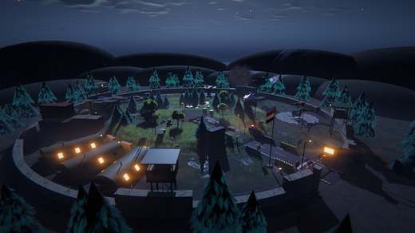
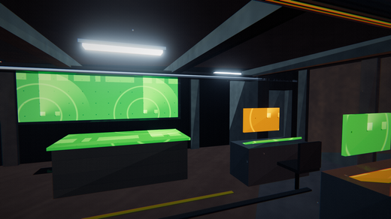
15 Bunker & Base
The underground command bunker and the military base apron, taken from the program's export: part counts per section (scene-graph groups), the site plan (BaseLayout.h), the walk space (floors, wall boxes, indoor volumes of WalkSpace) and every practical light. Blue = exported, white = formula. Room names are the scene-graph section names; the walk-space tables are anonymous boxes in metres (+Z north, +X east).

A. Part counts by section (scene-graph groups directly under each root)
Area | Section | Cube | Sphere | Cylinder | Cylinder (frustum) | Cone | Terrain disc | Parts (leaves) | Group nodes | Share of area
Command Bunker | Entrance trench | 94 | 6 | 30 | 0 | 0 | 0 |  | 2
Command Bunker | Blast door assembly | 19 | 5 | 4 | 0 | 0 | 0 |  | 5
Command Bunker | Bunker shell | 21 | 0 | 0 | 0 | 0 | 0 |  | 1
Command Bunker | Tunnel | 24 | 1 | 3 | 0 | 0 | 0 |  | 1
Command Bunker | Command room | 68 | 4 | 9 | 0 | 0 | 0 |  | 1
Command Bunker | Bunk room | 24 | 0 | 4 | 0 | 0 | 0 |  | 1
Command Bunker | Generator room | 20 | 0 | 11 | 0 | 0 | 0 |  | 1
Command Bunker | Exit shaft | 1 | 1 | 12 | 0 | 0 | 0 |  | 1
Command Bunker | Surface installations | 20 | 2 | 17 | 0 | 0 | 0 |  | 3
Command Bunker | Subtotal

Base | HESCO perimeter | 244 | 0 | 0 | 0 | 0 | 0 |  | 1
Base | Concertina wire | 0 | 0 | 362 | 0 | 0 | 0 |  | 1
Base | Guard tower 1 | 11 | 2 | 24 | 0 | 0 | 0 |  | 1
Base | Guard tower 2 | 11 | 2 | 24 | 0 | 0 | 0 |  | 1
Base | Guard tower 3 | 11 | 2 | 24 | 0 | 0 | 0 |  | 1
Base | Guard tower 4 | 11 | 2 | 24 | 0 | 0 | 0 |  | 1
Base | Outer gate | 31 | 3 | 41 | 0 | 0 | 0 |  | 8
Base | Road | 7 | 0 | 0 | 0 | 0 | 0 |  | 1
Base | Helipad | 31 | 17 | 3 | 0 | 0 | 0 |  | 1
Base | Motor pool | 92 | 5 | 46 | 0 | 0 | 0 |  | 6
Base | Tank spot marking | 4 | 0 | 0 | 0 | 0 | 0 |  | 1
Base | Fuel depot | 8 | 2 | 10 | 0 | 0 | 0 |  | 2
Base | Barracks | 42 | 6 | 9 | 0 | 0 | 0 |  | 4
Base | Tyre tracks | 50 | 0 | 0 | 0 | 0 | 0 |  | 1
Base | AA gun surround | 3 | 0 | 38 | 0 | 0 | 0 |  | 1
Base | Radar surround | 2 | 0 | 49 | 0 | 0 | 0 |  | 1
Base | Subtotal

Parts per final object (exported scene-graph tags; compare with sheet 3, COUNTIFS)
Object | Parts (exported) | Group nodes | Parts (sheet 3 COUNTIFS) | Check
Terrain | 1 | 1
Backdrop | 120 | 47
Environment | 652 | 89
Command Bunker | 400 | 17
Autonomous UAV | 158 | 34
Base | 1,253 | 33
Target Rover | 156 | 12
Main Battle Tank | 255 | 29
Scout Helicopter | 91 | 19
AA Gatling Gun | 78 | 5
Air-defence radar | 108 | 4
SAM launcher | 112 | 9
MLRS rocket truck | 136 | 22
Main Battle Tank 2 | 255 | 29
Main Battle Tank 3 | 255 | 29
Ammunition bunker | 43 | 2
Camp camouflage | 658 | 21
Boom barrier | 20 | 2
Windsock | 15 | 7
Flag | 47 | 14
Soldier 1 | 75 | 20
Soldier 2 | 75 | 20
Soldier 3 | 75 | 20
Soldier 4 | 75 | 20
Soldier 5 | 75 | 20
Soldier 6 | 75 | 20
Soldier 7 | 75 | 20
Soldier 8 | 75 | 20
Sky Clock | 1 | 1
All objects

B. Site plan (BaseLayout.h constants, metres; +Z north, +X east)
Constant | x | y | z | value | Distance from origin (xz, m)
base_radius |  |  |  | 36.000
perimeter_radius |  |  |  | 34.000
apron_level |  |  |  | -0.300
bunker_floor_y |  |  |  | -3.400
bunker_ceiling_y |  |  |  | -0.800
bunker_roof_top_y |  |  |  | -0.450
ramp_half_width |  |  |  | 1.500
ramp_top_z |  |  |  | 13.000
ramp_bottom_z |  |  |  | 6.000
blast_door_z |  |  |  | 4.000
bunker_min_x |  |  |  | -5.500
bunker_max_x |  |  |  | 5.500
bunker_min_z |  |  |  | -8.500
bunker_max_z |  |  |  | 4.000
outer_gate | 0.000 | -0.300 | 34.000
helipad | 20.300 | -0.300 | 17.000
helipad_radius |  |  |  | 5.000
radar_site | 29.000 | -0.300 | -3.000
aa_gun_site | 21.000 | -0.300 | -19.000
motor_pool | -22.000 | -0.300 | -16.000
barracks | -27.000 | -0.300 | 11.000
flagpole | -4.500 | -0.300 | 27.000
fuel_depot | -6.000 | -0.300 | -28.500
road_half_width |  |  |  | 2.200
rover_count |  |  |  | 3.000

C. Walk-space floors (WalkSpace::floors): footprints where the walker stands above the terrain
# | x0 | z0 | x1 | z1 | y0 (low edge) | y1 (high edge) | slope axis (0 flat, 1 x, 2 z) | ceiling y | Width (m) | Depth (m) | Area (m2) | Type | Rise (m) | Clear height (m)
1 | -1.500 | 6.000 | 1.500 | 13.000 | -3.400 | -0.134 | 2.000
2 | -1.500 | 4.000 | 1.500 | 6.000 | -3.400 | -3.400 | 0.000
3 | -1.500 | 3.650 | 1.500 | 4.000 | -3.400 | -3.400 | 0.000 | -0.800
4 | -1.500 | -1.800 | 1.500 | 3.650 | -3.400 | -3.400 | 0.000 | -0.800
5 | -0.900 | -2.100 | 0.900 | -1.800 | -3.400 | -3.400 | 0.000 | -0.800
6 | -5.200 | -8.200 | 5.200 | -2.100 | -3.400 | -3.400 | 0.000 | -0.800
7 | -5.200 | -1.800 | -1.800 | 3.650 | -3.400 | -3.400 | 0.000 | -0.800
8 | -1.800 | 0.900 | -1.500 | 1.900 | -3.400 | -3.400 | 0.000 | -0.800
9 | 1.800 | -1.800 | 5.200 | 3.650 | -3.400 | -3.400 | 0.000 | -0.800
10 | 1.500 | 0.600 | 1.800 | 1.800 | -3.400 | -3.400 | 0.000 | -0.800
11 | 4.000 | -6.900 | 4.900 | -6.600 | -3.400 | -3.400 | 0.000 | -0.800
12 | 3.900 | -8.200 | 5.200 | -6.900 | -3.400 | -3.400 | 0.000 | 0.083
Total

D. Wall boxes (WalkSpace::walls): the walker collides with them
# | min x | min y | min z | max x | max y | max z | Size x (m) | Size y (m) | Size z (m) | Volume (m3)
1 | -1.850 | -3.700 | 3.650 | -1.500 | 0.284 | 13.450
2 | 1.500 | -3.700 | 3.650 | 1.850 | 0.284 | 13.450
3 | -5.500 | -3.400 | 3.650 | -1.300 | -0.800 | 4.000
4 | 1.300 | -3.400 | 3.650 | 5.500 | -0.800 | 4.000
5 | -5.500 | -3.400 | -8.500 | -5.200 | -0.800 | 4.000
6 | 5.200 | -3.400 | -6.600 | 5.500 | -0.800 | 4.000
7 | -5.500 | -3.400 | -8.500 | 3.600 | -0.800 | -8.200
8 | -1.800 | -3.400 | -1.800 | -1.500 | -0.800 | 0.900
9 | -1.800 | -3.400 | 1.900 | -1.500 | -0.800 | 3.650
10 | 1.500 | -3.400 | -1.800 | 1.800 | -0.800 | 0.600
11 | 1.500 | -3.400 | 1.800 | 1.800 | -0.800 | 3.650
12 | -5.500 | -3.400 | -2.100 | -0.900 | -0.800 | -1.800
13 | 0.900 | -3.400 | -2.100 | 5.500 | -0.800 | -1.800
14 | 3.600 | -3.400 | -8.500 | 3.900 | 0.083 | -6.600
15 | 5.200 | -3.400 | -8.500 | 5.500 | 0.083 | -6.600
16 | 3.900 | -3.400 | -8.500 | 5.200 | 0.083 | -8.200
17 | 3.900 | -3.400 | -6.900 | 4.000 | 0.083 | -6.600
18 | 4.900 | -3.400 | -6.900 | 5.200 | 0.083 | -6.600
19 | -1.200 | -3.400 | -7.000 | 1.200 | -2.550 | -5.800
20 | -4.000 | -3.400 | -3.750 | -2.400 | -2.650 | -3.050
21 | 2.400 | -3.400 | -3.750 | 4.000 | -2.650 | -3.050
22 | -4.000 | -3.400 | -5.950 | -2.400 | -2.650 | -5.250
23 | 2.200 | -3.400 | -5.750 | 3.800 | -2.650 | -5.050
24 | -5.200 | -3.400 | -4.000 | -4.600 | -1.400 | -3.200
25 | -5.200 | -3.400 | -5.000 | -4.600 | -1.400 | -4.200
26 | -5.200 | -3.400 | -6.000 | -4.600 | -1.400 | -5.200
27 | -5.150 | -3.400 | -0.200 | -4.250 | -1.700 | 0.800
28 | -5.150 | -3.400 | 2.000 | -4.250 | -1.700 | 3.000
29 | -4.000 | -3.400 | -1.800 | -2.200 | -2.100 | -1.550
30 | -4.900 | -3.400 | 3.150 | -3.000 | -1.500 | 3.650
31 | -3.500 | -3.400 | 0.500 | -2.500 | -2.650 | 1.400
32 | 2.300 | -3.400 | 2.000 | 5.000 | -3.220 | 3.300
33 | 4.700 | -3.400 | 1.000 | 5.200 | -1.500 | 1.800
34 | 4.700 | -3.400 | 0.000 | 5.200 | -1.500 | 0.800
35 | 2.300 | -3.400 | -1.500 | 4.500 | -2.050 | -0.500
36 | 3.650 | -0.517 | -8.450 | 5.450 | 0.283 | -6.650
Total

E. Indoor volumes (WalkSpace::indoorVolumes): no sky light / rain / little fog; the renderer uses the first 8
# | min x | min y | min z | max x | max y | max z | Size x (m) | Size y (m) | Size z (m) | Volume (m3)
1 | -1.500 | -3.500 | -1.800 | 1.500 | -0.800 | 4.000
2 | -5.200 | -3.500 | -1.800 | -1.800 | -0.800 | 3.650
3 | 1.800 | -3.500 | -1.800 | 5.200 | -0.800 | 3.650
4 | -5.200 | -3.500 | -8.200 | 5.200 | -0.800 | -1.800
5 | 3.900 | -3.500 | -8.200 | 5.200 | 0.083 | -6.600
Total

F. Practical lights (emissive parts that also light the scene; the renderer uses the 16 most relevant per view - TS_MAX_PRACTICALS, from the design notes)
Node ID | Name | Object | x | y | z | colour R | colour G | colour B | intensity | range (m) | cone half-angle (deg) | Type | Distance from origin (m) | Animated
BKG-164 | Aviation light | Backdrop | -76.60 | 10.65 | 64.28 | 1.00 | 0.08 | 0.05 | 1.6 | 4.0 | 0 |  |  | Yes
BKG-165 | Aviation light | Backdrop | -76.60 | 21.65 | 64.28 | 1.00 | 0.08 | 0.05 | 1.6 | 4.0 | 0 |  |  | Yes
BKG-166 | Aviation light | Backdrop | -76.60 | 41.75 | 64.28 | 1.00 | 0.08 | 0.05 | 1.6 | 4.0 | 0 |  |  | Yes
ENV-200 | Aviation light | Environment | -13.00 | 9.05 | 6.00 | 1.00 | 0.08 | 0.05 | 1.6 | 4.0 | 0 |  |  | Yes
ENV-201 | Aviation light | Environment | -13.00 | 4.60 | 6.00 | 1.00 | 0.08 | 0.05 | 1.6 | 4.0 | 0 |  |  | Yes
ENV-272 | Dim red lamp | Environment | 3.18 | 2.80 | 13.00 | 1.00 | 0.20 | 0.08 | 1.1 | 6.0 | 50 |  |  | No
ENV-275 | Fire embers | Environment | 5.30 | 0.59 | 15.35 | 1.00 | 0.42 | 0.10 | 1.5 | 5.0 | 0 |  |  | No
BNK-80 | Landing floodlight | Command Bunker | 1.15 | -0.85 | 5.60 | 1.00 | 0.12 | 0.05 | 1.0 | 6.0 | 55 |  |  | No
BNK-82 | Wall lamp | Command Bunker | -1.30 | -1.22 | 5.00 | 1.00 | 0.14 | 0.05 | 0.9 | 4.0 | 0 |  |  | No
BNK-84 | Wall lamp | Command Bunker | 1.30 | -0.47 | 7.60 | 1.00 | 0.14 | 0.05 | 0.9 | 4.0 | 0 |  |  | No
BNK-86 | Wall lamp | Command Bunker | -1.30 | -0.53 | 10.20 | 1.00 | 0.14 | 0.05 | 0.9 | 4.0 | 0 |  |  | No
BNK-88 | Wall lamp | Command Bunker | 1.30 | -1.22 | 5.00 | 1.00 | 0.14 | 0.05 | 0.9 | 4.0 | 0 |  |  | No
BNK-154 | Beacon lamp A | Command Bunker | -1.00 | -0.54 | 4.10 | 1.00 | 0.55 | 0.05 | 3.0 | 7.0 | 0 |  |  | No
BNK-159 | Beacon lamp A | Command Bunker | 1.10 | -0.54 | 4.00 | 1.00 | 0.55 | 0.05 | 3.0 | 7.0 | 0 |  |  | No
BNK-163 | Status lamp | Command Bunker | -1.40 | -1.70 | 4.09 | 0.05 | 1.00 | 0.15 | 0.7 | 3.5 | 0 |  |  | Yes
BNK-192 | Tunnel tube (light) | Command Bunker | 0.00 | -0.87 | 1.00 | 0.85 | 0.95 | 1.00 | 3.2 | 9.0 | 0 |  |  | No
BNK-194 | Tunnel tube (light) | Command Bunker | 0.00 | -0.87 | -0.90 | 0.85 | 0.95 | 1.00 | 3.2 | 9.0 | 0 |  |  | No
BNK-213 | Emergency lamp | Command Bunker | 1.35 | -1.25 | 1.00 | 1.00 | 0.05 | 0.03 | 1.4 | 4.5 | 0 |  |  | No
BNK-219 | CIC tube (light) | Command Bunker | -3.20 | -0.87 | -3.20 | 0.85 | 0.95 | 1.00 | 3.2 | 9.0 | 0 |  |  | No
BNK-225 | CIC tube (light) | Command Bunker | 3.20 | -0.87 | -7.40 | 0.85 | 0.95 | 1.00 | 3.2 | 9.0 | 0 |  |  | No
BNK-227 | CIC tube (light) | Command Bunker | 0.00 | -0.87 | -5.40 | 0.85 | 0.95 | 1.00 | 3.2 | 9.0 | 0 |  |  | No
BNK-228 | Emergency lamp | Command Bunker | -5.05 | -1.25 | -2.40 | 1.00 | 0.05 | 0.03 | 1.4 | 4.5 | 0 |  |  | No
BNK-266 | Task lamp | Command Bunker | 3.85 | -2.26 | -3.60 | 1.00 | 0.60 | 0.22 | 1.6 | 4.5 | 0 |  |  | No
BNK-274 | Task lamp | Command Bunker | -2.55 | -2.26 | -5.80 | 1.00 | 0.60 | 0.22 | 1.6 | 4.5 | 0 |  |  | No
BNK-301 | Bunk room tube (light) | Command Bunker | -3.50 | -0.87 | 1.00 | 0.85 | 0.95 | 1.00 | 3.2 | 9.0 | 0 |  |  | No
BNK-330 | Plant room tube (light) | Command Bunker | 3.50 | -0.87 | 0.60 | 0.85 | 0.95 | 1.00 | 3.2 | 9.0 | 0 |  |  | No
UAV-36 | Strobe | Autonomous UAV | 0.00 | 7.52 | 12.64 | 1.00 | 1.00 | 1.00 | 2.0 | 3.5 | 0 |  |  | Yes
UAV2-36 | Strobe | Autonomous UAV | 0.00 | 7.55 | -12.64 | 1.00 | 1.00 | 1.00 | 2.0 | 3.5 | 0 |  |  | Yes
BASE-809 | Gate lamp | Base | -2.65 | 4.92 | 31.60 | 1.00 | 0.22 | 0.08 | 1.3 | 8.0 | 55 |  |  | No
BASE-868 | Perimeter light | Base | 15.54 | -0.23 | 17.95 | 0.08 | 0.25 | 1.00 | 0.5 | 4.0 | 0 |  |  | No
BASE-879 | Pad floodlight lens | Base | 14.23 | 3.83 | 20.92 | 1.00 | 0.46 | 0.20 | 2.0 | 13.0 | 38 |  |  | No
BASE-992 | Floodlight lens | Base | -22.00 | 5.00 | -8.26 | 1.00 | 0.50 | 0.22 | 2.4 | 13.0 | 42 |  |  | No
BASE-1055 | Hut door lamp | Base | -20.70 | 1.83 | 8.98 | 1.00 | 0.10 | 0.05 | 0.8 | 5.0 | 60 |  |  | No
RDR-38 | Lit vent | Air-defence radar | 23.17 | 1.60 | -2.40 | 1.00 | 0.62 | 0.20 | 0.8 | 5.0 | 0 |  |  | No
RDR-48 | Aviation light | Air-defence radar | 29.00 | 8.75 | -3.00 | 1.00 | 0.05 | 0.03 | 2.5 | 14.0 | 0 |  |  | Yes
AMMO-18 | Door lamp | Ammunition bunker | 7.75 | 1.63 | 26.20 | 0.05 | 0.85 | 0.60 | 0.6 | 4.0 | 60 |  |  | No
GATEB-21 | Warning lamp | Boom barrier | 2.90 | 1.00 | 31.60 | 1.00 | 0.15 | 0.03 | 1.0 | 4.5 | 0 |  |  | Yes
Total

Practical lights per object (COUNTIF over the list)
Object | Lights | Share
Backdrop
Environment
Command Bunker
Autonomous UAV
Base
Air-defence radar
Ammunition bunker
Boom barrier

Base overview (figure) |  |  |  |  |  |  |  | Command room (CIC) (figure)

18 Computer Vision
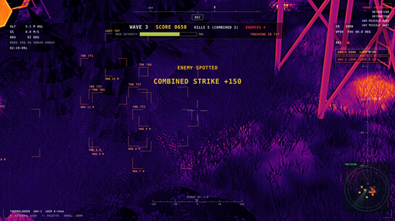
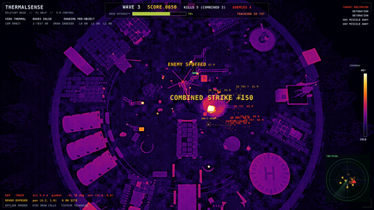
18 Computer Vision
v5 vision: every UAV turns its 320 x 240 thermal image into blobs (CvPipeline), the blobs become ground measurements, and one shared multi-target tracker (Kalman + Hungarian + two-view triangulation) builds the squad's track picture. Parameters are exported from the code (blue); the stage descriptions are from the source header comments (pale yellow); the derived figures are Excel formulas; the test rows are the program's own observed values (T130-T137).

A. Pipeline stages
# | Stage | Operation | Purpose | Code
1 | Adaptive threshold | t = max(floor, Otsu threshold of the frame histogram) | Otsu: the level that maximises the between-class variance of the 256-bin histogram; floor keeps cold frames from producing targets | CvPipeline.cpp cv::otsuThreshold
2 | Morphological despeckle | drop mask pixels with fewer than 2 hot 8-neighbours | removes isolated hot pixels (sparks, grass glints, sensor noise) | cv::despeckle
3 | Connected components | two-pass labelling, 8-connectivity, union-find with path compression | turns the hot mask into blobs | cv::labelComponents
4 | Blob features | area, centroid, box, mean / peak heat, central moments -> orientation, elongation | elongation = sqrt(lambda_max / lambda_min) of the second central moments | cv::detectTargets
5 | Target filter | area in [minArea, maxArea], a pixel >= core, elongation <= maxElongation | rejects fires (too big), tracers / wires (thin streaks) and cold warm-ups | cv::detectTargets
6 | Pixel ray -> ground point | ray through the blob centroid (gimbal camera matrix), intersected with the terrain | gives one ground measurement with sigma growing with range | DroneController::imagePointToGround
7 | Gating | squared Mahalanobis distance of the innovation < chi-square (2 dof, 99 %) | a measurement may only update a track it is statistically close to | MultiTracker::mahalanobis2
8 | Assignment | Hungarian algorithm (Kuhn-Munkres) on the gated costs, one sensor at a time | optimal one-to-one track <-> measurement matching (tested against brute force, T133) | MultiTracker::hungarian
9 | Two-view triangulation | midpoint of the shortest segment between the two UAVs' pixel rays | when both UAVs see the same rover in one frame: smaller error than one ground ray (T134) | MultiTracker::triangulate
10 | Kalman filter | constant-velocity model, state (x, z, vx, vz), white-noise acceleration | smooths positions, estimates velocity used for the strike's lead prediction (T135) | MultiTracker::kalmanUpdate
11 | Track life cycle | tentative -> confirmed (confirmHits) -> coasting (coastAfter s) -> deleted (deleteAfter s) | one-frame clutter never becomes a track (T136); close tracks with similar velocity are merged | MultiTracker::update

B. Parameters (CvConfig, camera constants, MultiTracker defaults) - exported
...
T132 | Otsu threshold separates a bimodal image; second moments give the bar's axis and elongation | 40 <= t < 200 (dark class <= t), orientation ~0 deg, elongation > 5 | t = 40, orientation 0.0 deg, elongation 10.3
T133 | Hungarian assignment finds the optimal total cost (vs brute force over 120 permutations) | 50 / 50 random problems optimal | 50 / 50
T134 | Two-view triangulation (closest points of two rays) vs one ray on the ground | triangulated error < single-ray error, residual small | triangulated 0.051 m (residual 0.085 m), single ray 0.071 m
T135 | Kalman tracker: one confirmed track, position error < 0.25 m, velocity -> 1.2 m/s | 1 confirmed track, |vx - 1.2| < 0.25 m/s, late error < 0.25 m | 1 tracks, state 1, vx 1.07 m/s, late max error 0.164 m
T136 | Two crossing targets keep their track IDs; one-frame clutter never becomes a track | no ID swap, clutter never confirmed, 2 tracks at the end | ids 1 / 2, swapped 0, clutter confirmed 0, tracks 2
T137 | Squad fusion: one target seen by both UAVs -> one track updated by triangulation | 1 track, all updates fused, error < 0.05 m (ground points are 0.2 m off) | 1 tracks, 20 fused updates, error 0.004 m
Passing

UAV thermal view with all tracks (HUD boxes) |  |  |  |  | Tactical map

19 Squad & Mission
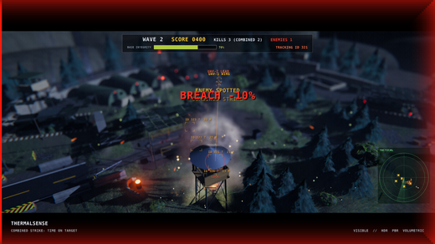
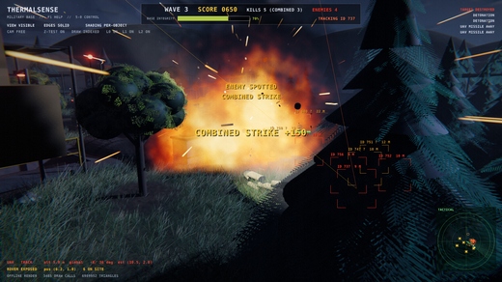
...
19 Squad & Mission
The two-UAV squad (roles, strike rules, time-on-target) and the night-watch mission (waves, scoring, base integrity). Constants are exported (blue); rule text is from the Squad.h / Mission.h header comments (pale yellow); time-on-target, waves, scoring and armour are Excel formulas; the measured results are the program's test observations (T138-T145, T180, T181, T105) plus one run reported by the supervisor.
Hits | 12 | supervisor message (docs/PLAN_V5.md status): headless real render, 90 s
Kills | 3 | supervisor message (docs/PLAN_V5.md status): headless real render, 90 s
Combined kills | 2 | supervisor message (docs/PLAN_V5.md status): headless real render, 90 s
Wave reached | 2 | supervisor message (docs/PLAN_V5.md status): headless real render, 90 s
Fused (two-view) tracker updates | 689 | supervisor message (docs/PLAN_V5.md status): headless real render, 90 s
Hits per kill |  | formula: hits / kills (the 4-5 shots rule; unarmoured misses are rounds minus hits)
Hit rate |  | formula: hits / rounds launched

Combined strike (both rounds in flight) |  |  | Kill banner and score

21 Day Cycle & Lighting
...
Sun elevation and key intensity vs hour
Waves allowed | Cloud shadow mean | Sun elevation (deg, Excel formula) | Excel - exported (deg) | Check
yes | 1.000
yes | 1.000
yes | 1.000
yes | 1.000
yes | 1.000
yes | 1.000
yes | 1.000
yes | 1.000
yes | 1.000
yes | 1.000
yes | 1.000
yes | 1.000
yes | 1.000
yes | 1.000
yes | 1.000
yes | 1.000
yes | 1.000
yes | 1.000
yes | 1.000
yes | 1.000
yes | 1.000
yes | 1.000
yes | 1.000
no | 1.000
no | 1.000
no | 0.899
no | 0.929
...

22 Soldiers & Routes
...
Walk cycle joint angles vs phase
elbow_l | spine_yaw | pelvis_y | foot_x_l | foot_y_l
12.000 | 5.000 | -0.076 | 0.300 | -0.824
12.000 | 4.904 | -0.079 | 0.259 | -0.821
12.000 | 4.619 | -0.080 | 0.219 | -0.820
12.000 | 4.157 | -0.077 | 0.178 | -0.823
12.000 | 3.536 | -0.072 | 0.138 | -0.828
12.000 | 2.778 | -0.065 | 0.097 | -0.835
12.000 | 1.913 | -0.057 | 0.056 | -0.843
12.000 | 0.975 | -0.050 | 0.016 | -0.850
12.000 | 0.000 | -0.044 | -0.025 | -0.856
14.107 | -0.975 | -0.041 | -0.066 | -0.859
16.133 | -1.913 | -0.040 | -0.106 | -0.860
18.000 | -2.778 | -0.043 | -0.147 | -0.857
19.637 | -3.536 | -0.048 | -0.188 | -0.852
20.980 | -4.157 | -0.055 | -0.228 | -0.843
21.978 | -4.619 | -0.063 | -0.269 | -0.826
22.593 | -4.904 | -0.070 | -0.309 | -0.804
22.800 | -5.000 | -0.076 | -0.350 | -0.781
22.593 | -4.904 | -0.079 | -0.391 | -0.761
21.978 | -4.619 | -0.080 | -0.431 | -0.747
20.980 | -4.157 | -0.077 | -0.472 | -0.743
19.637 | -3.536 | -0.072 | -0.479 | -0.738
18.000 | -2.778 | -0.065 | -0.466 | -0.733
16.133 | -1.913 | -0.057 | -0.431 | -0.731
14.107 | -0.975 | -0.050 | -0.367 | -0.731
12.000 | 0.000 | -0.044 | -0.275 | -0.733
12.000 | 0.975 | -0.041 | -0.163 | -0.737
...

23 CV Noise & Seeds
...
 | Failed |  | Pending
SensorModel.h
SensorModel.h
SensorModel.h
SensorModel.h
SensorModel.h
CvPipeline.h
CvPipeline.h
...
Detection and false alarms vs NETD
 | Failed |  | Pending
False targets / frame | Soldier classified as target | Person recognised | Centroid RMS (px)
0.000 | 0.000 | 1.000 | 0.140
0.000 | 0.000 | 1.000 | 0.140
0.000 | 0.000 | 1.000 | 0.142
0.000 | 0.000 | 0.998 | 0.153
0.030 | 0.054 | 0.944 | 0.180
0.006 | 0.008 | 0.992 | 0.147 | last row: NUC switched off (at NETD 2)
...

25 Frame Explorer
...
Layers |  | Captured stages |  | Checks OK | Checks CHECK
 | 0.1111
 | 0.4444
 | 0.7778
 | 0.2222
 | 0.5556
 | 0.8889
...
Tone curve: display value vs log2 radiance
Layers |  | Captured stages |  | Checks OK | Checks CHECK
ACES(x) (program) | ACES(x) (Excel) | Display, exposure 1 (program) | Display (Excel) | Check
0.00009 |  | 0.00548
0.00032 |  | 0.01094
0.00067 |  | 0.01978
0.00125 |  | 0.03447
0.00219 |  | 0.05709
0.00379 |  | 0.08586
0.00655 |  | 0.12250
0.01138 |  | 0.16916
0.01990 |  | 0.22789
0.03484 |  | 0.30015
0.06050 |  | 0.38581
0.10280 |  | 0.48200
0.16811 |  | 0.58249
0.25986 |  | 0.67882
0.37431 |  | 0.76318
0.49927 |  | 0.83122
0.61912 |  | 0.88269
0.72207 |  | 0.91996
0.80356 |  | 0.94630
0.86466 |  | 0.96469
0.90901 |  | 0.97748
0.94066 |  | 0.98638
0.96304 |  | 0.99259
0.97882 |  | 0.99694
0.98994 |  | 0.99998

26 Game Camera & Controls
...
Jump blend: spring offset, letterbox, hit marker vs time
 | Blend time (s) |  | Checks OK
Letterbox (program) | 0.11 sin(pi t / T)^0.6 | Hit marker alpha (program) | Hit marker (Excel) | Check
0.0000 |  | 1.0000
0.0361 |  | 1.0000
0.0544 |  | 1.0000
0.0685 |  | 0.9118
0.0800 |  | 0.8235
0.0893 |  | 0.7353
0.0969 |  | 0.6471
0.1026 |  | 0.5588
0.1067 |  | 0.4706
0.1092 |  | 0.3824
0.1100 |  | 0.2941
0.1092 |  | 0.2059
0.1067 |  | 0.1176
0.1026 |  | 0.0294
0.0969 |  | 0.0000
0.0893 |  | 0.0000
0.0800 |  | 0.0000
0.0685 |  | 0.0000
0.0544 |  | 0.0000
0.0361 |  | 0.0000
0.0000 |  | 0.0000

28 v8 Daylight & Barracks
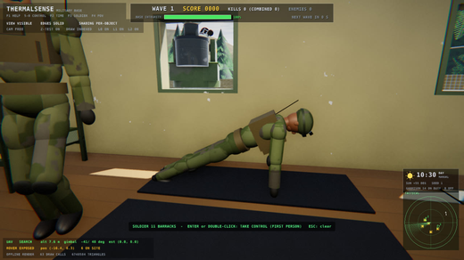
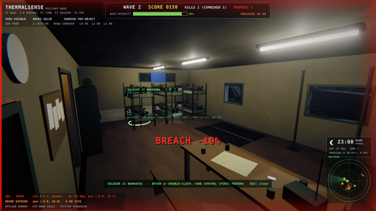
...
What v8 changed, the graphics concept behind each change, the tests that guard it (status from sheet 10) and the before / after captures (docs/v8_notes/shots). Amber = design notes; blue = imported from build/test_results.json.
v8 tests |  | Passed |  | Failed
T321 | Barracks hall: walkable floor + 2.7 m ceiling, door the site planner passes, windowed indoor light | floor at the slab top (also via groundHeight on the apron), ceiling 2.7 m, door cells free, walls blocked, hall volume sky 0.24 key 1, bunker volume sky 0.012 key 0 | floor 1 (-0.18), ground -0.18, ceiling 2.70, door 1, walls 1, hall sky 0.240 key 1, bunker sky 0.012 key 0
T322 | Barracks residents by day: 6 unarmed residents stay at the hall / PT area and vary their activities | 14 soldiers, every resident >= 2 barracks activities in 7 min, all 7 activities seen, none leaves, walkers >= 0.45 m apart | 14 soldiers, 6 / 6 varied, 7 activities, stayed 1, unarmed 1, min walker gap 0.50 m
T323 | Resident routes (A* -> string pulling -> Catmull-Rom) keep clear of the hall's walls, bunks and table | smallest clearance >= kBodyClearance (0.28 m) | smallest clearance 0.28 m
T324 | Night in the barracks: every resident goes to his own bunk and sleeps | 6 / 6 asleep in the hall 120 s after 23:00 | 6 / 6 asleep
T325 | Barracks poses: finite; sleep and sit-ups lie on the back, push-ups face down and inclined, pull-up arms overhead | sleep / sit-up pitch -90, push-up 60..80 and the chest lower at the bottom, pull-up shoulders > 140, blend halves the pitch | finite 1, sleep -90, sit-up -90 (crunch 68), push-up 64 -> 74 (pelvis -0.56 -> -0.71), pull-up 176, blend -45
T326 | Natural rover motion: wandering speed, weaving track and hesitations; the same seed repeats exactly | speed factor spread > 0.05 (plain: 0), track differs > 0.25 m, >= 1 hesitation, same seed identical, still crosses > 6 m | speed factor spread 0.128 vs 0.000, max deviation 8.34 m, 2 hesitations, repeat diff 0.0000 m, progress 7.2 m
T327 | Third person: W turns the body to the camera heading, aiming strafes, a wall pulls the spring arm in | turn towards yaw 90 (aimYawDelta < 0), aiming: strafe 1 / no forward, camera stays in front of the wall (z > -1.4) | W: forward 1.00 yaw delta -60.4, aim: strafe 1.00 forward 0.00, arm 1.18 m, eye z -1.18

Captures (headless EPIC on the RTX 4070)
Before v8: day overview |  |  |  |  | After v8: day overview
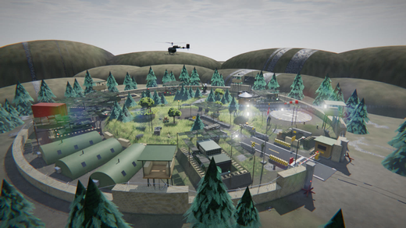
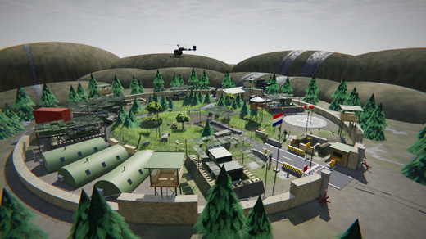

Third person (spring arm) |  |  |  |  | Inside the barracks hall
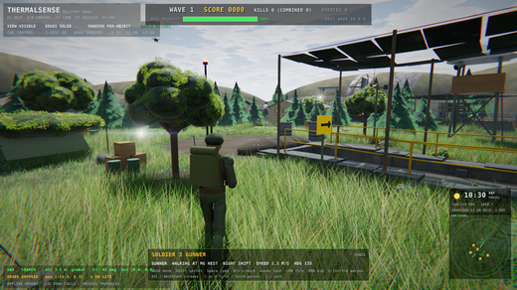
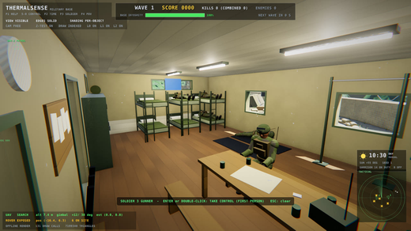

Resident: push-ups |  |  |  |  | The hall at night

29 v9 Audit & Budget
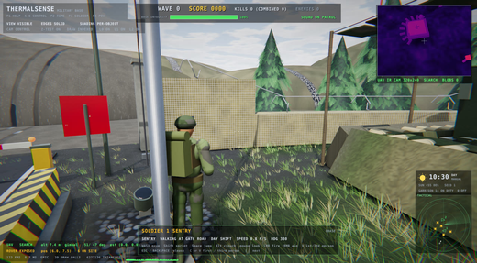
...
Frame budget: at 60 fps a frame has 1000 / 60 = 16.67 ms for everything. The CPU (simulation, UAV camera passes, computer vision, draw submission) and the GPU (shadow maps, pre-pass, scene, post) work as a pipeline; the slower of the two sets the frame rate unless one waits for the other (a sync point: read-back, vsync swap). The fixed-shot benchmark (--bench-shots) measures 5 gameplay views x day / night with the same frame as the interactive loop, so every v9 milestone is compared against this baseline. Blue = imported from the program's JSON / logs; white = formulas.
Budget ms (60 fps) |  | Shots holding 60 (exe) |  | Mean exe FPS | Mean WSL FPS
after_W_2s | -4.84 | -0.10 | 27.18 | 0.77 | 111.7
after_D_1s | -5.91 | -0.30 | 26.69 | 0.77 | 115.3
after_look_right | -5.95 | -0.30 | 26.66 | 0.02 | 112.9
after_W_turned | -6.23 | -0.30 | 25.97 | 0.23 | 98.0
third_person_W | -6.23 | -0.30 | 25.28 | 0.24 | 107.9

frames from the exe

Audit captures (headless EPIC 1080p, before v9)
Day overview: dome hills, cone pines |  |  |  |  |  | Third person: noisy broadleaf, flat lighting
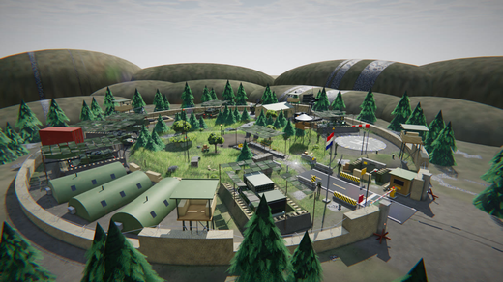

Hall inside: flat blue window |  |  |  |  |  | Exe frame (WASD script, 123 fps vsync off)

30 v9 Fixed Tick & Interp
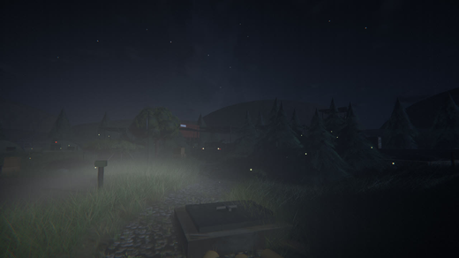
...
Fixed timestep ("fix your timestep"): the world advances in 1/60 s ticks from an accumulator of real frame time; the frame shows the world between the last two ticks, blended by alpha = leftover time / tick (parts: element-wise matrix blend with cut / spin guards; camera: lerp eye, slerp orientation). Physics and AI never see an uneven step, the same seed and input give the same run, and motion is smooth at any display rate. The blocking vsync swap (88 ms a frame under the compositor, sheet 29) is replaced by a deadline frame limiter at the display refresh. The UAV image CV runs on a worker thread and joins at the next tick, so results are bit-identical (T334, trace below). Grass: a 5-triangle curved strip instead of the 12-triangle cube, and distance LOD that submits only the blades a cell needs.
Mean speed-up | Min M1 FPS | Max grass tris (M) | Shots >= 60
M0: night forest |  |  |  | M1: night forest

31 v9 Controls & Interaction
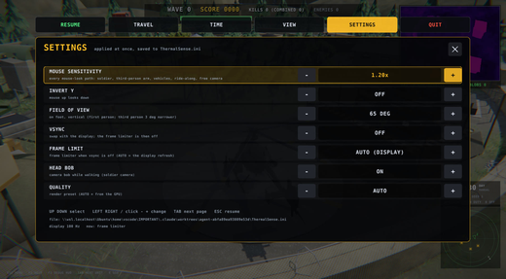
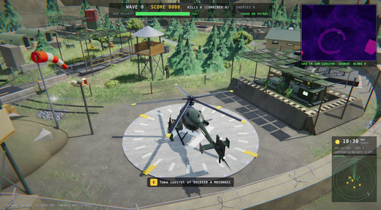
...
Human-computer interaction for a real-time 3D scene. Input mapping: keys are data with a context, checked for conflicts. Context-sensitive interaction: one 'use' key whose meaning the on-screen prompt states, chosen by a view-cone + reach + line-of-sight pick (the same ray / slab tests as picking and collision). A pause menu (field guide pages: travel, time of day, views) and persistent settings (mouse sensitivity, invert Y, FOV, vsync, frame limit, head bob, quality). Blue = imported from the program's JSON / logs; white = formulas; amber = notes.
Bindings |  | Changed in M2 |  | Conflicts | 0
T343 | Key map: E interact, Tab / Shift+Tab units, Esc release -> menu, P pause, F3 HUD, V the only view key, Space jump only; every changed key names its old binding; JSON export | all present in their contexts, Space only in SOLDIER, V not global, C not in SOLDIER / VEHICLE / RIDE, >= 8 documented changes, JSON lists every binding | E 1 Tab 1 Shift+Tab 1 Esc 1 P 1 F3 1 V 111, Space 1 (soldier 1), V global 0, C in control 0, 13 changes, json 15032 bytes
T344 | Settings: ThermalSense.ini serialize -> parse gives the same settings; bad lines warn, values clamp | 3 round trips equal; sensitivity 9 -> 3.00, fov 20 -> 50, quality epic = 3, invert on, uncapped = 0, 3 warnings | round trips 1 1 1; parsed sens 3.00 fov 50 quality 3 invert 1 limit 0, 3 warnings: line 5: unknown key (bogus = 1)
T345 | Settings rows: steps clamp at the ends, lists step through their choices; look delta = sensitivity, invert Y flips only the vertical | sensitivity max 3.00, 9 steps down 2.10; frame limit AUTO -> 30 -> UNCAPPED; quality floor AUTO; look (10, 4) at 0.5x inverted = (5, -2) | max 3.00, after 9 down 2.10, limit 30 -> 0 (UNCAPPED), quality -1, invert 1, look (5.00, -2.00)
T346 | Pause menu layout at 4 screen sizes: 6 tabs above the field-guide panel, settings rows inside it, every hit test returns the element drawn there | no overlap / overflow, tab / row / -/+ / guide button hits exact, Tab cycles the 4 pages | 52 elements checked, all consistent, pages 1
T347 | Tab cycles the controllable units in game order (soldiers, UAVs, vehicles), skipping hostile rovers and rounds, wrapping at both ends | order S1 S2 UAV-1 UAV-2 TANK HELI; first S1, last HELI; S2 -> UAV-1; HELI -> S1; S1 back -> HELI; from a rover -> S1 | order S1 S2 UAV-1 UAV-2 TANK HELI ; first S1 last HELI, S2-> UAV-1, HELI-> S1, S1<- HELI, rover-> S1
T348 | Interaction prompts | "[E] Open blast doors", "[E] Enter Barracks", "[E] Take control of UAV-1", "[E] Release", "[E] Ride UAV-2 DRONE (WING)" | '[E] Open blast doors' '[E] Enter Barracks' '[E] Take control of UAV-1' '[E] Release' '[E] Ride UAV-2 DRONE (WING)'
T349 | Barracks hall with the real scene geometry: the doorway is in sight from the apron in front of it and from inside, hidden from beside the hall (wall solids) | front clear, inside clear, east blocked, no pick through the wall | 1333 solids, 36 walls; front 1, inside 1, east blocked 1, pick through wall -1

Captures: before (v8 HUD) / after (decluttered game HUD, prompts, pause menu) and the exe frames
Before: play_select (v8 HUD, debug blocks) |  |  |  |  |  | After: play_select (game HUD, [E] prompt)
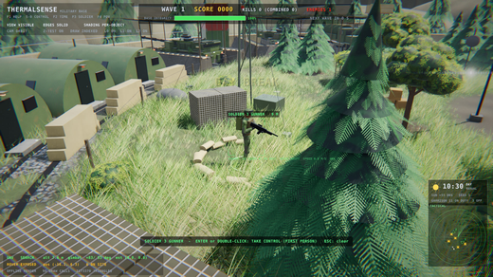
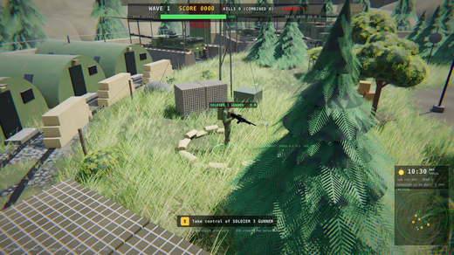

Before: third person (v8 HUD) |  |  |  |  |  | After: third person (soldier HUD)
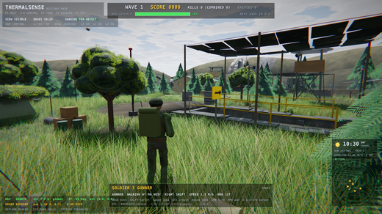

[E] Take control of UAV-1 DRONE (orbit view) |  |  |  |  |  | [E] Enter Barracks (third person)
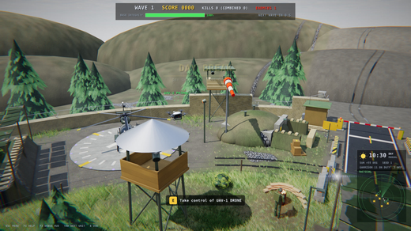
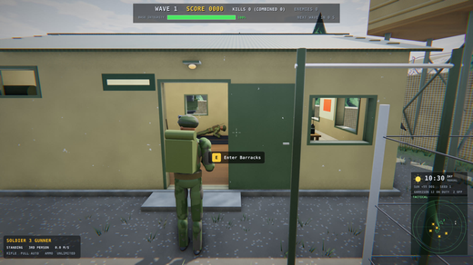

After E: inside the hall |  |  |  |  |  | Pause menu: TRAVEL (field guide)
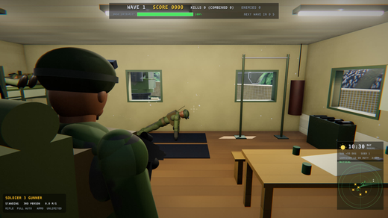
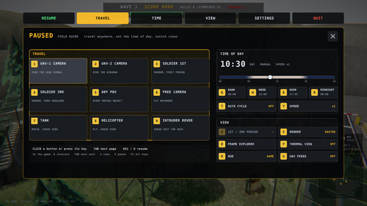

Pause menu: TIME |  |  |  |  |  | Pause menu: SETTINGS
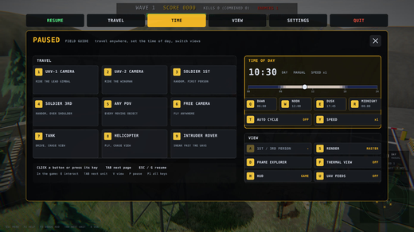
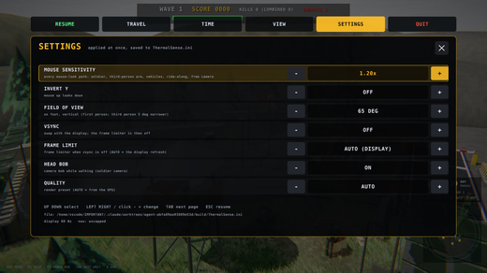

Exe: Tab x4 -> [E] Take control of MH-6 HELICOPTER |  |  |  |  |  | Exe: after E (helicopter, [E] Release)
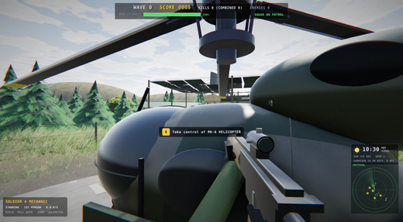
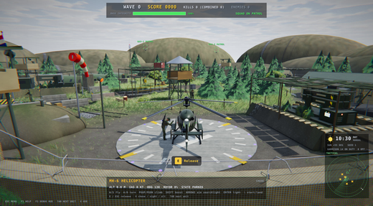

Exe: after V (cockpit sight) |  |  |  |  |  | Exe: Esc x3 -> pause menu
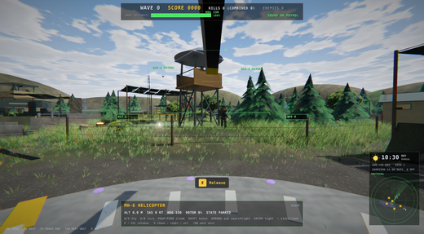
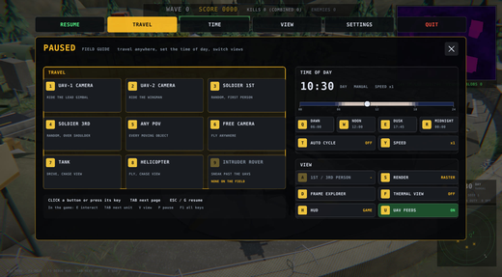

Exe: SETTINGS, sensitivity 1.20x |  |  |  |  |  | Exe: RESUME

32 v9 Character Motor & Camera
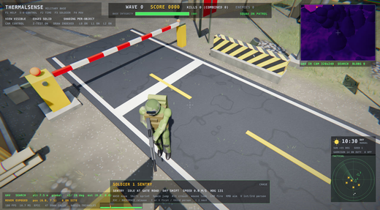
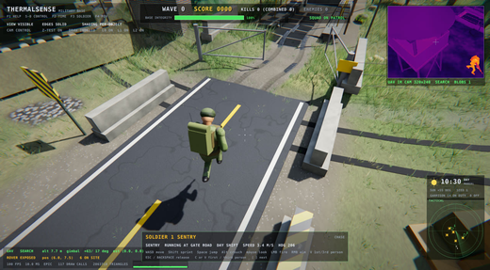
...
The possessed soldier moves on a character motor (scene/CharacterMotor.h) run once per fixed 1/60 s tick: critically damped speed springs instead of linear ramps, sprint / crouch blends over 0.2 s, coyote time and a jump buffer, step-up and a 40 deg slope limit on the WalkSpace collision, smooth step-down. The third-person camera is a critically damped spring arm with sphere-cast collision; the gait phase advances by distance travelled so the feet never slide. Below: the concepts, the design constants (named cells), the speed curves logged by the real exe recomputed with Excel formulas, the tests and the captures.
Exe walk 90 % rise (s) |  | Exe walk stop < 5 cm/s (s) |  | Exe sprint 90 % rise (s) |  | Exe sprint stop < 5 cm/s (s)
jump apex (v^2 / 2 g, 4.8 m/s, 16 m/s^2) |  | m
arm ease-out omega (2 / tau) |  | 1/s
arm 90 % ease-out time |  | s
stride per cycle at walk / run (m) | 1.30 / 2.00

ThermalSense.exe input-script session (docs/v9_notes/m3/m3_video.txt): logged speed curves vs the spring model
exe log (m3_video.log) |  | session video (MP4)

Walk: W pressed (rise)
Walk: W pressed (rise)
t (s) | measured v (m/s) | model v (m/s) | sprint blend | label | crossing (s)
0.000 | 0.04 |  | 0.00 | walk_rise_00
0.050 | 0.41 |  | 0.00 | walk_rise_01
0.100 | 0.77 |  | 0.00 | walk_rise_02
0.150 | 1.01 |  | 0.00 | walk_rise_03
0.200 | 1.15 |  | 0.00 | walk_rise_04
0.250 | 1.22 |  | 0.00 | walk_rise_05
0.300 | 1.26 |  | 0.00 | walk_rise_06
0.350 | 1.28 |  | 0.00 | walk_rise_07
0.400 | 1.29 |  | 0.00 | walk_rise_08
0.450 | 1.30 |  | 0.00 | walk_rise_09
0.500 | 1.30 |  | 0.00 | walk_rise_10
0.550 | 1.30 |  | 0.00 | walk_rise_11
0.600 | 1.30 |  | 0.00 | walk_rise_12

Walk: W released (stop)
Walk: W released (stop)
t (s) | measured v (m/s) | model v (m/s) | sprint blend | label | crossing (s)
0.000 | 1.18 |  | 0.00 | walk_stop_00
0.050 | 0.53 |  | 0.00 | walk_stop_01
0.100 | 0.18 |  | 0.00 | walk_stop_02
0.150 | 0.05 |  | 0.00 | walk_stop_03
0.200 | 0.01 |  | 0.00 | walk_stop_04
0.250 | 0.00 |  | 0.00 | walk_stop_05
0.300 | 0.00 |  | 0.00 | walk_stop_06
0.350 | 0.00 |  | 0.00 | walk_stop_07
0.400 | 0.00 |  | 0.00 | walk_stop_08
0.450 | 0.00 |  | 0.00 | walk_stop_09
0.500 | 0.00 |  | 0.00 | walk_stop_10

Sprint: Shift + W pressed
Sprint: Shift + W pressed
t (s) | measured v (m/s) | model v (m/s) | sprint blend | label | crossing (s)
0.000 | 0.12 |  | 0.02 | sprint_rise_00
0.050 | 0.69 |  | 0.26 | sprint_rise_01
0.100 | 1.25 |  | 0.62 | sprint_rise_02
0.150 | 1.86 |  | 0.93 | sprint_rise_03
0.200 | 2.45 |  | 1.00 | sprint_rise_04
0.250 | 2.87 |  | 1.00 | sprint_rise_05
0.300 | 3.12 |  | 1.00 | sprint_rise_06
0.350 | 3.26 |  | 1.00 | sprint_rise_07
0.400 | 3.33 |  | 1.00 | sprint_rise_08
0.450 | 3.37 |  | 1.00 | sprint_rise_09
0.499 | 3.38 |  | 1.00 | sprint_rise_10
0.549 | 3.39 |  | 1.00 | sprint_rise_11
0.599 | 3.40 |  | 1.00 | sprint_rise_12

Sprint: released
Sprint: released
t (s) | measured v (m/s) | model v (m/s) | sprint blend | label | crossing (s)
0.000 | 2.79 |  | 0.98 | sprint_stop_00
0.050 | 1.27 |  | 0.74 | sprint_stop_01
0.100 | 0.43 |  | 0.38 | sprint_stop_02
0.150 | 0.13 |  | 0.07 | sprint_stop_03
0.200 | 0.04 |  | 0.00 | sprint_stop_04
0.250 | 0.01 |  | 0.00 | sprint_stop_05
0.300 | 0.00 |  | 0.00 | sprint_stop_06
0.350 | 0.00 |  | 0.00 | sprint_stop_07
0.400 | 0.00 |  | 0.00 | sprint_stop_08
0.450 | 0.00 |  | 0.00 | sprint_stop_09
0.500 | 0.00 |  | 0.00 | sprint_stop_10

Crouch (Left Alt): blend and first-person eye height
Crouch (Left Alt): blend and first-person eye height
t (s) | crouch blend | eye height above feet (m) | smoothstep model
0.000 | 0.00 | 1.62
0.050 | 0.16 | 1.56
0.100 | 0.50 | 1.37
0.150 | 0.84 | 1.18
0.200 | 1.00 | 1.06
0.250 | 1.00 | 1.05
0.300 | 1.00 | 1.05

Stand up: blend and eye height
Stand up: blend and eye height
t (s) | crouch blend | eye height above feet (m) | smoothstep model
0.000 | 1.00 | 1.05
0.050 | 0.84 | 1.12
0.100 | 0.50 | 1.30
0.150 | 0.16 | 1.48
0.200 | 0.00 | 1.61
0.250 | 0.00 | 1.62
0.300 | 0.00 | 1.62

Buffered double jump: feet height
Jump + a second press 0.1 s before landing (buffered: fires on touch-down, no ground sample between)
t (s) | feet height (m) | in the air
0.000 | -0.14 | 1
0.050 | 0.06 | 1
0.100 | 0.22 | 1
0.150 | 0.34 | 1
0.200 | 0.42 | 1
0.250 | 0.46 | 1
0.300 | 0.46 | 1
0.350 | 0.42 | 1
0.400 | 0.34 | 1
0.450 | 0.22 | 1
0.500 | 0.06 | 1
0.550 | -0.14 | 1
0.600 | -0.07 | 1
0.650 | 0.12 | 1
0.700 | 0.26 | 1
0.750 | 0.37 | 1
0.800 | 0.44 | 1
0.850 | 0.46 | 1
0.900 | 0.45 | 1
0.950 | 0.40 | 1
1.000 | 0.30 | 1
1.050 | 0.17 | 1
1.100 | 0.00 | 1
1.150 | -0.22 | 0
1.200 | -0.22 | 0
1.250 | -0.22 | 0
1.300 | -0.22 | 0
1.350 | -0.22 | 0
1.400 | -0.22 | 0
1.450 | -0.22 | 0
1.500 | -0.22 | 0
air samples

Spring arm during the orbit
Third-person orbit beside the barrier: arm length (pull-in at once, critically damped ease-out)
t (s) | arm (m) | wanted (m)
0.000 | 3.10
0.250 | 2.08
0.500 | 2.35
0.750 | 2.86
1.000 | 3.04
1.250 | 3.09
1.500 | 3.10
1.750 | 3.10
2.000 | 3.10
2.250 | 2.65
2.500 | 2.83
2.750 | 3.02
3.000 | 3.08
3.250 | 3.10
3.500 | 3.10
3.750 | 3.10
4.000 | 3.10
shortest arm
never longer than wanted

M3 tests (T350-T359)
Test | What is checked | Expected | Observed | Status (sheet 10)
T350 | Character motor: critically damped speed response (no linear clamps): walk 90 % <= 0.25 s, stop <= 0.2 s | rise to 1.17 m/s <= 0.25 s, below 5 cm/s <= 0.2 s after release, peak <= 1.3 m/s (no overshoot), sprint reaches 3.06 m/s | walk 90 % after 0.233 s (analytic 0.229 s), peak 1.3000 m/s; stop < 5 cm/s 0.183 s, < 1 cm/s 0.233 s; sprint 90 % after 0.317 s, peak 3.400
T351 | Jump: coyote time 0.12 s after walking off a ledge, jump buffer 0.15 s before landing, no air jump | jump fires 0.067 s and 0.1 s after the drop, not 0.2 s after; a press 0.1 s before landing fires on landing, 0.25 s before does not; mid-air press ignored | coyote 1 / 1 / 0, landing tick 34, buffered press fired at tick 35 (landing + 1), late press 0, air jumps 0
...
The possessed soldier moves on a character motor (scene/CharacterMotor.h) run once per fixed 1/60 s tick: critically damped speed springs instead of linear ramps, sprint / crouch blends over 0.2 s, coyote time and a jump buffer, step-up and a 40 deg slope limit on the WalkSpace collision, smooth step-down. The third-person camera is a critically damped spring arm with sphere-cast collision; the gait phase advances by distance travelled so the feet never slide. Below: the concepts, the design constants (named cells), the speed curves logged by the real exe recomputed with Excel formulas, the tests and the captures.
Exe walk 90 % rise (s) |  | Exe walk stop < 5 cm/s (s) |  | Exe sprint 90 % rise (s) |  | Exe sprint stop < 5 cm/s (s)
T353 | Slope limit 40 deg: ramps up to the limit are walked, steeper ground blocks the uphill part of the step | 30 / 38 deg ramps climbed (> 2 m up), 45 / 60 deg: < 0.45 m up and the limit engaged; a 0.4 m floor step reads < tan 40 | rise 30 deg 2.31 m (blocked 0 ticks), 38 deg 3.12 (0), 45 deg 0.34 (229), 60 deg 0.01 (247); step slope 0.40
T354 | Spring camera (zeta = 1): no overshoot on a step, after a walk-then-stop, or when the arm eases back out | step: monotonic, never past the goal; one 1 s step == 60 ticks (< 1e-5); pivot never passes the stop point; arm in 1 m at once, back out monotonic to <= 3.1 m (90 % in 0.3..1.0 s) | step overshoot 0.00e+00, monotonic 1, cut error 0.00e+00; pivot overshoot -0.0000 m, monotonic 1; arm pulled 1.00, max 3.1000, monotonic 1, 90 % after 0.55 s
T355 | Spring arm collision: over 500 random poses near random walls the camera never enters or looks through a wall | 500 poses x 12 ticks with mouse flicks / aim: eye never within the near plane of a wall, pivot -> shoulder -> eye never crosses one | 500 poses, 6000 ticks, eye inside 0, crossings 0, closest eye-to-wall 0.220 m
T356 | Locomotion: stride phase driven by distance + world-locked stance feet: foot slip < 3 cm per stride at every speed | slow walk, walk, sprint, crouch walk, backwards, strafe, diagonal sprint: rendered stance ankle drift < 3 cm, >= 2 stances each (>= 21 in all) | slow 0.46 m/s 0.0 cm (2) walk 1.30 m/s 0.0 cm (5) sprint 3.40 m/s 0.0 cm (7) crouch 0.80 m/s 0.0 cm (4) back 0.90 m/s 0.0 cm (3) strafe 1.17 m/s 0.0 cm (4) diagonal 3.40 m/s 0.2 cm (7) worst 0.22 cm
T357 | Determinism: the motor is a function of the tick inputs (no wall clock): a replay reproduces it bit for bit | two runs of 900 ticks with the same random input: identical state; a different input stream differs | run A pos 0.2086 -0.8287 0.6533 dist 5.608, run B identical 1, other stream differs 1
T358 | Locomotion blend tree: walk -> run -> crouch walk parameters continuous in speed; distance-driven phase keeps the stance foot still | largest parameter change between 1 cm/s speed steps < 0.01, run weight 0 at 1.3 m/s and 1 at 3.4 m/s, crouch walk hips >= 0.25 m lower, model stance foot drift < 1 mm at 0.4..3.4 m/s (stand and crouch) | max step 0.0075, run weight 0.00 / 1.00, crouch sink 0.28 m, stance drift 0.0005 mm
T359 | Stance blends: crouch / sprint over 0.2 s (smooth capsule height), stays crouched under an overhang; head bob | crouch blend 0.5 at ~0.1 s and full at ~0.2 s, capsule 1.8 -> 1.25 m in steps < 7.5 cm (1/8 of the range), sprint full at ~0.2 s, crouched under a 1.5 m overhang, head bob 0.8..2 cm walking, <= 3 cm sprinting, 0 at rest | crouch 50 % 0.100 s, full 0.200 s, height 1.25 m (max step 0.068), overhang blend 1.00, sprint full 0.200 s, bob walk 0.012 run 0.030 rest 0.000

Captures: headless play_* before (M1) / after (M3), 1920x1080 EPIC, seed 1
M1: first person |  |  |  |  |  |  | M3: first person
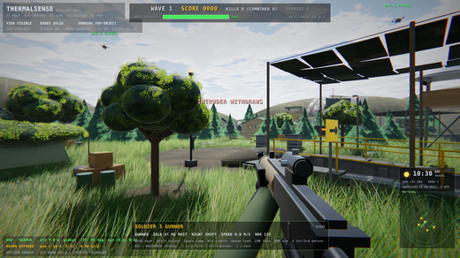

M1: third person |  |  |  |  |  |  | M3: third person

M3: sprint, +6 deg FOV kick (3.4 m/s) |  |  |  |  |  |  | M3: crouch walk (0.8 m/s)
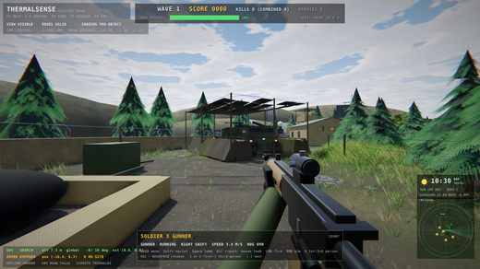
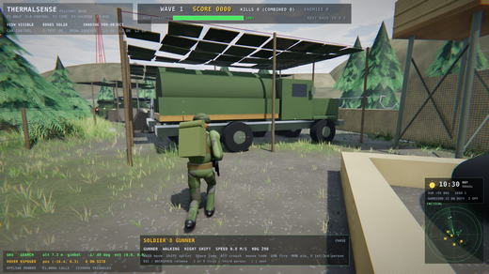

M3: jump |  |  |  |  |  |  | M3: indoor arm pulled in
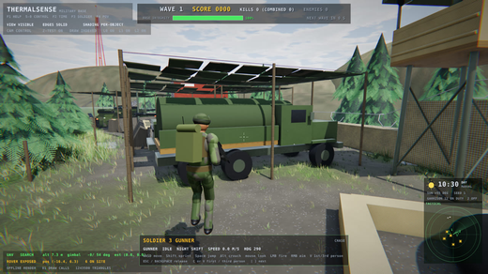
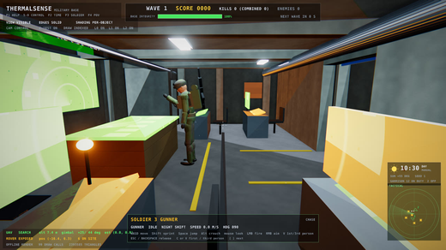

ThermalSense.exe session frames
Sprint FOV kick |  |  |  |  |  |  | Crouch walk
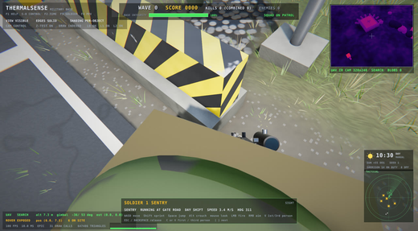
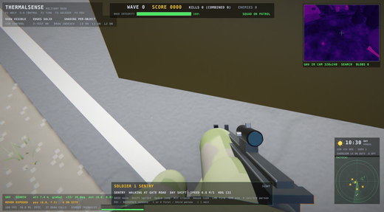

Orbit near walls |  |  |  |  |  |  | Third-person sprint jump

