orj. photo
SAMPLE PHOTO / COMMENT PAGE
 | Dok. No: | CL.ÜR.S06-F13
 | Y. Tarihi: | 2013-09-02
 | Rev. No: | 02
 | Rev. Tarihi: | 2021-06-02

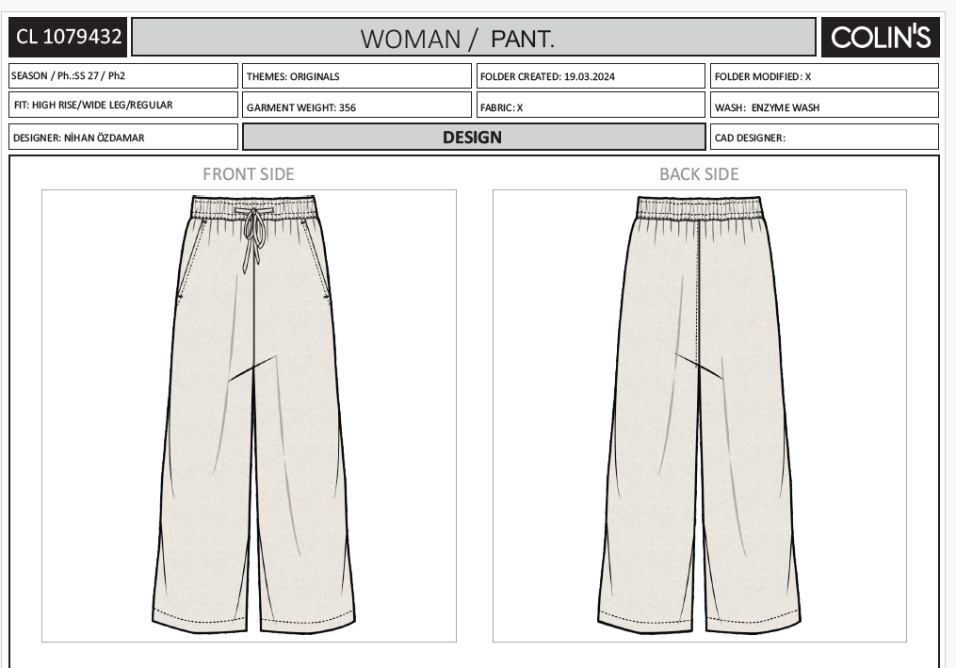
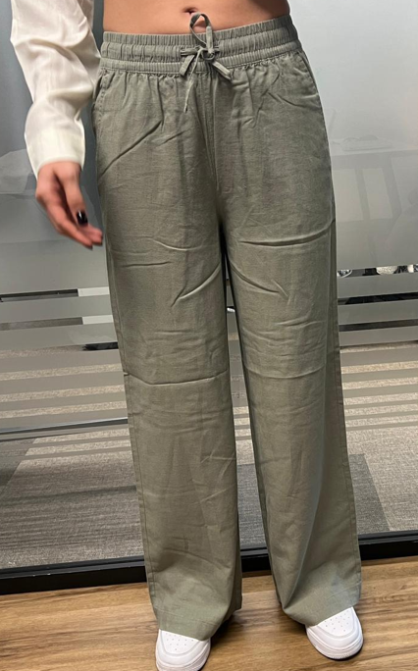
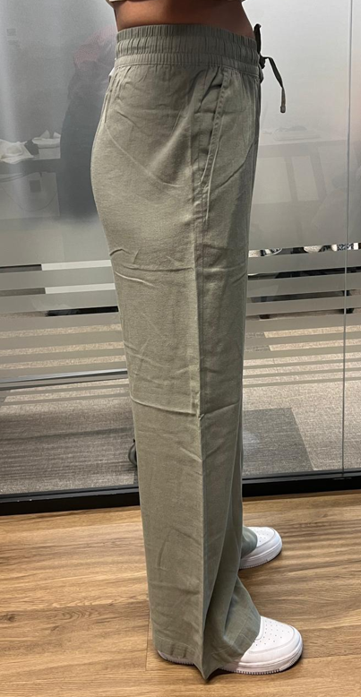
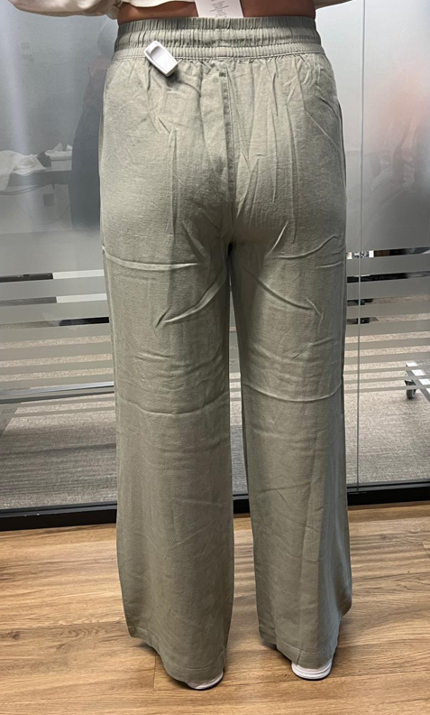

ORJ.PHOTOS

non-denim skirt tims
HANG-TAG
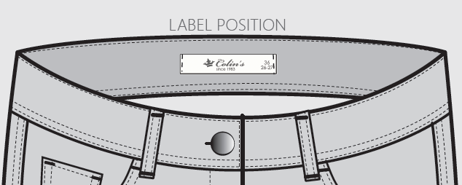
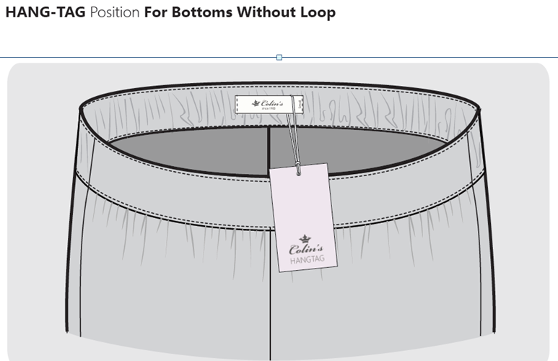

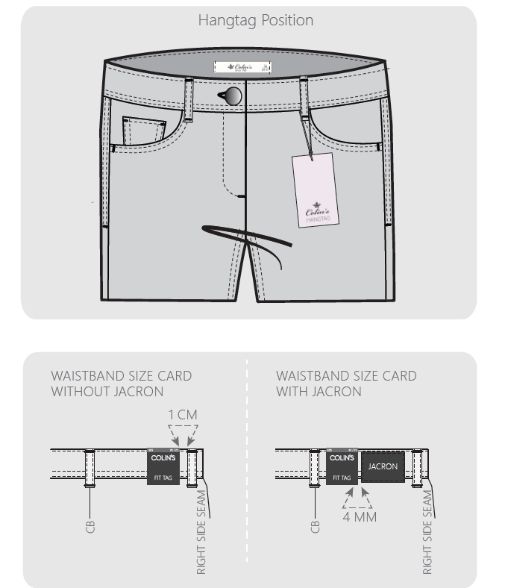

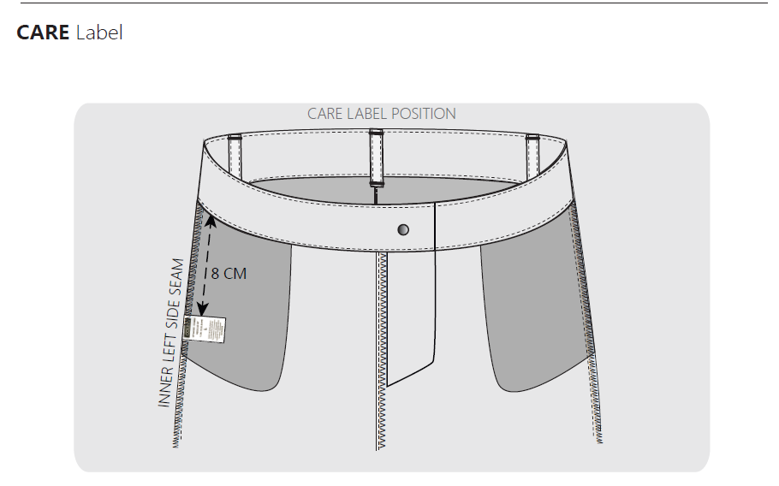

HARD-TAG

