PRD
Product Requirement Document (PRD) - Version: 1.0

Template Name |  | Money Transfer system using Blockchain
Goals & Objective |  | We all transfer money. The goal of this website is to provide a secure and efficient platform for individuals and businesses to transfer money using blockchain technology. From this website user/miner can : - Send & Receive money with low cost transaction fee - Can see transparent ledger where all activity of transaction is shown - Can see block information - Miners can mine blocks - Miners can verify blocks - User/Miners can update their profile information
Client Information
Product Type |  | Web Application
Domain |  | Web2
Access Layers |  | User, Miner
Design Required |  | Yes

Phase | Item No | Specification [Role] | Screen Definition | User Story | Acceptance Criteria | UI Screen / Wireframe | Tags
Feature: 1 |  | Auth Feature
Feature: 2 |  | Dashboard(Job Portal)
phase 1 | 4 | Menu | <Header> <nav=Home, Jobs, About Us, Contact Us> <button=Login> <button=Register> </Header> <Main> <h1=Shakir Job Portal> <p=A roadmap for build your carrier> <input=search-job> <button=Search Job> </Main> <icon=Jobs> <icon=Candidates> <icon=Companies> | - Home (link) - Jobs(link) - About Us (link) - Contact Us (link) - log in(link) - Register(link) - Shakir Job Portal (Text 1on middle) - roadmap for build your carrier(Text2) -Search Job(Input) -Search(Button ) - Icon Job(image) -Icon Candidates(image) -Icon Companies(image) | - clicking Home will take user to dashboard page - go to All job page on click - go to about us page on Click - go to login page on click - go to register page on click - Show Shakir Job Portal on middle - Show roadmap for build your carrier on middle under text 1 - Take input for search job using key word -According to keyword do an action -Show icon -Show Icon -Show icon | 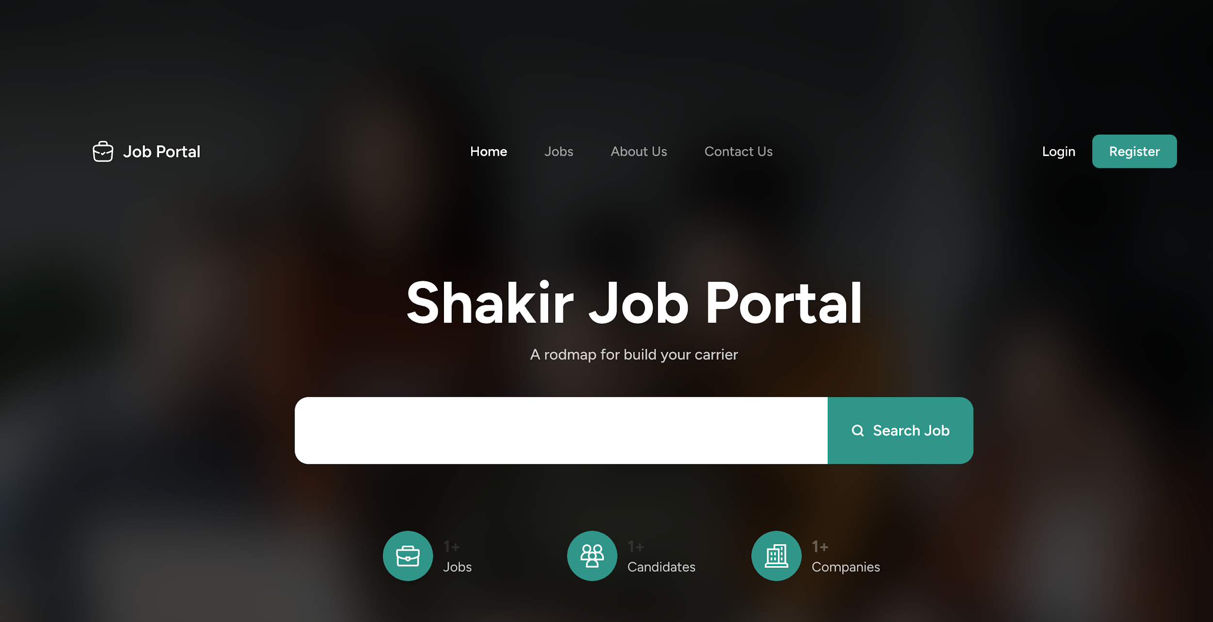 | Menu
phase 1 | 5 | Job Listings | <card=JobItem> <text=Posted Time> <text=Job Title> <text=Company> <tags=Category, Job Type, Salary, Location> <button=Job Details> <icon=Bookmark> | -list companies name and jobs -Text post Time -Text Job Title -Text Company Name -Link -Text Job Details | - clicking dashboard will take user to dashboard page - go to send money page on click - go to public ledger on Click - go to Latest blocks page on click - go to mempool page on click - go to mine blocks page on click - go to verify blocks page on click - go to view profile page on click - go to edit profile page on Click - go to change profile page on Click - go to change password page on Click | 