compare
 | MPN_1 | MPN_2
Last Updated | 2025-08-09 | 2025-08-09
Manufacturer | Taiyo Yuden | Pulse Electronics
Part Number | NRS4018T220MDGJ | BWVS00404018220M00
General
Absolute Maximum Range | n/a | n/a
Operating Range | -25 to 125 | -55 to 125
ROHS | YES | ?
REACH | YES | ?
Shielded | Semi | Semi
Core | ? | Ferrite

Performance Specs
Inductance - L [uH] | 22u @100kHz | 22u @100kHz
Self Resonant Freq - F [MHz] | 15MHz (min) | n/a
Tolerance [%] | ±20% | ±20%
DC Resistance - RDCR [mΩ] | 0.29Ω (typ) 0.348Ω (max) | 0.34 ±20%
Saturation Current - Isat [Arms] | 0.92A (typ) 0.90A (min) | 0.81 (min)
Rated Current - Irated [Arms] | 0.81A (typ) 0.72A (min) Defined as rise Ta+40oC | 0.76 (min) Defined as rise Ta+40oC

Package
Length [mm] | 4±0.2 | 4±0.2
Width [mm] | 4±0.2 | 4±0.2
Height [mm] | 1.8 (max) | 2.0 (max) 1.6 (min)
Package Image
Footprint Image | 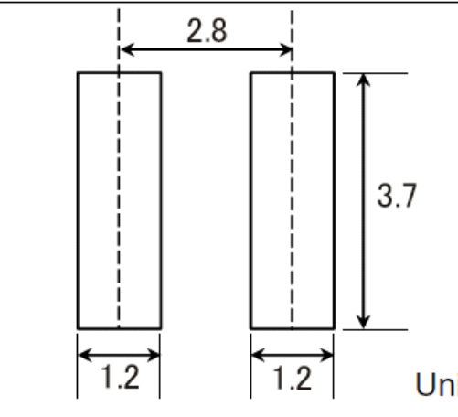 | n/a
Note |  | Slightly different pad, but could easily accommodate.

Charts
Frequency Vs. Inductance | 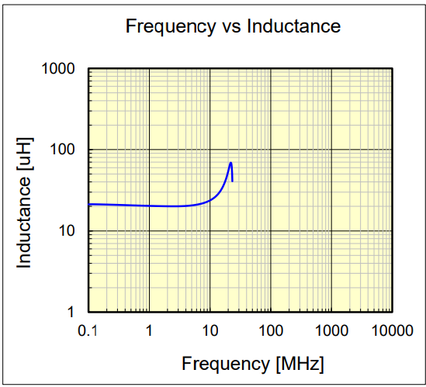
DC Bias vs. Inductance | 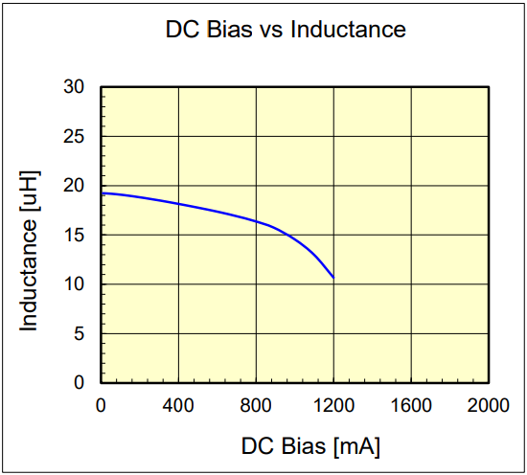 | 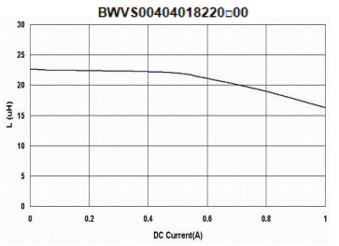

Comment
Comment |  | Looks good. I'd love to know the self resonant frequency though. Packages aren't identical, but are close enough.

