(1) factor analysis
 | Factor Analysis Final Scale (12 Items) |  |  |  |  |  |  |  | Factor Analysis Final Scale (8 Items)
 | Factor1 | Factor2 | Factor3 | Factor4 | Factor5 | Factor6 |  | 4 | EB2a | unable to pay for electricity expenses ( 1 = Yes)
EB2a | 0.525 | 0.212 |  |  |  |  |  | 5 | EB7a | 12 month, electricity shut-off (1= Yes, 2 = No)
EB7a | 0.681 | 0.111 |  |  |  |  |  | 38 | CEP7 | unable to move to a new apartment or house because of debt to energy company(ies)
HEC1r1a | 0.123 | 0.757 | 0.186 |  |  |  |  | 7 | HEC1r1a | satisfaction: physical quality of your home
HEC1r1b | 0.119 | 0.655 | 0.196 |  |  |  |  | 8 | HEC1r1b | satisfaction: maintenance of your home
HEC2r6 | 0.151 | 0.164 | 0.513 |  |  |  | ==> | 24 | HEC3r3e | Thermostat
HEC3r3e | 0.115 | 0.439 | 0.575 |  |  |  |  | 42 | CEP8r4 | inefficient appliances/lighting
HEC3r3f | 0.151 | 0.404 | 0.132 | 0.643 | 0.109 |  |  | 25 | HEC3r3f | Heating system
HEC3r3g | 0.108 | 0.372 | 0.158 | 0.564 | 0.107
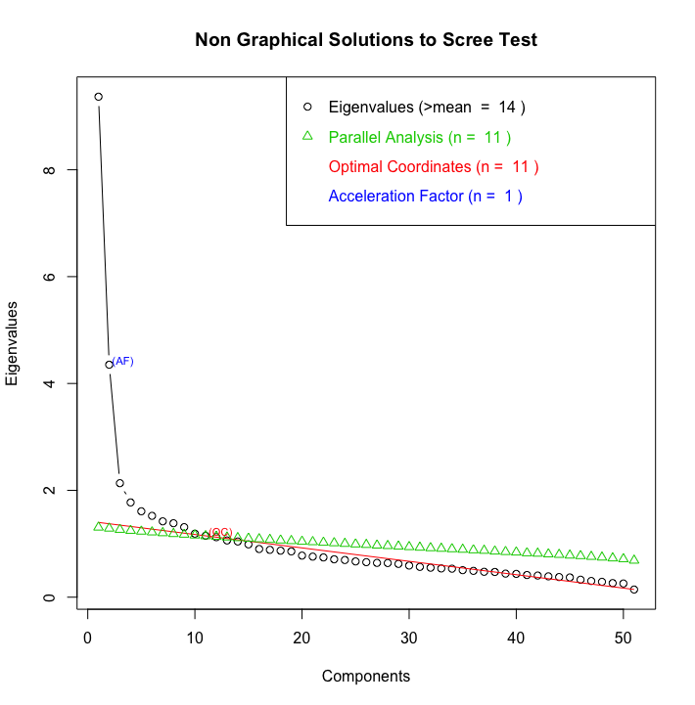
CEP6 | 0.757
CEP7 | 0.786
CEP8r3 | 0.237 | 0.152 | 0.921 | -0.253
CEP8r4 | -0.136 | -0.17 | 0.973

Loadings:
 | Factor1 | Factor2 | Factor3 | Factor4 | Factor5 | Factor6
ESC1ar2
ESC1ar3 | 0.246
ESC1ar4 | 0.271 | 0.113
wbill | -0.133
sbill | 0.101
ESC2 | -0.116 | 0.156
EB2a | 0.525 | 0.212
EB4 | -0.553 | -0.12
EB5r1 | -0.6
EB6r1 | -0.573 | -0.169 | -0.111
EB7a | 0.681 | 0.111
EB8a | 0.176 | 0.175
HEC1r1a | 0.123 | 0.757 | 0.186
HEC1r1b | 0.119 | 0.655 | 0.196
HEC1r1c | 0.131 | 0.565 | 0.129 | 0.232
HEC1r1d | 0.147 | 0.492 | -0.104
HEC2r1 | 0.216 | 0.408
HEC2r2 | 0.247 | 0.118 | 0.322
HEC2r3 | 0.368 | 0.256
HEC2r4 | 0.265 | 0.126 | 0.348 | 0.354
HEC2r5 | 0.182 | 0.346 | 0.257
HEC2r6 | 0.151 | 0.164 | 0.513
HEC2r7 | 0.153 | 0.423
HEC2r8 | 0.209 | 0.457
HEC2r9 | 0.138 | 0.212
HEC2r10 | -0.243 | -0.196 | -0.816
HEC3r3a | 0.154 | 0.448 | 0.137 | 0.288
HEC3r3b | 0.549 | 0.19 | 0.285 | 0.29
HEC3r3c | 0.135 | 0.459 | 0.292
HEC3r3d | 0.572 | 0.217 | 0.164 | 0.146
HEC3r3e | 0.115 | 0.439 | 0.575
HEC3r3f | 0.151 | 0.404 | 0.132 | 0.643 | 0.109
HEC3r3g | 0.108 | 0.372 | 0.158 | 0.564 | 0.107
HEC3r3h | 0.111 | 0.435 | 0.311 | 0.271
HEC4a | -0.18
HEC4b | -0.221
HEC5 | 0.198 | 0.189
HEC5a | 0.47 | 0.198 | 0.166 | 0.191
HEC6 | 0.175 | 0.187
HEC6a | 0.41 | 0.17 | 0.178 | 0.191
CEP1 | 0.421 | 0.121 | 0.112
CEP2 | 0.576 | 0.113
CEP3 | 0.658 | 0.123 | 0.118
CEP4 | 0.631
CEP5 | 0.611 | 0.199
CEP6 | 0.757
CEP7 | 0.786
CEP8r1 | 0.191 | -0.51 | -0.478
CEP8r2 | 0.448 | -0.1 | -0.112
CEP8r3 | 0.237 | 0.152 | 0.921 | -0.253
CEP8r4 | -0.136 | -0.17 | 0.973

 |  | Factor1 | Factor2 | Factor3 | Factor4 | Factor5 | Factor6
SS | loadings | 6.165 | 3.836 | 2.564 | 2.001 | 1.357 | 1.3
Proportion | Var | 0.121 | 0.075 | 0.05 | 0.039 | 0.027 | 0.025
Cumulative | Var | 0.121 | 0.196 | 0.246 | 0.286 | 0.312 | 0.338

