Figure. ICC
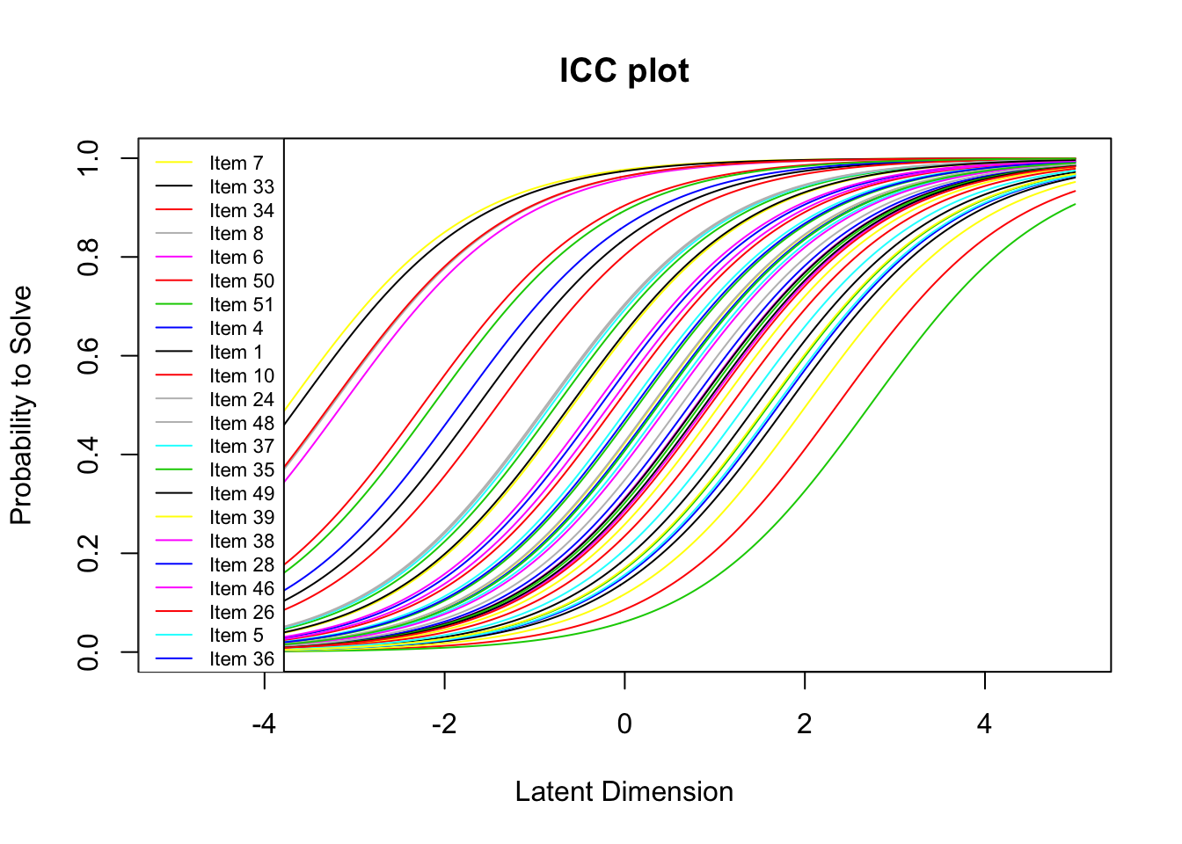

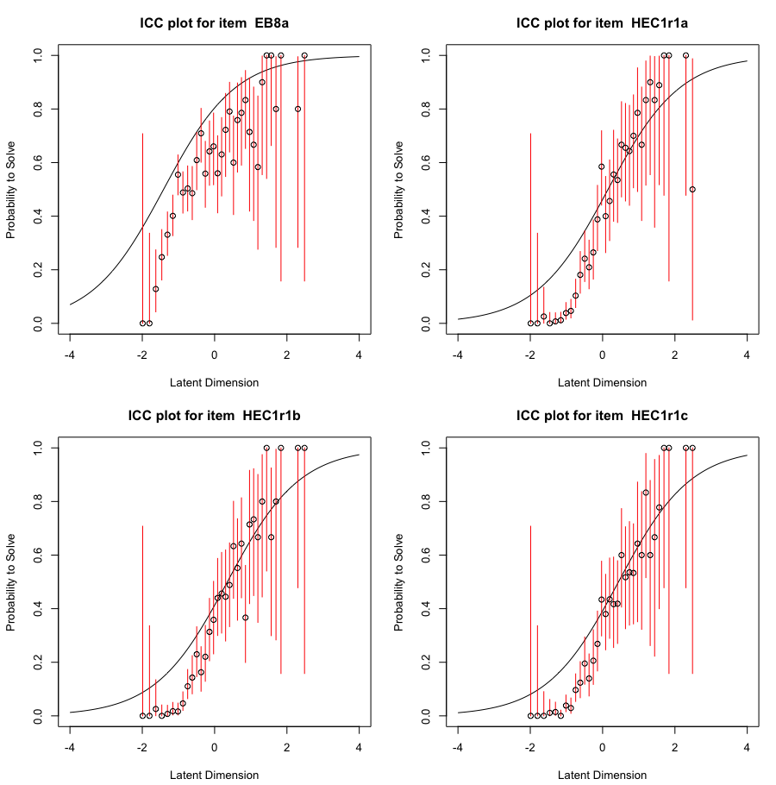

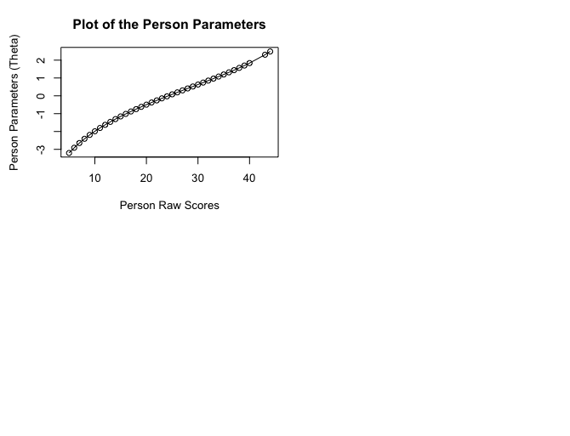

Table 1. Person Fit
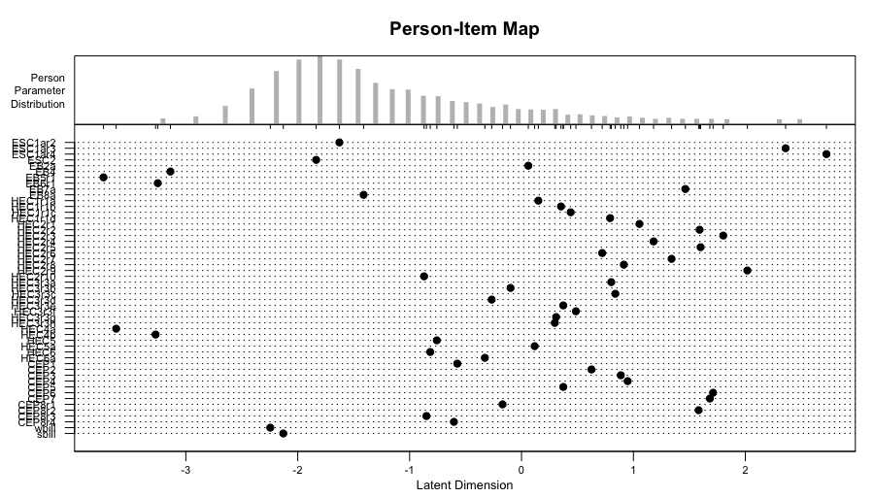
Individual fitting result Score
 | Chisq | df | p-value | Outfit MSQ | Infit MSQ | Outfit t | Infit t
P1 | 119.494 | 50 | 0 | 2.343 | 1.534 | 2.98 | 3.5
P2 | 61.272 | 50 | 0.132 | 1.201 | 1.085 | 0.75 | 0.56
P3 | 35.768 | 50 | 0.935 | 0.701 | 0.765 | -0.34 | -0.78
P4 | 14.649 | 50 | 1 | 0.287 | 0.535 | -1.67 | -1.93
P5 | 29.46 | 50 | 0.991 | 0.578 | 0.789 | -1.16 | -0.92
P6 | 91.089 | 50 | 0 | 1.786 | 1.414 | 1.45 | 1.47

