Sheet1
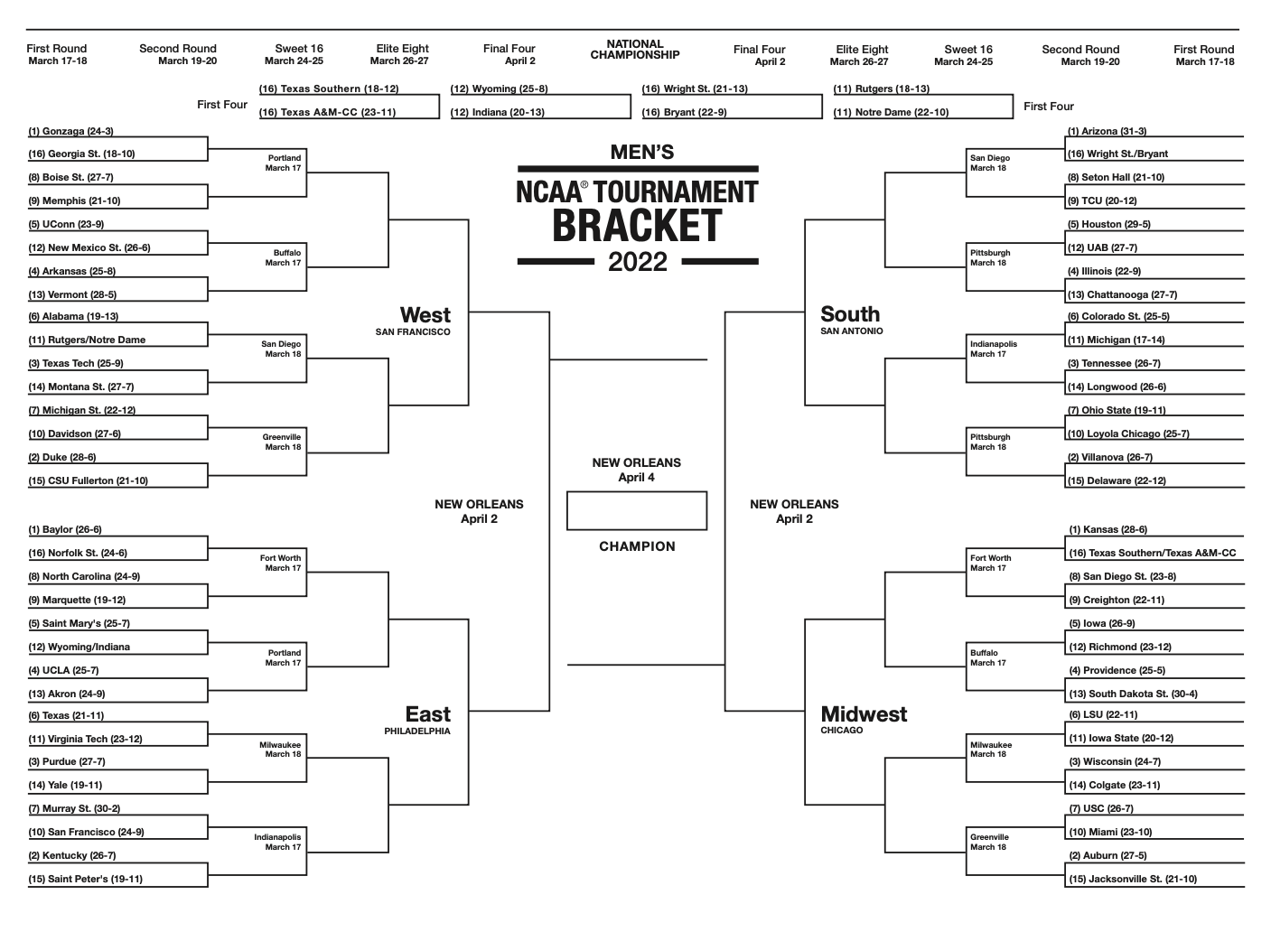
Mem
Ark
Ark
ND
Duke
Duke
Ark
Marq
UCLA
UCLA
Murray
TX
Murray
Murray
Murray
TCU
ULC
CSU
CSU
UH
TCU
TCU
SDSU
Rich
Rich
JSU
LSU
LSU
LSU
LSU
LSU

