Sheet1
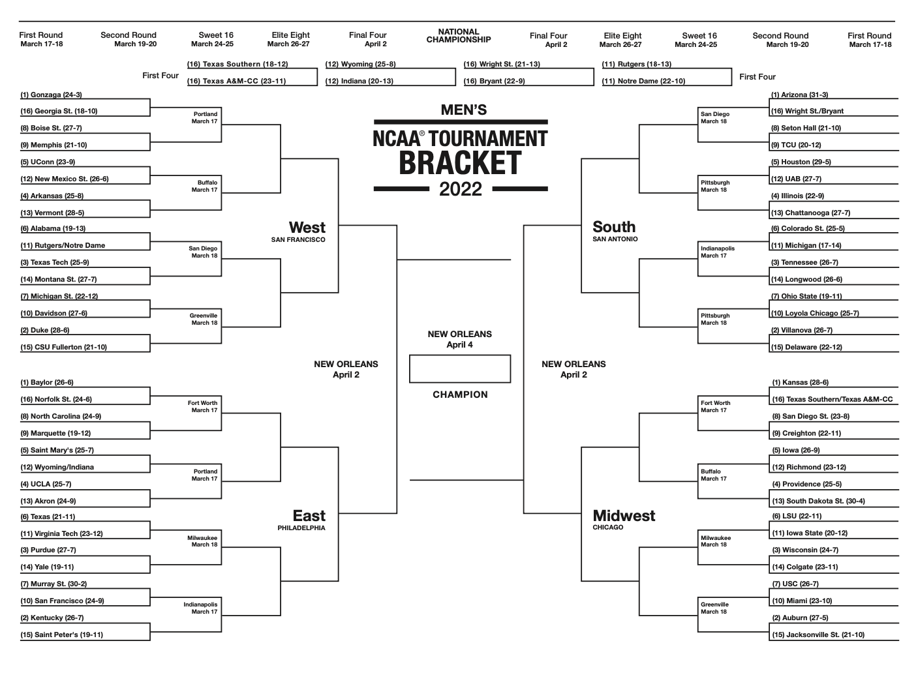
Zags
NMSU
ND
Tech
MSU
Mem
Ark
Ark
ND
Duke
Duke
Ark
Bay
Marq
St. M
UCLA
TX
UCLA
UCLA
Purdue
Murray
UK
Murray
TX
Murray
Murray
Murray
WSU
TCU
Ill
Tenn
ULC
Nova
ULC
CSU
CSU
UH
TCU
TCU
Kans
SDSU
Prov
Rich
Rich
UW
JSU
LSU
LSU
LSU
LSU
LSU

TCU
Mem

UH

Ark

CSU

Duke

Marq
SDSU

Rich

LSU

LSU

JSU

 | SCORE | PER | COUNT
R1 | 23 | 1 | 14
R2 | 8 | 2 | 4
S16 | 12 | 4 | 3
E8 | 0 | 8 | 0
F4 | 0 | 16 | 0
C | 0 | 32 | 0
 | 43

