Requirements
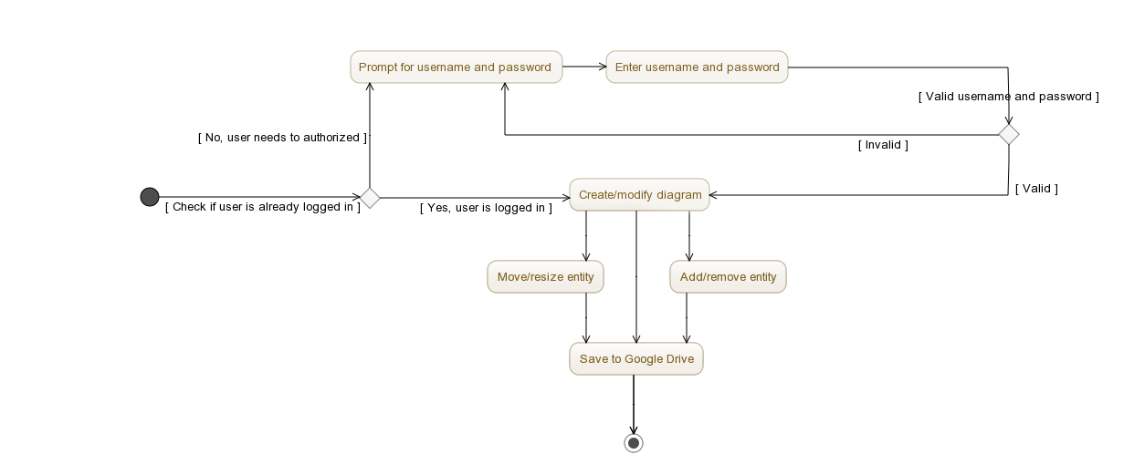
ID | Requierment
REQ_01 | Adding in text associated with a “V” icon (indicating a variable)
REQ_02 | Adding in text associated with a “P” icon (indicating a parameter)
REQ_03 | Placing “text” in chosen fonts
REQ_04 | Connecting items (including variables above, parameters, as well as items below) using a “link”. can be curved.
REQ_05 | Saving a diagram in some way
REQ_06 | Loading a previously created diagram
REQ_07 | Adding in one of a small number of shapes and images
REQ_08 | A person image icon (e.g., stick figure)
REQ_09 | A stylized silhouette of a person's torso and head
REQ_10 | Arbitrary image (e.g., PNG or JPG)
REQ_11 | Network image
REQ_12 | Adding in UML-style statechart elements
REQ_13 | Adding in elements of a stock and flow diagrams. Here, a given end of a flows can only be connected with stocks or with nothing (showing a cloud icon)
REQ_14 | Associating the regular links with polarities and possible perpendicular delay marks
REQ_15 | Placing clockwise and counterclockwise loops images, with a “+” or “-” indicated in the center to indicate the polarity of the loop
REQ_16 | Selecting and moving sets of the previous (with movement of a variable automatically moving along any links connected to that variable).
REQ_17 | Providing either of viewing or editing permissions to another user (before this is implemented, the system should allow anyone who has the link to view and edit the diagram).
REQ_18 | Setting the defaults for fonts, etc.
REQ_19 | To mark a given item with a “visibility level”, and to allow a given user to only view items of below a certain visibility level (e.g., visibility level 1). (TRIAGED)
REQ_20 | For states and certain other items to serve as containers for other items (i.e., states and transitions can be placed inside other transitions, can place items inside of the torso & head shape). (TRIAGED)
REQ_21 | Capacity to show version history and look specifically at earlier versions (TRIAGED)
REQ_22 | Picture (DATED)
REQ_23 | undo functionality (TRIAGED)
REQ_24 | free-form sketching (TRIAGED)
REQ_25 | Disqus like comments (TRIAGED)

IREQ_01 | Internet connectivity
IREQ_02 | Google Drive Connectivity
IREQ_03 | Google Drive storage limitations
IREQ_04 | JavaScript support
IREQ_05 | Ability to drag and drop
IREQ_06 | Error tolerance
IREQ_07 | Persistence and connection loss tolerance
IREQ_08 | Browser and machine limitations

