Sheet1
Today: 2026-07-22 19:12:31
Weather Forecast for Tomorrow

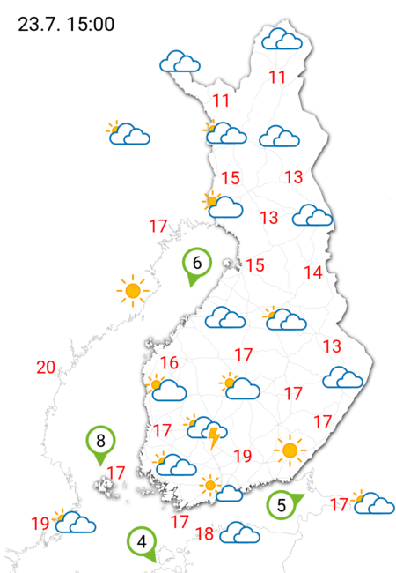

Weather forecast fetched from the Finnish Meteorological Institute website

