Combined graphs
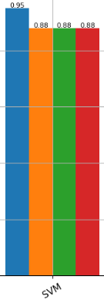
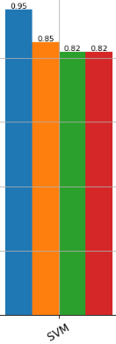
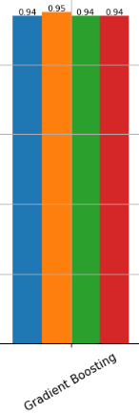
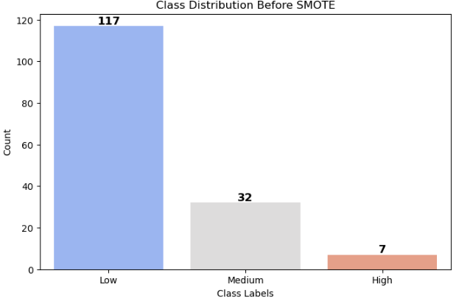
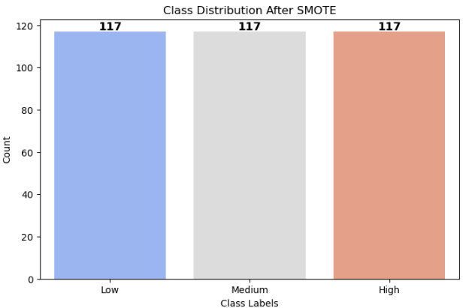
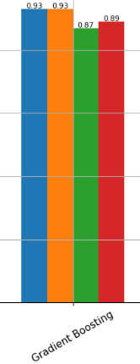
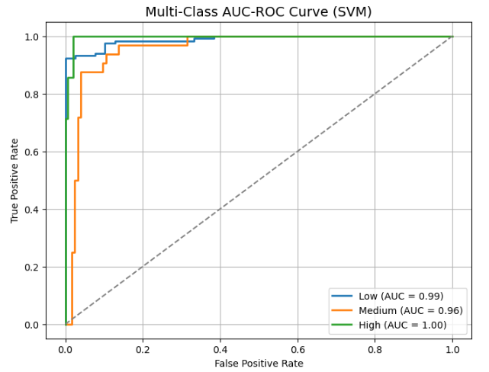
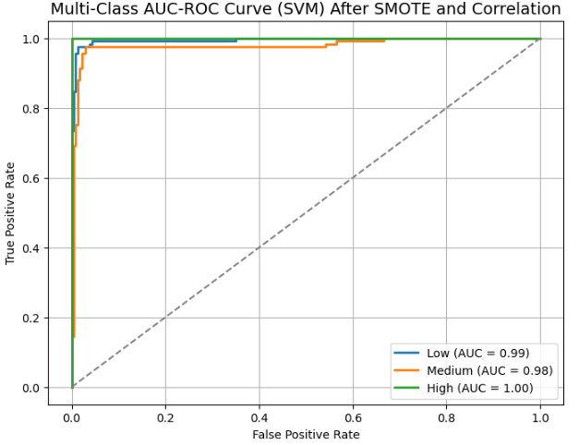
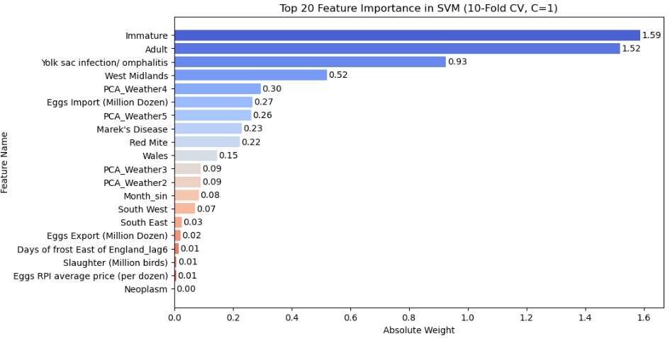
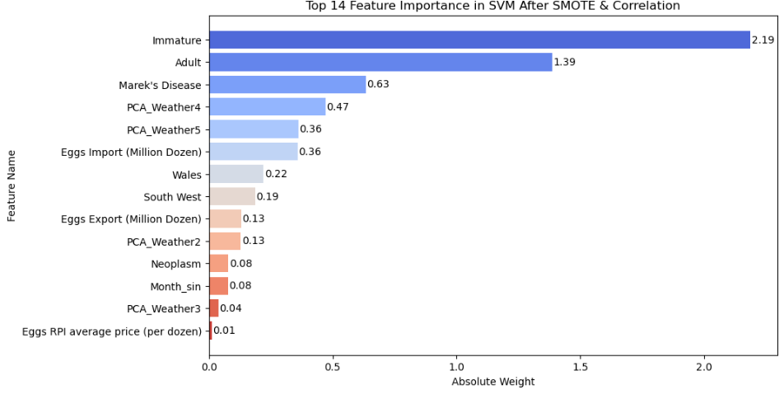
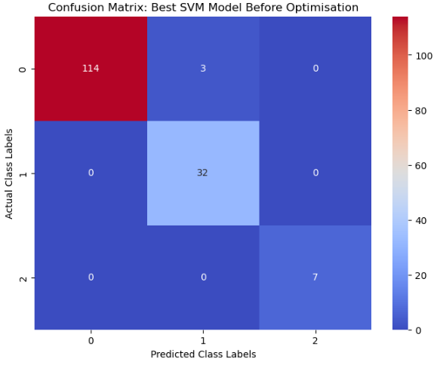
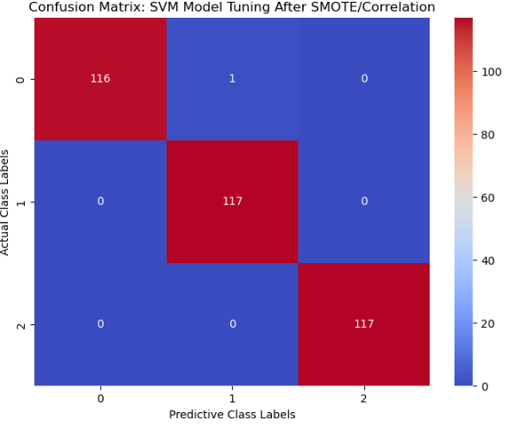
 |  | Best Classfiers for Hold-out Split (80/20) |  |  | Best Classfiers for 10-fold Cross Evaluation

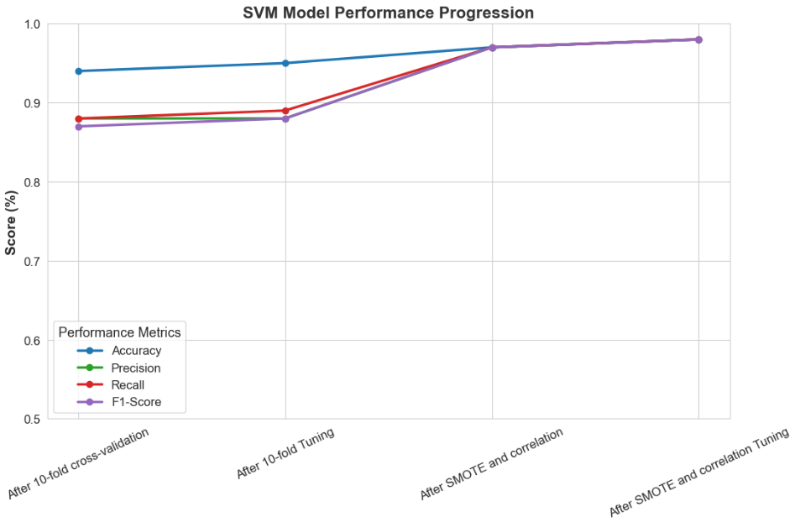
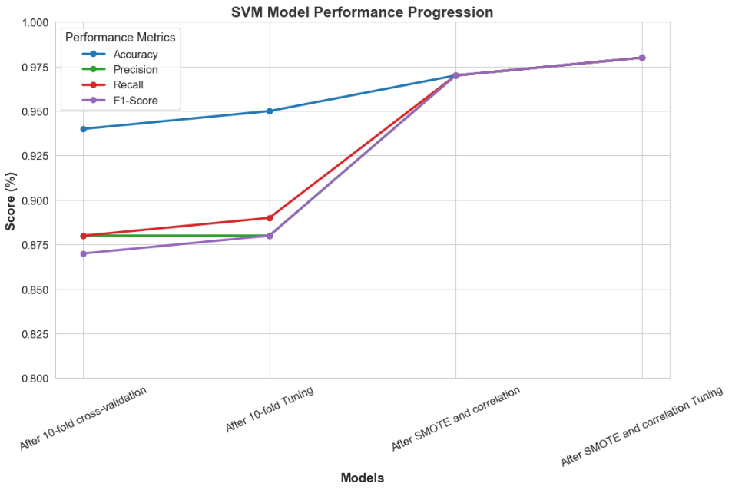
 | Kmeans | Uniform | Quantile | Mean/Std | Kmeans | Uniform | Quantile | Mean/Std

Best Classfiers for Hold-out Split (80/20) after Hyperparameter Tuning |  |  |  |  | Best Classfiers for 10-fold Cross Evaluation

 | Kmeans | Uniform | Quantile | Mean/Std | Kmeans | Uniform | Quantile | Mean/Std

