OWE_vs_Parameters
Aircraft | OWE (t) | GHG (t) | Energy (GJ) | Waste (t)
A300 | 86.2 | 5526 | 67527 | 2283
A320 | 40 | 2830 | 35497 | 1032
A330 | 124 | 9528 | 124519 | 4470
A380 | 277 | 20638 | 262474 | 9173
A350 | 108 | 6732 | 112534 | 3333
A220 | 37 | 1890 | 30118 | 722
B737 | 41.7 | 3205 | 40057 | 1443
B747 | 184.6 | 13195 | 154850 | 5535
B767 | 84.5 | 5706 | 65915 | 2192
B777 | 168.7 | 12214 | 156139 | 5374
B787 | 128.8 | 8299 | 137705 | 4368

Total Impact 2023
GHG Emissions (t CO2 eq)
Aircraft | Aluminium | Steel | Titanium | CFRP | Total
A320 | 1224315 | 62490 | 232968 | 95928 | 1615702
A330 | 215655 | 8444 | 67456 | 13332 | 304887
A350 | 97774 | 14709 | 164506 | 153861 | 430849
A220 | 44956 | 765 | 34218 | 48609 | 128547
B737 | 961173 | 39247 | 219475 | 20334 | 1240230
Material stage GHG Emissions 2023
B767 | 157024 | 10686 | 9194 | 5678 | 182582
B777 | 228587 | 14667 | 52196 | 22106 | 317556
B787 | 140002 | 28583 | 239761 | 197450 | 605797
TOTAL | 3069486 | 179592 | 1019773 | 557300 | 4826151

Energy Consumption (GJ) Total
Energy Consumption (GJ)
Aircraft | Aluminium | Steel | Titanium | CFRP | Total | Aircraft | Energy
A320 | 13386067 | 654503 | 4467504 | 1760964 | 20269038 | A320 | 20269038.24
A330 | 2357865 | 88439 | 1293568 | 244746 | 3984618 | A330 | 3984617.984
A350 | 1069010 | 154055 | 3154637 | 2824451 | 7202152 | A350 | 7202151.936
A220 | 491526 | 8011 | 656173 | 892325 | 2048034 | A220 | 2048034.064
B737 | 10509000 | 411065 | 4208764 | 373270 | 15502099 | B737 | 15502099.016
B767 | 1716824 | 111924 | 176301 | 104239 | 2109288 | B767 | 2109287.648
B777 | 2499257 | 153622 | 1000931 | 405811 | 4059621 | B777 | 4059621.0928
Material Stage Energy Consumption
B787 | 1530711 | 299372 | 4597774 | 3624625 | 10052482 | B787 | 10052481.936
TOTAL | 33560259 | 1880991 | 19555651 | 10230431 | 65227332
 |  |  |  |  | 3806450.2752
Waste Generated (t)
Aircraft | Aluminium | Steel | Titanium | CFRP | Total
A320 | 370008 | 78935 | 231598 | 1028 | 681568
A330 | 65174 | 10666 | 67059 | 143 | 143042
A350 | 29549 | 18579 | 163538 | 1649 | 213315
A220 | 13586 | 966 | 34016 | 521 | 49090
B737 | 290482 | 49576 | 218184 | 218 | 558460
B767 | 47455 | 13498 | 9140 | 61 | 70154
B777 | 69083 | 18527 | 51889 | 237 | 139736
B787 | 42311 | 36105 | 238351 | 2116 | 318882
TOTAL | 927648 | 226853 | 1013775 | 5971 | 2174247

CeRAS
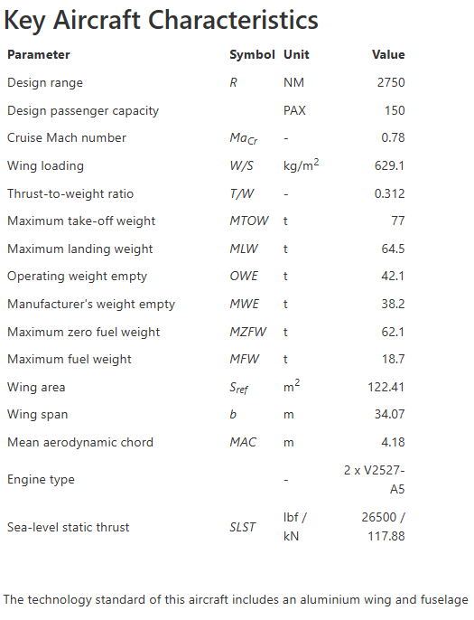
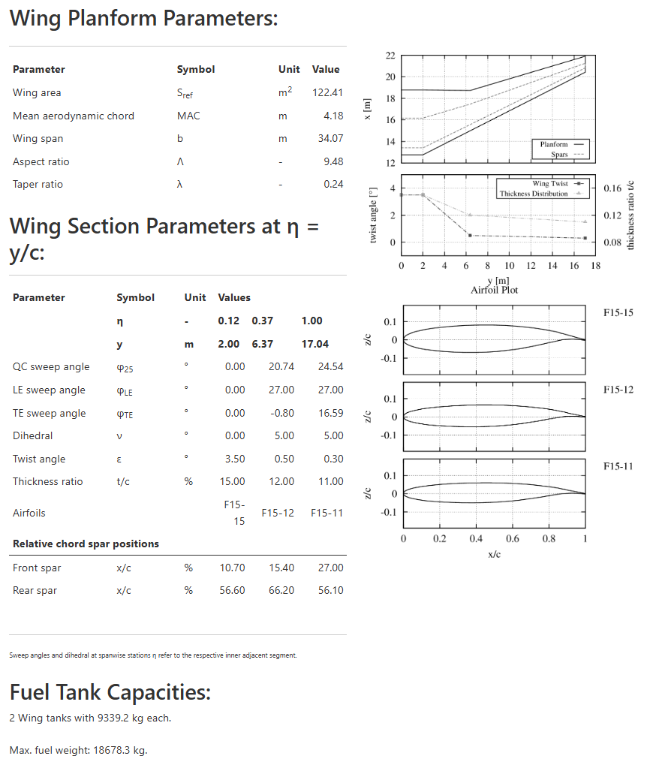
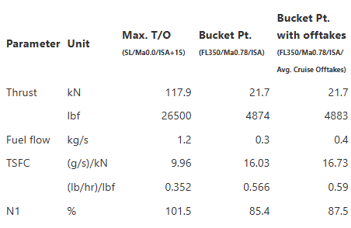
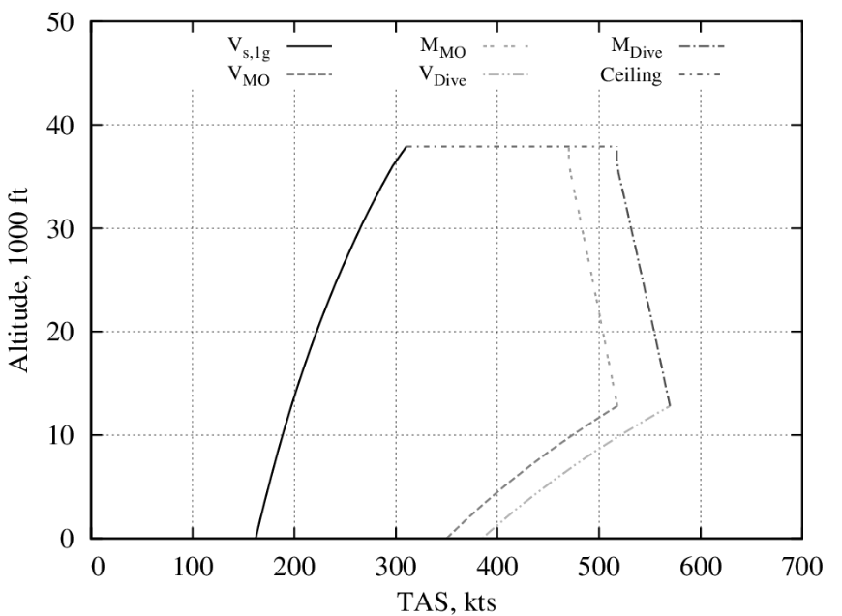
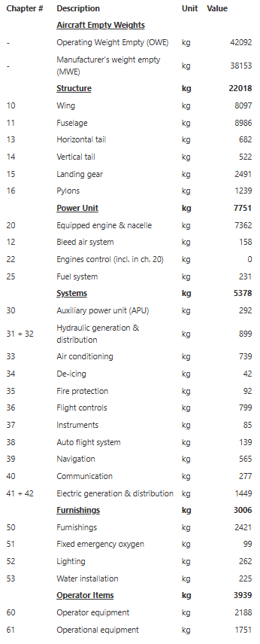
Wing | Material | Fuel Burn (kg) | Wingbox weight (kg) |  | uCRM | CeRAS |  |  |  | AL7075 | TI64 | STEEL | CFRP
uCRM | Al7075 | 93265.0374 | 19326.333 | CD0 | 0.0078 | 0.0078 |  |  | Density | 2.70E+03 | 4.43E+03 | 7.80E+03 | 1.60E+03 | kg/m3
 | Ti64 | 91663.231 | 21802.662 | Wf reserve | 15000 | 2400 | kg |  | Youngs Modulus | 7.31E+10 | 1.14E+11 | 2.07E+11 | 1.50E+11 | Pa
 | Steel | 139678.724 | 72851.848 | CT | 0.53/3600 | 0.53/3600 | 1/s |  | Shear Modulus | 2.75E+10 | 4.28E+10 | 7.78E+10 | 5.64E+10 | Pa
 | CFRP | 95147.389 | 11201.518 | R | 1.43E+07 | 5.09E+06 | m |  | Yield Stress | 4.20E+08 | 8.80E+08 | 3.75E+08 | 8.80E+08 | Pa
CeRAS | Al7075 | 6401.886 | 3713.221 | W0_without_point_masses | 128000 | 28644 | kg | 33995 | Allowable YS | 2.80E+08 | 5.87E+08 | 2.50E+08 | 5.87E+08 | Pa
 | Ti64 | 6683.612 | 5914.986 | Fuel Mass | 10000 | 10000 | kg
 | Steel | 7514.441 | 6799.274 | Engine Mass | 1.00E+04 | 3875.5 | kg
 | CFRP | 5919.612 | 1916.578 | Engine location | 25, -10, 0 | 5.73, -2, 0 | m
 |  |  |  | Fuel Mass upper | 2.00E+05 | 18678 | kg
 |  |  |  | Cruise mach | 0.85 | 0.78
 |  |  |  | maneuver Mach | 0.64 | 0.58

