DescriptiveFilm_numerical data
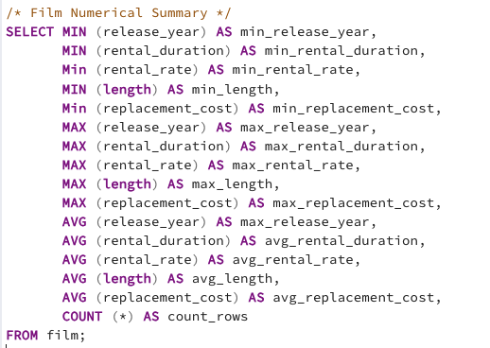
min_release_year | min_rental_duration | min_rental_rate | min_length | min_replacement_cost | max_release_year | max_rental_duration | max_rental_rate | max_length | max_replacement_cost | max_release_year-2 | avg_rental_duration | avg_rental_rate | avg_length | avg_replacement_cost | count_rows
2006 | 3 | 0.99 | 46 | 9.99 | 2006 | 7 | 4.99 | 185 | 29.99 | 2006 | 4.985 | 2.98 | 115.272 | 19.984 | 1000

DescriptiveCustomerNumerical
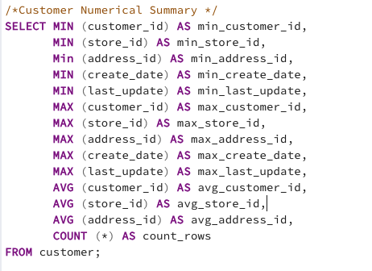
min_customer_id | min_store_id | min_address_id | min_create_date | min_last_update | max_customer_id | max_store_id | max_address_id | max_create_date | max_last_update | avg_customer_id | avg_store_id | avg_address_id | count_rows
1 | 1 | 5 | 2006-02-14 | 5/26/13 | 599 | 2 | 605 | 2006-02-14 | 5/26/13 | 300 | 1.4557595993 | 304.7245409 | 599

Top10Movies.
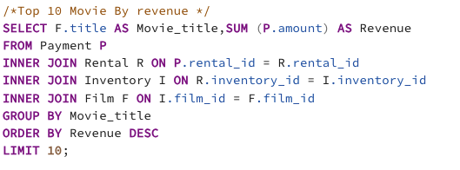
movie_title | revenue
Telegraph Voyage | 215.75
Zorro Ark | 199.72
Wife Turn | 198.73
Innocent Usual | 191.74
Hustler Party | 190.78
Saturday Lambs | 190.74
Titans Jerk | 186.73
Harry Idaho | 177.73
Torque Bound | 169.76
Dogma Family | 168.72

BottomRevenue
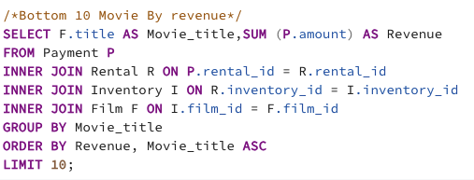
movie_title | revenue
Duffel Apocalypse | 5.94
Oklahoma Jumanji | 5.94
Texas Watch | 5.94
Freedom Cleopatra | 5.95
Rebel Airport | 6.93
Young Language | 6.93
Cruelty Unforgiven | 6.94
Treatment Jekyll | 6.94
Lights Deer | 7.93
Japanese Run | 7.94

CustomerCount
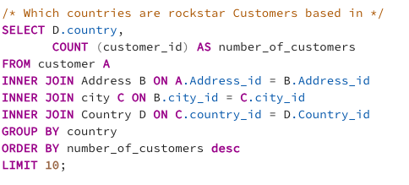
country | number_of_customers
India | 60
China | 53
United States | 36
Japan | 31
Mexico | 30
Brazil | 28
Russian Federation | 28
Philippines | 20
Turkey | 15
Indonesia | 14
Argentina | 13
Nigeria | 13
South Africa | 11 | Query provided is based on the Top 10 countries
Taiwan | 10
United Kingdom | 9
Poland | 8
Iran | 8
Germany | 7
Italy | 7
Venezuela | 7
Egypt | 6
Colombia | 6
Ukraine | 6
Vietnam | 6
Spain | 5
Canada | 5
South Korea | 5
Pakistan | 5
Netherlands | 5
Saudi Arabia | 5
Israel | 4
France | 4
Yemen | 4
Peru | 4
Dominican Republic | 3
Bangladesh | 3
Thailand | 3
Algeria | 3
Chile | 3
Malaysia | 3
Mozambique | 3
Switzerland | 3
Ecuador | 3
Paraguay | 3
Austria | 3
United Arab Emirates | 3
Morocco | 3
Tanzania | 3
Myanmar | 2
Bulgaria | 2
Cameroon | 2
Cambodia | 2
Congo, The Democratic Republic of the | 2
Sudan | 2
Romania | 2
Latvia | 2
Yugoslavia | 2
Puerto Rico | 2
Kazakstan | 2
Greece | 2
Bolivia | 2
Kenya | 2
French Polynesia | 2
Angola | 2
Belarus | 2
Oman | 2
Azerbaijan | 2
Hungary | 1
American Samoa | 1
Armenia | 1
Sri Lanka | 1
French Guiana | 1
Sweden | 1
Faroe Islands | 1
Ethiopia | 1
Bahrain | 1
Czech Republic | 1
Lithuania | 1
Turkmenistan | 1
Tunisia | 1
Virgin Islands, U.S. | 1
Malawi | 1
Chad | 1
Afghanistan | 1
Greenland | 1
Moldova | 1
Gambia | 1
Holy See (Vatican City State) | 1
Estonia | 1
Slovakia | 1
North Korea | 1
Nauru | 1
Liechtenstein | 1
Senegal | 1
Zambia | 1
Hong Kong | 1
Kuwait | 1
Madagascar | 1
Runion | 1
Saint Vincent and the Grenadines | 1
Tuvalu | 1
Finland | 1
Iraq | 1
Anguilla | 1
Brunei | 1
Tonga | 1
Nepal | 1
New Zealand | 1

CustomersWithTopLifeValue
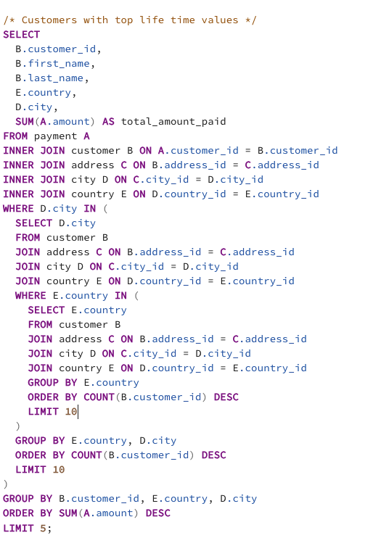
customer_id | first_name | last_name | country | city | total_amount_paid
225 | Arlene | Harvey | India | Ambattur | 111.76
424 | Kyle | Spurlock | China | Shanwei | 109.71
240 | Marlene | Welch | Japan | Iwaki | 106.77
486 | Glen | Talbert | Mexico | Acua | 100.77
537 | Clinton | Buford | United States | Aurora | 98.76

