Sheet1
URL Path | Expected JSON Data in Request | Successful Status Code | Successful Response's JSON data | An Example for Sent JSON Data in Request | Failed Status Codes | Failed messages in JSON data | Probable Reasons for Failure | Notes | HTTP Method
/middleware/create/company | 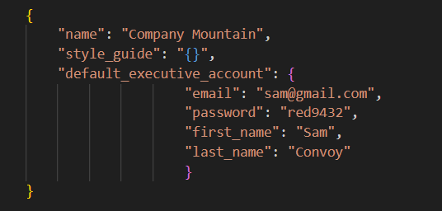 | 201 | 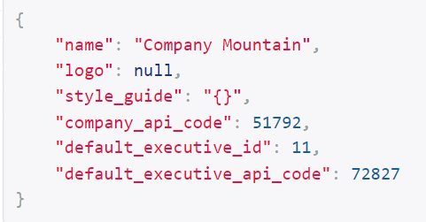 | 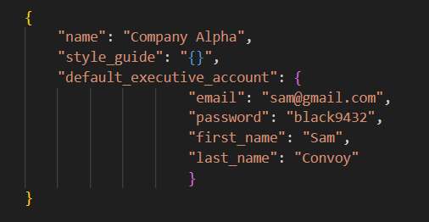 | 400 |  | Default executive's email already exists in database or Type of values can be wrong | Store received company_api_code in a separate folder. This code must be sent within JSON data, when making requests to create new users. Store received executive's id and user_api_code in database | POST
/middleware/create/user | 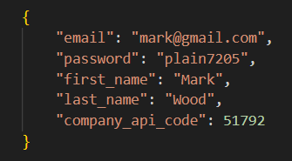 | 201 | 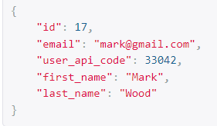 |  | 400 | 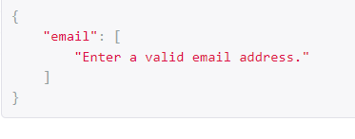 | user's email already exists in database or Type of values can be wrong | Store received user id and user_api_code in database. Both of these are used to send requests to update attendance
/middleware/update/user-attendance/entrance/16 (16 is the id of user) | 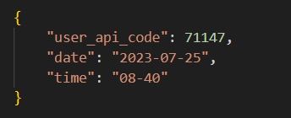 | 200 | 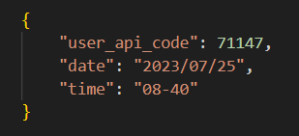 Empty Response |  | 400, 406 |  | Id in URL path doesn't match with its corresponding user_api_code . Date or Time format is wrong. Invalid Data Types | Don't use formats like "2023-5-24" and "8-24". These must be sent as "2023-05-24" and "08-24". These request can be sent any number of times within a day. (Multiple entrances can be recorded) | PATCH
/middleware/update/user-attendance/leave/16 (16 is the id of user) | 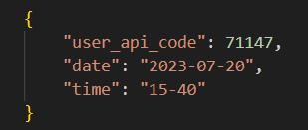 | 200 | Empty Response | same of above

