Sheet1
URL Path | HTTP method | Expected JSON Data in Request | Successful Status Code | Successful Response's JSON data | An Example for Sent Data in Request | Failed Status Codes | Failed messages in JSON data | Probable Reasons for Failure | Notes
/api/auth/ | POST |  | 200 |  |  | 400 |  | Wrong Credentials ( Invalid email or/and password) | Received Token must be sent in header of every other requests. Every Token expires after 24 hours. So, in case of unable to send requests with current token, a new request must be sent to this URL path again, to get a new token |  | <-- This is an example code to how to get token and include it in headers of following requests

/api/employee/view/employee/ | GET | None | 200 | 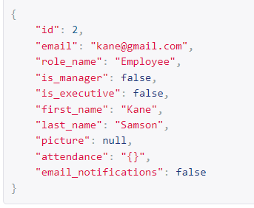 |  | 403 |  | Not having already logged in |  | Used to allow an user to view his own account
/api/employee/update/employee/ | PATCH |  | 200 | 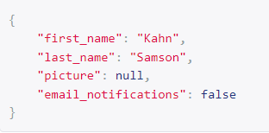 |  | 400, 403 |  | Having an ending an ',' at the end of last key:value pair. Not having already logged in. Wrong data types. Wrong Current_password. | You can send any combination of first_name, last_name, picture, email_notifications and [ current_password+new_password ]. Both of current_password and new_password are essential to change password. password is not needed to change other values | Used to allow an user to edit his own account
/api/executive/view/employee/2 | GET | None | 200 | 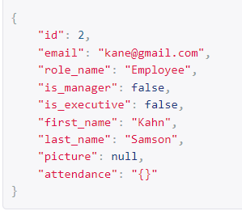 |  | 403 |  | Not having already logged in |  | Used to allow an executive or manager to view an employee's account
/api/executive/list-view/employee/ | GET | None | 200 | 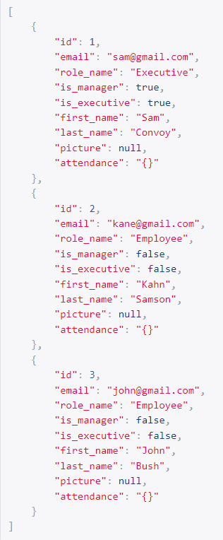 |  | 403 |  | Having an ending an ',' at the end of last key:value pair. Not having already logged in |  | Used to allow an executive or manager to view all employees' account details as a list
/api/executive/update/employee/2 | PATCH |  | 200 | 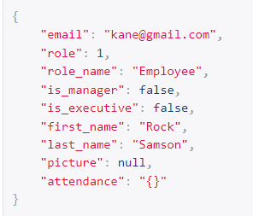 |  | 400, 403 |  | Having an ending an ',' at the end of last key:value pair. Not having already logged in. Changing role id to a non-available role id. Wrong data types | role in response refers to the id of role. You can send any combination of email, role, first_name, last_name, picture, attendance. | Used to allow an executive to edit details of an employee's account
/api/executive/delete/employee/2 | DELETE | None | 204 | None |  | 403 |  | Not having already logged in. |  | Used to allow an executive to delete an employee's account
/api/executive/view/role/1 | GET | None | 200 | 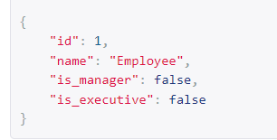 |  | 403 |  | Not having already logged in. |  | Used to allow an executive to view details of a role in company
/api/executive/list-view/role/ | GET | None | 200 | 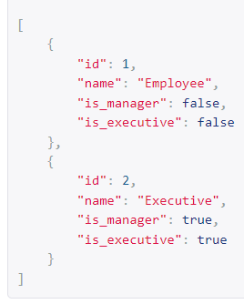 |  | 403 |  | Not having already logged in. |  | Used to allow an executive to view details of all roles in company
/api/executive/create/role/ | POST | 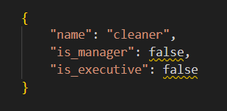 | 201 | 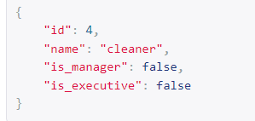 |  | 400, 403 |  | Having an ending an ',' at the end of last key:value pair. Not having already logged in. Wrong data types | All 3 fields - name, is_manager, is_executive must be sent together | Used to allow an executive create a new role in company
/api/executive/update/role/1 | PATCH | 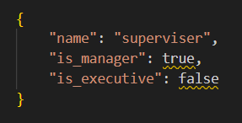 | 200 | 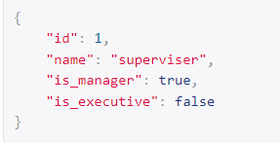 |  | 400, 403 |  | Having an ending an ',' at the end of last key:value pair. Not having already logged in. Wrong data types | You can send any combination of name, is_manager, is_executive. | Used to allow an executive to edit details of a role in company
/api/executive/delete/role/1 | DELETE | None | 204 | None |  | 400, 403 |  | Having an ending an ',' at the end of last key:value pair. Not having already logged in. |  | Used to allow an executive to delete a role in company
/api/executive/view/company/ | GET | None | 200 | 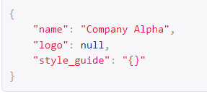 |  | 403 |  | Not having already logged in. |  | Used to allow an executive to view details of the company
/api/executive/update/company/ | PATCH |  | 200 | 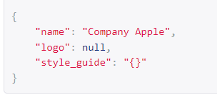 |  | 400, 403 |  | Having an ending an ',' at the end of last key:value pair. Not having already logged in. Wrong data types | Any combination of name, logo , style_guide can be sent together | Used to allow an executive to edit details of the company
/api/executive/delete/company/ | DELETE | None | 204 | None |  | 403 |  | Not having already logged in. | Deleting the company automatically deletes its all employees and roles | Used to allow an executive to delete the company from the system

