Cover Page
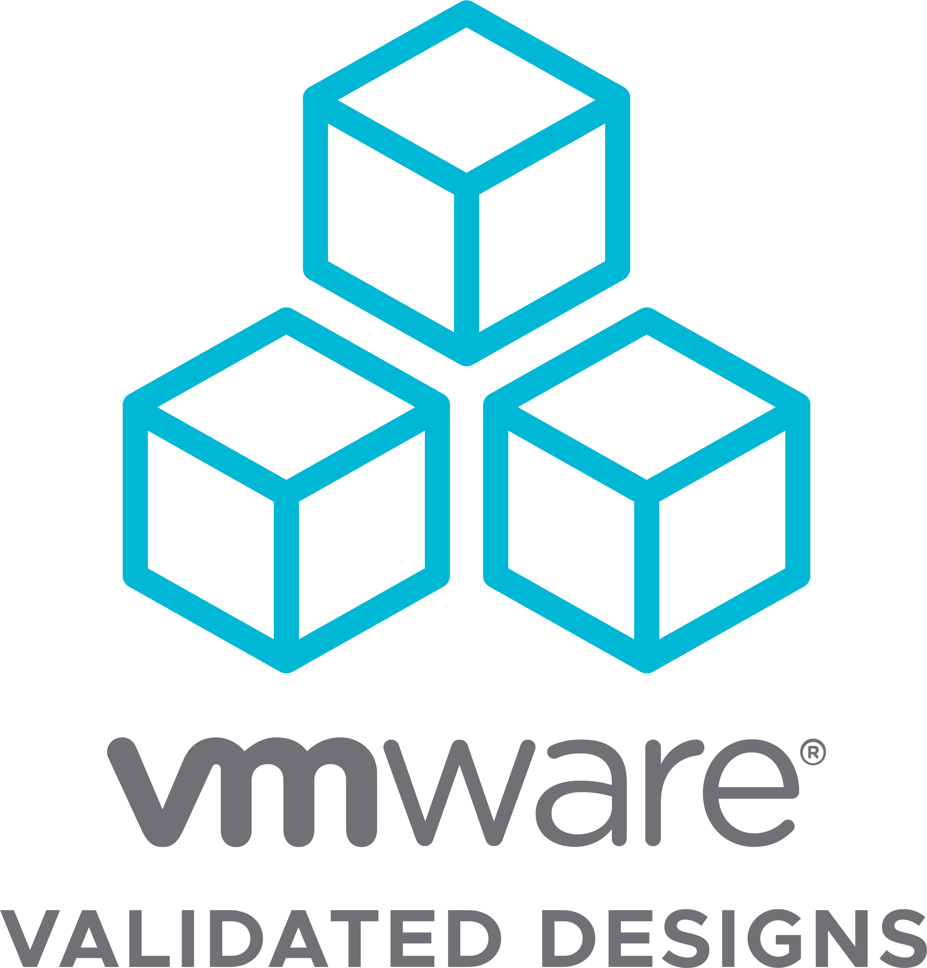
Design Decision Checklist
VMware Validated Design 6.2

Design Decision Totals
VMware Validated Design 6.2 - Design Decision Breakdown
Management Domain Design Decisions | 289
VI Workload Domain Design Decisions | 218
vSphere With Tanzu Domain Design Decisions | 171
Cloud Operations and Automation Design Decisions | 300

Total DDs | 978

