Sheet2
Row Labels | Count of Order id | Sum of Amount | Sum of Qty | Sum of Profit 10% | Row Labels | Sum of Amount | Row Labels | Sum of Amount
Jan | 6 | ₹ 75,540.00 | 29 | ₹ 7,554.00 | Qtr1 | 241790 | Computer | 160290
Feb | 13 | ₹ 130,540.00 | 46 | ₹ 13,054.00 | Qtr2 | 139440 | Electronics | 295030
Mar | 7 | ₹ 35,710.00 | 26 | ₹ 3,571.00 | Qtr3 | 267740 | Mobiles | 193210
Apr | 7 | ₹ 29,700.00 | 19 | ₹ 2,970.00 | Qtr4 | 242760 | Storage | 243200
May | 8 | ₹ 22,300.00 | 21 | ₹ 2,230.00 | Grand Total | 891730 | Grand Total | 891730
Jun | 9 | ₹ 87,440.00 | 41 | ₹ 8,744.00
Jul | 9 | ₹ 77,570.00 | 42 | ₹ 7,757.00
Aug | 7 | ₹ 135,600.00 | 38 | ₹ 13,560.00
Sep | 8 | ₹ 54,570.00 | 32 | ₹ 5,457.00
Oct | 9 | ₹ 173,710.00 | 73 | ₹ 17,371.00 |  |  | Art | 160290
Nov | 8 | ₹ 42,570.00 | 20 | ₹ 4,257.00 |  |  | Computer | 295030
Dec | 8 | ₹ 26,480.00 | 12 | ₹ 2,648.00 |  |  | Electronics | 193210
Grand Total | 99 | 891730 | 399 | 89173 |  |  | Mobiles | 243200
 |  |  |  |  |  |  | Storage | 891730
 | 99 | ₹891,730 | 399 | ₹ 89,173 |  |  | Grand Total | 1783460

 |  |  |  |  |  |  | Row Labels | Sum of Qty | Art | 75
 |  |  |  |  |  |  | Computer | 75 | Computer | 132
 |  |  |  |  |  |  | Electronics | 132 | Electronics | 82
 |  |  |  |  |  |  | Mobiles | 82 | Mobiles | 110
 |  |  |  |  |  |  | Storage | 110 | Storage | 399
 |  |  |  |  |  |  | Grand Total | 399 | Grand Total

Sheet3
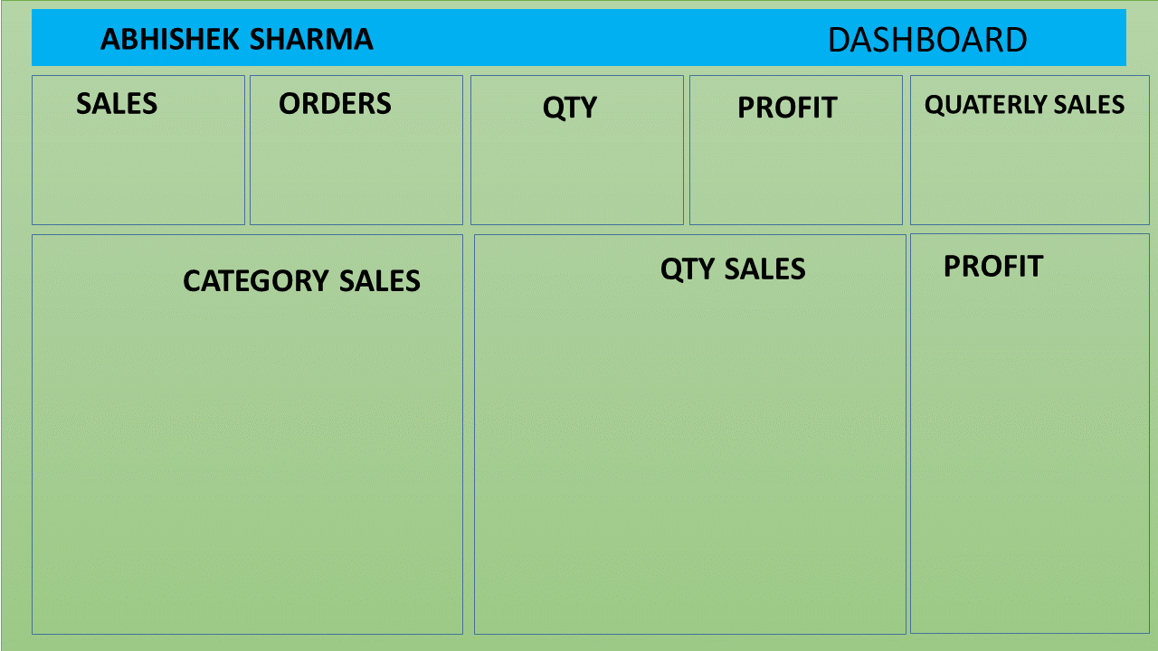

₹891,730
99
₹ 89,173
 | Total
Qtr1 | 241790
Qtr2 | 139440
Qtr3 | 267740
Qtr4 | 242760
399

