Data Exhibit-4
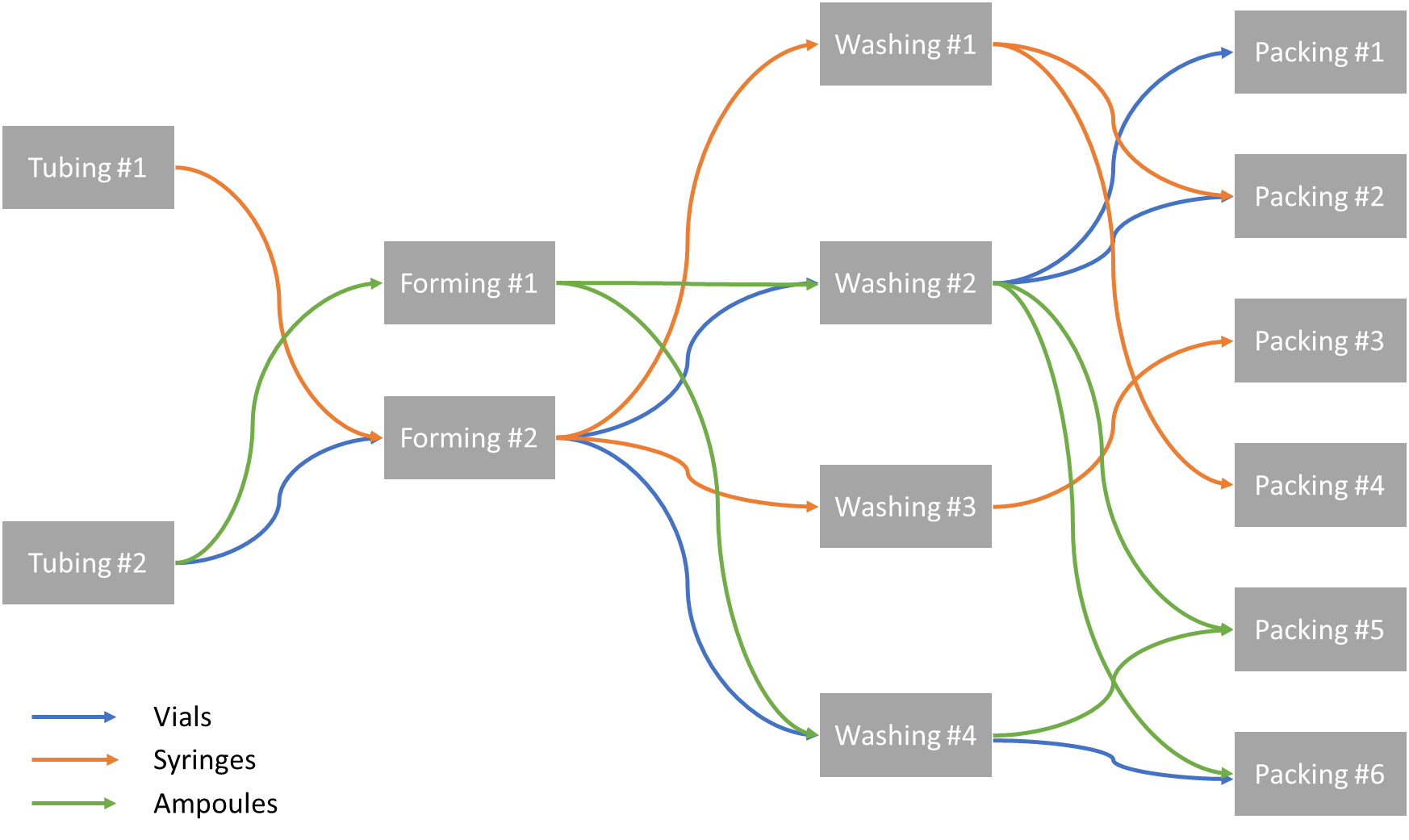
4-step manufacturing process for all 3 products in Fabricadas

Fabricadas Utilization and Stoppages
Unit | Weekends and Holidays | Planned shutdowns | Unplanned shutdowns
Tubing #1 | 115 | 10 | 15 | 140
Tubing #2 | 115 | 10 | 20 | 145
Forming #1 | 115 | 10 | 15 | 140
Forming #2 | 115 | 10 | 25 | 150
Washing #1 | 115 | 10 | 15 | 140
Washing #2 | 115 | 10 | 20 | 145
Washing #3 | 115 | 10 | 20 | 145
Washing #4 | 115 | 10 | 15 | 140
Packing #1 | 115 | 10 | 20 | 145
Packing #2 | 115 | 10 | 20 | 145
Packing #3 | 115 | 10 | 25 | 150
Packing #4 | 115 | 10 | 15 | 140
Packing #5 | 115 | 10 | 20 | 145
Packing #6 | 115 | 10 | 20 | 145

ANALYSIS
Product | Ampoules | Vials | Syringes |  | Total ShutDown Days | Total Available Hours | Total Available Hours/quarter
Unit
Tubing #1 | 0 | 0 | 1 |  | 140 | 5400 | 1350
Tubing #2 | 1 | 1 | 0 |  | 145 | 5280 | 1320
Forming #1 | 1 | 0 | 0 |  | 140 | 5400 | 1350
Forming #2 | 0 | 1 | 1 |  | 150 | 5160 | 1290
Washing #1 | 0 | 0 | 1 |  | 140 | 5400 | 1350
Washing #2 | 1 | 1 | 0 |  | 145 | 5280 | 1320
Washing #3 | 0 | 0 | 1 |  | 145 | 5280 | 1320
Washing #4 | 1 | 1 | 0 |  | 140 | 5400 | 1350
Packing #1 | 0 | 1 | 0 |  | 145 | 5280 | 1320
Packing #2 | 0 | 1 | 1 |  | 145 | 5280 | 1320
Packing #3 | 0 | 0 | 1 |  | 150 | 5160 | 1290
Packing #4 | 0 | 0 | 1 |  | 140 | 5400 | 1350
Packing #5 | 1 | 0 | 0 |  | 145 | 5280 | 1320
Packing #6 | 1 | 1 | 0 |  | 145 | 5280 | 1320

Time Calculation
 | Total Available Time
Tubing | 10680
Forming | 10560
Washing | 21360
Packing | 31680

Demand Projections | Q3 2020 (actual) | Q4 2020 | Q1 2021 | Q2 2021 | Total production to meet the demand (in lots) without defects |  | Total cycle time required to meet the demand (Hours required)
 | [in lots] |  |  |  |  |  | Demand History and Projections
Ampoules | 15 | 55 | 60 | 65 | 195 |  | Demand Projections | Q3 2020 (actual) | Q4 2020 | Q1 2021 | Q2 2021
Vials | 5 | 20 | 30 | 35 | 90 |  |  | [in lots]
Syringes | 10 | 35 | 40 | 45 | 130 |  | Ampoules | 900 | 3300 | 3600 | 3900
 |  |  |  |  |  |  | Vials | 315 | 1260 | 1890 | 2205
 |  |  |  |  |  |  | Syringes | 570 | 1995 | 2280 | 2565
Product-wise cycle time
Product | Cycle Time (hours)
Ampoules | 60
Vials | 63
Syringes | 57 |  |  |  |  |  |  | Total Cycle time breakup by product and line (HR)
 |  |  |  |  |  |  |  | Ampoules | Q3 2020 (actual) | Q4 2020 | Q1 2021 | Q2 2021
 |  |  |  |  |  |  |  | Tubing | 168 | 408 | 438 | 468
Cycle time breakup by product and line |  |  |  |  |  |  |  | Hot-forming | 336 | 816 | 876 | 936
Cycle Time (hours/process) |  | Tubing | Hot-forming | Washing | Packing |  |  | Washing | 504 | 1224 | 1314 | 1404
Ampoules |  | 6 | 12 | 18 | 24 |  |  | Packing | 672 | 1632 | 1732 | 1872 | 14800
Vials |  | 9 | 9 | 21 | 24 |  |  | Total | 1680 | 4080 | 4360 | 4680
Syringes |  | 6 | 9 | 18 | 24 |  |  | Total Cycle time breakup by product and line (HR)
 |  |  |  |  |  |  |  | Vials | Q3 2020 (actual) | Q4 2020 | Q1 2021 | Q2 2021
 |  |  |  |  |  |  |  | Tubing | 180 | 315 | 405 | 450
Net lot equivalent rejected in a quarter |  |  |  |  |  |  |  | Hot-forming | 180 | 315 | 405 | 450
Product | Bend tubing Rejects | Contamination rejects | Glass breakages | Air bubbles | Total |  |  | Washing | 420 | 735 | 945 | 1050
Ampoules | 1 | 5.7 | 3.5 | 2.8 | 13 | 52 |  | Packing | 480 | 840 | 1080 | 1200
Vials | 2.8 | 6 | 3.2 | 3 | 15 | 60 |  | Total | 1260 | 2205 | 2835 | 3150
Syringes | 3.4 | 5.2 | 2.8 | 2.6 | 14 | 56 |  | Total Cycle time breakup by product and line (HR)
 |  |  |  |  |  |  |  | Syringes | Q3 2020 (actual) | Q4 2020 | Q1 2021 | Q2 2021
 |  |  |  |  |  |  |  | Tubing | 144 | 294 | 324 | 354
Total production to meet the demand (in lots) Including defects |  |  |  |  |  |  |  | Hot-forming | 216 | 441 | 486 | 531
Demand Projections | Q3 2020 (actual) | Q4 2020 | Q1 2021 | Q2 2021 | Total production to meet the demand (in lots) Including defects |  |  | Washing | 432 | 882 | 972 | 1062
 | [in lots] |  |  |  |  |  |  | Packing | 576 | 1176 | 1296 | 1416
Ampoules | 28 | 68 | 73 | 78 | 247 |  |  | Total | 1368 | 2793 | 3078 | 3363
Vials | 20 | 35 | 45 | 50 | 150
Syringes | 24 | 49 | 54 | 59 | 186
PASS PRODUCT / REJECTED PRODUCT

Total required time for each process
 | Q3 2020 (actual) | Q4 2020 | Q1 2021 | Q2 2021
Tubing | 492 | 1017 | 1167 | 1272
Hot-forming | 732 | 1572 | 1767 | 1917
Washing | 1356 | 2841 | 3231 | 3516
Packing | 1728 | 3648 | 4128 | 4488
 |  |  |  | 34872

 | Rejected | Passed
Ampoules | 13 | 15
Vials | 15 | 5
Syringes | 14 | 10
DEMAND HISTORY AND PROJECTION
 | Q3 2020 (actual) | Q4 2020 | Q1 2021 | Q2 2021
Ampoules | 15 | 55 | 60 | 65
Vials | 5 | 20 | 30 | 35
Syringes | 10 | 35 | 40 | 45

