Details
To enter in mysql console | mysql -u root -p
 | sqoop help
 | sqoop version
 | sqoop help eval

To connect Sqoop to relational database you need 3 things.
1) connection2) username 3) password.
hostname mysql port number
--connect = jdbc:mysql://quickstart.cloudera:3306 \
--username root
--password cloudera
sqoop-list-databases
(connection)
hostname :
=> You can get hostname with linux hostname command also if you working in a local environment
=> If you are working in production than you shoud enter IP address of RDBMS
password :
Using password in this manner is a bad practice. Instead you should use -P or
encrption
Sqoop Connection to rdbms (connection)
List of databases

sqoop-list-tables \
--connect "jdbc:mysql://quickstart.cloudera:3306/retail_db" \
--username root \
--password cloudera \
Note : make sure there is no space in the end after \
See list of tables in retail_db

sqoop-eval \
(connection)
--query "SELECT * FROM retail_db.customers limit 5"
or
--e "SELECT * FROM retail_db.customers limit 5"
Display the data in DBMS through sqoop

sqoop-eval \
connection(with with db)
-e "DESCRIBE <table_name>"
sqoop-import \
--connect "jdbc:mysql://quickstart.cloudera:3306/retail_db" \
--username root \
--password cloudera \
--table orders
-- target-dir /orders
Note : make sure target-dir must not exist.
=> If table does not have any primary key than it will not be imported.
Displaying Schema of any table
import a table form RDBMS

sqoop-import-all-tables \
connection(with with db)
--warehouse-dir /sqoopdir
Note: All the tables will create a sperate folder in sqoopdir
Import all the tables from the database

by default it creates text file
--as-sequencefile
--as-avrodatafile
--as-paraquetfile
Note: These different files can be created in hdfs. as we know avro and praraquet are better file format for reading, updating and compression
Sqoop-import \
connection(with with db)
--connect --connect "jdbc:mysql://quickstart.cloudera:3306/retail_db" \
--table orders \
--as-avrodatafile \
-- target-dir /result \
Sqoop support different file formats

--compress
or
-z
Note : By default files will be saved in gzip. but you can cusomize it also. Ex.
--compression-codec BZip2Codec /
Sqoop-import \
connection(with with db)
--connect --connect "jdbc:mysql://quickstart.cloudera:3306/retail_db" \
--table orders
--as-avrodatafile
-- compress
-- target-dir /result
Compress of files for huge memory save

--columns order_id,first_name,last_name,city, State,coutry \
--where = "country in ('IN','US','UK') "
To import specific columns in a specific order --column and filter rows with --where
sqoop-import \
--connect "jdbc:mysql://quickstart.cloudera:3306/test_db" \
--username root \
--password cloudera \
--table Customers \
--columns Cust_Id,Customer_Name,Purchase_Date,Item,City,Price \
--where Purchase_Date > '2019-01-01' \
--fields-terminated-by '|' \
--lines-terminated-by ';' \
--target-dir /sqoop_importdir \
--null-non-string "NA" \
1>log_out1 2>log_out2

=> By default 4 mappers run on any sqoop import
=> Each mapper create a new file
=> We can customize number of mappers which will run on query by
m8
or
--num-mappers 8
Mappers

=> Whenever we run sqoop import more than 1 mapper bounding val query will run.
=> It will run on primary key. in case primary key is not there then a error will be raised. if not handled this part.
=> boundry query return 2 values s one row.These values will be used to compute thes split size.
split size = max(p. key) - min(p.key) / no. of mappers
=> If primary key is having outliers than it divide mappers in a wrong way. So in this case we need to customise primary key.
-- boundary-query "SELECT 1, 68883" \
Note: Later on we will add those outliers with a serate append.
Bounding Val query

When to use --split-by.
--split-by column_name
=> When there is no primary
or
=> there are too many outliers in primany key
or
=> There is another better column which can devide rows better
When you choose a column to devide in split by make sure -
=> --split-by column is indexed
=> --split-by column does not have any outliers
=> --split-by should be used on a numeric column. in case if there is no choice then set this property :
org.apache.sqoop.splitter.allow_text_splitter=true;
split by
--autoreset-to-one-mapper
In case you want set mapper autometically to one in case error happens due to primary key issues. It is really usefull when you import all tables.
sqoop-import-all-tables \
--connect "jdbc:mysql://quickstart.cloudera:3306/retail_db" \
--username root \
--password cloudera \
--exclude-tables <table_name>
-- autoreset-to-one-mapper \
--m8
--wareshouse-dir /result
sqoop-import-all-tables \
--connect "jdbc:mysql://quickstart.cloudera:3306/test_new_db" \
--username root \
--password cloudera \
-- autoreset-to-one-mapper \
--m3
--wareshouse-dir /sqoop_all_tbl \
--delete-target-dir

sqoop create-hive-table \
--connect "jdbc:mysql://quickstart.cloudera:3306/retail_db" \
--username root \
--password cloudera \
--table orders \
--hive-table emps \ #hive table will be creates with emps name
-- target-dir /orders
Create a hive table via scoop import

verbose | |--verbose ( to get more log details)

append | | --append (if you are using --target-dir than it will raise error but using --append will create new data in same directory)

delete-target-dir | | --delete-target-dir (it will overwrite the existing directory)

Handling null values | | -null-non-string "NA" ( It will replace null values to NA)

sqoop-import \
--connect "jdbc:mysql://quickstart.cloudera:3306/retail_db" \
--username root \
--password cloudera \
--table orders \
--boundary-query "SELECT 1, 68883" \
--target-dir /orders \
--delete-target-dir \

sqoop-export \
--connect "jdbc:mysql://quickstart.cloudera:3306/banking" \
--username root \
--password cloudera \
--table orders \
--export-dir /data \
--fields-terminated-by ',' \
=> Make sure to create a table in RDBMS before transferring data from HDFS.>
=> Make sure to create a table in RDBMS before transferring data from HDFS.>
sqoop export
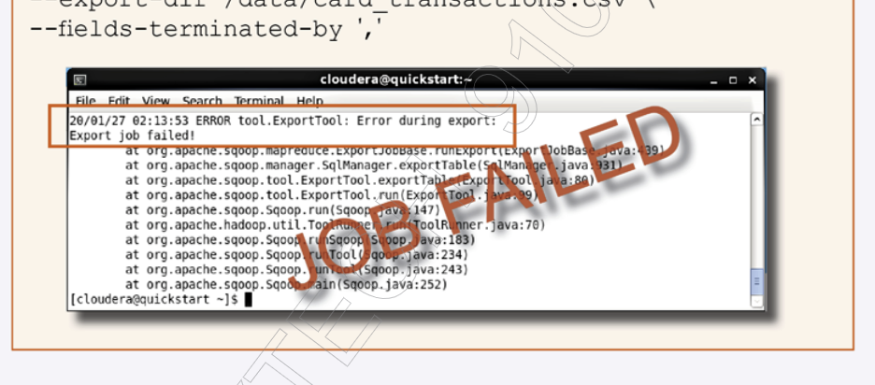 To track the sqoop export error | 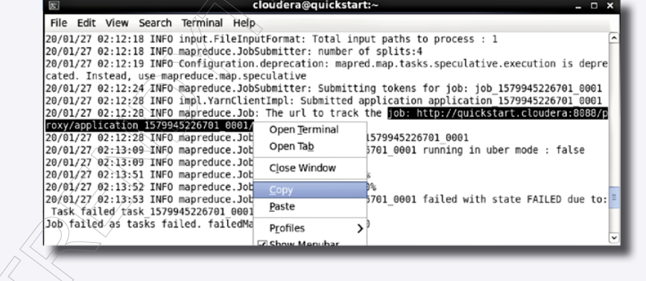

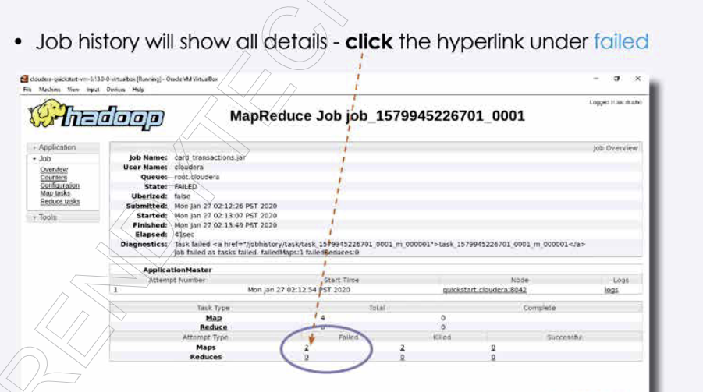

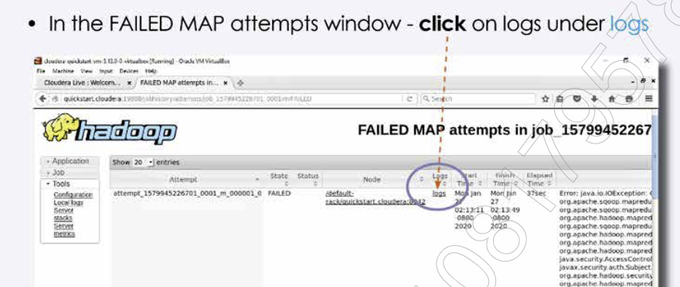

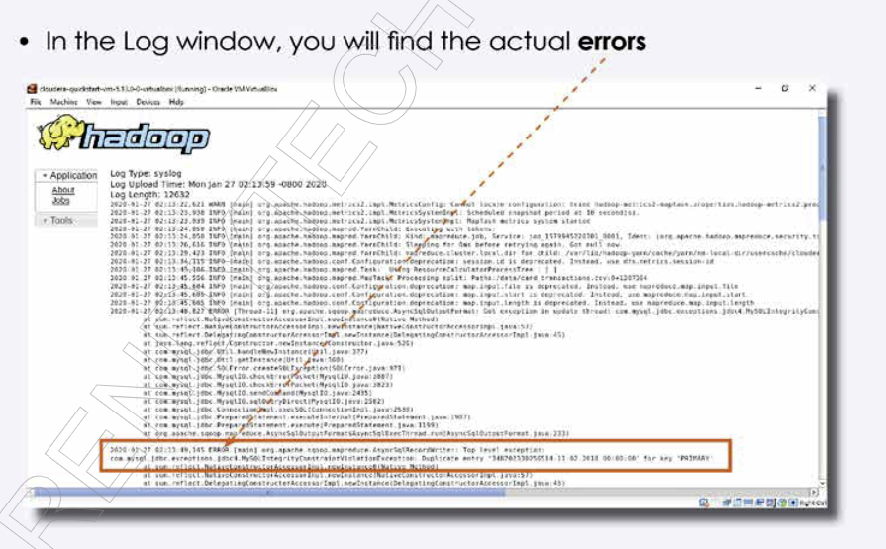

sqoop-export \
--connect "jdbc:mysql://quickstart.cloudera:3306/banking" \
--username root \
--password cloudera \
--table orders \
--staging-table order_stage \
--export-dir /data/transactions.csv \
--fields terminated by ','
=> First create the stage table schema exactly same as the main table in RDBMS.
=> Always use stage table while sqoop export.
=> Without stage table in case of failures you might end up in partial export
which the worst thing. Either there must be full export or no export if there is an error.
=> Stage table creates a temp storage in stage table and data will transfer in main table when export will be completed without any failures.
Staging table in sqoop export

sqoop-import \
--connect "jdbc:mysql://quickstart.cloudera:3306/test_db" \
--username root \
--password cloudera \
--table Customers \
--warehouse-dir /sqoop_importdir \
--incremental append \
--check-column Cust_id \
--last-value 700
=> We use append mode when there is only inserts and no updates
Sqoop Incremental Import

sqoop-import \
--connect "jdbc:mysql://quickstart.cloudera:3306/retail_db" \
--username root \
--password cloudera \
--table orders \
--warehouse-dir /data \
--incremental lastmodified \
--check-column order_date \
--last-value '2015-01-01 00:00:00' \
--merge-key order_id
Note : in case you want to keep old records also with updated ones then use --append instead of --merge-key
sqoop-import \
--connect "jdbc:mysql://quickstart.cloudera:3306/test_db" \
--username root \
--password cloudera \
--table Customers \
--warehouse-dir /data \
--incremental append \
--check-column order_id \
--last-value 0
sqoop lastmodified import

During incremental import we have to provide last-value every and everytime and our password was also visible. With Sqoop job now we don't to enter provide --last-value every time. It will be stored autometically.
Creating a sqoop job
sqoop job \
-Dhadoop.security.credential.provider.path=jceks://hdfs/password/password.jceks \
--create new_orders \
-- import \
--connect "jdbc:mysql://quickstart.cloudera:3306/retail_db" \
--username root \
--password-alias mypassword \
--table orders \
--warehouse-dir /data \
--incremental append \
--check-column order_id \
--last-value 0 \
executing a sqoo job
sqoop job --exec <job name>
hadoop credential create mypassword -provider jceks://hdfs/password/password.jceks
=> After providing this command it will password which will be stored in this file location
passwod alias
file location where password will be stored
Sqoop job
sqoop job --list | To See all the all sqoop job
sqoop job --show <job name> | To see details of sqoo job
sqoop job --delete <job name> | To delete the sqoop job

Import summ
sqoop-import \
--connect "jdbc: mysql://quickstart.cloudera:3306/retail_db" \
--username root \
--P
--table orders
--columns Cust_id,Customer_name
--where purchase_date > ‘2019-01-01’
--fields-terminated-by '|' \
--lines-terminated-by ';’ \
--m8 | --num-mappers 8 \
--target-dir /orders |--warehouse-dir /data/orders # Note target-dir should be already existed. Else use --warehouse-dir/ if you want
table inside a existing directory
--as-avrodatafile | --as-paraquetfile
--compress | -z # files will be compressed and will save lot of storage space by default gzip compression.
--null-non-string "NA" \

