Inventory
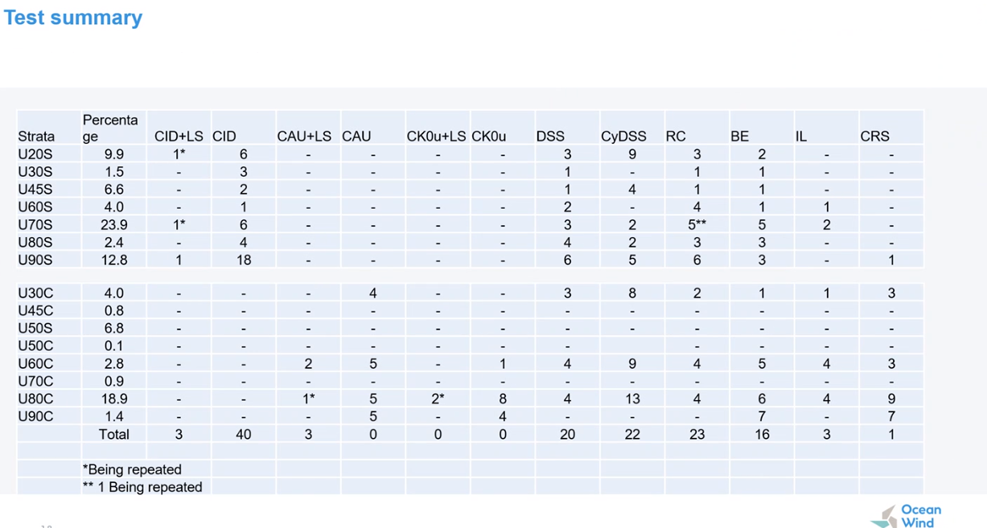
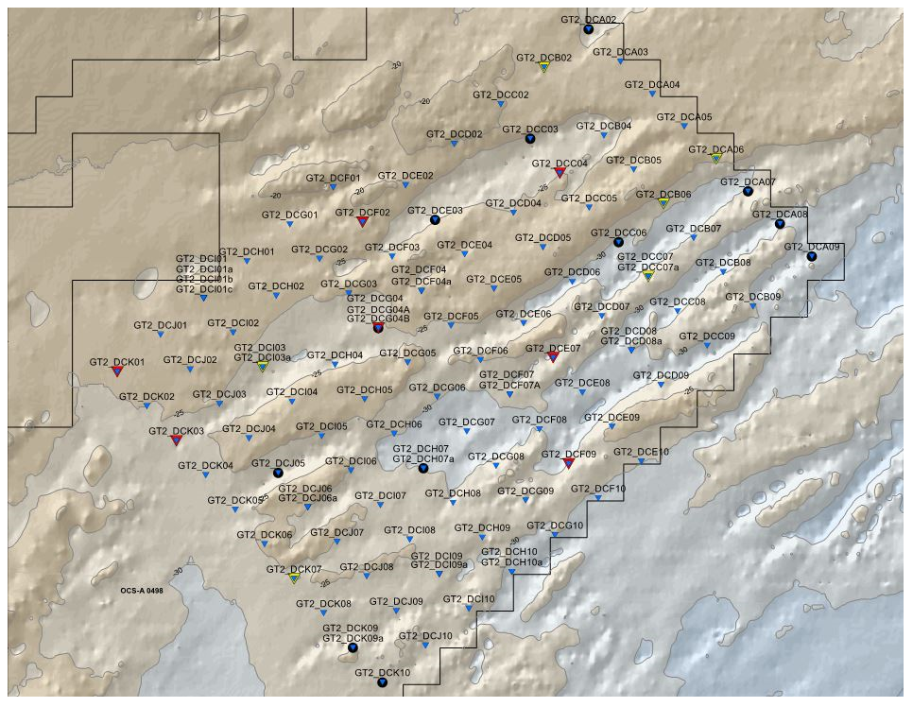
PointID | Depth | Samp_Ref | Type | Unit | Use | Initial DR | e0 | emax | emin | confining pressure | G_LS | G_BE | G_RC | Column2
GT1A_BH01 | 3.75 | 5B | CIDC | U20S | 1 | 0.59 | 0.513 | 0.755 | 0.345 | 39
GT1A_BH02 | 4 | Batch 2A | CIDC | U20S | 1 | 1.00 | 0.473 | 1.008 | 0.448 | 69.48
GT1A_BH02 | 3.6 | BATCH 2 | CIDC | U20S | 1 | 1.00 | 0.459 | 1.015 | 0.454 | 54.00
GT1A_BH04 | 1.7 | 3A | CIDC | U20S | 1 | 1.00 | 0.419 | 0.978 | 0.387 | 29
GT1A_BH07 | 4.75 | 11B | CIDC | U20S | 1 | 1.00 | 0.57 | 1.07 | 0.568 | 77
GT1A_BH08a | 2.5 | Batch 5 | CIDC | U20S | 1 | 0.91 | 0.45 | 0.791 | 0.417 | 41
OCW_GT2_BOSSA | 1 | 02-3a | CIDC | U20S | 1 | 1.05 | 0.493 | 0.68 | 0.502 | 35.75
GT1A_BH01 | 3.5 | 5A | CIDC | U20S | 1 | 1.00 | 0.473 |  |  | 39.2

