Final
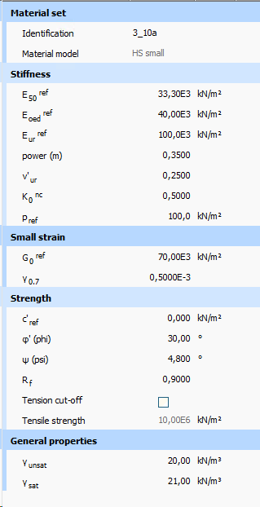
m was fitted good with field data. E-odeo meter seems to over estimate the lab but the value of the lab is too low compare to the desing profile. Friction angle from DSS also comes out low but very high value was reported for the field data. However the E_50 obtained from E-odeo provides good matched

G_Max_estimation
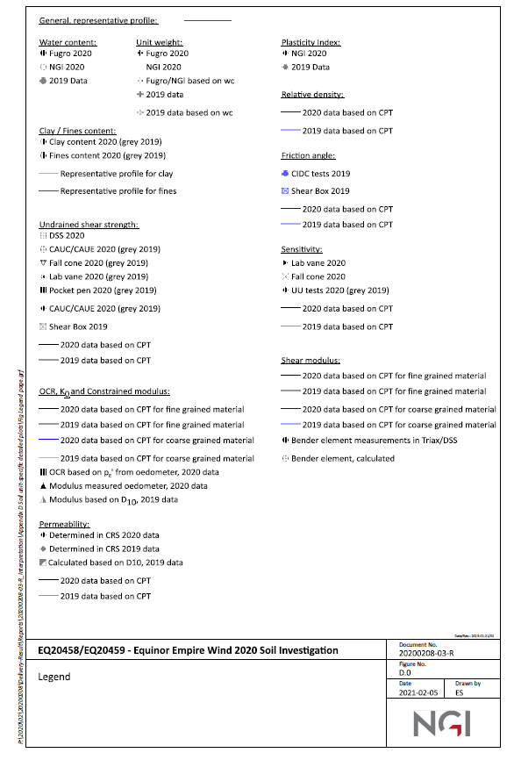
 |  |  |  | nu= | 0.3

Gref | 2.50E+05 |  |  |  | 2.5
m_G | 0.7 |  |  |  | 2.5
 |  |  |  |  | 2.1
m_E | 0.7 |  |  |  | 1.7
E odeo_ref | 4.50E+04 |  |  |  | 1.5
nu | 0.25 |  |  |  | 1.3
E_50 | 37500 |  |  |  | 1.3
E_ur | 112500

Depth | Gmax | K0 | vertical | Horizontal | M0 | Gmodel
1 |  | 2.5 | 9.8 | 24.5 |  | 4.92E+01 | 1.68E+01 | 1.25E+01
20 |  | 0.75 | 196 | 147 |  | 3.27E+02 | 7.21E+01 | 5.35E+01
40 |  | 0.6 | 392 | 235.2 |  | 4.55E+02 | 1.17E+02 | 8.70E+01

4.92E+01 | 1
3.27E+02 | 20
4.55E+02 | 40
1.68E+01 | 1
7.21E+01 | 20
1.17E+02 | 40

E50
M0 PC1 | Depth | E50 | v= | 0.3
8.6 | 0.5 | 6.3885714286
33.2 | 0.5 | 24.662857143
7.6 | 0.7 | 5.6457142857
16.3 | 0.9 | 12.108571429
3.9 | 1 | 2.8971428571
3.9 | 1 | 2.8971428571
14.3 | 1.1 | 10.622857143
27.6 | 1.1 | 20.502857143
18 | 1.3 | 13.371428571
4.92E+01 | 1
3.27E+02 | 20
4.55E+02 | 40
1.68E+01 | 1
7.21E+01 | 20
1.17E+02 | 40
E50 (MPa)
 | E50
6.3885714286 | 0.5 | 1.25E+01 | 1
24.662857143 | 0.5 | 5.35E+01 | 20
5.6457142857 | 0.7 | 8.70E+01 | 40
12.108571429 | 0.9
2.8971428571 | 1
2.8971428571 | 1
10.622857143 | 1.1
20.502857143 | 1.1
13.371428571 | 1.3
13.668571429 | 1.3
5.6457142857 | 1.4
19.982857143 | 1.4
8.4685714286 | 1.5
23.028571429 | 1.5
35.805714286 | 1.5
27.114285714 | 1.7
36.92 | 1.7
27.114285714 | 1.8
12.108571429 | 1.9
12.48 | 1.9
15.005714286 | 1.9
23.028571429 | 1.9
21.542857143 | 1.95
10.622857143 | 2
10.92 | 2
13.371428571 | 2
14.337142857 | 2
15.971428571 | 2
16.714285714 | 2
19.982857143 | 2
20.502857143 | 2
26.371428571 | 2
53.931428571 | 2
36.92 | 2.2
40.04 | 2.2
11.44 | 2.4
11.588571429 | 2.4
56.382857143 | 2.4
29.64 | 2.45
2.8971428571 | 2.5
2.8971428571 | 2.5
6.1657142857 | 2.5
7.6514285714 | 2.5
7.6514285714 | 2.5
8.4685714286 | 2.5
10.92 | 2.5
19.165714286 | 2.5
21.988571429 | 2.5
23.251428571 | 2.5
24.662857143 | 2.5
...
18.4 | 1.3 | 13.668571429 |  |  | 0
7.6 | 1.4 | 5.6457142857 |  |  | 0.1
26.9 | 1.4 | 19.982857143 |  |  | 0.2
11.4 | 1.5 | 8.4685714286 |  |  | 0.3
31 | 1.5 | 23.028571429 |  |  | 0.4
48.2 | 1.5 | 35.805714286 |  |  | 0.5
36.5 | 1.7 | 27.114285714 |  |  | 0.6
49.7 | 1.7 | 36.92 |  |  | 0.7
36.5 | 1.8 | 27.114285714 |  |  | 0.8
16.3 | 1.9 | 12.108571429 |  |  | 0.9
16.8 | 1.9 | 12.48 |  |  | 1
20.2 | 1.9 | 15.005714286 |  |  | 1.1
31 | 1.9 | 23.028571429 |  |  | 1.2
29 | 1.95 | 21.542857143 |  |  | 1.3
14.3 | 2 | 10.622857143 |  |  | 1.4
14.7 | 2 | 10.92 |  |  | 1.5
18 | 2 | 13.371428571 |  |  | 1.6
19.3 | 2 | 14.337142857 |  |  | 1.7
21.5 | 2 | 15.971428571 |  |  | 1.8
22.5 | 2 | 16.714285714 |  |  | 1.9
26.9 | 2 | 19.982857143 |  |  | 2
27.6 | 2 | 20.502857143 |  |  | 2.1
35.5 | 2 | 26.371428571 |  |  | 2.2
72.6 | 2 | 53.931428571 |  |  | 2.3
49.7 | 2.2 | 36.92 |  |  | 2.4
53.9 | 2.2 | 40.04 |  |  | 2.5
15.4 | 2.4 | 11.44 |  |  | 2.6
15.6 | 2.4 | 11.588571429 |  |  | 2.7
75.9 | 2.4 | 56.382857143 |  |  | 2.8
39.9 | 2.45 | 29.64 |  |  | 2.9
3.9 | 2.5 | 2.8971428571 |  |  | 3
3.9 | 2.5 | 2.8971428571 |  |  | 3.1
8.3 | 2.5 | 6.1657142857 |  |  | 3.2
10.3 | 2.5 | 7.6514285714 |  |  | 3.3
10.3 | 2.5 | 7.6514285714 |  |  | 3.4
11.4 | 2.5 | 8.4685714286 |  |  | 3.5
14.7 | 2.5 | 10.92 |  |  | 3.6
E50
25.8 | 2.5 | 19.165714286 |  |  | 3.7
29.6 | 2.5 | 21.988571429 |  |  | 3.8
31.3 | 2.5 | 23.251428571 |  |  | 3.9
33.2 | 2.5 | 24.662857143 |  |  | 4
35.8 | 2.5 | 26.594285714 |  |  | 4.1
37.9 | 2.5 | 28.154285714 |  |  | 4.2
48.2 | 2.5 | 35.805714286 |  |  | 4.3
24.5 | 2.6 | 18.2 |  |  | 4.4
34.3 | 2.6 | 25.48 |  |  | 4.5
21.5 | 2.75 | 15.971428571 |  |  | 4.6
29 | 2.75 | 21.542857143 |  |  | 4.7
50.8 | 2.9 | 37.737142857 |  |  | 4.8
13.5 | 3 | 10.028571429 |  |  | 4.9
15.7 | 3 | 11.662857143 |  |  | 5
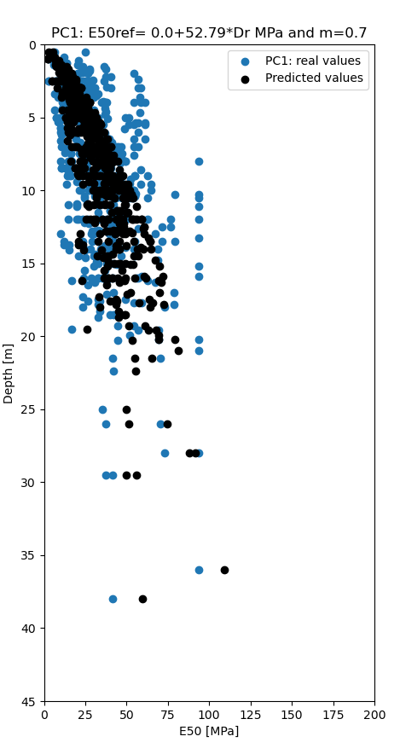
16.8 | 3 | 12.48 |  |  | 5.1
25.2 | 3 | 18.72 |  |  | 5.2
30.8 | 3 | 22.88 |  |  | 5.3
35.5 | 3 | 26.371428571 |  |  | 5.4
35.8 | 3 | 26.594285714 |  |  | 5.5
37.9 | 3 | 28.154285714 |  |  | 5.6
40.3 | 3 | 29.937142857 |  |  | 5.7
40.8 | 3 | 30.308571429 |  |  | 5.8
41.1 | 3 | 30.531428571 |  |  | 5.9
53.9 | 3 | 40.04 |  |  | 6
75.9 | 3 | 56.382857143 |  |  | 6.1
78.2 | 3 | 58.091428571 |  |  | 6.2
21.5 | 3.2 | 15.971428571 |  |  | 6.3
30.3 | 3.2 | 22.508571429 |  |  | 6.4
33.7 | 3.2 | 25.034285714 |  |  | 6.5
38.6 | 3.2 | 28.674285714 |  |  | 6.6
39.9 | 3.2 | 29.64 |  |  | 6.7
28.6 | 3.25 | 21.245714286 |  |  | 6.8
41.1 | 3.25 | 30.531428571 |  |  | 6.9
13.2 | 3.3 | 9.8057142857 |  |  | 7
8.6 | 3.4 | 6.3885714286 |  |  | 7.1
16.3 | 3.4 | 12.108571429 |  |  | 7.2
21.6 | 3.4 | 16.045714286 |  |  | 7.3
43.9 | 3.4 | 32.611428571 |  |  | 7.4
11.4 | 3.5 | 8.4685714286 |  |  | 7.5
15.4 | 3.5 | 11.44 |  |  | 7.6
15.6 | 3.5 | 11.588571429 |  |  | 7.7
18.5 | 3.5 | 13.742857143 |  |  | 7.8
18.6 | 3.5 | 13.817142857 |  |  | 7.9
34.3 | 3.5 | 25.48 |  |  | 8
37.4 | 3.5 | 27.782857143 |  |  | 8.1
42.1 | 3.5 | 31.274285714 |  |  | 8.2
11.4 | 3.6 | 8.4685714286 |  |  | 8.3
20.2 | 3.6 | 15.005714286 |  |  | 8.4
38.7 | 3.6 | 28.748571429 |  |  | 8.5
40.3 | 3.6 | 29.937142857 |  |  | 8.6
77.1 | 3.6 | 57.274285714 |  |  | 8.7
15.7 | 3.8 | 11.662857143 |  |  | 8.8
36.6 | 3.8 | 27.188571429 |  |  | 8.9
28.6 | 3.9 | 21.245714286 |  |  | 9
33.7 | 3.9 | 25.034285714 |  |  | 9.1
47.6 | 3.9 | 35.36 |  |  | 9.2
14.7 | 4 | 10.92 |  |  | 9.3
18.1 | 4 | 13.445714286 |  |  | 9.4
46.3 | 4 | 34.394285714 |  |  | 9.5
50 | 4 | 37.142857143 |  |  | 9.6
50.8 | 4 | 37.737142857 |  |  | 9.7
72.6 | 4 | 53.931428571 |  |  | 9.8
78.2 | 4 | 58.091428571 |  |  | 9.9
81.5 | 4 | 60.542857143 |  |  | 10
23.6 | 4.2 | 17.531428571 |  |  | 10.1
29.7 | 4.2 | 22.062857143 |  |  | 10.2
30.8 | 4.2 | 22.88 |  |  | 10.3
35.1 | 4.2 | 26.074285714 |  |  | 10.4
14.7 | 4.4 | 10.92 |  |  | 10.5
19.3 | 4.4 | 14.337142857 |  |  | 10.6
23.6 | 4.4 | 17.531428571 |  |  | 10.7
49.5 | 4.4 | 36.771428571 |  |  | 10.8
8.3 | 4.5 | 6.1657142857 |  |  | 10.9
15.6 | 4.5 | 11.588571429 |  |  | 11
16.8 | 4.5 | 12.48 |  |  | 11.1
17 | 4.5 | 12.628571429 |  |  | 11.2
17.7 | 4.5 | 13.148571429 |  |  | 11.3
17.7 | 4.5 | 13.148571429 |  |  | 11.4
18.5 | 4.5 | 13.742857143 |  |  | 11.5
18.6 | 4.5 | 13.817142857 |  |  | 11.6
22.5 | 4.5 | 16.714285714 |  |  | 11.7
33.4 | 4.5 | 24.811428571 |  |  | 11.8
33.4 | 4.5 | 24.811428571 |  |  | 11.9
34.8 | 4.5 | 25.851428571 |  |  | 12
36.5 | 4.5 | 27.114285714 |  |  | 12.1
36.5 | 4.5 | 27.114285714 |  |  | 12.2
40 | 4.5 | 29.714285714 |  |  | 12.3
50 | 4.6 | 37.142857143 |  |  | 12.4
77.1 | 4.7 | 57.274285714 |  |  | 12.5
28.5 | 4.8 | 21.171428571 |  |  | 12.6
41.1 | 4.8 | 30.531428571 |  |  | 12.7
49.5 | 4.8 | 36.771428571 |  |  | 12.8
10.3 | 5 | 7.6514285714 |  |  | 12.9
10.3 | 5 | 7.6514285714 |  |  | 13
11.4 | 5 | 8.4685714286 |  |  | 13.1
13.2 | 5 | 9.8057142857 |  |  | 13.2
14 | 5 | 10.4 |  |  | 13.3
14 | 5 | 10.4 |  |  | 13.4
18.1 | 5 | 13.445714286 |  |  | 13.5
18.2 | 5 | 13.52 |  |  | 13.6
19.4 | 5 | 14.411428571 |  |  | 13.7
20.1 | 5 | 14.931428571 |  |  | 13.8
21.4 | 5 | 15.897142857 |  |  | 13.9
24.5 | 5 | 18.2 |  |  | 14
24.6 | 5 | 18.274285714 |  |  | 14.1
27.3 | 5 | 20.28 |  |  | 14.2
27.3 | 5 | 20.28 |  |  | 14.3
29.7 | 5 | 22.062857143 |  |  | 14.4
33.1 | 5 | 24.588571429 |  |  | 14.5
37.4 | 5 | 27.782857143 |  |  | 14.6
38 | 5 | 28.228571429 |  |  | 14.7
40.8 | 5 | 30.308571429 |  |  | 14.8
43.9 | 5 | 32.611428571 |  |  | 14.9
65.5 | 5 | 48.657142857 |  |  | 15
68.7 | 5 | 51.034285714 |  |  | 15.1
38.7 | 5.1 | 28.748571429 |  |  | 15.2
51.4 | 5.1 | 38.182857143 |  |  | 15.3
13.7 | 5.2 | 10.177142857 |  |  | 15.4
28.5 | 5.2 | 21.171428571 |  |  | 15.5
38.3 | 5.2 | 28.451428571 |  |  | 15.6
11.4 | 5.3 | 8.4685714286 |  |  | 15.7
21.7 | 5.3 | 16.12 |  |  | 15.8
33.2 | 5.4 | 24.662857143 |  |  | 15.9
35.1 | 5.4 | 26.074285714 |  |  | 16
73.9 | 5.4 | 54.897142857 |  |  | 16.1
75.9 | 5.4 | 56.382857143 |  |  | 16.2
81.5 | 5.4 | 60.542857143 |  |  | 16.3
29.4 | 5.5 | 21.84 |  |  | 16.4
30.3 | 5.5 | 22.508571429 |  |  | 16.5
34.8 | 5.5 | 25.851428571 |  |  | 16.6
47.6 | 5.5 | 35.36 |  |  | 16.7
68.7 | 5.5 | 51.034285714 |  |  | 16.8
72.7 | 5.5 | 54.005714286 |  |  | 16.9
81.5 | 5.5 | 60.542857143 |  |  | 17
31 | 5.6 | 23.028571429 |  |  | 17.1
13.1 | 5.7 | 9.7314285714 |  |  | 17.2
13.7 | 5.7 | 10.177142857 |  |  | 17.3
18.4 | 5.75 | 13.668571429 |  |  | 17.4
20.1 | 5.8 | 14.931428571 |  |  | 17.5
28.7 | 5.8 | 21.32 |  |  | 17.6
38.3 | 5.8 | 28.451428571 |  |  | 17.7
64.9 | 5.8 | 48.211428571 |  |  | 17.8
13.1 | 6 | 9.7314285714 |  |  | 17.9
15.6 | 6 | 11.588571429 |  |  | 18
16.3 | 6 | 12.108571429 |  |  | 18.1
17.7 | 6 | 13.148571429 |  |  | 18.2
17.7 | 6 | 13.148571429 |  |  | 18.3
21.4 | 6 | 15.897142857 |  |  | 18.4
21.5 | 6 | 15.971428571 |  |  | 18.5
21.8 | 6 | 16.194285714 |  |  | 18.6
27.3 | 6 | 20.28 |  |  | 18.7
28.7 | 6 | 21.32 |  |  | 18.8
33.1 | 6 | 24.588571429 |  |  | 18.9
38.6 | 6 | 28.674285714 |  |  | 19
39.8 | 6 | 29.565714286 |  |  | 19.1
42.1 | 6 | 31.274285714 |  |  | 19.2
76.2 | 6 | 56.605714286 |  |  | 19.3
49.2 | 6.1 | 36.548571429 |  |  | 19.4
14.1 | 6.2 | 10.474285714 |  |  | 19.5
25.2 | 6.3 | 18.72 |  |  | 19.6
43 | 6.3 | 31.942857143 |  |  | 19.7
25.8 | 6.5 | 19.165714286 |  |  | 19.8
45.6 | 6.5 | 33.874285714 |  |  | 19.9
52.4 | 6.5 | 38.925714286 |  |  | 20
52.8 | 6.5 | 39.222857143 |  |  | 20.1
72.5 | 6.5 | 53.857142857 |  |  | 20.2
81.5 | 6.5 | 60.542857143 |  |  | 20.3
13.5 | 6.6 | 10.028571429 |  |  | 20.4
29.4 | 6.7 | 21.84 |  |  | 20.5
54.4 | 6.7 | 40.411428571 |  |  | 20.6
28.7 | 6.8 | 21.32 |  |  | 20.7
14.1 | 7 | 10.474285714 |  |  | 20.8
19.3 | 7 | 14.337142857 |  |  | 20.9
20.7 | 7 | 15.377142857 |  |  | 21
24.6 | 7 | 18.274285714 |  |  | 21.1
27.3 | 7 | 20.28 |  |  | 21.2
29.8 | 7 | 22.137142857 |  |  | 21.3
37 | 7 | 27.485714286 |  |  | 21.4
38 | 7 | 28.228571429 |  |  | 21.5
38.6 | 7 | 28.674285714 |  |  | 21.6
46.8 | 7 | 34.765714286 |  |  | 21.7
48.1 | 7 | 35.731428571 |  |  | 21.8
49.2 | 7 | 36.548571429 |  |  | 21.9
52.4 | 7 | 38.925714286 |  |  | 22
52.8 | 7 | 39.222857143 |  |  | 22.1
56.6 | 7 | 42.045714286 |  |  | 22.2
58.9 | 7 | 43.754285714 |  |  | 22.3
60.5 | 7 | 44.942857143 |  |  | 22.4
62.5 | 7 | 46.428571429 |  |  | 22.5
72.7 | 7 | 54.005714286 |  |  | 22.6
76.2 | 7 | 56.605714286 |  |  | 22.7
31.9 | 7.2 | 23.697142857 |  |  | 22.8
16.8 | 7.4 | 12.48 |  |  | 22.9
38.6 | 7.4 | 28.674285714 |  |  | 23
53.4 | 7.4 | 39.668571429 |  |  | 23.1
56.4 | 7.4 | 41.897142857 |  |  | 23.2
21.7 | 7.5 | 16.12 |  |  | 23.3
21.8 | 7.5 | 16.194285714 |  |  | 23.4
28.4 | 7.5 | 21.097142857 |  |  | 23.5
31 | 7.5 | 23.028571429 |  |  | 23.6
31.3 | 7.5 | 23.251428571 |  |  | 23.7
33.4 | 7.5 | 24.811428571 |  |  | 23.8
33.4 | 7.5 | 24.811428571 |  |  | 23.9
37.8 | 7.5 | 28.08 |  |  | 24
39.4 | 7.5 | 29.268571429 |  |  | 24.1
40.1 | 7.5 | 29.788571429 |  |  | 24.2
43.1 | 7.5 | 32.017142857 |  |  | 24.3
45.6 | 7.5 | 33.874285714 |  |  | 24.4
46.3 | 7.5 | 34.394285714 |  |  | 24.5
52.2 | 7.5 | 38.777142857 |  |  | 24.6
60.5 | 7.5 | 44.942857143 |  |  | 24.7
62.7 | 7.5 | 46.577142857 |  |  | 24.8
57.9 | 7.6 | 43.011428571 |  |  | 24.9
72.5 | 7.6 | 53.857142857 |  |  | 25
54.4 | 7.7 | 40.411428571 |  |  | 25.1
57 | 7.7 | 42.342857143 |  |  | 25.2
61.9 | 7.7 | 45.982857143 |  |  | 25.3
31.3 | 7.8 | 23.251428571 |  |  | 25.4
62.5 | 7.8 | 46.428571429 |  |  | 25.5
13.5 | 8 | 10.028571429 |  |  | 25.6
19.4 | 8 | 14.411428571 |  |  | 25.7
20.6 | 8 | 15.302857143 |  |  | 25.8
20.7 | 8 | 15.377142857 |  |  | 25.9
22.2 | 8 | 16.491428571 |  |  | 26
29.6 | 8 | 21.988571429 |  |  | 26.1
35.8 | 8 | 26.594285714 |  |  | 26.2
36.6 | 8 | 27.188571429 |  |  | 26.3
40.7 | 8 | 30.234285714 |  |  | 26.4
54.2 | 8 | 40.262857143 |  |  | 26.5
57 | 8 | 42.342857143 |  |  | 26.6
62.1 | 8 | 46.131428571 |  |  | 26.7
65.5 | 8 | 48.657142857 |  |  | 26.8
66 | 8 | 49.028571429 |  |  | 26.9
125 | 8 | 92.857142857 |  |  | 27
42.8 | 8.1 | 31.794285714 |  |  | 27.1
61.9 | 8.1 | 45.982857143 |  |  | 27.2
33.2 | 8.3 | 24.662857143 |  |  | 27.3
52.9 | 8.3 | 39.297142857 |  |  | 27.4
14 | 8.5 | 10.4 |  |  | 27.5
14 | 8.5 | 10.4 |  |  | 27.6
17 | 8.5 | 12.628571429 |  |  | 27.7
18.9 | 8.5 | 14.04 |  |  | 27.8
22.2 | 8.5 | 16.491428571 |  |  | 27.9
26.5 | 8.5 | 19.685714286 |  |  | 28
35 | 8.5 | 26 |  |  | 28.1
43.1 | 8.5 | 32.017142857 |  |  | 28.2
45 | 8.5 | 33.428571429 |  |  | 28.3
48.1 | 8.5 | 35.731428571 |  |  | 28.4
53.4 | 8.5 | 39.668571429 |  |  | 28.5
53.9 | 8.5 | 40.04 |  |  | 28.6
29.8 | 8.6 | 22.137142857 |  |  | 28.7
78 | 8.6 | 57.942857143 |  |  | 28.8
47.8 | 8.7 | 35.508571429 |  |  | 28.9
19.8 | 8.9 | 14.708571429 |  |  | 29
18.9 | 9 | 14.04 |  |  | 29.1
20.6 | 9 | 15.302857143 |  |  | 29.2
21.6 | 9 | 16.045714286 |  |  | 29.3
28.7 | 9 | 21.32 |  |  | 29.4
30.1 | 9 | 22.36 |  |  | 29.5
31.3 | 9 | 23.251428571 |  |  | 29.6
39.8 | 9 | 29.565714286 |  |  | 29.7
40.7 | 9 | 30.234285714 |  |  | 29.8
40.7 | 9 | 30.234285714 |  |  | 29.9
41.2 | 9 | 30.605714286 |  |  | 30
53.4 | 9 | 39.668571429 |  |  | 30.1
53.9 | 9 | 40.04 |  |  | 30.2
57.6 | 9 | 42.788571429 |  |  | 30.3
73.2 | 9 | 54.377142857 |  |  | 30.4
73.3 | 9 | 54.451428571 |  |  | 30.5
83.6 | 9 | 62.102857143 |  |  | 30.6
52.9 | 9.25 | 39.297142857 |  |  | 30.7
70 | 9.25 | 52 |  |  | 30.8
39.4 | 9.3 | 29.268571429 |  |  | 30.9
26.7 | 9.4 | 19.834285714 |  |  | 31
58.9 | 9.4 | 43.754285714 |  |  | 31.1
35.4 | 9.5 | 26.297142857 |  |  | 31.2
43.9 | 9.5 | 32.611428571 |  |  | 31.3
47.8 | 9.5 | 35.508571429 |  |  | 31.4
53.4 | 9.5 | 39.668571429 |  |  | 31.5
62.7 | 9.5 | 46.577142857 |  |  | 31.6
69 | 9.5 | 51.257142857 |  |  | 31.7
18.2 | 9.6 | 13.52 |  |  | 31.8
50.4 | 9.6 | 37.44 |  |  | 31.9
78 | 9.6 | 57.942857143 |  |  | 32
86.6 | 9.6 | 64.331428571 |  |  | 32.1
28.4 | 10 | 21.097142857 |  |  | 32.2
30.1 | 10 | 22.36 |  |  | 32.3
35.8 | 10 | 26.594285714 |  |  | 32.4
37 | 10 | 27.485714286 |  |  | 32.5
40 | 10 | 29.714285714 |  |  | 32.6
43 | 10 | 31.942857143 |  |  | 32.7
43.7 | 10 | 32.462857143 |  |  | 32.8
44 | 10 | 32.685714286 |  |  | 32.9
51.4 | 10 | 38.182857143 |  |  | 33
57.9 | 10 | 43.011428571 |  |  | 33.1
59.9 | 10 | 44.497142857 |  |  | 33.2
71.7 | 10 | 53.262857143 |  |  | 33.3
72.3 | 10 | 53.708571429 |  |  | 33.4
86.6 | 10 | 64.331428571 |  |  | 33.5
50.3 | 10.2 | 37.365714286 |  |  | 33.6
73.9 | 10.2 | 54.897142857 |  |  | 33.7
105.7 | 10.3 | 78.52 |  |  | 33.8
125 | 10.3 | 92.857142857 |  |  | 33.9
32.8 | 10.4 | 24.365714286 |  |  | 34
40.7 | 10.4 | 30.234285714 |  |  | 34.1
53.2 | 10.4 | 39.52 |  |  | 34.2
53.5 | 10.4 | 39.742857143 |  |  | 34.3
73.2 | 10.4 | 54.377142857 |  |  | 34.4
73.3 | 10.4 | 54.451428571 |  |  | 34.5
32.8 | 10.5 | 24.365714286 |  |  | 34.6
45 | 10.5 | 33.428571429 |  |  | 34.7
57.9 | 10.5 | 43.011428571 |  |  | 34.8
63 | 10.5 | 46.8 |  |  | 34.9
66.1 | 10.5 | 49.102857143 |  |  | 35
70 | 10.5 | 52 |  |  | 35.1
71.7 | 10.5 | 53.262857143 |  |  | 35.2
83.6 | 10.5 | 62.102857143 |  |  | 35.3
125 | 10.5 | 92.857142857 |  |  | 35.4
26.5 | 10.9 | 19.685714286 |  |  | 35.5
35 | 10.9 | 26 |  |  | 35.6
19.3 | 11 | 14.337142857 |  |  | 35.7
26.7 | 11 | 19.834285714 |  |  | 35.8
36.4 | 11 | 27.04 |  |  | 35.9
42.8 | 11 | 31.794285714 |  |  | 36
45.7 | 11 | 33.948571429 |  |  | 36.1
56.4 | 11 | 41.897142857 |  |  | 36.2
65.8 | 11 | 48.88 |  |  | 36.3
26.5 | 11.1 | 19.685714286 |  |  | 36.4
125 | 11.1 | 92.857142857 |  |  | 36.5
53.2 | 11.4 | 39.52 |  |  | 36.6
53.5 | 11.4 | 39.742857143 |  |  | 36.7
57.6 | 11.4 | 42.788571429 |  |  | 36.8
62.1 | 11.4 | 46.131428571 |  |  | 36.9
43.7 | 11.5 | 32.462857143 |  |  | 37
59.9 | 11.5 | 44.497142857 |  |  | 37.1
60.9 | 11.5 | 45.24 |  |  | 37.2
63 | 11.5 | 46.8 |  |  | 37.3
56.6 | 11.6 | 42.045714286 |  |  | 37.4
19.8 | 12 | 14.708571429 |  |  | 37.5
26.5 | 12 | 19.685714286 |  |  | 37.6
27.8 | 12 | 20.651428571 |  |  | 37.7
31.4 | 12 | 23.325714286 |  |  | 37.8
35.4 | 12 | 26.297142857 |  |  | 37.9
45.2 | 12 | 33.577142857 |  |  | 38
46.8 | 12 | 34.765714286 |  |  | 38.1
47.2 | 12 | 35.062857143 |  |  | 38.2
50.4 | 12 | 37.44 |  |  | 38.3
54.2 | 12 | 40.262857143 |  |  | 38.4
60.7 | 12 | 45.091428571 |  |  | 38.5
62.1 | 12 | 46.131428571 |  |  | 38.6
64.9 | 12 | 48.211428571 |  |  | 38.7
66.1 | 12 | 49.102857143 |  |  | 38.8
83.6 | 12 | 62.102857143 |  |  | 38.9
101.9 | 12 | 75.697142857 |  |  | 39
125 | 12 | 92.857142857 |  |  | 39.1
32.8 | 12.2 | 24.365714286 |  |  | 39.2
41.1 | 12.2 | 30.531428571 |  |  | 39.3
58.6 | 12.2 | 43.531428571 |  |  | 39.4
36.4 | 12.3 | 27.04 |  |  | 39.5
53.7 | 12.3 | 39.891428571 |  |  | 39.6
60.7 | 12.3 | 45.091428571 |  |  | 39.7
57.9 | 12.5 | 43.011428571 |  |  | 39.8
95.6 | 12.5 | 71.017142857 |  |  | 39.9
101.9 | 12.5 | 75.697142857 |  |  | 40
75.9 | 12.6 | 56.382857143
43.9 | 12.75 | 32.611428571
51.6 | 12.75 | 38.331428571
38.7 | 12.8 | 28.748571429
40.7 | 12.8 | 30.234285714
45.2 | 12.8 | 33.577142857
54.2 | 12.8 | 40.262857143
60.9 | 12.8 | 45.24
57.6 | 12.9 | 42.788571429
13.5 | 13 | 10.028571429
38.1 | 13 | 28.302857143
40.1 | 13 | 29.788571429
52.8 | 13 | 39.222857143
53.7 | 13 | 39.891428571
57.6 | 13 | 42.788571429
89.7 | 13 | 66.634285714
125 | 13.25 | 92.857142857
16.3 | 13.5 | 12.108571429
31.4 | 13.5 | 23.325714286
38.7 | 13.5 | 28.748571429
56.3 | 13.5 | 41.822857143
73.1 | 13.5 | 54.302857143
95.6 | 13.5 | 71.017142857
105.7 | 13.5 | 78.52
16.3 | 13.75 | 12.108571429
20 | 13.75 | 14.857142857
49.4 | 13.8 | 36.697142857
54.2 | 13.8 | 40.262857143
65.8 | 13.9 | 48.88
37.8 | 14 | 28.08
45.7 | 14 | 33.948571429
47.2 | 14 | 35.062857143
52.8 | 14 | 39.222857143
55.8 | 14 | 41.451428571
72.3 | 14 | 53.708571429
74.8 | 14 | 55.565714286
92.1 | 14 | 68.417142857
20 | 14.1 | 14.857142857
33.3 | 14.1 | 24.737142857
40.7 | 14.4 | 30.234285714
27.8 | 14.5 | 20.651428571
40.2 | 14.5 | 29.862857143
43.9 | 14.5 | 32.611428571
62.1 | 14.5 | 46.131428571
73.1 | 14.5 | 54.302857143
33.3 | 14.6 | 24.737142857
42.3 | 14.6 | 31.422857143
92.1 | 14.8 | 68.417142857
42.3 | 14.9 | 31.422857143
44 | 15 | 32.685714286
50.5 | 15 | 37.514285714
53.4 | 15 | 39.668571429
56.3 | 15 | 41.822857143
52.2 | 15.1 | 38.777142857
58.6 | 15.1 | 43.531428571
40.2 | 15.2 | 29.862857143
125 | 15.2 | 92.857142857
32.8 | 15.5 | 24.365714286
49.4 | 15.5 | 36.697142857
78.7 | 15.9 | 58.462857143
125 | 15.9 | 92.857142857
31.9 | 16 | 23.697142857
38.1 | 16 | 28.302857143
43.8 | 16 | 32.537142857
43.9 | 16 | 32.611428571
46.8 | 16 | 34.765714286
51.6 | 16 | 38.331428571
55.3 | 16 | 41.08
74.8 | 16 | 55.565714286
76.1 | 16 | 56.531428571
22.4 | 16.2 | 16.64
50.5 | 16.2 | 37.514285714
83.6 | 16.2 | 62.102857143
41.2 | 16.3 | 30.605714286
89.7 | 16.3 | 66.634285714
35.5 | 16.5 | 26.371428571
55.8 | 17 | 41.451428571
104.8 | 17 | 77.851428571
50.3 | 17.1 | 37.365714286
31.5 | 17.3 | 23.4
43.8 | 17.5 | 32.537142857
66 | 17.5 | 49.028571429
35.5 | 17.6 | 26.371428571
44.9 | 17.6 | 33.354285714
72.3 | 17.7 | 53.708571429
78.7 | 17.7 | 58.462857143
44 | 17.8 | 32.685714286
104.8 | 17.8 | 77.851428571
31.5 | 18 | 23.4
97.6 | 18 | 72.502857143
44.9 | 18.3 | 33.354285714
53.4 | 18.5 | 39.668571429
56 | 18.5 | 41.6
44 | 18.7 | 32.685714286
59.4 | 19.3 | 44.125714286
72.3 | 19.3 | 53.708571429
22.4 | 19.5 | 16.64
76.1 | 19.6 | 56.531428571
92.4 | 19.6 | 68.64
69 | 19.9 | 51.257142857
92.4 | 20.2 | 68.64
124.7 | 20.2 | 92.634285714
59.4 | 20.3 | 44.125714286
124.7 | 21 | 92.634285714
55.3 | 21.5 | 41.08
93.9 | 21.5 | 69.754285714
56 | 22.4 | 41.6
46.8 | 25 | 34.765714286
50.2 | 26 | 37.291428571
93.9 | 26 | 69.754285714
97.6 | 28 | 72.502857143
125 | 28 | 92.857142857
50.2 | 29.5 | 37.291428571
55.4 | 29.5 | 41.154285714
125 | 36 | 92.857142857
55.4 | 38 | 41.154285714

Unit10aCRS02Lin2
Unit 10a
 | Lab |  | HSss Model
9.53101 | 0.021436 | 0.00 | 0
18.003 | 0.180302 | 2.00 | 0.0054947413
32.2995 | 0.476807 | 4.00 | 0.013061299
46.5961 | 0.762737 | 6.00 | 0.0217667
60.3631 | 1.0275 | 8.00 | 0.030428494
77.3071 | 1.26064 | 10.00 | 0.039718557
99.5461 | 1.49394 | 12.00 | 0.049631321
127.08 | 1.74855 | 14.00 | 0.059278823
149.849 | 1.91842 | 16.01 | 0.068637702
174.735 | 2.06721 | 18.00 | 0.077810639
200.151 | 2.19487 | 20.01 | 0.08684099
200.151 | 2.3429 | 22.00 | 0.095593416
174.735 | 2.35271 | 24.00 | 0.10406814
149.849 | 2.37311 | 26.00 | 0.11228984
124.962 | 2.40408 | 28.01 | 0.12029174
100.076 | 2.39275 | 30.01 | 0.12808653
75.1891 | 2.38143 | 32.00 | 0.13569628
26.475 | 2.36938 | 34.01 | 0.14314302
49.7731 | 2.42295 | 36.01 | 0.15043003
74.6596 | 2.44485 | 38.01 | 0.15757307
100.076 | 2.48792 | 40.00 | 0.16458366
124.962 | 2.4781 | 42.01 | 0.17147563
149.849 | 2.51057 | 44.01 | 0.17824787
174.735 | 2.5219 | 46.01 | 0.18490962
201.21 | 2.54384 | 48.01 | 0.19146927
225.567 | 2.5763 | 50.01 | 0.19793281
249.924 | 2.64048 | 52.00 | 0.20430526
275.34 | 2.70469 | 54.01 | 0.21059605
299.697 | 2.77945 | 56.01 | 0.21679654
325.643 | 2.86482 | 58.01 | 0.22292493
348.411 | 2.93953 | 60.01 | 0.22897779
 |  | 62.01 | 0.234958
 |  | 64.01 | 0.24086991
 |  | 66.01 | 0.24671694
 |  | 68.01 | 0.2525065
 |  | 70.01 | 0.25822843
 |  | 72.01 | 0.26389804
 |  | 74.01 | 0.2695117
 |  | 76.01 | 0.27507036
 |  | 78.01 | 0.2805769
 |  | 80.01 | 0.28603386
 |  | 82.01 | 0.29144306
 |  | 84.01 | 0.29680594
 |  | 86.01 | 0.30212391
 |  | 88.01 | 0.30739836
 |  | 90.01 | 0.31263523
 |  | 92.01 | 0.31782436
 |  | 94.01 | 0.32297809
 |  | 96.01 | 0.32809327
 |  | 98.01 | 0.33316482
...
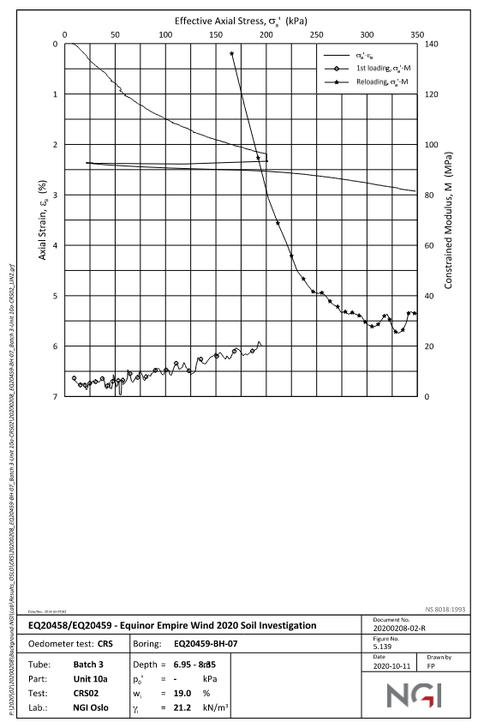
Effective Axial Stress (kPa) | Axial Strain (%)
9.53101 | 0.021436 | 0.00 | 0.00 | 0
18.003 | 0.180302 | 2.00 | 0.00 | 0.0054947413
32.2995 | 0.476807 | 4.00 | 0.00 | 0.013061299
46.5961 | 0.762737 | 6.00 | 0.00 | 0.0217667
60.3631 | 1.0275 | 8.00 | 0.00 | 0.030428494
77.3071 | 1.26064 | 10.00 | 0.00 | 0.039718557
99.5461 | 1.49394 | 12.00 | 0.00 | 0.049631321
127.08 | 1.74855 | 14.00 | 0.00 | 0.059278823
149.849 | 1.91842 | 16.01 | 0.00 | 0.068637702
174.735 | 2.06721 | 18.00 | 0.00 | 0.077810639
200.151 | 2.19487 | 20.01 | 0.00 | 0.08684099
200.151 | 2.3429 | 22.00 | 0.00 | 0.095593416
174.735 | 2.35271 | 24.00 | 0.00 | 0.10406814
149.849 | 2.37311 | 26.00 | 0.00 | 0.11228984
124.962 | 2.40408 | 28.01 | 0.00 | 0.12029174
100.076 | 2.39275 | 30.01 | 0.00 | 0.12808653
75.1891 | 2.38143 | 32.00 | 0.00 | 0.13569628
26.475 | 2.36938 | 34.01 | 0.00 | 0.14314302
49.7731 | 2.42295 | 36.01 | 0.00 | 0.15043003
74.6596 | 2.44485 | 38.01 | 0.00 | 0.15757307
100.076 | 2.48792 | 40.00 | 0.00 | 0.16458366
124.962 | 2.4781 | 42.01 | 0.00 | 0.17147563
149.849 | 2.51057 | 44.01 | 0.00 | 0.17824787
Unit 10a
 | Lab |  | Plaxis
9.53101 | 0.021436 | 0.00 | 0
18.003 | 0.180302 | 2.00 | 0.0054947413
32.2995 | 0.476807 | 4.00 | 0.013061299
46.5961 | 0.762737 | 6.00 | 0.0217667
60.3631 | 1.0275 | 8.00 | 0.030428494
77.3071 | 1.26064 | 10.00 | 0.039718557
99.5461 | 1.49394 | 12.00 | 0.049631321
127.08 | 1.74855 | 14.00 | 0.059278823
149.849 | 1.91842 | 16.01 | 0.068637702
174.735 | 2.06721 | 18.00 | 0.077810639
200.151 | 2.19487 | 20.01 | 0.08684099
200.151 | 2.3429 | 22.00 | 0.095593416
174.735 | 2.35271 | 24.00 | 0.10406814
149.849 | 2.37311 | 26.00 | 0.11228984
124.962 | 2.40408 | 28.01 | 0.12029174
100.076 | 2.39275 | 30.01 | 0.12808653
75.1891 | 2.38143 | 32.00 | 0.13569628
26.475 | 2.36938 | 34.01 | 0.14314302
49.7731 | 2.42295 | 36.01 | 0.15043003
74.6596 | 2.44485 | 38.01 | 0.15757307
100.076 | 2.48792 | 40.00 | 0.16458366
124.962 | 2.4781 | 42.01 | 0.17147563
149.849 | 2.51057 | 44.01 | 0.17824787
174.735 | 2.5219 | 46.01 | 0.18490962
201.21 | 2.54384 | 48.01 | 0.19146927
225.567 | 2.5763 | 50.01 | 0.19793281
249.924 | 2.64048 | 52.00 | 0.20430526
275.34 | 2.70469 | 54.01 | 0.21059605
299.697 | 2.77945 | 56.01 | 0.21679654
325.643 | 2.86482 | 58.01 | 0.22292493
348.411 | 2.93953 | 60.01 | 0.22897779
 |  | 62.01 | 0.234958
 |  | 64.01 | 0.24086991
 |  | 66.01 | 0.24671694
 |  | 68.01 | 0.2525065
 |  | 70.01 | 0.25822843
 |  | 72.01 | 0.26389804
 |  | 74.01 | 0.2695117
 |  | 76.01 | 0.27507036
 |  | 78.01 | 0.2805769
 |  | 80.01 | 0.28603386
 |  | 82.01 | 0.29144306
 |  | 84.01 | 0.29680594
 |  | 86.01 | 0.30212391
 |  | 88.01 | 0.30739836
 |  | 90.01 | 0.31263523
 |  | 92.01 | 0.31782436
 |  | 94.01 | 0.32297809
 |  | 96.01 | 0.32809327
 |  | 98.01 | 0.33316482
...
174.735 | 2.5219 | 46.01 | 0.00 | 0.18490962
201.21 | 2.54384 | 48.01 | 0.00 | 0.19146927
225.567 | 2.5763 | 50.01 | 0.00 | 0.19793281
249.924 | 2.64048 | 52.00 | 0.00 | 0.20430526
275.34 | 2.70469 | 54.01 | 0.00 | 0.21059605
299.697 | 2.77945 | 56.01 | 0.00 | 0.21679654
325.643 | 2.86482 | 58.01 | 0.00 | 0.22292493
348.411 | 2.93953 | 60.01 | 0.00 | 0.22897779
 |  | 62.01 | 0.00 | 0.234958
 |  | 64.01 | 0.00 | 0.24086991
 |  | 66.01 | 0.00 | 0.24671694
 |  | 68.01 | 0.00 | 0.2525065
 |  | 70.01 | 0.00 | 0.25822843
 |  | 72.01 | 0.00 | 0.26389804
 |  | 74.01 | 0.00 | 0.2695117
 |  | 76.01 | 0.00 | 0.27507036
 |  | 78.01 | 0.00 | 0.2805769
 |  | 80.01 | 0.00 | 0.28603386
 |  | 82.01 | 0.00 | 0.29144306
 |  | 84.01 | 0.00 | 0.29680594
 |  | 86.01 | 0.00 | 0.30212391
 |  | 88.01 | 0.00 | 0.30739836
 |  | 90.01 | 0.00 | 0.31263523
 |  | 92.01 | 0.00 | 0.31782436
 |  | 94.01 | 0.00 | 0.32297809
 |  | 96.01 | 0.00 | 0.32809327
 |  | 98.01 | 0.00 | 0.33316482
 |  | 100.01 | 0.00 | 0.33820535
 |  | 102.01 | 0.00 | 0.34321139
 |  | 104.01 | 0.00 | 0.34818174
 |  | 106.01 | 0.00 | 0.35311741
 |  | 108.01 | 0.00 | 0.35802002
 |  | 110.01 | 0.00 | 0.3628909
 |  | 112.01 | 0.00 | 0.36773089
 |  | 114.01 | 0.00 | 0.37254061
 |  | 116.01 | 0.00 | 0.3773254
 |  | 118.01 | 0.00 | 0.38207487
 |  | 120.01 | 0.00 | 0.38679966
 |  | 122.01 | 0.00 | 0.39149198
 |  | 124.01 | 0.00 | 0.3961618
 |  | 126.01 | 0.00 | 0.40080129
 |  | 128.01 | 0.00 | 0.40541916
 |  | 130.01 | 0.00 | 0.41001232
 |  | 132.01 | 0.00 | 0.41457437
 |  | 134.01 | 0.00 | 0.41911627
 |  | 136.01 | 0.00 | 0.42363582
 |  | 138.01 | 0.00 | 0.42813149
 |  | 140.01 | 0.00 | 0.43260317
 |  | 142.01 | 0.00 | 0.43705167
 |  | 144.01 | 0.00 | 0.44147804
 |  | 146.01 | 0.00 | 0.44588302
 |  | 148.01 | 0.00 | 0.45026707
 |  | 150.01 | 0.00 | 0.45463044
 |  | 152.01 | 0.00 | 0.4589734
 |  | 154.01 | 0.00 | 0.46329624
 |  | 156.01 | 0.00 | 0.46759933
 |  | 158.01 | 0.00 | 0.47188786
 |  | 160.01 | 0.00 | 0.47615196
 |  | 162.01 | 0.00 | 0.48039529
 |  | 164.01 | 0.00 | 0.48462525
 |  | 166.01 | 0.00 | 0.48883359
 |  | 168.01 | 0.00 | 0.49302789
 |  | 170.01 | 0.00 | 0.49720022
 |  | 172.01 | 0.01 | 0.50135892
 |  | 174.01 | 0.01 | 0.50549677
 |  | 176.01 | 0.01 | 0.50962169
 |  | 178.01 | 0.01 | 0.51373163
 |  | 180.01 | 0.01 | 0.51781932
 |  | 182.01 | 0.01 | 0.52189428
 |  | 184.01 | 0.01 | 0.52595526
 |  | 186.01 | 0.01 | 0.52999579
 |  | 188.01 | 0.01 | 0.53402449
 |  | 190.01 | 0.01 | 0.53803992
 |  | 192.01 | 0.01 | 0.54204058
 |  | 194.01 | 0.01 | 0.5460205
 |  | 196.01 | 0.01 | 0.54999407
 |  | 198.01 | 0.01 | 0.55394609
 |  | 200.01 | 0.01 | 0.55789153
 |  | 198.20 | 0.01 | 0.55702568
 |  | 196.40 | 0.01 | 0.55615726
 |  | 194.60 | 0.01 | 0.55528129
 |  | 192.80 | 0.01 | 0.55439746
 |  | 191.00 | 0.01 | 0.55350573
 |  | 189.20 | 0.01 | 0.55260599
 |  | 187.40 | 0.01 | 0.55169812
 |  | 185.60 | 0.01 | 0.550782
 |  | 183.80 | 0.01 | 0.5498575
 |  | 182.00 | 0.01 | 0.5489245
 |  | 180.20 | 0.01 | 0.54798287
 |  | 178.40 | 0.01 | 0.54703247
 |  | 176.60 | 0.01 | 0.54607318
 |  | 174.80 | 0.01 | 0.54510486
 |  | 173.00 | 0.01 | 0.54412736
 |  | 171.20 | 0.01 | 0.54314054
 |  | 169.40 | 0.01 | 0.54214426
 |  | 167.60 | 0.01 | 0.54113836
 |  | 165.80 | 0.01 | 0.5401227
 |  | 164.00 | 0.01 | 0.53909711
 |  | 162.20 | 0.01 | 0.53806144
 |  | 160.40 | 0.01 | 0.53701553
 |  | 158.60 | 0.01 | 0.53595762
 |  | 156.80 | 0.01 | 0.53489178
 |  | 155.00 | 0.01 | 0.53381285
 |  | 153.20 | 0.01 | 0.53272548
 |  | 151.40 | 0.01 | 0.5316243
 |  | 149.60 | 0.01 | 0.53051301
 |  | 147.80 | 0.01 | 0.52939038
 |  | 146.00 | 0.01 | 0.52825602
 |  | 144.20 | 0.01 | 0.52710974
 |  | 142.40 | 0.01 | 0.52595136
 |  | 140.60 | 0.01 | 0.52478065
 |  | 138.80 | 0.01 | 0.5235974
 |  | 137.00 | 0.01 | 0.52240139
 |  | 135.20 | 0.01 | 0.52119239
 |  | 133.40 | 0.01 | 0.51997017
 |  | 131.60 | 0.01 | 0.51873448
 |  | 129.80 | 0.01 | 0.51748509
 |  | 128.00 | 0.01 | 0.51622174
 |  | 126.20 | 0.01 | 0.51494417
 |  | 124.40 | 0.01 | 0.51365212
 |  | 122.60 | 0.01 | 0.51234532
 |  | 120.80 | 0.01 | 0.51102349
 |  | 119.00 | 0.01 | 0.50968633
 |  | 117.20 | 0.01 | 0.50833357
 |  | 115.40 | 0.01 | 0.50696489
 |  | 113.60 | 0.01 | 0.50557998
 |  | 111.80 | 0.01 | 0.50417853
 |  | 110.00 | 0.01 | 0.50276021
 |  | 108.20 | 0.01 | 0.50132468
 |  | 106.40 | 0.00 | 0.4998716
 |  | 104.60 | 0.00 | 0.4984006
 |  | 102.80 | 0.00 | 0.49691133
 |  | 101.00 | 0.00 | 0.4954017
 |  | 99.20 | 0.00 | 0.49387601
 |  | 97.40 | 0.00 | 0.49232819
 |  | 95.60 | 0.00 | 0.49076334
 |  | 93.80 | 0.00 | 0.48917522
 |  | 92.00 | 0.00 | 0.48756762
 |  | 90.20 | 0.00 | 0.48593915
 |  | 88.40 | 0.00 | 0.48428902
 |  | 86.60 | 0.00 | 0.48261676
 |  | 84.80 | 0.00 | 0.4809219
 |  | 83.00 | 0.00 | 0.47920394
 |  | 81.20 | 0.00 | 0.47746235
 |  | 79.40 | 0.00 | 0.47569659
 |  | 77.60 | 0.00 | 0.47390614
 |  | 75.80 | 0.00 | 0.472102
 |  | 74.00 | 0.00 | 0.47028927
 |  | 72.20 | 0.00 | 0.46847233
 |  | 70.40 | 0.00 | 0.46664639
 |  | 68.60 | 0.00 | 0.46481608
 |  | 66.80 | 0.00 | 0.46297647
 |  | 65.00 | 0.00 | 0.46113236
 |  | 63.20 | 0.00 | 0.45927871
 |  | 61.40 | 0.00 | 0.45742043
 |  | 59.60 | 0.00 | 0.45555231
 |  | 57.80 | 0.00 | 0.45367942
 |  | 56.00 | 0.00 | 0.45179638
 |  | 54.20 | 0.00 | 0.44990843
 |  | 52.40 | 0.00 | 0.44801001
 |  | 50.60 | 0.00 | 0.44610651
 |  | 48.80 | 0.00 | 0.44418774
 |  | 47.00 | 0.00 | 0.44224546
 |  | 45.20 | 0.00 | 0.44027852
 |  | 43.40 | 0.00 | 0.43828411
 |  | 41.60 | 0.00 | 0.43626044
 |  | 39.80 | 0.00 | 0.43420585
 |  | 38.00 | 0.00 | 0.43211849
 |  | 36.20 | 0.00 | 0.42999624
 |  | 34.40 | 0.00 | 0.42783673
 |  | 32.60 | 0.00 | 0.4256373
 |  | 30.80 | 0.00 | 0.42339495
 |  | 29.00 | 0.00 | 0.42110627
 |  | 27.20 | 0.00 | 0.41876732
 |  | 25.40 | 0.00 | 0.41637356
 |  | 23.60 | 0.00 | 0.41391968
 |  | 21.80 | 0.00 | 0.41139587
 |  | 20.00 | 0.00 | 0.40880099
 |  | 24.99 | 0.00 | 0.41287655
 |  | 30.00 | 0.00 | 0.41680144
 |  | 35.01 | 0.00 | 0.42061115
 |  | 40.01 | 0.00 | 0.42433366
 |  | 45.01 | 0.00 | 0.42799149
 |  | 50.01 | 0.00 | 0.4316018
 |  | 55.00 | 0.00 | 0.43521047
 |  | 60.00 | 0.00 | 0.43887492
 |  | 65.00 | 0.00 | 0.44259499
 |  | 70.00 | 0.00 | 0.44637098
 |  | 75.00 | 0.00 | 0.45020504
 |  | 79.99 | 0.00 | 0.45409955
 |  | 84.99 | 0.00 | 0.45805687
 |  | 89.99 | 0.00 | 0.46207942
 |  | 94.99 | 0.00 | 0.46616965
 |  | 99.99 | 0.00 | 0.47033012
 |  | 104.99 | 0.00 | 0.47456341
 |  | 109.99 | 0.00 | 0.47887224
 |  | 114.99 | 0.00 | 0.48326798
 |  | 119.99 | 0.00 | 0.48773053
 |  | 124.99 | 0.00 | 0.49229047
 |  | 129.99 | 0.00 | 0.49688121
 |  | 135.01 | 0.01 | 0.50145533
 |  | 140.01 | 0.01 | 0.50597614
 |  | 145.01 | 0.01 | 0.51046086
 |  | 150.01 | 0.01 | 0.51491599
 |  | 155.01 | 0.01 | 0.51934148
 |  | 160.01 | 0.01 | 0.5237368
 |  | 165.01 | 0.01 | 0.52810243
 |  | 170.01 | 0.01 | 0.53243924
 |  | 175.02 | 0.01 | 0.53675639
 |  | 180.01 | 0.01 | 0.54103256
 |  | 185.02 | 0.01 | 0.54529135
 |  | 190.01 | 0.01 | 0.54951515
 |  | 195.01 | 0.01 | 0.55372285
 |  | 199.99 | 0.01 | 0.55793976
 |  | 204.98 | 0.01 | 0.56782126
 |  | 210.02 | 0.01 | 0.57761055
 |  | 215.02 | 0.01 | 0.58725929
 |  | 220.02 | 0.01 | 0.59682311
 |  | 225.02 | 0.01 | 0.60632013
 |  | 230.02 | 0.01 | 0.61573313
 |  | 235.02 | 0.01 | 0.62508261
 |  | 240.02 | 0.01 | 0.63436203
 |  | 245.01 | 0.01 | 0.64356193
 |  | 250.02 | 0.01 | 0.65270546
 |  | 255.02 | 0.01 | 0.66178644
 |  | 260.02 | 0.01 | 0.67080273
 |  | 265.02 | 0.01 | 0.67975613
 |  | 270.02 | 0.01 | 0.68864959
 |  | 275.02 | 0.01 | 0.69748548
 |  | 280.02 | 0.01 | 0.70626532
 |  | 285.02 | 0.01 | 0.71499026
 |  | 290.02 | 0.01 | 0.72366999
 |  | 295.02 | 0.01 | 0.73228566
 |  | 300.02 | 0.01 | 0.74085656
 |  | 305.02 | 0.01 | 0.74936855
 |  | 310.02 | 0.01 | 0.75783975
 |  | 315.02 | 0.01 | 0.76625592
 |  | 320.02 | 0.01 | 0.77463287
 |  | 325.02 | 0.01 | 0.78296501
 |  | 330.02 | 0.01 | 0.79124072
 |  | 335.02 | 0.01 | 0.79947987
 |  | 340.02 | 0.01 | 0.8076785
 |  | 345.02 | 0.01 | 0.81583381
 |  | 350.02 | 0.01 | 0.82394558
 |  | 355.02 | 0.01 | 0.83201533
 |  | 360.02 | 0.01 | 0.84004492
 |  | 365.02 | 0.01 | 0.84803572
 |  | 370.02 | 0.01 | 0.85598855
 |  | 375.02 | 0.01 | 0.86390388
 |  | 380.02 | 0.01 | 0.87178218
 |  | 385.02 | 0.01 | 0.87962399
 |  | 390.02 | 0.01 | 0.88742998
 |  | 395.02 | 0.01 | 0.89520955
 |  | 400.02 | 0.01 | 0.90294479
 |  | 405.02 | 0.01 | 0.91064238
 |  | 410.02 | 0.01 | 0.91831571
 |  | 415.02 | 0.01 | 0.92594983
 |  | 420.02 | 0.01 | 0.93355847
 |  | 425.02 | 0.01 | 0.94112727
 |  | 430.02 | 0.01 | 0.94867134
 |  | 435.02 | 0.01 | 0.95617759
 |  | 440.02 | 0.01 | 0.96366039
 |  | 445.02 | 0.01 | 0.97111601
 |  | 450.02 | 0.01 | 0.97853127
 |  | 455.02 | 0.01 | 0.98592345
 |  | 460.02 | 0.01 | 0.99329025
 |  | 465.02 | 0.01 | 1.00062
 |  | 470.02 | 0.01 | 1.0079282
 |  | 475.02 | 0.01 | 1.0152124
 |  | 480.03 | 0.01 | 1.0224698
 |  | 485.02 | 0.01 | 1.0296896
 |  | 490.03 | 0.01 | 1.0368979
 |  | 495.02 | 0.01 | 1.044067
 |  | 500.03 | 0.01 | 1.0512243
 |  | 505.02 | 0.01 | 1.0583419
 |  | 510.03 | 0.01 | 1.0654479
 |  | 515.02 | 0.01 | 1.0725161
 |  | 520.02 | 0.01 | 1.0795732

Unit10a_DSS1_BH07
 | Lab Data |  | HSss Model
0.0422961 | 1.79878 | 0 | 0.00
0 | 4.02116 | 0.1 | 24.31
0.0845921 | 5.60815 | 0.2 | 31.58
0.126888 | 8.35931 | 0.3 | 36.07
0.126888 | 10.6874 | 0.4 | 39.00
0.126888 | 12.5921 | 0.5 | 41.06
0.126888 | 14.8143 | 0.6 | 42.58
0.126888 | 16.8249 | 0.7 | 43.75
0.21148 | 18.5177 | 0.8 | 44.68
0.21148 | 19.9992 | 0.9 | 45.42
0.21148 | 22.4331 | 1 | 46.04
0.296073 | 24.9724 | 1.1 | 46.56
0.338369 | 26.7712 | 1.2 | 47.01
0.380665 | 29.2049 | 1.3 | 47.39
0.422961 | 29.9455 | 1.4 | 47.72
0.422961 | 31.3212 | 1.5 | 48.01
0.465257 | 33.3316 | 1.6 | 48.27
0.549849 | 35.1302 | 1.7 | 48.50
0.634441 | 36.7172 | 1.8 | 48.71
0.719033 | 38.41 | 1.9 | 48.90
0.930514 | 40.1023 | 2 | 49.07
1.18429 | 41.7945 | 2.1 | 49.22
1.81873 | 43.591 | 2.2 | 49.36
2.32628 | 44.4357 | 2.3 | 49.49
3.00302 | 44.9622 | 2.4 | 49.61
3.38369 | 45.1724 | 2.5 | 49.72
4.01813 | 45.8049 | 2.6 | 49.82
4.56798 | 46.0145 | 2.7 | 49.90
4.99094 | 46.2245 | 2.8 | 49.90
5.3716 | 46.6464 | 2.9 | 49.90
6.13293 | 46.9609 | 3 | 49.90
6.80967 | 47.0642 | 3.1 | 49.90
7.44411 | 47.4851 | 3.2 | 49.90
8.07855 | 47.6943 | 3.3 | 49.90
9.00906 | 47.9025 | 3.4 | 49.90
9.7281 | 48.0056 | 3.5 | 49.90
10.4471 | 48.3203 | 3.6 | 49.90
11.1239 | 48.3177 | 3.7 | 49.90
12.0121 | 48.7377 | 3.8 | 49.90
13.0695 | 48.7337 | 3.9 | 49.90
13.8731 | 49.1539 | 4 | 49.90
14.3384 | 49.1522 | 4.1 | 49.90
15.0574 | 49.2553 | 4.2 | 49.90
15.9456 | 49.3577 | 4.3 | 49.90
16.8761 | 49.46 | 4.4 | 49.90
17.8066 | 49.4565 | 4.5 | 49.90
18.6526 | 49.5591 | 4.6 | 49.90
19.4139 | 49.4504 | 4.7 | 49.90
20.3021 | 49.5529 | 4.8 | 49.90
20.6828 | 49.5515 | 4.9 | 49.90
...
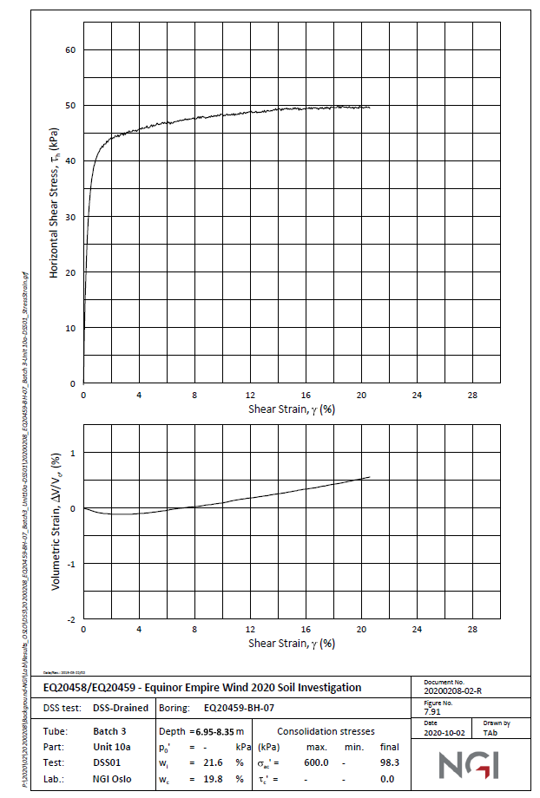
Shearl Strain% | Shear Stress (kPa) | Shear Strain% | Shear Stress (kPa)
0.0422961 | 1.79878 | 0.00 | 0.00 | 0
0 | 4.02116 | 0.00 | 24.31 | 0.1
0.0845921 | 5.60815 | 0.00 | 31.58 | 0.2
0.126888 | 8.35931 | 0.00 | 36.07 | 0.3
0.126888 | 10.6874 | 0.00 | 39.00 | 0.4
0.126888 | 12.5921 | 0.01 | 41.06 | 0.5
0.126888 | 14.8143 | 0.01 | 42.58 | 0.6
0.126888 | 16.8249 | 0.01 | 43.75 | 0.7
0.21148 | 18.5177 | 0.01 | 44.68 | 0.8
0.21148 | 19.9992 | 0.01 | 45.42 | 0.9
0.21148 | 22.4331 | 0.01 | 46.04 | 1
0.296073 | 24.9724 | 0.01 | 46.56 | 1.1
0.338369 | 26.7712 | 0.01 | 47.01 | 1.2
0.380665 | 29.2049 | 0.01 | 47.39 | 1.3
0.422961 | 29.9455 | 0.01 | 47.72 | 1.4
0.422961 | 31.3212 | 0.02 | 48.01 | 1.5
0.465257 | 33.3316 | 0.02 | 48.27 | 1.6
0.549849 | 35.1302 | 0.02 | 48.50 | 1.7
0.634441 | 36.7172 | 0.02 | 48.71 | 1.8
0.719033 | 38.41 | 0.02 | 48.90 | 1.9
0.930514 | 40.1023 | 0.02 | 49.07 | 2
1.18429 | 41.7945 | 0.02 | 49.22 | 2.1
1.81873 | 43.591 | 0.02 | 49.36 | 2.2
2.32628 | 44.4357 | 0.02 | 49.49 | 2.3
3.00302 | 44.9622 | 0.02 | 49.61 | 2.4
3.38369 | 45.1724 | 0.03 | 49.72 | 2.5
4.01813 | 45.8049 | 0.03 | 49.82 | 2.6
4.56798 | 46.0145 | 0.03 | 49.90 | 2.7
4.99094 | 46.2245 | 0.03 | 49.90 | 2.8
 | Lab Data |  | Revised Values as per PLAXIS
0.0422961 | 1.79878 | 0 | 0.00
0 | 4.02116 | 0.1 | 24.31
0.0845921 | 5.60815 | 0.2 | 31.58
0.126888 | 8.35931 | 0.3 | 36.07
0.126888 | 10.6874 | 0.4 | 39.00
0.126888 | 12.5921 | 0.5 | 41.06
0.126888 | 14.8143 | 0.6 | 42.58
0.126888 | 16.8249 | 0.7 | 43.75
0.21148 | 18.5177 | 0.8 | 44.68
0.21148 | 19.9992 | 0.9 | 45.42
0.21148 | 22.4331 | 1 | 46.04
0.296073 | 24.9724 | 1.1 | 46.56
0.338369 | 26.7712 | 1.2 | 47.01
0.380665 | 29.2049 | 1.3 | 47.39
0.422961 | 29.9455 | 1.4 | 47.72
0.422961 | 31.3212 | 1.5 | 48.01
0.465257 | 33.3316 | 1.6 | 48.27
0.549849 | 35.1302 | 1.7 | 48.50
0.634441 | 36.7172 | 1.8 | 48.71
0.719033 | 38.41 | 1.9 | 48.90
0.930514 | 40.1023 | 2 | 49.07
1.18429 | 41.7945 | 2.1 | 49.22
1.81873 | 43.591 | 2.2 | 49.36
2.32628 | 44.4357 | 2.3 | 49.49
3.00302 | 44.9622 | 2.4 | 49.61
3.38369 | 45.1724 | 2.5 | 49.72
4.01813 | 45.8049 | 2.6 | 49.82
4.56798 | 46.0145 | 2.7 | 49.90
4.99094 | 46.2245 | 2.8 | 49.90
5.3716 | 46.6464 | 2.9 | 49.90
6.13293 | 46.9609 | 3 | 49.90
6.80967 | 47.0642 | 3.1 | 49.90
7.44411 | 47.4851 | 3.2 | 49.90
8.07855 | 47.6943 | 3.3 | 49.90
9.00906 | 47.9025 | 3.4 | 49.90
9.7281 | 48.0056 | 3.5 | 49.90
10.4471 | 48.3203 | 3.6 | 49.90
11.1239 | 48.3177 | 3.7 | 49.90
12.0121 | 48.7377 | 3.8 | 49.90
13.0695 | 48.7337 | 3.9 | 49.90
13.8731 | 49.1539 | 4 | 49.90
14.3384 | 49.1522 | 4.1 | 49.90
15.0574 | 49.2553 | 4.2 | 49.90
15.9456 | 49.3577 | 4.3 | 49.90
16.8761 | 49.46 | 4.4 | 49.90
17.8066 | 49.4565 | 4.5 | 49.90
18.6526 | 49.5591 | 4.6 | 49.90
19.4139 | 49.4504 | 4.7 | 49.90
20.3021 | 49.5529 | 4.8 | 49.90
20.6828 | 49.5515 | 4.9 | 49.90
...
5.3716 | 46.6464 | 0.03 | 49.90 | 2.9
6.13293 | 46.9609 | 0.03 | 49.90 | 3
6.80967 | 47.0642 | 0.03 | 49.90 | 3.1
7.44411 | 47.4851 | 0.03 | 49.90 | 3.2
8.07855 | 47.6943 | 0.03 | 49.90 | 3.3
9.00906 | 47.9025 | 0.03 | 49.90 | 3.4
9.7281 | 48.0056 | 0.04 | 49.90 | 3.5
10.4471 | 48.3203 | 0.04 | 49.90 | 3.6
11.1239 | 48.3177 | 0.04 | 49.90 | 3.7
12.0121 | 48.7377 | 0.04 | 49.90 | 3.8
13.0695 | 48.7337 | 0.04 | 49.90 | 3.9
13.8731 | 49.1539 | 0.04 | 49.90 | 4
14.3384 | 49.1522 | 0.04 | 49.90 | 4.1
15.0574 | 49.2553 | 0.04 | 49.90 | 4.2
15.9456 | 49.3577 | 0.04 | 49.90 | 4.3
16.8761 | 49.46 | 0.04 | 49.90 | 4.4
17.8066 | 49.4565 | 0.05 | 49.90 | 4.5
18.6526 | 49.5591 | 0.05 | 49.90 | 4.6
19.4139 | 49.4504 | 0.05 | 49.90 | 4.7
20.3021 | 49.5529 | 0.05 | 49.90 | 4.8
20.6828 | 49.5515 | 0.05 | 49.90 | 4.9
 |  | 0.05 | 49.90 | 5
 |  | 0.05 | 49.90 | 5.1
 |  | 0.05 | 49.90 | 5.2
 |  | 0.05 | 49.90 | 5.3
 |  | 0.05 | 49.90 | 5.4
 |  | 0.06 | 49.90 | 5.5
 |  | 0.06 | 49.90 | 5.6
 |  | 0.06 | 49.90 | 5.7
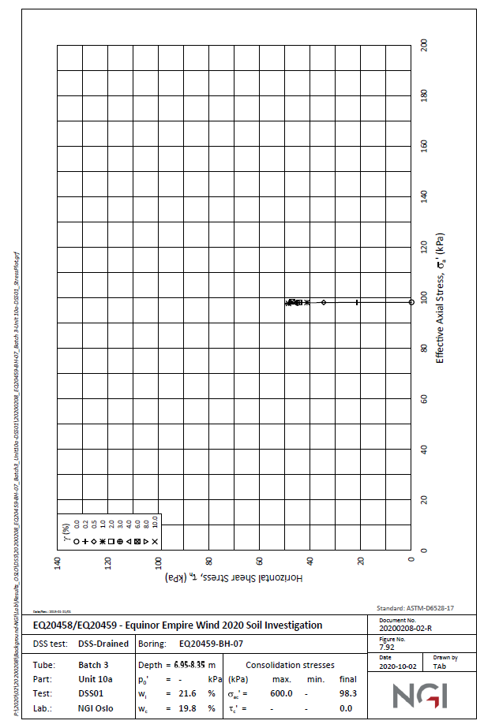
 |  | 0.06 | 49.90 | 5.8
 |  | 0.06 | 49.90 | 5.9
 |  | 0.06 | 49.90 | 6
 |  | 0.06 | 49.90 | 6.1
 |  | 0.06 | 49.90 | 6.2
 |  | 0.06 | 49.90 | 6.3
 |  | 0.06 | 49.90 | 6.4
 |  | 0.07 | 49.90 | 6.5
 |  | 0.07 | 49.90 | 6.6
 |  | 0.07 | 49.90 | 6.7
 |  | 0.07 | 49.90 | 6.8
 |  | 0.07 | 49.90 | 6.9
 |  | 0.07 | 49.90 | 7
 |  | 0.07 | 49.90 | 7.1
 |  | 0.07 | 49.90 | 7.2
 |  | 0.07 | 49.90 | 7.3
 |  | 0.07 | 49.90 | 7.4
 |  | 0.08 | 49.90 | 7.5
 |  | 0.08 | 49.90 | 7.6
 |  | 0.08 | 49.90 | 7.7
 |  | 0.08 | 49.90 | 7.8
 |  | 0.08 | 49.90 | 7.9
 |  | 0.08 | 49.90 | 8
 |  | 0.08 | 49.90 | 8.1
 |  | 0.08 | 49.90 | 8.2
 |  | 0.08 | 49.90 | 8.3
 |  | 0.08 | 49.90 | 8.4
 |  | 0.09 | 49.90 | 8.5
 |  | 0.09 | 49.90 | 8.6
 |  | 0.09 | 49.90 | 8.7
 |  | 0.09 | 49.90 | 8.8
 |  | 0.09 | 49.90 | 8.9
 |  | 0.09 | 49.90 | 9
 |  | 0.09 | 49.90 | 9.1
 |  | 0.09 | 49.90 | 9.2
 |  | 0.09 | 49.90 | 9.3
 |  | 0.09 | 49.90 | 9.4
 |  | 0.10 | 49.90 | 9.5
 |  | 0.10 | 49.90 | 9.6
 |  | 0.10 | 49.90 | 9.7
 |  | 0.10 | 49.90 | 9.8
 |  | 0.10 | 49.90 | 9.9
 |  | 0.10 | 49.90 | 10
 |  | 0.10 | 49.90 | 10.1
 |  | 0.10 | 49.90 | 10.2
 |  | 0.10 | 49.90 | 10.3
 |  | 0.10 | 49.90 | 10.4
 |  | 0.11 | 49.90 | 10.5
 |  | 0.11 | 49.90 | 10.6
 |  | 0.11 | 49.90 | 10.7
 |  | 0.11 | 49.90 | 10.8
 |  | 0.11 | 49.90 | 10.9
 |  | 0.11 | 49.90 | 11
 |  | 0.11 | 49.90 | 11.1
 |  | 0.11 | 49.90 | 11.2
 |  | 0.11 | 49.90 | 11.3
 |  | 0.11 | 49.90 | 11.4
 |  | 0.12 | 49.90 | 11.5
 |  | 0.12 | 49.90 | 11.6
 |  | 0.12 | 49.90 | 11.7
 |  | 0.12 | 49.90 | 11.8
 |  | 0.12 | 49.90 | 11.9
 |  | 0.12 | 49.90 | 12
 |  | 0.12 | 49.90 | 12.1
 |  | 0.12 | 49.90 | 12.2
 |  | 0.12 | 49.90 | 12.3
 |  | 0.12 | 49.90 | 12.4
 |  | 0.13 | 49.90 | 12.5
 |  | 0.13 | 49.90 | 12.6
 |  | 0.13 | 49.90 | 12.7
 |  | 0.13 | 49.90 | 12.8
 |  | 0.13 | 49.90 | 12.9
 |  | 0.13 | 49.90 | 13
 |  | 0.13 | 49.90 | 13.1
 |  | 0.13 | 49.90 | 13.2
 |  | 0.13 | 49.90 | 13.3
 |  | 0.13 | 49.90 | 13.4
 |  | 0.14 | 49.90 | 13.5
 |  | 0.14 | 49.90 | 13.6
 |  | 0.14 | 49.90 | 13.7
 |  | 0.14 | 49.90 | 13.8
 |  | 0.14 | 49.90 | 13.9
 |  | 0.14 | 49.90 | 14
 |  | 0.14 | 49.90 | 14.1
 |  | 0.14 | 49.90 | 14.2
 |  | 0.14 | 49.90 | 14.3
 |  | 0.14 | 49.90 | 14.4
 |  | 0.15 | 49.90 | 14.5
 |  | 0.15 | 49.90 | 14.6
 |  | 0.15 | 49.90 | 14.7
 |  | 0.15 | 49.90 | 14.8
 |  | 0.15 | 49.90 | 14.9
 |  | 0.15 | 49.90 | 15
 |  | 0.15 | 49.90 | 15.1
 |  | 0.15 | 49.90 | 15.2
 |  | 0.15 | 49.90 | 15.3
 |  | 0.15 | 49.90 | 15.4
 |  | 0.16 | 49.90 | 15.5
 |  | 0.16 | 49.90 | 15.6
 |  | 0.16 | 49.90 | 15.7
 |  | 0.16 | 49.90 | 15.8
 |  | 0.16 | 49.90 | 15.9
 |  | 0.16 | 49.90 | 16
 |  | 0.16 | 49.90 | 16.1
 |  | 0.16 | 49.90 | 16.2
 |  | 0.16 | 49.90 | 16.3
 |  | 0.16 | 49.90 | 16.4
 |  | 0.17 | 49.90 | 16.5
 |  | 0.17 | 49.90 | 16.6
 |  | 0.17 | 49.90 | 16.7
 |  | 0.17 | 49.90 | 16.8
 |  | 0.17 | 49.90 | 16.9
 |  | 0.17 | 49.90 | 17
 |  | 0.17 | 49.90 | 17.1
 |  | 0.17 | 49.90 | 17.2
 |  | 0.17 | 49.90 | 17.3
 |  | 0.17 | 49.90 | 17.4
 |  | 0.18 | 49.90 | 17.5
 |  | 0.18 | 49.90 | 17.6
 |  | 0.18 | 49.90 | 17.7
 |  | 0.18 | 49.90 | 17.8
 |  | 0.18 | 49.90 | 17.9
 |  | 0.18 | 49.90 | 18
 |  | 0.18 | 49.90 | 18.1
 |  | 0.18 | 49.90 | 18.2
 |  | 0.18 | 49.90 | 18.3
 |  | 0.18 | 49.90 | 18.4
 |  | 0.19 | 49.90 | 18.5
 |  | 0.19 | 49.90 | 18.6
 |  | 0.19 | 49.90 | 18.7
 |  | 0.19 | 49.90 | 18.8
 |  | 0.19 | 49.90 | 18.9
 |  | 0.19 | 49.90 | 19
 |  | 0.19 | 49.90 | 19.1
 |  | 0.19 | 49.90 | 19.2
 |  | 0.19 | 49.90 | 19.3
 |  | 0.19 | 49.90 | 19.4
 |  | 0.20 | 49.90 | 19.5
 |  | 0.20 | 49.90 | 19.6
 |  | 0.20 | 49.90 | 19.7
 |  | 0.20 | 49.90 | 19.8
 |  | 0.20 | 49.90 | 19.9
 |  | 0.20 | 49.90 | 20

Unit10a_DSS3_BH07
 | Lab Data |  | HSss Model
-0.0408684 | 2.11283 | 0 | 0.00
-0.0390785 | 4.64803 | 0.1 | 24.31
-0.0363192 | 8.55648 | 0.2 | 31.58
-0.0351259 | 10.2466 | 0.3 | 36.07
0.0522787 | 14.0491 | 0.4 | 39.00
0.0969506 | 17.3236 | 0.5 | 41.06
0.18443 | 21.2317 | 0.6 | 42.58
0.186816 | 24.612 | 0.7 | 43.75
0.23201 | 28.6259 | 0.8 | 44.68
0.275563 | 30.3159 | 0.9 | 45.42
0.319415 | 32.4284 | 1 | 46.04
0.321279 | 35.0692 | 1.1 | 46.56
0.407043 | 36.5478 | 1.2 | 47.01
0.450522 | 38.1321 | 1.3 | 47.39
0.536435 | 39.8219 | 1.4 | 47.72
0.537405 | 41.1952 | 1.5 | 48.01
0.580585 | 42.357 | 1.6 | 48.27
0.751814 | 44.8915 | 1.7 | 48.50
0.880013 | 46.4756 | 1.8 | 48.71
1.0505 | 47.9538 | 1.9 | 48.90
1.47536 | 49.748 | 2 | 49.07
1.81499 | 50.803 | 2.1 | 49.22
2.23933 | 51.8577 | 2.2 | 49.36
3.00256 | 52.9112 | 2.3 | 49.49
3.63856 | 53.7539 | 2.4 | 49.61
4.44414 | 54.8072 | 2.5 | 49.72
5.1222 | 55.2272 | 2.6 | 49.82
5.54602 | 55.5425 | 2.7 | 49.90
6.01205 | 55.6463 | 2.8 | 49.90
6.60532 | 55.961 | 2.9 | 49.90
7.28308 | 55.9584 | 3 | 49.90
7.83391 | 56.1676 | 3.1 | 49.90
8.13028 | 55.9552 | 3.2 | 49.90
8.38473 | 56.3768 | 3.3 | 49.90
9.02013 | 56.3744 | 3.4 | 49.90
9.69797 | 56.4775 | 3.5 | 49.90
10.4608 | 57.0028 | 3.6 | 49.90
10.8842 | 56.6843 | 3.7 | 49.90
11.1809 | 57.0001 | 3.8 | 49.90
11.6044 | 56.7872 | 3.9 | 49.90
12.113 | 57.2078 | 4 | 49.90
12.5787 | 56.7835 | 4.1 | 49.90
12.9178 | 57.2048 | 4.2 | 49.90
13.8919 | 56.8842 | 4.3 | 49.90
14.5274 | 56.9874 | 4.4 | 49.90
15.2474 | 56.8791 | 4.5 | 49.90
15.925 | 56.6653 | 4.6 | 49.90
16.4759 | 56.8745 | 4.7 | 49.90
17.1113 | 56.8721 | 4.8 | 49.90
17.8736 | 56.6579 | 4.9 | 49.90
...
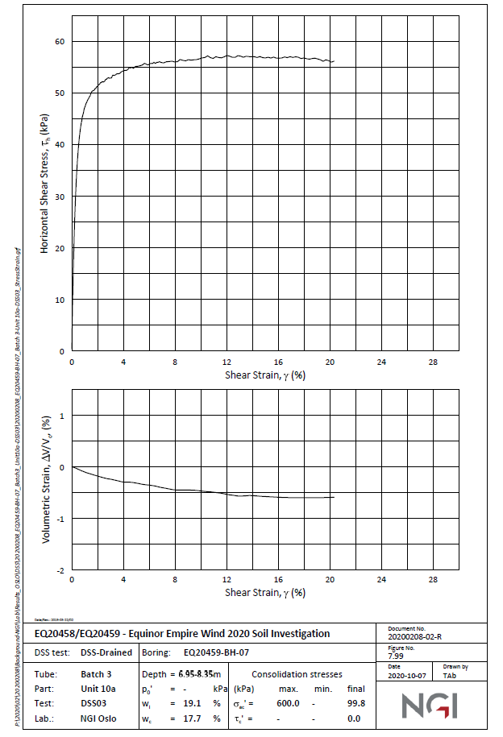
Shearl Strain% | Shear Stress (kPa) | Shear Strain% | Shear Stress (kPa)
-0.0408684 | 2.11283 | 0.00 | 0.00 | 0
-0.0390785 | 4.64803 | 0.00 | 24.31 | 0.1
-0.0363192 | 8.55648 | 0.00 | 31.58 | 0.2
-0.0351259 | 10.2466 | 0.00 | 36.07 | 0.3
0.0522787 | 14.0491 | 0.00 | 39.00 | 0.4
0.0969506 | 17.3236 | 0.01 | 41.06 | 0.5
0.18443 | 21.2317 | 0.01 | 42.58 | 0.6
0.186816 | 24.612 | 0.01 | 43.75 | 0.7
0.23201 | 28.6259 | 0.01 | 44.68 | 0.8
0.275563 | 30.3159 | 0.01 | 45.42 | 0.9
0.319415 | 32.4284 | 0.01 | 46.04 | 1
0.321279 | 35.0692 | 0.01 | 46.56 | 1.1
0.407043 | 36.5478 | 0.01 | 47.01 | 1.2
0.450522 | 38.1321 | 0.01 | 47.39 | 1.3
0.536435 | 39.8219 | 0.01 | 47.72 | 1.4
0.537405 | 41.1952 | 0.02 | 48.01 | 1.5
0.580585 | 42.357 | 0.02 | 48.27 | 1.6
0.751814 | 44.8915 | 0.02 | 48.50 | 1.7
0.880013 | 46.4756 | 0.02 | 48.71 | 1.8
1.0505 | 47.9538 | 0.02 | 48.90 | 1.9
1.47536 | 49.748 | 0.02 | 49.07 | 2
1.81499 | 50.803 | 0.02 | 49.22 | 2.1
2.23933 | 51.8577 | 0.02 | 49.36 | 2.2
3.00256 | 52.9112 | 0.02 | 49.49 | 2.3
3.63856 | 53.7539 | 0.02 | 49.61 | 2.4
4.44414 | 54.8072 | 0.03 | 49.72 | 2.5
5.1222 | 55.2272 | 0.03 | 49.82 | 2.6
5.54602 | 55.5425 | 0.03 | 49.90 | 2.7
6.01205 | 55.6463 | 0.03 | 49.90 | 2.8
 | Lab Data |  | Revised Values as per PLAXIS
-0.0408684 | 2.11283 | 0 | 0.00
-0.0390785 | 4.64803 | 0.1 | 24.31
-0.0363192 | 8.55648 | 0.2 | 31.58
-0.0351259 | 10.2466 | 0.3 | 36.07
0.0522787 | 14.0491 | 0.4 | 39.00
0.0969506 | 17.3236 | 0.5 | 41.06
0.18443 | 21.2317 | 0.6 | 42.58
0.186816 | 24.612 | 0.7 | 43.75
0.23201 | 28.6259 | 0.8 | 44.68
0.275563 | 30.3159 | 0.9 | 45.42
0.319415 | 32.4284 | 1 | 46.04
0.321279 | 35.0692 | 1.1 | 46.56
0.407043 | 36.5478 | 1.2 | 47.01
0.450522 | 38.1321 | 1.3 | 47.39
0.536435 | 39.8219 | 1.4 | 47.72
0.537405 | 41.1952 | 1.5 | 48.01
0.580585 | 42.357 | 1.6 | 48.27
0.751814 | 44.8915 | 1.7 | 48.50
0.880013 | 46.4756 | 1.8 | 48.71
1.0505 | 47.9538 | 1.9 | 48.90
1.47536 | 49.748 | 2 | 49.07
1.81499 | 50.803 | 2.1 | 49.22
2.23933 | 51.8577 | 2.2 | 49.36
3.00256 | 52.9112 | 2.3 | 49.49
3.63856 | 53.7539 | 2.4 | 49.61
4.44414 | 54.8072 | 2.5 | 49.72
5.1222 | 55.2272 | 2.6 | 49.82
5.54602 | 55.5425 | 2.7 | 49.90
6.01205 | 55.6463 | 2.8 | 49.90
6.60532 | 55.961 | 2.9 | 49.90
7.28308 | 55.9584 | 3 | 49.90
7.83391 | 56.1676 | 3.1 | 49.90
8.13028 | 55.9552 | 3.2 | 49.90
8.38473 | 56.3768 | 3.3 | 49.90
9.02013 | 56.3744 | 3.4 | 49.90
9.69797 | 56.4775 | 3.5 | 49.90
10.4608 | 57.0028 | 3.6 | 49.90
10.8842 | 56.6843 | 3.7 | 49.90
11.1809 | 57.0001 | 3.8 | 49.90
11.6044 | 56.7872 | 3.9 | 49.90
12.113 | 57.2078 | 4 | 49.90
12.5787 | 56.7835 | 4.1 | 49.90
12.9178 | 57.2048 | 4.2 | 49.90
13.8919 | 56.8842 | 4.3 | 49.90
14.5274 | 56.9874 | 4.4 | 49.90
15.2474 | 56.8791 | 4.5 | 49.90
15.925 | 56.6653 | 4.6 | 49.90
16.4759 | 56.8745 | 4.7 | 49.90
17.1113 | 56.8721 | 4.8 | 49.90
17.8736 | 56.6579 | 4.9 | 49.90
...
6.60532 | 55.961 | 0.03 | 49.90 | 2.9
7.28308 | 55.9584 | 0.03 | 49.90 | 3
7.83391 | 56.1676 | 0.03 | 49.90 | 3.1
8.13028 | 55.9552 | 0.03 | 49.90 | 3.2
8.38473 | 56.3768 | 0.03 | 49.90 | 3.3
9.02013 | 56.3744 | 0.03 | 49.90 | 3.4
9.69797 | 56.4775 | 0.04 | 49.90 | 3.5
10.4608 | 57.0028 | 0.04 | 49.90 | 3.6
10.8842 | 56.6843 | 0.04 | 49.90 | 3.7
11.1809 | 57.0001 | 0.04 | 49.90 | 3.8
11.6044 | 56.7872 | 0.04 | 49.90 | 3.9
12.113 | 57.2078 | 0.04 | 49.90 | 4
12.5787 | 56.7835 | 0.04 | 49.90 | 4.1
12.9178 | 57.2048 | 0.04 | 49.90 | 4.2
13.8919 | 56.8842 | 0.04 | 49.90 | 4.3
14.5274 | 56.9874 | 0.04 | 49.90 | 4.4
15.2474 | 56.8791 | 0.05 | 49.90 | 4.5
15.925 | 56.6653 | 0.05 | 49.90 | 4.6
16.4759 | 56.8745 | 0.05 | 49.90 | 4.7
17.1113 | 56.8721 | 0.05 | 49.90 | 4.8
17.8736 | 56.6579 | 0.05 | 49.90 | 4.9
18.4242 | 56.5502 | 0.05 | 49.90 | 5
18.9326 | 56.6539 | 0.05 | 49.90 | 5.1
19.4829 | 56.1237 | 0.05 | 49.90 | 5.2
19.6948 | 56.3341 | 0.05 | 49.90 | 5.3
20.1182 | 56.0157 | 0.05 | 49.90 | 5.4
20.3301 | 56.1205 | 0.06 | 49.90 | 5.5
 |  | 0.06 | 49.90 | 5.6
 |  | 0.06 | 49.90 | 5.7
 |  | 0.06 | 49.90 | 5.8
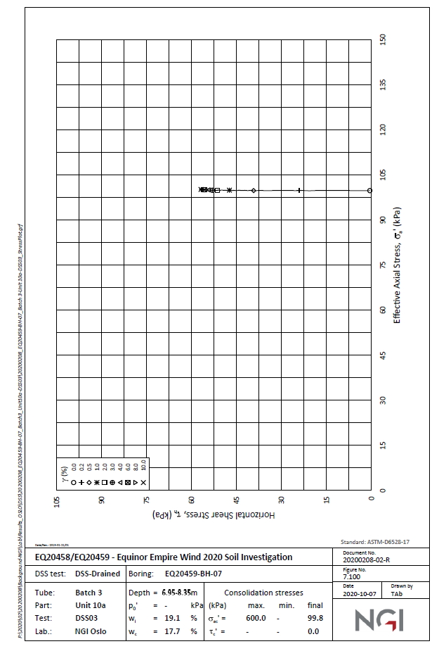
 |  | 0.06 | 49.90 | 5.9
 |  | 0.06 | 49.90 | 6
 |  | 0.06 | 49.90 | 6.1
 |  | 0.06 | 49.90 | 6.2
 |  | 0.06 | 49.90 | 6.3
 |  | 0.06 | 49.90 | 6.4
 |  | 0.07 | 49.90 | 6.5
 |  | 0.07 | 49.90 | 6.6
 |  | 0.07 | 49.90 | 6.7
 |  | 0.07 | 49.90 | 6.8
 |  | 0.07 | 49.90 | 6.9
 |  | 0.07 | 49.90 | 7
 |  | 0.07 | 49.90 | 7.1
 |  | 0.07 | 49.90 | 7.2
 |  | 0.07 | 49.90 | 7.3
 |  | 0.07 | 49.90 | 7.4
 |  | 0.08 | 49.90 | 7.5
 |  | 0.08 | 49.90 | 7.6
 |  | 0.08 | 49.90 | 7.7
 |  | 0.08 | 49.90 | 7.8
 |  | 0.08 | 49.90 | 7.9
 |  | 0.08 | 49.90 | 8
 |  | 0.08 | 49.90 | 8.1
 |  | 0.08 | 49.90 | 8.2
 |  | 0.08 | 49.90 | 8.3
 |  | 0.08 | 49.90 | 8.4
 |  | 0.09 | 49.90 | 8.5
 |  | 0.09 | 49.90 | 8.6
 |  | 0.09 | 49.90 | 8.7
 |  | 0.09 | 49.90 | 8.8
 |  | 0.09 | 49.90 | 8.9
 |  | 0.09 | 49.90 | 9
 |  | 0.09 | 49.90 | 9.1
 |  | 0.09 | 49.90 | 9.2
 |  | 0.09 | 49.90 | 9.3
 |  | 0.09 | 49.90 | 9.4
 |  | 0.10 | 49.90 | 9.5
 |  | 0.10 | 49.90 | 9.6
 |  | 0.10 | 49.90 | 9.7
 |  | 0.10 | 49.90 | 9.8
 |  | 0.10 | 49.90 | 9.9
 |  | 0.10 | 49.90 | 10
 |  | 0.10 | 49.90 | 10.1
 |  | 0.10 | 49.90 | 10.2
 |  | 0.10 | 49.90 | 10.3
 |  | 0.10 | 49.90 | 10.4
 |  | 0.11 | 49.90 | 10.5
 |  | 0.11 | 49.90 | 10.6
 |  | 0.11 | 49.90 | 10.7
 |  | 0.11 | 49.90 | 10.8
 |  | 0.11 | 49.90 | 10.9
 |  | 0.11 | 49.90 | 11
 |  | 0.11 | 49.90 | 11.1
 |  | 0.11 | 49.90 | 11.2
 |  | 0.11 | 49.90 | 11.3
 |  | 0.11 | 49.90 | 11.4
 |  | 0.12 | 49.90 | 11.5
 |  | 0.12 | 49.90 | 11.6
 |  | 0.12 | 49.90 | 11.7
 |  | 0.12 | 49.90 | 11.8
 |  | 0.12 | 49.90 | 11.9
 |  | 0.12 | 49.90 | 12
 |  | 0.12 | 49.90 | 12.1
 |  | 0.12 | 49.90 | 12.2
 |  | 0.12 | 49.90 | 12.3
 |  | 0.12 | 49.90 | 12.4
 |  | 0.13 | 49.90 | 12.5
 |  | 0.13 | 49.90 | 12.6
 |  | 0.13 | 49.90 | 12.7
 |  | 0.13 | 49.90 | 12.8
 |  | 0.13 | 49.90 | 12.9
 |  | 0.13 | 49.90 | 13
 |  | 0.13 | 49.90 | 13.1
 |  | 0.13 | 49.90 | 13.2
 |  | 0.13 | 49.90 | 13.3
 |  | 0.13 | 49.90 | 13.4
 |  | 0.14 | 49.90 | 13.5
 |  | 0.14 | 49.90 | 13.6
 |  | 0.14 | 49.90 | 13.7
 |  | 0.14 | 49.90 | 13.8
 |  | 0.14 | 49.90 | 13.9
 |  | 0.14 | 49.90 | 14
 |  | 0.14 | 49.90 | 14.1
 |  | 0.14 | 49.90 | 14.2
 |  | 0.14 | 49.90 | 14.3
 |  | 0.14 | 49.90 | 14.4
 |  | 0.15 | 49.90 | 14.5
 |  | 0.15 | 49.90 | 14.6
 |  | 0.15 | 49.90 | 14.7
 |  | 0.15 | 49.90 | 14.8
 |  | 0.15 | 49.90 | 14.9
 |  | 0.15 | 49.90 | 15
 |  | 0.15 | 49.90 | 15.1
 |  | 0.15 | 49.90 | 15.2
 |  | 0.15 | 49.90 | 15.3
 |  | 0.15 | 49.90 | 15.4
 |  | 0.16 | 49.90 | 15.5
 |  | 0.16 | 49.90 | 15.6
 |  | 0.16 | 49.90 | 15.7
 |  | 0.16 | 49.90 | 15.8
 |  | 0.16 | 49.90 | 15.9
 |  | 0.16 | 49.90 | 16
 |  | 0.16 | 49.90 | 16.1
 |  | 0.16 | 49.90 | 16.2
 |  | 0.16 | 49.90 | 16.3
 |  | 0.16 | 49.90 | 16.4
 |  | 0.17 | 49.90 | 16.5
 |  | 0.17 | 49.90 | 16.6
 |  | 0.17 | 49.90 | 16.7
 |  | 0.17 | 49.90 | 16.8
 |  | 0.17 | 49.90 | 16.9
 |  | 0.17 | 49.90 | 17
 |  | 0.17 | 49.90 | 17.1
 |  | 0.17 | 49.90 | 17.2
 |  | 0.17 | 49.90 | 17.3
 |  | 0.17 | 49.90 | 17.4
 |  | 0.18 | 49.90 | 17.5
 |  | 0.18 | 49.90 | 17.6
 |  | 0.18 | 49.90 | 17.7
 |  | 0.18 | 49.90 | 17.8
 |  | 0.18 | 49.90 | 17.9
 |  | 0.18 | 49.90 | 18
 |  | 0.18 | 49.90 | 18.1
 |  | 0.18 | 49.90 | 18.2
 |  | 0.18 | 49.90 | 18.3
 |  | 0.18 | 49.90 | 18.4
 |  | 0.19 | 49.90 | 18.5
 |  | 0.19 | 49.90 | 18.6
 |  | 0.19 | 49.90 | 18.7
 |  | 0.19 | 49.90 | 18.8
 |  | 0.19 | 49.90 | 18.9
 |  | 0.19 | 49.90 | 19
 |  | 0.19 | 49.90 | 19.1
 |  | 0.19 | 49.90 | 19.2
 |  | 0.19 | 49.90 | 19.3
 |  | 0.19 | 49.90 | 19.4
 |  | 0.20 | 49.90 | 19.5
 |  | 0.20 | 49.90 | 19.6
 |  | 0.20 | 49.90 | 19.7
 |  | 0.20 | 49.90 | 19.8
 |  | 0.20 | 49.90 | 19.9
 |  | 0.20 | 49.90 | 20

Unit10a_DSS5_BH07
 | Lab Data |  | HSss Model
0 | 0 | 0 | 0.00
0.0439317 | 2.22615 | 0.1 | 24.31
0.00284396 | 4.02827 | 0.2 | 31.58
0.047075 | 6.67845 | 0.3 | 36.07
0.0493951 | 9.96466 | 0.4 | 39.00
0.136136 | 12.8269 | 0.5 | 41.06
0.137633 | 14.947 | 0.6 | 42.58
0.182463 | 18.4452 | 0.7 | 43.75
0.183585 | 20.0353 | 0.8 | 44.68
0.312013 | 21.9435 | 0.9 | 45.42
0.271898 | 25.1237 | 1 | 46.04
0.358264 | 27.4558 | 1.1 | 46.56
0.487216 | 30.106 | 1.2 | 47.01
0.573657 | 32.5442 | 1.3 | 47.39
0.702459 | 34.9823 | 1.4 | 47.72
0.830886 | 36.8905 | 1.5 | 48.01
0.959463 | 39.0106 | 1.6 | 48.27
1.08737 | 40.1767 | 1.7 | 48.50
1.21549 | 41.6608 | 1.8 | 48.71
1.64044 | 43.5689 | 1.9 | 48.90
1.98037 | 45.053 | 2 | 49.07
2.74412 | 46.8551 | 2.1 | 49.22
3.54994 | 48.2332 | 2.2 | 49.36
4.05863 | 48.7633 | 2.3 | 49.49
4.52497 | 49.2933 | 2.4 | 49.61
5.28775 | 49.7173 | 2.5 | 49.72
5.62685 | 50.0353 | 2.6 | 49.82
6.00832 | 50.3534 | 2.7 | 49.90
6.2624 | 50.2473 | 2.8 | 49.90
6.55915 | 50.5654 | 2.9 | 49.90
7.02518 | 50.6714 | 3 | 49.90
7.49129 | 50.8834 | 3.1 | 49.90
7.83025 | 50.9894 | 3.2 | 49.90
7.99984 | 51.2014 | 3.3 | 49.90
8.4658 | 51.2014 | 3.4 | 49.90
8.67783 | 51.5194 | 3.5 | 49.90
9.18622 | 51.6254 | 3.6 | 49.90
9.69484 | 52.0495 | 3.7 | 49.90
9.99114 | 51.7314 | 3.8 | 49.90
10.1609 | 52.1555 | 3.9 | 49.90
10.6268 | 52.0495 | 4 | 49.90
11.1351 | 52.0495 | 4.1 | 49.90
11.6433 | 51.9435 | 4.2 | 49.90
12.0672 | 52.2615 | 4.3 | 49.90
12.4909 | 52.4735 | 4.4 | 49.90
12.7025 | 52.1555 | 4.5 | 49.90
13.338 | 52.3675 | 4.6 | 49.90
13.7195 | 52.6855 | 4.7 | 49.90
14.0584 | 52.6855 | 4.8 | 49.90
14.5243 | 52.6855 | 4.9 | 49.90
...
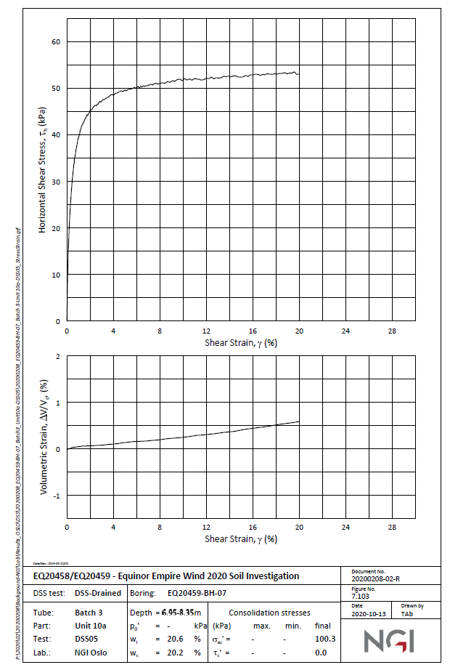
Shearl Strain% | Shear Stress (kPa) | Shear Strain% | Shear Stress (kPa)
0 | 0 | 0.00 | 0.00 | 0
0.0439317 | 2.22615 | 0.00 | 24.31 | 0.1
0.00284396 | 4.02827 | 0.00 | 31.58 | 0.2
0.047075 | 6.67845 | 0.00 | 36.07 | 0.3
0.0493951 | 9.96466 | 0.00 | 39.00 | 0.4
0.136136 | 12.8269 | 0.01 | 41.06 | 0.5
0.137633 | 14.947 | 0.01 | 42.58 | 0.6
0.182463 | 18.4452 | 0.01 | 43.75 | 0.7
0.183585 | 20.0353 | 0.01 | 44.68 | 0.8
0.312013 | 21.9435 | 0.01 | 45.42 | 0.9
0.271898 | 25.1237 | 0.01 | 46.04 | 1
0.358264 | 27.4558 | 0.01 | 46.56 | 1.1
0.487216 | 30.106 | 0.01 | 47.01 | 1.2
0.573657 | 32.5442 | 0.01 | 47.39 | 1.3
0.702459 | 34.9823 | 0.01 | 47.72 | 1.4
0.830886 | 36.8905 | 0.02 | 48.01 | 1.5
0.959463 | 39.0106 | 0.02 | 48.27 | 1.6
1.08737 | 40.1767 | 0.02 | 48.50 | 1.7
1.21549 | 41.6608 | 0.02 | 48.71 | 1.8
1.64044 | 43.5689 | 0.02 | 48.90 | 1.9
1.98037 | 45.053 | 0.02 | 49.07 | 2
2.74412 | 46.8551 | 0.02 | 49.22 | 2.1
3.54994 | 48.2332 | 0.02 | 49.36 | 2.2
4.05863 | 48.7633 | 0.02 | 49.49 | 2.3
4.52497 | 49.2933 | 0.02 | 49.61 | 2.4
5.28775 | 49.7173 | 0.03 | 49.72 | 2.5
5.62685 | 50.0353 | 0.03 | 49.82 | 2.6
6.00832 | 50.3534 | 0.03 | 49.90 | 2.7
6.2624 | 50.2473 | 0.03 | 49.90 | 2.8
 | Lab Data |  | Revised Values as per PLAXIS
0 | 0 | 0 | 0.00
0.0439317 | 2.22615 | 0.1 | 24.31
0.00284396 | 4.02827 | 0.2 | 31.58
0.047075 | 6.67845 | 0.3 | 36.07
0.0493951 | 9.96466 | 0.4 | 39.00
0.136136 | 12.8269 | 0.5 | 41.06
0.137633 | 14.947 | 0.6 | 42.58
0.182463 | 18.4452 | 0.7 | 43.75
0.183585 | 20.0353 | 0.8 | 44.68
0.312013 | 21.9435 | 0.9 | 45.42
0.271898 | 25.1237 | 1 | 46.04
0.358264 | 27.4558 | 1.1 | 46.56
0.487216 | 30.106 | 1.2 | 47.01
0.573657 | 32.5442 | 1.3 | 47.39
0.702459 | 34.9823 | 1.4 | 47.72
0.830886 | 36.8905 | 1.5 | 48.01
0.959463 | 39.0106 | 1.6 | 48.27
1.08737 | 40.1767 | 1.7 | 48.50
1.21549 | 41.6608 | 1.8 | 48.71
1.64044 | 43.5689 | 1.9 | 48.90
1.98037 | 45.053 | 2 | 49.07
2.74412 | 46.8551 | 2.1 | 49.22
3.54994 | 48.2332 | 2.2 | 49.36
4.05863 | 48.7633 | 2.3 | 49.49
4.52497 | 49.2933 | 2.4 | 49.61
5.28775 | 49.7173 | 2.5 | 49.72
5.62685 | 50.0353 | 2.6 | 49.82
6.00832 | 50.3534 | 2.7 | 49.90
6.2624 | 50.2473 | 2.8 | 49.90
6.55915 | 50.5654 | 2.9 | 49.90
7.02518 | 50.6714 | 3 | 49.90
7.49129 | 50.8834 | 3.1 | 49.90
7.83025 | 50.9894 | 3.2 | 49.90
7.99984 | 51.2014 | 3.3 | 49.90
8.4658 | 51.2014 | 3.4 | 49.90
8.67783 | 51.5194 | 3.5 | 49.90
9.18622 | 51.6254 | 3.6 | 49.90
9.69484 | 52.0495 | 3.7 | 49.90
9.99114 | 51.7314 | 3.8 | 49.90
10.1609 | 52.1555 | 3.9 | 49.90
10.6268 | 52.0495 | 4 | 49.90
11.1351 | 52.0495 | 4.1 | 49.90
11.6433 | 51.9435 | 4.2 | 49.90
12.0672 | 52.2615 | 4.3 | 49.90
12.4909 | 52.4735 | 4.4 | 49.90
12.7025 | 52.1555 | 4.5 | 49.90
13.338 | 52.3675 | 4.6 | 49.90
13.7195 | 52.6855 | 4.7 | 49.90
14.0584 | 52.6855 | 4.8 | 49.90
14.5243 | 52.6855 | 4.9 | 49.90
...
6.55915 | 50.5654 | 0.03 | 49.90 | 2.9
7.02518 | 50.6714 | 0.03 | 49.90 | 3
7.49129 | 50.8834 | 0.03 | 49.90 | 3.1
7.83025 | 50.9894 | 0.03 | 49.90 | 3.2
7.99984 | 51.2014 | 0.03 | 49.90 | 3.3
8.4658 | 51.2014 | 0.03 | 49.90 | 3.4
8.67783 | 51.5194 | 0.04 | 49.90 | 3.5
9.18622 | 51.6254 | 0.04 | 49.90 | 3.6
9.69484 | 52.0495 | 0.04 | 49.90 | 3.7
9.99114 | 51.7314 | 0.04 | 49.90 | 3.8
10.1609 | 52.1555 | 0.04 | 49.90 | 3.9
10.6268 | 52.0495 | 0.04 | 49.90 | 4
11.1351 | 52.0495 | 0.04 | 49.90 | 4.1
11.6433 | 51.9435 | 0.04 | 49.90 | 4.2
12.0672 | 52.2615 | 0.04 | 49.90 | 4.3
12.4909 | 52.4735 | 0.04 | 49.90 | 4.4
12.7025 | 52.1555 | 0.05 | 49.90 | 4.5
13.338 | 52.3675 | 0.05 | 49.90 | 4.6
13.7195 | 52.6855 | 0.05 | 49.90 | 4.7
14.0584 | 52.6855 | 0.05 | 49.90 | 4.8
14.5243 | 52.6855 | 0.05 | 49.90 | 4.9
14.9901 | 52.4735 | 0.05 | 49.90 | 5
15.414 | 52.7915 | 0.05 | 49.90 | 5.1
15.6256 | 52.5795 | 0.05 | 49.90 | 5.2
16.0494 | 52.8975 | 0.05 | 49.90 | 5.3
16.3461 | 53.1095 | 0.05 | 49.90 | 5.4
16.7271 | 52.7915 | 0.06 | 49.90 | 5.5
17.278 | 53.1095 | 0.06 | 49.90 | 5.6
17.6169 | 53.1095 | 0.06 | 49.90 | 5.7
17.9982 | 53.2155 | 0.06 | 49.90 | 5.8
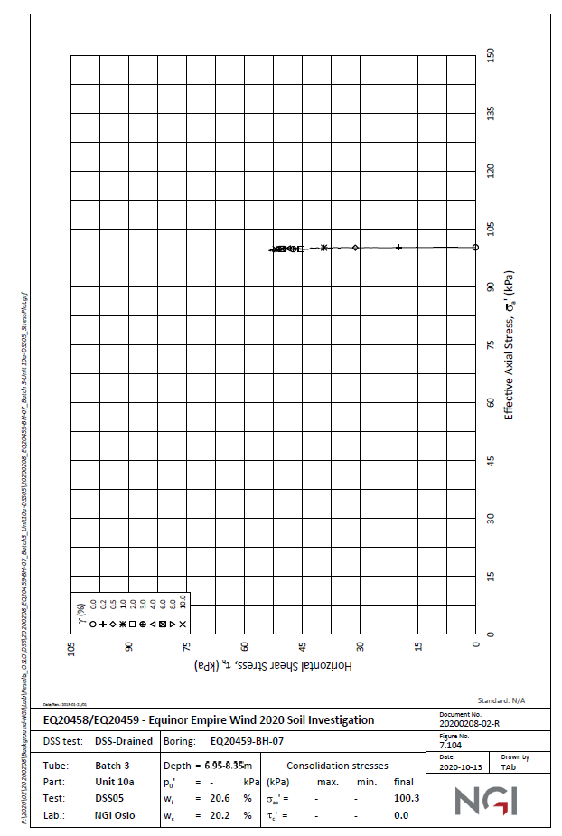
18.5914 | 53.3216 | 0.06 | 49.90 | 5.9
19.0149 | 53.2155 | 0.06 | 49.90 | 6
19.3962 | 53.3216 | 0.06 | 49.90 | 6.1
19.6081 | 53.5336 | 0.06 | 49.90 | 6.2
20.0314 | 53.0035 | 0.06 | 49.90 | 6.3
 |  | 0.06 | 49.90 | 6.4
 |  | 0.07 | 49.90 | 6.5
 |  | 0.07 | 49.90 | 6.6
 |  | 0.07 | 49.90 | 6.7
 |  | 0.07 | 49.90 | 6.8
 |  | 0.07 | 49.90 | 6.9
 |  | 0.07 | 49.90 | 7
 |  | 0.07 | 49.90 | 7.1
 |  | 0.07 | 49.90 | 7.2
 |  | 0.07 | 49.90 | 7.3
 |  | 0.07 | 49.90 | 7.4
 |  | 0.08 | 49.90 | 7.5
 |  | 0.08 | 49.90 | 7.6
 |  | 0.08 | 49.90 | 7.7
 |  | 0.08 | 49.90 | 7.8
 |  | 0.08 | 49.90 | 7.9
 |  | 0.08 | 49.90 | 8
 |  | 0.08 | 49.90 | 8.1
 |  | 0.08 | 49.90 | 8.2
 |  | 0.08 | 49.90 | 8.3
 |  | 0.08 | 49.90 | 8.4
 |  | 0.09 | 49.90 | 8.5
 |  | 0.09 | 49.90 | 8.6
 |  | 0.09 | 49.90 | 8.7
 |  | 0.09 | 49.90 | 8.8
 |  | 0.09 | 49.90 | 8.9
 |  | 0.09 | 49.90 | 9
 |  | 0.09 | 49.90 | 9.1
 |  | 0.09 | 49.90 | 9.2
 |  | 0.09 | 49.90 | 9.3
 |  | 0.09 | 49.90 | 9.4
 |  | 0.10 | 49.90 | 9.5
 |  | 0.10 | 49.90 | 9.6
 |  | 0.10 | 49.90 | 9.7
 |  | 0.10 | 49.90 | 9.8
 |  | 0.10 | 49.90 | 9.9
 |  | 0.10 | 49.90 | 10
 |  | 0.10 | 49.90 | 10.1
 |  | 0.10 | 49.90 | 10.2
 |  | 0.10 | 49.90 | 10.3
 |  | 0.10 | 49.90 | 10.4
 |  | 0.11 | 49.90 | 10.5
 |  | 0.11 | 49.90 | 10.6
 |  | 0.11 | 49.90 | 10.7
 |  | 0.11 | 49.90 | 10.8
 |  | 0.11 | 49.90 | 10.9
 |  | 0.11 | 49.90 | 11
 |  | 0.11 | 49.90 | 11.1
 |  | 0.11 | 49.90 | 11.2
 |  | 0.11 | 49.90 | 11.3
 |  | 0.11 | 49.90 | 11.4
 |  | 0.12 | 49.90 | 11.5
 |  | 0.12 | 49.90 | 11.6
 |  | 0.12 | 49.90 | 11.7
 |  | 0.12 | 49.90 | 11.8
 |  | 0.12 | 49.90 | 11.9
 |  | 0.12 | 49.90 | 12
 |  | 0.12 | 49.90 | 12.1
 |  | 0.12 | 49.90 | 12.2
 |  | 0.12 | 49.90 | 12.3
 |  | 0.12 | 49.90 | 12.4
 |  | 0.13 | 49.90 | 12.5
 |  | 0.13 | 49.90 | 12.6
 |  | 0.13 | 49.90 | 12.7
 |  | 0.13 | 49.90 | 12.8
 |  | 0.13 | 49.90 | 12.9
 |  | 0.13 | 49.90 | 13
 |  | 0.13 | 49.90 | 13.1
 |  | 0.13 | 49.90 | 13.2
 |  | 0.13 | 49.90 | 13.3
 |  | 0.13 | 49.90 | 13.4
 |  | 0.14 | 49.90 | 13.5
 |  | 0.14 | 49.90 | 13.6
 |  | 0.14 | 49.90 | 13.7
 |  | 0.14 | 49.90 | 13.8
 |  | 0.14 | 49.90 | 13.9
 |  | 0.14 | 49.90 | 14
 |  | 0.14 | 49.90 | 14.1
 |  | 0.14 | 49.90 | 14.2
 |  | 0.14 | 49.90 | 14.3
 |  | 0.14 | 49.90 | 14.4
 |  | 0.15 | 49.90 | 14.5
 |  | 0.15 | 49.90 | 14.6
 |  | 0.15 | 49.90 | 14.7
 |  | 0.15 | 49.90 | 14.8
 |  | 0.15 | 49.90 | 14.9
 |  | 0.15 | 49.90 | 15
 |  | 0.15 | 49.90 | 15.1
 |  | 0.15 | 49.90 | 15.2
 |  | 0.15 | 49.90 | 15.3
 |  | 0.15 | 49.90 | 15.4
 |  | 0.16 | 49.90 | 15.5
 |  | 0.16 | 49.90 | 15.6
 |  | 0.16 | 49.90 | 15.7
 |  | 0.16 | 49.90 | 15.8
 |  | 0.16 | 49.90 | 15.9
 |  | 0.16 | 49.90 | 16
 |  | 0.16 | 49.90 | 16.1
 |  | 0.16 | 49.90 | 16.2
 |  | 0.16 | 49.90 | 16.3
 |  | 0.16 | 49.90 | 16.4
 |  | 0.17 | 49.90 | 16.5
 |  | 0.17 | 49.90 | 16.6
 |  | 0.17 | 49.90 | 16.7
 |  | 0.17 | 49.90 | 16.8
 |  | 0.17 | 49.90 | 16.9
 |  | 0.17 | 49.90 | 17
 |  | 0.17 | 49.90 | 17.1
 |  | 0.17 | 49.90 | 17.2
 |  | 0.17 | 49.90 | 17.3
 |  | 0.17 | 49.90 | 17.4
 |  | 0.18 | 49.90 | 17.5
 |  | 0.18 | 49.90 | 17.6
 |  | 0.18 | 49.90 | 17.7
 |  | 0.18 | 49.90 | 17.8
 |  | 0.18 | 49.90 | 17.9
 |  | 0.18 | 49.90 | 18
 |  | 0.18 | 49.90 | 18.1
 |  | 0.18 | 49.90 | 18.2
 |  | 0.18 | 49.90 | 18.3
 |  | 0.18 | 49.90 | 18.4
 |  | 0.19 | 49.90 | 18.5
 |  | 0.19 | 49.90 | 18.6
 |  | 0.19 | 49.90 | 18.7
 |  | 0.19 | 49.90 | 18.8
 |  | 0.19 | 49.90 | 18.9
 |  | 0.19 | 49.90 | 19
 |  | 0.19 | 49.90 | 19.1
 |  | 0.19 | 49.90 | 19.2
 |  | 0.19 | 49.90 | 19.3
 |  | 0.19 | 49.90 | 19.4
 |  | 0.20 | 49.90 | 19.5
 |  | 0.20 | 49.90 | 19.6
 |  | 0.20 | 49.90 | 19.7
 |  | 0.20 | 49.90 | 19.8
 |  | 0.20 | 49.90 | 19.9
 |  | 0.20 | 49.90 | 20

Unit10a_DSS_intact_BH06_7s_1
 | Lab Data |  | Revised Values as per PLAXIS
0.0425221 | 0.528169 | 0 | 0.00
0.129207 | 7.39437 | 0.028 | 9.25
0.257743 | 12.412 | 0.056 | 13.86
0.428951 | 18.4859 | 0.084 | 16.51
0.684979 | 24.8239 | 0.112 | 18.19
1.06701 | 27.2007 | 0.14 | 19.34
1.19495 | 30.1056 | 0.168 | 20.16
1.53482 | 33.2746 | 0.196 | 20.79
1.95945 | 36.4437 | 0.224 | 21.27
2.25636 | 37.5 | 0.252 | 21.66
2.72335 | 40.669 | 0.28 | 21.98
3.23242 | 42.7817 | 0.308 | 22.25
3.91136 | 46.2148 | 0.336 | 22.47
4.50525 | 48.5915 | 0.364 | 22.66
4.75986 | 49.912 | 0.392 | 22.83
5.43835 | 51.7606 | 0.42 | 22.98
5.60836 | 53.6092 | 0.448 | 23.10
6.07484 | 54.9296 | 0.476 | 23.22
6.66888 | 57.8345 | 0.504 | 23.32
7.47449 | 59.6831 | 0.532 | 23.41
8.0683 | 61.7958 | 0.56 | 23.49
8.83169 | 64.1725 | 0.588 | 23.57
9.59507 | 66.5493 | 0.616 | 23.64
10.1038 | 67.6056 | 0.644 | 23.70
10.6976 | 69.4542 | 0.672 | 23.76
11.3761 | 71.3028 | 0.7 | 23.81
12.0121 | 72.8873 | 0.728 | 23.86
12.6055 | 73.4155 | 0.756 | 23.91
13.114 | 73.6796 | 0.784 | 23.95
13.6227 | 74.4718 | 0.812 | 23.99
14.0891 | 75.5282 | 0.84 | 24.03
14.6826 | 76.3204 | 0.868 | 24.06
15.1063 | 76.3204 | 0.896 | 24.09
15.6996 | 76.5845 | 0.924 | 24.12
16.2927 | 76.3204 | 0.952 | 24.15
16.8439 | 77.3768 | 0.98 | 24.18
17.3948 | 77.6408 | 1.008 | 24.21
17.8609 | 77.6408 | 1.036 | 24.23
18.3695 | 78.169 | 1.064 | 24.25
18.7081 | 76.8486 | 1.092 | 24.28
19.1743 | 77.1127 | 1.12 | 24.30
19.8102 | 78.169 | 1.148 | 24.32
20.3186 | 77.9049 | 1.176 | 24.34
20.8695 | 78.169 | 1.204 | 24.34
21.1233 | 76.5845 | 1.232 | 25.41
21.462 | 75.5282 | 1.26 | 25.40
22.14 | 75.5282 | 1.288 | 25.40
22.9028 | 76.0563 | 1.316 | 25.40
23.5807 | 75.7923 | 1.344 | 25.40
23.9621 | 75.7923 | 1.372 | 25.40
...
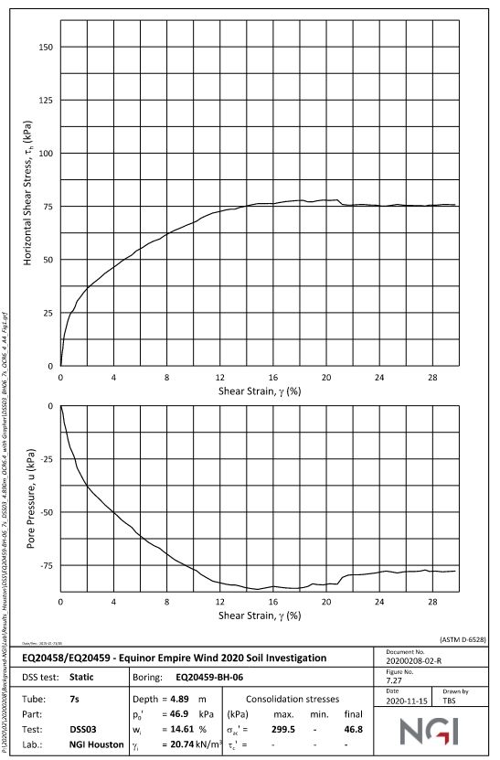
Shearl Strain% | Shear Stress (kPa) | Shear Strain% | Shear Stress (kPa)
0.0425221 | 0.528169 | 0.00 | 0.00 | 0
0.129207 | 7.39437 | 0.00 | 9.25 | 0.028
0.257743 | 12.412 | 0.00 | 13.86 | 0.056
0.428951 | 18.4859 | 0.00 | 16.51 | 0.084
0.684979 | 24.8239 | 0.00 | 18.19 | 0.112
1.06701 | 27.2007 | 0.00 | 19.34 | 0.14
1.19495 | 30.1056 | 0.00 | 20.16 | 0.168
1.53482 | 33.2746 | 0.00 | 20.79 | 0.196
1.95945 | 36.4437 | 0.00 | 21.27 | 0.224
2.25636 | 37.5 | 0.00 | 21.66 | 0.252
2.72335 | 40.669 | 0.00 | 21.98 | 0.28
3.23242 | 42.7817 | 0.00 | 22.25 | 0.308
3.91136 | 46.2148 | 0.00 | 22.47 | 0.336
4.50525 | 48.5915 | 0.00 | 22.66 | 0.364
4.75986 | 49.912 | 0.00 | 22.83 | 0.392
5.43835 | 51.7606 | 0.00 | 22.98 | 0.42
5.60836 | 53.6092 | 0.00 | 23.10 | 0.448 | 46.8
6.07484 | 54.9296 | 0.00 | 23.22 | 0.476
6.66888 | 57.8345 | 0.01 | 23.32 | 0.504
7.47449 | 59.6831 | 0.01 | 23.41 | 0.532
8.0683 | 61.7958 | 0.01 | 23.49 | 0.56
8.83169 | 64.1725 | 0.01 | 23.57 | 0.588
9.59507 | 66.5493 | 0.01 | 23.64 | 0.616
10.1038 | 67.6056 | 0.01 | 23.70 | 0.644
10.6976 | 69.4542 | 0.01 | 23.76 | 0.672
11.3761 | 71.3028 | 0.01 | 23.81 | 0.7
12.0121 | 72.8873 | 0.01 | 23.86 | 0.728
 | Lab Data |  | Revised Values as per PLAXIS
0.0425221 | 0.528169 | 0 | 0.00
0.129207 | 7.39437 | 0.028 | 9.25
0.257743 | 12.412 | 0.056 | 13.86
0.428951 | 18.4859 | 0.084 | 16.51
0.684979 | 24.8239 | 0.112 | 18.19
1.06701 | 27.2007 | 0.14 | 19.34
1.19495 | 30.1056 | 0.168 | 20.16
1.53482 | 33.2746 | 0.196 | 20.79
1.95945 | 36.4437 | 0.224 | 21.27
2.25636 | 37.5 | 0.252 | 21.66
2.72335 | 40.669 | 0.28 | 21.98
3.23242 | 42.7817 | 0.308 | 22.25
3.91136 | 46.2148 | 0.336 | 22.47
4.50525 | 48.5915 | 0.364 | 22.66
4.75986 | 49.912 | 0.392 | 22.83
5.43835 | 51.7606 | 0.42 | 22.98
5.60836 | 53.6092 | 0.448 | 23.10
6.07484 | 54.9296 | 0.476 | 23.22
6.66888 | 57.8345 | 0.504 | 23.32
7.47449 | 59.6831 | 0.532 | 23.41
8.0683 | 61.7958 | 0.56 | 23.49
8.83169 | 64.1725 | 0.588 | 23.57
9.59507 | 66.5493 | 0.616 | 23.64
10.1038 | 67.6056 | 0.644 | 23.70
10.6976 | 69.4542 | 0.672 | 23.76
11.3761 | 71.3028 | 0.7 | 23.81
12.0121 | 72.8873 | 0.728 | 23.86
12.6055 | 73.4155 | 0.756 | 23.91
13.114 | 73.6796 | 0.784 | 23.95
13.6227 | 74.4718 | 0.812 | 23.99
14.0891 | 75.5282 | 0.84 | 24.03
14.6826 | 76.3204 | 0.868 | 24.06
15.1063 | 76.3204 | 0.896 | 24.09
15.6996 | 76.5845 | 0.924 | 24.12
16.2927 | 76.3204 | 0.952 | 24.15
16.8439 | 77.3768 | 0.98 | 24.18
17.3948 | 77.6408 | 1.008 | 24.21
17.8609 | 77.6408 | 1.036 | 24.23
18.3695 | 78.169 | 1.064 | 24.25
18.7081 | 76.8486 | 1.092 | 24.28
19.1743 | 77.1127 | 1.12 | 24.30
19.8102 | 78.169 | 1.148 | 24.32
20.3186 | 77.9049 | 1.176 | 24.34
20.8695 | 78.169 | 1.204 | 24.34
21.1233 | 76.5845 | 1.232 | 25.41
21.462 | 75.5282 | 1.26 | 25.40
22.14 | 75.5282 | 1.288 | 25.40
22.9028 | 76.0563 | 1.316 | 25.40
23.5807 | 75.7923 | 1.344 | 25.40
23.9621 | 75.7923 | 1.372 | 25.40
...
12.6055 | 73.4155 | 0.01 | 23.91 | 0.756
13.114 | 73.6796 | 0.01 | 23.95 | 0.784
13.6227 | 74.4718 | 0.01 | 23.99 | 0.812
14.0891 | 75.5282 | 0.01 | 24.03 | 0.84
14.6826 | 76.3204 | 0.01 | 24.06 | 0.868
15.1063 | 76.3204 | 0.01 | 24.09 | 0.896
15.6996 | 76.5845 | 0.01 | 24.12 | 0.924
16.2927 | 76.3204 | 0.01 | 24.15 | 0.952
16.8439 | 77.3768 | 0.01 | 24.18 | 0.98
17.3948 | 77.6408 | 0.01 | 24.21 | 1.008
17.8609 | 77.6408 | 0.01 | 24.23 | 1.036
18.3695 | 78.169 | 0.01 | 24.25 | 1.064
18.7081 | 76.8486 | 0.01 | 24.28 | 1.092
19.1743 | 77.1127 | 0.01 | 24.30 | 1.12
19.8102 | 78.169 | 0.01 | 24.32 | 1.148
20.3186 | 77.9049 | 0.01 | 24.34 | 1.176
20.8695 | 78.169 | 0.01 | 24.34 | 1.204
21.1233 | 76.5845 | 0.01 | 25.41 | 1.232
21.462 | 75.5282 | 0.01 | 25.40 | 1.26
22.14 | 75.5282 | 0.01 | 25.40 | 1.288
22.9028 | 76.0563 | 0.01 | 25.40 | 1.316
23.5807 | 75.7923 | 0.01 | 25.40 | 1.344
23.9621 | 75.7923 | 0.01 | 25.40 | 1.372
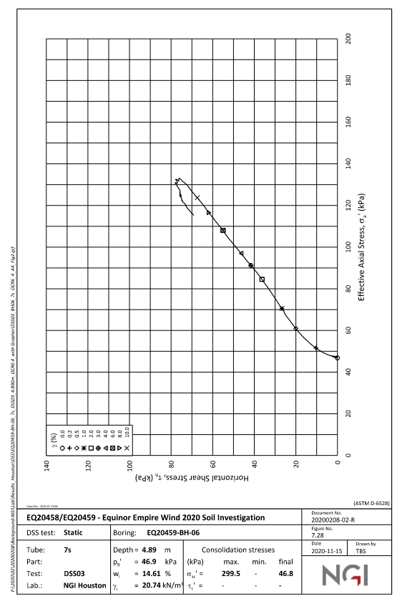
24.3433 | 75.2641 | 0.01 | 25.40 | 1.4
24.8942 | 75.5282 | 0.01 | 25.40 | 1.428
25.3606 | 76.5845 | 0.01 | 25.40 | 1.456
25.657 | 75.7923 | 0.01 | 25.40 | 1.484
26.5891 | 75.5282 | 0.02 | 25.40 | 1.512
27.1822 | 75 | 0.02 | 25.40 | 1.54
28.0298 | 75.5282 | 0.02 | 25.40 | 1.568
29.513 | 76.0563 | 0.02 | 25.40 | 1.596
 |  | 0.02 | 25.40 | 1.624
 |  | 0.02 | 25.40 | 1.652
 |  | 0.02 | 25.40 | 1.68
 |  | 0.02 | 25.40 | 1.708
 |  | 0.02 | 25.40 | 1.736
 |  | 0.02 | 25.40 | 1.764
 |  | 0.02 | 25.40 | 1.792
 |  | 0.02 | 25.40 | 1.82
 |  | 0.02 | 25.40 | 1.848
 |  | 0.02 | 25.40 | 1.876
 |  | 0.02 | 25.40 | 1.904
 |  | 0.02 | 25.40 | 1.932
 |  | 0.02 | 25.40 | 1.96
 |  | 0.02 | 25.40 | 1.988
 |  | 0.02 | 25.40 | 2.016
 |  | 0.02 | 25.40 | 2.044
 |  | 0.02 | 25.40 | 2.072
 |  | 0.02 | 25.40 | 2.1
 |  | 0.02 | 25.40 | 2.128
 |  | 0.02 | 25.40 | 2.156
 |  | 0.02 | 25.40 | 2.184
 |  | 0.02 | 25.40 | 2.212
 |  | 0.02 | 25.40 | 2.24
 |  | 0.02 | 25.40 | 2.268
 |  | 0.02 | 25.40 | 2.296
 |  | 0.02 | 25.40 | 2.324
 |  | 0.02 | 25.40 | 2.352
 |  | 0.02 | 25.40 | 2.38
 |  | 0.02 | 25.40 | 2.408
 |  | 0.02 | 25.40 | 2.436
 |  | 0.02 | 25.40 | 2.464
 |  | 0.02 | 25.40 | 2.492
 |  | 0.03 | 25.40 | 2.52
 |  | 0.03 | 25.40 | 2.548
 |  | 0.03 | 25.40 | 2.576
 |  | 0.03 | 25.40 | 2.604
 |  | 0.03 | 25.40 | 2.632
 |  | 0.03 | 25.40 | 2.66
 |  | 0.03 | 25.40 | 2.688
 |  | 0.03 | 25.40 | 2.716
 |  | 0.03 | 25.40 | 2.744
 |  | 0.03 | 25.40 | 2.772
 |  | 0.03 | 25.40 | 2.8
 |  | 0.03 | 25.40 | 2.828
 |  | 0.03 | 25.40 | 2.856
 |  | 0.03 | 25.40 | 2.884
 |  | 0.03 | 25.40 | 2.912
 |  | 0.03 | 25.40 | 2.94
 |  | 0.03 | 25.40 | 2.968
 |  | 0.03 | 25.40 | 2.996
 |  | 0.03 | 25.40 | 3.024
 |  | 0.03 | 25.40 | 3.052
 |  | 0.03 | 25.40 | 3.08
 |  | 0.03 | 25.40 | 3.108
 |  | 0.03 | 25.40 | 3.136
 |  | 0.03 | 25.40 | 3.164
 |  | 0.03 | 25.40 | 3.192
 |  | 0.03 | 25.40 | 3.22
 |  | 0.03 | 25.40 | 3.248
 |  | 0.03 | 25.40 | 3.276
 |  | 0.03 | 25.40 | 3.304
 |  | 0.03 | 25.40 | 3.332
 |  | 0.03 | 25.40 | 3.36
 |  | 0.03 | 25.40 | 3.388
 |  | 0.03 | 25.40 | 3.416
 |  | 0.03 | 25.40 | 3.444
 |  | 0.03 | 25.40 | 3.472
 |  | 0.04 | 25.40 | 3.5
 |  | 0.04 | 25.40 | 3.528
 |  | 0.04 | 25.40 | 3.556
 |  | 0.04 | 25.40 | 3.584
 |  | 0.04 | 25.40 | 3.612
 |  | 0.04 | 25.40 | 3.64
 |  | 0.04 | 25.40 | 3.668
 |  | 0.04 | 25.40 | 3.696
 |  | 0.04 | 25.40 | 3.724
 |  | 0.04 | 25.40 | 3.752
 |  | 0.04 | 25.40 | 3.78
 |  | 0.04 | 25.40 | 3.808
 |  | 0.04 | 25.40 | 3.836
 |  | 0.04 | 25.40 | 3.864
 |  | 0.04 | 25.40 | 3.892
 |  | 0.04 | 25.40 | 3.92
 |  | 0.04 | 25.40 | 3.948
 |  | 0.04 | 25.40 | 3.976
 |  | 0.04 | 25.40 | 4.004
 |  | 0.04 | 25.40 | 4.032
 |  | 0.04 | 25.40 | 4.06
 |  | 0.04 | 25.40 | 4.088
 |  | 0.04 | 25.40 | 4.116
 |  | 0.04 | 25.40 | 4.144
 |  | 0.04 | 25.40 | 4.172
 |  | 0.04 | 25.40 | 4.2
 |  | 0.04 | 25.40 | 4.228
 |  | 0.04 | 25.40 | 4.256
 |  | 0.04 | 25.40 | 4.284
 |  | 0.04 | 25.40 | 4.312
 |  | 0.04 | 25.40 | 4.34
 |  | 0.04 | 25.40 | 4.368
 |  | 0.04 | 25.40 | 4.396
 |  | 0.04 | 25.40 | 4.424
 |  | 0.04 | 25.40 | 4.452
 |  | 0.04 | 25.40 | 4.48
 |  | 0.05 | 25.40 | 4.508
 |  | 0.05 | 25.40 | 4.536
 |  | 0.05 | 25.40 | 4.564
 |  | 0.05 | 25.40 | 4.592
 |  | 0.05 | 25.40 | 4.62
 |  | 0.05 | 25.40 | 4.648
 |  | 0.05 | 25.40 | 4.676
 |  | 0.05 | 25.40 | 4.704
 |  | 0.05 | 25.40 | 4.732
 |  | 0.05 | 25.40 | 4.76
 |  | 0.05 | 25.40 | 4.788
 |  | 0.05 | 25.40 | 4.816
 |  | 0.05 | 25.40 | 4.844
 |  | 0.05 | 25.40 | 4.872
 |  | 0.05 | 25.40 | 4.9
 |  | 0.05 | 25.40 | 4.928
 |  | 0.05 | 25.40 | 4.956
 |  | 0.05 | 25.40 | 4.984
 |  | 0.05 | 25.40 | 5.012
 |  | 0.05 | 25.40 | 5.04
 |  | 0.05 | 25.40 | 5.068
 |  | 0.05 | 25.40 | 5.096
 |  | 0.05 | 25.40 | 5.124
 |  | 0.05 | 25.40 | 5.152
 |  | 0.05 | 25.40 | 5.18
 |  | 0.05 | 25.40 | 5.208
 |  | 0.05 | 25.40 | 5.236
 |  | 0.05 | 25.40 | 5.264
 |  | 0.05 | 25.40 | 5.292
 |  | 0.05 | 25.40 | 5.32
 |  | 0.05 | 25.40 | 5.348
 |  | 0.05 | 25.40 | 5.376
 |  | 0.05 | 25.40 | 5.404
 |  | 0.05 | 25.40 | 5.432
 |  | 0.05 | 25.40 | 5.46
 |  | 0.05 | 25.40 | 5.488
 |  | 0.06 | 25.40 | 5.516
 |  | 0.06 | 25.40 | 5.544
 |  | 0.06 | 25.40 | 5.572
 |  | 0.06 | 25.40 | 5.6
 |  | 0.06 | 25.40 | 5.628
 |  | 0.06 | 25.40 | 5.656
 |  | 0.06 | 25.40 | 5.684
 |  | 0.06 | 25.40 | 5.712
 |  | 0.06 | 25.40 | 5.74
 |  | 0.06 | 25.40 | 5.768
 |  | 0.06 | 25.40 | 5.796
 |  | 0.06 | 25.40 | 5.824
 |  | 0.06 | 25.40 | 5.852
 |  | 0.06 | 25.40 | 5.88
 |  | 0.06 | 25.40 | 5.908
 |  | 0.06 | 25.40 | 5.936
 |  | 0.06 | 25.40 | 5.964
 |  | 0.06 | 25.40 | 5.992
 |  | 0.06 | 25.40 | 6.02
 |  | 0.06 | 25.40 | 6.048
 |  | 0.06 | 25.40 | 6.076
 |  | 0.06 | 25.40 | 6.104
 |  | 0.06 | 25.40 | 6.132
 |  | 0.06 | 25.40 | 6.16
 |  | 0.06 | 25.40 | 6.188
 |  | 0.06 | 25.40 | 6.216
 |  | 0.06 | 25.40 | 6.244
 |  | 0.06 | 25.40 | 6.272
 |  | 0.06 | 25.40 | 6.3
 |  | 0.06 | 25.40 | 6.328
 |  | 0.06 | 25.40 | 6.356
 |  | 0.06 | 25.40 | 6.384
 |  | 0.06 | 25.40 | 6.412
 |  | 0.06 | 25.40 | 6.44
 |  | 0.06 | 25.40 | 6.468
 |  | 0.06 | 25.40 | 6.496
 |  | 0.07 | 25.40 | 6.524
 |  | 0.07 | 25.40 | 6.552
 |  | 0.07 | 25.40 | 6.58
 |  | 0.07 | 25.40 | 6.608
 |  | 0.07 | 25.40 | 6.636
 |  | 0.07 | 25.40 | 6.664
 |  | 0.07 | 25.40 | 6.692
 |  | 0.07 | 25.40 | 6.72
 |  | 0.07 | 25.40 | 6.748
 |  | 0.07 | 25.40 | 6.776
 |  | 0.07 | 25.40 | 6.804
 |  | 0.07 | 25.40 | 6.832
 |  | 0.07 | 25.40 | 6.86
 |  | 0.07 | 25.40 | 6.888
 |  | 0.07 | 25.40 | 6.916
 |  | 0.07 | 25.40 | 6.944
 |  | 0.07 | 25.40 | 6.972
 |  | 0.07 | 25.40 | 7
 |  | 0.07 | 25.40 | 7.028
 |  | 0.07 | 25.40 | 7.056
 |  | 0.07 | 25.40 | 7.084
 |  | 0.07 | 25.40 | 7.112
 |  | 0.07 | 25.40 | 7.14
 |  | 0.07 | 25.40 | 7.168
 |  | 0.07 | 25.40 | 7.196
 |  | 0.07 | 25.40 | 7.224
 |  | 0.07 | 25.40 | 7.252
 |  | 0.07 | 25.40 | 7.28
 |  | 0.07 | 25.40 | 7.308
 |  | 0.07 | 25.40 | 7.336
 |  | 0.07 | 25.40 | 7.364
 |  | 0.07 | 25.40 | 7.392
 |  | 0.07 | 25.40 | 7.42
 |  | 0.07 | 25.40 | 7.448
 |  | 0.07 | 25.40 | 7.476
 |  | 0.08 | 25.40 | 7.504
 |  | 0.08 | 25.40 | 7.532
 |  | 0.08 | 25.40 | 7.56
 |  | 0.08 | 25.40 | 7.588
 |  | 0.08 | 25.40 | 7.616
 |  | 0.08 | 25.40 | 7.644
 |  | 0.08 | 25.40 | 7.672
 |  | 0.08 | 25.40 | 7.7
 |  | 0.08 | 25.40 | 7.728
 |  | 0.08 | 25.40 | 7.756
 |  | 0.08 | 25.40 | 7.784
 |  | 0.08 | 25.40 | 7.812
 |  | 0.08 | 25.40 | 7.84
 |  | 0.08 | 25.40 | 7.868
 |  | 0.08 | 25.40 | 7.896
 |  | 0.08 | 25.40 | 7.924
 |  | 0.08 | 25.40 | 7.952
 |  | 0.08 | 25.40 | 7.98
 |  | 0.08 | 25.40 | 8.008
 |  | 0.08 | 25.40 | 8.036
 |  | 0.08 | 25.40 | 8.064
 |  | 0.08 | 25.40 | 8.092
 |  | 0.08 | 25.40 | 8.12
 |  | 0.08 | 25.40 | 8.148
 |  | 0.08 | 25.40 | 8.176
 |  | 0.08 | 25.40 | 8.204
 |  | 0.08 | 25.40 | 8.232
 |  | 0.08 | 25.40 | 8.26
 |  | 0.08 | 25.40 | 8.288
 |  | 0.08 | 25.40 | 8.316
 |  | 0.08 | 25.40 | 8.344
 |  | 0.08 | 25.40 | 8.372
 |  | 0.08 | 25.40 | 8.4
 |  | 0.08 | 25.40 | 8.428
 |  | 0.08 | 25.40 | 8.456
 |  | 0.08 | 25.40 | 8.484
 |  | 0.09 | 25.40 | 8.512
 |  | 0.09 | 25.40 | 8.54
 |  | 0.09 | 25.40 | 8.568
 |  | 0.09 | 25.40 | 8.596
 |  | 0.09 | 25.40 | 8.624
 |  | 0.09 | 25.40 | 8.652
 |  | 0.09 | 25.40 | 8.68
 |  | 0.09 | 25.40 | 8.708
 |  | 0.09 | 25.40 | 8.736
 |  | 0.09 | 25.40 | 8.764
 |  | 0.09 | 25.40 | 8.792
 |  | 0.09 | 25.40 | 8.82
 |  | 0.09 | 25.40 | 8.848
 |  | 0.09 | 25.40 | 8.876
 |  | 0.09 | 25.40 | 8.904
 |  | 0.09 | 25.40 | 8.932
 |  | 0.09 | 25.40 | 8.96
 |  | 0.09 | 25.40 | 8.988
 |  | 0.09 | 25.40 | 9.016
 |  | 0.09 | 25.40 | 9.044
 |  | 0.09 | 25.40 | 9.072
 |  | 0.09 | 25.40 | 9.1
 |  | 0.09 | 25.40 | 9.128
 |  | 0.09 | 25.40 | 9.156
 |  | 0.09 | 25.40 | 9.184
 |  | 0.09 | 25.40 | 9.212
 |  | 0.09 | 25.40 | 9.24
 |  | 0.09 | 25.40 | 9.268
 |  | 0.09 | 25.40 | 9.296
 |  | 0.09 | 25.40 | 9.324
 |  | 0.09 | 25.40 | 9.352
 |  | 0.09 | 25.40 | 9.38
 |  | 0.09 | 25.40 | 9.408
 |  | 0.09 | 25.40 | 9.436
 |  | 0.09 | 25.40 | 9.464
 |  | 0.09 | 25.40 | 9.492
 |  | 0.10 | 25.40 | 9.52
 |  | 0.10 | 25.40 | 9.548
 |  | 0.10 | 25.40 | 9.576
 |  | 0.10 | 25.40 | 9.604
 |  | 0.10 | 25.40 | 9.632
 |  | 0.10 | 25.40 | 9.66
 |  | 0.10 | 25.40 | 9.688
 |  | 0.10 | 25.40 | 9.716
 |  | 0.10 | 25.40 | 9.744
 |  | 0.10 | 25.40 | 9.772
 |  | 0.10 | 25.40 | 9.8
 |  | 0.10 | 25.40 | 9.828
 |  | 0.10 | 25.40 | 9.856
 |  | 0.10 | 25.40 | 9.884
 |  | 0.10 | 25.40 | 9.912
 |  | 0.10 | 25.40 | 9.94
 |  | 0.10 | 25.40 | 9.968
 |  | 0.10 | 25.40 | 9.996
 |  | 0.10 | 25.40 | 10.024
 |  | 0.10 | 25.40 | 10.052
 |  | 0.10 | 25.40 | 10.08
 |  | 0.10 | 25.40 | 10.108
 |  | 0.10 | 25.40 | 10.136
 |  | 0.10 | 25.40 | 10.164
 |  | 0.10 | 25.40 | 10.192
 |  | 0.10 | 25.40 | 10.22
 |  | 0.10 | 25.40 | 10.248
 |  | 0.10 | 25.40 | 10.276
 |  | 0.10 | 25.40 | 10.304
 |  | 0.10 | 25.40 | 10.332
 |  | 0.10 | 25.40 | 10.36
 |  | 0.10 | 25.40 | 10.388
 |  | 0.10 | 25.40 | 10.416
 |  | 0.10 | 25.40 | 10.444
 |  | 0.10 | 25.40 | 10.472
 |  | 0.11 | 25.40 | 10.5
 |  | 0.11 | 25.40 | 10.528
 |  | 0.11 | 25.40 | 10.556
 |  | 0.11 | 25.40 | 10.584
 |  | 0.11 | 25.40 | 10.612
 |  | 0.11 | 25.40 | 10.64
 |  | 0.11 | 25.40 | 10.668
 |  | 0.11 | 25.40 | 10.696
 |  | 0.11 | 25.40 | 10.724
 |  | 0.11 | 25.40 | 10.752
 |  | 0.11 | 25.40 | 10.78
 |  | 0.11 | 25.40 | 10.808
 |  | 0.11 | 25.40 | 10.836
 |  | 0.11 | 25.40 | 10.864
 |  | 0.11 | 25.40 | 10.892
 |  | 0.11 | 25.40 | 10.92
 |  | 0.11 | 25.40 | 10.948
 |  | 0.11 | 25.40 | 10.976
 |  | 0.11 | 25.40 | 11.004
 |  | 0.11 | 25.40 | 11.032
 |  | 0.11 | 25.40 | 11.06
 |  | 0.11 | 25.40 | 11.088
 |  | 0.11 | 25.40 | 11.116
 |  | 0.11 | 25.40 | 11.144
 |  | 0.11 | 25.40 | 11.172
 |  | 0.11 | 25.40 | 11.2
 |  | 0.11 | 25.40 | 11.228
 |  | 0.11 | 25.40 | 11.256
 |  | 0.11 | 25.40 | 11.284
 |  | 0.11 | 25.40 | 11.312
 |  | 0.11 | 25.40 | 11.34
 |  | 0.11 | 25.40 | 11.368
 |  | 0.11 | 25.40 | 11.396
 |  | 0.11 | 25.40 | 11.424
 |  | 0.11 | 25.40 | 11.452
 |  | 0.11 | 25.40 | 11.48
 |  | 0.12 | 25.40 | 11.508
 |  | 0.12 | 25.40 | 11.536
 |  | 0.12 | 25.40 | 11.564
 |  | 0.12 | 25.40 | 11.592
 |  | 0.12 | 25.40 | 11.62
 |  | 0.12 | 25.40 | 11.648
 |  | 0.12 | 25.40 | 11.676
 |  | 0.12 | 25.40 | 11.704
 |  | 0.12 | 25.40 | 11.732
 |  | 0.12 | 25.40 | 11.76
 |  | 0.12 | 25.40 | 11.788
 |  | 0.12 | 25.40 | 11.816
 |  | 0.12 | 25.40 | 11.844
 |  | 0.12 | 25.40 | 11.872
 |  | 0.12 | 25.40 | 11.9
 |  | 0.12 | 25.40 | 11.928
 |  | 0.12 | 25.40 | 11.956
 |  | 0.12 | 25.40 | 11.984
 |  | 0.12 | 25.40 | 12.012
 |  | 0.12 | 25.40 | 12.04
 |  | 0.12 | 25.40 | 12.068
 |  | 0.12 | 25.40 | 12.096
 |  | 0.12 | 25.40 | 12.124
 |  | 0.12 | 25.40 | 12.152
 |  | 0.12 | 25.40 | 12.18
 |  | 0.12 | 25.40 | 12.208
 |  | 0.12 | 25.40 | 12.236
 |  | 0.12 | 25.40 | 12.264
 |  | 0.12 | 25.40 | 12.292
 |  | 0.12 | 25.40 | 12.32
 |  | 0.12 | 25.40 | 12.348
 |  | 0.12 | 25.40 | 12.376
 |  | 0.12 | 25.40 | 12.404
 |  | 0.12 | 25.40 | 12.432
 |  | 0.12 | 25.40 | 12.46
 |  | 0.12 | 25.40 | 12.488
 |  | 0.13 | 25.40 | 12.516
 |  | 0.13 | 25.40 | 12.544
 |  | 0.13 | 25.40 | 12.572
 |  | 0.13 | 25.40 | 12.6
 |  | 0.13 | 25.40 | 12.628
 |  | 0.13 | 25.40 | 12.656
 |  | 0.13 | 25.40 | 12.684
 |  | 0.13 | 25.40 | 12.712
 |  | 0.13 | 25.40 | 12.74
 |  | 0.13 | 25.40 | 12.768
 |  | 0.13 | 25.40 | 12.796
 |  | 0.13 | 25.40 | 12.824
 |  | 0.13 | 25.40 | 12.852
 |  | 0.13 | 25.40 | 12.88
 |  | 0.13 | 25.40 | 12.908
 |  | 0.13 | 25.40 | 12.936
 |  | 0.13 | 25.40 | 12.964
 |  | 0.13 | 25.40 | 12.992
 |  | 0.13 | 25.40 | 13.02
 |  | 0.13 | 25.40 | 13.048
 |  | 0.13 | 25.40 | 13.076
 |  | 0.13 | 25.40 | 13.104
 |  | 0.13 | 25.40 | 13.132
 |  | 0.13 | 25.40 | 13.16
 |  | 0.13 | 25.40 | 13.188
 |  | 0.13 | 25.40 | 13.216
 |  | 0.13 | 25.40 | 13.244
 |  | 0.13 | 25.40 | 13.272
 |  | 0.13 | 25.40 | 13.3
 |  | 0.13 | 25.40 | 13.328
 |  | 0.13 | 25.40 | 13.356
 |  | 0.13 | 25.40 | 13.384
 |  | 0.13 | 25.40 | 13.412
 |  | 0.13 | 25.40 | 13.44
 |  | 0.13 | 25.40 | 13.468
 |  | 0.13 | 25.40 | 13.496
 |  | 0.14 | 25.40 | 13.524
 |  | 0.14 | 25.40 | 13.552
 |  | 0.14 | 25.40 | 13.58
 |  | 0.14 | 25.40 | 13.608
 |  | 0.14 | 25.40 | 13.636
 |  | 0.14 | 25.40 | 13.664
 |  | 0.14 | 25.40 | 13.692
 |  | 0.14 | 25.40 | 13.72
 |  | 0.14 | 25.40 | 13.748
 |  | 0.14 | 25.40 | 13.776
 |  | 0.14 | 25.40 | 13.804
 |  | 0.14 | 25.40 | 13.832
 |  | 0.14 | 25.40 | 13.86
 |  | 0.14 | 25.40 | 13.888
 |  | 0.14 | 25.40 | 13.916
 |  | 0.14 | 25.40 | 13.944
 |  | 0.14 | 25.40 | 13.972
 |  | 0.14 | 25.40 | 14
 |  | 0.14 | 25.40 | 14.028
 |  | 0.14 | 25.40 | 14.056
 |  | 0.14 | 25.40 | 14.084
 |  | 0.14 | 25.40 | 14.112
 |  | 0.14 | 25.40 | 14.14
 |  | 0.14 | 25.40 | 14.168
 |  | 0.14 | 25.40 | 14.196
 |  | 0.14 | 25.40 | 14.224
 |  | 0.14 | 25.40 | 14.252
 |  | 0.14 | 25.40 | 14.28
 |  | 0.14 | 25.40 | 14.308
 |  | 0.14 | 25.40 | 14.336
 |  | 0.14 | 25.40 | 14.364
 |  | 0.14 | 25.40 | 14.392
 |  | 0.14 | 25.40 | 14.42
 |  | 0.14 | 25.40 | 14.448
 |  | 0.14 | 25.40 | 14.476
 |  | 0.15 | 25.40 | 14.504
 |  | 0.15 | 25.40 | 14.532
 |  | 0.15 | 25.40 | 14.56
 |  | 0.15 | 25.40 | 14.588
 |  | 0.15 | 25.40 | 14.616
 |  | 0.15 | 25.40 | 14.644
 |  | 0.15 | 25.40 | 14.672
 |  | 0.15 | 25.40 | 14.7
 |  | 0.15 | 25.40 | 14.728
 |  | 0.15 | 25.40 | 14.756
 |  | 0.15 | 25.40 | 14.784
 |  | 0.15 | 25.40 | 14.812
 |  | 0.15 | 25.40 | 14.84
 |  | 0.15 | 25.40 | 14.868
 |  | 0.15 | 25.40 | 14.896
 |  | 0.15 | 25.40 | 14.924
 |  | 0.15 | 25.40 | 14.952
 |  | 0.15 | 25.40 | 14.98
 |  | 0.15 | 25.40 | 15.008
 |  | 0.15 | 25.40 | 15.036
 |  | 0.15 | 25.40 | 15.064
 |  | 0.15 | 25.40 | 15.092
 |  | 0.15 | 25.40 | 15.12
 |  | 0.15 | 25.40 | 15.148
 |  | 0.15 | 25.40 | 15.176
 |  | 0.15 | 25.40 | 15.204
 |  | 0.15 | 25.40 | 15.232
 |  | 0.15 | 25.40 | 15.26
 |  | 0.15 | 25.40 | 15.288
 |  | 0.15 | 25.40 | 15.316
 |  | 0.15 | 25.40 | 15.344
 |  | 0.15 | 25.40 | 15.372
 |  | 0.15 | 25.40 | 15.4
 |  | 0.15 | 25.40 | 15.428
 |  | 0.15 | 25.40 | 15.456
 |  | 0.15 | 25.40 | 15.484
 |  | 0.16 | 25.40 | 15.512
 |  | 0.16 | 25.40 | 15.54
 |  | 0.16 | 25.40 | 15.568
 |  | 0.16 | 25.40 | 15.596
 |  | 0.16 | 25.40 | 15.624
 |  | 0.16 | 25.40 | 15.652
 |  | 0.16 | 25.40 | 15.68
 |  | 0.16 | 25.40 | 15.708
 |  | 0.16 | 25.40 | 15.736
 |  | 0.16 | 25.40 | 15.764
 |  | 0.16 | 25.40 | 15.792
 |  | 0.16 | 25.40 | 15.82
 |  | 0.16 | 25.40 | 15.848
 |  | 0.16 | 25.40 | 15.876
 |  | 0.16 | 25.40 | 15.904
 |  | 0.16 | 25.40 | 15.932
 |  | 0.16 | 25.40 | 15.96
 |  | 0.16 | 25.40 | 15.988
 |  | 0.16 | 25.40 | 16.016
 |  | 0.16 | 25.40 | 16.044
 |  | 0.16 | 25.40 | 16.072
 |  | 0.16 | 25.40 | 16.1
 |  | 0.16 | 25.40 | 16.128
 |  | 0.16 | 25.40 | 16.156
 |  | 0.16 | 25.40 | 16.184
 |  | 0.16 | 25.40 | 16.212
 |  | 0.16 | 25.40 | 16.24
 |  | 0.16 | 25.40 | 16.268
 |  | 0.16 | 25.40 | 16.296
 |  | 0.16 | 25.40 | 16.324
 |  | 0.16 | 25.40 | 16.352
 |  | 0.16 | 25.40 | 16.38
 |  | 0.16 | 25.40 | 16.408
 |  | 0.16 | 25.40 | 16.436
 |  | 0.16 | 25.40 | 16.464
 |  | 0.16 | 25.40 | 16.492
 |  | 0.17 | 25.40 | 16.52
 |  | 0.17 | 25.40 | 16.548
 |  | 0.17 | 25.40 | 16.576
 |  | 0.17 | 25.40 | 16.604
 |  | 0.17 | 25.40 | 16.632
 |  | 0.17 | 25.40 | 16.66
 |  | 0.17 | 25.40 | 16.688
 |  | 0.17 | 25.40 | 16.716
 |  | 0.17 | 25.40 | 16.744
 |  | 0.17 | 25.40 | 16.772
 |  | 0.17 | 25.40 | 16.8
 |  | 0.17 | 25.40 | 16.828
 |  | 0.17 | 25.40 | 16.856
 |  | 0.17 | 25.40 | 16.884
 |  | 0.17 | 25.40 | 16.912
 |  | 0.17 | 25.40 | 16.94
 |  | 0.17 | 25.40 | 16.968
 |  | 0.17 | 25.40 | 16.996
 |  | 0.17 | 25.40 | 17.024
 |  | 0.17 | 25.40 | 17.052
 |  | 0.17 | 25.40 | 17.08
 |  | 0.17 | 25.40 | 17.108
 |  | 0.17 | 25.40 | 17.136
 |  | 0.17 | 25.40 | 17.164
 |  | 0.17 | 25.40 | 17.192
 |  | 0.17 | 25.40 | 17.22
 |  | 0.17 | 25.40 | 17.248
 |  | 0.17 | 25.40 | 17.276
 |  | 0.17 | 25.40 | 17.304
 |  | 0.17 | 25.40 | 17.332
 |  | 0.17 | 25.40 | 17.36
 |  | 0.17 | 25.40 | 17.388
 |  | 0.17 | 25.40 | 17.416
 |  | 0.17 | 25.40 | 17.444
 |  | 0.17 | 25.40 | 17.472
 |  | 0.18 | 25.40 | 17.5
 |  | 0.18 | 25.40 | 17.528
 |  | 0.18 | 25.40 | 17.556
 |  | 0.18 | 25.40 | 17.584
 |  | 0.18 | 25.40 | 17.612
 |  | 0.18 | 25.40 | 17.64
 |  | 0.18 | 25.40 | 17.668
 |  | 0.18 | 25.40 | 17.696
 |  | 0.18 | 25.40 | 17.724
 |  | 0.18 | 25.40 | 17.752
 |  | 0.18 | 25.40 | 17.78
 |  | 0.18 | 25.40 | 17.808
 |  | 0.18 | 25.40 | 17.836
 |  | 0.18 | 25.40 | 17.864
 |  | 0.18 | 25.40 | 17.892
 |  | 0.18 | 25.40 | 17.92
 |  | 0.18 | 25.40 | 17.948
 |  | 0.18 | 25.40 | 17.976
 |  | 0.18 | 25.40 | 18.004
 |  | 0.18 | 25.40 | 18.032
 |  | 0.18 | 25.40 | 18.06
 |  | 0.18 | 25.40 | 18.088
 |  | 0.18 | 25.40 | 18.116
 |  | 0.18 | 25.40 | 18.144
 |  | 0.18 | 25.40 | 18.172
 |  | 0.18 | 25.40 | 18.2
 |  | 0.18 | 25.40 | 18.228
 |  | 0.18 | 25.40 | 18.256
 |  | 0.18 | 25.40 | 18.284
 |  | 0.18 | 25.40 | 18.312
 |  | 0.18 | 25.40 | 18.34
 |  | 0.18 | 25.40 | 18.368
 |  | 0.18 | 25.40 | 18.396
 |  | 0.18 | 25.40 | 18.424
 |  | 0.18 | 25.40 | 18.452
 |  | 0.18 | 25.40 | 18.48
 |  | 0.19 | 25.40 | 18.508
 |  | 0.19 | 25.40 | 18.536
 |  | 0.19 | 25.40 | 18.564
 |  | 0.19 | 25.40 | 18.592
 |  | 0.19 | 25.40 | 18.62
 |  | 0.19 | 25.40 | 18.648
 |  | 0.19 | 25.40 | 18.676
 |  | 0.19 | 25.40 | 18.704
 |  | 0.19 | 25.40 | 18.732
 |  | 0.19 | 25.40 | 18.76
 |  | 0.19 | 25.40 | 18.788
 |  | 0.19 | 25.40 | 18.816
 |  | 0.19 | 25.40 | 18.844
 |  | 0.19 | 25.40 | 18.872
 |  | 0.19 | 25.40 | 18.9
 |  | 0.19 | 25.40 | 18.928
 |  | 0.19 | 25.40 | 18.956
 |  | 0.19 | 25.40 | 18.984
 |  | 0.19 | 25.40 | 19.012
 |  | 0.19 | 25.40 | 19.04
 |  | 0.19 | 25.40 | 19.068
 |  | 0.19 | 25.40 | 19.096
 |  | 0.19 | 25.40 | 19.124
 |  | 0.19 | 25.40 | 19.152
 |  | 0.19 | 25.40 | 19.18
 |  | 0.19 | 25.40 | 19.208
 |  | 0.19 | 25.40 | 19.236
 |  | 0.19 | 25.40 | 19.264
 |  | 0.19 | 25.40 | 19.292
 |  | 0.19 | 25.40 | 19.32
 |  | 0.19 | 25.40 | 19.348
 |  | 0.19 | 25.40 | 19.376
 |  | 0.19 | 25.40 | 19.404
 |  | 0.19 | 25.40 | 19.432
 |  | 0.19 | 25.40 | 19.46
 |  | 0.19 | 25.40 | 19.488
 |  | 0.20 | 25.40 | 19.516
 |  | 0.20 | 25.40 | 19.544
 |  | 0.20 | 25.40 | 19.572
 |  | 0.20 | 25.40 | 19.6
 |  | 0.20 | 25.40 | 19.628
 |  | 0.20 | 25.40 | 19.656
 |  | 0.20 | 25.40 | 19.684
 |  | 0.20 | 25.40 | 19.712
 |  | 0.20 | 25.40 | 19.74
 |  | 0.20 | 25.40 | 19.768
 |  | 0.20 | 25.40 | 19.796
 |  | 0.20 | 25.40 | 19.824
 |  | 0.20 | 25.40 | 19.852
 |  | 0.20 | 25.40 | 19.88
 |  | 0.20 | 25.40 | 19.908
 |  | 0.20 | 25.40 | 19.936
 |  | 0.20 | 25.40 | 19.964
 |  | 0.20 | 25.40 | 19.992
 |  | 0.20 | 25.40 | 20.02
 |  | 0.20 | 25.40 | 20.048
 |  | 0.20 | 25.40 | 20.076
 |  | 0.20 | 25.40 | 20.104
 |  | 0.20 | 25.40 | 20.132
 |  | 0.20 | 25.40 | 20.16
 |  | 0.20 | 25.40 | 20.188
 |  | 0.20 | 25.40 | 20.216
 |  | 0.20 | 25.40 | 20.244
 |  | 0.20 | 25.40 | 20.272
 |  | 0.20 | 25.40 | 20.3
 |  | 0.20 | 25.40 | 20.328
 |  | 0.20 | 25.40 | 20.356
 |  | 0.20 | 25.40 | 20.384
 |  | 0.20 | 25.40 | 20.412
 |  | 0.20 | 25.40 | 20.44
 |  | 0.20 | 25.40 | 20.468
 |  | 0.20 | 25.40 | 20.496
 |  | 0.21 | 25.40 | 20.524
 |  | 0.21 | 25.40 | 20.552
 |  | 0.21 | 25.40 | 20.58
 |  | 0.21 | 25.40 | 20.608
 |  | 0.21 | 25.40 | 20.636
 |  | 0.21 | 25.40 | 20.664
 |  | 0.21 | 25.40 | 20.692
 |  | 0.21 | 25.40 | 20.72
 |  | 0.21 | 25.40 | 20.748
 |  | 0.21 | 25.40 | 20.776
 |  | 0.21 | 25.40 | 20.804
 |  | 0.21 | 25.40 | 20.832
 |  | 0.21 | 25.40 | 20.86
 |  | 0.21 | 25.40 | 20.888
 |  | 0.21 | 25.40 | 20.916
 |  | 0.21 | 25.40 | 20.944
 |  | 0.21 | 25.40 | 20.972
 |  | 0.21 | 25.40 | 21
 |  | 0.21 | 25.40 | 21.028
 |  | 0.21 | 25.40 | 21.056
 |  | 0.21 | 25.40 | 21.084
 |  | 0.21 | 25.40 | 21.112
 |  | 0.21 | 25.40 | 21.14
 |  | 0.21 | 25.40 | 21.168
 |  | 0.21 | 25.40 | 21.196
 |  | 0.21 | 25.40 | 21.224
 |  | 0.21 | 25.40 | 21.252
 |  | 0.21 | 25.40 | 21.28
 |  | 0.21 | 25.40 | 21.308
 |  | 0.21 | 25.40 | 21.336
 |  | 0.21 | 25.40 | 21.364
 |  | 0.21 | 25.40 | 21.392
 |  | 0.21 | 25.40 | 21.42
 |  | 0.21 | 25.40 | 21.448
 |  | 0.21 | 25.40 | 21.476
 |  | 0.22 | 25.40 | 21.504
 |  | 0.22 | 25.40 | 21.532
 |  | 0.22 | 25.40 | 21.56
 |  | 0.22 | 25.40 | 21.588
 |  | 0.22 | 25.40 | 21.616
 |  | 0.22 | 25.40 | 21.644
 |  | 0.22 | 25.40 | 21.672
 |  | 0.22 | 25.40 | 21.7
 |  | 0.22 | 25.40 | 21.728
 |  | 0.22 | 25.40 | 21.756
 |  | 0.22 | 25.40 | 21.784
 |  | 0.22 | 25.40 | 21.812
 |  | 0.22 | 25.40 | 21.84
 |  | 0.22 | 25.40 | 21.868
 |  | 0.22 | 25.40 | 21.896
 |  | 0.22 | 25.40 | 21.924
 |  | 0.22 | 25.40 | 21.952
 |  | 0.22 | 25.40 | 21.98
 |  | 0.22 | 25.40 | 22.008
 |  | 0.22 | 25.40 | 22.036
 |  | 0.22 | 25.40 | 22.064
 |  | 0.22 | 25.40 | 22.092
 |  | 0.22 | 25.40 | 22.12
 |  | 0.22 | 25.40 | 22.148
 |  | 0.22 | 25.40 | 22.176
 |  | 0.22 | 25.40 | 22.204
 |  | 0.22 | 25.40 | 22.232
 |  | 0.22 | 25.40 | 22.26
 |  | 0.22 | 25.40 | 22.288
 |  | 0.22 | 25.40 | 22.316
 |  | 0.22 | 25.40 | 22.344
 |  | 0.22 | 25.40 | 22.372
 |  | 0.22 | 25.40 | 22.4
 |  | 0.22 | 25.40 | 22.428
 |  | 0.22 | 25.40 | 22.456
 |  | 0.22 | 25.40 | 22.484
 |  | 0.23 | 25.40 | 22.512
 |  | 0.23 | 25.40 | 22.54
 |  | 0.23 | 25.40 | 22.568
 |  | 0.23 | 25.40 | 22.596
 |  | 0.23 | 25.40 | 22.624
 |  | 0.23 | 25.40 | 22.652
 |  | 0.23 | 25.40 | 22.68
 |  | 0.23 | 25.40 | 22.708
 |  | 0.23 | 25.40 | 22.736
 |  | 0.23 | 25.40 | 22.764
 |  | 0.23 | 25.40 | 22.792
 |  | 0.23 | 25.40 | 22.82
 |  | 0.23 | 25.40 | 22.848
 |  | 0.23 | 25.40 | 22.876
 |  | 0.23 | 25.40 | 22.904
 |  | 0.23 | 25.40 | 22.932
 |  | 0.23 | 25.40 | 22.96
 |  | 0.23 | 25.40 | 22.988
 |  | 0.23 | 25.40 | 23.016
 |  | 0.23 | 25.40 | 23.044
 |  | 0.23 | 25.40 | 23.072
 |  | 0.23 | 25.40 | 23.1
 |  | 0.23 | 25.40 | 23.128
 |  | 0.23 | 25.40 | 23.156
 |  | 0.23 | 25.40 | 23.184
 |  | 0.23 | 25.40 | 23.212
 |  | 0.23 | 25.40 | 23.24
 |  | 0.23 | 25.40 | 23.268
 |  | 0.23 | 25.40 | 23.296
 |  | 0.23 | 25.40 | 23.324
 |  | 0.23 | 25.40 | 23.352
 |  | 0.23 | 25.40 | 23.38
 |  | 0.23 | 25.40 | 23.408
 |  | 0.23 | 25.40 | 23.436
 |  | 0.23 | 25.40 | 23.464
 |  | 0.23 | 25.40 | 23.492
 |  | 0.24 | 25.40 | 23.52
 |  | 0.24 | 25.40 | 23.548
 |  | 0.24 | 25.40 | 23.576
 |  | 0.24 | 25.40 | 23.604
 |  | 0.24 | 25.40 | 23.632
 |  | 0.24 | 25.40 | 23.66
 |  | 0.24 | 25.40 | 23.688
 |  | 0.24 | 25.40 | 23.716
 |  | 0.24 | 25.40 | 23.744
 |  | 0.24 | 25.40 | 23.772
 |  | 0.24 | 25.40 | 23.8
 |  | 0.24 | 25.40 | 23.828
 |  | 0.24 | 25.40 | 23.856
 |  | 0.24 | 25.40 | 23.884
 |  | 0.24 | 25.40 | 23.912
 |  | 0.24 | 25.40 | 23.94
 |  | 0.24 | 25.40 | 23.968
 |  | 0.24 | 25.40 | 23.996
 |  | 0.24 | 25.40 | 24.024
 |  | 0.24 | 25.40 | 24.052
 |  | 0.24 | 25.40 | 24.08
 |  | 0.24 | 25.40 | 24.108
 |  | 0.24 | 25.40 | 24.136
 |  | 0.24 | 25.40 | 24.164
 |  | 0.24 | 25.40 | 24.192
 |  | 0.24 | 25.40 | 24.22
 |  | 0.24 | 25.40 | 24.248
 |  | 0.24 | 25.40 | 24.276
 |  | 0.24 | 25.40 | 24.304
 |  | 0.24 | 25.40 | 24.332
 |  | 0.24 | 25.40 | 24.36
 |  | 0.24 | 25.40 | 24.388
 |  | 0.24 | 25.40 | 24.416
 |  | 0.24 | 25.40 | 24.444
 |  | 0.24 | 25.40 | 24.472
 |  | 0.25 | 25.40 | 24.5
 |  | 0.25 | 25.40 | 24.528
 |  | 0.25 | 25.40 | 24.556
 |  | 0.25 | 25.40 | 24.584
 |  | 0.25 | 25.40 | 24.612
 |  | 0.25 | 25.40 | 24.64
 |  | 0.25 | 25.40 | 24.668
 |  | 0.25 | 25.40 | 24.696
 |  | 0.25 | 25.40 | 24.724
 |  | 0.25 | 25.40 | 24.752
 |  | 0.25 | 25.40 | 24.78
 |  | 0.25 | 25.40 | 24.808
 |  | 0.25 | 25.40 | 24.836
 |  | 0.25 | 25.40 | 24.864
 |  | 0.25 | 25.40 | 24.892
 |  | 0.25 | 25.40 | 24.92
 |  | 0.25 | 25.40 | 24.948
 |  | 0.25 | 25.40 | 24.976
 |  | 0.25 | 25.40 | 25.004
 |  | 0.25 | 25.40 | 25.032
 |  | 0.25 | 25.40 | 25.06
 |  | 0.25 | 25.40 | 25.088
 |  | 0.25 | 25.40 | 25.116
 |  | 0.25 | 25.40 | 25.144
 |  | 0.25 | 25.40 | 25.172
 |  | 0.25 | 25.40 | 25.2
 |  | 0.25 | 25.40 | 25.228
 |  | 0.25 | 25.40 | 25.256
 |  | 0.25 | 25.40 | 25.284
 |  | 0.25 | 25.40 | 25.312
 |  | 0.25 | 25.40 | 25.34
 |  | 0.25 | 25.40 | 25.368
 |  | 0.25 | 25.40 | 25.396
 |  | 0.25 | 25.40 | 25.424
 |  | 0.25 | 25.40 | 25.452
 |  | 0.25 | 25.40 | 25.48
 |  | 0.26 | 25.40 | 25.508
 |  | 0.26 | 25.40 | 25.536
 |  | 0.26 | 25.40 | 25.564
 |  | 0.26 | 25.40 | 25.592
 |  | 0.26 | 25.40 | 25.62
 |  | 0.26 | 25.40 | 25.648
 |  | 0.26 | 25.40 | 25.676
 |  | 0.26 | 25.40 | 25.704
 |  | 0.26 | 25.40 | 25.732
 |  | 0.26 | 25.40 | 25.76
 |  | 0.26 | 25.40 | 25.788
 |  | 0.26 | 25.40 | 25.816
 |  | 0.26 | 25.40 | 25.844
 |  | 0.26 | 25.40 | 25.872
 |  | 0.26 | 25.40 | 25.9
 |  | 0.26 | 25.40 | 25.928
 |  | 0.26 | 25.40 | 25.956
 |  | 0.26 | 25.40 | 25.984
 |  | 0.26 | 25.40 | 26.012
 |  | 0.26 | 25.40 | 26.04
 |  | 0.26 | 25.40 | 26.068
 |  | 0.26 | 25.40 | 26.096
 |  | 0.26 | 25.40 | 26.124
 |  | 0.26 | 25.40 | 26.152
 |  | 0.26 | 25.40 | 26.18
 |  | 0.26 | 25.40 | 26.208
 |  | 0.26 | 25.40 | 26.236
 |  | 0.26 | 25.40 | 26.264
 |  | 0.26 | 25.40 | 26.292
 |  | 0.26 | 25.40 | 26.32
 |  | 0.26 | 25.40 | 26.348
 |  | 0.26 | 25.40 | 26.376
 |  | 0.26 | 25.40 | 26.404
 |  | 0.26 | 25.40 | 26.432
 |  | 0.26 | 25.40 | 26.46
 |  | 0.26 | 25.40 | 26.488
 |  | 0.27 | 25.40 | 26.516
 |  | 0.27 | 25.40 | 26.544
 |  | 0.27 | 25.40 | 26.572
 |  | 0.27 | 25.40 | 26.6
 |  | 0.27 | 25.40 | 26.628
 |  | 0.27 | 25.40 | 26.656
 |  | 0.27 | 25.40 | 26.684
 |  | 0.27 | 25.40 | 26.712
 |  | 0.27 | 25.40 | 26.74
 |  | 0.27 | 25.40 | 26.768
 |  | 0.27 | 25.40 | 26.796
 |  | 0.27 | 25.40 | 26.824
 |  | 0.27 | 25.40 | 26.852
 |  | 0.27 | 25.40 | 26.88
 |  | 0.27 | 25.40 | 26.908
 |  | 0.27 | 25.40 | 26.936
 |  | 0.27 | 25.40 | 26.964
 |  | 0.27 | 25.40 | 26.992
 |  | 0.27 | 25.40 | 27.02
 |  | 0.27 | 25.40 | 27.048
 |  | 0.27 | 25.40 | 27.076
 |  | 0.27 | 25.40 | 27.104
 |  | 0.27 | 25.40 | 27.132
 |  | 0.27 | 25.40 | 27.16
 |  | 0.27 | 25.40 | 27.188
 |  | 0.27 | 25.40 | 27.216
 |  | 0.27 | 25.40 | 27.244
 |  | 0.27 | 25.40 | 27.272
 |  | 0.27 | 25.40 | 27.3
 |  | 0.27 | 25.40 | 27.328
 |  | 0.27 | 25.40 | 27.356
 |  | 0.27 | 25.40 | 27.384
 |  | 0.27 | 25.40 | 27.412
 |  | 0.27 | 25.40 | 27.44
 |  | 0.27 | 25.40 | 27.468
 |  | 0.27 | 25.40 | 27.496
 |  | 0.28 | 25.40 | 27.524
 |  | 0.28 | 25.40 | 27.552
 |  | 0.28 | 25.40 | 27.58
 |  | 0.28 | 25.40 | 27.608
 |  | 0.28 | 25.40 | 27.636
 |  | 0.28 | 25.40 | 27.664
 |  | 0.28 | 25.40 | 27.692
 |  | 0.28 | 25.40 | 27.72
 |  | 0.28 | 25.40 | 27.748
 |  | 0.28 | 25.40 | 27.776
 |  | 0.28 | 25.40 | 27.804
 |  | 0.28 | 25.40 | 27.832
 |  | 0.28 | 25.40 | 27.86
 |  | 0.28 | 25.40 | 27.888
 |  | 0.28 | 25.40 | 27.916
 |  | 0.28 | 25.40 | 27.944
 |  | 0.28 | 25.40 | 27.972
 |  | 0.28 | 25.40 | 28

Unit10a_DSS2_BH07
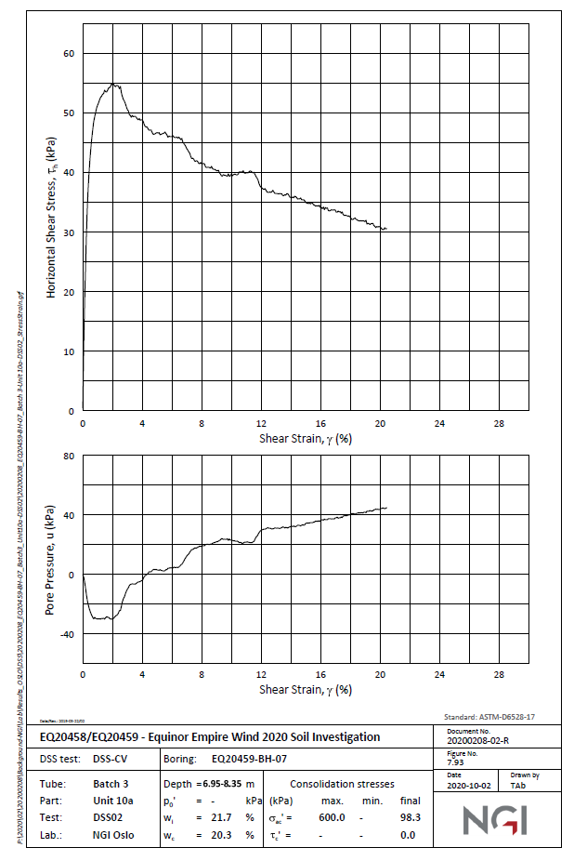
 | Lab Data |  | Revised Values as per PLAXIS
0.0422961 | 1.06007 | 0 | 0.00
0.0845921 | 4.876 | 0.025 | 0.71
0.0422961 | 7.95053 | 0.05 | 5.73
0.0845921 | 11.3424 | 0.075 | 10.57
0.126888 | 15.2644 | 0.1 | 14.47
0.126888 | 18.5506 | 0.125 | 16.45
0.21148 | 21.8362 | 0.15 | 17.99
0.296073 | 25.0157 | 0.175 | 19.10
0.296073 | 29.8921 | 0.2 | 19.89
0.338369 | 33.178 | 0.225 | 20.45
0.380665 | 34.8738 | 0.25 | 20.84
0.380665 | 38.372 | 0.275 | 21.11
0.507553 | 40.1732 | 0.3 | 21.30
0.549849 | 42.505 | 0.325 | 21.43
0.592145 | 44.9428 | 0.35 | 21.51
0.719033 | 47.592 | 0.375 | 21.57
0.803625 | 48.8635 | 0.4 | 21.61
0.888218 | 50.0289 | 0.425 | 21.64
1.0574 | 51.6178 | 0.45 | 21.66
1.39577 | 53.5233 | 0.475 | 21.67
1.64955 | 53.7334 | 0.5 | 21.67
1.90332 | 55.1096 | 0.525 | 21.68
2.49547 | 54.3631 | 0.55 | 21.68
2.74924 | 52.665 | 0.575 | 21.68
3.12991 | 49.6939 | 0.6 | 21.67
3.84894 | 49.0524 | 0.625 | 21.67
4.22961 | 47.5655 | 0.65 | 21.67
4.82175 | 46.5009 | 0.675 | 21.67
5.24471 | 46.6037 | 0.7 | 21.66
5.58308 | 46.7072 | 0.725 | 21.66
5.79456 | 46.1755 | 0.75 | 21.66
6.34441 | 45.8533 | 0.775 | 21.66
6.76737 | 45.4261 | 0.8 | 21.65
6.93656 | 44.2588 | 0.825 | 21.65
7.27492 | 42.7721 | 0.85 | 21.65
7.74018 | 41.8145 | 0.875 | 21.65
8.16314 | 41.3873 | 0.9 | 21.65
8.41692 | 40.7493 | 0.925 | 21.65
8.75529 | 40.9588 | 0.95 | 21.65
8.92447 | 40.3214 | 0.975 | 21.65
9.17825 | 39.7895 | 1 | 21.65
9.51662 | 39.3629 | 1.025 | 21.65
10.0242 | 39.4651 | 1.05 | 21.65
10.3625 | 39.6745 | 1.075 | 21.65
10.6586 | 40.0963 | 1.1 | 21.65
10.8701 | 40.3067 | 1.125 | 21.65
10.9547 | 39.882 | 1.15 | 21.66
11.2931 | 40.0915 | 1.175 | 21.66
11.5468 | 39.7715 | 1.2 | 21.66
11.716 | 39.0282 | 1.225 | 21.67
...
Shearl Strain% | Shear Stress (kPa) | Shear Strain% | Shear Stress (kPa)
0.0422961 | 1.06007 | 0.00 | 0.00 | 0
0.0845921 | 4.876 | 0.00 | 0.71 | 0.025
0.0422961 | 7.95053 | 0.00 | 5.73 | 0.05
0.0845921 | 11.3424 | 0.00 | 10.57 | 0.075
0.126888 | 15.2644 | 0.00 | 14.47 | 0.1
0.126888 | 18.5506 | 0.00 | 16.45 | 0.125
0.21148 | 21.8362 | 0.00 | 17.99 | 0.15
0.296073 | 25.0157 | 0.00 | 19.10 | 0.175
0.296073 | 29.8921 | 0.00 | 19.89 | 0.2
0.338369 | 33.178 | 0.00 | 20.45 | 0.225
0.380665 | 34.8738 | 0.00 | 20.84 | 0.25
0.380665 | 38.372 | 0.00 | 21.11 | 0.275
0.507553 | 40.1732 | 0.00 | 21.30 | 0.3
0.549849 | 42.505 | 0.00 | 21.43 | 0.325
0.592145 | 44.9428 | 0.00 | 21.51 | 0.35
0.719033 | 47.592 | 0.00 | 21.57 | 0.375
0.803625 | 48.8635 | 0.00 | 21.61 | 0.4 | 46.8
0.888218 | 50.0289 | 0.00 | 21.64 | 0.425
1.0574 | 51.6178 | 0.00 | 21.66 | 0.45
1.39577 | 53.5233 | 0.00 | 21.67 | 0.475
1.64955 | 53.7334 | 0.01 | 21.67 | 0.5
1.90332 | 55.1096 | 0.01 | 21.68 | 0.525
2.49547 | 54.3631 | 0.01 | 21.68 | 0.55
2.74924 | 52.665 | 0.01 | 21.68 | 0.575
3.12991 | 49.6939 | 0.01 | 21.67 | 0.6
3.84894 | 49.0524 | 0.01 | 21.67 | 0.625
4.22961 | 47.5655 | 0.01 | 21.67 | 0.65
4.82175 | 46.5009 | 0.01 | 21.67 | 0.675
 | Lab Data |  | Revised Values as per PLAXIS
0.0422961 | 1.06007 | 0 | 0.00
0.0845921 | 4.876 | 0.025 | 0.71
0.0422961 | 7.95053 | 0.05 | 5.73
0.0845921 | 11.3424 | 0.075 | 10.57
0.126888 | 15.2644 | 0.1 | 14.47
0.126888 | 18.5506 | 0.125 | 16.45
0.21148 | 21.8362 | 0.15 | 17.99
0.296073 | 25.0157 | 0.175 | 19.10
0.296073 | 29.8921 | 0.2 | 19.89
0.338369 | 33.178 | 0.225 | 20.45
0.380665 | 34.8738 | 0.25 | 20.84
0.380665 | 38.372 | 0.275 | 21.11
0.507553 | 40.1732 | 0.3 | 21.30
0.549849 | 42.505 | 0.325 | 21.43
0.592145 | 44.9428 | 0.35 | 21.51
0.719033 | 47.592 | 0.375 | 21.57
0.803625 | 48.8635 | 0.4 | 21.61
0.888218 | 50.0289 | 0.425 | 21.64
1.0574 | 51.6178 | 0.45 | 21.66
1.39577 | 53.5233 | 0.475 | 21.67
1.64955 | 53.7334 | 0.5 | 21.67
1.90332 | 55.1096 | 0.525 | 21.68
2.49547 | 54.3631 | 0.55 | 21.68
2.74924 | 52.665 | 0.575 | 21.68
3.12991 | 49.6939 | 0.6 | 21.67
3.84894 | 49.0524 | 0.625 | 21.67
4.22961 | 47.5655 | 0.65 | 21.67
4.82175 | 46.5009 | 0.675 | 21.67
5.24471 | 46.6037 | 0.7 | 21.66
5.58308 | 46.7072 | 0.725 | 21.66
5.79456 | 46.1755 | 0.75 | 21.66
6.34441 | 45.8533 | 0.775 | 21.66
6.76737 | 45.4261 | 0.8 | 21.65
6.93656 | 44.2588 | 0.825 | 21.65
7.27492 | 42.7721 | 0.85 | 21.65
7.74018 | 41.8145 | 0.875 | 21.65
8.16314 | 41.3873 | 0.9 | 21.65
8.41692 | 40.7493 | 0.925 | 21.65
8.75529 | 40.9588 | 0.95 | 21.65
8.92447 | 40.3214 | 0.975 | 21.65
9.17825 | 39.7895 | 1 | 21.65
9.51662 | 39.3629 | 1.025 | 21.65
10.0242 | 39.4651 | 1.05 | 21.65
10.3625 | 39.6745 | 1.075 | 21.65
10.6586 | 40.0963 | 1.1 | 21.65
10.8701 | 40.3067 | 1.125 | 21.65
10.9547 | 39.882 | 1.15 | 21.66
11.2931 | 40.0915 | 1.175 | 21.66
11.5468 | 39.7715 | 1.2 | 21.66
11.716 | 39.0282 | 1.225 | 21.67
...
5.24471 | 46.6037 | 0.01 | 21.66 | 0.7
5.58308 | 46.7072 | 0.01 | 21.66 | 0.725
5.79456 | 46.1755 | 0.01 | 21.66 | 0.75
6.34441 | 45.8533 | 0.01 | 21.66 | 0.775
6.76737 | 45.4261 | 0.01 | 21.65 | 0.8
6.93656 | 44.2588 | 0.01 | 21.65 | 0.825
7.27492 | 42.7721 | 0.01 | 21.65 | 0.85
7.74018 | 41.8145 | 0.01 | 21.65 | 0.875
8.16314 | 41.3873 | 0.01 | 21.65 | 0.9
8.41692 | 40.7493 | 0.01 | 21.65 | 0.925
8.75529 | 40.9588 | 0.01 | 21.65 | 0.95
8.92447 | 40.3214 | 0.01 | 21.65 | 0.975
9.17825 | 39.7895 | 0.01 | 21.65 | 1
9.51662 | 39.3629 | 0.01 | 21.65 | 1.025
10.0242 | 39.4651 | 0.01 | 21.65 | 1.05
10.3625 | 39.6745 | 0.01 | 21.65 | 1.075
10.6586 | 40.0963 | 0.01 | 21.65 | 1.1
10.8701 | 40.3067 | 0.01 | 21.65 | 1.125
10.9547 | 39.882 | 0.01 | 21.66 | 1.15
11.2931 | 40.0915 | 0.01 | 21.66 | 1.175
11.5468 | 39.7715 | 0.01 | 21.66 | 1.2
11.716 | 39.0282 | 0.01 | 21.67 | 1.225
11.9698 | 37.3302 | 0.01 | 21.67 | 1.25
12.139 | 37.1169 | 0.01 | 21.67 | 1.275
12.435 | 36.6906 | 0.01 | 21.68 | 1.3
12.7311 | 36.6884 | 0.01 | 21.68 | 1.325
12.858 | 37.0054 | 0.01 | 21.68 | 1.35
12.9849 | 36.4744 | 0.01 | 21.69 | 1.375
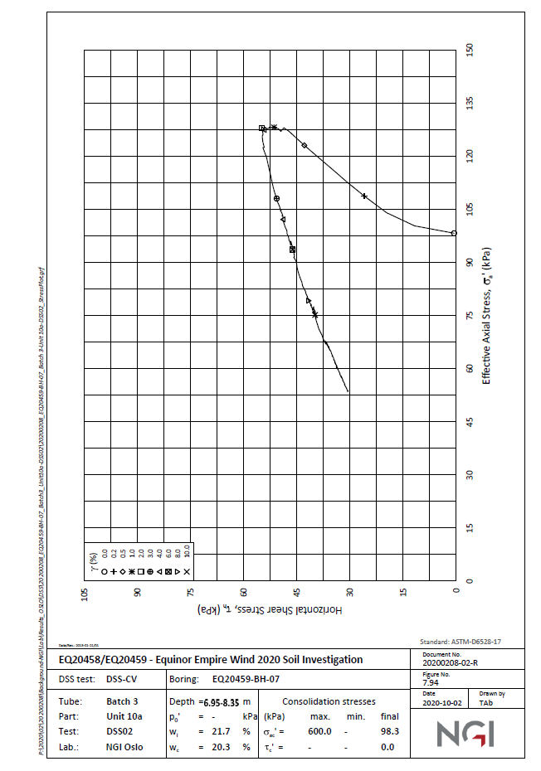
13.4079 | 36.4712 | 0.01 | 21.69 | 1.4
13.4502 | 36.0469 | 0.01 | 21.70 | 1.425
13.7885 | 36.4684 | 0.01 | 21.71 | 1.45
14.0423 | 35.8304 | 0.01 | 21.71 | 1.475
14.2961 | 35.9345 | 0.02 | 21.72 | 1.5
14.5076 | 35.5088 | 0.02 | 21.72 | 1.525
14.6767 | 35.7196 | 0.02 | 21.73 | 1.55
14.719 | 35.2952 | 0.02 | 21.74 | 1.575
14.9305 | 35.3996 | 0.02 | 21.75 | 1.6
15.0151 | 34.763 | 0.02 | 21.75 | 1.625
15.4804 | 34.7594 | 0.02 | 21.76 | 1.65
15.6495 | 34.3341 | 0.02 | 21.77 | 1.675
15.9456 | 34.4379 | 0.02 | 21.78 | 1.7
16.1571 | 33.9062 | 0.02 | 21.79 | 1.725
16.4532 | 34.01 | 0.02 | 21.79 | 1.75
16.5801 | 33.479 | 0.02 | 21.79 | 1.775
16.8761 | 33.6888 | 0.02 | 21.79 | 1.8
17.0876 | 33.3692 | 0.02 | 21.79 | 1.825
17.426 | 33.2606 | 0.02 | 21.79 | 1.85
17.6375 | 32.623 | 0.02 | 21.79 | 1.875
17.9335 | 32.5147 | 0.02 | 21.79 | 1.9
18.1873 | 31.9827 | 0.02 | 21.79 | 1.925
18.3565 | 32.1935 | 0.02 | 21.79 | 1.95
18.5257 | 31.7682 | 0.02 | 21.79 | 1.975
19.0755 | 31.764 | 0.02 | 21.79 | 2
19.1178 | 31.2337 | 0.02 | 21.79 | 2.025
19.4985 | 31.2308 | 0.02 | 21.79 | 2.05
19.7523 | 30.6988 | 0.02 | 21.79 | 2.075
20.006 | 30.6969 | 0.02 | 21.79 | 2.1
20.1752 | 30.3776 | 0.02 | 21.79 | 2.125
20.429 | 30.4817 | 0.02 | 21.79 | 2.15
 |  | 0.02 | 21.79 | 2.175
 |  | 0.02 | 21.79 | 2.2
 |  | 0.02 | 21.79 | 2.225
 |  | 0.02 | 21.79 | 2.25
 |  | 0.02 | 21.79 | 2.275
 |  | 0.02 | 21.79 | 2.3
 |  | 0.02 | 21.79 | 2.325
 |  | 0.02 | 21.79 | 2.35
 |  | 0.02 | 21.79 | 2.375
 |  | 0.02 | 21.79 | 2.4
 |  | 0.02 | 21.79 | 2.425
 |  | 0.02 | 21.79 | 2.45
 |  | 0.02 | 21.79 | 2.475
 |  | 0.03 | 21.79 | 2.5
 |  | 0.03 | 21.79 | 2.525
 |  | 0.03 | 21.79 | 2.55
 |  | 0.03 | 21.79 | 2.575
 |  | 0.03 | 21.79 | 2.6
 |  | 0.03 | 21.79 | 2.625
 |  | 0.03 | 21.79 | 2.65
 |  | 0.03 | 21.79 | 2.675
 |  | 0.03 | 21.79 | 2.7
 |  | 0.03 | 21.79 | 2.725
 |  | 0.03 | 21.79 | 2.75
 |  | 0.03 | 21.79 | 2.775
 |  | 0.03 | 21.79 | 2.8
 |  | 0.03 | 21.79 | 2.825
 |  | 0.03 | 21.79 | 2.85
 |  | 0.03 | 21.79 | 2.875
 |  | 0.03 | 21.79 | 2.9
 |  | 0.03 | 21.79 | 2.925
 |  | 0.03 | 21.79 | 2.95
 |  | 0.03 | 21.79 | 2.975
 |  | 0.03 | 21.79 | 3
 |  | 0.03 | 21.79 | 3.025
 |  | 0.03 | 21.79 | 3.05
 |  | 0.03 | 21.79 | 3.075
 |  | 0.03 | 21.79 | 3.1
 |  | 0.03 | 21.79 | 3.125
 |  | 0.03 | 21.79 | 3.15
 |  | 0.03 | 21.79 | 3.175
 |  | 0.03 | 21.79 | 3.2
 |  | 0.03 | 21.79 | 3.225
 |  | 0.03 | 21.79 | 3.25
 |  | 0.03 | 21.79 | 3.275
 |  | 0.03 | 21.79 | 3.3
 |  | 0.03 | 21.79 | 3.325
 |  | 0.03 | 21.79 | 3.35
 |  | 0.03 | 21.79 | 3.375
 |  | 0.03 | 21.79 | 3.4
 |  | 0.03 | 21.79 | 3.425
 |  | 0.03 | 21.79 | 3.45
 |  | 0.03 | 21.79 | 3.475
 |  | 0.04 | 21.79 | 3.5
 |  | 0.04 | 21.79 | 3.525
 |  | 0.04 | 21.79 | 3.55
 |  | 0.04 | 21.79 | 3.575
 |  | 0.04 | 21.79 | 3.6
 |  | 0.04 | 21.79 | 3.625
 |  | 0.04 | 21.79 | 3.65
 |  | 0.04 | 21.79 | 3.675
 |  | 0.04 | 21.79 | 3.7
 |  | 0.04 | 21.79 | 3.725
 |  | 0.04 | 21.79 | 3.75
 |  | 0.04 | 21.79 | 3.775
 |  | 0.04 | 21.79 | 3.8
 |  | 0.04 | 21.79 | 3.825
 |  | 0.04 | 21.79 | 3.85
 |  | 0.04 | 21.79 | 3.875
 |  | 0.04 | 21.79 | 3.9
 |  | 0.04 | 21.79 | 3.925
 |  | 0.04 | 21.79 | 3.95
 |  | 0.04 | 21.79 | 3.975
 |  | 0.04 | 21.79 | 4
 |  | 0.04 | 21.79 | 4.025
 |  | 0.04 | 21.79 | 4.05
 |  | 0.04 | 21.79 | 4.075
 |  | 0.04 | 21.79 | 4.1
 |  | 0.04 | 21.79 | 4.125
 |  | 0.04 | 21.79 | 4.15
 |  | 0.04 | 21.79 | 4.175
 |  | 0.04 | 21.79 | 4.2
 |  | 0.04 | 21.79 | 4.225
 |  | 0.04 | 21.79 | 4.25
 |  | 0.04 | 21.79 | 4.275
 |  | 0.04 | 21.79 | 4.3
 |  | 0.04 | 21.79 | 4.325
 |  | 0.04 | 21.79 | 4.35
 |  | 0.04 | 21.79 | 4.375
 |  | 0.04 | 21.79 | 4.4
 |  | 0.04 | 21.79 | 4.425
 |  | 0.04 | 21.79 | 4.45
 |  | 0.04 | 21.79 | 4.475
 |  | 0.05 | 21.79 | 4.5
 |  | 0.05 | 21.79 | 4.525
 |  | 0.05 | 21.79 | 4.55
 |  | 0.05 | 21.79 | 4.575
 |  | 0.05 | 21.79 | 4.6
 |  | 0.05 | 21.79 | 4.625
 |  | 0.05 | 21.79 | 4.65
 |  | 0.05 | 21.79 | 4.675
 |  | 0.05 | 21.79 | 4.7
 |  | 0.05 | 21.79 | 4.725
 |  | 0.05 | 21.79 | 4.75
 |  | 0.05 | 21.79 | 4.775
 |  | 0.05 | 21.79 | 4.8
 |  | 0.05 | 21.79 | 4.825
 |  | 0.05 | 21.79 | 4.85
 |  | 0.05 | 21.79 | 4.875
 |  | 0.05 | 21.79 | 4.9
 |  | 0.05 | 21.79 | 4.925
 |  | 0.05 | 21.79 | 4.95
 |  | 0.05 | 21.79 | 4.975
 |  | 0.05 | 21.79 | 5
 |  | 0.05 | 21.79 | 5.025
 |  | 0.05 | 21.79 | 5.05
 |  | 0.05 | 21.79 | 5.075
 |  | 0.05 | 21.79 | 5.1
 |  | 0.05 | 21.79 | 5.125
 |  | 0.05 | 21.79 | 5.15
 |  | 0.05 | 21.79 | 5.175
 |  | 0.05 | 21.79 | 5.2
 |  | 0.05 | 21.79 | 5.225
 |  | 0.05 | 21.79 | 5.25
 |  | 0.05 | 21.79 | 5.275
 |  | 0.05 | 21.79 | 5.3
 |  | 0.05 | 21.79 | 5.325
 |  | 0.05 | 21.79 | 5.35
 |  | 0.05 | 21.79 | 5.375
 |  | 0.05 | 21.79 | 5.4
 |  | 0.05 | 21.79 | 5.425
 |  | 0.05 | 21.79 | 5.45
 |  | 0.05 | 21.79 | 5.475
 |  | 0.06 | 21.79 | 5.5
 |  | 0.06 | 21.79 | 5.525
 |  | 0.06 | 21.79 | 5.55
 |  | 0.06 | 21.79 | 5.575
 |  | 0.06 | 21.79 | 5.6
 |  | 0.06 | 21.79 | 5.625
 |  | 0.06 | 21.79 | 5.65
 |  | 0.06 | 21.79 | 5.675
 |  | 0.06 | 21.79 | 5.7
 |  | 0.06 | 21.79 | 5.725
 |  | 0.06 | 21.79 | 5.75
 |  | 0.06 | 21.79 | 5.775
 |  | 0.06 | 21.79 | 5.8
 |  | 0.06 | 21.79 | 5.825
 |  | 0.06 | 21.79 | 5.85
 |  | 0.06 | 21.79 | 5.875
 |  | 0.06 | 21.79 | 5.9
 |  | 0.06 | 21.79 | 5.925
 |  | 0.06 | 21.79 | 5.95
 |  | 0.06 | 21.79 | 5.975
 |  | 0.06 | 21.79 | 6
 |  | 0.06 | 21.79 | 6.025
 |  | 0.06 | 21.79 | 6.05
 |  | 0.06 | 21.79 | 6.075
 |  | 0.06 | 21.79 | 6.1
 |  | 0.06 | 21.79 | 6.125
 |  | 0.06 | 21.79 | 6.15
 |  | 0.06 | 21.79 | 6.175
 |  | 0.06 | 21.79 | 6.2
 |  | 0.06 | 21.79 | 6.225
 |  | 0.06 | 21.79 | 6.25
 |  | 0.06 | 21.79 | 6.275
 |  | 0.06 | 21.79 | 6.3
 |  | 0.06 | 21.79 | 6.325
 |  | 0.06 | 21.79 | 6.35
 |  | 0.06 | 21.79 | 6.375
 |  | 0.06 | 21.79 | 6.4
 |  | 0.06 | 21.79 | 6.425
 |  | 0.06 | 21.79 | 6.45
 |  | 0.06 | 21.79 | 6.475
 |  | 0.07 | 21.79 | 6.5
 |  | 0.07 | 21.79 | 6.525
 |  | 0.07 | 21.79 | 6.55
 |  | 0.07 | 21.79 | 6.575
 |  | 0.07 | 21.79 | 6.6
 |  | 0.07 | 21.79 | 6.625
 |  | 0.07 | 21.79 | 6.65
 |  | 0.07 | 21.79 | 6.675
 |  | 0.07 | 21.79 | 6.7
 |  | 0.07 | 21.79 | 6.725
 |  | 0.07 | 21.79 | 6.75
 |  | 0.07 | 21.79 | 6.775
 |  | 0.07 | 21.79 | 6.8
 |  | 0.07 | 21.79 | 6.825
 |  | 0.07 | 21.79 | 6.85
 |  | 0.07 | 21.79 | 6.875
 |  | 0.07 | 21.79 | 6.9
 |  | 0.07 | 21.79 | 6.925
 |  | 0.07 | 21.79 | 6.95
 |  | 0.07 | 21.79 | 6.975
 |  | 0.07 | 21.79 | 7
 |  | 0.07 | 21.79 | 7.025
 |  | 0.07 | 21.79 | 7.05
 |  | 0.07 | 21.79 | 7.075
 |  | 0.07 | 21.79 | 7.1
 |  | 0.07 | 21.79 | 7.125
 |  | 0.07 | 21.79 | 7.15
 |  | 0.07 | 21.79 | 7.175
 |  | 0.07 | 21.79 | 7.2
 |  | 0.07 | 21.79 | 7.225
 |  | 0.07 | 21.79 | 7.25
 |  | 0.07 | 21.79 | 7.275
 |  | 0.07 | 21.79 | 7.3
 |  | 0.07 | 21.79 | 7.325
 |  | 0.07 | 21.79 | 7.35
 |  | 0.07 | 21.79 | 7.375
 |  | 0.07 | 21.79 | 7.4
 |  | 0.07 | 21.79 | 7.425
 |  | 0.07 | 21.79 | 7.45
 |  | 0.07 | 21.79 | 7.475
 |  | 0.08 | 21.79 | 7.5
 |  | 0.08 | 21.79 | 7.525
 |  | 0.08 | 21.79 | 7.55
 |  | 0.08 | 21.79 | 7.575
 |  | 0.08 | 21.79 | 7.6
 |  | 0.08 | 21.79 | 7.625
 |  | 0.08 | 21.79 | 7.65
 |  | 0.08 | 21.79 | 7.675
 |  | 0.08 | 21.79 | 7.7
 |  | 0.08 | 21.79 | 7.725
 |  | 0.08 | 21.79 | 7.75
 |  | 0.08 | 21.79 | 7.775
 |  | 0.08 | 21.79 | 7.8
 |  | 0.08 | 21.79 | 7.825
 |  | 0.08 | 21.79 | 7.85
 |  | 0.08 | 21.79 | 7.875
 |  | 0.08 | 21.79 | 7.9
 |  | 0.08 | 21.79 | 7.925
 |  | 0.08 | 21.79 | 7.95
 |  | 0.08 | 21.79 | 7.975
 |  | 0.08 | 21.79 | 8
 |  | 0.08 | 21.79 | 8.025
 |  | 0.08 | 21.79 | 8.05
 |  | 0.08 | 21.79 | 8.075
 |  | 0.08 | 21.79 | 8.1
 |  | 0.08 | 21.79 | 8.125
 |  | 0.08 | 21.79 | 8.15
 |  | 0.08 | 21.79 | 8.175
 |  | 0.08 | 21.79 | 8.2
 |  | 0.08 | 21.79 | 8.225
 |  | 0.08 | 21.79 | 8.25
 |  | 0.08 | 21.79 | 8.275
 |  | 0.08 | 21.79 | 8.3
 |  | 0.08 | 21.79 | 8.325
 |  | 0.08 | 21.79 | 8.35
 |  | 0.08 | 21.79 | 8.375
 |  | 0.08 | 21.79 | 8.4
 |  | 0.08 | 21.79 | 8.425
 |  | 0.08 | 21.79 | 8.45
 |  | 0.08 | 21.79 | 8.475
 |  | 0.09 | 21.79 | 8.5
 |  | 0.09 | 21.79 | 8.525
 |  | 0.09 | 21.79 | 8.55
 |  | 0.09 | 21.79 | 8.575
 |  | 0.09 | 21.79 | 8.6
 |  | 0.09 | 21.79 | 8.625
 |  | 0.09 | 21.79 | 8.65
 |  | 0.09 | 21.79 | 8.675
 |  | 0.09 | 21.79 | 8.7
 |  | 0.09 | 21.79 | 8.725
 |  | 0.09 | 21.79 | 8.75
 |  | 0.09 | 21.79 | 8.775
 |  | 0.09 | 21.79 | 8.8
 |  | 0.09 | 21.79 | 8.825
 |  | 0.09 | 21.79 | 8.85
 |  | 0.09 | 21.79 | 8.875
 |  | 0.09 | 21.79 | 8.9
 |  | 0.09 | 21.79 | 8.925
 |  | 0.09 | 21.79 | 8.95
 |  | 0.09 | 21.79 | 8.975
 |  | 0.09 | 21.79 | 9
 |  | 0.09 | 21.79 | 9.025
 |  | 0.09 | 21.79 | 9.05
 |  | 0.09 | 21.79 | 9.075
 |  | 0.09 | 21.79 | 9.1
 |  | 0.09 | 21.79 | 9.125
 |  | 0.09 | 21.79 | 9.15
 |  | 0.09 | 21.79 | 9.175
 |  | 0.09 | 21.79 | 9.2
 |  | 0.09 | 21.79 | 9.225
 |  | 0.09 | 21.79 | 9.25
 |  | 0.09 | 21.79 | 9.275
 |  | 0.09 | 21.79 | 9.3
 |  | 0.09 | 21.79 | 9.325
 |  | 0.09 | 21.79 | 9.35
 |  | 0.09 | 21.79 | 9.375
 |  | 0.09 | 21.79 | 9.4
 |  | 0.09 | 21.79 | 9.425
 |  | 0.09 | 21.79 | 9.45
 |  | 0.09 | 21.79 | 9.475
 |  | 0.10 | 21.79 | 9.5
 |  | 0.10 | 21.79 | 9.525
 |  | 0.10 | 21.79 | 9.55
 |  | 0.10 | 21.79 | 9.575
 |  | 0.10 | 21.79 | 9.6
 |  | 0.10 | 21.79 | 9.625
 |  | 0.10 | 21.79 | 9.65
 |  | 0.10 | 21.79 | 9.675
 |  | 0.10 | 21.79 | 9.7
 |  | 0.10 | 21.79 | 9.725
 |  | 0.10 | 21.79 | 9.75
 |  | 0.10 | 21.79 | 9.775
 |  | 0.10 | 21.79 | 9.8
 |  | 0.10 | 21.79 | 9.825
 |  | 0.10 | 21.79 | 9.85
 |  | 0.10 | 21.79 | 9.875
 |  | 0.10 | 21.79 | 9.9
 |  | 0.10 | 21.79 | 9.925
 |  | 0.10 | 21.79 | 9.95
 |  | 0.10 | 21.79 | 9.975
 |  | 0.10 | 21.79 | 10
 |  | 0.10 | 21.79 | 10.025
 |  | 0.10 | 21.79 | 10.05
 |  | 0.10 | 21.79 | 10.075
 |  | 0.10 | 21.79 | 10.1
 |  | 0.10 | 21.79 | 10.125
 |  | 0.10 | 21.79 | 10.15
 |  | 0.10 | 21.79 | 10.175
 |  | 0.10 | 21.79 | 10.2
 |  | 0.10 | 21.79 | 10.225
 |  | 0.10 | 21.79 | 10.25
 |  | 0.10 | 21.79 | 10.275
 |  | 0.10 | 21.79 | 10.3
 |  | 0.10 | 21.79 | 10.325
 |  | 0.10 | 21.79 | 10.35
 |  | 0.10 | 21.79 | 10.375
 |  | 0.10 | 21.79 | 10.4
 |  | 0.10 | 21.79 | 10.425
 |  | 0.10 | 21.79 | 10.45
 |  | 0.10 | 21.79 | 10.475
 |  | 0.11 | 21.79 | 10.5
 |  | 0.11 | 21.79 | 10.525
 |  | 0.11 | 21.79 | 10.55
 |  | 0.11 | 21.79 | 10.575
 |  | 0.11 | 21.79 | 10.6
 |  | 0.11 | 21.79 | 10.625
 |  | 0.11 | 21.79 | 10.65
 |  | 0.11 | 21.79 | 10.675
 |  | 0.11 | 21.79 | 10.7
 |  | 0.11 | 21.79 | 10.725
 |  | 0.11 | 21.79 | 10.75
 |  | 0.11 | 21.79 | 10.775
 |  | 0.11 | 21.79 | 10.8
 |  | 0.11 | 21.79 | 10.825
 |  | 0.11 | 21.79 | 10.85
 |  | 0.11 | 21.79 | 10.875
 |  | 0.11 | 21.79 | 10.9
 |  | 0.11 | 21.79 | 10.925
 |  | 0.11 | 21.79 | 10.95
 |  | 0.11 | 21.79 | 10.975
 |  | 0.11 | 21.79 | 11
 |  | 0.11 | 21.79 | 11.025
 |  | 0.11 | 21.79 | 11.05
 |  | 0.11 | 21.79 | 11.075
 |  | 0.11 | 21.79 | 11.1
 |  | 0.11 | 21.79 | 11.125
 |  | 0.11 | 21.79 | 11.15
 |  | 0.11 | 21.79 | 11.175
 |  | 0.11 | 21.79 | 11.2
 |  | 0.11 | 21.79 | 11.225
 |  | 0.11 | 21.79 | 11.25
 |  | 0.11 | 21.79 | 11.275
 |  | 0.11 | 21.79 | 11.3
 |  | 0.11 | 21.79 | 11.325
 |  | 0.11 | 21.79 | 11.35
 |  | 0.11 | 21.79 | 11.375
 |  | 0.11 | 21.79 | 11.4
 |  | 0.11 | 21.79 | 11.425
 |  | 0.11 | 21.79 | 11.45
 |  | 0.11 | 21.79 | 11.475
 |  | 0.12 | 21.79 | 11.5
 |  | 0.12 | 21.79 | 11.525
 |  | 0.12 | 21.79 | 11.55
 |  | 0.12 | 21.79 | 11.575
 |  | 0.12 | 21.79 | 11.6
 |  | 0.12 | 21.79 | 11.625
 |  | 0.12 | 21.79 | 11.65
 |  | 0.12 | 21.79 | 11.675
 |  | 0.12 | 21.79 | 11.7
 |  | 0.12 | 21.79 | 11.725
 |  | 0.12 | 21.79 | 11.75
 |  | 0.12 | 21.79 | 11.775
 |  | 0.12 | 21.79 | 11.8
 |  | 0.12 | 21.79 | 11.825
 |  | 0.12 | 21.79 | 11.85
 |  | 0.12 | 21.79 | 11.875
 |  | 0.12 | 21.79 | 11.9
 |  | 0.12 | 21.79 | 11.925
 |  | 0.12 | 21.79 | 11.95
 |  | 0.12 | 21.79 | 11.975
 |  | 0.12 | 21.79 | 12
 |  | 0.12 | 21.79 | 12.025
 |  | 0.12 | 21.79 | 12.05
 |  | 0.12 | 21.79 | 12.075
 |  | 0.12 | 21.79 | 12.1
 |  | 0.12 | 21.79 | 12.125
 |  | 0.12 | 21.79 | 12.15
 |  | 0.12 | 21.79 | 12.175
 |  | 0.12 | 21.79 | 12.2
 |  | 0.12 | 21.79 | 12.225
 |  | 0.12 | 21.79 | 12.25
 |  | 0.12 | 21.79 | 12.275
 |  | 0.12 | 21.79 | 12.3
 |  | 0.12 | 21.79 | 12.325
 |  | 0.12 | 21.79 | 12.35
 |  | 0.12 | 21.79 | 12.375
 |  | 0.12 | 21.79 | 12.4
 |  | 0.12 | 21.79 | 12.425
 |  | 0.12 | 21.79 | 12.45
 |  | 0.12 | 21.79 | 12.475
 |  | 0.13 | 21.79 | 12.5
 |  | 0.13 | 21.79 | 12.525
 |  | 0.13 | 21.79 | 12.55
 |  | 0.13 | 21.79 | 12.575
 |  | 0.13 | 21.79 | 12.6
 |  | 0.13 | 21.79 | 12.625
 |  | 0.13 | 21.79 | 12.65
 |  | 0.13 | 21.79 | 12.675
 |  | 0.13 | 21.79 | 12.7
 |  | 0.13 | 21.79 | 12.725
 |  | 0.13 | 21.79 | 12.75
 |  | 0.13 | 21.79 | 12.775
 |  | 0.13 | 21.79 | 12.8
 |  | 0.13 | 21.79 | 12.825
 |  | 0.13 | 21.79 | 12.85
 |  | 0.13 | 21.79 | 12.875
 |  | 0.13 | 21.79 | 12.9
 |  | 0.13 | 21.79 | 12.925
 |  | 0.13 | 21.79 | 12.95
 |  | 0.13 | 21.79 | 12.975
 |  | 0.13 | 21.79 | 13
 |  | 0.13 | 21.79 | 13.025
 |  | 0.13 | 21.79 | 13.05
 |  | 0.13 | 21.79 | 13.075
 |  | 0.13 | 21.79 | 13.1
 |  | 0.13 | 21.79 | 13.125
 |  | 0.13 | 21.79 | 13.15
 |  | 0.13 | 21.79 | 13.175
 |  | 0.13 | 21.79 | 13.2
 |  | 0.13 | 21.79 | 13.225
 |  | 0.13 | 21.79 | 13.25
 |  | 0.13 | 21.79 | 13.275
 |  | 0.13 | 21.79 | 13.3
 |  | 0.13 | 21.79 | 13.325
 |  | 0.13 | 21.79 | 13.35
 |  | 0.13 | 21.79 | 13.375
 |  | 0.13 | 21.79 | 13.4
 |  | 0.13 | 21.79 | 13.425
 |  | 0.13 | 21.79 | 13.45
 |  | 0.13 | 21.79 | 13.475
 |  | 0.14 | 21.79 | 13.5
 |  | 0.14 | 21.79 | 13.525
 |  | 0.14 | 21.79 | 13.55
 |  | 0.14 | 21.79 | 13.575
 |  | 0.14 | 21.79 | 13.6
 |  | 0.14 | 21.79 | 13.625
 |  | 0.14 | 21.79 | 13.65
 |  | 0.14 | 21.79 | 13.675
 |  | 0.14 | 21.79 | 13.7
 |  | 0.14 | 21.79 | 13.725
 |  | 0.14 | 21.79 | 13.75
 |  | 0.14 | 21.79 | 13.775
 |  | 0.14 | 21.79 | 13.8
 |  | 0.14 | 21.79 | 13.825
 |  | 0.14 | 21.79 | 13.85
 |  | 0.14 | 21.79 | 13.875
 |  | 0.14 | 21.79 | 13.9
 |  | 0.14 | 21.79 | 13.925
 |  | 0.14 | 21.79 | 13.95
 |  | 0.14 | 21.79 | 13.975
 |  | 0.14 | 21.79 | 14
 |  | 0.14 | 21.79 | 14.025
 |  | 0.14 | 21.79 | 14.05
 |  | 0.14 | 21.79 | 14.075
 |  | 0.14 | 21.79 | 14.1
 |  | 0.14 | 21.79 | 14.125
 |  | 0.14 | 21.79 | 14.15
 |  | 0.14 | 21.79 | 14.175
 |  | 0.14 | 21.79 | 14.2
 |  | 0.14 | 21.79 | 14.225
 |  | 0.14 | 21.79 | 14.25
 |  | 0.14 | 21.79 | 14.275
 |  | 0.14 | 21.79 | 14.3
 |  | 0.14 | 21.79 | 14.325
 |  | 0.14 | 21.79 | 14.35
 |  | 0.14 | 21.79 | 14.375
 |  | 0.14 | 21.79 | 14.4
 |  | 0.14 | 21.79 | 14.425
 |  | 0.14 | 21.79 | 14.45
 |  | 0.14 | 21.79 | 14.475
 |  | 0.15 | 21.79 | 14.5
 |  | 0.15 | 21.79 | 14.525
 |  | 0.15 | 21.79 | 14.55
 |  | 0.15 | 21.79 | 14.575
 |  | 0.15 | 21.79 | 14.6
 |  | 0.15 | 21.79 | 14.625
 |  | 0.15 | 21.79 | 14.65
 |  | 0.15 | 21.79 | 14.675
 |  | 0.15 | 21.79 | 14.7
 |  | 0.15 | 21.79 | 14.725
 |  | 0.15 | 21.79 | 14.75
 |  | 0.15 | 21.79 | 14.775
 |  | 0.15 | 21.79 | 14.8
 |  | 0.15 | 21.79 | 14.825
 |  | 0.15 | 21.79 | 14.85
 |  | 0.15 | 21.79 | 14.875
 |  | 0.15 | 21.79 | 14.9
 |  | 0.15 | 21.79 | 14.925
 |  | 0.15 | 21.79 | 14.95
 |  | 0.15 | 21.79 | 14.975
 |  | 0.15 | 21.79 | 15
 |  | 0.15 | 21.79 | 15.025
 |  | 0.15 | 21.79 | 15.05
 |  | 0.15 | 21.79 | 15.075
 |  | 0.15 | 21.79 | 15.1
 |  | 0.15 | 21.79 | 15.125
 |  | 0.15 | 21.79 | 15.15
 |  | 0.15 | 21.79 | 15.175
 |  | 0.15 | 21.79 | 15.2
 |  | 0.15 | 21.79 | 15.225
 |  | 0.15 | 21.79 | 15.25
 |  | 0.15 | 21.79 | 15.275
 |  | 0.15 | 21.79 | 15.3
 |  | 0.15 | 21.79 | 15.325
 |  | 0.15 | 21.79 | 15.35
 |  | 0.15 | 21.79 | 15.375
 |  | 0.15 | 21.79 | 15.4
 |  | 0.15 | 21.79 | 15.425
 |  | 0.15 | 21.79 | 15.45
 |  | 0.15 | 21.79 | 15.475
 |  | 0.16 | 21.79 | 15.5
 |  | 0.16 | 21.79 | 15.525
 |  | 0.16 | 21.79 | 15.55
 |  | 0.16 | 21.79 | 15.575
 |  | 0.16 | 21.79 | 15.6
 |  | 0.16 | 21.79 | 15.625
 |  | 0.16 | 21.79 | 15.65
 |  | 0.16 | 21.79 | 15.675
 |  | 0.16 | 21.79 | 15.7
 |  | 0.16 | 21.79 | 15.725
 |  | 0.16 | 21.79 | 15.75
 |  | 0.16 | 21.79 | 15.775
 |  | 0.16 | 21.79 | 15.8
 |  | 0.16 | 21.79 | 15.825
 |  | 0.16 | 21.79 | 15.85
 |  | 0.16 | 21.79 | 15.875
 |  | 0.16 | 21.79 | 15.9
 |  | 0.16 | 21.79 | 15.925
 |  | 0.16 | 21.79 | 15.95
 |  | 0.16 | 21.79 | 15.975
 |  | 0.16 | 21.79 | 16
 |  | 0.16 | 21.79 | 16.025
 |  | 0.16 | 21.79 | 16.05
 |  | 0.16 | 21.79 | 16.075
 |  | 0.16 | 21.79 | 16.1
 |  | 0.16 | 21.79 | 16.125
 |  | 0.16 | 21.79 | 16.15
 |  | 0.16 | 21.79 | 16.175
 |  | 0.16 | 21.79 | 16.2
 |  | 0.16 | 21.79 | 16.225
 |  | 0.16 | 21.79 | 16.25
 |  | 0.16 | 21.79 | 16.275
 |  | 0.16 | 21.79 | 16.3
 |  | 0.16 | 21.79 | 16.325
 |  | 0.16 | 21.79 | 16.35
 |  | 0.16 | 21.79 | 16.375
 |  | 0.16 | 21.79 | 16.4
 |  | 0.16 | 21.79 | 16.425
 |  | 0.16 | 21.79 | 16.45
 |  | 0.16 | 21.79 | 16.475
 |  | 0.17 | 21.79 | 16.5
 |  | 0.17 | 21.79 | 16.525
 |  | 0.17 | 21.79 | 16.55
 |  | 0.17 | 21.79 | 16.575
 |  | 0.17 | 21.79 | 16.6
 |  | 0.17 | 21.79 | 16.625
 |  | 0.17 | 21.79 | 16.65
 |  | 0.17 | 21.79 | 16.675
 |  | 0.17 | 21.79 | 16.7
 |  | 0.17 | 21.79 | 16.725
 |  | 0.17 | 21.79 | 16.75
 |  | 0.17 | 21.79 | 16.775
 |  | 0.17 | 21.79 | 16.8
 |  | 0.17 | 21.79 | 16.825
 |  | 0.17 | 21.79 | 16.85
 |  | 0.17 | 21.79 | 16.875
 |  | 0.17 | 21.79 | 16.9
 |  | 0.17 | 21.79 | 16.925
 |  | 0.17 | 21.79 | 16.95
 |  | 0.17 | 21.79 | 16.975
 |  | 0.17 | 21.79 | 17
 |  | 0.17 | 21.79 | 17.025
 |  | 0.17 | 21.79 | 17.05
 |  | 0.17 | 21.79 | 17.075
 |  | 0.17 | 21.79 | 17.1
 |  | 0.17 | 21.79 | 17.125
 |  | 0.17 | 21.79 | 17.15
 |  | 0.17 | 21.79 | 17.175
 |  | 0.17 | 21.79 | 17.2
 |  | 0.17 | 21.79 | 17.225
 |  | 0.17 | 21.79 | 17.25
 |  | 0.17 | 21.79 | 17.275
 |  | 0.17 | 21.79 | 17.3
 |  | 0.17 | 21.79 | 17.325
 |  | 0.17 | 21.79 | 17.35
 |  | 0.17 | 21.79 | 17.375
 |  | 0.17 | 21.79 | 17.4
 |  | 0.17 | 21.79 | 17.425
 |  | 0.17 | 21.79 | 17.45
 |  | 0.17 | 21.79 | 17.475
 |  | 0.18 | 21.79 | 17.5
 |  | 0.18 | 21.79 | 17.525
 |  | 0.18 | 21.79 | 17.55
 |  | 0.18 | 21.79 | 17.575
 |  | 0.18 | 21.79 | 17.6
 |  | 0.18 | 21.79 | 17.625
 |  | 0.18 | 21.79 | 17.65
 |  | 0.18 | 21.79 | 17.675
 |  | 0.18 | 21.79 | 17.7
 |  | 0.18 | 21.79 | 17.725
 |  | 0.18 | 21.79 | 17.75
 |  | 0.18 | 21.79 | 17.775
 |  | 0.18 | 21.79 | 17.8
 |  | 0.18 | 21.79 | 17.825
 |  | 0.18 | 21.79 | 17.85
 |  | 0.18 | 21.79 | 17.875
 |  | 0.18 | 21.79 | 17.9
 |  | 0.18 | 21.79 | 17.925
 |  | 0.18 | 21.79 | 17.95
 |  | 0.18 | 21.79 | 17.975
 |  | 0.18 | 21.79 | 18
 |  | 0.18 | 21.79 | 18.025
...

Unit10a_DSS4_BH07
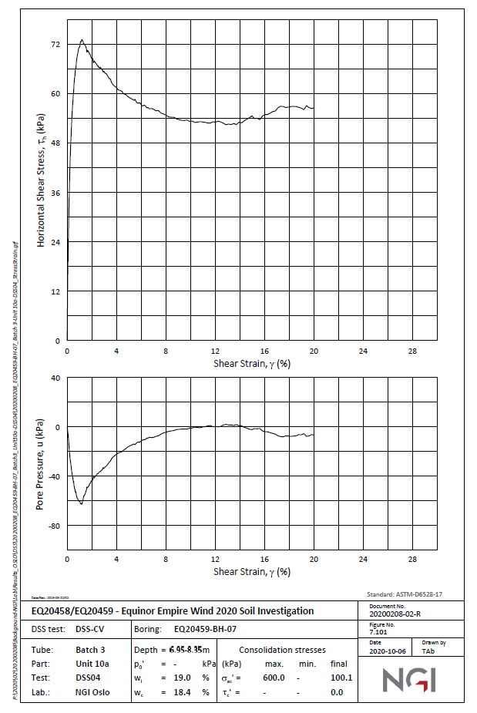
 | Lab Data |  | Revised Values as per PLAXIS
0.042296 | 0 | 0 | 0.00
0.0440181 | 3.17589 | 0.02 | 0.71
0.0456025 | 6.0977 | 0.04 | 4.86
0.048909 | 12.1954 | 0.06 | 8.88
0.0943737 | 18.0389 | 0.08 | 12.78
0.182272 | 24.1362 | 0.1 | 16.30
0.18551 | 30.1068 | 0.12 | 18.45
0.231043 | 36.0773 | 0.14 | 20.32
0.23435 | 42.175 | 0.16 | 21.87
0.322111 | 48.0183 | 0.18 | 23.16
0.410009 | 54.1156 | 0.2 | 24.21
0.496185 | 57.037 | 0.22 | 25.07
0.540135 | 60.0857 | 0.24 | 25.77
0.668814 | 63.388 | 0.26 | 26.34
0.712556 | 66.0556 | 0.28 | 26.81
0.883462 | 69.2307 | 0.3 | 27.18
0.96895 | 70.8818 | 0.32 | 27.49
1.0966 | 72.2786 | 0.34 | 27.75
1.26633 | 73.2941 | 0.36 | 27.96
1.43489 | 72.15 | 0.38 | 28.13
1.73 | 70.3702 | 0.4 | 28.28
2.06761 | 68.9713 | 0.42 | 28.40
2.40515 | 67.4453 | 0.44 | 28.51
2.7852 | 66.3003 | 0.46 | 28.60
3.16517 | 65.0282 | 0.48 | 28.68
3.50285 | 63.7563 | 0.5 | 28.75
3.84025 | 61.9763 | 0.52 | 28.81
4.30496 | 60.9579 | 0.54 | 28.87
4.85419 | 59.812 | 0.56 | 28.92
5.40328 | 58.4122 | 0.58 | 28.97
6.07946 | 57.3928 | 0.6 | 29.01
6.71342 | 56.5007 | 0.62 | 29.05
7.22069 | 55.9902 | 0.64 | 29.09
8.06599 | 54.8431 | 0.66 | 29.12
8.74238 | 54.2048 | 0.68 | 29.15
9.5033 | 53.4392 | 0.7 | 29.18
10.0532 | 53.5637 | 0.72 | 29.21
10.3913 | 53.054 | 0.74 | 29.24
10.8144 | 53.3062 | 0.76 | 29.27
11.4063 | 52.7953 | 0.78 | 29.30
11.9141 | 53.3012 | 0.8 | 29.32
12.3371 | 53.2993 | 0.82 | 29.35
12.9288 | 52.5344 | 0.84 | 29.37
13.3518 | 52.6595 | 0.86 | 29.39
13.7324 | 52.5307 | 0.88 | 29.42
14.0711 | 53.0373 | 0.9 | 29.44
14.5366 | 53.5434 | 0.92 | 29.46
15.0024 | 54.5575 | 0.94 | 29.48
15.3405 | 54.0479 | 0.96 | 29.50
15.6787 | 53.7922 | 0.98 | 29.52
...
Shear Strain% | Shear Stress (kPa)
0.00 | 0.00 | 0
0.00 | 0.71 | 0.02
0.00 | 4.86 | 0.04
0.00 | 8.88 | 0.06
0.00 | 12.78 | 0.08
0.00 | 16.30 | 0.1
0.00 | 18.45 | 0.12
0.00 | 20.32 | 0.14
0.00 | 21.87 | 0.16
0.00 | 23.16 | 0.18
0.00 | 24.21 | 0.2
0.00 | 25.07 | 0.22
0.00 | 25.77 | 0.24
0.00 | 26.34 | 0.26
0.00 | 26.81 | 0.28
0.00 | 27.18 | 0.3
0.00 | 27.49 | 0.32
0.00 | 27.75 | 0.34
0.00 | 27.96 | 0.36
0.00 | 28.13 | 0.38
0.00 | 28.28 | 0.4
0.00 | 28.40 | 0.42
0.00 | 28.51 | 0.44
0.00 | 28.60 | 0.46
0.00 | 28.68 | 0.48
0.01 | 28.75 | 0.5
0.01 | 28.81 | 0.52
0.01 | 28.87 | 0.54
0.01 | 28.92 | 0.56
0.01 | 28.97 | 0.58
 | Lab Data |  | Revised Values as per PLAXIS
0.042296 | 0 | 0 | 0.00
0.0440181 | 3.17589 | 0.02 | 0.71
0.0456025 | 6.0977 | 0.04 | 4.86
0.048909 | 12.1954 | 0.06 | 8.88
0.0943737 | 18.0389 | 0.08 | 12.78
0.182272 | 24.1362 | 0.1 | 16.30
0.18551 | 30.1068 | 0.12 | 18.45
0.231043 | 36.0773 | 0.14 | 20.32
0.23435 | 42.175 | 0.16 | 21.87
0.322111 | 48.0183 | 0.18 | 23.16
0.410009 | 54.1156 | 0.2 | 24.21
0.496185 | 57.037 | 0.22 | 25.07
0.540135 | 60.0857 | 0.24 | 25.77
0.668814 | 63.388 | 0.26 | 26.34
0.712556 | 66.0556 | 0.28 | 26.81
0.883462 | 69.2307 | 0.3 | 27.18
0.96895 | 70.8818 | 0.32 | 27.49
1.0966 | 72.2786 | 0.34 | 27.75
1.26633 | 73.2941 | 0.36 | 27.96
1.43489 | 72.15 | 0.38 | 28.13
1.73 | 70.3702 | 0.4 | 28.28
2.06761 | 68.9713 | 0.42 | 28.40
2.40515 | 67.4453 | 0.44 | 28.51
2.7852 | 66.3003 | 0.46 | 28.60
3.16517 | 65.0282 | 0.48 | 28.68
3.50285 | 63.7563 | 0.5 | 28.75
3.84025 | 61.9763 | 0.52 | 28.81
4.30496 | 60.9579 | 0.54 | 28.87
4.85419 | 59.812 | 0.56 | 28.92
5.40328 | 58.4122 | 0.58 | 28.97
6.07946 | 57.3928 | 0.6 | 29.01
6.71342 | 56.5007 | 0.62 | 29.05
7.22069 | 55.9902 | 0.64 | 29.09
8.06599 | 54.8431 | 0.66 | 29.12
8.74238 | 54.2048 | 0.68 | 29.15
9.5033 | 53.4392 | 0.7 | 29.18
10.0532 | 53.5637 | 0.72 | 29.21
10.3913 | 53.054 | 0.74 | 29.24
10.8144 | 53.3062 | 0.76 | 29.27
11.4063 | 52.7953 | 0.78 | 29.30
11.9141 | 53.3012 | 0.8 | 29.32
12.3371 | 53.2993 | 0.82 | 29.35
12.9288 | 52.5344 | 0.84 | 29.37
13.3518 | 52.6595 | 0.86 | 29.39
13.7324 | 52.5307 | 0.88 | 29.42
14.0711 | 53.0373 | 0.9 | 29.44
14.5366 | 53.5434 | 0.92 | 29.46
15.0024 | 54.5575 | 0.94 | 29.48
15.3405 | 54.0479 | 0.96 | 29.50
15.6787 | 53.7922 | 0.98 | 29.52
...
0.01 | 29.01 | 0.6
0.01 | 29.05 | 0.62
0.01 | 29.09 | 0.64
0.01 | 29.12 | 0.66
0.01 | 29.15 | 0.68
0.01 | 29.18 | 0.7
0.01 | 29.21 | 0.72
0.01 | 29.24 | 0.74
0.01 | 29.27 | 0.76
0.01 | 29.30 | 0.78
0.01 | 29.32 | 0.8
0.01 | 29.35 | 0.82
0.01 | 29.37 | 0.84
0.01 | 29.39 | 0.86
0.01 | 29.42 | 0.88
0.01 | 29.44 | 0.9
0.01 | 29.46 | 0.92
0.01 | 29.48 | 0.94
0.01 | 29.50 | 0.96
0.01 | 29.52 | 0.98
0.01 | 29.54 | 1
0.01 | 29.55 | 1.02
0.01 | 29.57 | 1.04
0.01 | 29.59 | 1.06
0.01 | 29.61 | 1.08
0.01 | 29.62 | 1.1
0.01 | 29.64 | 1.12
0.01 | 29.66 | 1.14
0.01 | 29.67 | 1.16
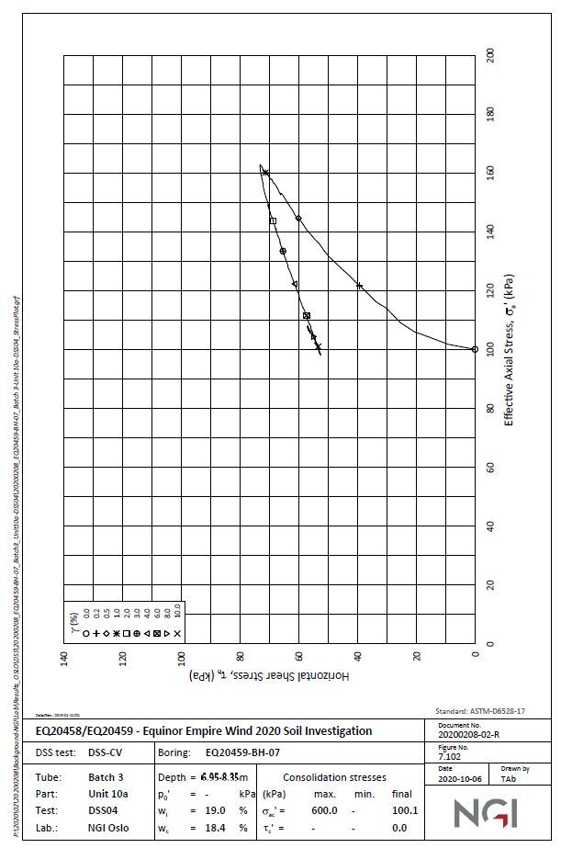
0.01 | 29.69 | 1.18
0.01 | 29.70 | 1.2
0.01 | 29.72 | 1.22
0.01 | 29.73 | 1.24
0.01 | 29.74 | 1.26
0.01 | 29.76 | 1.28
0.01 | 29.77 | 1.3
...

