NW-38_maxM_psf
NW-38_maxM_psf

 |  |  |  | Scour |  |  |  | Soil
n_layers | 13 | - |  | local | 0 | m |  | layer | toplevel | model_py | model_axial | gamma_eff | cu | delta_cu | phi | delta_eff | K0 | c_eff | epsilon50 | delta_epsilon50 | J | Es | delta_Es | limit_skin | limit_alpha | limit_tip | G0 | delta_G0 | poisson | q_ur | delta_q_ur | k_rm | RQD | Nq | t-multiplier | z-multiplier | p-multiplier | y-multiplier | Cyclic_Pisa_Multiplier_P_M | Cyclic_Pisa_Multiplier_Y_Thehta | delta_phi | Dr | Cyclic_Multiplier
n_sections | 1 | - |  | ORD | 0 | m |  | [number] | [m VREF] | [text] | [text] | [kN/m³] | [kPa] | [kPa/m] | [degrees] | [degrees] | [-] | [kPa] | [-] | [m-1] | [-] | [kPa] | [kPa/m] | [kPa] | [-] | [kPa] | [kPa] | [kPa/m] | [-] | [kPa] | [kPa/m] | [-] | [-] | [-] | [-] | [-] | [-] | [-] | [-] | [-] | [degrees/m] | [%]
 |  |  |  | water depth | 14.77 | m | M1a | 1 | 0 | API sand | API sand | 9.5 | 0.00 | 0.00 | 28 | 23 | 0.5 | 0 | 0.000 | 0.000 | 0 | 0 | 0 | 0 | 1 | 0 | 0.00 | 9969.34 | 0.30 | 0.00 | 0.00 | 0.00 | 0.00 | 0 | 1 | 1 | 1 | 1 | 1 | 1 | 0 | 35 | 1
Pile |  |  |  | Loads |  |  | S1 | 2 | -2.2 | API sand | API sand | 9.5 | 0.00 | 0.00 | 32 | 27 | 0.5 | 0 | 0.000 | 0.000 | 0 | 0 | 0 | 87 | 1 | 6720 | 29137.66 | 3797.11 | 0.30 | 0.00 | 0.00 | 0.00 | 0.00 | 28 | 1 | 1 | 1 | 1 | 1 | 1 | 0 | 60 | 1
head | 0 | m VREF |  | H | 10742.6 | kN | S1 | 3 | -2.5 | API sand | API sand | 9.5 | 0.00 | 0.00 | 32 | 27 | 0.5 | 0 | 0.000 | 0.000 | 0 | 0 | 0 | 87 | 1 | 6720 | 30276.79 | 2512.69 | 0.30 | 0.00 | 0.00 | 0.00 | 0.00 | 28 | 1 | 1 | 1 | 1 | 1 | 1 | 0 | 80 | 1
length (start) | 40.7 | m | 28 | Mxy | -300446.5 | kNm | M1b | 4 | -6.5 | API clay | API clay | 9 | 13.00 | 2.00 | 0 | #N/A | 0.5 | 0 | 0.020 | 0.000 | 0.5 | 0 | 0 | #N/A | 1 | #N/A | 29600.11 | 1676.47 | 0.30 | 0.00 | 0.00 | 0.00 | 0.00 | #N/A | 1 | 1 | 1 | 1 | 1 | 1 | 0 | 0 | 1
length (end) | 40.7 | m | 28 | Vc | 12632.7 | kN | C1 | 5 | -8.5 | API clay | API clay | 8.5 | 17.00 | 1.78 | 0 | #N/A | 0.5 | 0 | 0.020 | 0.000 | 0.5 | 0 | 0 | #N/A | 1 | #N/A | 30405.05 | 817.21 | 0.30 | 0.00 | 0.00 | 0.00 | 0.00 | #N/A | 1 | 1 | 1 | 1 | 1 | 1 | 0 | 0 | 1
length (increment) | 0.5 | m |  | Vt | 0.0 | kN | C1 | 6 | -17.5 | API clay | API clay | 8.5 | 33.00 | 1.85 | 0 | #N/A | 0.5 | 0 | 0.010 | 0.000 | 0.5 | 0 | 0 | #N/A | 1 | #N/A | 37759.95 | 577.38 | 0.30 | 0.00 | 0.00 | 0.00 | 0.00 | #N/A | 1 | 1 | 1 | 1 | 1 | 1 | 0 | 0 | 1
outer diameter | 7.5 | m |  | Mz | 2489.3 | kN | S1 | 7 | -24 | API sand | API sand | 9.5 | 0.00 | 0.00 | 31 | 26 | 0.5 | 0 | 0.000 | 0.000 | 0 | 0 | 0 | 0 | 1 | 0 | 59674.83 | 706.12 | 0.30 | 0.00 | 0.00 | 0.00 | 0.00 | 0 | 1 | 1 | 1 | 1 | 1 | 1 | 0 | 50 | 1
density | 78 | kN/m³ |  | Settings |  |  | M1a | 8 | -28 | API sand | API sand | 9.5 | 0.00 | 0.00 | 28 | 23 | 0.5 | 0 | 0.000 | 0.000 | 0 | 0 | 0 | 75.4 | 1 | 4040 | 60671.29 | 832.18 | 0.30 | 0.00 | 0.00 | 0.00 | 0.00 | 16.8 | 1 | 1 | 1 | 1 | 1 | 1 | 0 | 28 | 1
sigma_y | 355000 | kPa |  | pile_type | open | text | M1a | 9 | -32 | API sand | API sand | 9.5 | 0.00 | 0.00 | 28.5 | 23.5 | 0.5 | 0 | 0.000 | 0.000 | 0 | 0 | 0 | 75.4 | 1 | 4040 | 64000.00 | 735.42 | 0.30 | 0.00 | 0.00 | 0.00 | 0.00 | 16.8 | 1 | 1 | 1 | 1 | 1 | 1 | 0 | 30 | 1
E | 2.1E+08 | kPa |  |  |  |  | M1b | 10 | -42 | API clay | API clay | 9 | 83.00 | 2.27 | 0 | #N/A | 0.5 | 0 | 0.007 | 0.000 | 0.5 | 0 | 0 | #N/A | 1 | #N/A | 62434.95 | 585.53 | 0.30 | 0.00 | 0.00 | 0.00 | 0.00 | #N/A | 1 | 1 | 1 | 1 | 1 | 1 | 0 | 0 | 1
G | 7.9E+07 | kPa |  |  |  |  | M1a | 11 | -44.2 | API sand | API sand | 9.5 | 0.00 | 0.00 | 28.5 | 23.5 | 0.5 | 0 | 0.000 | 0.000 | 0 | 0 | 0 | 0 | 1 | 0 | 72826.41 | 655.52 | 0.30 | 0.00 | 0.00 | 0.00 | 0.00 | 0 | 1 | 1 | 1 | 1 | 1 | 1 | 0 | 30 | 1
ksf | 0.53 |  |  |  |  |  | M1a | 12 | -45 | API sand | API sand | 9.35 | 0.00 | 0.00 | 28.5 | 23.5 | 0.5 | 0 | 0.000 | 0.000 | 0 | 0 | 0 | 0 | 1 | 0 | 73350.82 | 639.41 | 0.30 | 0.00 | 0.00 | 0.00 | 0.00 | 0 | 1 | 1 | 1 | 1 | 1 | 1 | 0 | 30 | 1
section | cross_section.toplevel | cross_section.thickness |  |  |  |  | S2 | 13 | -48 | API sand | API sand | 10 | 0.00 | 0.00 | 31 | 26 | 0.5 | 0 | 0 | 0.000 | 0 | 0 | 0 | 0 | 1 | 0 | 73468.336626 | 451.9967235 | 0.30 | 0.00 | 0.00 | 0.00 | 0.00 | 0 | 1 | 1 | 1 | 1 | 1 | 1 | 0 | 50 | 1
[number] | [m VREF] | [m]
1 | 0 | 0.066

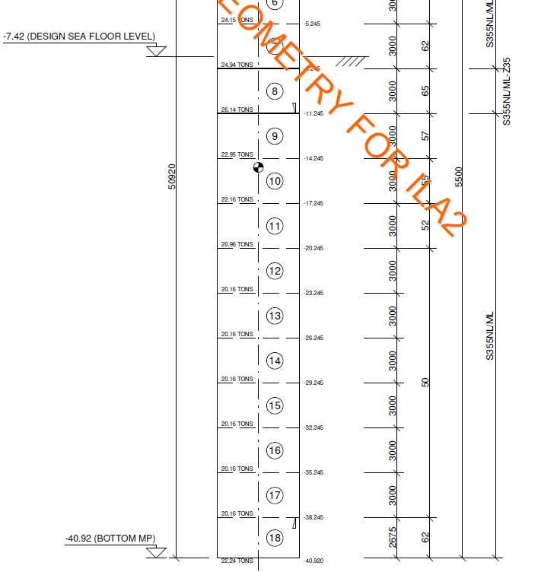

 |  |  |  |  |  |  |  |  |  |  |  |  |  |  |  |  |  |  |  |  |  |  |  |  |  |  |  |  |  | skin | tip | Nq
 |  |  |  |  |  |  |  |  |  |  |  |  |  |  |  |  |  |  |  |  |  |  |  |  |  |  |  |  | delta | f1 | q1
 |  |  |  |  |  |  |  |  |  |  |  |  |  |  |  |  |  |  |  |  |  |  |  |  |  |  |  |  | 15 | 48 | 1900 | 8
 |  |  |  |  |  |  |  |  |  |  |  |  |  |  |  |  |  |  |  |  |  |  |  |  |  |  |  |  | 16 | 51.8 | 2100 | 8.8
 |  |  |  |  |  |  |  |  |  |  |  |  |  |  |  |  |  |  |  |  |  |  |  |  |  |  |  |  | 17 | 55.6 | 2300 | 9.6
 |  |  |  |  |  |  |  |  |  |  |  |  |  |  |  |  |  |  |  |  |  |  |  |  |  |  |  |  | 18 | 59.4 | 2500 | 10.4
 |  |  |  |  |  |  |  |  |  |  |  |  |  |  |  |  |  |  |  |  |  |  |  |  |  |  |  |  | 19 | 63.2 | 2700 | 11.2
 |  |  |  |  |  |  |  |  |  |  |  |  |  |  |  |  |  |  |  |  |  |  |  |  |  |  |  |  | 20 | 67 | 2900 | 12
 |  |  |  |  |  |  |  |  |  |  |  |  |  |  |  |  |  |  |  |  |  |  |  |  |  |  |  |  | 21 | 69.8 | 3280 | 13.6
 |  |  |  |  |  |  |  |  |  |  |  |  |  |  |  |  |  |  |  |  |  |  |  |  |  |  |  |  | 22 | 72.6 | 3660 | 15.2
 |  |  |  |  |  |  |  |  |  |  |  |  |  |  |  |  |  |  |  |  |  |  |  |  |  |  |  |  | 23 | 75.4 | 4040 | 16.8
 |  |  |  |  |  |  |  |  |  |  |  |  |  |  |  |  |  |  |  |  |  |  |  |  |  |  |  |  | 24 | 78.2 | 4420 | 18.4
 |  |  |  |  |  |  |  |  |  |  |  |  |  |  |  |  |  |  |  |  |  |  |  |  |  |  |  |  | 25 | 81 | 4800 | 20
 |  |  |  |  |  |  |  |  |  |  |  |  |  |  |  |  |  |  |  |  |  |  |  |  |  |  |  |  | 26 | 84 | 5760 | 24
 |  |  |  |  |  |  |  |  |  |  |  |  |  |  |  |  |  |  |  |  |  |  |  |  |  |  |  |  | 27 | 87 | 6720 | 28
 |  |  |  |  |  |  |  |  |  |  |  |  |  |  |  |  |  |  |  |  |  |  |  |  |  |  |  |  | 28 | 90 | 7680 | 32
 |  |  |  |  |  |  |  |  |  |  |  |  |  |  |  |  |  |  |  |  |  |  |  |  |  |  |  |  | 29 | 93 | 8640 | 36
 |  |  |  |  |  |  |  |  |  |  |  |  |  |  |  |  |  |  |  |  |  |  |  |  |  |  |  |  | 30 | 96 | 9600 | 40
 |  |  |  |  |  |  |  |  |  |  |  |  |  |  |  |  |  |  |  |  |  |  |  |  |  |  |  |  | 31 | 99.8 | 10080 | 42
 |  |  |  |  |  |  |  |  |  |  |  |  |  |  |  |  |  |  |  |  |  |  |  |  |  |  |  |  | 32 | 103.6 | 10560 | 44
 |  |  |  |  |  |  |  |  |  |  |  |  |  |  |  |  |  |  |  |  |  |  |  |  |  |  |  |  | 33 | 107.4 | 11040 | 46
 |  |  |  |  |  |  |  |  |  |  |  |  |  |  |  |  |  |  |  |  |  |  |  |  |  |  |  |  | 34 | 111.2 | 11520 | 48
 |  |  |  |  |  |  |  |  |  |  |  |  |  |  |  |  |  |  |  |  |  |  |  |  |  |  |  |  | 35 | 115 | 12000 | 50

 |  |  |  |  |  |  |  |  |  |  |  |  |  |  |  |  |  |  |  |  |  |  |  |  |  |  |  |  | 16 | 0.4 | 0 | 21932.546308 | 9969.3392307
 |  |  |  |  |  |  |  |  |  |  |  |  |  |  |  |  |  |  |  |  |  |  |  |  |  |  |  |  | 23 | 0.3 | 29137.657916 | 30276.7907 | 3797.1092781
 |  |  |  |  |  |  |  |  |  |  |  |  |  |  |  |  |  |  |  |  |  |  |  |  |  |  |  |  | 23 | 0.3 | 30276.7907 | 40327.550435 | 2512.6899338
 |  |  |  |  |  |  |  |  |  |  |  |  |  |  |  |  |  |  |  |  |  |  |  |  |  |  |  |  | 14 | 0.4 | 29600.113636 | 32953.049139 | 1676.4677513
 |  |  |  |  |  |  |  |  |  |  |  |  |  |  |  |  |  |  |  |  |  |  |  |  |  |  |  |  | 16 | 0.3 | 30405.04569 | 37759.948844 | 817.21146158
 |  |  |  |  |  |  |  |  |  |  |  |  |  |  |  |  |  |  |  |  |  |  |  |  |  |  |  |  | 16 | 0.3 | 37759.948844 | 41512.926943 | 577.381246
 |  |  |  |  |  |  |  |  |  |  |  |  |  |  |  |  |  |  |  |  |  |  |  |  |  |  |  |  | 23 | 0.3 | 59674.832481 | 62499.313269 | 706.12019691
 |  |  |  |  |  |  |  |  |  |  |  |  |  |  |  |  |  |  |  |  |  |  |  |  |  |  |  |  | 16 | 0.4 | 60671.285268 | 64000 | 832.17868288
 |  |  |  |  |  |  |  |  |  |  |  |  |  |  |  |  |  |  |  |  |  |  |  |  |  |  |  |  | 16 | 0.4 | 64000 | 71354.225874 | 735.42258739
 |  |  |  |  |  |  |  |  |  |  |  |  |  |  |  |  |  |  |  |  |  |  |  |  |  |  |  |  | 14 | 0.4 | 62434.94764 | 63723.107076 | 585.52701659
 |  |  |  |  |  |  |  |  |  |  |  |  |  |  |  |  |  |  |  |  |  |  |  |  |  |  |  |  | 16 | 0.4 | 72826.408087 | 73350.822519 | 655.51804019
 |  |  |  |  |  |  |  |  |  |  |  |  |  |  |  |  |  |  |  |  |  |  |  |  |  |  |  |  | 16 | 0.4 | 73350.822519 | 75269.057442 | 639.41164081
 |  |  |  |  |  |  |  |  |  |  |  |  |  |  |  |  |  |  |  |  |  |  |  |  |  |  |  |  | 23 | 0.3 | 73468.336626 | 0 | 1530.5903464
 |  |  |  |  |  |  |  |  |  |  |  |  |  |  |  |  |  |  |  |  |  |  |  |  |  |  |  |  |  |  |  |  | #DIV/0!

