benchmark
benchmark

 |  |  |  |  | Scour |  |  |  | Soil
n_layers | 11 | - |  |  | local | 0 | m |  | layer | toplevel | model_py | model_axial | gamma_eff | cu | delta_cu | phi | delta_eff | K0 | c_eff | epsilon50 | delta_epsilon50 | J | Es | delta_Es | limit_skin | limit_alpha | limit_tip | G0 | delta_G0 | poisson | q_ur | delta_q_ur | k_rm | RQD | Nq | t-multiplier | z-multiplier | p-multiplier | y-multiplier | Cyclic_Pisa_Multiplier_P_M | Cyclic_Pisa_Multiplier_Y_Thehta | delta_phi | Dr | Cyclic_Multiplier
n_sections | 1 | - |  |  | ORD | 0 | m |  | [number] | [m VREF] | [text] | [text] | [kN/m³] | [kPa] | [kPa/m] | [degrees] | [degrees] | [-] | [kPa] | [-] | [m-1] | [-] | [kPa] | [kPa/m] | [kPa] | [-] | [kPa] | [kPa] | [kPa/m] | [-] | [kPa] | [kPa/m] | [-] | [-] | [-] | [-] | [-] | [-] | [-] | [-] | [-] | [degrees/m] | [%]
 |  |  |  |  | water depth | 23 | m | 02a | 1 | 0 | Cowden Clay | API clay | 10.2 | 0.00 | 40.00 | 0 | #N/A | 3 | 0 | 0.018 | 0.000 | 0.25 | 12800 | 0 | 0 | 1 | 0 | 4000.00 | 20000.00 | 0.30 | 0.00 | 0.00 | 0.00 | 0.00 | 0 | 1 | 1 | 1 | 1 | 1 | 1 | 0 | 0 | 0.4
Pile |  |  |  |  | Loads |  |  | 02b | 2 | -0.65 | EW_sand_Ruled_75 | API sand | 9.4 | 0.00 | 0.00 | 40 | 35 | 2.6 | 0 | 0.000 | 0.000 | 0 | 26200 | 0 | 115 | 1 | 12000 | 24000.00 | 12957.75 | 0.30 | 0.00 | 0.00 | 0.00 | 0.00 | 50 | 1 | 1 | 1 | 1 | 1 | 1 | 0 | 75 | 0.4
head | 0 | m VREF |  |  | H | 15779.0 | kN | 10a | 3 | -4.2 | EW_sand_Ruled_56 | API sand | 10 | 0.00 | 0.00 | 37 | 32 | 1.2 | 0 | 0.000 | 0.000 | 0 | 15900 | 0 | 103.6 | 1 | 10560 | 61000.00 | 2222.22 | 0.30 | 0.00 | 0.00 | 0.00 | 0.00 | 44 | 1 | 1 | 1 | 1 | 1 | 1 | 0 | 56 | 0.4
length (start) | 45 | m | 28 |  | Mxy | -666225.0 | kNm | 10b | 4 | -6 | EW_sand_Ruled_68 | API sand | 9.9 | 0.00 | 0.00 | 39 | 34 | 1.2 | 0 | 0.000 | 0.000 | 0 | 2900 | 0 | 111.2 | 1 | 11520 | 74000.00 | 7000.00 | 0.30 | 0.00 | 0.00 | 0.00 | 0.00 | 48 | 1 | 1 | 1 | 1 | 1 | 1 | 0 | 68 | 0.4
length (end) | 45 | m | 28 |  | Vc | 7357.0 | kN | 10b | 5 | -9 | EW_sand_Ruled_79 | API sand | 9.9 | 0.00 | 0.00 | 40 | 35 | 1.2 | 0 | 0.000 | 0.000 | 0 | 13700 | 0 | 115 | 1 | 12000 | 108000.00 | 2307.69 | 0.30 | 0.00 | 0.00 | 0.00 | 0.00 | 50 | 1 | 1 | 1 | 1 | 1 | 1 | 0 | 79 | 0.4
length (increment) | 0.5 | m |  |  | Vt | 0.0 | kN | 14a | 6 | -12.9 | EW_sand_Ruled_59 | API sand | 8.5 | 0.00 | 0.00 | 26 | 21 | 0.9 | 0 | 0.000 | 0.000 | 0 | 25400 | 0 | 69.8 | 1 | 3280 | 97000.00 | 1322.31 | 0.30 | 0.00 | 0.00 | 0.00 | 0.00 | 13.6 | 1 | 1 | 1 | 1 | 1 | 1 | 0 | 59 | 0.2
outer diameter | 9.7 | m |  |  | Mz | 10850.2 | kN | 14b | 7 | -25 | Cowden Clay | API clay | 8.5 | 168.00 | 10.99 | 0 | #N/A | 1.9 | 0 | 0.018 | 0.000 | 0.25 | 17300 | 0 | 0 | 1 | 0 | 218000.00 | 14274.81 | 0.30 | 0.00 | 0.00 | 0.00 | 0.00 | 0 | 1 | 1 | 1 | 1 | 1 | 1 | 0 | 0 | 0.4
density | 78 | kN/m³ |  |  | Settings |  |  | 15b | 8 | -38.1 | EW_sand_Ruled_80 | API sand | 9 | 0.00 | 0.00 | 28 | 23 | 1 | 0 | 0.000 | 0.000 | 0 | 31000 | 0 | 75.4 | 1 | 4040 | 188000.00 | 2881.36 | 0.30 | 0.00 | 0.00 | 0.00 | 0.00 | 16.8 | 1 | 1 | 1 | 1 | 1 | 1 | 0 | 80 | 0.4
sigma_y | 355000 | kPa |  |  | pile_type | open | text | 15b | 9 | -44 | EW_sand_Ruled_80 | API sand | 9 | 0.00 | 0.00 | 28 | 23 | 1 | 0 | 0.000 | 0.000 | 0 | 69900 | 0 | 75.4 | 1 | 4040 | 182000.00 | 15625.00 | 0.30 | 0.00 | 0.00 | 0.00 | 0.00 | 16.8 | 1 | 1 | 1 | 1 | 1 | 1 | 0 | 80 | 0.4
E | 2.1E+08 | kPa |  |  |  |  |  | 21a | 10 | -48.8 | EW_sand_Ruled_68 | API sand | 9.8 | 0.00 | 0.00 | 28 | 23 | 0.9 | 0 | 0.000 | 0.000 | 0 | 40800 | 0 | 75.4 | 1 | 4040 | 196000.00 | 2574.85 | 0.30 | 0.00 | 0.00 | 0.00 | 0.00 | 16.8 | 1 | 1 | 1 | 1 | 1 | 1 | 0 | 68 | 0.4
G | 7.9E+07 | kPa |  |  |  | 3794.508 |  | 23d | 11 | -65.5 | Cowden Clay | API clay | 9.8 | 488.00 | 5.52 | 0 | #N/A | 1.8 | 0 | 0.018 | 0.000 | 0.25 | 101700 | 0 | 0 | 1 | 0 | 761000.00 | 10482.76 | 0.30 | 0.00 | 0.00 | 0.00 | 0.00 | 0 | 1 | 1 | 1 | 1 | 1 | 1 | 0 | 0 | 0.4
ksf | 0.53
section | cross_section.toplevel | cross_section.thickness
[number] | [m VREF] | [m]
1 | 0 | 0.09

 |  |  |  | zone 2

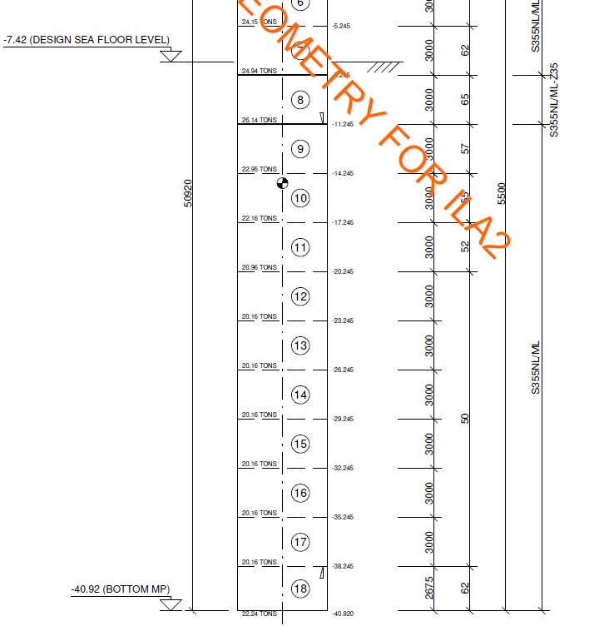

 |  |  |  |  |  |  |  |  |  |  |  |  |  |  |  |  |  |  |  |  |  |  |  |  |  |  |  |  |  |  | skin | tip | Nq
 |  |  |  |  |  |  |  |  |  |  |  |  |  |  |  |  |  |  |  |  |  |  |  |  |  |  |  |  |  | delta | f1 | q1
 |  |  |  |  |  |  |  |  |  |  |  |  |  |  |  |  |  |  |  |  |  |  |  |  |  |  |  |  |  | 15 | 48 | 1900 | 8
 |  |  |  |  |  |  |  |  |  |  |  |  |  |  |  |  |  |  |  |  |  |  |  |  |  |  |  |  |  | 16 | 51.8 | 2100 | 8.8
 |  |  |  |  |  |  |  |  |  |  |  |  |  |  |  |  |  |  |  |  |  |  |  |  |  |  |  |  |  | 17 | 55.6 | 2300 | 9.6
 |  |  |  |  |  |  |  |  |  |  |  |  |  |  |  |  |  |  |  |  |  |  |  |  |  |  |  |  |  | 18 | 59.4 | 2500 | 10.4
 |  |  |  |  |  |  |  |  |  |  |  |  |  |  |  |  |  |  |  |  |  |  |  |  |  |  |  |  |  | 19 | 63.2 | 2700 | 11.2
 |  |  |  |  |  |  |  |  |  |  |  |  |  |  |  |  |  |  |  |  |  |  |  |  |  |  |  |  |  | 20 | 67 | 2900 | 12
 |  |  |  |  |  |  |  |  |  |  |  |  |  |  |  |  |  |  |  |  |  |  |  |  |  |  |  |  |  | 21 | 69.8 | 3280 | 13.6
 |  |  |  |  |  |  |  |  |  |  |  |  |  |  |  |  |  |  |  |  |  |  |  |  |  |  |  |  |  | 22 | 72.6 | 3660 | 15.2
 |  |  |  |  |  |  |  |  |  |  |  |  |  |  |  |  |  |  |  |  |  |  |  |  |  |  |  |  |  | 23 | 75.4 | 4040 | 16.8
 |  |  |  |  |  |  |  |  |  |  |  |  |  |  |  |  |  |  |  |  |  |  |  |  |  |  |  |  |  | 24 | 78.2 | 4420 | 18.4
 |  |  |  |  |  |  |  |  |  |  |  |  |  |  |  |  |  |  |  |  |  |  |  |  |  |  |  |  |  | 25 | 81 | 4800 | 20
 |  |  |  |  |  |  |  |  |  |  |  |  |  |  |  |  |  |  |  |  |  |  |  |  |  |  |  |  |  | 26 | 84 | 5760 | 24
 |  |  |  |  |  |  |  |  |  |  |  |  |  |  |  |  |  |  |  |  |  |  |  |  |  |  |  |  |  | 27 | 87 | 6720 | 28
 |  |  |  |  |  |  |  |  |  |  |  |  |  |  |  |  |  |  |  |  |  |  |  |  |  |  |  |  |  | 28 | 90 | 7680 | 32
 |  |  |  |  |  |  |  |  |  |  |  |  |  |  |  |  |  |  |  |  |  |  |  |  |  |  |  |  |  | 29 | 93 | 8640 | 36
 |  |  |  |  |  |  |  |  |  |  |  |  |  |  |  |  |  |  |  |  |  |  |  |  |  |  |  |  |  | 30 | 96 | 9600 | 40
 |  |  |  |  |  |  |  |  |  |  |  |  |  |  |  |  |  |  |  |  |  |  |  |  |  |  |  |  |  | 31 | 99.8 | 10080 | 42
 |  |  |  |  |  |  |  |  |  |  |  |  |  |  |  |  |  |  |  |  |  |  |  |  |  |  |  |  |  | 32 | 103.6 | 10560 | 44
 |  |  |  |  |  |  |  |  |  |  |  |  |  |  |  |  |  |  |  |  |  |  |  |  |  |  |  |  |  | 33 | 107.4 | 11040 | 46
 |  |  |  |  |  |  |  |  |  |  |  |  |  |  |  |  |  |  |  |  |  |  |  |  |  |  |  |  |  | 34 | 111.2 | 11520 | 48
 |  |  |  |  |  |  |  |  |  |  |  |  |  |  |  |  |  |  |  |  |  |  |  |  |  |  |  |  |  | 35 | 115 | 12000 | 50

