Pieces
# | Photo | Category | Current name on site | Status | Name (Tom) | Metal / carat | Weight (g) | Length / size | Year / ref | Notes | Image link
0 | 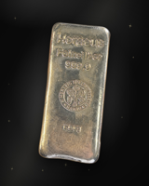 | Coins & Bullion | Cast Silver Bar, 500 g | Needs a name |  |  |  |  |  |  | https://sl-jewellers-next.vercel.app/images/pieces/bullion/00-06134f88.jpg
1 | 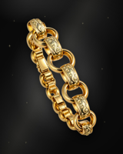 | Bracelets | Tulip x Belcher Bracelet | Our guess from your captions, please confirm |  |  |  |  |  |  | https://sl-jewellers-next.vercel.app/images/pieces/bracelets/01-0931defb.jpg
2 | 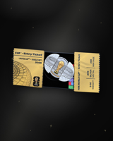 | Coins & Bullion | FIFA World Cup Gold Bar Cards | Needs a name |  |  |  |  |  |  | https://sl-jewellers-next.vercel.app/images/pieces/bullion/02-0ab6cf47.jpg
3 | 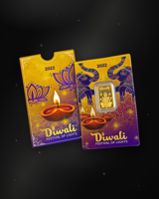 | Coins & Bullion | Diwali Gold Bar Cards | Needs a name |  |  |  |  |  |  | https://sl-jewellers-next.vercel.app/images/pieces/bullion/03-13e1a2e7.jpg
4 | 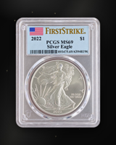 | Coins & Bullion | Graded Silver Eagle, 2022 | Needs a name |  |  |  |  |  |  | https://sl-jewellers-next.vercel.app/images/pieces/bullion/04-168ad35e.jpg
5 | 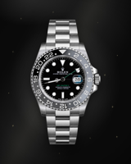 | Watches | GMT-Master II 'Bruce Wayne', 126710GRNR, Full Set | Our guess from your captions, please confirm |  |  |  |  |  |  | https://sl-jewellers-next.vercel.app/images/pieces/watches/05-1983460d.jpg
6 | 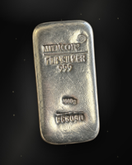 | Coins & Bullion | Cast Silver Bar | Needs a name |  |  |  |  |  |  | https://sl-jewellers-next.vercel.app/images/pieces/bullion/06-201e6e48.jpg
7 | 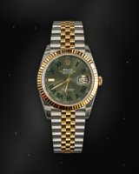 | Watches | Two-Tone Watch, Green Dial | Needs a name |  |  |  |  |  |  | https://sl-jewellers-next.vercel.app/images/pieces/watches/07-2184a9f5.jpg
8 | 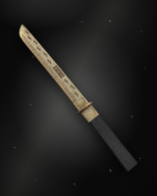 | Collectibles | Divine Weapons Silver Blade | Needs a name |  |  |  |  |  |  | https://sl-jewellers-next.vercel.app/images/pieces/collectibles/08-2204ae30.jpg
9 | 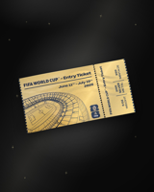 | Coins & Bullion | FIFA World Cup Gold Ticket Card | Needs a name |  |  |  |  |  |  | https://sl-jewellers-next.vercel.app/images/pieces/bullion/09-24176be3.jpg
10 | 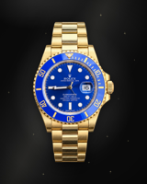 | Watches | Gold Diver, Blue Dial | Needs a name |  |  |  |  |  |  | https://sl-jewellers-next.vercel.app/images/pieces/watches/10-2b53eb0c.jpg
11 | 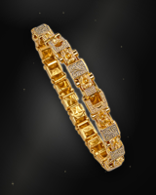 | Bracelets | Stars & Bars Bracelet, 42.8 g, 9 in | Confirmed from your caption |  |  |  |  |  |  | https://sl-jewellers-next.vercel.app/images/pieces/bracelets/11-2b564db0.jpg
12 | 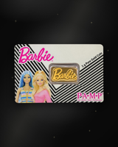 | Coins & Bullion | Barbie Gold Bar Card | Needs a name |  |  |  |  |  |  | https://sl-jewellers-next.vercel.app/images/pieces/bullion/12-3052367b.jpg
13 | 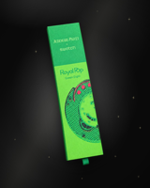 | Watches | Royal Pop Green Watch, Boxed | Needs a name |  |  |  |  |  |  | https://sl-jewellers-next.vercel.app/images/pieces/watches/13-33cc7c8f.jpg
14 | 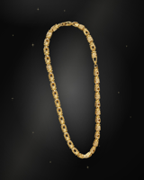 | Chains & Necklaces | Gold Fancy-Link Chain | Needs a name |  |  |  |  |  |  | https://sl-jewellers-next.vercel.app/images/pieces/chains/14-3c619039.jpg
15 | 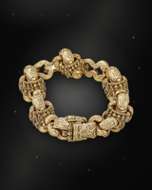 | Bracelets | Engraved Gold Link Bracelet | Needs a name |  |  |  |  |  |  | https://sl-jewellers-next.vercel.app/images/pieces/bracelets/15-3f11ad50.jpg
16 | 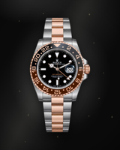 | Watches | GMT-Master II 'Root Beer', Two-Tone | Our guess from your captions, please confirm |  |  |  |  |  |  | https://sl-jewellers-next.vercel.app/images/pieces/watches/16-485dc162.jpg
17 | 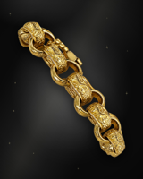 | Bracelets | Acorn Bracelet, 37 g, 8.5 in | Our guess from your captions, please confirm |  |  |  |  |  |  | https://sl-jewellers-next.vercel.app/images/pieces/bracelets/17-487fa377.jpg
18 | 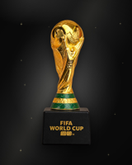 | Collectibles | World Cup Trophy Replica | Needs a name |  |  |  |  |  |  | https://sl-jewellers-next.vercel.app/images/pieces/collectibles/18-4d02740d.jpg
19 | 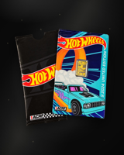 | Collectibles | Hot Wheels Gold Bar Card | Needs a name |  |  |  |  |  |  | https://sl-jewellers-next.vercel.app/images/pieces/collectibles/19-4fd0c077.jpg
20 | 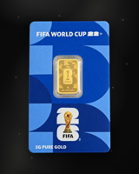 | Coins & Bullion | FIFA World Cup Gold Bar Card | Needs a name |  |  |  |  |  |  | https://sl-jewellers-next.vercel.app/images/pieces/bullion/20-57b39cb7.jpg
21 | 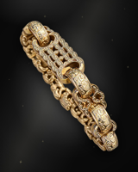 | Bracelets | Gold Fancy-Link Bracelet, Engraved | Needs a name |  |  |  |  |  |  | https://sl-jewellers-next.vercel.app/images/pieces/bracelets/21-59aae6d4.jpg
22 | 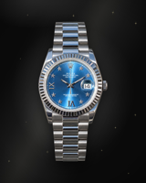 | Watches | Datejust 41 Azzurro, 116334, 2018, Box, Booklets & Card | Confirmed from your caption |  |  |  |  |  |  | https://sl-jewellers-next.vercel.app/images/pieces/watches/22-5bf77de9.jpg
23 | 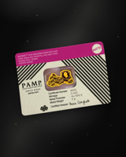 | Coins & Bullion | PAMP Gold Bar in Assay Card | Needs a name |  |  |  |  |  |  | https://sl-jewellers-next.vercel.app/images/pieces/bullion/23-5cdb5c2e.jpg
24 | 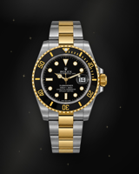 | Watches | Two-Tone Submariner, Black Dial, Full Set | Our guess from your captions, please confirm |  |  |  |  |  |  | https://sl-jewellers-next.vercel.app/images/pieces/watches/24-5cf459b5.jpg
25 | 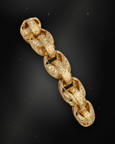 | Bracelets | Tulip Bracelet, 41.5 g, 9 in | Confirmed from your caption |  |  |  |  |  |  | https://sl-jewellers-next.vercel.app/images/pieces/bracelets/25-6f5a63b1.jpg
26 | 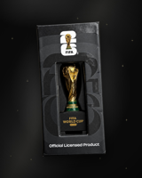 | Collectibles | World Cup Trophy Replica, Boxed | Needs a name |  |  |  |  |  |  | https://sl-jewellers-next.vercel.app/images/pieces/collectibles/26-7360355a.jpg
27 | 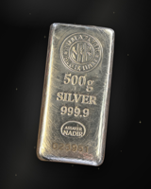 | Coins & Bullion | Cast Silver Bar, 500 g | Needs a name |  |  |  |  |  |  | https://sl-jewellers-next.vercel.app/images/pieces/bullion/27-74803551.jpg
28 | 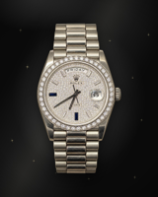 | Watches | Steel Watch, Silver Dial | Needs a name |  |  |  |  |  |  | https://sl-jewellers-next.vercel.app/images/pieces/watches/28-7f93acb2.jpg
29 | 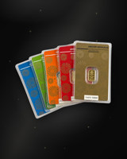 | Coins & Bullion | Gold Bar Cards, Set of Six | Needs a name |  |  |  |  |  |  | https://sl-jewellers-next.vercel.app/images/pieces/bullion/29-80d04001.jpg
30 | 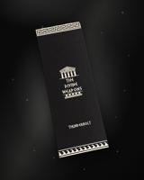 | Collectibles | Divine Weapons Thunderbolt, Boxed | Needs a name |  |  |  |  |  |  | https://sl-jewellers-next.vercel.app/images/pieces/collectibles/30-812f766e.jpg
31 | 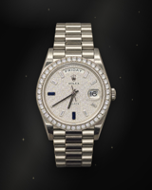 | Watches | Datejust 36, 16234, Diamond Dial & Bezel | Our guess from your captions, please confirm |  |  |  |  |  |  | https://sl-jewellers-next.vercel.app/images/pieces/watches/31-8bb44ba1.jpg
32 | 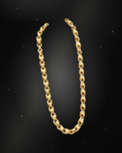 | Chains & Necklaces | Gold Belcher Chain | Needs a name |  |  |  |  |  |  | https://sl-jewellers-next.vercel.app/images/pieces/chains/32-9abd23e2.jpg
33 | 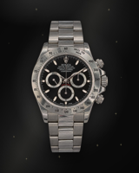 | Watches | Steel Chronograph, Black Dial | Needs a name |  |  |  |  |  |  | https://sl-jewellers-next.vercel.app/images/pieces/watches/33-9c5e0b66.jpg
34 | 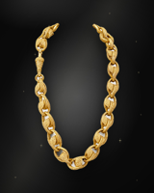 | Chains & Necklaces | Engraved Gold Link Chain | Needs a name |  |  |  |  |  |  | https://sl-jewellers-next.vercel.app/images/pieces/chains/34-9cff38b1.jpg
35 | 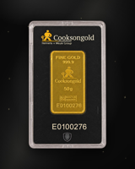 | Coins & Bullion | Cooksongold Gold Bar | Needs a name |  |  |  |  |  |  | https://sl-jewellers-next.vercel.app/images/pieces/bullion/35-ac1d10c7.jpg
36 | 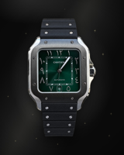 | Watches | Square Steel Watch, Green Dial | Needs a name |  |  |  |  |  |  | https://sl-jewellers-next.vercel.app/images/pieces/watches/36-b1707791.jpg
37 | 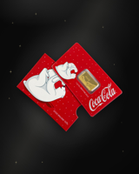 | Collectibles | Coca-Cola Gold Bar Card | Needs a name |  |  |  |  |  |  | https://sl-jewellers-next.vercel.app/images/pieces/collectibles/37-b9809567.jpg
38 | 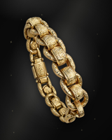 | Bracelets | Patterned Rollerball Bracelet | Our guess from your captions, please confirm |  |  |  |  |  |  | https://sl-jewellers-next.vercel.app/images/pieces/bracelets/38-b9c8a453.jpg
39 | 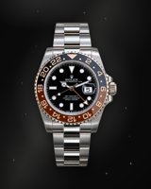 | Watches | GMT-Master II 'Pepsi', 2022, Full Set | Our guess from your captions, please confirm |  |  |  |  |  |  | https://sl-jewellers-next.vercel.app/images/pieces/watches/39-c017f1f6.jpg
40 | 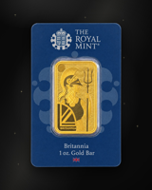 | Coins & Bullion | Royal Mint Britannia 1 oz Gold Bar | Needs a name |  |  |  |  |  |  | https://sl-jewellers-next.vercel.app/images/pieces/bullion/40-c79c9287.jpg
41 | 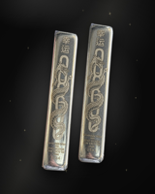 | Coins & Bullion | Pair of Dragon Silver Bars | Needs a name |  |  |  |  |  |  | https://sl-jewellers-next.vercel.app/images/pieces/bullion/41-ca0fac5a.jpg
42 | 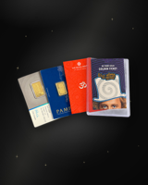 | Coins & Bullion | PAMP Gold Bar Cards, Set of Three | Needs a name |  |  |  |  |  |  | https://sl-jewellers-next.vercel.app/images/pieces/bullion/42-d2c95999.jpg
43 | 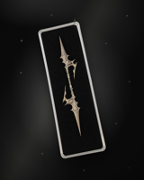 | Collectibles | Divine Weapons Silver Spear, Boxed | Needs a name |  |  |  |  |  |  | https://sl-jewellers-next.vercel.app/images/pieces/collectibles/43-d55186b9.jpg
44 | 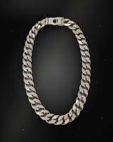 | Chains & Necklaces | XL Curb Chain, 234.7 g | Our guess from your captions, please confirm |  |  |  |  |  |  | https://sl-jewellers-next.vercel.app/images/pieces/chains/44-d9815a07.jpg
45 | 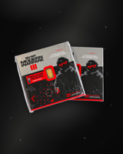 | Collectibles | Modern Warfare Gold Bar Cards, Pair | Needs a name |  |  |  |  |  |  | https://sl-jewellers-next.vercel.app/images/pieces/collectibles/45-e08127f3.jpg
46 | 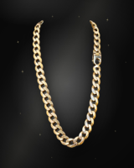 | Chains & Necklaces | Gold Curb Chain | Needs a name |  |  |  |  |  |  | https://sl-jewellers-next.vercel.app/images/pieces/chains/46-e3559abd.jpg
47 | 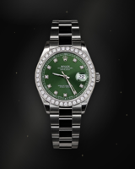 | Watches | Green Dial, Diamond Bezel | Needs a name |  |  |  |  |  |  | https://sl-jewellers-next.vercel.app/images/pieces/watches/47-e3bf299e.jpg
48 | 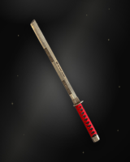 | Collectibles | Divine Weapons Silver Katana | Needs a name |  |  |  |  |  |  | https://sl-jewellers-next.vercel.app/images/pieces/collectibles/48-e53c95c0.jpg
49 | 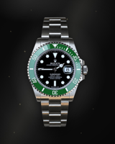 | Watches | Steel Diver, Green Bezel | Needs a name |  |  |  |  |  |  | https://sl-jewellers-next.vercel.app/images/pieces/watches/49-ea056444.jpg
50 |  | Collectibles | Invincible Comics, Sealed | Needs a name |  |  |  |  |  |  | https://sl-jewellers-next.vercel.app/images/pieces/collectibles/50-ea25e849.jpg
51 |  | Watches | Datejust 36, 16233, Factory Diamond Buckley Dial | Our guess from your captions, please confirm |  |  |  |  |  |  | https://sl-jewellers-next.vercel.app/images/pieces/watches/51-eb26f164.jpg
52 |  | Coins & Bullion | PAMP Gold Bar Cards, Pair | Needs a name |  |  |  |  |  |  | https://sl-jewellers-next.vercel.app/images/pieces/bullion/52-eba5168a.jpg
53 |  | Chains & Necklaces | Gold Rope Chain | Needs a name |  |  |  |  |  |  | https://sl-jewellers-next.vercel.app/images/pieces/chains/53-efa00535.jpg
54 |  | Watches | Datejust 36 Two-Tone, 16233, Box & Papers | Our guess from your captions, please confirm |  |  |  |  |  |  | https://sl-jewellers-next.vercel.app/images/pieces/watches/54-f26b7489.jpg
55 |  | Coins & Bullion | Graded Gold Proof Coin | Needs a name |  |  |  |  |  |  | https://sl-jewellers-next.vercel.app/images/pieces/bullion/55-fc3cb294.jpg
56 |  | Chains & Necklaces | Gold Cuban Chain | Needs a name |  |  |  |  |  |  | https://sl-jewellers-next.vercel.app/images/pieces/chains/56-750751bb.jpg
57 |  | Watches | Yacht-Master 40, 126622, 2021, Box & Card | Confirmed from your caption |  |  |  |  |  |  | https://sl-jewellers-next.vercel.app/images/pieces/watches/57-17c5c1e6.jpg
58 |  | Chains & Necklaces | Stone-Set Fancy-Link Chain | Needs a name |  |  |  |  |  |  | https://sl-jewellers-next.vercel.app/images/pieces/chains/58-2177fc82.jpg

