Sheet1
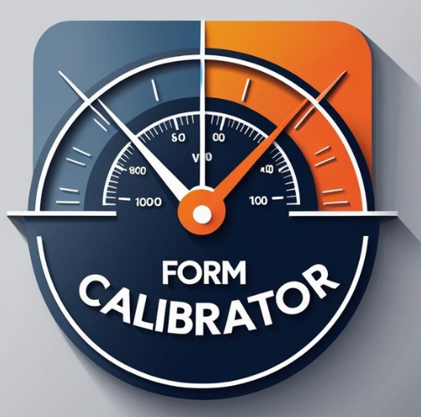
 | Learning & Development Team
 | Trainer Observation Form

Trainer Name
Name of the Evaluator
Observation Date
Observation Time
Class name/topic
Course Duration (In Mins.)

1. Classroom Readiness | 0%
2. Facilitator Readiness | 0%
3. Training Introduction | 0%
4. Facilitation Skills | 0%
5. Content / Subject Matter Expertise | 0%
6. Classroom Management / Professionalism | 0%
7. Closing | 0%
Overall Score | 0.00%

1. Classroom Readiness | Rating | Comments
Preparedness and Utilization of Training Equipment's / Technology |  | Comments:
Availability and Organization of Training Materials and Supplies
Provision and Display of Learner Name Tents
Maintenance of a Professional and Organized Classroom Environment

2. Facilitator Readiness | Rating | Comments
Facilitator Presence at Least 15 Minutes Prior to Session Start
Establishment of a Positive Learning Environment through Rapport Building
Adherence to Scheduled Session Start and End Times

3. Training Introduction | Rating | Comments
Utilization of an Engaging and Impactful Opening
Clearly Communicated the “What’s In It For Me” (WIIFM) to Learners
Clear Communication of Learning Objectives
Encouragement of Learner Participation in Identifying Additional Learning Objectives

4. Facilitation Skills | Rating | Comments
Effective Use of Vocal Dynamics (Voice and Tone)
Adaptation of Speech Rate to Support Learner Needs
Use of Clear and Appropriate Language
Consistent and Engaging Eye Contact
Recognition and Response to Non-Verbal Cues
Posture and Body Language Demonstration
Effective Use of Hand Gestures and Facial Expressions
Accuracy and Clarity in Responding to Learner Questions
Engagement and Sustained Learner Interest
Seamless Use of Transitions Between Topics
Consistent Reinforcement of Key Learning Points

5. Content / Subject Matter Expertise | Rating | Comments
Effective Use of Facilitator Guide and Training Materials
Ensured completeness of training /content delivered
Accuracy and Reliability of Training Information
Effective Facilitation and Management of Learning Activities
Comprehensive Debriefing to Reinforce Learning Transfer

6. Classroom Management /Professionalism | Rating | Comments
Approachability and Confidence
Professional Appearance and Attire
Creative Problem-Solving in Ambiguous Situations
Timely and Appropriate Management of Inappropriate Behavior
Respect and Recognition of Adult Learners
Minimization of Trainer Distractions

7. Closing
Summary of Key Points and Identification of Learning Gaps
Completion and Accuracy of Knowledge and Skills Assessment
Facilitation of Learner Feedback through Level 1 Evaluations

Recommendations

