BUG1
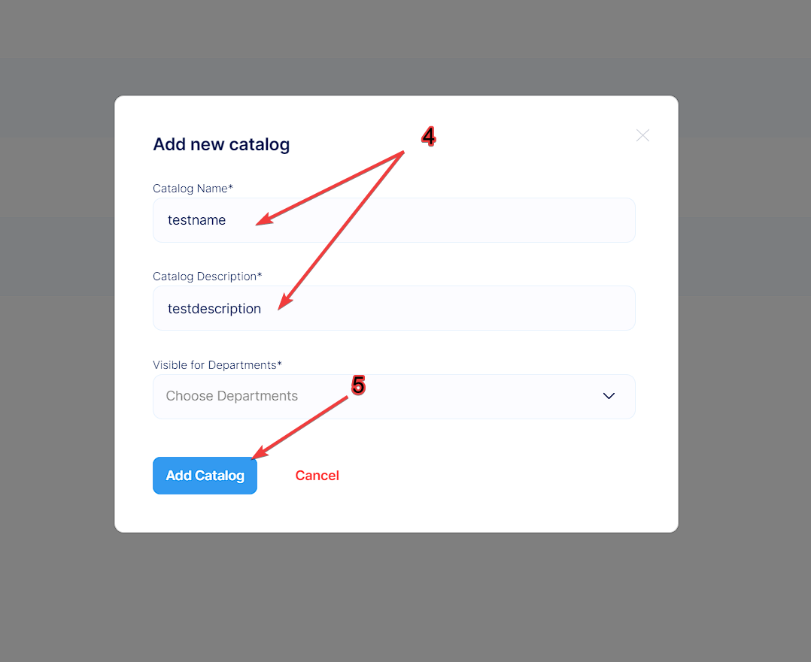
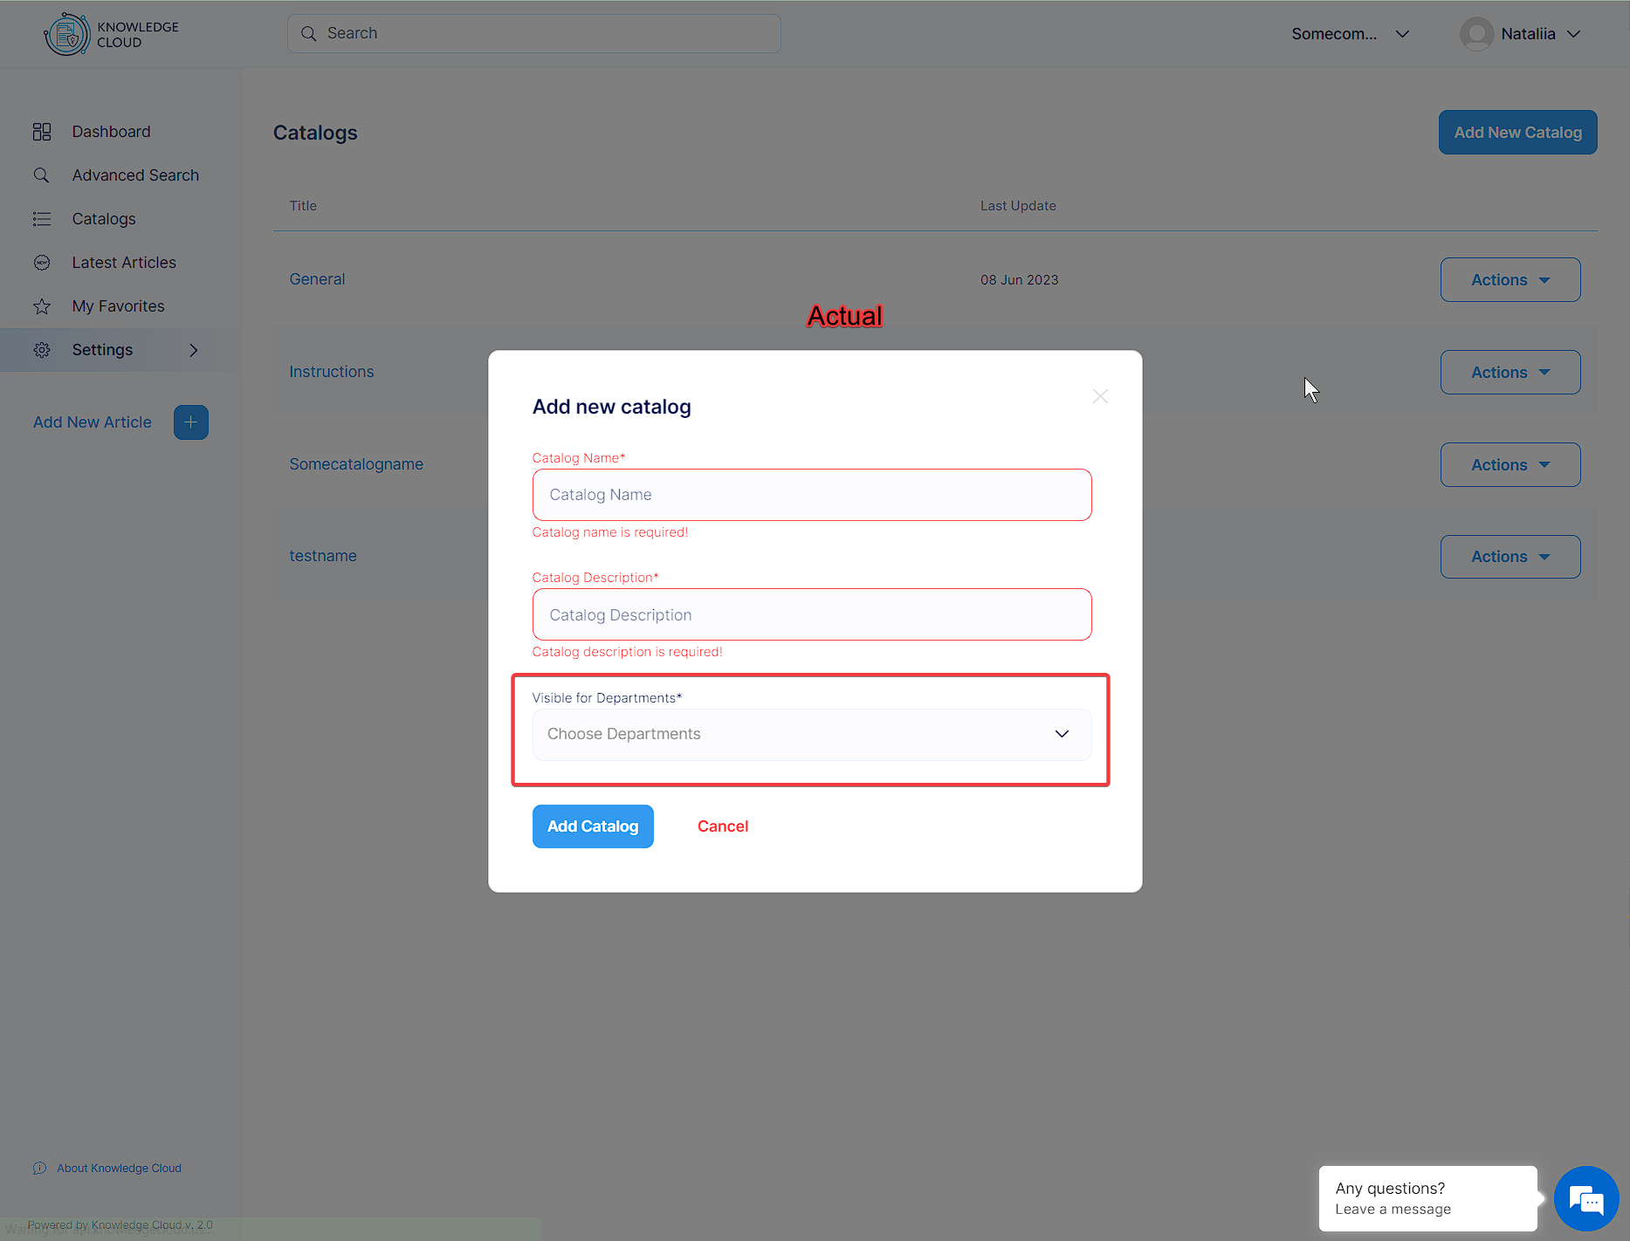
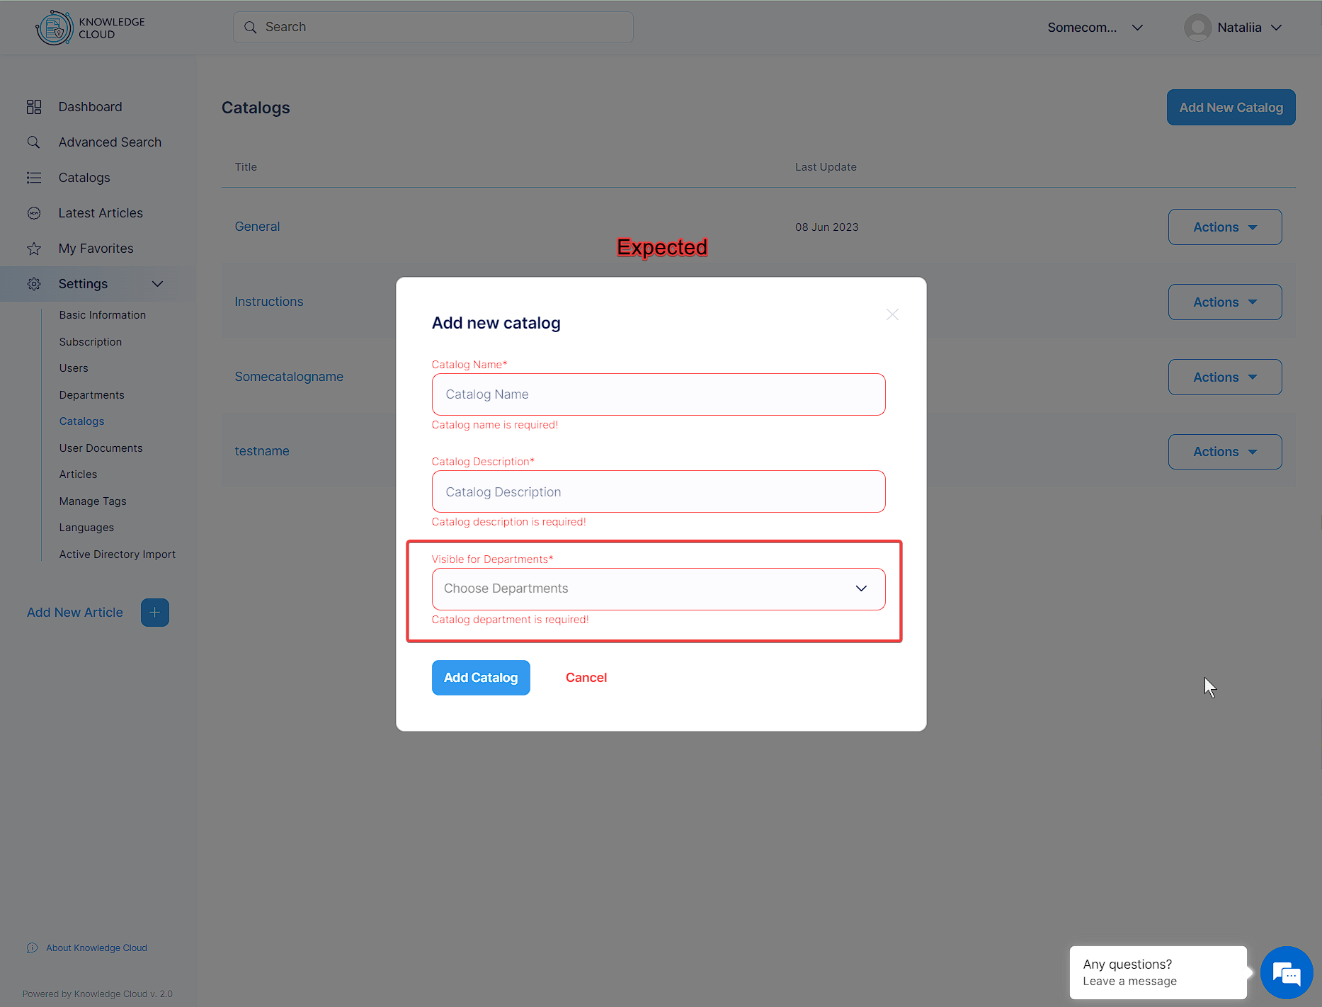
Test Case ID: | 1 | Pass/Fail: | Untested
Severity: | Major | Status | Open
Priority: | Medium | Resolution | Unresolved
Summary: | Catalogs/ Add new/ Adding new catalog without choosing the Department
Epic: | - | Assigned To: | Resp Dev
Labels | - | Created by | Nataliia Taranina
Fix Version | -
Reproducibility | Always
# | Pre-Conditions:
1 | Go to https://knowledgecloud.us
2 | Log in using the test credentials: test001@gmail.com; Mnbvcxz09876!
Step# | Step Description
1 | Click on "Settings" button in the "left-nav-menu"
2 | Click on "Catalogs" button in the dropdown menu
3 | Click on "Add New Catalog" button at the top right corner
4 | Input some data in the 'Catalog Name/Catalog Description' fields in the appeared pop-up
5 | Click on "Add Catalog" button
Actual Result
The user can add new catalog without choosing any department
Expected Result
The notification 'Catalogs department is required!' is appeared when the user is trying to add a new catalog without choosing any department. 'Visible for Departments*' field is a Required field.
Attachments:

BUG2
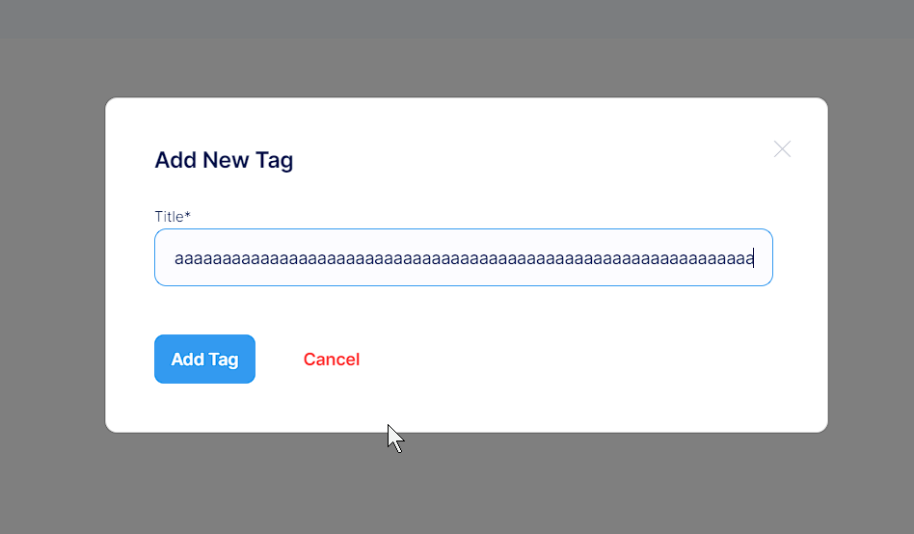
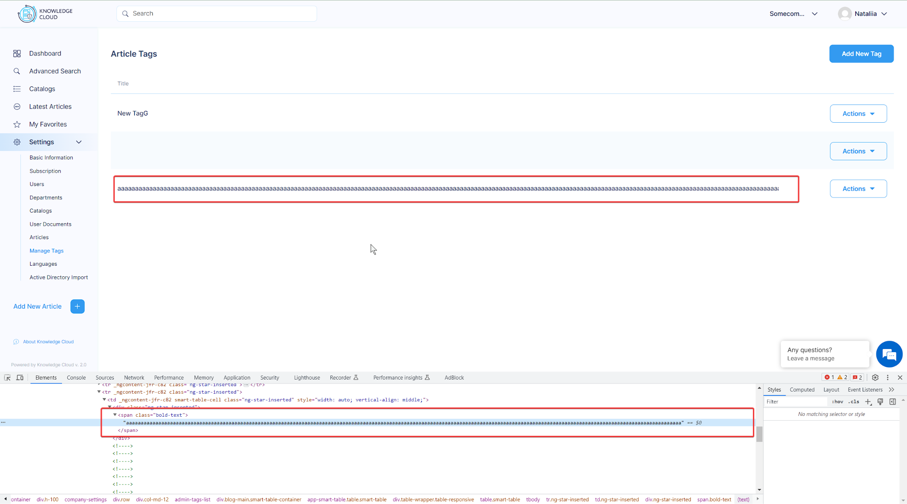
Test Case ID: | 2 | Pass/Fail: | Untested
Severity: | Minor | Status | Open
Priority: | Low | Resolution | Unresolved
Summary: | Manage Tags/ Add new/ 'Title' field has no symbol limit
Epic: | - | Assigned To: | Resp Dev
Labels | - | Created by | Nataliia Taranina
Fix Version | -
Reproducibility | Always
# | Pre-Conditions:
1 | Go to https://knowledgecloud.us
2 | Log in using the test credentials: test001@gmail.com; Mnbvcxz09876!
Step# | Step Description
1 | Click on "Settings" button in the "left-nav-menu"
2 | Click on "Manage Tags" button in the dropdown menu
3 | Click on "Add New Tag" button at the top right corner
4 | Input some large data in the 'Title' field in the appeared pop-up
Actual Result
The user can add infinite quantity of symbols in the 'Title*' field
Expected Result
Title' field limit is 44 symbols
Additional info:
According to symbol limit for 'Catalog Name*' and 'Catalog Description*' fields, symbol limit = 44
Attachments:

BUG3
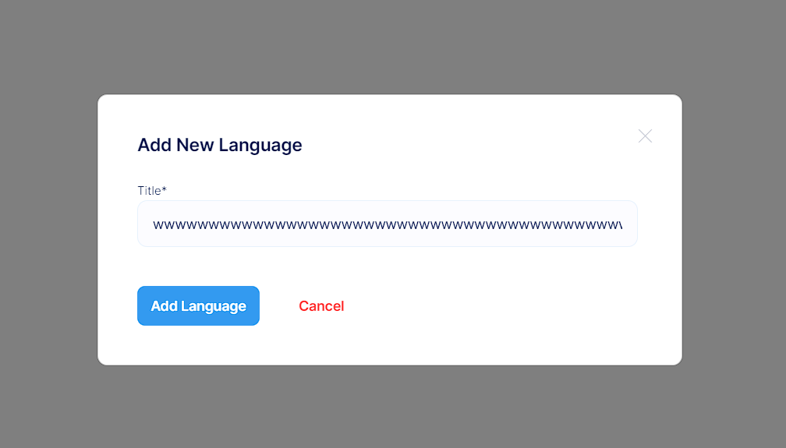
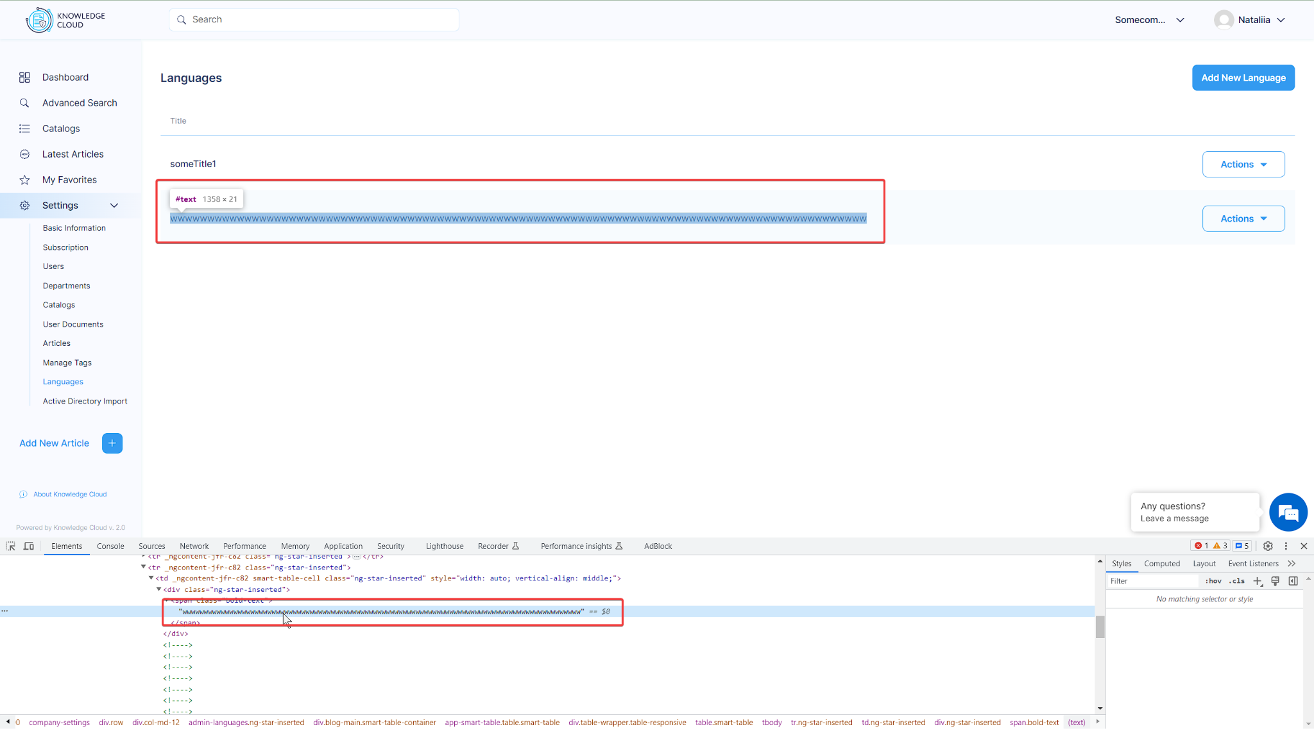
Test Case ID: | 3 | Pass/Fail: | Untested
Severity: | Minor | Status | Open
Priority: | Low | Resolution | Unresolved
Summary: | Languages/ Add new/ 'Title' field has no symbol limit
Epic: | - | Assigned To: | Resp Dev
Labels | - | Created by | Nataliia Taranina
Fix Version | -
Reproducibility | Always
# | Pre-Conditions:
1 | Go to https://knowledgecloud.us
2 | Log in using the test credentials: test001@gmail.com; Mnbvcxz09876!
Step# | Step Description
1 | Click on "Settings" button in the "left-nav-menu"
2 | Click on "Languages" button in the dropdown menu
3 | Click on "Add New Language" button at the top right corner
4 | Input some large data in the 'Title' field in the appeared pop-up
Actual Result
The user can add infinite quantity of symbols in the 'Title*' field
Expected Result
Title' field limit is 44 symbols
Additional info:
According to symbol limit for 'Catalog Name*' and 'Catalog Description*' fields, symbol limit = 44
Attachments:

BUG4
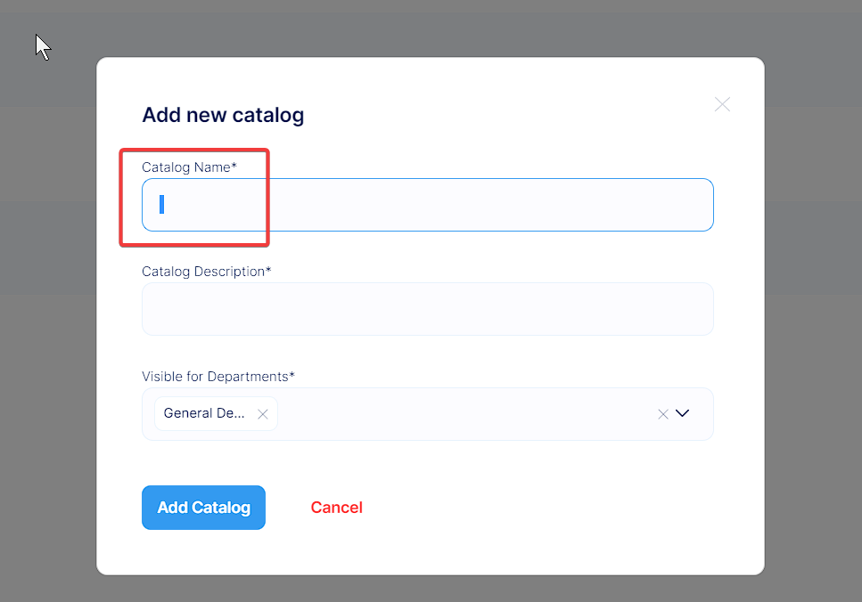
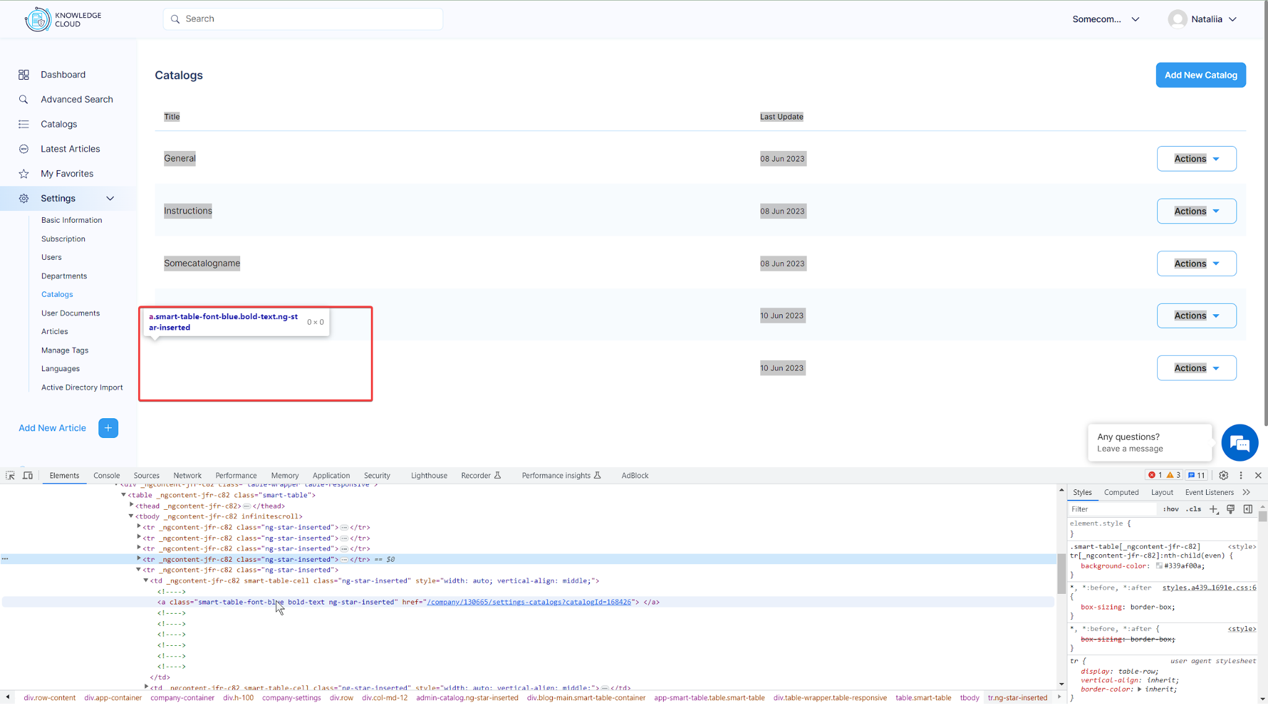
Test Case ID: | 4 | Pass/Fail: | Untested
Severity: | Major | Status | Open
Priority: | High | Resolution | Unresolved
Summary: | Catalogs/ Add new/ Creation of a new catalog with only a space character (' ')
Epic: | - | Assigned To: | Resp Dev
Labels | - | Created by | Nataliia Taranina
Fix Version | -
Reproducibility | Always
# | Pre-Conditions:
1 | Go to https://knowledgecloud.us
2 | Log in using the test credentials: test001@gmail.com; Mnbvcxz09876!
Step# | Step Description
1 | Click on "Settings" button in the "left-nav-menu"
2 | Click on "Catalogs" button in the dropdown menu
3 | Click on "Add New Catalog' button at the top right corner
4 | Enter a single space character (' ') as the Catalog Name* and Catalog Description* in the appeared pop-up
5 | Choose the department
6 | Click on "Add Catalog" button
Actual Result
The user can add new catalog with only a single space character (' ') in the Catalog Name* and Catalog Description* fields
Expected Result
The system should validate the input and prevent the creation of a new catalog with only a space character. It should display an appropriate error message informing the user that the catalog name cannot contain only whitespace.
Attachments:

BUG5
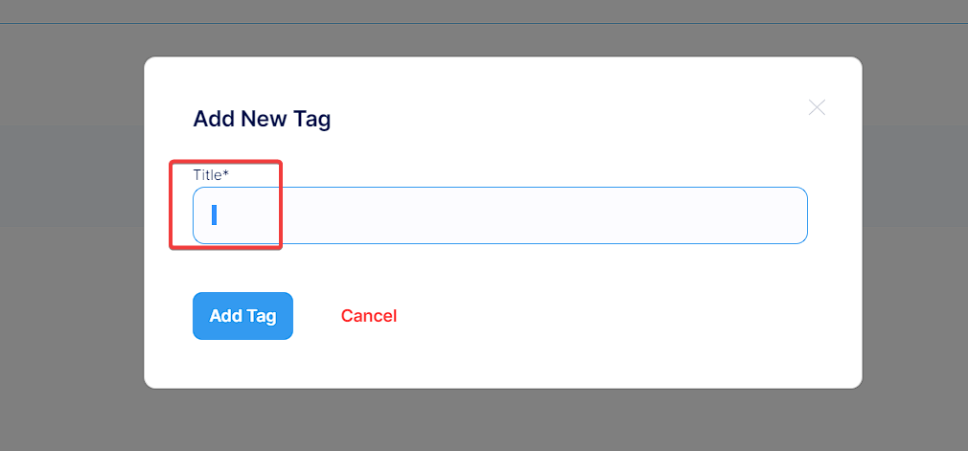
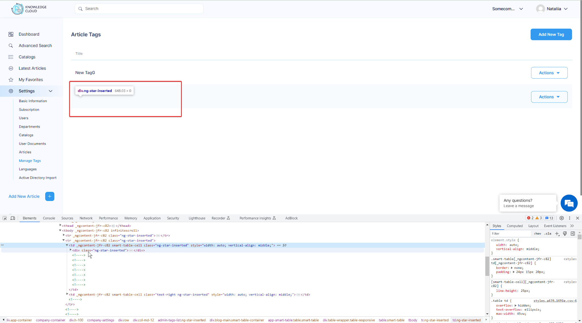
Test Case ID: | 5 | Pass/Fail: | Untested
Severity: | Major | Status | Open
Priority: | High | Resolution | Unresolved
Summary: | Manage Tags/ Add new/ Creation of a new tag with only a space character (' ')
Epic: | - | Assigned To: | Resp Dev
Labels | - | Created by | Nataliia Taranina
Fix Version | -
Reproducibility | Always
# | Pre-Conditions:
1 | Go to https://knowledgecloud.us
2 | Log in using the test credentials: test001@gmail.com; Mnbvcxz09876!
Step# | Step Description
1 | Click on "Settings" button in the "left-nav-menu"
2 | Click on "Manage Tags" button in the dropdown menu
3 | Click on "Add New Tag' button at the top right corner
4 | Enter a single space character (' ') as the 'Title*' in the appeared pop-up
6 | Click on "Add Tag" button
Actual Result
The user can add new tag with only a single space character (' ') in the 'Title*' field
Expected Result
The system should validate the input and prevent the creation of a new tag with only a space character. It should display an appropriate error message informing the user that the Tag Title cannot contain only whitespace.
Attachments:

BUG6
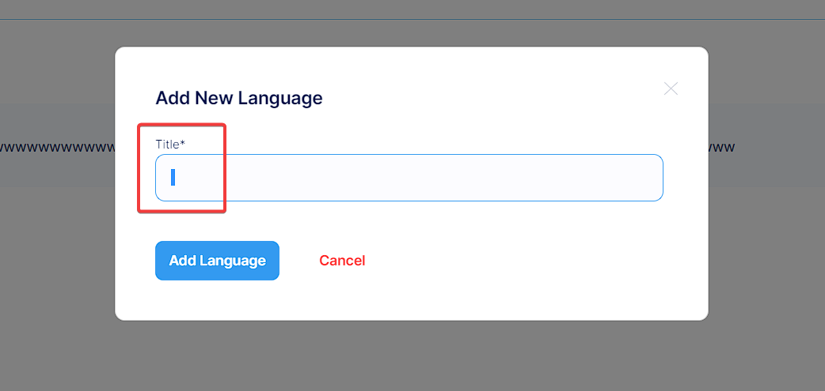
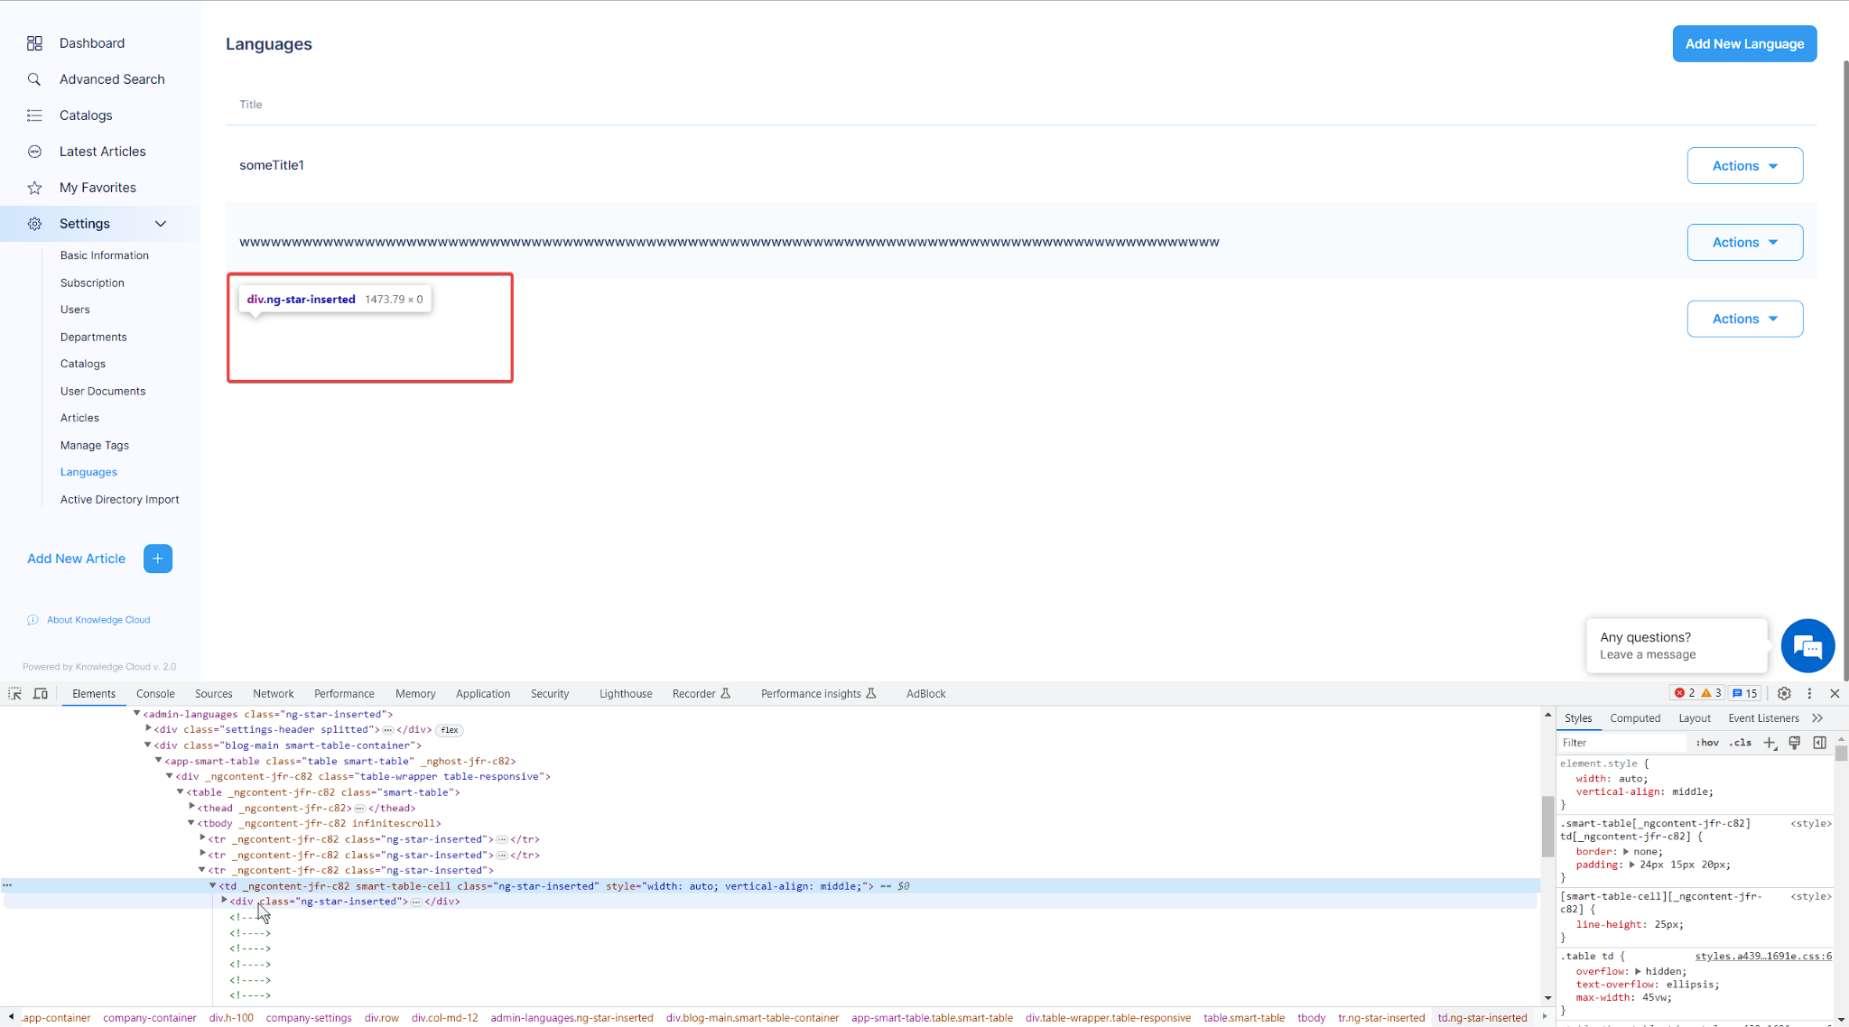
Test Case ID: | 6 | Pass/Fail: | Untested
Severity: | Major | Status | Open
Priority: | High | Resolution | Unresolved
Summary: | Languages/ Add new/ Creation of a new language with only a space character (' ')
Epic: | - | Assigned To: | Resp Dev
Labels | - | Created by | Nataliia Taranina
Fix Version | -
Reproducibility | Always
# | Pre-Conditions:
1 | Go to https://knowledgecloud.us
2 | Log in using the test credentials: test001@gmail.com; Mnbvcxz09876!
Step# | Step Description
1 | Click on "Settings" button in the "left-nav-menu"
2 | Click on "Languages" button in the dropdown menu
3 | Click on "Add New Language' button at the top right corner
4 | Enter a single space character (' ') as the 'Title*' in the appeared pop-up
6 | Click on "Add Tag" button
Actual Result
The user can add new language with only a single space character (' ') in the 'Title*' field
Expected Result
The system should validate the input and prevent the creation of a new language with only a space character. It should display an appropriate error message informing the user that the Language Title cannot contain only whitespace.
Attachments:

New Article Test Case
NOTE: | This test case is created in the fastest way to test the functionality of the Add New Article function (not including the cancellation check) To fully check this feature, you need to check the fields for valid and invalid characters, their length etc including all the fields (not only the required ones). You also need to check the description field for the performance of all formatting, inserting links and text functions. The formatting functions can be tested using the pairwise testing technique. Additionally, check the Upload New Attachment (up to 500 MB) field for file sizes and their formats. All these checks must be carried out in accordance with the requirements.

Test Case ID: | 1 | Pass/Fail: | Untested
Priority: | High | Status | Open
Summary: | Verify the functionality of adding a New Article to the system only with the required fields
Epic: |  | Assigned To: | Nataliia Taranina
Labels |  | Created by | Nataliia Taranina
# | Pre-Conditions:
1 | Go to https://knowledgecloud.us
2 | Log in using the test credentials: test001@gmail.com; Mnbvcxz09876!
Step# | Step Description | Expected Result
1 | Click on "Add New Article" button [+] in the "left-nav-menu" | Add New Article page is opened
2 | Enter unique and valid title in the "Title" field. | The "Title" field contains data.
3 | Enter test article description in the "Description" field | The "Description" field contains data
4 | Enter 3 or more characters in the "Manager" drop-down list and select one | The "Manager" is selected
5 | Choose the article creation date in the "Article Creation Date" field if the field is empty | The "Article Creation Date" is selected
6 | Choose one or more catalogs or sub-catalogs from the "Catalogs" field. | The "Catalogs" are selected
7 | Click on the "Save and Publish" button. | The confirmation pop-up is appeared
8 | Click "Cancel" in the confirmation pop-up | The confirmation pop-up is closed
9 | Click on the "Save and Publish" button. | The confirmation pop-up is appeared
10 | Click "OK" in the confirmation pop-up | The Articles page is opened. The created article is appeared on the article page and has 'Is published' status
11 | Repeat the test steps from 1-6 | -
12 | Click on the "Save as Draft" button. | The confirmation pop-up is appeared
13 | Click "Cancel" in the confirmation pop-up | The confirmation pop-up is closed
14 | Click on the "Save as Draft" button. | The confirmation pop-up is appeared
15 | Click "OK" in the confirmation pop-up | The Articles page is opened. The created article is appeared on the article page and has 'Is not published' status
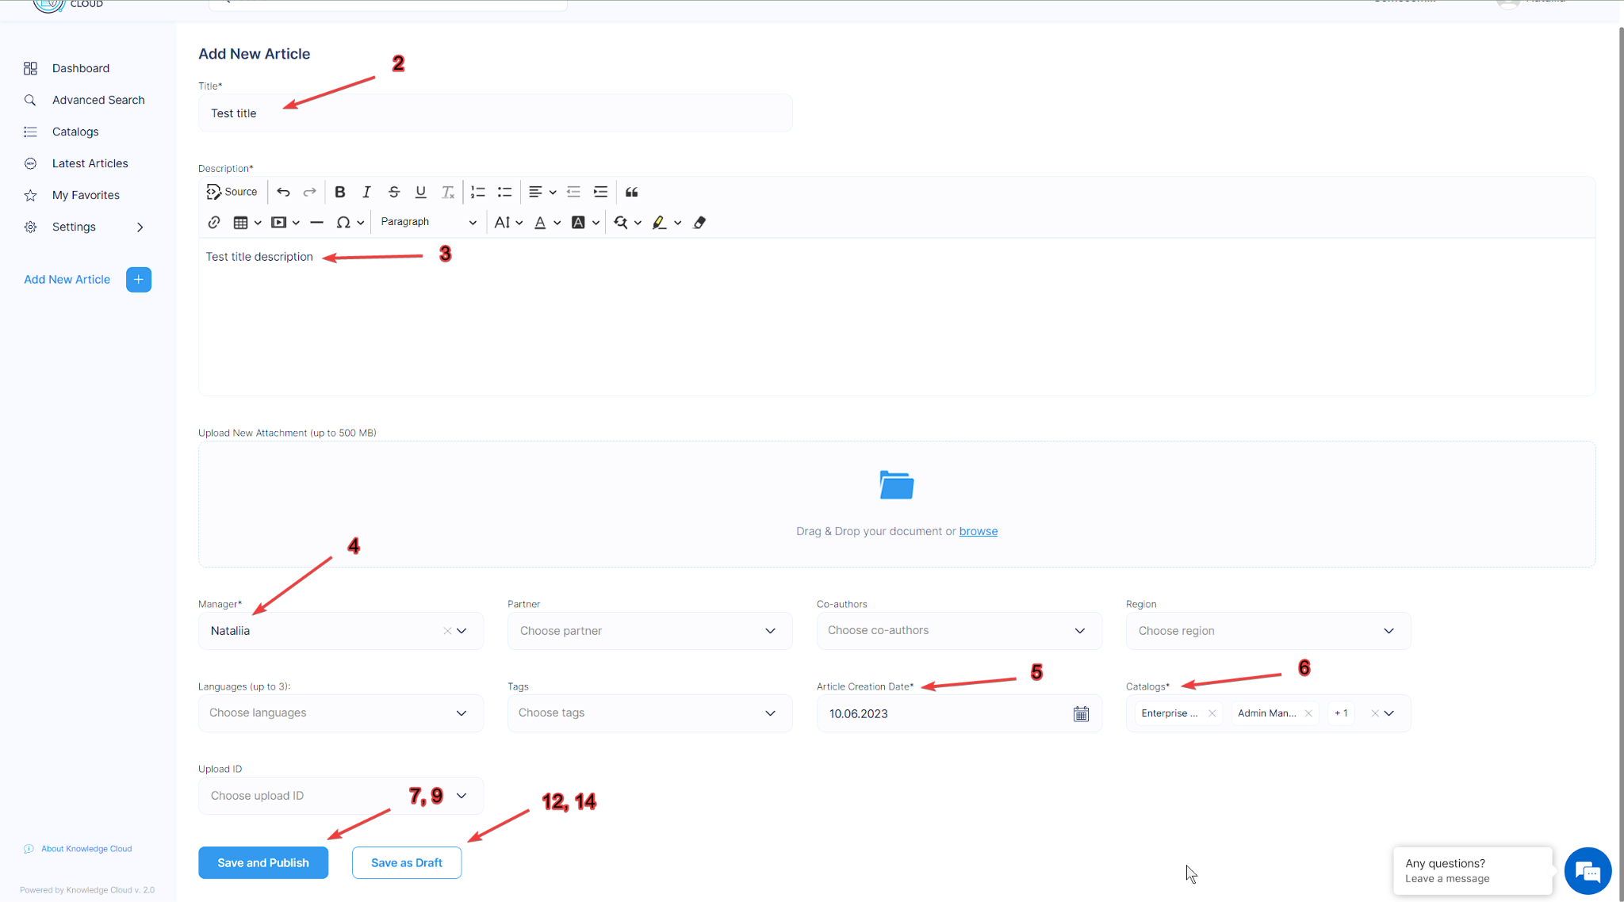
Attachments:

