New Article Test Case
NOTE: | This test case is created in the fastest way to test the functionality of the Add New Article function (not including the cancellation check) To fully check this feature, you need to check the fields for valid and invalid characters, their length etc including all the fields (not only the required ones). You also need to check the description field for the performance of all formatting, inserting links and text functions. The formatting functions can be tested using the pairwise testing technique. Additionally, check the Upload New Attachment (up to 500 MB) field for file sizes and their formats. All these checks must be carried out in accordance with the requirements.

Test Case ID: | 1 | Pass/Fail: | Untested
Priority: | High | Status | Open
Summary: | Verify the functionality of adding a New Article to the system only with the required fields
Epic: |  | Assigned To: | Nataliia Taranina
Labels |  | Created by | Nataliia Taranina
# | Pre-Conditions:
1 | Go to https://knowledgecloud.us
2 | Log in using the test credentials: test001@gmail.com; Mnbvcxz09876!
Step# | Step Description | Expected Result
1 | Click on "Add New Article" button [+] in the "left-nav-menu" | Add New Article page is opened
2 | Enter unique and valid title in the "Title" field. | The "Title" field contains data.
3 | Enter test article description in the "Description" field | The "Description" field contains data
4 | Enter 3 or more characters in the "Manager" drop-down list and select one | The "Manager" is selected
5 | Choose the article creation date in the "Article Creation Date" field if the field is empty | The "Article Creation Date" is selected
6 | Choose one or more catalogs or sub-catalogs from the "Catalogs" field. | The "Catalogs" are selected
7 | Click on the "Save and Publish" button. | The confirmation pop-up is appeared
8 | Click "Cancel" in the confirmation pop-up | The confirmation pop-up is closed
9 | Click on the "Save and Publish" button. | The confirmation pop-up is appeared
10 | Click "OK" in the confirmation pop-up | The Articles page is opened. The created article is appeared on the article page and has 'Is published' status
11 | Repeat the test steps from 1-6 | -
12 | Click on the "Save as Draft" button. | The confirmation pop-up is appeared
13 | Click "Cancel" in the confirmation pop-up | The confirmation pop-up is closed
14 | Click on the "Save as Draft" button. | The confirmation pop-up is appeared
15 | Click "OK" in the confirmation pop-up | The Articles page is opened. The created article is appeared on the article page and has 'Is not published' status
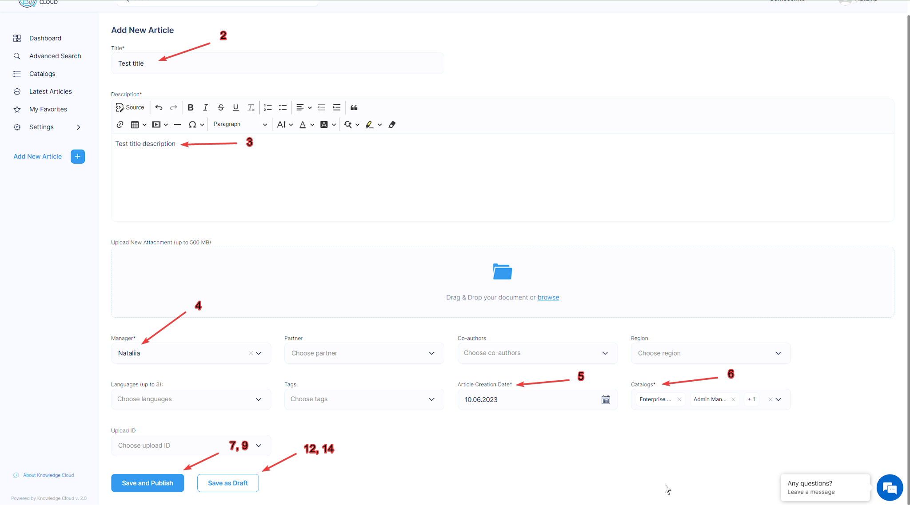
Attachments:

