L.R.
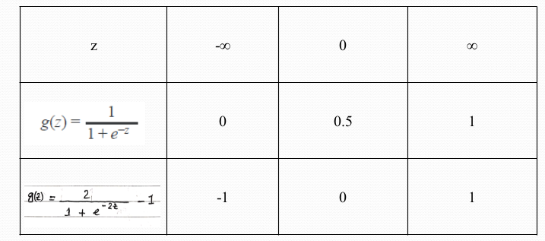
z = O0 + O1X1 + O2 X2 + .... OnXn h0(x) = g(x) y' = (h0(x)) [Decision Boundry]

 | x1 | x2 | y | z | h(x) = g(x) | y' | cost | y' - y | (y'-y)x1 | (y'-y)x2
 | 1 | 2 | 0 | 4 | 0.98 | 1 | inf | 1 | 1 | 2
 | 2 | 3 | 1 | 6 | 0.99 | 1 | 0 | 0 | 0 | 0
 | 3 | 4 | 0 | 8 | 0.99 | 1 | inf | 1 | 3 | 4
 | 2 | 1 | 1 | 4 | 0.98 | 1 | 0 | 0 | 0 | 0
 |  |  |  |  |  |  |  |  | 4 | 6

