Sheet2
 | Paper-1
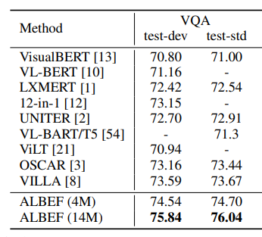 | Paper-3

