Final
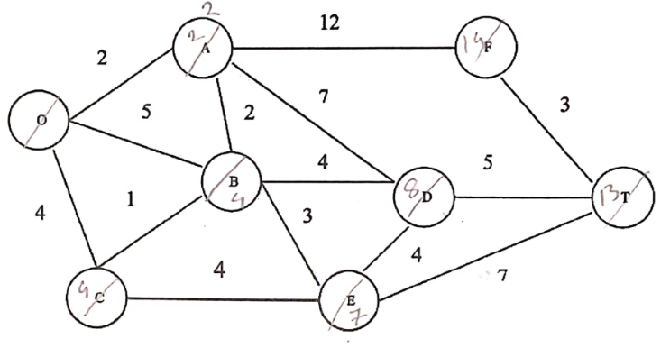
2a |  |  |  |  |  |  |  |  | 3b.
i | ff00:f0e:0:3f00::ef0:0 |  |  |  |  |  |  |  |  | Link-state | Distance-vector
ii | 1:0:0:f08:: |  |  |  |  |  |  |  |  | Bandwidth required is more due to flooding and sending of large link state packets | Bandwidth Required is less due to local sharing, small packets and no flooding
iii | ef08:10:1000:1:f0f:: |  |  |  |  |  |  |  |  | Based on global knowledge | Based on local knowledge since it updates table based on information from neighbors.
iv | 1:0:0:fe08::f |  |  |  |  |  |  |  |  | Make use of Dijkastra's algorithm | make use of Bellman Ford algorithm
 |  |  |  |  |  |  |  |  |  | Traffic is more | Traffic is less
 |  |  |  |  |  |  |  |  |  | Converges faster | Converges slowly
 |  |  |  |  |  |  |  |  |  | no presistent loops | Presistent looping problem
 |  |  |  |  |  |  |  |  |  | Use in OSPF | implement in RIP routing
2b |  | A | B | C | D | E | F | T
 | O | 2,O | 5,O | 4,O | INF | INF | INF | INF
 | OA | - | 4,A | 4,O | 9,A | INF | 14,A | INF
 | OAB | - | - | 4,O | 8,B | 7,B | 14,A | INF
 | OABC | - | - | - | 8,B | 7,B | 14,A | INF
 | OABCE | - | - | - | 8,B | - | 14,A | 14,E
 | OABCED | - | - | - | - | - | 14,A | 13,D
 | OABCEDT | - | - | - | - | - | 14,A | -
 | OABCEDTE | - | - | - | - | - | - | -

4a.
 | m=2 p=3, q=11 n= p.q= 3 *11 =33 z= (p-1)*(q-1) = 20 e= 7 [ 1<e<z; e is coprime of z] d= 3 [ d*e%z =1] public key(e,n) = (7,33) private key(d,n) = (3,33) Encryption, c= m^e %n = (2^7)%33 = 29

